Hoja1
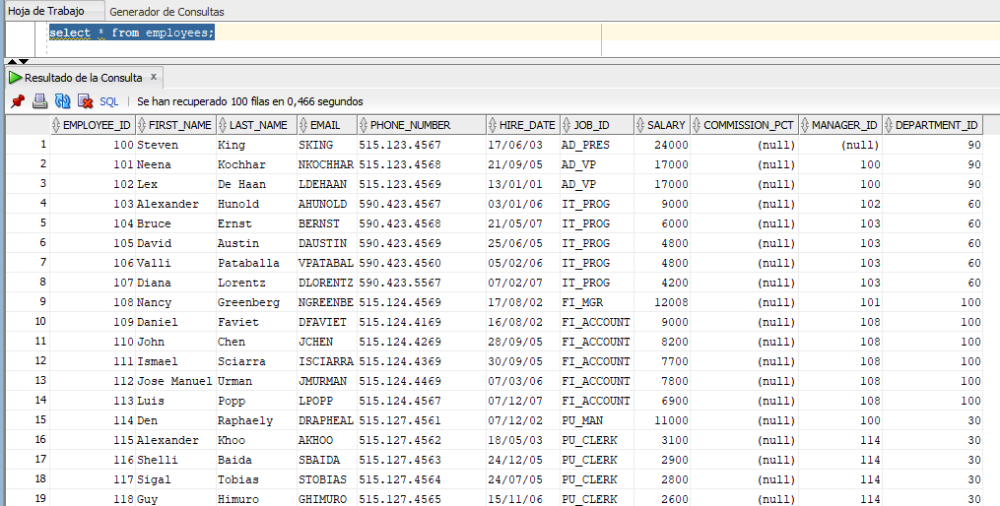
 | Tabla EMPLOYEES en Oracle
 | Column_name | Data_type | Nullable | Comments
 | EMPLOYEE_ID | NUMBER(6,0) | No | Primary key of employees table.
 | FIRST_NAME | VARCHAR2(20 BYTE) | Yes | First name of the employee. A not null column.
 | LAST_NAME | VARCHAR2(25 BYTE) | Yes | Last name of the employee. A not null column.
 | EMAIL | VARCHAR2(25 BYTE) | No | Email id of the employee
 | PHONE_NUMBER | VARCHAR2(20 BYTE) | Yes | Phone number of the employee; includes country code and area code
 | HIRE_DATE | DATE | Yes | Date when the employee started on this job. A not null column.
 | JOB_ID | VARCHAR2(10 BYTE) | Yes | Current job of the employee; foreign key to job_id column of the jobs table. A not null column.
 | SALARY | NUMBER(8,2) | Yes | Monthly salary of the employee. Must be greater than zero (enforced by constraint emp_salary_min)
 | COMMISSION_PCT | NUMBER(2,2) | Yes | Commission percentage of the employee; Only employees in sales department elgible for commission percentage
 | MANAGER_ID | NUMBER(6,0) | Yes | Manager id of the employee; has same domain as manager_id in departments table. Foreign key to employee_id column of employees table. (useful for reflexive joins and CONNECT BY query)
 | DEPARTMENT_ID | NUMBER(4,0) | Yes | Department id where employee works; foreign key to department_id column of the departments table

 | Ej GITHUB:
 | En ElastisSearch:
1 | creo el indice: employees
2 | Creo un modelo de datos compatible con el modelo de la tabla ‘Employees’ del schema HR de Oracle
3 | Creo un índice acorde al modelo creado antes.

1 | creo el indice: employees
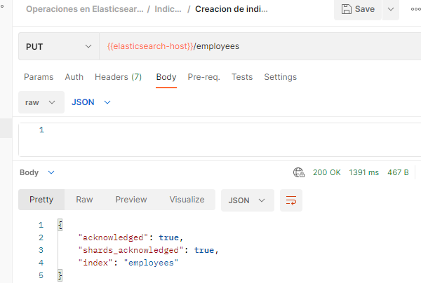
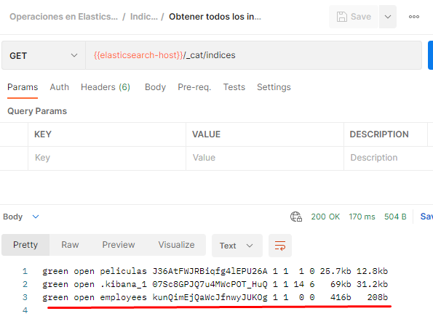

2 | Creo un modelo de datos compatible con el modelo de la tabla ‘Employees’ del schema HR de Oracle

 | { "properties": { "EMPLOYEE_ID": { // en Oracle "type": "integer" //NUMBER(6,0) }, "FIRST_NAME": { "type": "search_as_you_type" //VARCHAR2(20 BYTE) }, "LAST_NAME": { "type": "text" //VARCHAR2(25 BYTE) }, "EMAIL": { "type": "text" //VARCHAR2(25 BYTE) }, "PHONE_NUMBER": { "type": "text" //VARCHAR2(20 BYTE) }, "HIRE_DATE": { "type": "date", //o tipo long , DATE en Oracle "format": "dd-MM-yyyy HH:mm:ss||dd-MM-yyyy||epoch_millis" }, "JOB_ID": { "type": "keyword" //VARCHAR2(10 BYTE) }, "SALARY": { "type": "integer" //NUMBER(8,2) }, "COMMISSION_PCT": { "type": "float" //NUMBER(2,2) }, "MANAGER_ID": { "type": "integer" //NUMBER(6,0) }, "DEPARTMENT_ID": { "type": "integer" //NUMBER(4,0) } } }

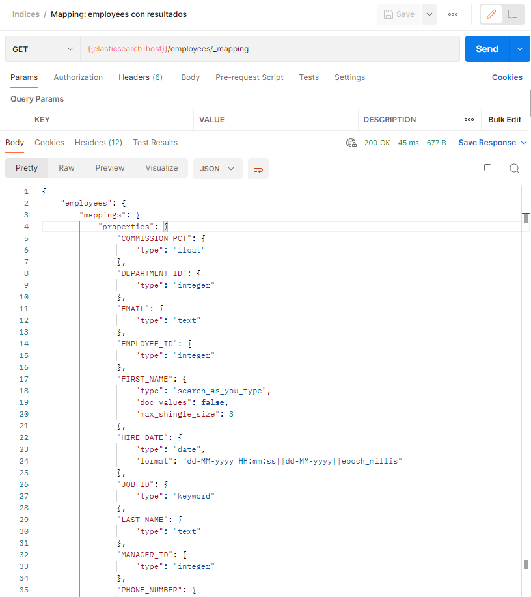

3 | Creo un índice acorde al modelo creado antes.

