Round Robin Subject Scores
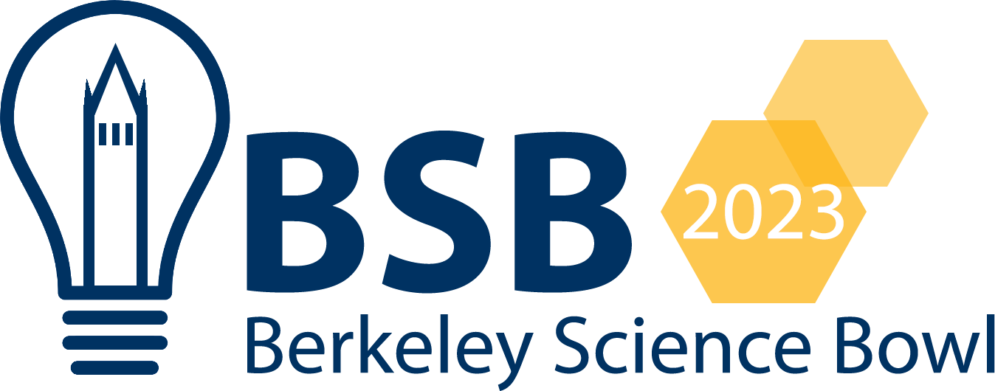
Round Robin Subject Scores

Score = (# Correct Tossups) - (# Penalized Tossups) + 0.5 * (# of Correct Bonuses)

Team Name: | Cupertino A | Team Members: | Aaditya Karnataki | Jake Wang | Minseo Park | Aditi Gargeshwari | Namita Gaidhani
Subject: | Math | Score: | 1.5 | 0 | 0 | 0 | 0

