Main Page
SCHEDULE OF EVENTS |  |  | Links
Time | High School | Middle School | High School Round Robin
9:45 - 10:00 a.m. CDT | Opening Ceremony | Opening Ceremony | High School Double Elimination
10:05 - 10:45 a.m. CDT | Round Robin 1 | Round Robin 1 | Middle School Round Robin
10:45 - 11:15 a.m. CDT | Round Robin 2 | Round Robin 2 | Middle School Swiss
11:15 - 11:45 a.m. CDT | Round Robin 3 | Round Robin 3 | Round Robin Schedule
11:45 - 12:15 p.m. CDT | Round Robin 4 | Lunch
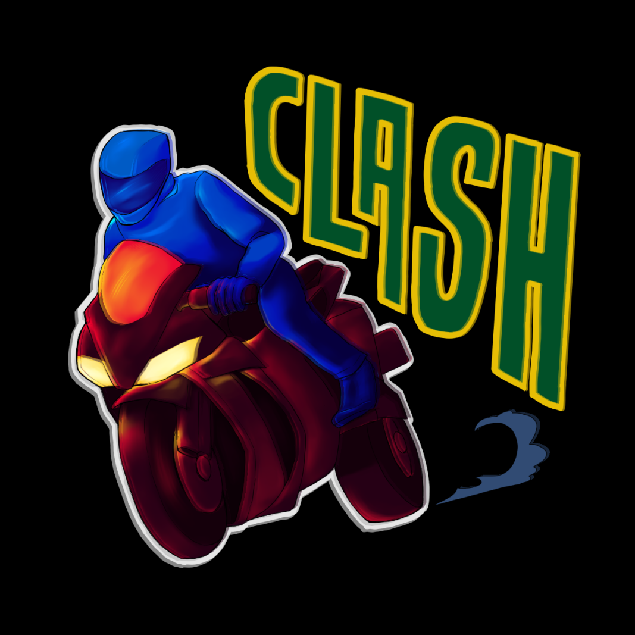
12:15 - 12:45 p.m. CDT | Round Robin 5 | Lunch (Continued)
12:45 - 1:30 p.m. CDT | Lunch | Swiss 1
2:00 - 2:30 p.m. CDT | Double Elimination 1 | Swiss 2
2:30 - 3:00 p.m. CDT | Double Elimination 2 | Swiss 3
3:00 - 3:30 p.m. CDT | Double Elimination 3 | Swiss 4
3:30 - 4:00 p.m. CDT | Double Elimination 4 | Swiss 5
4:00 - 4:30 p.m. CDT | Double Elimination 5 | Break
4:30 - 5:10 p.m. CDT | Break | Middle School Finals
5:10 - 5:50 p.m. CDT | Double Elimination 6 | N/A
5:50 - 6:30 p.m. CDT | Double Elimination 7 | N/A
6:30 - 7:10 p.m. CDT | Double Elimination 8 | N/A | CLASH Science Bowl
7:10 - 7:50 p.m. CDT | High School Finals 1 | N/A | Hosted by HUSB
7:50 - 8:30 p.m. CDT | High School Finals 2 | N/A | Sponsored by IsoBowl
8:40-8:55 p.m. CDT | Closing Ceremony | Closing Ceremony

