Intro
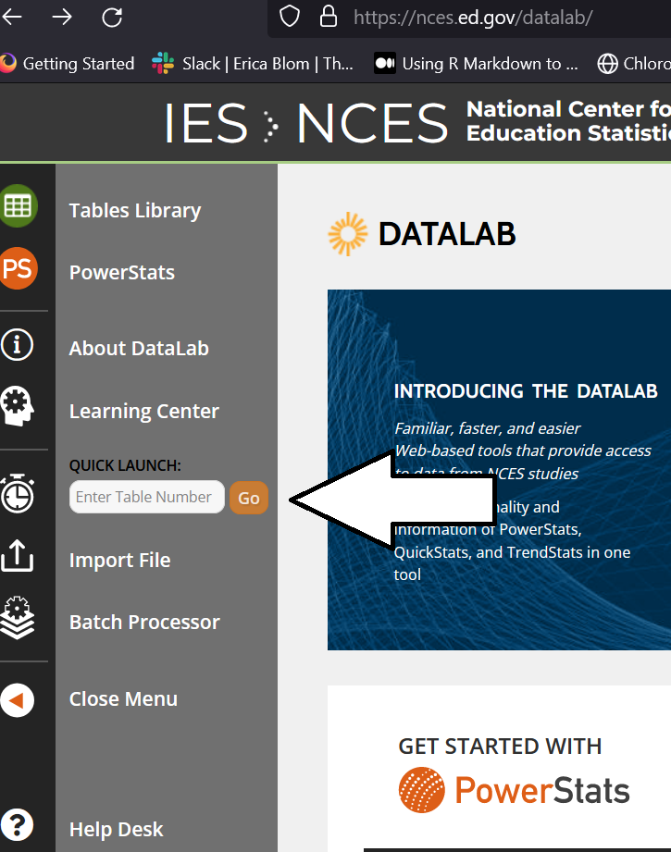
Introduction | The data in Bryan Cook and Alex Tilsey's "Exploring the Relationship between Student Loan Forgiveness, the Pell Bonus, and Race" was sourced from the NCES Datalab's "powerstats" feature. Every table has a "hash," or unique string "table number" which you can use to reproduce the table. You will need to create an NCES account in order to access the powerstats feature, but afterward, you will be able to use the powerstats feature as needed.

NCES Website | https://nces.ed.gov/datalab/

