Arkusz1
BUG REPORT

DETAILS:

BUG ID: | Bug001
PRIORITY: | Highest
ENVIRNOMENT: | Browser: Firefox 80.0.1 (64bit)
 | OS: Windows 10 Home PL

DESCRIPTION:

 | I can't apply for NOKIA Academy - I&V Engineer (Job Number: 2000000F8F). The bug is produced only in the "Education Section". I filled in the education section with a correct data and clicked "Save and continue" button. I got a return message "The value in the field "Start Date" cannot be after the value in the field "Graduation Date". There isn't any 'Start Date' field in the online aplication form in the Education section.

LOCATION: | https://nokia.taleo.net/careersection/careersection/candidateacquisition/flow.jsf

STEPS TO REPRODUCE:
 | 1. Go to: https://www.linkedin.com/jobs/view/2150537323/?refId=a8f06cc0-8648-439c-bb99-099650705cb2
 | 2. Click "Aplikuj" button
 | 3. Click "Apply For Job"
 | 4. Fill in the sections: 1,2,3 of the aplication form
 | 5. Fill in the "4.Education" section with the correct data
 | 6. Click "Save and Continue"
 | 7. I should go to section 5 "Work experience", but I got a return message message "The value in the field "Start Date" cannot be after the value in the field "Graduation Date".

ACTUAL RESULT:

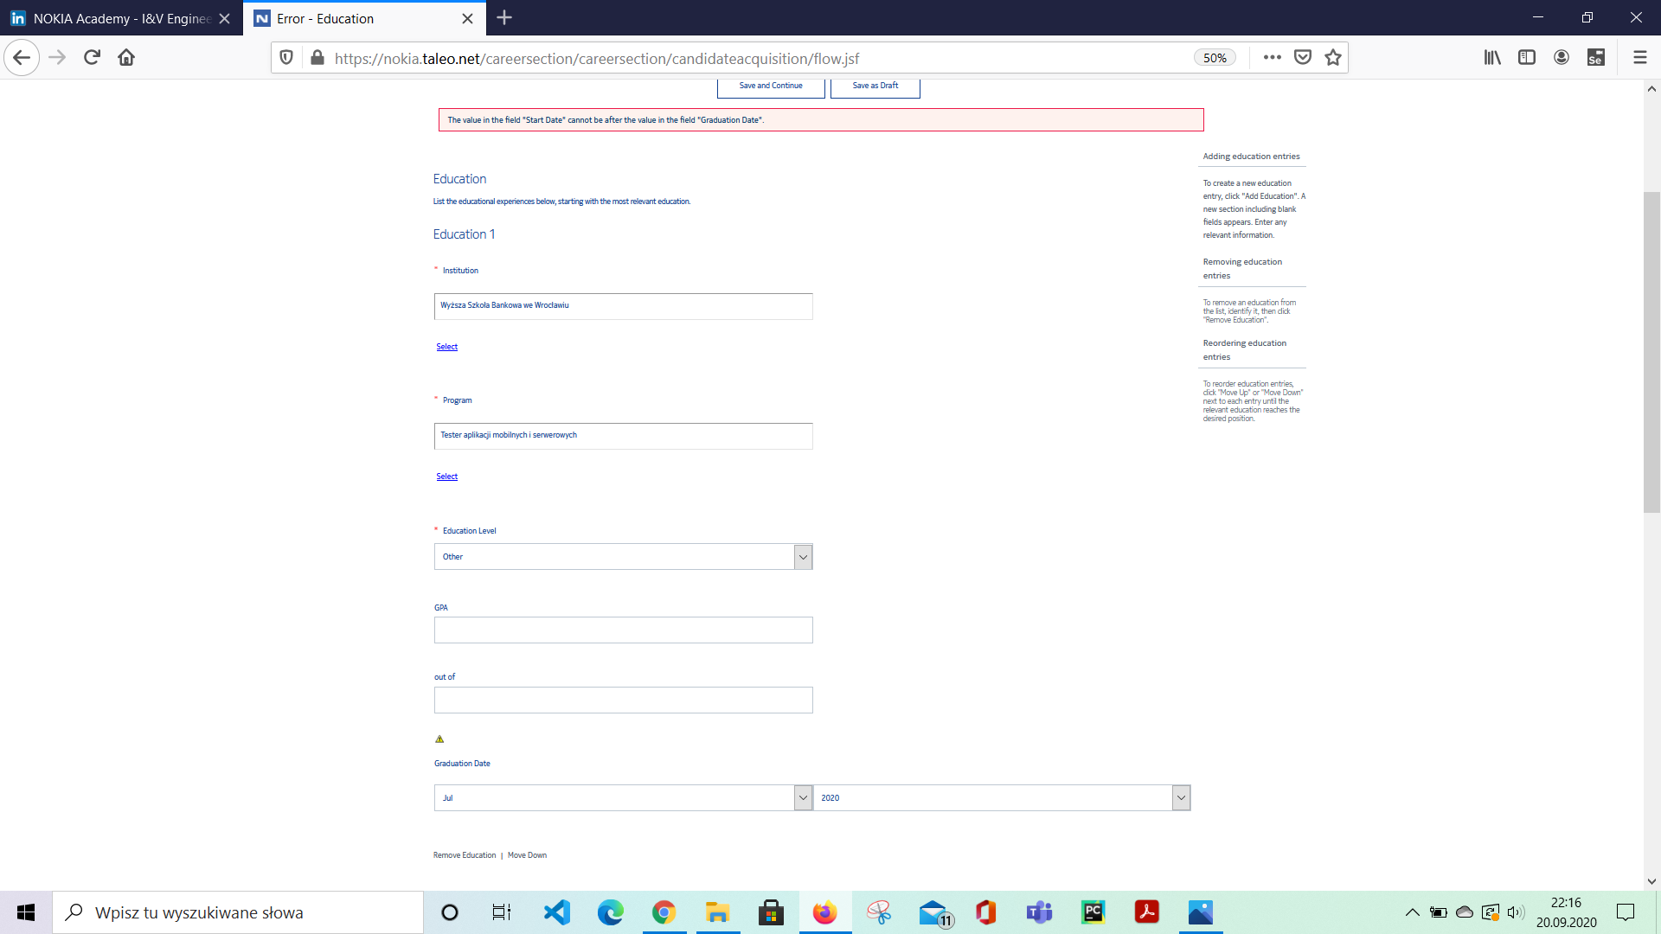

EXPECTED RESULT:

 | I shoud be able to fill in the section 5 "Work experience"

