Week 7
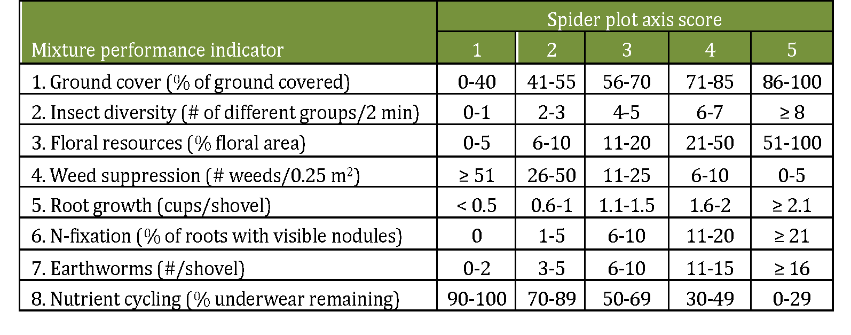
Example spider plot

Example spider plot | Measured value | Axis score
Ground cover | 50 | 2
Insect diversity | 5 | 3
Floral resources | 30 | 5
Weed suppression | 60 | 1
Root growth | 3 | 5
N-fixation | 8 | 3
Earthworms | 12 | 4
Nutrient cycling | 55 | 3

YOUR SPIDER PLOT
Ground cover
Insect diversity
Floral resources
Weed suppression
Root growth
N-fixation
Earthworms
Nutrient cycling
 |  | Use table below to get access scores | Your spider plot will be created automatically when you enter your data
Enter results from your mixture in this table | Measured value | Axis score
Ground cover
Insect diversity
Floral resources
Weed suppression
Root growth
N-fixation
Earthworms
Nutrient cycling

For Instructors
Gray cells are automatically populated from data entered from other tabs. |  |  | Seeds in greenhouse pots (#/pot) |  |  |  |  |  |  |  |  |  |  |  |  |  |  |  |  |  | Seeding rate converted to weight and field area basis (lbs/acre) |  |  |  |  |  |  |  |  |  |  |  |  | Greenhouse |  |  |  |  |  |  |  |  |  | Outside
 | State abbreviation (e.g., NY) | Name (First Last) | Annual ryegrass | Cereal rye | Oats | Sorghum sudangrass | Cowpea | Crimson clover | Hairy vetch | Red clover | Sunn hemp | Mustard | Radish | Buckwheat | Poaceae seeds/pot | Fabaceae seeds/pot | Brassicaceae seeds/pot | Polygonaceae seeds/pot | Total seeds/pot | Seeded Family Evenness | Annual ryegrass | Cereal rye | Oats | Sorghum sudangrass | Cowpea | Crimson clover | Hairy vetch | Red clover | Sunn hemp | Mustard | Radish | Buckwheat | Total (lbs/acre) | Poaceae biomass (g) | Fabaceae biomass (g) | Brassicaceae biomass (g) | Polygonaceae biomass (g) | Total biomass (g/pot) | Total biomass (lb/a) | Expense ($/acre) | Economic Efficiency (lb/$) | # of plant families | Observed Family Evenness | Poaceae biomass (g) | Fabaceae biomass (g) | Brassicaceae biomass (g) | Polygonaceae biomass (g) | Total biomass (g) | Total biomass (lb/acre) | Expense ($/acre) | Economic Efficiency (lb/$) | # of plant families | Observed Family Evenness
 | 0 | 0 | 0 | 0 | 0 | 0 | 0 | 0 | 0 | 0 | 0 | 0 | 0 | 0 | 0 | 0 | 0 | 0 | 0 | #NUM! | 0 | 0 | 0 | 0 | 0 | 0 | 0 | 0 | 0 | 0 | 0 | 0 | 0 | 0 | 0 | 0 | 0 | 0 | 0 | $0.00 | #DIV/0! | 0 | 0.000 | 0 | 0 | 0 | 0 | 0.00 | 0 | $0.00 | #DIV/0! | 0 | 0.000
Seeded evenness equation will fail if you did not select cover crops from two or more plant families
Students: email the results of this spreadsheet to your instructor for the competition.
All values will self-populate when you filling in observations in the "Week 1", "Week 7", and "Week 8" worksheets.
State abbreviation and Name will be "0" if you don't fill out cells B22 and B23 in the "Week 1" worksheet.

