Sheet2
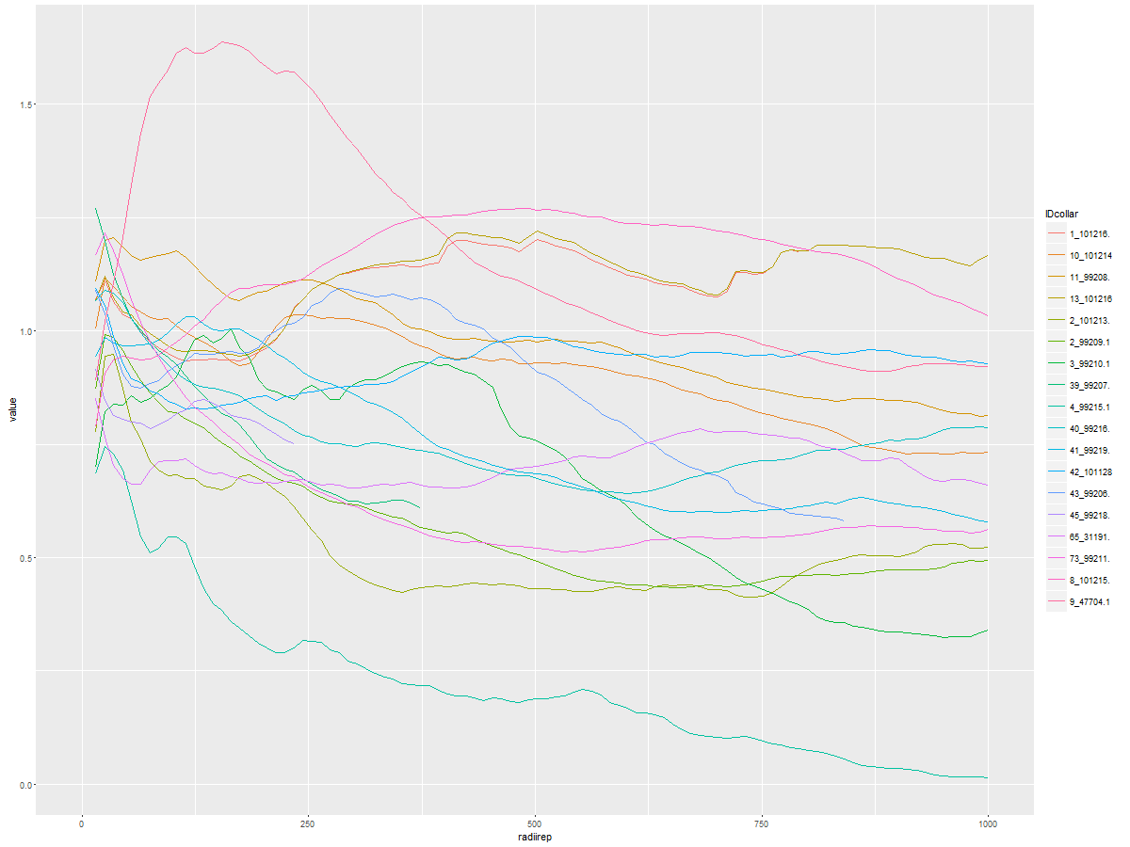
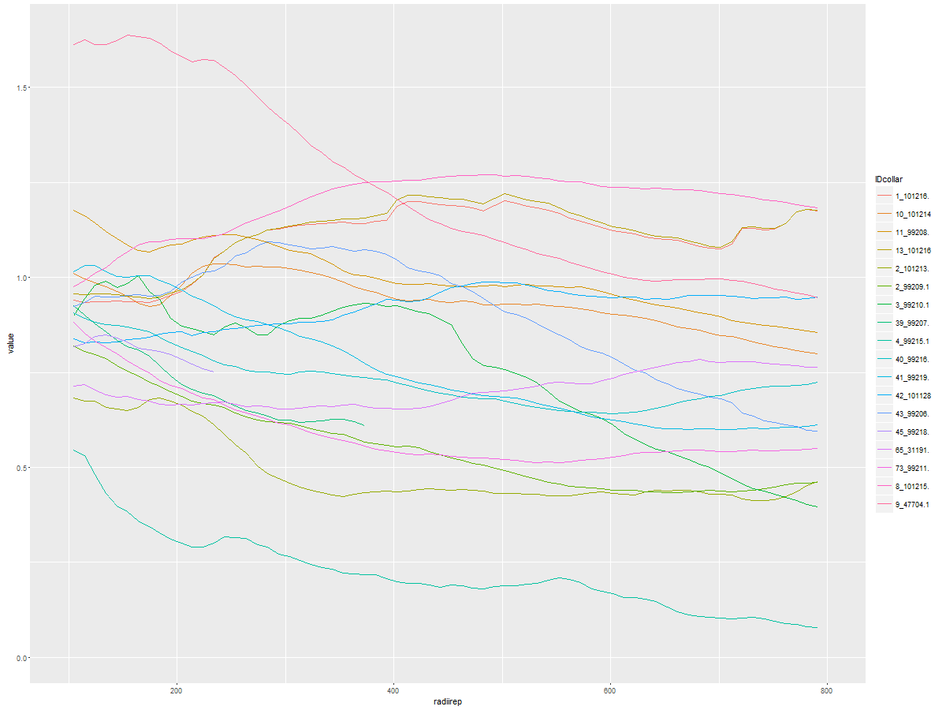
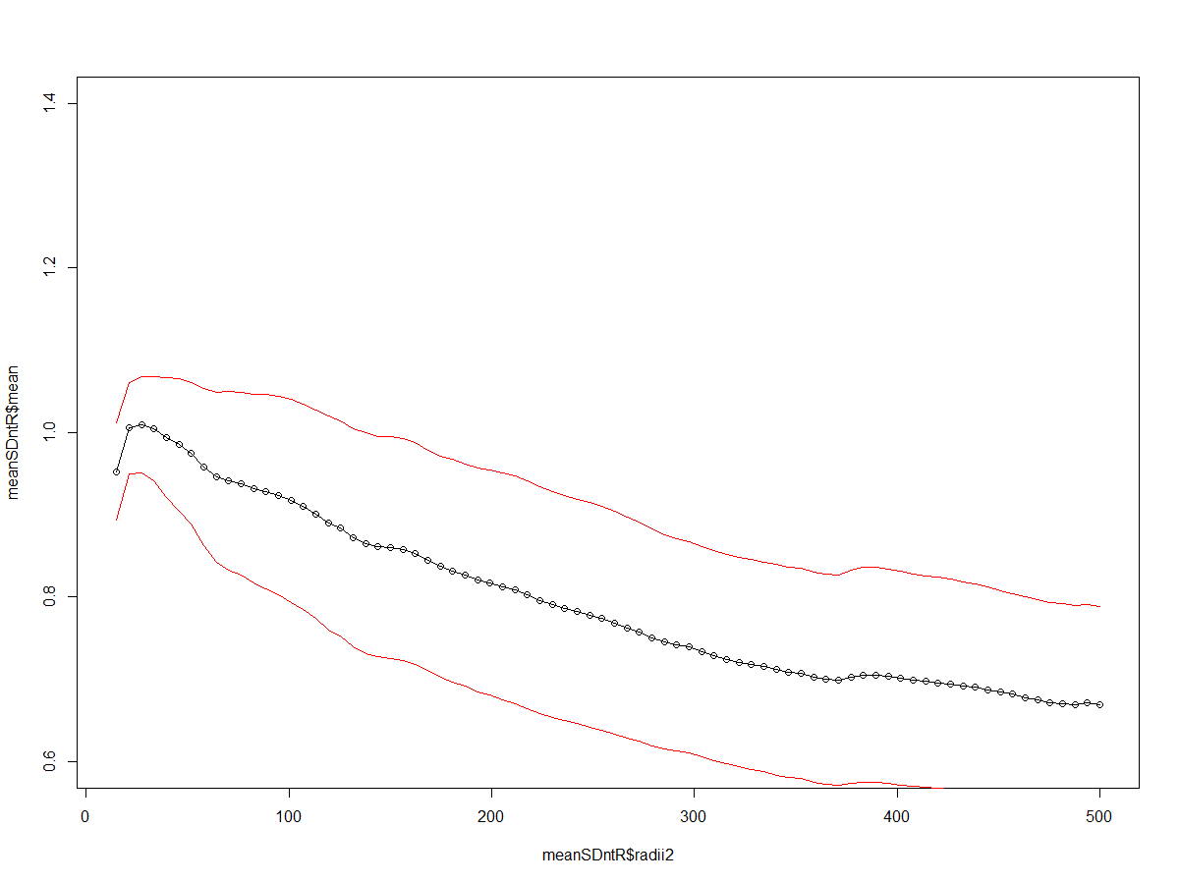
Summer, 20 min Crepuscular Only |  |  |  |  |  |  | ALL Summer, not limit
not limit - all radii
 | Group.1 | x | maxradii |  |  | Group.1 x maxradii
1 | 1_101216. | 1.206287 | 74.69697 | 1_101216 | #N/A | 1 | 1_101216. | 1.206287 | 74.69697
2 | 10_101214 | 1.390113 | 94.59596 | 10_101214 | F | 2 | 10_101214 | 1.390113 | 94.59596
3 | 11_99208. | 1.171997 | 54.79798 | 11_99208 | F | 3 | 11_99208. | 1.171997 | 54.79798
4 | 13_101216 | 1.20753 | 74.69697 | 13_101216 | F | 4 | 13_101216 | 1.20753 | 74.69697
5 | 2_99209.1 | 1.018341 | 54.79798 | 2_99209 | F | 5 | 2_99209.1 | 1.018341 | 54.79798
6 | 39_99207. | 1.045605 | 15 | 39_99207 | M | 6 | 39_99207. | 1.045605 | 15
7 | 40_99216. | 1.301649 | 64.74747 | 40_99216 | M | 7 | 40_99216. | 1.301649 | 64.74747
8 | 41_99219. | 1.122576 | 24.94949 | 41_99219 | F | 8 | 41_99219. | 1.122576 | 24.94949
9 | 42_101128 | 1.705493 | 691.56566 | 42_101128 | M | 9 | 42_101128 | 1.705493 | 691.56566
10 | 43_99206. | 1.117525 | 15 | 43_99206 | F | 10 | 43_99206. | 1.117525 | 15
11 | 45_99218. | 1.052179 | 15 | 45_99218 | F | 11 | 45_99218. | 1.052179 | 15
12 | 73_99211. | 1.139491 | 15 | 73_99211 | F | 12 | 73_99211. | 1.139491 | 15
13 | 8_101215. | 1.352837 | 124.44444 | 8_101215 | M | 13 | 8_101215. | 1.352837 | 124.44444
14 | 9_47704.1 | 1.000929 | 34.89899 | 9_47704 | F | 14 | 9_47704.1 | 1.000929 | 34.89899

 |  |  |  |  |  |  |  | mean | 96.727993571
 | Group.1 | x | maxradii |  |  |  |  | median | 54.79798
1 | 1_101216. | 1.1877238 | 472.6768 | 1_101216 | #N/A |  |  |  |  |  |  |  |  |  |  | Spring
2 | 10_101214 | 1.3679007 | 104.5455 | 10_101214 | F |  |  | Summer, >100 m |  |  |  | WINTER |  |  |  | Group.1 | x | maxradii
3 | 11_99208. | 1.0806725 | 104.5455 | 11_99208 | F |  |  | Group.1 | x | maxradii |  | Group.1 | x | maxradii | 1 | 1_101216. | 1.2019898 | 502.5253
4 | 13_101216 | 1.1879291 | 472.6768 | 13_101216 | F |  | 1 | 1_101216. | 1.1740696 | 572.1717 | 1 | 1_101216. | 1.0363266 | 791.0606 | 2 | 10_101214 | 1.0363717 | 243.8384
5 | 2_99209.1 | 0.8406216 | 104.5455 | 2_99209 | F |  | 2 | 10_101214 | 1.2156999 | 472.6768 | 2 | 10_101214 | 0.70857 | 472.6768 | 3 | 11_99208. | 1.1758599 | 104.5455
6 | 39_99207. | 0.9656688 | 104.5455 | 39_99207 | M |  | 3 | 11_99208. | 0.7379842 | 104.5455 | 3 | 11_99208. | 1.0358667 | 810.9596 | 4 | 13_101216 | 1.2209228 | 502.5253
7 | 40_99216. | 1.2670791 | 104.5455 | 40_99216 | M |  | 4 | 13_101216 | 1.1744318 | 572.1717 | 4 | 13_101216 | 1.3067338 | 791.0606 | 5 | 2_101213. | 0.68361 | 184.1414
8 | 41_99219. | 0.9770953 | 104.5455 | 41_99219 | F |  | 5 | 2_99209.1 | 0.5459683 | 104.5455 | 5 | 2_101213. | 0.4262892 | 104.5455 | 6 | 2_99209.1 | 0.8188471 | 104.5455
9 | 42_101128 | 1.7054925 | 691.5657 | 42_101128 | M |  | 6 | 39_99207. | 0.8254609 | 104.5455 | 6 | 2_99209.1 | 1.7065626 | 1000 | 7 | 3_99210.1 | 1.0043124 | 164.2424
10 | 43_99206. | 0.9029354 | 104.5455 | 43_99206 | F |  | 7 | 40_99216. | 1.0127585 | 104.5455 | 7 | 3_99210.1 | 0.8312932 | 472.6768 | 8 | 39_99207. | 0.9264649 | 104.5455
11 | 45_99218. | 0.7677237 | 104.5455 | 45_99218 | F |  | 8 | 41_99219. | 0.7519603 | 104.5455 | 8 | 38_99214. | 0.2520326 | 104.5455 | 9 | 4_99215.1 | 0.5450424 | 104.5455
12 | 73_99211. | 0.9925648 | 104.5455 | 73_99211 | F |  | 9 | 42_101128 | 1.7415531 | 791.0606 | 9 | 39_99207. | 0.6726493 | 213.9899 | 10 | 40_99216. | 0.9079043 | 104.5455
13 | 8_101215. | 1.3528369 | 124.4444 | 8_101215 | M |  | 10 | 43_99206. | 0.6793193 | 233.8889 | 10 | 4_99215.1 | 0.5241569 | 194.0909 | 11 | 41_99219. | 1.032315 | 114.4949
14 | 9_47704.1 | 0.7633995 | 104.5455 | 9_47704 | F |  | 11 | 45_99218. | 0.6162969 | 104.5455 | 11 | 40_99216. | 0.5894516 | 263.7374 | 12 | 42_101128 | 0.9885426 | 492.5758
 |  |  |  |  |  |  | 12 | 65_31191. | 1.0518071 | 104.5455 | 12 | 41_99219. | 0.6796908 | 940.303 | 13 | 43_99206. | 1.0936874 | 283.6364
 |  |  |  |  |  |  | 13 | 73_99211. | 0.7525386 | 104.5455 | 13 | 42_101128 | 1.3657665 | 442.8283 | 14 | 45_99218. | 0.8483359 | 134.3939
 |  |  |  |  |  |  | 14 | 8_101215. | 1.2022915 | 582.1212 | 14 | 43_99206. | 0.8186855 | 373.1818 | 15 | 65_31191. | 0.7835335 | 681.6162
 |  |  |  |  |  |  | 15 | 9_47704.1 | 0.6982352 | 412.9798 | 15 | 45_99218. |  |  | 16 | 73_99211. | 0.8813224 | 104.5455
 |  |  |  |  |  |  |  |  |  |  | 16 | 65_31191. | 0.8375646 | 213.9899 | 17 | 8_101215. | 1.2705194 | 492.5758
 |  |  |  |  |  |  |  |  | mean | 298.22898 | 17 | 73_99211. | 0.8313269 | 910.4545 | 18 | 9_47704.1 | 1.6374907 | 154.2929
 |  |  |  |  |  |  |  |  | median | 104.5455 | 18 | 8_101215. | 1.0381324 | 810.9596
 |  |  |  |  |  |  |  |  |  |  | 19 | 9_47704.1 | 0.7075025 | 960.202 |  |  | mean | 254.34065
 |  |  |  |  |  |  |  |  |  |  |  |  |  |  |  |  | median | 159.26765
 |  |  |  |  |  |  |  |  |  |  |  |  | mean | 548.40348333
 |  |  |  |  |  |  |  |  |  |  |  |  | median | 472.6768

