P1
task | color | correctKey | trialType | resp.rt | correct

choice | blue | f | choice | 0.67927920801 | 1
choice | red | j | choice | 0.50292641702 | 1 | CHOICE accuracy | 0.97
choice | blue | f | choice | 0.61156687 | 1 | SIMPLE accuracy | 0.9642857143
choice | blue | f | choice | 0.65011262501 | 1 | CHOICE RT | 0.6375716921
choice | red | j | choice | 0.93494183299 | 1 | SIMPLE RT | 0.636825766
choice | blue | f | choice | 0.43772812499 | 1
choice | red | j | choice | 0.75759295799 | 1
Accuracy Score
choice | blue | f | choice | 0.87070112501 | 1
choice | blue | f | choice | 0.92619687499 | 1
choice | blue | f | choice | 0.38404675 | 1
choice | blue | f | choice | 0.38652537498 | 1
choice | red | j | choice | 0.44986229102 | 1
choice | blue | f | choice | 0.476312958 | 1
choice | blue | f | choice | 0.61172533 | 1
choice | red | j | choice | 1.101599625 | 1
simple | red | space | simple | 0.27111029098 | 1
Reaction Time Score
choice | blue | f | choice | 0.800105125 | 1
simple | blue | space | simple | 0.24916825001 | 1
simple | red | space | simple | 0.02658238 | 1
simple | red | space | simple | 0.234852792 | 1
choice | blue | f | choice | 0.44239804 | 1
simple | blue | space | simple | 0.04391362 | 1
choice | red | j | choice | 0.54293283299 | 1
choice | blue | f | choice | 1.156760667 | 1
simple | blue | space | simple | 0.08179208 | 1
choice | blue | f | choice | 0.394008542 | 1
simple | blue | space | simple | 0.45550720801 | 1
simple | blue | space | simple | 0.27803062502 | 1
simple | red | space | simple | 0.09257154 | 1
simple | red | space | simple | 0.22120999999 | 1
choice | red | j | choice | 0.29364358299 | 1
simple | blue | space | simple | 0.16887629198 | 1
choice | red | j | choice | 0.45276066699 | 1
choice | blue | f | choice | 0.48907116702 | 1
choice | red | j | choice | 0.42510166601 | 1
simple | blue | space | simple | 0.285260959 | 1
simple | red | space | simple | 0.25692570899 | 1
choice | red | j | choice | 1.139087667 | 1
simple | blue | space | simple | 0.22786724998 | 1
simple | red | space | simple | 0.30029762501 | 1
simple | blue | space | simple | 0.36739941599 | 1
simple | red | space | simple | 0.27225083302 | 1
simple | red | space | simple | 0.208249666 | 1
simple | red | space | simple | 0.26072525 | 1
choice | blue | f | choice | 0.747826584 | 1
simple | blue | space | simple | 0.23331638 | 1
simple | red | space | simple | 0.53570025001 | 1
choice | blue | f | choice | 0.848317458 | 1
simple | red | space | simple | 0.302306625 | 1
simple | blue | space | simple | 0.31658799999 | 1
simple | blue | space | simple | 0.22080070901 | 1
simple | red | space | simple | 0.30970363 | 1
simple | blue | space | simple | 0.26099620797 | 1
choice | blue | f | choice | 1.905426542 | 1
choice | blue | f | choice | 0.34108033299 | 1
choice | blue | f | choice | 0.83333162501 | 0
simple | red | space | simple | 0.15079499999 | 1
choice | red | j | choice | 0.44914654 | 1
simple | blue | space | simple | 0.13708416701 | 1
choice | red | j | choice | 0.82347583 | 1
simple | red | space | simple | 1.503579167 | 1
choice | red | j | choice | 1.080852709 | 1
choice | red | j | choice | 0.50172842 | 1
choice | red | j | choice | 0.715405792 | 1
choice | blue | f | choice | 0.97121188 | 1
choice | red | j | choice | 0.514830792 | 0
simple | blue | space | simple | 0.26743542 | 1
simple | red | space | simple | 0.25334737502 | 1
choice | red | j | choice | 1.357916541 | 1
choice | red | j | choice | 0.95206437501 | 1
simple | blue | space | simple | 0.14957483401 | 1
choice | blue | f | choice | 0.84443087497 | 1
simple | red | space | simple | 0.23436816697 | 1
simple | red | space | simple | 0.34925029101 | 1
choice | blue | f | choice | 5.506866 | 1
simple | red | space | simple | 1.875421417 | 1
choice | blue | f | choice | 2.398141084 | 1
simple | blue | space | simple | 1.656112042 | 1
choice | red | j | choice | 3.83743225 | 0
simple | red | space | simple | 0.31266954099 | 1
choice | red | j | choice | 1.298800084 | 1
choice | blue | f | choice | 1.378645667 | 1
choice | red | j | choice | 0.96520104 | 1
choice | red | j | choice | 0.50334912498 | 1
choice | red | j | choice | 1.125432584 | 1
simple | blue | space | simple | 0.237428958 | 1
simple | blue | space | simple | 0.29096108302 | 1
simple | blue | space | simple | 0.24039549998 | 1
choice | blue | f | choice | 0.33161670901 | 1
choice | red | j | choice | 0.41378554099 | 1
simple | red | space | simple | 0.23460933301 | 1
simple | blue | space | simple | 0.26411412499 | 1
simple | red | space | simple | 0.29752612501 | 1
simple | blue | space | simple | 0.24654558298 | 1
simple | blue | space | simple | 0.27051266699 | 1
simple | red | space | simple | 0.42370638 | 1
simple | blue | space | simple | 0.28479129 | 1
simple | blue | space | simple | 0.232459791 | 1
simple | blue | space | simple | 0.31648616699 | 1
choice | blue | f | choice | 0.48268649998 | 1

P2
task | color | correctKey | trialType | resp.rt | correct

simple | blue | space | simple | 0.77054516599 | 1
choice | blue | f | choice | 1.524779166 | 1 | CHOICE accuracy | 0.9693877551
choice | blue | f | choice | 0.70517146 | 1 | SIMPLE accuracy | 0.97
simple | red | space | simple | 0.42100566698 | 1 | CHOICE RT | 0.9475580762
simple | red | space | simple | 2.091534125 | 1 | SIMPLE RT | 0.9519870871
choice | blue | f | choice | 0.48946183399 | 1
Accuracy Score
simple | blue | space | simple | 0.506271833 | 1
simple | red | space | simple | 1.665708791 | 1
choice | red | j | choice | 0.324461084 | 1
simple | red | space | simple | 2.042783417 | 1
choice | blue | f | choice | 0.83213075 | 1
choice | red | j | choice | 0.83096445899 | 1
simple | blue | space | simple | 1.313333708 | 1
choice | blue | f | choice | 1.606957416 | 1
choice | red | j | choice | 0.92275454 | 1
Reaction Time Score
simple | blue | space | simple | 0.42102504199 | 1
simple | blue | space | simple | 0.88359050002 | 1
choice | blue | f | choice | 1.084026083 | 1
simple | red | space | simple | 1.830448833 | 1
choice | blue | f | choice | 1.388351833 | 1
simple | blue | space | simple | 1.216532167 | 1
choice | red | j | choice | 1.199435125 | 1
simple | blue | space | simple | 1.167597125 | 1
choice | blue | f | choice | 0.551963167 | 1
choice | blue | f | choice | 0.69136170801 | 1
simple | red | space | simple | 0.27742991701 | 1
simple | blue | space | simple | 1.275694458 | 1
choice | red | j | choice | 0.700592209 | 1
choice | red | j | choice | 1.027312917 | 1
choice | blue | f | choice | 0.82486779199 | 1
choice | blue | f | choice | 2.077029625 | 1
simple | red | space | simple | 1.101005125 | 1
simple | red | space | simple | 0.31761966602 | 1
choice | red | j | choice | 0.48243058 | 0
simple | blue | space | simple | 1.330376875 | 1
simple | red | space | simple | 1.386358458 | 1
choice | blue | f | choice | 0.95726191602 | 1
simple | blue | space | simple | 0.67989266699 | 1
simple | blue | space | simple | 0.658901708 | 1
choice | red | j | choice | 1.635635667 | 1
simple | blue | space | simple | 0.336624583 | 1
choice | red | j | choice | 1.704933709 | 1
simple | red | space | simple | 1.02535421 | 1
choice | blue | f | choice | 0.8179305 | 1
choice | red | j | choice | 1.491063667 | 1
simple | blue | space | simple | 0.244254041 | 1
choice | blue | f | choice | 1.384838042 | 1
simple | blue | space | simple | 0.24880299999 | 1
choice | red | j | choice | 0.41648750001 | 1
choice | blue | f | choice | 1.769183209 | 1
simple | red | space | simple | 0.34639991602 | 1
simple | red | space | simple | 0.796152625 | 1
simple | red | space | simple | 0.49492624999 | 1
choice | red | j | choice | 0.91072012499 | 0
choice | blue | f | choice | 1.78209938 | 1
choice | red | j | choice | 0.67297275001 | 1
choice | blue | f | choice | 0.58121950002 | 1
simple | red | space | simple | 0.23914425002 | 1
choice | blue | f | choice | 1.738400083 | 1
simple | blue | space | simple | 0.77533575002 | 1
simple | red | space | simple | 1.505686958 | 1
choice | red | j | choice | 0.75464933302 | 1
simple | blue | space | simple | 1.355558375 | 1
simple | blue | space | simple | 0.825509291 | 1
simple | red | space | simple | 0.99288713 | 1
simple | blue | space | simple | 0.585280667 | 1
simple | red | space | simple | 0.75398412501 | 1
simple | red | space | simple | 0.51730504099 | 1
choice | red | j | choice | 0.66229083299 | 1
simple | blue | space | simple | 0.24006804198 | 1
simple | red | space | simple | 0.34476912502 | 1
simple | blue | space | simple | 1.021314292 | 1
choice | blue | f | choice | 0.547328416 | 1
simple | red | space | simple | 0.588449 | 1
simple | blue | space | simple | 1.607268708 | 1
choice | red | j | choice | 0.49485641599 | 1
choice | red | j | choice | 0.59457383398 | 1
simple | red | space | simple | 0.339575875 | 1
choice | blue | f | choice | 2.079664 | 1
choice | red | j | choice | 2.644650708 | 0
simple | blue | space | simple | 1.68143875 | 1
choice | red | j | choice | 0.99205216701 | 1
simple | blue | space | simple | 0.29673891599 | 1
choice | blue | f | choice | 1.820285 | 1
choice | blue | f | choice | 1.119549541 | 1
choice | red | j | choice | 1.338365458 | 1
choice | red | j | choice | 0.83160587502 | 1
choice | red | j | choice | 0.549500583 | 1
simple | blue | space | simple | 0.343059292 | 1
choice | blue | f | choice | 0.86925649998 | 1
simple | blue | space | simple | 1.147889 | 1
choice | red | j | choice | 0.68751329102 | 1
choice | blue | f | choice | 1.163441375 | 1
choice | blue | f | choice | 0.56655291599 | 1
simple | blue | space | simple | 0.28987933398 | 1
choice | blue | f | choice | 0.72451095798 | 1
choice | blue | f | choice | 0.63600216599 | 1
simple | red | space | simple | 0.27793308 | 1
choice | red | j | choice | 1.0255575 | 1
simple | red | space | simple | 1.390459167 | 1

P3
task | color | correctKey | trialType | resp.rt | correct

choice | blue | f | choice | 3.193068084 | 1
simple | red | space | simple | 1.571338 | 1 | CHOICE accuracy | 0.898989899
choice | red | j | choice | 5.865133291 | 1 | SIMPLE accuracy | 0.898989899
choice | blue | f | choice | 1.69563742 | 1 | CHOICE RT | 1.421942664
choice | blue | f | choice | 0.57654708301 | 0 | SIMPLE RT | 1.394240655
ACCURACY SCORE
simple | red | space | simple | 0.5943085 | 1
choice | red | j | choice | 0.65078950001 | 1
choice | red | j | choice | 1.239548125 | 1
choice | red | j | choice | 0.69025745799 | 1
choice | red | j | choice | 0.585049416 | 1
choice | blue | f | choice | 0.80196054099 | 1
simple | red | space | simple | 2.199138083 | 1
simple | red | space | simple | 2.978403 | 1
simple | blue | space | simple | 2.958145291 | 1
simple | red | space | simple | 2.609255375 | 1
REACTION TIME SCORE
choice | red | j | choice | 2.096172584 | 1
simple | red | space | simple | 0.484866541 | 1
choice | blue | f | choice | 10.442404667 | 0
simple | red | space | simple | 0.47086583302 | 1
simple | blue | space | simple | 2.117442875 | 1
simple | blue | space | simple | 0.701179708 | 1
simple | red | space | simple | 1.489234833 | 1
simple | blue | space | simple | 1.933421959 | 1
choice | red | j | choice | 1.66544725 | 0
simple | blue | space | simple | 0.667537042 | 1
simple | blue | space | simple | 0.600667625 | 1
simple | red | space | simple | 0.67563312501 | 1
choice | red | j | choice | 1.483630084 | 1
simple | blue | space | simple | 0.797005584 | 1
choice | red | j | choice | 0.74606183299 | 1
choice | blue | f | choice | 1.195172 | 1
choice | red | j | choice | 0.18886195798 | 0
choice | red | j | choice | 0.670530417 | 1
simple | blue | space | simple | 0.63694120801 | 1
choice | blue | f | choice | 2.1438285 | 1
choice | blue | f | choice | 0.84538483302 | 1
choice | blue | f | choice | 0.53619287501 | 1
simple | blue | space | simple | 0.37022179199 | 1
simple | blue | space | simple | 0.28095470899 | 1
choice | blue | f | choice | 0.35246216701 | 1
choice | red | j | choice | 0.98483137501 | 1
simple | red | space | simple | 0.37812350001 | 1
choice | blue | f | choice | 0.55863495803 | 1
choice | blue | f | choice | 0.715616209 | 1
choice | red | j | choice | 0.99939367 | 1
choice | red | j | choice | 0.77754966699 | 1
choice | red | j | choice | 0.62579662498 | 1
simple | red | space | simple | 0.27470920901 | 1
choice | blue | f | choice | 1.431965959 | 1
simple | blue | space | simple | 0.63268462499 | 1
simple | red | space | simple | 1.012392833 | 1
choice | blue | f | choice | 1.168537083 | 1
simple | red | space | simple | 1.072944625 | 1
simple | blue | space | simple | 2.723792792 | 1
simple | red | space | simple | 1.433007083 | 1
simple | blue | space | simple | 0.92768491598 | 1
simple | blue | space | simple | 0.95104575 | 1
choice | blue | f | choice | 0.83758145801 | 0
choice | red | j | choice | 1.2400175 | 1
simple | blue | space | simple | 0.90127099998 | 1
choice | red | j | choice | 0.38772854101 | 0
simple | red | space | simple | 0.88902162499 | 1
simple | red | space | simple | 0.63148862499 | 1
choice | red | j | choice | 0.42773454098 | 1
simple | blue | space | simple | 0.88409108 | 1
simple | blue | space | simple | 2.501972792 | 1
simple | red | space | simple | 2.286779917 | 1
simple | blue | space | simple | 0.698912917 | 1
choice | red | j | choice | 0.63052121 | 1
simple | blue | space | simple | 1.222372792 | 1
choice | blue | f | choice | 2.229924458 | 1
simple | blue | space | simple | 2.535522875 | 1
choice | red | j | choice | 1.741431834 | 1
choice | blue | f | choice | 1.337215875 | 1
simple | blue | space | simple | 1.50925137 | 1
simple | blue | space | simple | 0.52946024999 | 1
choice | blue | f | choice | 2.88061358 | 1
simple | red | space | simple | 0.575408167 | 1
choice | red | j | choice | 1.612868584 | 1
simple | blue | space | simple | 0.52673758299 | 1
simple | blue | space | simple | 0.765881125 | 1
choice | blue | f | choice | 1.590369333 | 0
choice | red | j | choice | 0.97529458301 | 1
simple | red | space | simple | 1.458506333 | 1
choice | blue | f | choice | 1.301617333 | 0
choice | blue | f | choice | 0.77646045899 | 0
choice | blue | f | choice | 0.497055833 | 1
simple | blue | space | simple | 6.21310475 | 1
choice | blue | f | choice | 1.450059417 | 1
choice | blue | f | choice | 4.208154292 | 0
choice | red | j | choice | 0.95576862499 | 1
simple | red | space | simple | 0.75920604201 | 1
simple | red | space | simple | 0.40834225001 | 1
choice | blue | f | choice | 2.398665375 | 1
simple | red | space | simple | 0.723144291 | 1
choice | blue | f | choice | 0.62166800001 | 1
choice | blue | f | choice | 0.63855258402 | 1
simple | red | space | simple | 4.313840625 | 1
choice | red | j | choice | 3.229291833 | 1
simple | blue | space | simple | 0.45056925001 | 1

P4
task | color | correctKey | trialType | resp.rt | correct

simple | red | space | simple | 0.49519758302 | 1
simple | blue | space | simple | 0.37939645798 | 1 | CHOICE accuracy | 0.9052631579
simple | red | space | simple | 1.00880775 | 1 | SIMPLE accuracy | 0.91
simple | red | space | simple | 0.53685841701 | 1 | CHOICE RT | 1.16919005
choice | red | j | choice | 1.6823795 | 1 | SIMPLE RT | 1.15402163
choice | red | j | choice | 0.83035283399 | 1
ACCURACY SCORE
simple | red | space | simple | 2.275904541 | 1
simple | blue | space | simple | 0.72171770799 | 1
simple | red | space | simple | 0.592346041 | 1
simple | blue | space | simple | 0.36057024999 | 1
choice | red | j | choice | 0.82664062499 | 1
simple | blue | space | simple | 0.27621012498 | 1
choice | blue | f | choice | 0.98253254101 | 1
choice | red | j | choice | 1.933414667 | 1
choice | blue | f | choice | 1.136457458 | 1
REACTION TIME SCORE
simple | blue | space | simple | 0.464783292 | 1
choice | blue | f | choice | 1.000639875 | 1
choice | blue | f | choice | 1.548726167 | 1
choice | blue | f | choice | 0.89306249999 | 1
simple | blue | space | simple | 1.607874417 | 1
choice | blue | f | choice | 1.179619583 | 1
simple | red | space | simple | 0.63028541699 | 1
choice | red | j | choice | 1.042776291 | 1
simple | red | space | simple | 0.94985275 | 1
choice | blue | f | choice | 0.981493167 | 1
choice | blue | f | choice | 1.14314725 | 1
choice | blue | f | choice | 0.964816625 | 1
simple | red | space | simple | 3.695787292 | 1
simple | red | space | simple | 3.145383459 | 1
choice | blue | f | choice | 1.085645709 | 1
simple | red | space | simple | 2.621829833 | 1
simple | blue | space | simple | 0.48423487501 | 1
simple | blue | space | simple | 0.544329292 | 1
choice | blue | f | choice | 0.99612658299 | 1
simple | blue | space | simple | 0.27951154098 | 1
simple | blue | space | simple | 0.414341333 | 1
choice | blue | f | choice | 0.73044379099 | 1
simple | red | space | simple | 0.786733541 | 1
choice | blue | f | choice | 1.446170292 | 0
choice | red | j | choice | 1.564920584 | 0
simple | red | space | simple | 0.389405208 | 1
simple | red | space | simple | 0.34376212501 | 1
choice | blue | f | choice | 3.14611475 | 1
choice | red | j | choice | 0.95607071 | 1
simple | red | space | simple | 0.78352783 | 1
simple | blue | space | simple | 0.365888959 | 1
simple | blue | space | simple | 0.327175666 | 1
choice | red | j | choice | 1.039235041 | 1
choice | blue | f | choice | 0.66896466698 | 1
simple | blue | space | simple | 0.40989512502 | 1
choice | blue | f | choice | 1.731054625 | 1
simple | blue | space | simple | 5.051515208 | 1
choice | red | j | choice | 3.284097958 | 1
choice | red | j | choice | 0.47442758299 | 1
choice | red | j | choice | 0.68640620899 | 1
choice | blue | f | choice | 0.88792937499 | 1
simple | blue | space | simple | 0.26628312498 | 1
simple | blue | space | simple | 0.60920524999 | 1
choice | red | j | choice | 0.7662515 | 0
choice | blue | f | choice | 1.236504542 | 0
choice | red | j | choice | 2.008417041 | 1
simple | blue | space | simple | 0.44947733401 | 1
choice | red | j | choice | 1.481576917 | 1
simple | red | space | simple | 3.617426458 | 1
choice | red | j | choice | 2.652339625 | 1
choice | blue | f | choice | 0.79985445799 | 1
choice | red | j | choice | 0.42544133298 | 0
simple | red | space | simple | 0.30878183298 | 1
choice | red | j | choice | 0.82062425 | 1
choice | blue | f | choice | 0.608037125 | 1
simple | blue | space | simple | 0.254071042 | 1
simple | blue | space | simple | 0.28177187499 | 1
choice | red | j | choice | 0.55740404199 | 0
choice | blue | f | choice | 0.416280042 | 0
choice | blue | f | choice | 0.616475708 | 0
simple | red | space | simple | 2.984838875 | 1
simple | blue | space | simple | 0.6103 | 1
simple | blue | space | simple | 0.52216987498 | 1
choice | blue | f | choice | 0.65298645798 | 0
simple | blue | space | simple | 2.451020042 | 1
simple | blue | space | simple | 0.42812324999 | 1
choice | red | j | choice | 0.71263495801 | 1
choice | red | j | choice | 0.91213191699 | 1
choice | red | j | choice | 1.723927375 | 1
simple | red | space | simple | 0.81221450001 | 1
simple | red | space | simple | 0.66078675 | 1
choice | blue | f | choice | 1.3166945 | 1
simple | red | space | simple | 4.67209592 | 1
choice | blue | f | choice | 1.3939635 | 1
choice | red | j | choice | 1.389227167 | 1
simple | red | space | simple | 0.29379429 | 1
choice | red | j | choice | 1.034180334 | 1
simple | red | space | simple | 1.632799083 | 1
simple | blue | space | simple | 0.32015025002 | 1
simple | blue | space | simple | 0.580400292 | 1
simple | red | space | simple | 0.26616908298 | 1
choice | blue | f | choice | 2.170604667 | 1
choice | blue | f | choice | 1.593919458 | 1
choice | red | j | choice | 1.395165958 | 1
simple | blue | space | simple | 1.908848 | 1

P5
task | color | correctKey | trialType | resp.rt | correct

simple | blue | space | simple | 0.25933529201 | 1
choice | red | j | choice | 0.80460966702 | 1 | CHOICE accuracy | 0.9489795918
choice | red | j | choice | 0.43950683399 | 1 | SIMPLE accuracy | 0.95
choice | red | j | choice | 0.380948709 | 1 | CHOICE RT | 0.5853049085
simple | blue | space | simple | 0.17805116699 | 1 | SIMPLE RT | 0.5785524479
ACCURACY SCORE
simple | red | space | simple | 0.735413833 | 1
simple | blue | space | simple | 0.741294459 | 1
simple | blue | space | simple | 0.389696042 | 1
choice | red | j | choice | 0.61918625 | 1
simple | blue | space | simple | 0.82486808402 | 1
simple | red | space | simple | 0.24862524998 | 1
choice | red | j | choice | 0.532518375 | 1
choice | blue | f | choice | 0.49440375 | 1
choice | blue | f | choice | 1.633355834 | 1
choice | red | j | choice | 1.128440375 | 1
REACTION TIME SCORE
choice | red | j | choice | 0.326558125 | 1
choice | red | j | choice | 0.362214875 | 1
choice | red | j | choice | 0.50744967 | 1
choice | blue | f | choice | 0.58875858298 | 1
choice | blue | f | choice | 0.34244337498 | 1
simple | red | space | simple | 0.19528225 | 1
simple | red | space | simple | 0.93560187501 | 1
choice | red | j | choice | 1.259383375 | 1
choice | blue | f | choice | 0.51375045799 | 1
simple | red | space | simple | 0.26175325 | 1
choice | blue | f | choice | 0.32680179202 | 1
simple | red | space | simple | 0.23851208299 | 1
simple | red | space | simple | 0.256913333 | 1
simple | red | space | simple | 0.03949475 | 1
choice | blue | f | choice | 0.420953416 | 1
simple | blue | space | simple | 0.42430633301 | 1
choice | red | j | choice | 0.46287612501 | 1
simple | blue | space | simple | 0.23113637502 | 1
simple | red | space | simple | 0.247297208 | 1
simple | blue | space | simple | 0.66954450001 | 1
simple | blue | space | simple | 0.57604487499 | 1
simple | blue | space | simple | 0.201695917 | 1
simple | blue | space | simple | 0.22147037499 | 1
choice | red | j | choice | 1.747845875 | 1
choice | blue | f | choice | 0.867076708 | 0
choice | blue | f | choice | 0.45834137499 | 1
simple | red | space | simple | 0.23528866598 | 1
simple | red | space | simple | 0.31803737499 | 1
choice | red | j | choice | 0.751983792 | 1
choice | blue | f | choice | 0.47190212502 | 1
choice | blue | f | choice | 0.56904995799 | 1
choice | blue | f | choice | 0.38891912502 | 1
simple | red | space | simple | 0.61538108 | 1
choice | blue | f | choice | 0.40396299999 | 1
choice | red | j | choice | 0.567377042 | 1
simple | red | space | simple | 0.68295320802 | 1
choice | blue | f | choice | 0.55133387 | 1
choice | blue | f | choice | 0.67752179201 | 1
choice | blue | f | choice | 0.577169542 | 1
choice | red | j | choice | 0.558869167 | 1
simple | blue | space | simple | 0.18534500001 | 1
simple | blue | space | simple | 0.42250395799 | 1
simple | blue | space | simple | 0.31639666599 | 1
choice | blue | f | choice | 3.6345445 | 1
choice | red | j | choice | 1.391790959 | 1
choice | red | j | choice | 0.66653741701 | 1
choice | red | j | choice | 0.39458925001 | 1
choice | red | j | choice | 0.25185249999 | 1
simple | blue | space | simple | 0.07534842 | 1
simple | red | space | simple | 0.20830254201 | 1
choice | blue | f | choice | 0.56047204201 | 1
simple | blue | space | simple | 0.241243959 | 1
choice | red | j | choice | 0.60138646 | 1
simple | blue | space | simple | 0.20548529099 | 1
choice | red | j | choice | 0.99176779 | 1
simple | red | space | simple | 0.30583954099 | 1
simple | blue | space | simple | 0.32891333 | 1
simple | red | space | simple | 0.046124374989 | 1
simple | red | space | simple | 0.47436225001 | 1
simple | red | space | simple | 0.250461583 | 1
simple | blue | space | simple | 0.19796583301 | 1
choice | red | j | choice | 0.40888254202 | 1
choice | blue | f | choice | 0.381829875 | 1
choice | blue | f | choice | 0.30446016602 | 0
simple | blue | space | simple | 0.247608334 | 1
simple | blue | space | simple | 0.12223258297 | 1
simple | blue | space | simple | 0.23052504199 | 1
simple | red | space | simple | 0.23639491698 | 1
choice | red | j | choice | 1.414767208 | 0
simple | blue | space | simple | 2.279694667 | 1
simple | red | space | simple | 1.576377542 | 1
choice | red | j | choice | 0.529293667 | 1
simple | red | space | simple | 0.20832720801 | 1
choice | blue | f | choice | 1.824339125 | 1
simple | red | space | simple | 0.28880774998 | 1
choice | blue | f | choice | 2.479636917 | 0
choice | blue | f | choice | 1.024461041 | 1
choice | blue | f | choice | 0.32671241599 | 1
simple | blue | space | simple | 0.200869041 | 1
choice | blue | f | choice | 0.39767725 | 1
simple | blue | space | simple | 0.15789112501 | 1
choice | blue | f | choice | 0.53098775001 | 1
simple | red | space | simple | 0.29844566699 | 1
choice | blue | f | choice | 0.934250291 | 0
simple | blue | space | simple | 0.23602845799 | 1

final analysis
ACCURACY SCORE | P | SIMPLE | CHOICE
 | 1 | 0.96428571429 | 0.97 | Within Subjects Effects
 | 2 | 0.97 | 0.9693877551 | Cases | Sum of Squares | df | Mean Square | F | p
 | 3 | 0.89898989899 | 0.89898989899 | RM Factor 1 | 4.293×10-8 | 1 | 4.293×10-8 | 0.006 | 0.942
 | 4 | 0.91 | 0.90526315789 | Residuals | 2.821×10-5 | 4 | 7.053×10-6
 | 5 | 0.95 | 0.94897959184
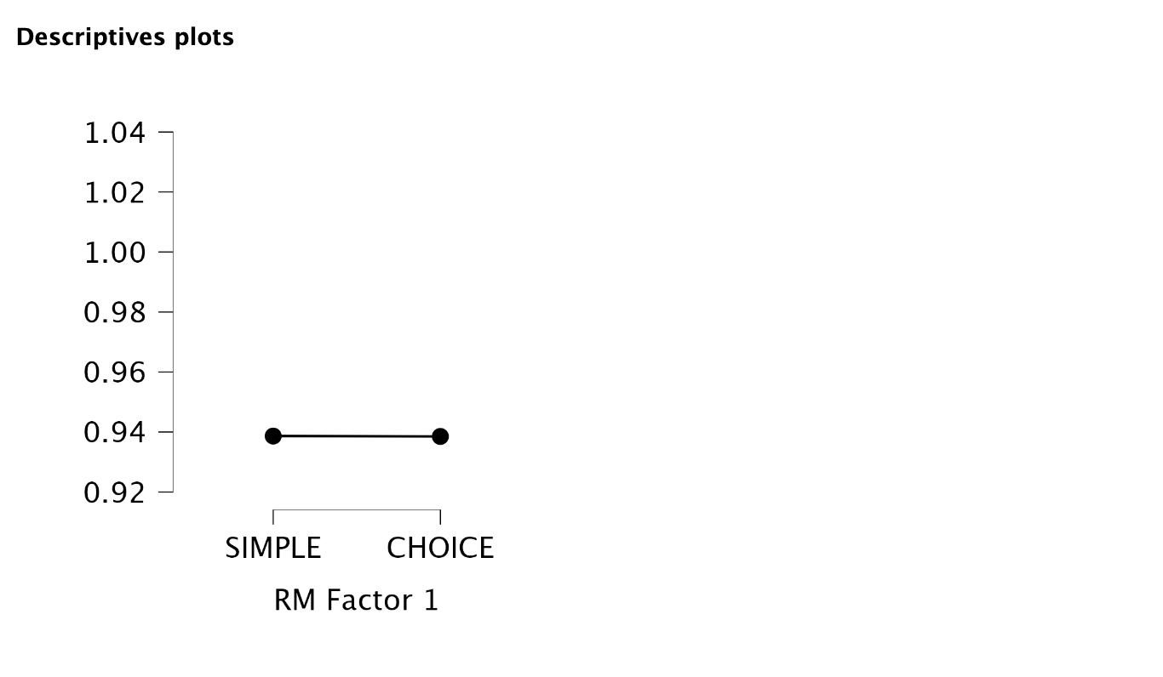
 |  |  |  | Descriptives
 |  |  |  | Descriptives
 |  |  |  | RM Factor 1 | N | Mean | SD | SE | Coefficient of variation
 |  |  |  | SIMPLE | 5 | 0.939 | 0.032 | 0.014 | 0.034
 |  |  |  | CHOICE | 5 | 0.939 | 0.034 | 0.015 | 0.037

REACTION TIME | P | SIMPLE | CHOICE
 | 1 | 0.63682576605 | 0.63757169213 | Within Subjects Effects
 | 2 | 0.95198708707 | 0.94755807616 | Cases | Sum of Squares | df | Mean Square | F | p
 | 3 | 1.3942406553 | 1.4219426637 | RM Factor 1 | 2.110×10-4 | 1 | 2.110×10-4 | 2.633 | 0.18
 | 4 | 1.15402163 | 1.1691900504 | Residuals | 3.206×10-4 | 4 | 8.014×10-5
 | 5 | 0.57855244787 | 0.58530490854
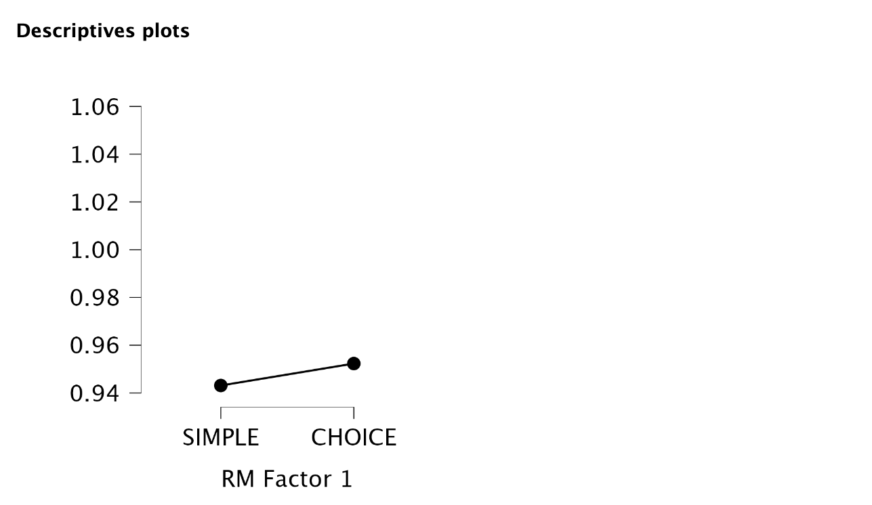
 |  |  |  | Descriptives
 |  |  |  | Descriptives
 |  |  |  | RM Factor 1 | N | Mean | SD | SE | Coefficient of variation
 |  |  |  | SIMPLE | 5 | 0.943 | 0.345 | 0.154 | 0.365
 |  |  |  | CHOICE | 5 | 0.952 | 0.354 | 0.158 | 0.372

