Trust Boundaries
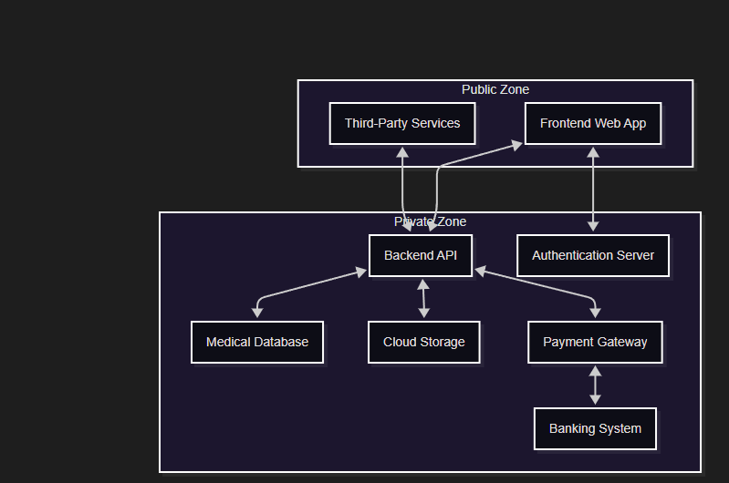
Boundary Name | Description | Involved Components | Key Threats
Public Zone < --> Private Zone | Boundary between external users/services and internal system components. | Patient (A), Doctor (C), Third-Party Services (D), Attackers (X, Y), Frontend Web App (B), Backend API (F), Authentication Server (E), etc. | Unauthorized access to internal systems.
Frontend Web App < --> Backend API | Boundary between user interface and core business logic. | Frontend Web App (B), Backend API (F) | API abuse, injection attacks, data tampering.
Frontend < --> Authentication Server | Boundary for credential verification and session management. | Frontend Web App (B), Authentication Server (E) | Spoofing, credential theft.
Backend API < --> Medical Database | Boundary for accessing sensitive patient data. | Backend API (F), Medical Database (G) | Information disclosure, unauthorized data access.
Backend API< --> Cloud Storage | Boundary for long-term storage of medical records. | Backend API (F), Cloud Storage (J) | Data leakage, tampering.
Backend API < --> Payment Gateway | Boundary for billing and financial transactions. | Backend API (F), Payment Gateway (H) | Financial fraud, repudiation.
Payment Gateway < --> Banking System | Boundary between internal billing and external financial institutions. | Payment Gateway (H), Banking System (K) | Transaction tampering, denial of service.
Third-Party Services < --> Backend API | Boundary for external integrations (e.g., insurance, billing). | Third-Party Services (D), Backend API (F) | External service compromise, data misuse.

