JELLY MASK
NO. | Description & Image | Category | PRODUCT NAME | Product Code | HS Code | Features | Volume |  | Size (WxDxH) | Package | Unit Price (FOB Korea) |  | REMARK
 |  |  |  |  |  |  |  | Shelf Life |  |  | Retail Price | Distributor Price
 |  |  |  |  |  |  |  |  |  |  |  |  | CPNP CODE
1 | 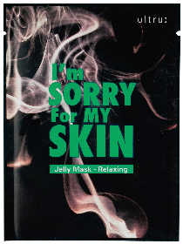 | Beauty & Personal Care (Mask Pack) | I'm Sorry for My Skin Jelly Mask - Relaxing | 8809511983206 | 3307.90-4000 | - Relaxing jelly mask soothes irritated and tired skin by providing with moisture and nutrients (Relaxing + Moisturizing +Pore Tightening+ Glowing Skin) | 33ml | 36 Months | 110 x 1 x 150 mm (Individual Product) | 280 | ₩3,000 | ₩790 | 2743729

2 |  | Beauty & Personal Care (Mask Pack) | I'm Sorry for My Skin Jelly Mask - Revitalizing | 8809511983039 | 3307.90-4000 | - Revitalizing jelly mask revitalizes tired skin by providing it with moisture and nutrients (Skin Recovery + Swelling Relives + Nutrition Enhancement+Moisturizing) | 33ml | 36 Months | 110 x 1 x 150 mm (Individual Product) | 280 | ₩3,000 | ₩790 | 2743742

3 |  | Beauty & Personal Care (Mask Pack) | I'm Sorry for My Skin Jelly Mask -Brightening | 8809511983077 | 3307.90-4000 | - Brightening jelly mask brightens tired skin by providing it with moisture and nutrients (Brightening + Moisturizing + Skin Stress Relief) | 33ml | 36 Months | 110 x 1 x 150 mm (Individual Product) | 280 | ₩3,000 | ₩790 | 2743701

4 |  | Beauty & Personal Care (Mask Pack) | I'm Sorry for My Skin Jelly Mask - Pore Care | 8809511983244 | 3307.90-4000 | - Pore care jelly mask makes smooth the skin texture by caring the excessive sebum and flaky dead skin cell. (Sebum Control+Pore Tightening + Improve Skin Texture + Soothing) | 33ml | 36 Months | 110 x 1 x 150 mm (Individual Product) | 280 | ₩3,000 | ₩790 | 2743713

5 |  | Beauty & Personal Care (Mask Pack) | I'm Sorry for My Skin S.0.S Jelly Mask -Soothing | 8809511983169 | 3307.90-4000 | - S.O.S Jelly Mask Pack that soothes flushed and sensitive skin by UV rays from hot sun (Soothing + Ice Cooling + Skin Stress Relief + High Moisturizing) | 33ml | 36 Months | 110 x 1 x 150 mm (Individual Product) | 280 | ₩3,000 | ₩790 | 2745280

pH5.5 JELLY MASK
NO. | Description & Image | Category | PRODUCT NAME | Product Code | HS Code | Features | INCI(Main Ingredients) | Volume |  | Size (WxDxH) | Package | Unit Price (FOB Korea) |  | REMARK
 |  |  |  |  |  |  |  |  | Shelf Life |  |  | Retail Price | Distributor Price
 |  |  |  |  |  |  |  |  |  |  |  |  |  | CPNP CODE
1 | 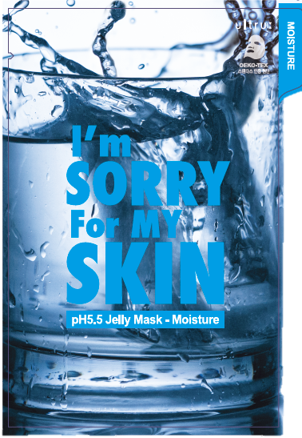 | Beauty & Personal Care (Mask Pack) | I'm Sorry for My Skin pH5.5 Jelly Mask - Moisture | 8809511987570 | 3307.90-4000 | - 3 layers of hyaluronic acid of various size and characteristics deliver moisture and hydration to dry and dehydrated skin. *Moisture supply + Lasting hydration + Skin soothing + pH balance control | Chestnut, Chamomile extract | 33ml | 36 Months | 120 x 1 x 170 mm (Individual Product) | 240 | ₩3,000 | ₩790 | 3232521

2 | 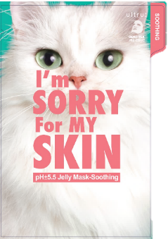 | Beauty & Personal Care (Mask Pack) | I'm Sorry for My Skin pH5.5 Jelly Mask - Soothing | 8809511987600 | 3307.90-4000 | - 4 soothing extra-energy ingredients soothe irritated skin and help to find perfect skin balance *Irritated skin soothing + Mild care + Moisture supply + pH balance control | Licorice, Honey, Melia azadirachta leaf extract | 33ml | 36 Months | 120 x 1 x 170 mm (Individual Product) | 240 | ₩3,000 | ₩790 | 3232518

3 | 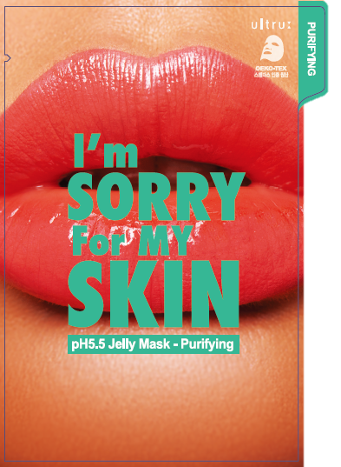 | Beauty & Personal Care (Mask Pack) | I'm Sorry for My Skin pH5.5 Jelly Mask - Purifying | 8809511987631 | 3307.90-4000 | - Based on fruit acids AHA(Alpha hydroxy acid) cleanse out clogged pores, exfoliate and make skin smooth and even toned. *Pore soothing + Exfoliation + Sebum control + pH balance control | Lotus, Cherry blossom, Cucumber extract | 33ml | 36 Months | 120 x 1 x 170 mm (Individual Product) | 240 | ₩3,000 | ₩790 | 3232520

4 | 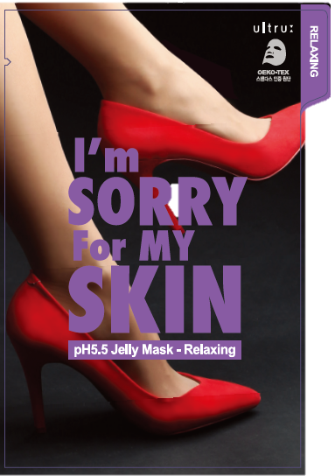 | Beauty & Personal Care (Mask Pack) | I'm Sorry for My Skin pH5.5 Jelly Mask - Relaxing | 8809511987662 | 3307.90-4000 | - Extract of Centella Asiatica and collagen find skin’s balance and improve its condition *Improving skin condition + Skin soothing + Even tone + pH balance control | Menthyl lactate, Watercress, resurrection plant extract | 33ml | 36 Months | 120 x 1 x 170 mm (Individual Product) | 240 | ₩3,000 | ₩790 | 3232523

5 | 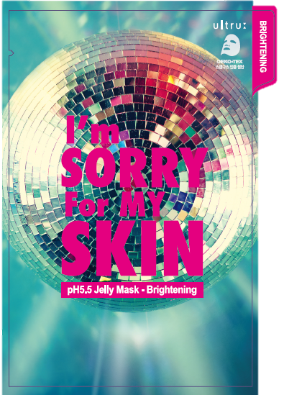 | Beauty & Personal Care (Mask Pack) | I'm Sorry for My Skin pH5.5 Jelly Mask - Brightening | 8809511987549 | 3307.90-4000 | - Vitamin C deriving, so called “Vitamin tree” Sea buckthorn extract and other brightening ingredients are delivered deeply into skin and make skin look bright and healthy. *Vita Power + Brightening + Moisture supply + pH balance control | Hovenia ducis extract, Snow lotus | 33ml | 36 Months | 120 x 1 x 170 mm (Individual Product) | 240 | ₩3,000 | ₩790 | 3232519

MUD MASK
NO. | Description & Image | Category | PRODUCT NAME | Product Code | HS Code | Features | INCI(Main Ingredients) | Volume |  | Size (WxDxH) | Package | Unit Price (FOB Korea) |  | REMARK
 |  |  |  |  |  |  |  |  | Shelf Life |  |  | Retail Price | Distributor Price
 |  |  |  |  |  |  |  |  |  |  |  |  |  | CPNP CODE
1 | 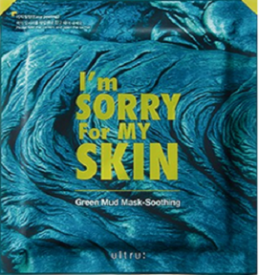 | Beauty & Personal Care (Mask Pack) | I'm Sorry for My Skin Green Mud Mask - Soothing | 8809511983671 | 3307.90-4000 | -Soothing Green Mud Mask Pack that soothes redness and calms skin (Soothing + Skin Stress Relief) | Natural clay, volcanic ash, bentonite, Xylitol, nasturtium officinale extract | 18ml | 24 Months | 150 x 1 x 175 mm (Individual Product) | 150 | ₩3,500 | ₩1,000 | 2743768

2 | 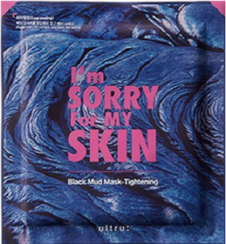 | Beauty & Personal Care (Mask Pack) | I'm Sorry for My Skin Black Mud Mask - Tightening | 8809511983688 | 3307.90-4000 | -Tightening Black Mud Mask Pack controls excessive white-heads and removes dead skin cells to make skin texture smooth (Pore Tightening + Skin Stress Relief) | Asparagus Officinalis Stem Extract, Epilobium Fleischeri Extract | 18ml | 24 Months | 150 x 1 x 175 mm (Individual Product) | 150 | ₩3,500 | ₩1,000 | 2743772

CITY CARE LINE
NO. | Description & Image | Category | PRODUCT NAME | Product Code | HS Code | Features | INCI(Main Ingredients) | Volume |  | Size (WxDxH) | Package | Unit Price (FOB Korea) |  | REMARK
 |  |  |  |  |  |  |  |  | Shelf Life |  |  | Retail Price | Distributor Price
 |  |  |  |  |  |  |  |  |  |  |  |  |  | CPNP CODE
1 | 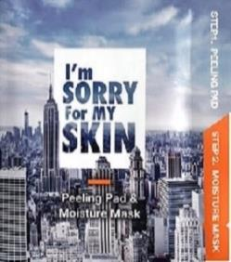 | Beauty & Personal Care (Mask Pack) | I'm Sorry for My Skin Peeling Pad & Moisture Mask | 8809511983114 | 3307.90-4000 | [Peeling Pad]: Soft skin care without stretch by smooth peeling, Clearing skin tone with old exfoliation [Moisture Pad]: Soften sensitive skin by containing skin sothing ingredients. Immediately moisturizes and protects skin after removing exfoliation | Step1. Peeling Pad BioDTox™ : Dead Skin arrangement Kakadu Plum Extract, BioluminoPeel : Smooth Skin, Shine AQUAXYL™ : Providing Moisture and maintain moisturizing Revive Complex : Skin Soothing, Skin Vitality Skin Fortifier Complex : Strengthen skin protection barrier Revitalin PF, Resurrecction plant extract, skin stress relief Step2. Moisture Mask Natural Protector : Skin Shoothing AQUAXYL™ : Providing moisture and maintain moisturizing Revive Complex : Skin Shoothing, Skin Vitality Skin Fortifier Complex : Strengthen skin protection barrier Revitalin PF, Resurrection plant extracts, skin stress relief | step1: 7ml step2: 15ml | 24 Months | 125 x 1 x 130 mm (Individual Product) | 100 | ₩3,500 | ₩1,000 | 2744370

 |  |  |  |  |  |  |  |  |  |  |  | MOQ/1PCS | MOQ/3,000PCS
2 |  | Beauty & Personal Care (Cleansing Mask) | I'm Sorry for My Skin Purifying Jelly Cleansing Mask | 8809511988072 | 3401.30-0000 | - Efficacy certification that cleans up to ultra-tenant - Jelly-Crema-Form3 - Everytime transformation and double wash up effect - Effective removal of wastes that stick to skin - Contains active ingredients to supply skin moisture and keeps it gentle without soaking after cleansing | Kakadu Plum Extract, Vitamin Complex: Vitalizes your skin Revive Complex: Relaxes and enhances your skin Skin Fortifier Complex: Strengthens the protects your skin Revitalin PF, Resurrection plant extract: Relives skin stress AQUAXYL™: Provides and maintains skin moisture | 100 ml | 36Months | 65 x 50 x 185 mm (Individual Product) | 48 | ₩12,000 | ₩4,740 | 2744226

 |  |  |  |  |  |  |  |  |  |  |  | MOQ/1PCS | MOQ/3,000PCS
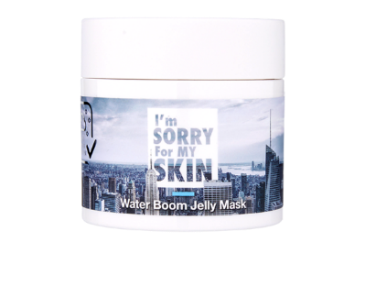 3 |  | Beauty & Personal Care (Moisture Cream) | I'm Sorry for My Skin Water Boom Jelly Mask | 8809511982865 | 3304.99-1000 | - Certified the prevention effect for fine dust adsorption after application of common cream - Safe to use for sensitive skin - Immediately moisturizes your skin with a formula that bursts like water when it touches your skin - Excellent moisture retention - Energy Charge, Vital skin Care | Kakadu Plum Extract, Vitamin Complex: Vitalizes, revitalize and soothes your skin Revive Complex: Fortified skin protection barrier Skin Fortifier Complex: Relives skin stress Revitalin PF, , Resurrection plant extract, AQUAXYL™: Provides and maintains moisture | 80ml | 36Months | 68 x 68 x 70 mm (Individual Product) | 96 | ₩25,000 | ₩7,370 | 2744184

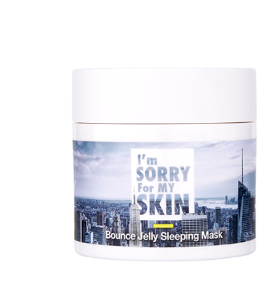 4 |  | Beauty & Personal Care (Sleeping Cream) | I'm Sorry for My Skin Bounce Jelly Sleeping Mask | 8809511982841 | 3304.99-1000 | - Skin elasticity care while sleeping - Safe to use for the sensitive skin - Gently moisturizes the skin when it touches the skin, and supplies and protects skin nutrition - Skin Stress Relief, Skin Soothing Care - Excellent hydration & persistence | White truffle, Black bee propolis: Provides nutrients to your skin Sparassis crispa: Gives Resilient skin Gold extract : Skin protection barrier Revive Complex : Relaxes and enhances your skin Skin Fortifier Complex: Fortified skin protection barrier Revitalin PF, Resurrection plant extract : Relieves skin stress AQUAXYL™，Tremella fuciformis: Provides and maintains moisture | 80ml | 24Months | 68 x 68 x 70 mm (Individual Product) | 96 | ₩25,000 | ₩7,370 | 2744196

AMPOULE
NO. | Description & Image | Category | PRODUCT NAME | Product Code | HS Code | Features | Volume |  | Size (WxDxH) | Package | Unit Price (FOB Korea) |  | REMARK
 |  |  |  |  |  |  |  | Shelf Life |  |  | Retail Price | Distributor Price
 |  |  |  |  |  |  |  |  |  |  |  |  | CPNP CODE
1 |  | Beauty & Personal Care (Ampoule) | I’m Sorry for My Skin Relaxing Ampoule | 8809626560743 | 3304.99-1000 | - This ampoule contains Centella asiantica leaf water 72% #Relaxingampoule #teatree #ALL EWG Green ingredients | 30ml | 30 months | 40 x 40 x 105 mm (Individual Product) | 54 | ₩25,000 | ₩5,790 | 3282518

2 |  | Beauty & Personal Care (Ampoule) | I’m Sorry for My Skin Honey Beam Ampoule | 8809626560750 | 3304.99-1000 | - Honey Beam provides skin elasticity and helps brighten skin. Royal jelly extract 10,000ppm #glowingskin #honeybeamampoule #whiteninganitiwrinkle | 30ml | 30 months | 40 x 40 x 105 mm (Individual Product) | 54 | ₩25,000 | ₩5,790 | 3949173

3 |  | Beauty & Personal Care (Ampoule) | I’m Sorry for My Skin Relaxing Cream Ampoule | 8809686388134 | 3304.99-1000 | - Skin elasticity, aniti-wrinkle, anti-aging Highly effective moisture improving cream with the use of cica and other firming properties. #CICA ingredients 20,000ppm #Cream texture | 30ml | 30 months | 40 x 40 x 105 mm (Individual Product) | 54 | ₩30,000 | ₩6,300 | 3949311

4 | 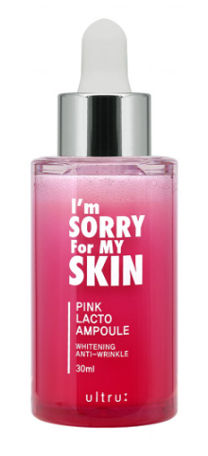 | Beauty & Personal Care (Ampoule) | I’m Sorry for My Skin Pink Lacto Ampoule | 8809750463446 | 3304.99-1000 | - Aniti-wrinkle, anti-aging Patented extract of fermented Artemisia Annua (AAFerm™) provides anti-aging and anti-oxidation effects. 20,000ppm of Probiotics Lactobacillus strengthens skin barrier and provides nourishing effect. | 30ml | 30 months | 40 x 40 x 105 mm (Individual Product) | 54 | ₩30,000 | ₩6,300

FLAKE&TONER&CLEANSING&SUN CREAM
NO. | Description & Image | Category | PRODUCT NAME | Product Code | HS Code | Features | Volume |  | Size (WxDxH) | Package | Unit Price (FOB Korea) |  | REMARK
 |  |  |  |  |  |  |  | Shelf Life |  |  | Retail Price | Distributor Price
 |  |  |  |  |  |  |  |  |  |  |  |  | CPNP CODE
1 | 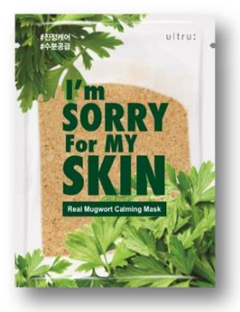 | Beauty & Personal Care (Mask Pack) | I'm Sorry for My Skin Real Mugwort Calming Mask | 8809686383573 | 3307.90-4000 | *Extracts of Laminaria japonica, Eclipta álba leaf water and other natural ingredients smoothen rough skin *Made of eucalyptus bark Tencel sheet is non-irritating | 23ml | 36 Months | 109 x 1 x 149 mm (Individual Product) | 300 | ₩4,000 | ₩895 | 3949181

NO. | Description & Image | Category | PRODUCT NAME | Product Code | HS Code | Features | Volume |  | Size (WxDxH) | Package | Unit Price (FOB Korea)
 |  |  |  |  |  |  |  | Shelf Life |  |  | Retail Price | Distributor Price

2 |  | Beauty & Personal Care (Toner) | I'm Sorry for My Skin Relaxing -Toner | 8809511989192 | 3304.99-1000 | *Mild exfoliation & taking off skin wastes Toner takes care of rough and tired skin by gentle exfoliation and taking off skin dirt, provides decent delivery of soothing ingredients of the products used after | 200ml | 30 Months | 47 x 46 x 176 mm (Individual Product) | 77 | ₩24,000 | ₩5,790 | 3949038

NO. | Description & Image | Category | PRODUCT NAME | Product Code | HS Code | Features | Volume |  | Size (WxDxH) | Package | Unit Price (FOB Korea)
 |  |  |  |  |  |  |  | Shelf Life |  |  | Retail Price | Distributor Price

3 | 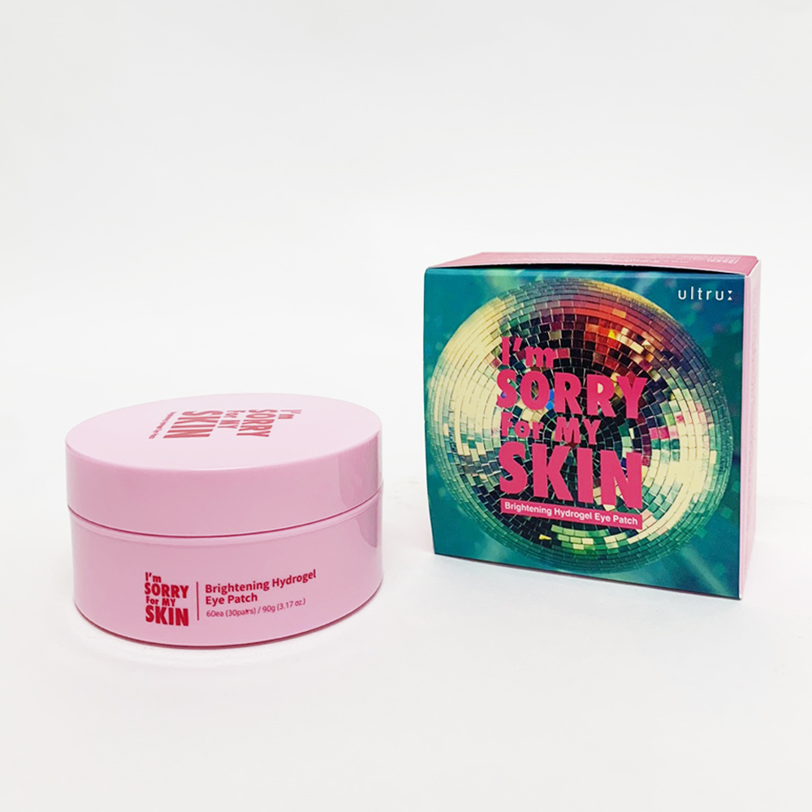 | Beauty & Personal Care (Eye Patch) | I'm Sorry for My Skin Brightening Hydrogel Eye Patch | 8809750461640 | 3304.99-1000 | - Contain synthetic non-animal-based collagen that enhances skin elasticity - Extract of sea bucktorn fruits and niacinamide make under-eye skin brighter - Made of condensated rich essence hydrogel adheres to skin thoroughly and prevents moisture from evaporation | 60ea / 90g | 30 Months | 80 x 80 x 45 mm (Individual Product) | 72 | ₩18,000 | ₩5,790 | 3949155

NO. | Description & Image | Category | PRODUCT NAME | Product Code | HS Code | Features | Volume |  | Size (WxDxH) | Package | Unit Price (FOB Korea)
 |  |  |  |  |  |  |  | Shelf Life |  |  | Retail Price | Distributor Price

4 | 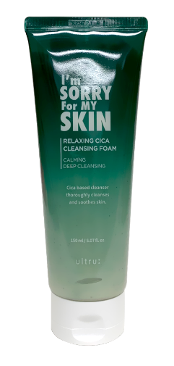 | Beauty & Personal Care (Cleansing Foam) | I'm Sorry for My Skin Relaxing Cica Cleansing Foam | 8809639175040 | 3401.30-0000 | - Sal-Cica Extract provides deep cleansing and soothing of sensitive and irritated skin. - Green tea flakes provide gentle exfoliation and soothe irritated skin. - France originated Guerande salt provides deep pore cleansing. | 150ml | 36 Months | 70 x 180 x 41 mm (Individual Product) | 56 | ₩16,000 | ₩3,690 | 3949685

NO. | Description & Image | Category | PRODUCT NAME | Product Code | HS Code | Features | Volume |  | Size (WxDxH) | Package | Unit Price (FOB Korea)
 |  |  |  |  |  |  |  | Shelf Life |  |  | Retail Price | Distributor Price

5 |  | Beauty & Personal Care (Sun Cream) | I'm Sorry for My Skin Lacto Auqa Sun Cream | 8809750464597 | 3304.99-9000 | - Prevents skin from aging with the help of fermented Probiotics, Adenosine and Niacinamide. - Skin strengthening, long-lasting moisturizing, skin protection and revitalizing - Mix of inorganic filters and new generation organic filters | 50ml | 30 Months | 55 x 22 x 137 mm (Individual Product) | 104 | ₩20,000 | ₩5,900

CAPTURE CREAM
NO. | Description & Image | Category | PRODUCT NAME | Product Code | HS Code | Features | Volume |  | Size (WxDxH) | Package | Unit Price (FOB Korea) |  | REMARK
 |  |  |  |  |  |  |  | Shelf Life |  |  | Retail Price | Distributor Price
 |  |  |  |  |  |  |  |  |  |  |  |  | CPNP CODE
1 | 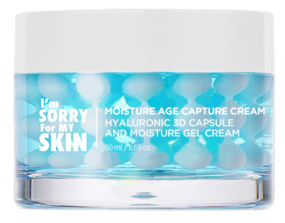 | Beauty & Personal Care (Cream) | I'm Sorry for My Skin Capture Hydrating Cream | 8809665594457 | 3304.99-1000 | - Containing 8 layers of hyaluronic acid and pure sea water Blue Aqua Capsule Cream provides an immediate moisturizing effect #8layers of hyaluronicacid #AGE-Capture #Blue Aqua Capsule #Face&Neck Cream | 50g | 36 Months | 69 x 69 x 52 mm (Individual Product) | 80 | ₩32,000 | ₩6,840

2 | 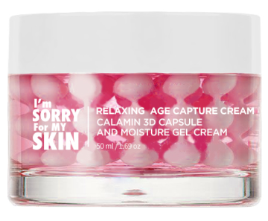 | Beauty & Personal Care (Cream) | I'm Sorry for My Skin Capture Skin Relief Cream | 8809665594464 | 3304.99-1000 | - Calamine, panthenol, soothing CICA and other ingredients soothe the sensitive skin and make it healthier | 50g | 36 Months | 69 x 69 x 52 mm (Individual Product) | 80 | ₩32,000 | ₩6,840

3 | 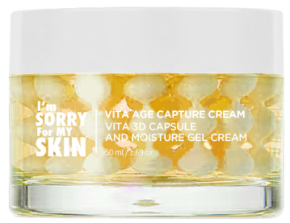 | Beauty & Personal Care (Cream) | I'm Sorry for My Skin Capture Vitalizer Cream | 8809665594471 | 3304.99-1000 | - Containing vitamin complex (B3, B5) antioxidant yellow capsules provide brightening effect for dull skin | 50g | 36 Months | 69 x 69 x 52 mm (Individual Product) | 80 | ₩32,000 | ₩6,840

4 | 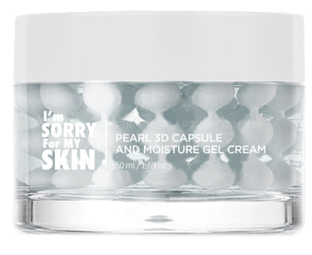 | Beauty & Personal Care (Cream) | I'm Sorry for My Skin Capture Firming Enriched Cream | 8809665594488 | 3304.99-1000 | - Contains proteins, peptides, adenosine and other ingredients that improve skin elasticity, provides lifting effect for sagging and tired skin | 50g | 36 Months | 69 x 69 x 52 mm (Individual Product) | 80 | ₩32,000 | ₩6,840

High Glass Mask - Depuffing
NO. | Description & Image | Category | PRODUCT NAME | Product Code | HS Code | Features | Volume |  | Size (WxDxH) | Package | Unit Price (FOB Korea) |  | REMARK
 |  |  |  |  |  |  |  | Shelf Life |  |  | Retail Price | Distributor Price
 |  |  |  |  |  |  |  |  |  |  |  |  | CPNP CODE
1 | 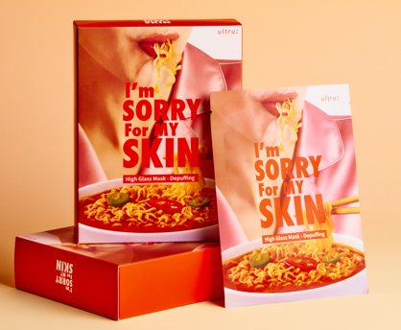 | Beauty & Personal Care (Mask Pack) | I'm Sorry for My Skin High Glass Mask - Depuffing | 8809821001430 | 3307.90-4000 | * 1% Caffeine Formula for visible depuffing and skin revitalization in just 15 minutes. * Hydrogel Glass Sheet made from active ingredients — lightweight, transparent, and deeply hydrating. * Depuffing, Soothing. | 20ml | 30 Months | 120 x 1 x 160 mm (Individual Product) | 320 | ₩4,000 | ₩1,030

