Sheet1
Bar Code | Brand | IMAGE | Name (영문) | SUPPLY PRICE (-VAT) | Outbox/Inbox Qty | REMARK
8809317118840 | ALFREDO FEEMAS (알프레드 휘마스) |  | COLLAGEN NATURE FOAM CLEANSER (콜라겐 네이처 폼클렌징) | ₩1,800 | 50 | PRICE CHANGED
8809317118833 | ALFREDO FEEMAS |  | CUCUMBER NATURE FOAM CLEANSER (오이 네이처 폼클렌징) | ₩1,800 | 50 | PRICE CHANGED
8809085452795 | ALFREDO FEEMAS | 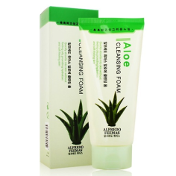 | ALOE CLEANSER FOAM (알로에 크렌징폼) | ₩1,800 | 50 | PRICE CHANGED
8809085452788 | ALFREDO FEEMAS | 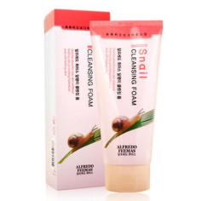 | SNAIL CLEANSER FOAM (스네일 클렌징폼) | ₩1,800 | 50 | PRICE CHANGED
8809085455796 | ALFREDO FEEMAS | 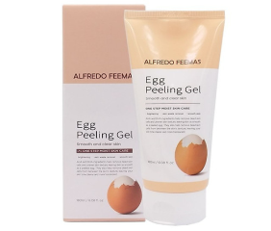 | EGG FEELNG GEL (에그 필링젤) | ₩1,800 |  | PRICE CHANGED
8809317115924 | ALFREDO FEEMAS | 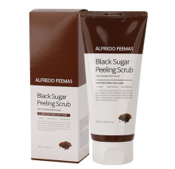 | BLACK SUGAR FEELING SCRUB (블랙슈가 필링젤) | ₩1,800 | 50 | PRICE CHANGED
8809085455802 | ALFREDO FEEMAS |  | VITA FEELING SCRUB (비타 필링젤) | ₩1,800 | 50 | PRICE CHANGED
8809085451590 | ALFREDO FEEMAS | 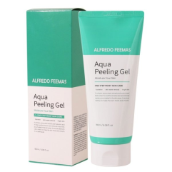 | AQUA FEELING GEL (아쿠아 필링젤) | ₩1,800 | 50 | PRICE CHANGED
8809085453006 | ALFREDO FEEMAS | 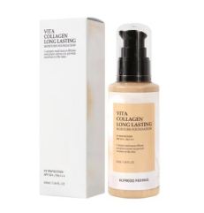 | VITA COLLAGEN FOUNDATION 21 (비타 콜라겐 화운데이션)21 | ₩2,200 | 100
 | ALFREDO FEEMAS |  | VITA COLLAGEN FOUNDATION 23 (비타 콜라겐 화운데이션)23 | ₩2,200 | 100
8809317112770 | ALFREDO FEEMAS |  | VITA WHITE LIFTING CREAM (비타화이트 리브팅크림) | ₩2,100 | 100 | PRICE CHANGED
8809317112787 | ALFREDO FEEMAS | 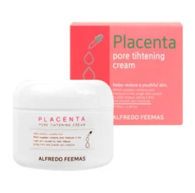 | PLACENTA PORE TIGHTENING CREAM (플라센타 포어 타이트닝크림) | ₩2,100 | 100 | PRICE CHANGED
8809317112794 | ALFREDO FEEMAS | 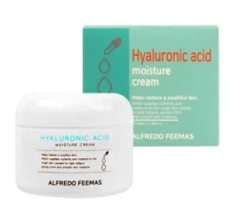 | HYALURONIC ACID MOISTURE CREAM 히알루로닉 에시드모이스처크림) | ₩2,100 | 100 | PRICE CHANGED
8809317115801 | ALFREDO FEEMAS |  | TOTAL SOLUTION COLLAGEN BB CREAM 토탈솔루션 스네일비비크림) | ₩1,700 | 100 | PRICE CHANGED
8809317115825 | ALFREDO FEEMAS |  | TOTAL SOLUTION SNAIL BB CREAM 토탈솔루션 콜라겐비비크림) | ₩1,700 | 100 | PRICE CHANGED
8809317116457 | ALFREDO FEEMAS | 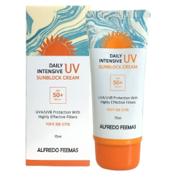 | DAILY INTENSIVE SUN BLUCK CREAM SPF50*PA+++ (인텐시브 UV선블럭크림) | ₩1,700 | 100 | PRICE CHANGED
8809317119182 | ALFREDO FEEMAS | 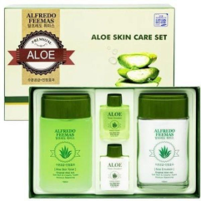 | ALOE HOMME SET (알로에2종) | ₩6,700 | 20 | PRICE CHANGED
8809317116112 | ALFREDO FEEMAS | 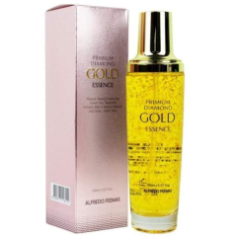 | PRIMIUM DIAMOND GOLD ESSENCE(150MI) (프리미엄 다이아몬드 골드에센스} | ₩4,300 | 50 | PRICE CHANGED
8800261260029 | ALFREDO FEEMAS | 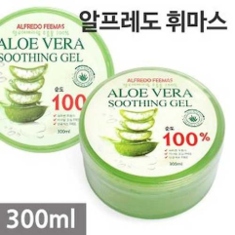 | ALOE VERA SOOTHING GEL(300ML) (알로에베라 수딩젤) | ₩1,300 | 60 | PRICE CHANGED
8809339060134 | SANSUYOU (산수유) | 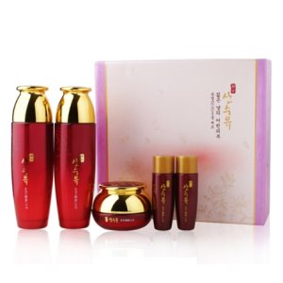 | Eungyeol 3 (윤결3종) | ₩18,000 | 12 | PRICE CHANGED
8809339060141 | SANSUYOU | 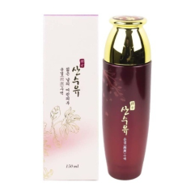 | Eungyeol Skin (윤결스킨) | ₩6,000 | 40 | PRICE CHANGED
8809339060158 | SANSUYOU | 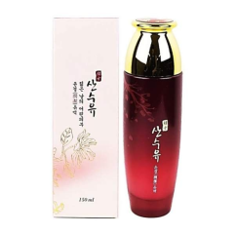 | Eungyeol Lotion (윤결 로션) | ₩6,000 | 40 | PRICE CHANGED
8809339060165 | SANSUYOU | 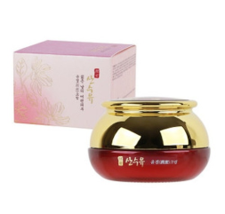  | Eungyeol Cream (윤결크림) | ₩6,000 | 80 | PRICE CHANGED
8809339060189 | SANSUYOU |  | Eungyeol Eye Cream (혜안아이크림) | ₩6,000 | 80 | PRICE CHANGED
8809339060172 | SANSUYOU | 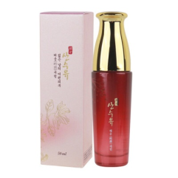 | ESSENCE (혜윤세럼) | ₩6,000 | 80 | PRICE CHANGED
8809339061964 | SANSUYOU | 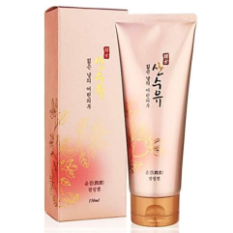 | Eungyeo FEELING GEL (윤결 필링젤) | ₩4,500 | 80 | PRICE CHANGED
8809339060226 | SANSUYOU | 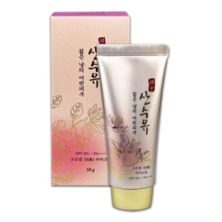 | Goeungyeoljin BB Cream SPF 50/PA+++ (고은결 비비크림) | ₩4,500 | 100 | PRICE CHANGED
8809339062084 | SANSUYOU | 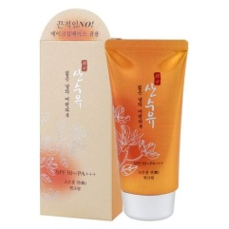 | Goeungyeoljin Sun Cream SPF 50/PA+++ (고은결 진선크림) | ₩4,500 | 100 | PRICE CHANGED
8809339061179 | SANSUYOU | 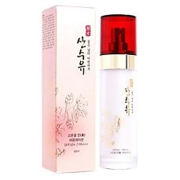 | Goeungyeoljin Foundation SPF50/PA+++(21) (고은결진 화운데이션) | ₩6,000 | 80 | PRICE CHANGED
8809339061186 | SANSUYOU |  | Goeungyeoljin Foundation SPF50/PA+++(23) (고은결진 화운데이션) | ₩6,000 | 80 | PRICE CHANGED
8809339064811 | SANSUYOU | 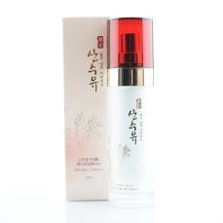 | Goeungyeoljin Makebase SPF50/PA+++ 고은결진 베이스) | ₩6,000 | 80 | PRICE CHANGED
8809605876391 | LUNARIS (루나리스) | 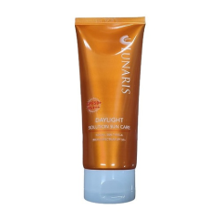 | DAYLIGHT SOLUTION SUN CARE(SPF50+PA+++ (데이라이트 솔루션 선케어200ML) | ₩5,600 | 60
8809474493330 | LUNARIS | 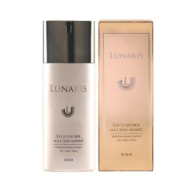 | 3 IN 1 CONTROL SOLUTION HOMME 3인1 컨트롤 솔루션옴므) | ₩5,300 | 80 | PRICE CHANGED
8809280353545 | LUNARIS | 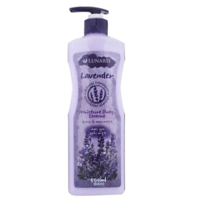 | MOISTURE BODY ESSENCE (LAVENDER) (라벤다 바디로션) | ₩3,300 | 30 | PRICE CHANGED
8809280353521 | LUNARIS | 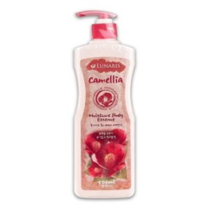 | MOISTURE BODY ESSENCE (CAMELLIA) (동백 바디로션) | ₩3,300 | 30 | PRICE CHANGED
8809280353552 | LUNARIS | 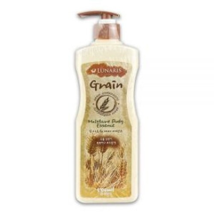 | MOISTURE BODY ESSENCE (GRAIN) (곡물 바디로션) | ₩3,300 | 30 | PRICE CHANGED
8809280353538 | LUNARIS | 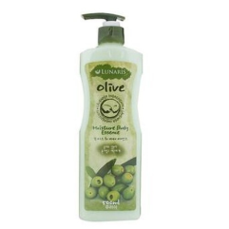 | MOISTURE BODY ESSENCE (OLIVE) (올리브 바디로션) | ₩3,300 | 30 | PRICE CHANGED
8809280353361 | LUNARIS | 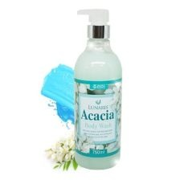 | ACACIA Body Wash (아카시아 바디워시) | ₩3,300 | 20 | PRICE CHANGED
8809280353385 | LUNARIS | 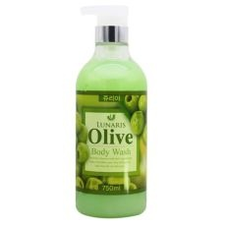 | OLIVE Body Wash (올리브 바디워시) | ₩3,300 | 20 | PRICE CHANGED
8809280353392 | LUNARIS | 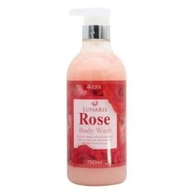 | ROSE Body Wash (장미바디워시) | ₩3,300 | 20 | PRICE CHANGED
8809280353354 | LUNARIS | 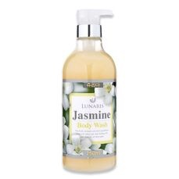 | JASMINE Body Wash (자스민 바디워시) | ₩3,300 | 20 | PRICE CHANGED
8809280353347 | LUNARIS | 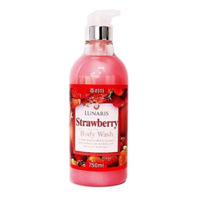 | STRAWBERRY Body Wash (딸기 바디워시) | ₩3,300 | 20 | PRICE CHANGED
8809280353330 | LUNARIS | 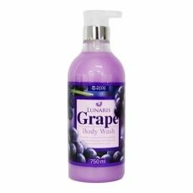 | GRAPE Body Wash (포도 바디워시) | ₩3,300 | 20 | PRICE CHANGED
8809280353378 | LUNARIS | 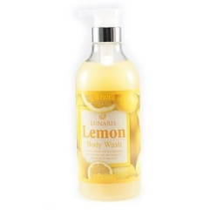 | LEMON Body Wash (레몬바디워시) | ₩3,300 | 20 | PRICE CHANGED
8809085451729 | LUNARIS |  | CUCUMBER DAILY CLEANSING CREAM (오이 클렌징크림) | ₩3,300 | 40 | PRICE CHANGED
8809085451712 | LUNARIS |  | ALOE NATURAL CLEANSING CREAM (알로에 클렌징크림) | ₩3,300 | 40 | PRICE CHANGED
8809085451705 | LUNARIS |  | GREEN TEA SUPER ACTIVE CLEANSING CREAM (녹차 클렌징크림) | ₩3,300 | 40 | PRICE CHANGED
8809085451743 | LUNARIS |  | CUCUMBER DAILY MASSAGE CREAM (오이 마사지크림) | ₩3,300 | 40 | PRICE CHANGED
8809085451736 | LUNARIS |  | ALOE NATURAL MASSAGE CREAM (알로에 마사지크림) | ₩3,300 | 40 | PRICE CHANGED
8809085451750 | LUNARIS |  | GREEN TEA SUPER ACTIVE MASSAGE CREAM (녹차 마사지크림) | ₩3,300 | 40 | PRICE CHANGED
8809303840083 | LUNARIS | 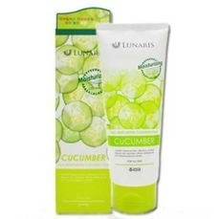 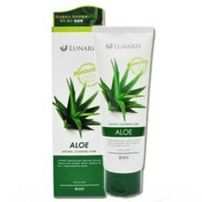 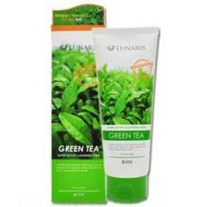 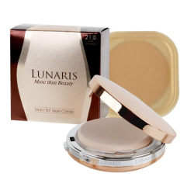 | SILKY FIT SKIN COVER /(refill, 21) (실키핏 스킨커버21호) | ₩6,000 | 120/20 | PRICE CHANGED
8809303840090 | LUNARIS |  | SILKY FIT SKIN COVER /refill, 23) (실키핏 스킨커버23호) | ₩6,000 | 120/20 | PRICE CHANGED
8809303840069 | LUNARIS |  | SILKY FIT TWINCAKE /refill, 21) (실키핏 투웬케이크21호) | ₩6,000 | 120/20 | PRICE CHANGED
8809303840076 | LUNARIS |  | SILKY FIT TWINCAKE / (refill, 23) (실키핏 투웬케이크23호) | ₩6,000 | 120/20 | PRICE CHANGED
8809280064670 | LUNARIS | 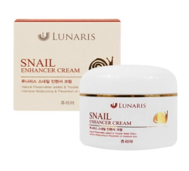 | SNAIL ENHANCER CREAM (스네일 인핸서크림) | ₩4,000 | 100 | PRICE CHANGED
8809309350586 | LUNARIS | 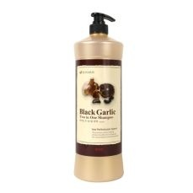 | Black Garlic two in one Shampoo (흑설탕 올인원샴푸) | ₩4,700 | 12 | PRICE CHANGED
8809208057814 | LUNARIS | 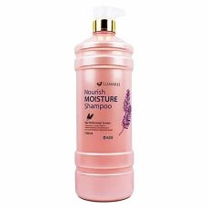 | Nourish Moisture Shampoo (모이스처 샴푸) | ₩4,700 | 12 | PRICE CHANGED
8809208057821 | LUNARIS | 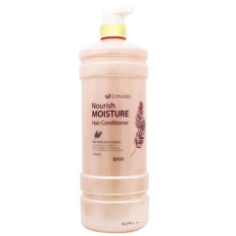 | Nourish Moisture Hair Conditioner (모이스처 린스) | ₩4,700 | 12 | PRICE CHANGED
8809208057487 | LUNARIS | 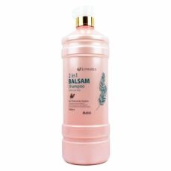 | 2 in 1 BALSAM Shampoo (2in1 발삼 샴푸) | ₩4,700 | 12 | PRICE CHANGED
8809208058118 | LUNARIS | 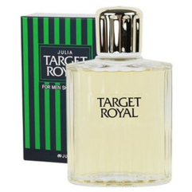 | TARGET ROYAL FOR MEN SKIN LOTION 타게트 로얄 스킨로션) | ₩3,000 | 40
8809208058125 | LUNARIS | 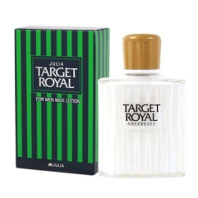 | TARGET ROYAL FOR MEN MILK LOTION (타게트 로얄 밀크로션) | ₩3,000 | 40

