Sheet1
마녀공장(MANYO FACTORY) |  |  |  |  |  |  |  | Total box | Total Quantity | Total Amount | Final box | Final Quantity | Final Amount
MOA: 1000(만원) / Lead Time: 2~3 Weeks / 3000만원 이상 1% 인하 가능 |  |  |  |  |  |  |  | - | - | $0.00 | - | - | $0.00

Image | Barcode | Product list | Volume | Quantity in box | MSRP | Supply Price | Supply Price | Box | Quantity | Amount | Box | Quantity | Amount
 | 8809082392292 | manyo Pure Soybean Cleansing Oil | 200ml | 40 | ₩25,000 | ₩10,313 | $7.70 |  | - | $0.00 |  | - | $0.00
 | 8809730959167 | manyo Pure Soybean Cleansing Foam | 120ml | 54 | ₩11,800 | ₩4,868 | $3.63 |  | - | $0.00 |  | - | $0.00
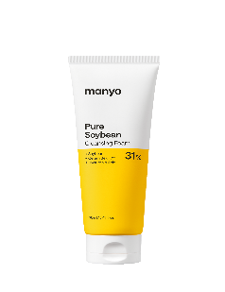 | 8809730959174 | manyo Pure Soybean Cleansing Foam | 160ml | 30 | ₩14,400 | ₩5,940 | $4.43 |  | - | $0.00 |  | - | $0.00
 | 8809730959372 | manyo Pure Soybean Cleansing Water | 500ml | 20 | ₩28,200 | ₩11,633 | $8.68 |  | - | $0.00 |  | - | $0.00
 | 8809730959075 | ma:nyo Pure Soybean Cleansing Milk | 200ml | 40 | ₩21,000 | ₩8,663 | $6.46 |  | - | $0.00 |  | - | $0.00
 | 8800370240004 | ma:nyo Pure Soybean Cleansing Balm | 80ml | 75 | ₩24,000 | ₩9,900 | $7.39 |  | - | $0.00 |  | - | $0.00
 | 8809657114700 | ma:nyo BIFIDA BIOME COMPLEX AMPOULE | 50ml | 35 | ₩35,000 | ₩14,438 | $10.77 |  | - | $0.00 |  | - | $0.00
 | 8809657114687 | ma:nyo BIFIDA BIOME COMPLEX AMPOULE | 30ml | 100 | ₩23,000 | ₩9,488 | $7.08 |  | - | $0.00 |  | - | $0.00
 | 8809730950881 | ma:nyo BIFIDA BIOME AMPOULE TONER | 210ml | 60 | ₩15,000 | ₩6,188 | $4.62 |  | - | $0.00 |  | - | $0.00
 | 8809730950560 | ma:nyo BIFIDA BIOME AQUA BARRIER CREAM | 80ml | 120 | ₩24,500 | ₩10,106 | $7.54 |  | - | $0.00 |  | - | $0.00
 | 8809639172810 | ma:nyo BIFIDA BIOME CONCENTRATE SERUM | 35ml | 88 | ₩39,000 | ₩16,088 | $12.01 |  | - | $0.00 |  | - | $0.00
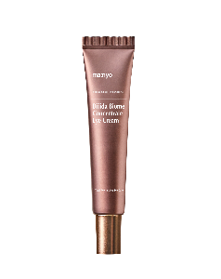 | 8809730950034 | ma:nyo BIFIDA BIOME CONCENTRATE EYE CREAM | 30ml | 90 | ₩35,000 | ₩14,438 | $10.77 |  | - | $0.00 |  | - | $0.00
 | 8809730950553 | ma:nyo BIFIDA BIOME AMPOULE MASK (1 SHEET) | 1 SHEET | 300 | ₩3,000 | ₩1,238 | $0.92 |  | - | $0.00 |  | - | $0.00
 | 8809730951161 | ma:nyo BIFIDA BIOME AMPOULE MASK (30G/10SHEETS) | 10 SHEET | 30 | ₩30,000 | ₩12,375 | $9.24 |  | - | $0.00 |  | - | $0.00
 | 8809567929722 | ma:nyo BIFIDA COMPLEX AMPOULE GEL CLEANSER | 400ml | 35 | ₩23,000 | ₩9,488 | $7.08 |  | - | $0.00 |  | - | $0.00
 | 8809730958436 | ma:nyo GALAC NIACIN 3.0 ESSENCE | 60ml | 35 | ₩36,000 | ₩14,850 | $11.08 |  | - | $0.00 |  | - | $0.00
 | 8809730958573 | ma:nyo GALAC NIACIN 3.0 ESSENCE | 30ml | 35 | ₩24,000 | ₩9,900 | $7.39 |  | - | $0.00 |  | - | $0.00
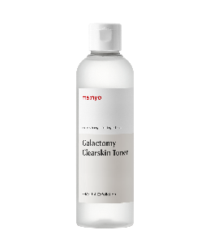 | 8809657118203 | ma:nyo GALACTOMY CLEARSKIN TONER | 210ml | 35 | ₩29,000 | ₩11,963 | $8.93 |  | - | $0.00 |  | - | $0.00
 | 8809730951499 | ma:nyo GALACTOMY ENZYME PEELING GEL | 75ml | 60 | ₩12,000 | ₩4,950 | $3.69 |  | - | $0.00 |  | - | $0.00
 | 8809730950546 | ma:nyo GALAC NIACIN ESSENCE MASK (1 SHEET) | 1 SHEET | 300 | ₩3,000 | ₩1,238 | $0.92 |  | - | $0.00 |  | - | $0.00
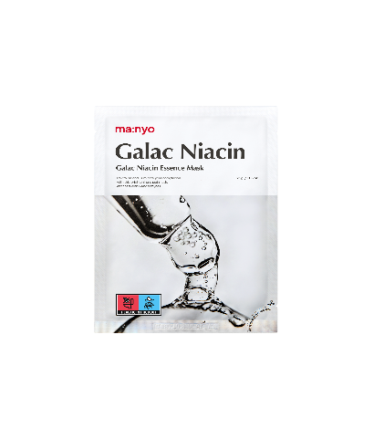 | 8809730951178 | ma:nyo GALAC NIACIN ESSENCE MASK (30G/10SHEETS) | 10 SHEET | 24 | ₩30,000 | ₩12,375 | $9.24 |  | - | $0.00 |  | - | $0.00
 | 8809730955374 | ma:nyo GALACTOMY MOISTURE SUN SERUM | 50ml | 130 | ₩20,000 | ₩8,250 | $6.16 |  | - | $0.00 |  | - | $0.00
 | 8809730954094 | ma:nyo FOUNDATION- FREE SUN CREAM | 50ml | 55 | ₩28,000 | ₩11,550 | $8.62 |  | - | $0.00 |  | - | $0.00
 | 8809730955107 | ma:nyo PANTHETOIN ESSENCE TONER | 200ml | 45 | ₩32,000 | ₩13,200 | $9.85 |  | - | $0.00 |  | - | $0.00
 | 8809730955114 | ma:nyo PANTHETOIN CREAM | 80ml | 77 | ₩42,000 | ₩17,325 | $12.93 |  | - | $0.00 |  | - | $0.00
 | 8809730956234 | ma:nyo HYALURON HYDRATING SUNSCREEN | 50ml | 55 | ₩26,000 | ₩10,725 | $8.00 |  | - | $0.00 |  | - | $0.00
 | 8809730958740 | ma:nyo Lotus Pore Tightening Serum | 55ml | 35 | ₩35,000 | ₩14,438 | $10.77 |  | - | $0.00 |  | - | $0.00
 | 8809730959082 | ma:nyo Lotus Pore Tightening Serum | 30ml | 100 | ₩23,000 | ₩9,488 | $7.08 |  | - | $0.00 |  | - | $0.00
 | 8809730958757 | ma:nyo Lotus Primer-Free Sunscreen | 50ml | 55 | ₩28,000 | ₩11,550 | $8.62 |  | - | $0.00 |  | - | $0.00
 | 8809730958771 | ma:nyo Lotus Pore Tight-Fit Mask (1 SHEET) | 1 SHEET | 300 | ₩4,000 | ₩1,650 | $1.23 |  | - | $0.00 |  | - | $0.00
 | 8809730958795 | ma:nyo Vcollagen Deep Ampoule Gel Mask | 1 SHEET | 270 | ₩6,000 | ₩2,475 | $1.85 |  | - | $0.00 |  | - | $0.00
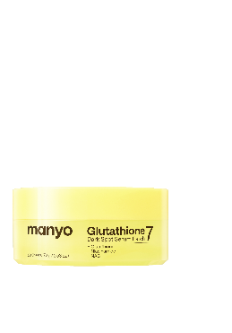 | 8809730959341 | manyo Glutathione 7 Dark Spot Serum Patch | 30 sheet/72g | 60 | ₩24,000 | ₩9,900 | $7.39 |  | - | $0.00 |  | - | $0.00
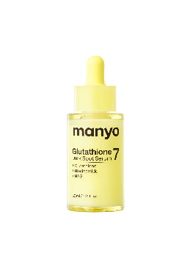 | 8809730959334 | manyo Glutathione 7 Dark Spot Serum | 30ml | 128 | ₩28,000 | ₩11,550 | $8.62 |  | - | $0.00 |  | - | $0.00
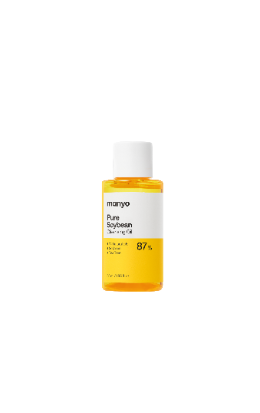 | 8809730959518 | manyo Pure Soybean Cleansing Oil | 55ml | 126 | ₩7,900 | ₩3,259 | $2.43 |  | - | $0.00 |  | - | $0.00
 | 8809657116407 | ma:nyo BIFIDA BIOME COMPLEX AMPOULE (M) | 12ml | 495 | ₩11,700 | ₩4,826 | $3.60 |  | - | $0.00 |  | - | $0.00
 | 8809657116537 | ma:nyo BIFIDA BIOME AMPOULE TONER (M) | 30ml | 286 | ₩3,900 | ₩1,609 | $1.20 |  | - | $0.00 |  | - | $0.00
 | 8809730952359 | ma:nyo BIFIDA BIOME AMPOULE LOTION (M) | 30ml | 286 | ₩4,800 | ₩1,980 | $1.48 |  | - | $0.00 |  | - | $0.00
 | 8809730955305 | ma:nyo BIFIDA BIOME AMPOULE LOTION (M) | 8ml | 1200 | ₩3,000 | ₩1,238 | $0.92 |  | - | $0.00 |  | - | $0.00
 | 8809730955169 | ma:nyo BIFIDA BIOME AMPOULE TONER (M) | 8ml | 1200 | ₩2,900 | ₩1,196 | $0.89 |  | - | $0.00 |  | - | $0.00
 | 8809730954858 | ma:nyo BIFIDA BIOME COMPLEX AMPOULE (M) | 8ml | 1200 | ₩9,000 | ₩3,713 | $2.77 |  | - | $0.00 |  | - | $0.00
 | 8809730954278 | ma:nyo GALACTOMY CLEARSKIN TONER (M) | 30ml | 264 | ₩6,600 | ₩2,723 | $2.03 |  | - | $0.00 |  | - | $0.00
 | 8809730955176 | ma:nyo GALACTOMY CLEARSKIN TONER (M) | 8ml | 1200 | ₩3,000 | ₩1,238 | $0.92 |  | - | $0.00 |  | - | $0.00
 | 8809730953943 | ma:nyo GALACTOMY ENZYME PEELING GEL (M) | 20ml | 400 | ₩4,500 | ₩1,856 | $1.39 |  | - | $0.00 |  | - | $0.00
 | 8809730954285 | ma:nyo FOUNDATION- FREE SUN CREAM (M) | 15ml | 400 | ₩11,800 | ₩4,868 | $3.63 |  | - | $0.00 |  | - | $0.00
 | 8809730955145 | ma:nyo PANTHETOIN CREAM (M) | 15ml | 560 | ₩11,000 | ₩4,538 | $3.39 |  | - | $0.00 |  | - | $0.00
 | 8809730955145 | ma:nyo PANTHENTOIN CREAM 15 (M) | 15ml | 560 | ₩11,000 | ₩4,538 | $3.39 |  | - | $0.00 |  | - | $0.00

