Sheet1
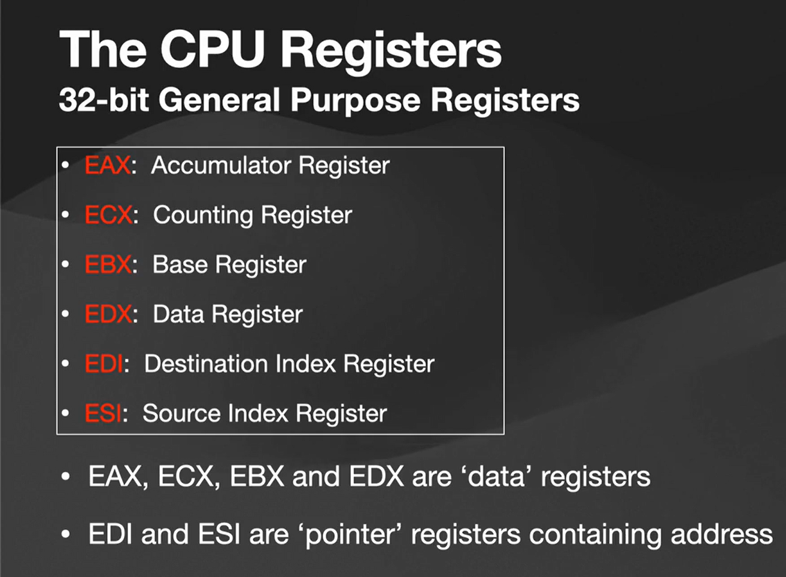
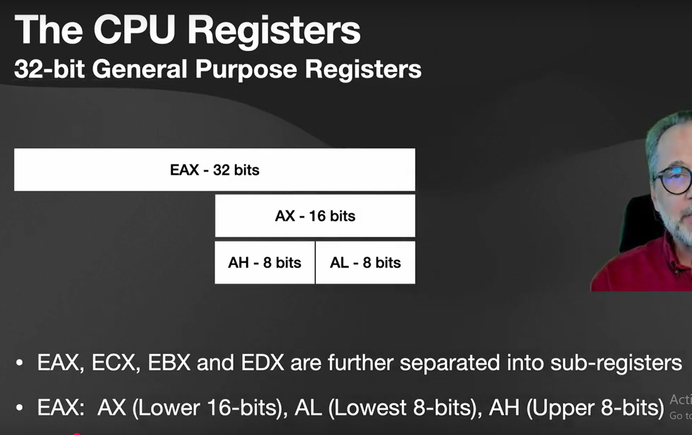
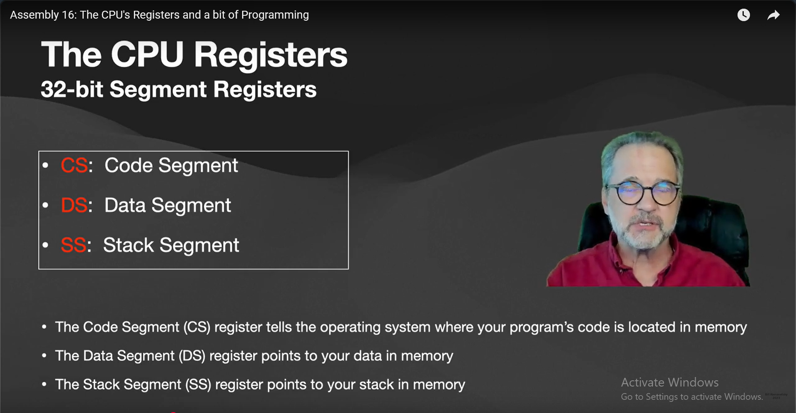
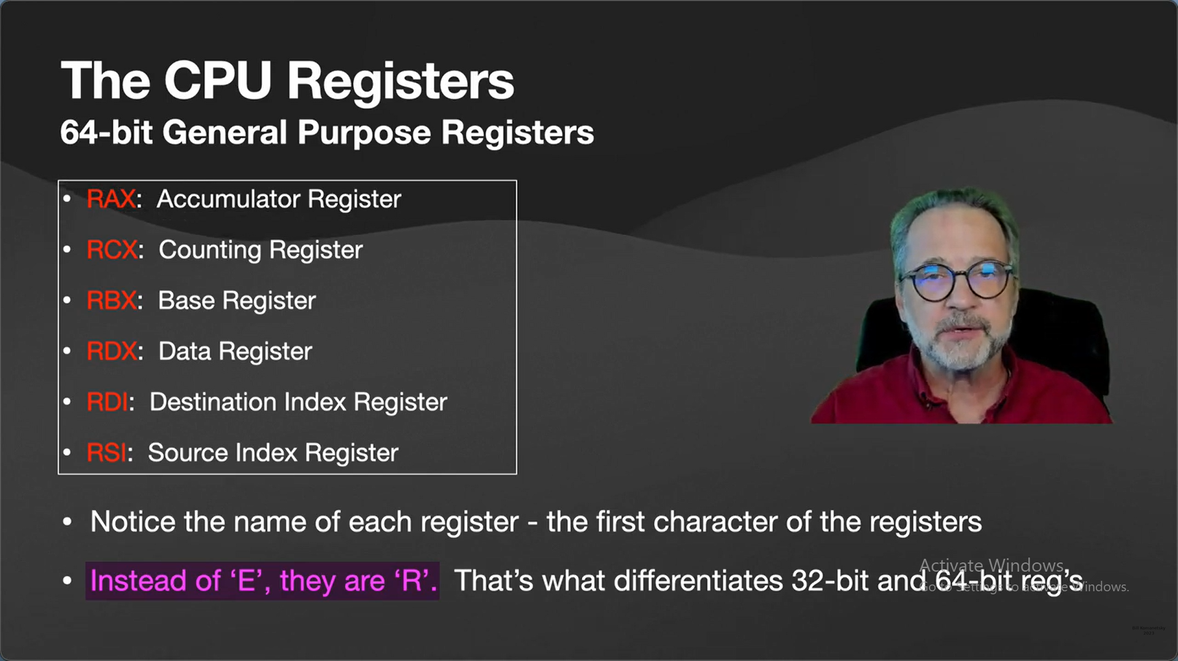
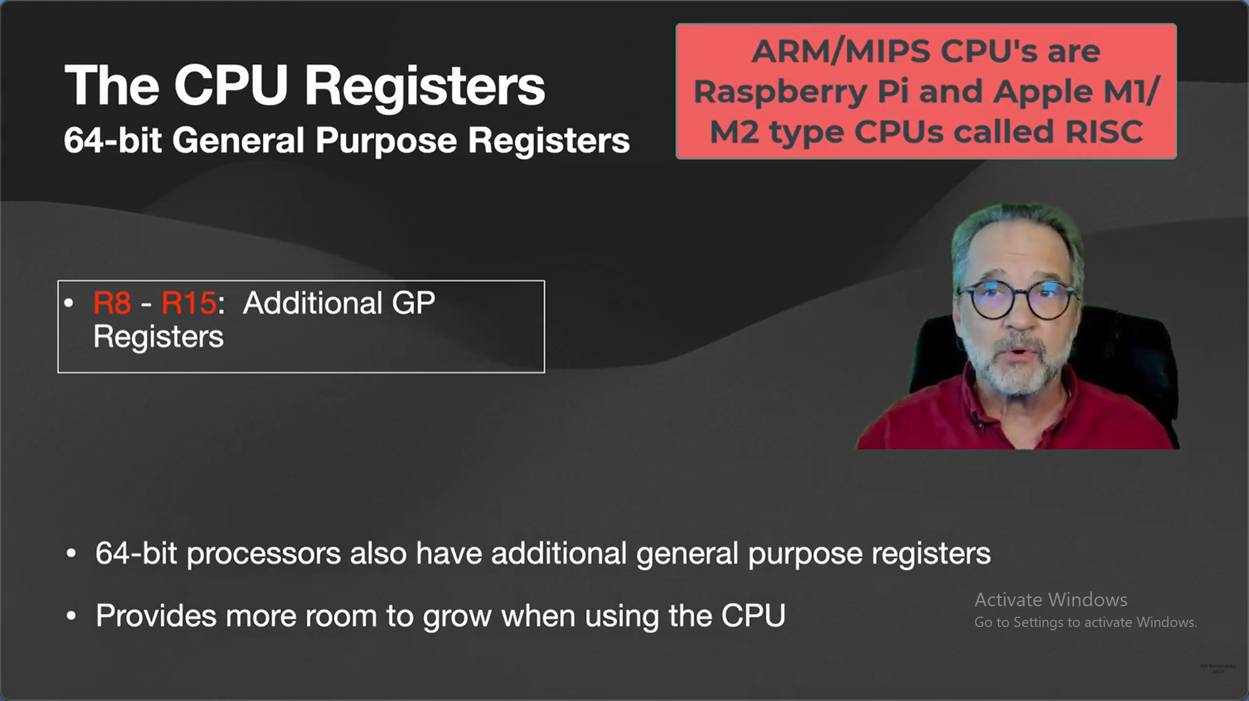
 |  | 1 | 1 |  |  |  |  |  | word | 2bytes | 16bits
plus | 0 | 0 | 1 | 1 |  |  |  |  |  | 1bytes | 8bits
 |  |  |  | 1 |  |  |  |  | doubleworld | 4bytes | 32bits
 | 0 | 1 | 0 | 0

 |  |  |  | 1 | 1 |  |  |  | 4 binary bits it's called a nibble
plus | 1 | 0 | 1 | 0 | 1 | 1 |  |  | 1 nibble called 1 hex digit
 |  |  |  |  |  | 1
 | 1 | 0 | 1 | 1 | 0 | 0

 |  | 1 | 1
minus | 0 | 1 | 0 | 0
 |  |  |  | 1
 | 0 | 0 | 1 | 1

minus | 1 | 0 | 1 | 0 | 1 | 1
 |  |  |  |  |  | 1
 | 1 | 0 | 1 | 0 | 1 | 0

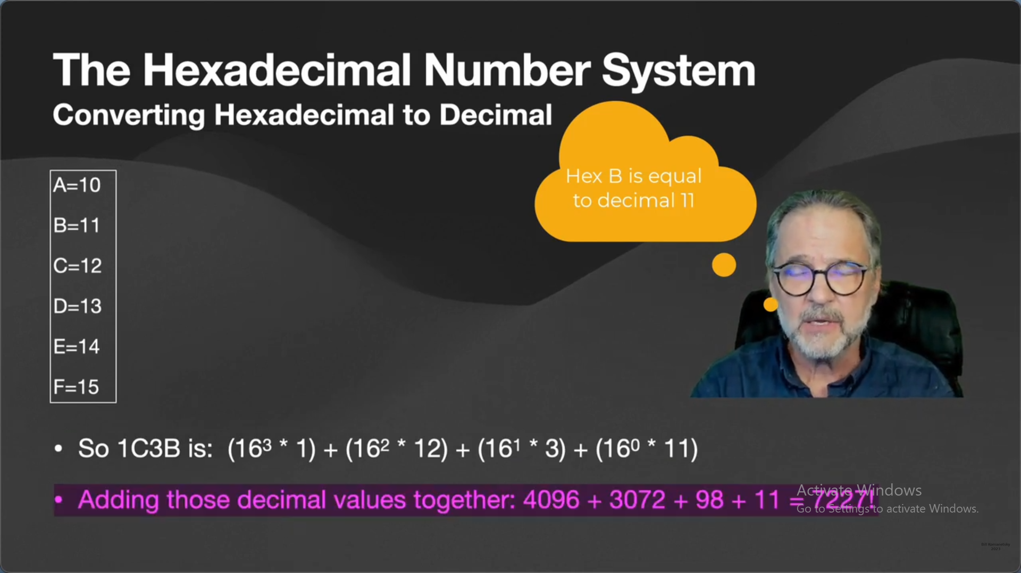
 |  | 1 | 1
minus | 1 | 0 | 0 | 0
 |  |  |  | 1
 | 0 | 1 | 1 | 1

 |  |  |  |  |  |  | 1
minus | 0 | 1 | 1 | 0 | 1 | 0 | 1 | 0
 |  |  |  |  |  |  |  | 1
 | 0 | 1 | 1 | 0 | 1 | 0 | 0 | 1

 |  |  |  |  |  |  |  |  |  | 9822 |  | 613 | 16 | 9808
 |  |  |  |  |  |  |  |  |  |  |  | 613 * 16 |  | 9822-9808 | 14 | E

 |  |  |  |  |  |  |  |  |  |  |  |  |  | 613-(38*16)=5
 |  |  |  |  |  |  |  |  |  |  |  |  |  |  |  | 1
 |  |  |  |  |  |  |  |  |  |  |  |  |  |  | plus | F | F | это равносильно к 9 прибавить 1 = 10 (единица уходит вверх)
 |  |  |  |  |  |  |  |  |  |  |  |  |  |  |  |  | 1
 |  |  |  |  |  |  |  |  |  |  | 0 | 0 | 0 | 0 | 1 | 0 | 0

