1.CreateExpenceReport
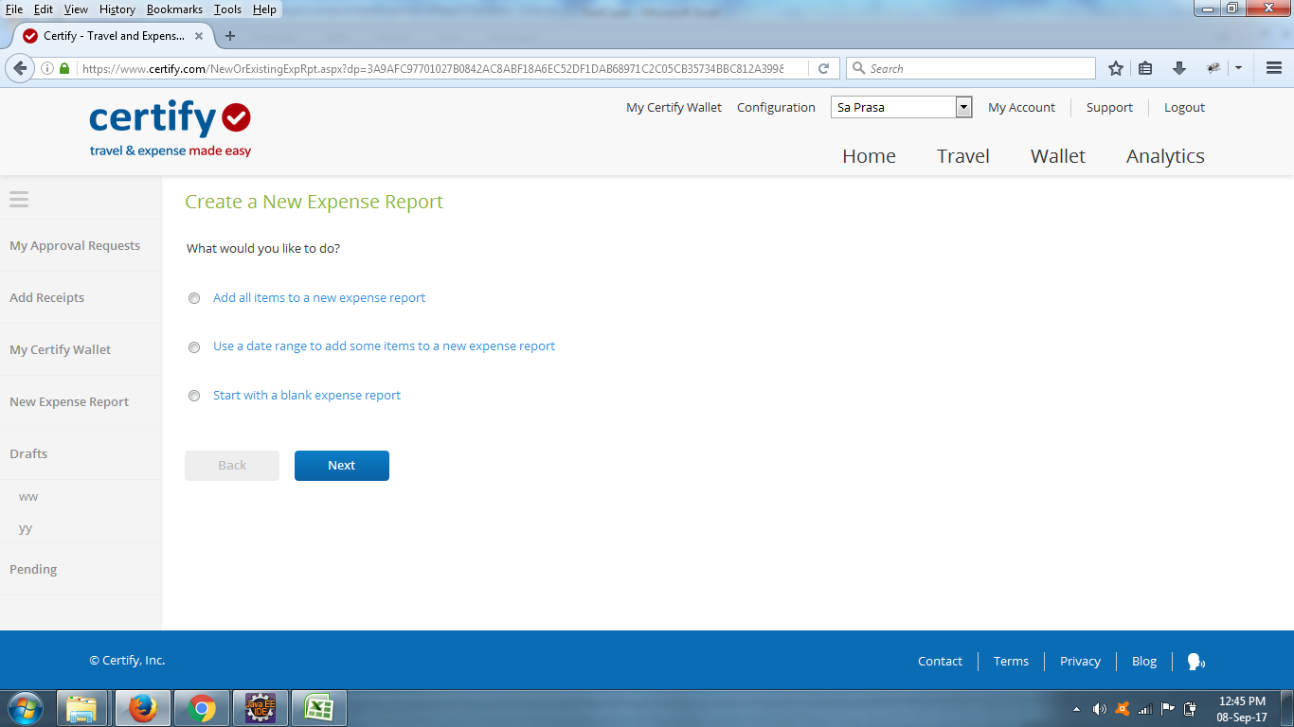
TestCase ID | TestCase Name | Status
TC_01 | create New Expence Report | done
TC_02 | create New Expence Report With DateRang
TC_03 | create New Expence Report With Blank | done
TC_04 | new Report with Invalid Data | done
TC_05 | new Report Using Billable to Client | done
TC_06 | verify Attribute Name Of Element | done
TC_07 | verify Date Range | done
TC_08 | validate Ui Buttons
TC_09 | create Duplicate Report | done
TC_10 | create Report Name On Deletion
TC_11 | validate Expence Report On Save

2.AddExpence
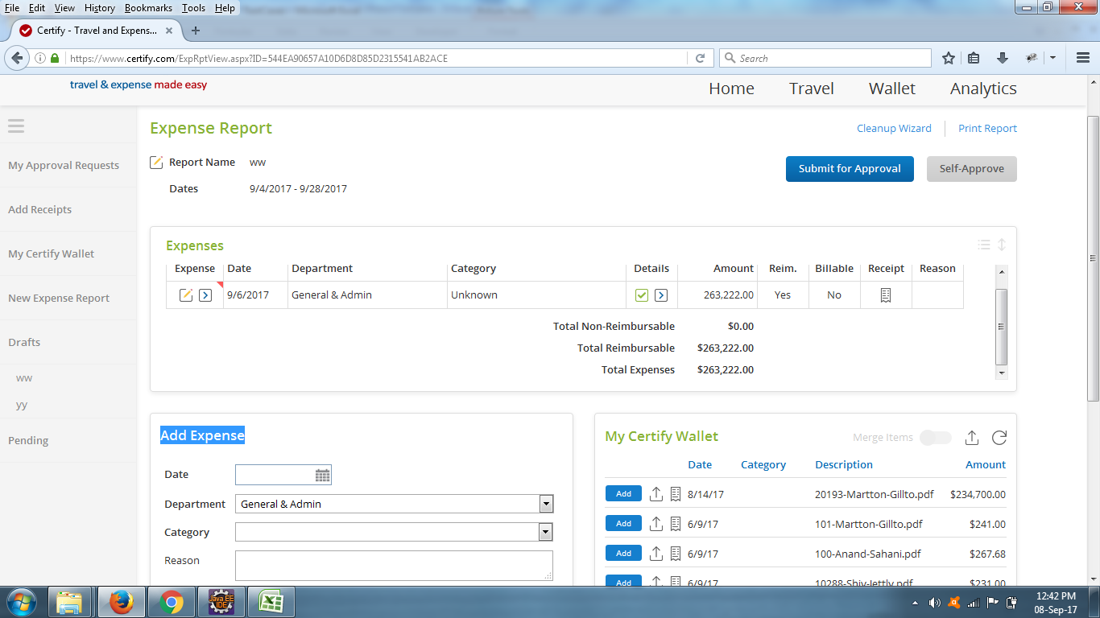
TestCase ID | TestCase Name | Status
TC_01 | add Expence With New Creation Report
TC_02 | add Expences With Existing Report
TC_03 | add Expences With Manually
TC_04 | add Valid Expences
TC_05 | add Invalid Expences
TC_06 | add With Multiple Category
TC_07 | expence With Billable
TC_08 | new Expences reimbursment To User
TC_09 | new Expences Without reimbursment
TC_10 | expence WithOut Recipts
TC_11 | expence with New Recipts
TC_12 | expences with Existing Recipts
TC_13 | expence With Self Approval
TC_14 | edit Expence sWith New Values
TC_15 | edit With Same Values
TC_16 | validate Save Expences
TC_17 | verify Expences On Edit
TC_18 | veriry Category Selection Fields Shown

3. Actions on Expences Test
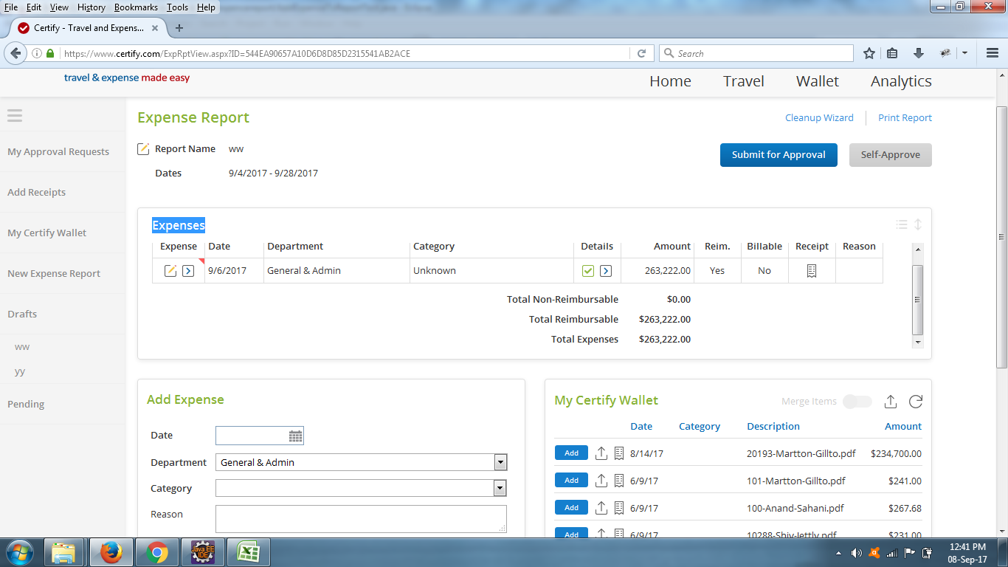
TestCase ID | TestCase Name | Status
TC_01 | validate Expence Data
TC_02 | verify Expences On New Addition
TC_03 | edit Expences And Save
TC_04 | edit With Same Values
TC_05 | delete Expences
TC_06 | copy Expences
TC_07 | send Wallet Expences
TC_08 | verify Expences Reimburse Status
TC_09 | verify Expences Billable Status
TC_10 | validate Attached Receipt Image
TC_11 | verify Total Non-Reimbursable amount
TC_12 | verify Total Reimbursable amount
TC_13 | verify Total Expenses amount
Tc_14 | verify Expences Calculations on Edit
Tc_15 | addBankFees
TC_16 | verify On Duplicate Entry
TC_17 | verify Expences Calculations on delete
Tc_18 | verify Expences Calculations on add
Tc_19 | verify Expences Calculations on copy

4.New Receipts
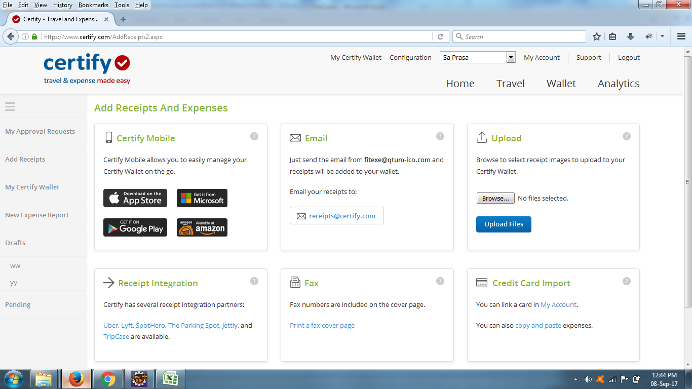
TestCase ID | TestCase Name | Status
TC_01 | add New Recipts Using Upload | done
TC_02 | add Recipts With Email
TC_03 | add Recipts With Third PartIntegrations
TC_04 | delete Recipts
TC_05 | new Receipt With Duplicate | done
TC_06 | verify Recipts Max Size
TC_07 | verify Recipts Format

ExpenceReport
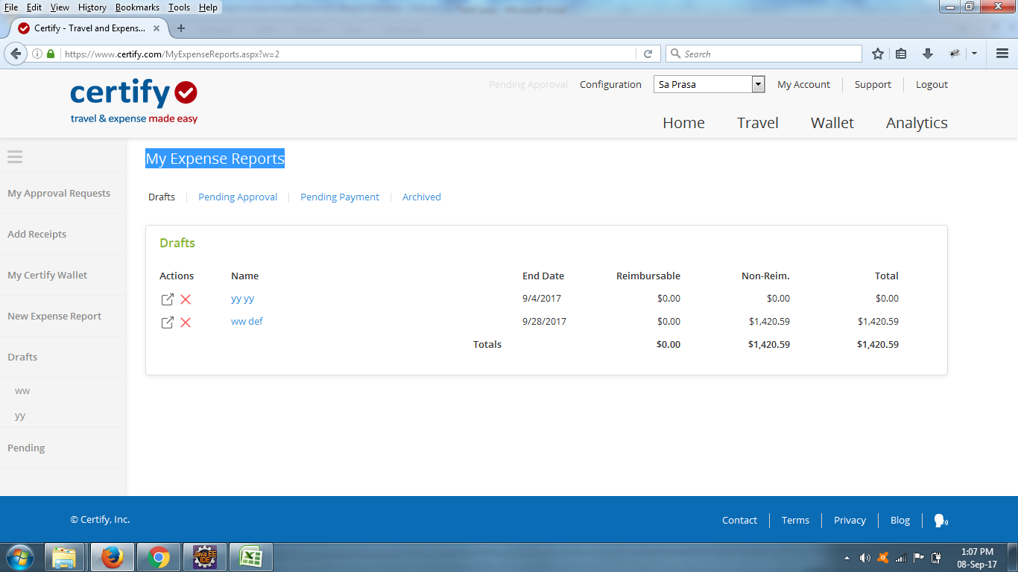
TestCase ID | TestCase Name | Status
TC_01 | Pending Approvals
TC_02 | Pending Payments
TC_03
TC_04
TC_05
TC_06
TC_07
TC_08
TC_09
TC_10
TC_11

