Problem 1(RuralSector)
May 2023 - Rural
Categories | Broader Category | CPI
Cereals and products | Food | 173.7 | Broader Category | CPI | % Contribution
Meat and fish | Food | 214.3 | Food | 2306.9 | 51.5%
Egg | Food | 173.2 | Miscellaneous | 376.7 | 8.4%
Milk and products | Food | 179.5 | Clothing | 553.2 | 12.4%
Oils and fats | Food | 170 | Housing | 358 | 8.0% | Food is the broader category has the highest contribution towards CPI.
Fruits | Food | 172.2 | Health | 185.7 | 4.1%
Vegetables | Food | 161 | Transport and communication | 164.8 | 3.7%
Pulses and products | Food | 175.6 | Recreation and amusement | 171.2 | 3.8%
Sugar and Confectionery | Food | 122.7 | Education | 177.1 | 4.0%
Spices | Food | 218 | Personal care and effects | 185.2 | 4.1%
Non-alcoholic beverages | Food | 173.4 | Total | 4478.8
BroaderCategory with % Contribution Of Rural Sector
Prepared meals, snacks, sweets etc. | Food | 194.2
Food and beverages | Food | 179.1
Pan, tobacco and intoxicants | Miscellaneous | 201
Clothing | Clothing | 187.3
Footwear | Clothing | 179.7
Clothing and footwear | Clothing | 186.2
Housing | Housing
Fuel and light | Housing | 182.8
Household goods and services | Housing | 175.2
Health | Health | 185.7
Transport and communication | Transport and communication | 164.8
Recreation and amusement | Recreation and amusement | 171.2
Education | Education | 177.1
Personal care and effects | Personal care and effects | 185.2
Miscellaneous | Miscellaneous | 175.7
General index

Problem 1(UrbanSector)
May 2023 - Urban
Categories | Broader Category | CPI
Cereals and products | Food | 174.7 | Broader Category | CPI | % Contribution
Meat and fish | Food | 219.4 | Food | 2335.1 | 52.3%
Egg | Food | 176.7 | Miscellaneous | 375.8 | 8.4%
Milk and products | Food | 179.4 | Clothing | 528.7 | 11.8% | Food is the broader category has the highest contribution towards CPI.
Oils and fats | Food | 164.4 | Housing | 353.5 | 7.9%
Fruits | Food | 175.8 | Health | 182.2 | 4.1%
Vegetables | Food | 185 | Transport and communication | 160.4 | 3.6%
Pulses and products | Food | 176.9 | Recreation and amusement | 169.2 | 3.8%
Sugar and Confectionery | Food | 124.2 | Education | 174.8 | 3.9%
Spices | Food | 211.9 | Personal care and effects | 185.6 | 4.2%
Non-alcoholic beverages | Food | 165.9 | Total | 4465.3
Prepared meals, snacks, sweets etc. | Food | 197.7
BroaderCategory with % Contribution Of Urban Sector
Food and beverages | Food | 183.1
Pan, tobacco and intoxicants | Miscellaneous | 204.2
Clothing | Clothing | 181.3
Footwear | Clothing | 168.1
Clothing and footwear | Clothing | 179.3
Housing | Housing
Fuel and light | Housing | 183.4
Household goods and services | Housing | 170.1
Health | Health | 182.2
Transport and communication | Transport and communication | 160.4
Recreation and amusement | Recreation and amusement | 169.2
Education | Education | 174.8
Personal care and effects | Personal care and effects | 185.6
Miscellaneous | Miscellaneous | 171.6
General index

Problem 1(Rural+Urban)
May 2023 - (Rural+Urban)
Categories | Broader Category | CPI
Cereals and products | Food | 173.7 | Broader Category | CPI | % Contribution
Meat and fish | Food | 214.3 | Food | 2306.9 | 51.5%
Egg | Food | 173.2 | Miscellaneous | 376.7 | 8.4%
Milk and products | Food | 179.5 | Clothing | 553.2 | 12.4% | Food is the broader category has the highest contribution towards CPI.
Oils and fats | Food | 170 | Housing | 358 | 8.0%
Fruits | Food | 172.2 | Health | 185.7 | 4.1%
Vegetables | Food | 161 | Transport and communication | 164.8 | 3.7%
Pulses and products | Food | 175.6 | Recreation and amusement | 171.2 | 3.8%
Sugar and Confectionery | Food | 122.7 | Education | 177.1 | 4.0%
Spices | Food | 218 | Personal care and effects | 185.2 | 4.1%
Non-alcoholic beverages | Food | 173.4 | Total | 4478.8
BroaderCategory with % Contribution Of Rural+Urban Sector
Prepared meals, snacks, sweets etc. | Food | 194.2
Food and beverages | Food | 179.1
Pan, tobacco and intoxicants | Miscellaneous | 201
Clothing | Clothing | 187.3
Footwear | Clothing | 179.7
Clothing and footwear | Clothing | 186.2
Housing | Housing
Fuel and light | Housing | 182.8
Household goods and services | Housing | 175.2
Health | Health | 185.7
Transport and communication | Transport and communication | 164.8
Recreation and amusement | Recreation and amusement | 171.2
Education | Education | 177.1
Personal care and effects | Personal care and effects | 185.2
Miscellaneous | Miscellaneous | 175.7
General index

Problem 2
Sector | Year | Month | General index | Sum of General index | Column Labels
Rural+Urban | 2023 | January | 176.5 | Row Labels | January | December | Grand Total | YoY%
Rural+Urban | 2022 | January | 165.7 | 2017 | 130.3 | 137.2 | 267.5 | 5.3%
Rural+Urban | 2022 | December | 175.7 | 2018 | 136.9 | 140.1 | 277 | 2.3% | Not considering 2023 YoY % because in the data we have data till January 2023 to May 2023.
Rural+Urban | 2021 | January | 157.3 | 2019 | 139.6 | 150.4 | 290 | 7.7% | The year 2019 has the highest inflation rate.
Rural+Urban | 2021 | December | 166.2 | 2020 | 150.2 | 158.9 | 309.1 | 5.8% | Based on research the Vegetables price increases and that is the reason inflation also increases.
Rural+Urban | 2020 | January | 150.2 | 2021 | 157.3 | 166.2 | 323.5 | 5.7%
Rural+Urban | 2020 | December | 158.9 | 2022 | 165.7 | 175.7 | 341.4 | 6.0%
Rural+Urban | 2019 | January | 139.6 | 2023 | 176.5 |  | 176.5 | -100.0%
Rural+Urban | 2019 | December | 150.4 | Grand Total | 1056.5 | 928.5 | 1985
Rural+Urban | 2018 | January | 136.9
Year Wise YoY% Of Rural+Urban Sector
Rural+Urban | 2018 | December | 140.1 | Year | YoY%
Rural+Urban | 2017 | January | 130.3 | 2017 | 5.3%
Rural+Urban | 2017 | December | 137.2 | 2018 | 2.3%
 |  |  |  | 2019 | 7.7%
 |  |  |  | 2020 | 5.8%
 |  |  |  | 2021 | 5.7%
 |  |  |  | 2022 | 6.0%

Problem 3(Rural+Urban)
Rural+Urban
Year | Month | Food | MoM% | Cereals and products | Meat and fish | Egg | Milk and products | Oils and fats | Fruits | Vegetables | Pulses and products | Sugar and Confectionery | Spices | Non-alcoholic beverages | Prepared meals, snacks, sweets etc. | Food and beverages
2022 | May | 2238.9 |  | 154.1 | 217 | 162.4 | 164.9 | 202.4 | 171 | 174.9 | 164.7 | 119.7 | 184.9 | 167.1 | 182.5 | 173.3
2022 | June | 2261.9 | 1.0% | 155 | 219.4 | 170.8 | 165.8 | 200.9 | 169.7 | 182.3 | 164.3 | 119.9 | 187.1 | 167.9 | 183.9 | 174.9
2022 | July | 2266.3 | 0.2% | 156.5 | 213 | 175.2 | 166.6 | 195.8 | 174.2 | 182.1 | 164.3 | 120 | 190 | 168.4 | 185.2 | 175
2022 | August | 2269.2 | 0.1% | 160.3 | 206.5 | 169.2 | 168.1 | 192.4 | 172.9 | 186.7 | 167.2 | 120.9 | 193.6 | 168.8 | 186.3 | 176.3
2022 | September | 2280.9 | 0.5% | 163.5 | 209.2 | 169.7 | 169.7 | 188.7 | 165.7 | 191.8 | 169.1 | 121.6 | 197.3 | 169.4 | 187.4 | 177.8
2022 | October | 2297.3 | 0.7% | 165.2 | 210.9 | 170.9 | 170.9 | 186.5 | 163.8 | 199.7 | 169.8 | 121.9 | 199.9 | 169.9 | 188.3 | 179.6
2022 | November | 2296.8 | 0.0% | 167.4 | 209.4 | 181.4 | 172.3 | 188.9 | 160.7 | 183.1 | 170.5 | 122.1 | 202.8 | 170.4 | 189.5 | 178.3
2022 | December | 2283.4 | -0.6% | 169.2 | 209 | 190.2 | 173.6 | 188.5 | 158 | 159.9 | 170.8 | 121.8 | 205.2 | 171 | 190.3 | 175.9
2023 | January | 2292.7 | 0.4% | 173.8 | 210.7 | 194.5 | 174.6 | 187.2 | 158.3 | 153.9 | 170.9 | 121.1 | 208.4 | 171.4 | 191.2 | 176.7
2023 | February | 2279.1 | -0.6% | 174.4 | 207.7 | 175.2 | 177.3 | 179.3 | 169.5 | 152.7 | 171 | 120 | 209.7 | 172.3 | 193 | 177
2023 | March | 2279.2 | 0.0% | 174.4 | 207.7 | 175.2 | 177.3 | 179.2 | 169.5 | 152.8 | 171.1 | 120 | 209.7 | 172.3 | 193 | 177
2023 | April | 2289.6 | 0.5% | 173.8 | 209.3 | 169.6 | 178.4 | 174.9 | 176.3 | 155.4 | 173.4 | 121.3 | 212.9 | 172.9 | 193.5 | 177.9
2023 | May | 2306.9 | 0.8% | 173.7 | 214.3 | 173.2 | 179.5 | 170 | 172.2 | 161 | 175.6 | 122.7 | 218 | 173.4 | 194.2 | 179.1

June 2022 has the highest food inflation.
Decemeber 2022 and Februray 2023 has the lowest food inflation.
1.0% is the absolute changes in inflation over the same 12 months period and the Meat and Fish is the biggest individual category contributor towards inflation.

MoM% Of Food Category
 | Food | MoM%
May | 2238.9
June | 2261.9 | 1.0%
July | 2266.3 | 0.2%
August | 2269.2 | 0.1%
September | 2280.9 | 0.5%
October | 2297.3 | 0.7%
November | 2296.8 | 0.0%
December | 2283.4 | -0.6%
January | 2292.7 | 0.4%
February | 2279.1 | -0.6%
March | 2279.2 | 0.0%
April | 2289.6 | 0.5%
May | 2306.9 | 0.8%

Problem 5(Rural+Urban)
Rural+Urban
Year | Month | Oil Prices | Cereals and products | Meat and fish | Egg | Milk and products | Oils and fats | Fruits | Vegetables | Pulses and products | Sugar and Confectionery | Spices | Non-alcoholic beverages | Prepared meals, snacks, sweets etc. | Food and beverages | Pan, tobacco and intoxicants | Clothing | Footwear | Clothing and footwear | Fuel and light | Household goods and services | Health | Transport and communication | Recreation and amusement | Education | Personal care and effects | Miscellaneous
2021 | January | 54.79 | 144.9 | 190.1 | 175.3 | 154.1 | 150.9 | 149.6 | 194.2 | 160.4 | 114.6 | 164 | 151.8 | 165.6 | 161 | 186.5 | 155.5 | 146.1 | 154.2 | 147.9 | 150 | 159.3 | 141.9 | 149.6 | 159.2 | 156.8 | 151.9
2021 | February | 61.22 | 144.3 | 186.5 | 168.7 | 154.7 | 158.7 | 150.7 | 160 | 158.8 | 112.8 | 164.2 | 155.5 | 167.5 | 156.9 | 188.3 | 157.2 | 147.4 | 155.8 | 152.4 | 150.9 | 161.3 | 145.1 | 151.5 | 159.5 | 155.8 | 153.4
2021 | March | 64.73 | 144.1 | 192.2 | 163.8 | 154.9 | 163.9 | 153.7 | 149.5 | 159.8 | 112.6 | 163.5 | 156.5 | 168.2 | 156.7 | 188.1 | 157.8 | 147.9 | 156.4 | 155.5 | 151.2 | 161.7 | 146.2 | 152.6 | 160.2 | 153.8 | 153.8
2021 | April | 63.4 | 144.3 | 198 | 164.6 | 155.4 | 170.1 | 164.4 | 144.1 | 161.7 | 113.1 | 163.9 | 157.6 | 168.9 | 158 | 188.8 | 158.8 | 148.5 | 157.3 | 155.6 | 151.8 | 162.3 | 146.6 | 153.2 | 160.3 | 155.4 | 154.4
2021 | May | 66.95 | 146.3 | 200.5 | 170.3 | 156.1 | 178.7 | 167.1 | 147.9 | 165.4 | 114.8 | 168.2 | 159.3 | 170.4 | 160.7 | 191.9 | 161.8 | 152.1 | 160.4 | 159.4 | 154.7 | 165.8 | 148.9 | 155.8 | 161.2 | 158.6 | 156.8
2021 | June | 71.98 | 146.7 | 202 | 180.7 | 156.2 | 183.7 | 164.6 | 155.4 | 166 | 115.1 | 168.5 | 160 | 172.4 | 162.6 | 190.8 | 162.2 | 151.8 | 160.7 | 159.8 | 154.8 | 166.3 | 150.7 | 154.9 | 161.7 | 158.8 | 157.6
2021 | July | 73.54 | 146.4 | 206.8 | 182.2 | 157.5 | 182.1 | 163.9 | 164.2 | 164 | 114.5 | 168.3 | 160.9 | 172.2 | 164 | 191.2 | 162.8 | 153.1 | 161.4 | 160.7 | 155.8 | 167 | 153.1 | 155.3 | 163.2 | 160.1 | 159
2021 | August | 69.8 | 146.6 | 204 | 172.8 | 158.4 | 188 | 156.8 | 162.2 | 164.1 | 119.7 | 168.8 | 162.7 | 173.9 | 164 | 192.1 | 164.5 | 155.3 | 163.2 | 162.6 | 157.5 | 168.4 | 154 | 157.6 | 163.8 | 160 | 160
2021 | September | 73.13 | 146.6 | 204 | 172.8 | 158.4 | 188 | 156.7 | 162.3 | 164.1 | 119.7 | 168.8 | 162.7 | 173.9 | 164 | 192.1 | 164.6 | 155.3 | 163.3 | 162.6 | 157.5 | 168.4 | 154 | 157.7 | 163.7 | 160 | 160
2021 | October | 82.11 | 147.4 | 204.6 | 171.2 | 158.7 | 190.6 | 155.7 | 185.3 | 165.2 | 121.9 | 169.3 | 163.2 | 174.7 | 167.7 | 192.7 | 165.7 | 156.3 | 164.3 | 164.2 | 158.4 | 169.1 | 155.7 | 158.6 | 163.9 | 160.8 | 161
2021 | November | 80.64 | 148.2 | 201.6 | 173 | 159.3 | 190.1 | 156.5 | 199.2 | 165.3 | 122.4 | 169.6 | 163.7 | 175.5 | 169.7 | 192.9 | 167.2 | 157.4 | 165.8 | 163.9 | 159.3 | 169.9 | 154.8 | 159.8 | 164.3 | 162.2 | 161.4
2021 | December | 73.3 | 148.7 | 198.8 | 177.9 | 159.9 | 187.6 | 154.9 | 188.3 | 164.4 | 121 | 170.5 | 164.2 | 176.5 | 168.2 | 192.4 | 168.5 | 158.7 | 167 | 164.1 | 160.2 | 170.6 | 155.7 | 160.6 | 164.4 | 162.6 | 162
2022 | January | 84.67 | 149.5 | 198.7 | 178.8 | 160.5 | 184.7 | 153.7 | 174.3 | 163.9 | 120 | 172.1 | 164.3 | 177.3 | 166.4 | 192.2 | 169.9 | 160.7 | 168.5 | 164.2 | 161.1 | 171.4 | 156.5 | 161.2 | 164.7 | 163 | 162.7
2022 | February | 94.07 | 150 | 200.6 | 175.8 | 160.7 | 184.9 | 153.7 | 169.7 | 163.7 | 118.9 | 174.3 | 164.7 | 178 | 166.2 | 192.8 | 170.8 | 162.4 | 169.6 | 165.7 | 161.8 | 172.2 | 156.9 | 162.1 | 165.4 | 164.4 | 163.5
2022 | March | 112.87 | 151.3 | 210.7 | 167.8 | 162.2 | 194.6 | 157.6 | 166.9 | 163.9 | 118.8 | 177.4 | 165.3 | 179.3 | 168.4 | 193.7 | 172.1 | 164.6 | 171.1 | 167.2 | 162.8 | 173 | 157.9 | 163.3 | 166 | 167.2 | 164.6
2022 | April | 102.97 | 152.9 | 211.8 | 164.5 | 163.9 | 199.5 | 172.6 | 166.2 | 164.7 | 119 | 181.3 | 166.2 | 180.9 | 170.8 | 193.9 | 173.9 | 166.5 | 172.8 | 172.2 | 164 | 174 | 162.6 | 164.4 | 166.9 | 168.8 | 166.8
2022 | May | 109.51 | 154.1 | 217 | 162.4 | 164.9 | 202.4 | 171 | 174.9 | 164.7 | 119.7 | 184.9 | 167.1 | 182.5 | 173.3 | 194.1 | 175.6 | 168.4 | 174.6 | 174.6 | 165.2 | 174.8 | 163 | 165.1 | 167.9 | 168.4 | 167.5
2022 | June | 116.01 | 155 | 219.4 | 170.8 | 165.8 | 200.9 | 169.7 | 182.3 | 164.3 | 119.9 | 187.1 | 167.9 | 183.9 | 174.9 | 194.3 | 177.1 | 169.9 | 176 | 176 | 166.4 | 175.4 | 161.1 | 165.8 | 169 | 169.4 | 167.5
2022 | July | 105.49 | 156.5 | 213 | 175.2 | 166.6 | 195.8 | 174.2 | 182.1 | 164.3 | 120 | 190 | 168.4 | 185.2 | 175 | 194.6 | 178.3 | 171.3 | 177.3 | 179.6 | 167.4 | 176.1 | 161.6 | 166.3 | 171.4 | 169.7 | 168.4
2022 | August | 97.4 | 160.3 | 206.5 | 169.2 | 168.1 | 192.4 | 172.9 | 186.7 | 167.2 | 120.9 | 193.6 | 168.8 | 186.3 | 176.3 | 195 | 179.5 | 172.7 | 178.5 | 178.8 | 168.5 | 176.8 | 161.9 | 166.9 | 172.3 | 171.2 | 169.1
2022 | September | 90.71 | 163.5 | 209.2 | 169.7 | 169.7 | 188.7 | 165.7 | 191.8 | 169.1 | 121.6 | 197.3 | 169.4 | 187.4 | 177.8 | 195.9 | 180.9 | 174.3 | 179.9 | 179.5 | 169.5 | 177.8 | 162.3 | 167.6 | 173.1 | 170.9 | 169.7
2022 | October | 91.7 | 165.2 | 210.9 | 170.9 | 170.9 | 186.5 | 163.8 | 199.7 | 169.8 | 121.9 | 199.9 | 169.9 | 188.3 | 179.6 | 196.3 | 181.9 | 175.3 | 181 | 180.5 | 170.4 | 178.7 | 162.9 | 168.2 | 173.4 | 172.1 | 170.5
2022 | November | 87.55 | 167.4 | 209.4 | 181.4 | 172.3 | 188.9 | 160.7 | 183.1 | 170.5 | 122.1 | 202.8 | 170.4 | 189.5 | 178.3 | 196.9 | 183.1 | 176.2 | 182.1 | 181.3 | 171.4 | 179.8 | 163 | 168.5 | 173.7 | 173.6 | 171.1
2022 | December | 78.1 | 169.2 | 209 | 190.2 | 173.6 | 188.5 | 158 | 159.9 | 170.8 | 121.8 | 205.2 | 171 | 190.3 | 175.9 | 197.3 | 184 | 177 | 183 | 182 | 172.1 | 181.1 | 163.4 | 168.9 | 174.1 | 175.8 | 172

 |  |  |  |  |  | Categories | Correlation
 |  |  |  |  |  | Cereals and products | 0.51
 |  |  |  |  |  | Meat and fish | 0.84 |  |  | Meat, Fish, oils, fats, Transport and communication increases with
 |  |  |  |  |  | Egg | -0.20 |  |  | oil prices in about 0.84 and other food category increases about 0.75
Correlation of Categories In Rural+Urban
 |  |  |  |  |  | Milk and products | 0.63 |  |  | except Eggs which shows negative correlation -0.20 with oil prices.
 |  |  |  |  |  | Oils and fats | 0.83
 |  |  |  |  |  | Fruits | 0.59 |  |  | Fuel and light shows 0.74 correlation with oil prices.
 |  |  |  |  |  | Vegetables | 0.35
 |  |  |  |  |  | Pulses and products | 0.36 |  |  | Clothing, Households goods and services, personal care, education and other miscellaneous
 |  |  |  |  |  | Sugar and Confectionery | 0.57 |  |  | categories shows 0.77 correlation with oil prices.
 |  |  |  |  |  | Spices | 0.59
 |  |  |  |  |  | Non-alcoholic beverages | 0.75
 |  |  |  |  |  | Prepared meals, snacks, sweets etc. | 0.72
 |  |  |  |  |  | Food and beverages | 0.72
 |  |  |  |  |  | Pan, tobacco and intoxicants | 0.69
 |  |  |  |  |  | Clothing | 0.74
 |  |  |  |  |  | Footwear | 0.75
 |  |  |  |  |  | Clothing and footwear | 0.74
 |  |  |  |  |  | Fuel and light | 0.74
 |  |  |  |  |  | Household goods and services | 0.73
 |  |  |  |  |  | Health | 0.74
 |  |  |  |  |  | Transport and communication | 0.82
 |  |  |  |  |  | Recreation and amusement | 0.79
 |  |  |  |  |  | Education | 0.65
 |  |  |  |  |  | Personal care and effects | 0.73
 |  |  |  |  |  | Miscellaneous | 0.77

Dashboard
India CPI Inflation
A Data-Driven Analysis of India’s Inflation Dynamics

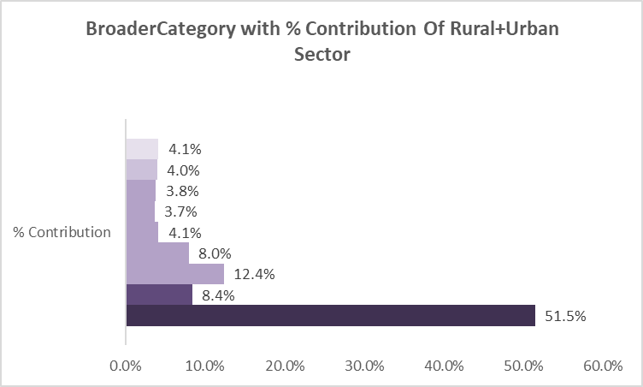
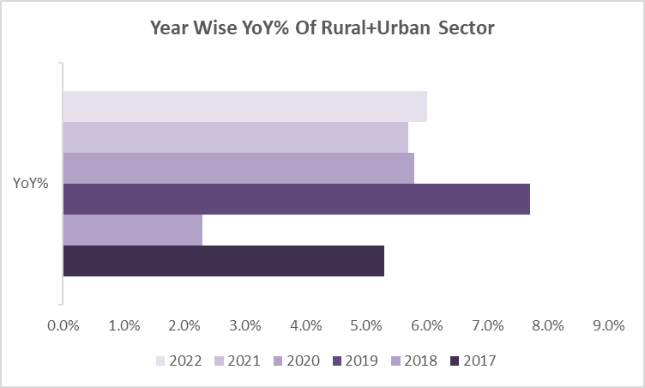
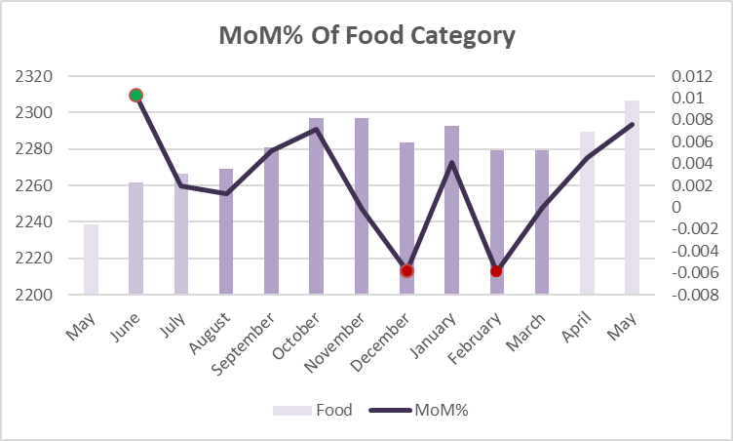

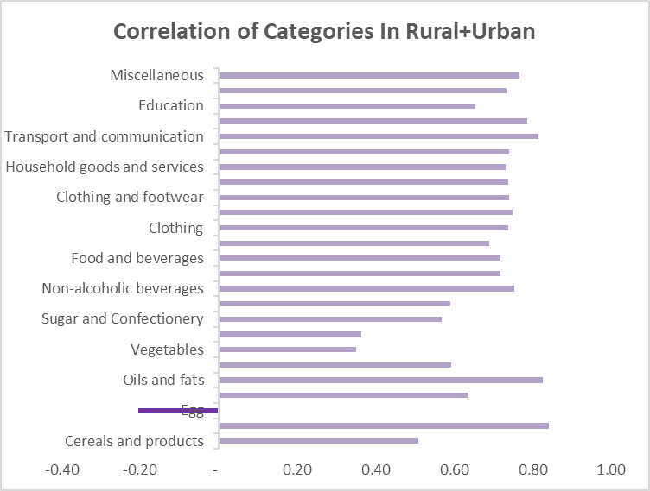

Key Insights:
1. Food category is the largest contributor to CPI, accounting for about 51.5%.
2. The Year-on-year inflation rates show a steady pattern with a peak of 77% in 2019.
3. The highest food inflation occurred in Month of June 2022 by 1.0% and the lowest was in Month of December 2022 and Februray
2023 by -0.6%. Sub-category Meat and Fish was the biggest contributor to overall food inflation.
4. Post covid, the consumption priorities shifted sharply during the pandemic, with food, Healthcare and Essential Services becoming
more expensive.
5. Correlation of 0.84 between Oil Prices and the inflation rates in Transportation and communication.

