F1
NORTHEAST RESEARCH LABORATORY &
TESTING PRIVATE LIMITED

M/N : (+91) 9577782943, EMAIL : OFFICE@NERLT.COM
Office: Room No.50, G.M.C. Market Complex, Chandmari, Guwahati-781003
Lab: House No 4, Salbari- Noonmati Road, Noonmati, Guwahati, Assam 781020

LOAD SETTLEMENT GRAPH
 | Unloading |  | Loading
3.04 | 0 | 0 | 0 | 4.18 | 0
3.13 | 40 | 0.47 | 40 | 4.18 | 300
3.23 | 80 | 0.95 | 80
3.4 | 120 | 1.37 | 120
3.58 | 160 | 1.84 | 160
3.77 | 200 | 2.2 | 200
3.95 | 240 | 2.93 | 240
4.08 | 280 | 3.43 | 280
4.18 | 300 | 4.18 | 300
 |  |  |  |  | X1 | Y1 | X2 | Y2
2.05 : FIG 1 : LOAD SETTLEMENT GRAPH FROM FIELD DATA | HZL | HZL | VER | VER | Loading Mean | Load value in Tonne | Unloading Mean | Load value in Tonne

 | X | Y | X | Y | Loading |  | Unloading
 | 0 | 300 | 4.18 | 0 | 0 | 0 | 3.04 | 0
 | 4.18 | 300 | 4.18 | 300 | 0.47 | 40 | 3.13 | 40
 |  |  |  |  | 0.95 | 80 | 3.23 | 80
 |  |  | mm | Tonne | 1.37 | 120 | 3.4 | 120
 | 15 | <15 | 4.18 | 300 | 1.84 | 160 | 3.58 | 160
 |  | >15 | 0 | 0 | 2.2 | 200 | 3.77 | 200
 |  | differ | -4.18 | -300 | 2.93 | 240 | 3.95 | 240
 |  | unit | 1 | 71.77 | 3.43 | 280 | 4.08 | 280
 |  | deduct | -15 | -1076.55 | 4.18 | 300 | 4.18 | 300
 |  | result | 15 | 1076.55

 |  | dia | 750 | mm

 |  | safe load | 200 | tonne
 |  | Test Load | 300 | tonne
2.06 : ANALYSIS OF TEST RESULTS |  | Net settlement | 3.04 | mm
 |  | Rebound | 1.14 | mm
1) Maximum settlement observed for pile dia 750 mm is 4.18 mm for test load is 300 Tonne. |  | % Rebound | 27.27
2) 2% of pile diameter 750 mm i.e. 15 mm or 18 mm Settlement is not achieved. | A | test | 4.18 | 300
Hence considering above two criteria as per para 2.02, Maximum Settlement is 4.18 mm and Hence, Estimated Safe Load i.e. 200 Tonne. | B | interpol | 15 | 1076.55
Gross Settlement = 4.18 mm |  | Min A,B | 15 | mm
Net Settlement = 3.04 mm | C | 12 or 18 | 18 | 1291.86
Rebound = 1.14 mm |  | Min A,B | 4.18 | 300
Percent of Rebound = 27.27 %

 |  |  | mm | Tonne
 | 18 | <18 | 4.18 | 300
 |  | >18 | 0 | 0
 |  | differ | -4.18 | -300
 |  | unit | 1 | 71.77
 |  | deduct | -18 | -1291.86
 |  | result | 18 | 1291.86

SitePhotoGraphs
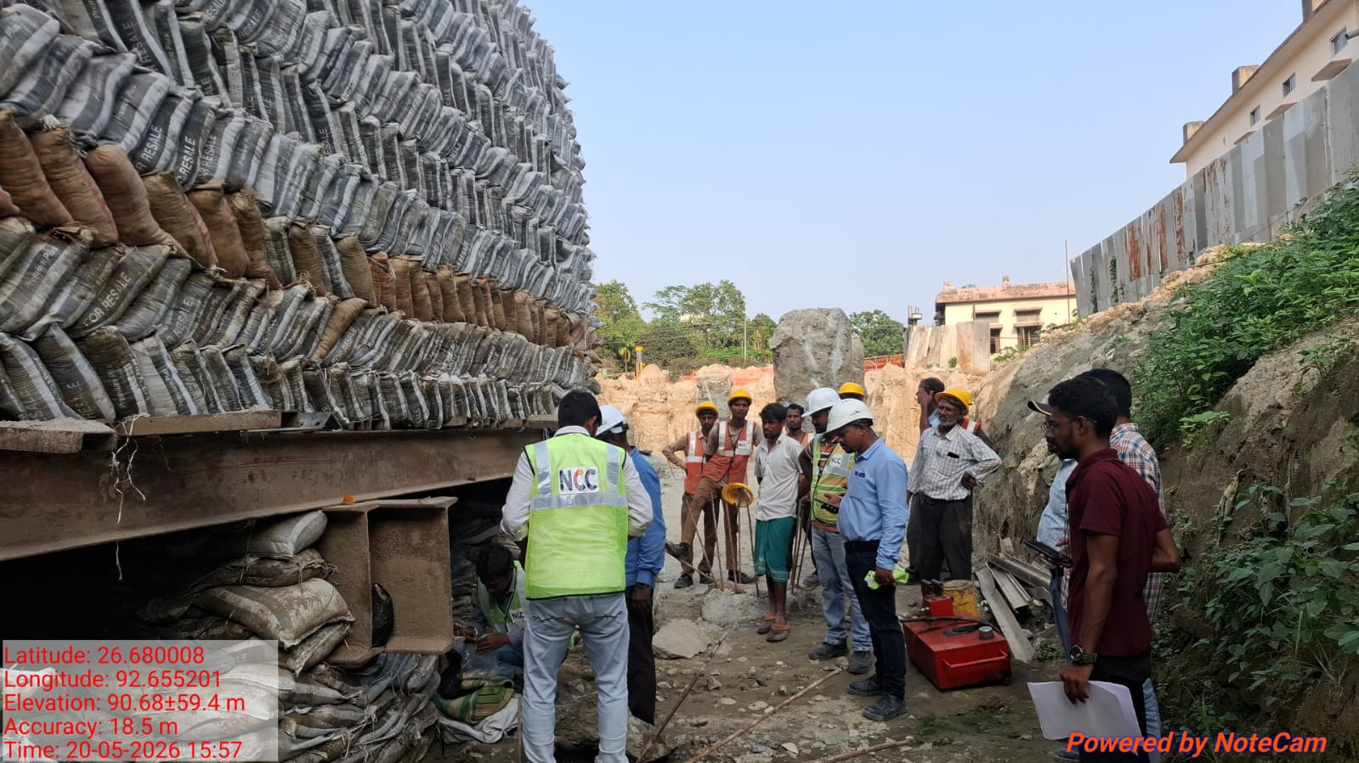
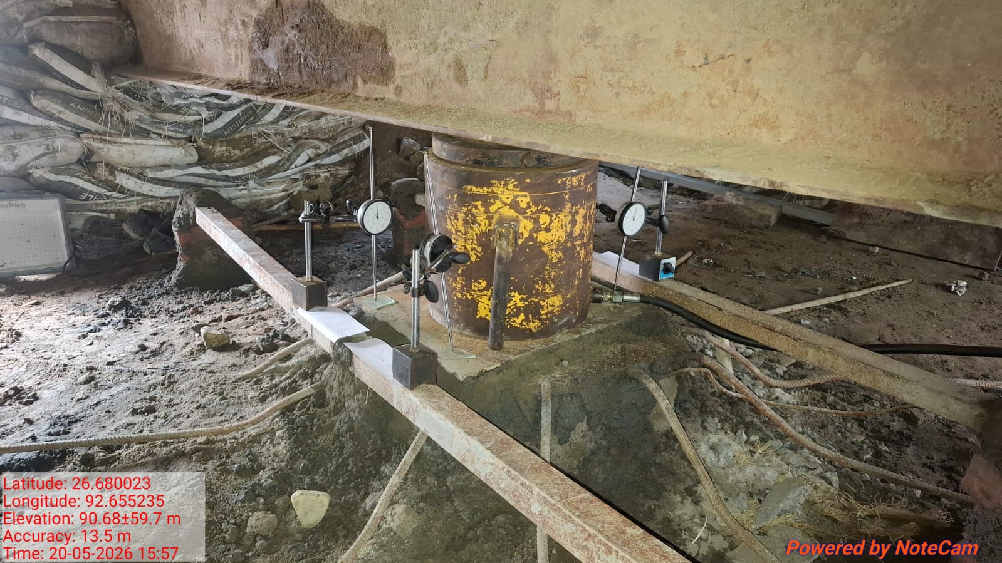
NORTHEAST RESEARCH LABORATORY &
TESTING PRIVATE LIMITED

M/N : (+91) 9577782943, EMAIL : OFFICE@NERLT.COM
Office: Room No.50, G.M.C. Market Complex, Chandmari, Guwahati-781003
Lab: House No 4, Salbari- Noonmati Road, Noonmati, Guwahati, Assam 781020

3. Site Photo Graphs

