Sheet1
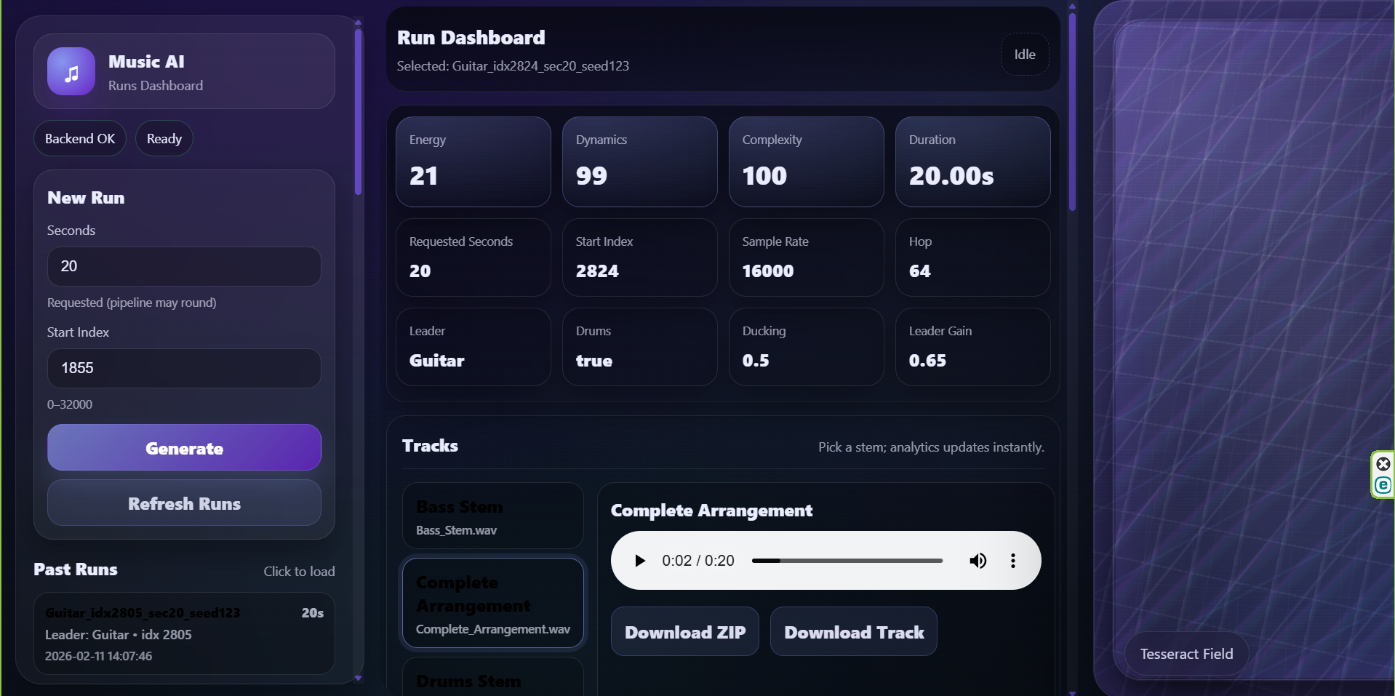

https://fordham.zoom.us/j/84051311640?pwd=Ytb731G3M0sAq1rKMcFlUaSta2UVX9.1

TRUE

Utkarsh Jha is inviting you to a scheduled Zoom meeting.

Topic: Utkarsh Spring Office Hours
Time: Feb 20, 2026 02:00 PM Eastern Time (US and Canada)
Every week on Fri, until May 1, 2026, 11 occurrence(s)
Please download and import the following iCalendar (.ics) files to your calendar system.
Weekly: https://fordham.zoom.us/meeting/tZAtcuirrzosHtRDTTKDVKuNT1p_adPs-kMT/ics?icsToken=DMDkVTQLUaxNEZnQdQAALAAAAEYvhRnk8FiMtyWkR7txvVLRrjUdJ2O8ZeRSEfw1USK29iicGOPvJUgY9chCRBxXPutQB4BhYMIc5mxLbTAwMDAwMQ&meetingMasterEventId=DLNurB3KSIyanYIG2tPxHQ
Join Zoom Meeting
https://fordham.zoom.us/j/84051311640?pwd=Ytb731G3M0sAq1rKMcFlUaSta2UVX9.1
https://fordham.zoom.us/j/84051311640?pwd=Ytb731G3M0sAq1rKMcFlUaSta2UVX9.1
Meeting ID: 840 5131 1640
Passcode: 287582

---

One tap mobile
+16465588656,,84051311640# US (New York)
+16469313860,,84051311640# US

---

Join by SIP
• 84051311640@zoomcrc.com
Passcode: 287582

Join instructions
https://fordham.zoom.us/meetings/84051311640/invitations?signature=SEGRgDP5SLObmZsFPG-IubpBbFYkncaXIsQtXzOMnWc

