Sheet1
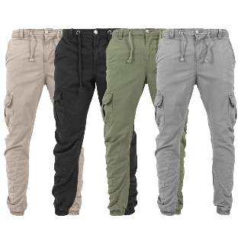
CLOTING STORE NAME SUNIL SRIVASTAV ....
INVOISE

Street Add-: jogeshwari (East) Metro Station Pin-Code-:400060
Phone Number,9140259297
Wed -Add-: Etc

DATE/ 02/2/2024

BILL TO:
SLIP TO:

P.O.# | SELLS, REP. NAME | SLIP DATE | SLIP VIA | TERMS
P.O.# SELLS, REP. NAME SLIP DATE SLIP VIA TERMS

STYLE#
DESCRIPTION
COLOR
SIZE
QTY
PRICE
TOTAL
M L XL XXL 3XL 4XL 5XL

Column1 | Column2 | Column3 | Column4 | Column5 | Column6 | Column7 | Column8 | Column9 | Column10

SUBTOTAL
DISCOUNT
NOTES:
SHIPPING & HANDLING
TOTAL
PAID
TOTAL DUE

THANK YOU FOR BUSINESS!

