Test Plan
Environment Name | IIT |  |  | Test Design OCL
App Name | OCL
App Type | Demand
Created By | Utpal Nayak
Creation Date | 2024-03-26
Reviewed By | Allen Mathew
Reviewed Date | 2024-03-27

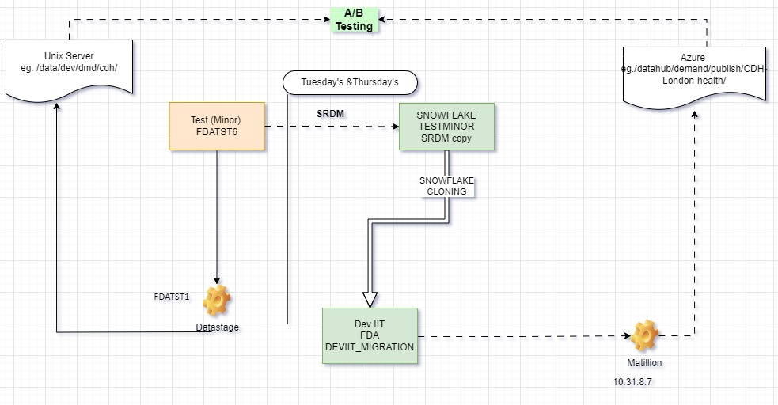
Input table / Output File for Data Stage | A
 | Database.Schema | Table Name
Input Table | FDATST6 | CMC_CLHC_COND_CODE CMC_CLCL_CLAIM CMC_CLCC_CARC_CODE FACILITY_FACT CMC_CDIO_L_ITS_OPL
 | FACTST2 | VW_MEMBER VW_MEMBER_ELIGIBILITY_FACT VW_CLIENT_CONTRACT_DETAIL VW_PRODUCT_CLIENT_CONTRACT PRODUCT

 | Unix Server | Location
Output File | britpuisapp74 | /data/prd/dmd/OCL/OCL_RECOVERY

Input table / File for Matillion | B
 | Database.Schema | Table Name
Input tables | FDADEVIIT_MIGRATION.FDA | LAB_DATA_FACT, PROCEDURES, LAB_CODE_REF, MEMBER, MEMBER_ELIGIBILITY_FACT, CLIENT_CONTRACT_DETAIL, MARKET_SEGMENT, COMMON_PRACTITIONER

Output Tables/Files Location B | ADLS | datahub/demand/publish/HCBB / LAB_DATA
Output File Name | LAB_M01_LANDMARK_O_MTHLY_LABMEM_DATA_********.txt

Enviornments/Databases Required | Snowflake | DEVIIT_MIGRATION
 | Netezza | TestMinor (FDATST6)
 | SQL | Nil
 | Oracle | Nil
Additional Access Required: | Unix UAT folder
Developer Contact for defects | Shekhar

Testing Activities:
AB Test Prep: | Update the AB Testing Config tables
Run: 1
Activity ID | Activity | Date | Day of week | AM/PM | Dependency | Responsibility
1 | Raise Ticket for DataStage Execution for next day with conformation that EDR/FDA flow has compelted |  | Friday | PM | 0 | Shiva, Testing Team,DC Team
2 | Confirm that DataStage process executed Successfully at expected time and created non empty file as expected |  | Monday | AM | 0 | Shiva, Testing Team,DC Team
3 | Raise SR request for cloning Snowflake TestMinor into DevIIT |  | Monday | AM | 0 | Testing Team
4 | Clone Testminor into DEV_IIT After SRDM completes |  | Monday | PM | 2 | Manoj,Ryo, Testing Team |  | DatStage
6 | Check if counts of required table's match between DevIIT and Testminor (optional) |  | Monday | PM | 0 | Testing Team, Amulya |  | 100
6 | Execute Matillion Job using DEV_IIT environment to create yesterday file (goal is not to compare outputs in cycle/Run 1 |  | Tuesday | AM | 4 | Chanchal(dev),Testing Team |  | 250
7 | Compare/(A)(B) Test the 2 output files generated by datastage and Matillion Process (If Full load Files)

Run: 2 | After Yesterday files generated from run 1 |  |  |  |  |  | Daily
Activity ID | Activity | Date | Day of week | AM/PM | Dependency | Responsibility
1 | Raise Ticket for DataStage Execution for next day with conformation that EDR/FDA flow has compelted |  | Tuesday | PM | 0 | Shiva, Testing Team,DC Team
2 | Confirm that DataStage process executed Successfully at expected time and created non empty file as expected |  | Wednesday | AM | 0 | Shiva, Testing Team,DC Team
3 | Raise SR request for cloning Snowflake TestMinor into DevIIT after SRDM Compeltion |  | Wednesday | AM | 0 | Testing Team
4 | Clone Testminor into DEV_IIT After SRDM completes |  | Wednesday | PM | 2 | Manoj,Ryo, Testing Team |  | DatStage
6 | Check if counts of required table's match between DevIIT and Testminor (optional) |  | Wednesday | PM | 0 | Testing Team, Amulya |  | 100
6 | Execute Matillion Job using DEV_IIT environment to create yesterday file (goal is not to compare outputs in cycle/Run 1 |  | Thursday | AM | 4 | Chanchal(dev),Testing Team |  | 250
14 | Compare/(A)(B) Test the 2 output files generated by datastage and Matillion Process |  | Friday | AM,PM | Steps 1 to 13 | Testing Team
15 | Raise Defects in ADO |  | Friday | AM | Steps 1 to 14 | Testing Team

Negative Test Cases | (optional)
 | Folder not present
 | No Input data /Tables

