Estimation
 | Choices & Notes
 |  |  |  | 1 | YCompany - eClaims (Enterprise Development Project) - eClaims Solution |  |  |  |  |  |  |  |  |  | Sales | N/A

Sales' Call
 |  |  |  |  | USD 213 K ● 949 PDs (190 Wk) |  |  |  | Effort: | No Change | 25% |  |  |  | Presales | Utsav Verma |  |  | Effort estimates are based on high level of analysis and may change on detailed analysis.
 |  |  |  |  | Auto: 35 Wk (9 M), Manual: 35 Wk (9 M) |  |  |  | Optionals: | Include |  |  |  |  | AG | Utsav Verma

 |  |  |  |  |  |  |  |  | Copy Image: | Compact | Full |  |  |  |  |  |  |  | Read Help for more details.
W0 | → |  |  |  |  |  | Unit |  |  |  |  | Complexity % |  |  | PDs / 1 M*
W1 | ← |  |  | Tasks |  | RFP Mapping | Name | # | x N | Effort (PDs) |  | H | M* | L | Unit | Calculated | (+/-) | w Extras | Out of scope / Assumptions / Result
S1 | ↑ | ↓ | A | Discovery / Requirement Analysis |  |  |  |  |  | 70
S1 |  |  | B | System Design, Framework and Test Cases |  |  |  |  |  | 73
S1 |  |  | C | Development and Unit Testing |  |  |  |  |  | 520
S1 |  |  | D | System Testing and Stabilization |  |  |  |  |  | 96
S1 |  |  | E | Deployment, UAT and Documentation |  |  |  |  |  | 120
S1 |  |  | F | Others |  |  |  |  |  | 70
W2 |  |  |  |  |  |  |  |  |  | 949

 |  |  |  | Functional Breakdown Summary

 |  |  |  | Functional breakdown summary shows complete list of development tasks and modules and adds % based effort from all other phases into each task. This gets the complete costing and effort per development task.

 |  |  |  | # | Name | Effort (PDs) | Cost (USD) |  | Format: | Default | Generate

 |  |  |  | 1 | Team ramp-up & development environment setup | 14.6 | 3270.4
 |  |  |  | → | Platform Bootstrap | 133.2 | 29836.8
 |  |  |  | 2 | Microservice base framework & cross-cutting layers | 29.2 | 6540.8
 |  |  |  | 3 | CI/CD pipeline & repository setup | 25.6 | 5734.4
 |  |  |  | 4 | Containerization & AWS runtime (Terraform, ECS Fargate, Multi-AZ) | 32.9 | 7369.6
 |  |  |  | 5 | ALB ingress, WAF & edge security bootstrap | 21.9 | 4905.6
 |  |  |  | 6 | Database & migration framework (RDS PostgreSQL, MongoDB Atlas, ElastiCache Redis) | 23.7 | 5308.8
 |  |  |  | → | Core Domain & Workflow Foundation | 142.4 | 31897.6
 |  |  |  | 7 | Auth Service & User/RBAC Service (6 roles, config-driven) | 32.9 | 7369.6
 |  |  |  | 8 | Configuration Service (feature flags, role-permission config) | 27.4 | 6137.6
 |  |  |  | 9 | Claim lifecycle state model & state machine | 27.4 | 6137.6
 |  |  |  | 10 | Workflow Engine — AWS Step Functions orchestration | 32.9 | 7369.6
 |  |  |  | 11 | Workflow event publishing & EventBridge integration | 21.9 | 4905.6
 |  |  |  | → | Domain Service Layer Implementation | 116.8 | 26163.2
 |  |  |  | 12 | Claims Service implementation | 51.1 | 11446.4
 |  |  |  | 13 | Incident Management Service (auto-assign, delegation, override) | 40.2 | 9004.8
 |  |  |  | 14 | Fraud Detection Service (rule-based flagging) | 25.6 | 5734.4
 |  |  |  | → | Integration & Adapter Layer | 120.5 | 26992.0
 |  |  |  | 15 | Event bus integration layer (EventBridge / SQS / SNS) | 25.6 | 5734.4
 |  |  |  | 16 | Notification Service (SNS / SES, multi-channel) | 29.2 | 6540.8
 |  |  |  | 17 | Payment Service (Stripe, PCI-DSS hosted page) | 32.9 | 7369.6
 |  |  |  | 18 | Document Service (S3 + OpenSearch, versioning, retention) | 32.9 | 7369.6
 |  |  |  | → | Background Jobs & Location Services | 40.2 | 9004.8
 |  |  |  | 19 | Location Service (workshop / rental lookup by geo) | 25.6 | 5734.4
 |  |  |  | 20 | Scheduled jobs & batch processing (Lambda) | 14.6 | 3270.4
 |  |  |  | → | API Layer Implementation | 116.8 | 26163.2
 |  |  |  | 21 | Common API framework & standards (OpenAPI, versioning) | 25.6 | 5734.4
 |  |  |  | 22 | Core claim capability APIs | 29.2 | 6540.8
 |  |  |  | 23 | Partner interaction APIs | 18.3 | 4099.2
 |  |  |  | 24 | Financial & settlement APIs | 18.3 | 4099.2
 |  |  |  | 25 | Reporting Service & dashboard APIs (Redshift aggregation) | 25.6 | 5734.4
 |  |  |  | → | UI Layer Implementation | 239.1 | 53558.4
 |  |  |  | 26 | UI architecture & platform setup (React, routing, state) | 21.9 | 4905.6
 |  |  |  | 27 | Shared UI component framework & design system | 29.2 | 6540.8
 |  |  |  | 28 | Customer Portal screens | 54.8 | 12275.2
 |  |  |  | 29 | Internal Portal screens (all six roles) | 51.1 | 11446.4
 |  |  |  | 30 | Partner Portal screens | 32.9 | 7369.6
 |  |  |  | 31 | Reporting & dashboard screens | 27.4 | 6137.6
 |  |  |  | 32 | UI integration testing & hardening | 21.9 | 4905.6
 |  |  |  | → | System Stabilization | 25.6 | 5734.4
 |  |  |  | 33 | Development hardening & code stabilization | 25.6 | 5734.4

 |  |  |  |  |  | 949 | 212,576

 |  |  |  | Pricing & Basic Schedule

 |  |  |  |  |  |  |  | Role-wise rates / effort distribution
 |  |  |  |  |  | PDs | Weeks | 224.0 | 224.0 | 224.0 | 224.0 | 224.0 | 224.0 | USD |  |  |  |  | 6-phase view: Schedule!B21
 |  |  |  |  |  |  |  | BA | TA | TL | DEV | QA | GD |  |  |  |  |  | Assumptions: Schedule!B31
 |  |  | Req | A | Discovery / Requirement Analysis | 70 | 14.0 | 30% | 5% | 0.1 | 0.4 | 0.15 |  | 15,680 |  |  |  |  | Excl. contingency; +15% advised
 |  |  | Design | B | System Design, Framework and Test Cases | 73 | 15.0 |  | 20% | 10% | 0.7 |  |  | 16,352
 |  |  | Dev. | C | Development and Unit Testing | 520 | 104.0 | 0.05 | 10% | 5% | 75% | 0.05 |  | 116,480
 |  |  | QA | D | System Testing and Stabilization | 96 | 19.0 | 0.05 | 5% | 5% | 55% | 30% |  | 21,504
 |  |  | UAT Etc. | E | Deployment, UAT and Documentation | 120 | 24.0 | 0.25 | 5% | 10% | 45% | 15% |  | 26,880
 |  |  | Others | F | Others | 70 | 14.0 |  | 20% | 80% |  |  |  | 15,680
 |  |  |  |  |  | 949 | 190 | ← TOTALS → |  |  |  |  |  | 212,576

 |  |  |  |  |  |  |  | Role-wise resource count / phase |  |  |  |  |  | Start Next After %
 |  |  |  |  |  | Start | End | BA | TA | TL | DEV | QA | GD
 |  |  |  | A | Discovery / Requirement Analysis | 2-Nov-26 | 1-Dec-26 | 1.0 | 0.2 | 0.3 | 1.5 | 0.5 |  | 0% |  | Auto-schedule chains phases, so PM (F) can only start after E starts. PM actually spans W0–W35. Plan of record = Schedule sheet (35 wks; go-live W33).
 |  |  |  | B | System Design, Framework and Test Cases | 3-Nov-26 | 3-Dec-26 |  | 0.7 | 0.4 | 2.5 |  |  | 85%
 |  |  |  | C | Development and Unit Testing | 29-Nov-26 | 22-Apr-27 | 0.3 | 0.5 | 0.3 | 3.8 | 0.3 |  | 75%
 |  |  |  | D | System Testing and Stabilization | 18-Mar-27 | 27-Apr-27 | 0.1 | 0.2 | 0.2 | 1.7 | 1.0 |  | 30%
 |  |  |  | E | Deployment, UAT and Documentation | 31-Mar-27 | 3-Jul-27 | 0.4 | 0.1 | 0.2 | 0.8 | 0.3 |  | 15%
 |  |  |  | F | Others | 15-Apr-27 | 2-Jul-27 |  | 0.3 | 1.0
 |  |  |  |  |  | Automated | 35 | Weeks |  | Ending at: | 2-Jul-27
 |  |  |  |  |  | Manual | 35 | Weeks |  | Ending at: | 2-Jul-27

 |  |  |  |  |  |  |  |  |  | For complete manual schedule details, | click here.

 |  |  |  | Estimation Support Settings |  |  |  |  |  |  |  |  |  |  |  |  |  |  | AG Estimation Template - Version 2.0.4

 |  |  |  |  | RFP Details
 |  |  |  |  | Client Name | YCompany
 |  |  |  |  | Project Name | eClaims
 |  |  |  |  | Platform | Enterprise
 |  |  |  |  | Project Type | Development
 |  |  |  |  | RFP Name | eClaims Solution
 |  |  |  |  | Is Key Opp? | -
 |  |  |  |  | Geography | USA
 |  |  |  |  | Currency | USD

 |  |  |  |  | Total effort is 949 PDs. How much up or down it can safely be without being way off? | Minimum (-) | Maximum (+)
 |  |  |  |  |  | -20% | 20%

 |  |  |  |  | Inbuilt Names (to use in Formula) |  | Special Unit Names
 |  |  |  |  | TOTAL_COST |  | As Dev Effort % | (Do not use inside development phase)
 |  |  |  |  | REQ_COST |  | As Duration % | (Uses manual duration)
 |  |  |  |  | DESIGN_COST
 |  |  |  |  | DEV_COST
 |  |  |  |  | QA_COST
 |  |  |  |  | UAT_COST
 |  |  |  |  | OTHER_COST
 |  |  |  |  | TOTAL_EFFORT
 |  |  |  |  | REQ_EFFORT
 |  |  |  |  | DESIGN_EFFORT
 |  |  |  |  | DEV_EFFORT
 |  |  |  |  | QA_EFFORT
 |  |  |  |  | UAT_EFFORT
 |  |  |  |  | OTHER_EFFORT
 |  |  |  |  | TOTAL_WEEKS
 |  |  |  |  | START_DATE
 |  |  |  |  | AUTOMATED_END_DATE
 |  |  |  |  | MANUAL_END_DATE
 |  |  |  |  | DURATION
 |  |  |  |  | MANUAL_DURATION

 |  |  |  |  | Complexity impact | % Values
 |  |  |  |  | High (+) | 50% | Used to get effort for High and Low complexity activities based on given medium complexity effort.
 |  |  |  |  | Low (-) | 25%

 |  |  |  |  | Extras | % Values
 |  |  |  |  | - | 0% | Added to calculated effort, when chosen.
 |  |  |  |  | Unit Testing | 25%
 |  |  |  |  | Unknowns | 10%
 |  |  |  |  | Extra 1 | 0%
 |  |  |  |  | Extra 2 | 0%
 |  |  |  |  | Extra 3 | 0%

 |  |  |  |  | Buffer types | % Values
 |  |  |  |  | Low | 10% | Added to final effort reached after +/- adjustments.
 |  |  |  |  | Medium | 15%
 |  |  |  |  | High | 20%

 |  |  |  | Templates

Help
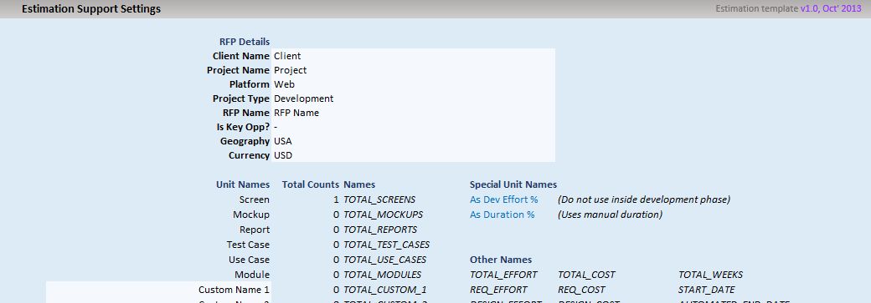
AG Estimation Template - Version 2.0.4 - HELP

This estimation template is designed and developed to facilicate following:
● |  | Get rid of all possibilities of formula errors
● |  | Keep archiects focused on the process of 'estimation' itself and not on ensuring formula correctness and keeping tasks grouping intact
● |  | Automating cost calculations
● |  | Automating basic scheduling with minimum and mostly standard inputs
● |  | Giving sales an opportuinity to play around with effort to reach desired costing without breaking the technical equilibrium
● |  | Giving pre-sales a simpler interface to pick estimation details or summary for use in final proposal
● |  | Giving MMs an easy and semi-automated and integrated worksheet for manual and optimized scheduling

Top 15 Features |  |  |  |  |  | There are tons of other features; which are very intutive and utilized on their own. Yet, you can have a look at |  |  |  |  |  |  | FAQs | for specific questions that
 |  |  |  |  |  | you may have. | If you still have more questions, send a mail at: |  |  |  | vikas.burman@nagarro.com

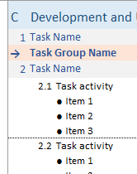
1
2
 |  |  |  |  | Multi-level Auto Numbering |  |  |  |  |  |  | Consistent 2-level Automated Grouping

 |  |  |  |  | It numbers and re-numbers tasks and activities |  |  |  |  |  |  | Across all phases, it does consistent two level grouping
 |  |  |  |  | automatically as you insert or remove items. |  |  |  |  |  |  | of tasks and activities; automatically as you insert or remove
 |  |  |  |  | Phase numbers are kept manual as this is generally fixed |  |  |  |  |  |  | items.
 |  |  |  |  | and rarely changes.
 |  |  |  |  | Task groups don't have numbers by default, but you can |  |  |  |  |  |  | A task group can bring in one level of logical seperation without
 |  |  |  |  | do manual numbering, if you need. |  |  |  |  |  |  | adding another level of grouping.

3

Controlled Insert/Delete

Since estimation sheet is password protected and does not allow adding/removing rows anywhere, it provieds simple command buttons to add tasks, activities and groups.
Add Before button add a task when not inside/on a section/task; when inside a task or on an activity, it adds an activity
Add After button do the same as Add Before, but insert new item on top of current row
Add Group adds a task group (can be used to define a module)
Remove button deletes the current row (which could be an activity, task or task group)
Move Up/Down buttons move current row up or down. Rows can cross phases as well.

4

100% Automated Calculations
 |  |  |  |  |  |  |  |  | Activities sum up at task level
All regular summation and calculations are baked in 100% safe formulae, that cannot |  |  |  |  |  |  |  |  | Tasks sum up at phase level
be overwritten accidently or otherwise; as cells are protected. |  |  |  |  |  |  |  |  | If task groups are inserted, tasks below a task group sum up at task group level.

This also facilitate upto last change reflection in effort, schedule and costing |  |  |  |  |  |  |  |  | The plase where a new task group is inserted, all tasks below that row untill
updates. |  |  |  |  |  |  |  |  | next task group or till the end of that phase, become part of that task group.

5
Automated Basic Scheduling

Given a start date and resource loading for each
phase, it creates basic schedule automatically.

Since focus of this template is not doing
optimized scheduling, it integrates with
possibility of doing manual scheduling
as well.

6
Costing Goes Hand-in-Hand

Define role wise rates and let it calculate the cost
as the estimation happens / changes are applied.
Instantly!

A summary of current cost always shows up
on top.

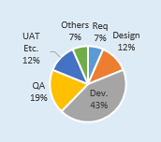
7
 |  |  |  |  |  |  |  |  |  |  |  |  |  |  | Graphical Effort Distribution
 | Aggregated Effort Per Task |  |  |  |  |  |  |  |  |  |  |  |  |  | Effort distribution per phase is shown
 |  |  |  |  |  |  |  |  |  |  |  |  |  |  | graphically for easy comprehension.
 | See aggregated effort (including requirement, design, testing, etc., per
8
 | development task and task group). All automated.
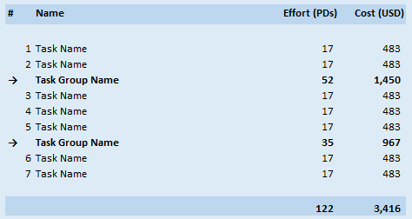

 |  |  |  |  |  |  |  |  | Ability to Add Buffer, Unit Testing, etc. Explicitely

9
 |  |  |  |  |  |  |  |  | Add explicit overheads per task in a collapsable area - outside the WBS,
 |  |  |  |  |  |  |  |  | to make your choices explicit.
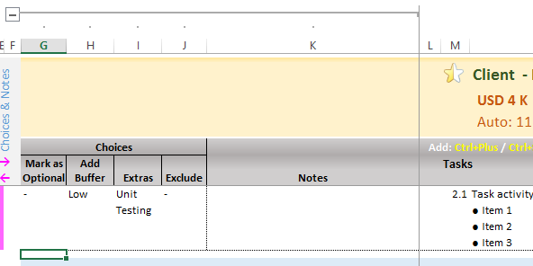

10
 | Sales have the final call!

 | Increase / Decrease effort all over WBS without breaking the
 | technical equilibrium - using given controls.

11
 | Optinally marked items which are generally good to have |  |  |  |  |  |  |  |  | Take it to Final Propsal
 | can be excluded if need be.
 |  |  |  |  |  |  |  |  |  | On a single click, take the WBS to final propsal as-is without breaking any formatting (as image).
 |  |  |  |  |  |  |  |  |  | Choose between Full or Compact view (all / selective (predefined) ) colums

12
 |  |  |  |  |  |  |  | Informative Edges

 |  |  |  |  |  |  | Left edge shows various colored lines to indicate extras; e.g., if item has
 |  |  |  |  |  |  | any error, or any effort markup is added (inside collapsable area).

 |  |  |  |  |  |  | Right edge shows the specific error on the line, if any.

 |  |  | Full Featured Estimation Area

 |  |  | Define Unit name, count and complexity mix. Define effort for 1 medium unit. Rest is calculated. Take final judgement over calculated effort by adding/reducing on it.
 |  |  | Extras such as Unit Testing, if chosen, also shows up.
13

14
 |  | In-Place Review Area

 |  | Review comments can be placed right inside the collapsable
 |  | area.

 |  | A yellow line indicate where all review comments are placed.
 |  | This is helpful especially when looking with all closed rows.

 |  | Finally, everything is configurable!

 |  |  |  | Use pre-defined names or define your own, if you still get situations where you want to write formulae in your estimation.
15

