HSA Gr2A Clara
Calculated results: Calc 1: Curve fitting (blank corrected) = Curve fitting UNK calculation (blank corrected) where Measurement: Meas A

Results for Meas A - (A)

 | 1 | 2 | 3 | 4 | 5 | 6 | 7 | 8 | 9 | 10 | 11 | 12
A | 0.043 | 0.852 | 0.829 | 0.788 | 1.04 | 1.031 | 0.799 | 0.81 | 0.795 | 0.741 | 1.233 | 1.301
B | 0.045 | 0.906 | 0.941 | 0.981 | 0.764 | 0.834 | 1.311 | 1.234 | 1.007 | 1.038 | 1.35 | 1.262
C | 0.046 | 1.212 | 1.155 | 1.151 | 0.763 | 1.232 | 0.972 | 0.942 | 0.711 | 0.79 | 0.476 | 0.521
D | 0.045 | 1.335 | 1.347 | 1.301 | 1.343 | 1.342 | 1.397 | 1.332 | 0.752 | 0.706 | 0.836 | 0.86
E | 0.052 | 1.534 | 1.554 | 1.571 | 1.122 | 1.037 | 0.76 | 0.708 | 0.736 | 0.849 | 0.892 | 0.938
F | 0.048 | 1.64 | 1.653 | 1.576 | 2.05 | 1.977 | 0.705 | 0.673 | 0.819 | 0.792 | 0.422 | 0.504
G | 0.045 | 1.814 | 1.848 | 1.711 | 1.252 | 1.099 | 0.677 | 0.704 | 0.831 | 0.927 | 1.22 | 1.143
H | 0.046 | 1.84 | 1.806 | 1.972 | 0.991 | 0.94 | 0.844 | 0.772 | 1.015 | 0.905 | 1.238 | 1.325

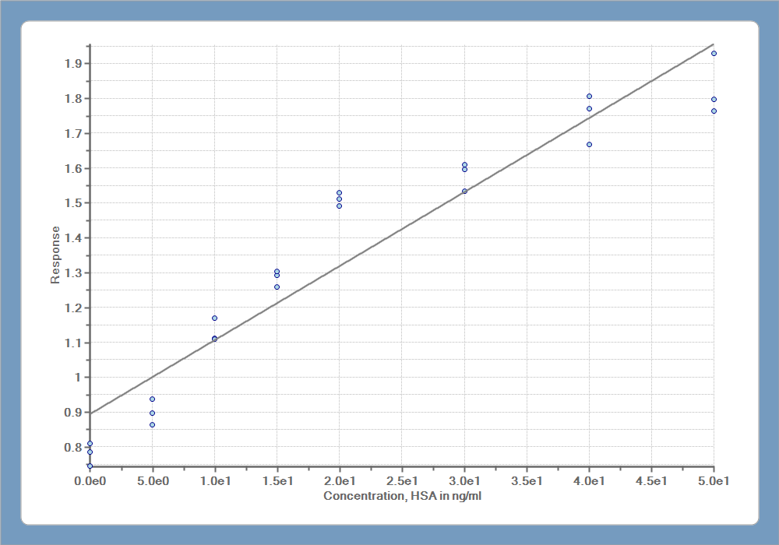

Exported with EnSpire Workstation version 3.00

