HSA Gr 2A Arno
Calculated results: Calc 1: Curve fitting (blank corrected) = Curve fitting UNK calculation (blank corrected) where Measurement: Meas A

 | 1 | 2 | 3 | 4 | 5 | 6 | 7 | 8 | 9 | 10 | 11 | 12
A | -42.043289907 | -8.6062165127 | -9.7396766277 | -7.2703528056 | -18.483511801 | -7.310833524 | -1.6840136672 | -6.7441034665 | -20.750432031 | -23.341198008 | -15.649861513 | -18.038223899
B | -41.800405596 | 4.9143434312 | 4.9143434312 | 4.1452097817 | -15.852265105 | -14.394959243 | -12.613807634 | -33.947146228 | -36.942719389 | -24.029370221 | -18.159666054 | -16.095149416
C | -41.96232847 | 13.050967828 | 15.196445903 | 11.877026995 | -3.2627616846 | -3.9104531789 | -0.226707805 | 3.0927111034 | -21.236200652 | -21.114758497 | -41.638482723 | -35.728297837
D | -42.002809188 | 18.839710559 | 18.394422657 | 18.961152714 | 26.207201307 | 23.899800358 | -22.28869933 | -22.410141485 | -9.1324658518 | -16.459475881 | -6.0154505354 | -4.5176639548
E | -42.002809188 | 25.680951968 | 23.85931964 | 24.507011134 | -7.5537178344 | -7.9585250183 | -22.167257175 | -22.572064359 | -18.523992519 | -22.976871543 | -5.2058361675 | -3.5866074317
F | -42.043289907 | 31.793540445 | 31.834021164 | 30.052869554 | -18.240627491 | -18.362069646 | -13.504383438 | -17.431013123 | -18.564473238 | -24.55561956 | -27.915519187 | -26.458213325
G | -42.002809188 | 40.132568435 | 42.561411538 | 40.820740647 | -18.200146772 | -19.576491198 | -19.900336945 | -17.228609531 | -19.050241858 | -18.726396111 | -6.0559312538 | -9.5372730357
H | -42.083770625 | 46.28563763 | 44.949773923 | 42.844776567 | -6.8250649033 | -6.6226613113 | -11.642270392 | -17.026205939 | -13.828229186 | -15.245054329 | 0.09713794219 | -29.494267204

Results for Meas A - (A)

 | 1 | 2 | 3 | 4 | 5 | 6 | 7 | 8 | 9 | 10 | 11 | 12
A | 0.045 | 0.871 | 0.843 | 0.904 | 0.627 | 0.903 | 1.042 | 0.917 | 0.571 | 0.507 | 0.697 | 0.638
B | 0.051 | 1.205 | 1.205 | 1.186 | 0.692 | 0.728 | 0.772 | 0.245 | 0.171 | 0.49 | 0.635 | 0.686
C | 0.047 | 1.406 | 1.459 | 1.377 | 1.003 | 0.987 | 1.078 | 1.16 | 0.559 | 0.562 | 0.055 | 0.201
D | 0.046 | 1.549 | 1.538 | 1.552 | 1.731 | 1.674 | 0.533 | 0.53 | 0.858 | 0.677 | 0.935 | 0.972
E | 0.046 | 1.718 | 1.673 | 1.689 | 0.897 | 0.887 | 0.536 | 0.526 | 0.626 | 0.516 | 0.955 | 0.995
F | 0.045 | 1.869 | 1.87 | 1.826 | 0.633 | 0.63 | 0.75 | 0.653 | 0.625 | 0.477 | 0.394 | 0.43
G | 0.046 | 2.075 | 2.135 | 2.092 | 0.634 | 0.6 | 0.592 | 0.658 | 0.613 | 0.621 | 0.934 | 0.848
H | 0.044 | 2.227 | 2.194 | 2.142 | 0.915 | 0.92 | 0.796 | 0.663 | 0.742 | 0.707 | 1.086 | 0.355

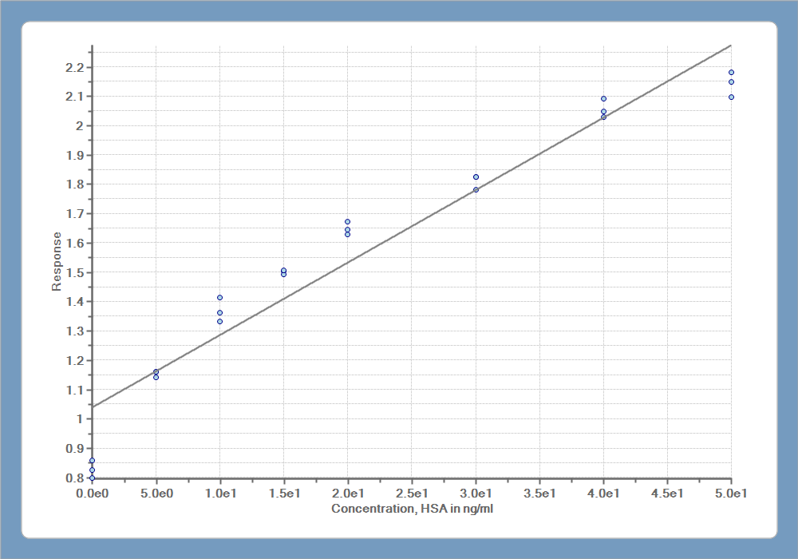

Exported with EnSpire Workstation version 3.00

