Sheet2
 | Cấu trúc
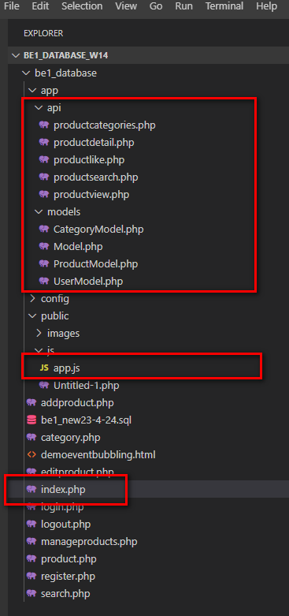

 |  | 1.Viết function form app.js

 |  | 2.Tạo file php ở folder api

 |  | 3. Viết function Model

 | 1. Chức năng view, like
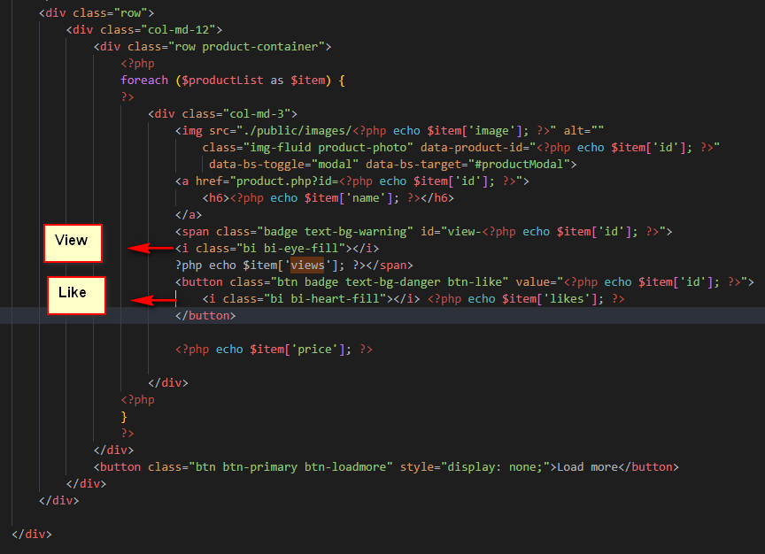

VIEW | file app.js
const productPhoto = document.querySelectorAll('.product-photo');
const productContainer = document.querySelector('.product-container');
// productPhoto.forEach(element => {
// element.addEventListener('click', function () {
// const id = this.dataset.productId;
// getProductById(id);
// });
// });
productContainer.addEventListener('click', function (e) {
if (e.target.classList.contains('product-photo')) {
const id = e.target.dataset.productId;
getProductById(id);
}
if (e.target.classList.contains('btn-like') ||e.target.parentElement.classList.contains('btn-like')) {
console.log('aaaa');
const id = e.target.value || e.target.parentElement.value;
const t = (e.target.classList.contains('btn-like')) ? e.target : e.target.parentElement;
const likedProducts = JSON.parse(localStorage.getItem('likedProducts')) || [];
if (likedProducts.includes(id) == false) {
like(id, t);
likedProducts.push(id);
localStorage.setItem('likedProducts', JSON.stringify(likedProducts));
}
}
});
const productModal = document.querySelector('#productModal');
const baseUrl = window.location.href;
async function getProductById(id) {
productModal.querySelector('.modal-body').textContent = "Loading...";
// 1
let url = 'app/api/productdetail.php';
let data = { productId: id };
// 2
let response = await fetch(url, {
method: 'POST',
body: JSON.stringify(data)
});
// 3
let result = await response.json();
productModal.querySelector('#productModalLabel').textContent = result.name;
productModal.querySelector('.modal-body').innerHTML = `
<div class="row">
<div class="col-md-4">
<img src="public/images/${result.image}" alt="" class="img-fluid">
</div>
<div class="col-md-8">
<p>${result.price}</p>
<div>${result.description}</div>
</div>
</div>`;
history.pushState({ productId: result.id }, "", slug(result.name));
// Tăng view
// 1
url = 'app/api/productview.php';
data = { productId: id };
// 2
response = await fetch(url, {
method: 'POST',
body: JSON.stringify(data)
});
// 3
result = await response.json();
document.querySelector(`#view-${id}`).innerHTML
= `<i class="bi bi-eye-fill"></i> ${result.views}`;
}
productModal.addEventListener('hide.bs.modal', event => {
history.pushState(null, "", baseUrl);
})
function slug(str) {
return String(str)
.normalize('NFKD').replace(/[\u0300-\u036f]/g, '').replace(/[đĐ]/g, 'd') //Xóa dấu
.trim().toLowerCase() //Cắt khoảng trắng đầu, cuối và chuyển chữ thường
.replace(/[^a-z0-9\s-]/g, '') //Xóa ký tự đặc biệt
.replace(/[\s-]+/g, '-') //Thay khoảng trắng bằng dấu -, ko cho 2 -- liên tục
}
file productview.php
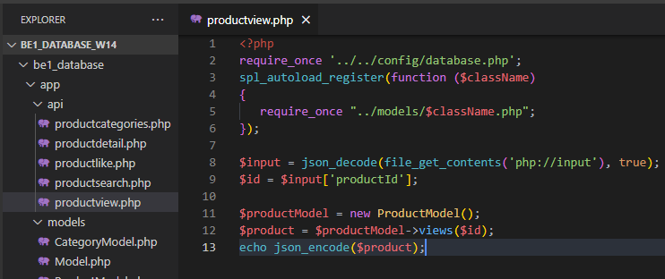

file Model (ProductModel.php)
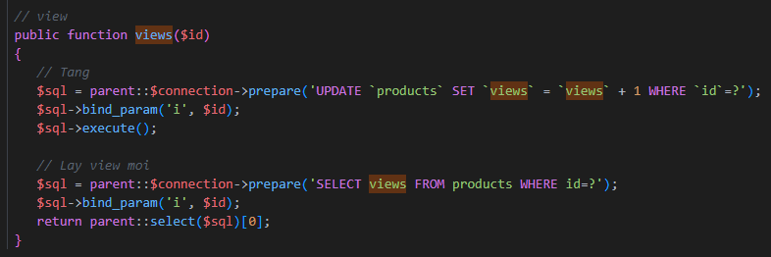

public function views($id)
{
// Tang
$sql = parent::$connection->prepare('UPDATE `products` SET `views` = `views` + 1 WHERE `id`=?');
$sql->bind_param('i', $id);
$sql->execute();
// Lay view moi
$sql = parent::$connection->prepare('SELECT views FROM products WHERE id=?');
$sql->bind_param('i', $id);
return parent::select($sql)[0];
}

