Table Of Contents
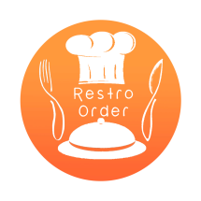
Restro Order Reports

Sunday, December 11, 2016

Table Of Contents
Summary

Daily Purchase Report

Daily Sales Report

Card Transactions

Cheque Transactions

Daily Stock Report

Customer Balance

Vendor Balance

