Table Of Contents
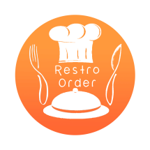
Restro Order Reports

Wednesday, July 26, 2023

Table Of Contents
Summary

Daily Purchase Report

Daily Sales Report

Card Transactions

Cheque Transactions

Daily Stock Report

Customer Balance

Vendor Balance

