Total CF Example
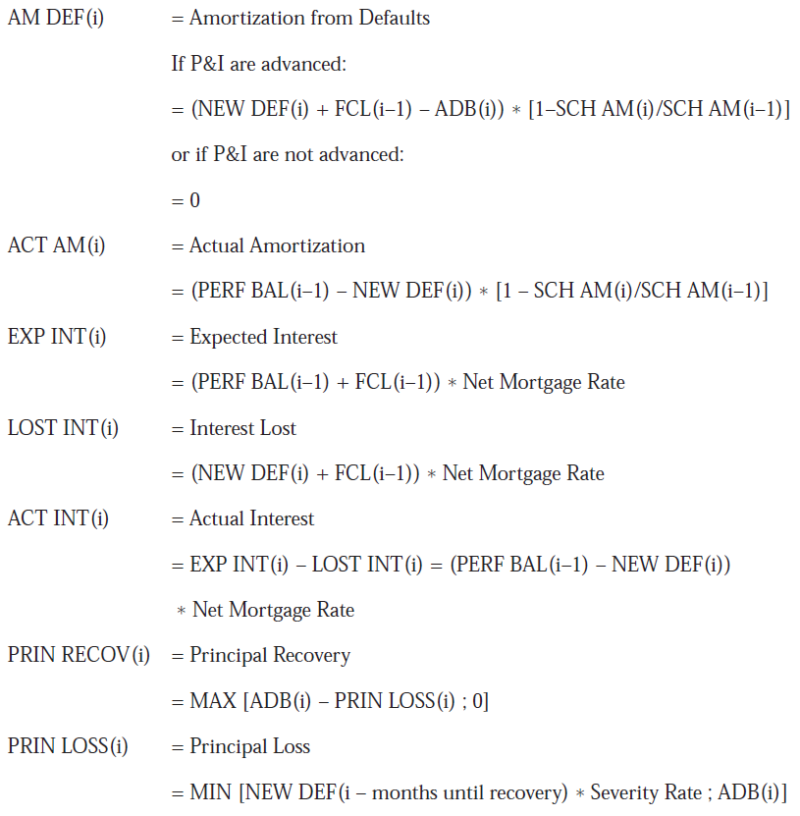
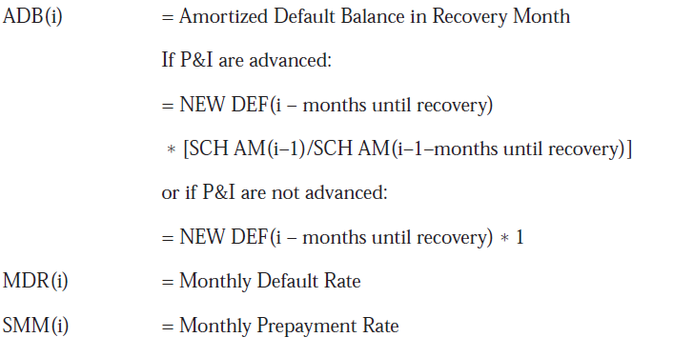
 | WAC | 8% |  |  | Prepay Rate | 1% | SMM |  | Time to liquidation |  | 12 | months
 | WAM | 360 |  |  | Default Rate | 1% | MDR
 |  |  |  |  | Severity | 20%
 |  |  |  |  |  |  | Amort |  |  |  |  |  |  | Amortized Default Bal
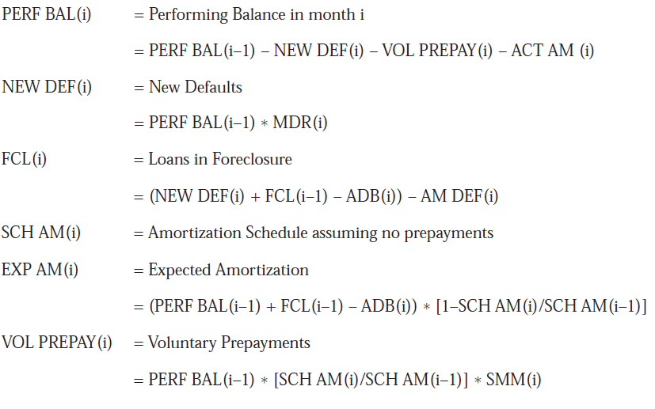
 | Performing | New | In | Amort | Expected | Voluntary | From | Actual | Expected | Interest | Actual | Principal | Principal | In Recovery | Default | Prepay
Month | Balance | Defaults | Foreclosure | Factor | Amortization | Prepayments | Defaults | Amort | Interest | Lost | Interest | Recovery | Loss | Month | Rate | Rate
 | 100,000,000 |  |  | 1
1 | 97,934,244 | 1,000,000 | 999,329 | 0.9993290 | 67,098 | 999,329 | 671 | 66,427 | 666,667 | 6,667 | 660,000 |  |  |  | 0.01 | 0.01
2 | 95,910,689 | 979,342 | 1,977,334 | 0.9986536 | 66,870 | 978,680 | 1,337 | 65,532 | 659,557 | 13,191 | 646,366 |  |  |  | 0.01 | 0.01
3 | 93,928,478 | 959,107 | 2,934,442 | 0.9979736 | 66,649 | 958,454 | 1,999 | 64,650 | 652,587 | 19,576 | 633,011 |  |  |  | 0.01 | 0.01
4 | 91,986,774 | 939,285 | 3,871,069 | 0.9972891 | 66,436 | 938,641 | 2,657 | 63,779 | 645,753 | 25,825 | 619,928 |  |  |  | 0.01 | 0.01
5 | 90,084,753 | 919,868 | 4,787,627 | 0.9966001 | 66,231 | 919,232 | 3,310 | 62,920 | 639,052 | 31,940 | 607,113 |  |  |  | 0.01 | 0.01
6 | 88,221,612 | 900,848 | 5,684,515 | 0.9959064 | 66,032 | 900,221 | 3,959 | 62,073 | 632,483 | 37,923 | 594,559 |  |  |  | 0.01 | 0.01
7 | 86,396,561 | 882,216 | 6,562,127 | 0.9952082 | 65,841 | 881,598 | 4,604 | 61,237 | 626,041 | 43,778 | 582,263 |  |  |  | 0.01 | 0.01
8 | 84,608,828 | 863,966 | 7,420,848 | 0.9945052 | 65,658 | 863,355 | 5,245 | 60,412 | 619,725 | 49,507 | 570,217 |  |  |  | 0.01 | 0.01
9 | 82,857,654 | 846,088 | 8,261,054 | 0.9937976 | 65,481 | 845,486 | 5,882 | 59,599 | 613,531 | 55,113 | 558,418 |  |  |  | 0.01 | 0.01
10 | 81,142,299 | 828,577 | 9,083,115 | 0.9930853 | 65,312 | 827,983 | 6,515 | 58,796 | 607,458 | 60,598 | 546,861 |  |  |  | 0.01 | 0.01
11 | 79,462,034 | 811,423 | 9,887,394 | 0.9923682 | 65,149 | 810,837 | 7,145 | 58,005 | 601,503 | 65,964 | 535,539 |  |  |  | 0.01 | 0.01
12 | 77,816,148 | 794,620 | 10,674,244 | 0.9916464 | 64,994 | 794,042 | 7,770 | 57,223 | 595,663 | 71,213 | 524,449 |  |  |  | 0.01 | 0.01
13 | 76,203,943 | 778,161 | 10,453,093 | 0.9909197 | 64,118 | 777,591 | 7,666 | 56,453 | 589,936 | 76,349 | 513,587 | 791,646 | 200,000 | 991,646 | 0.01 | 0.01
14 | 74,624,734 | 762,039 | 10,236,469 | 0.9901882 | 63,255 | 761,477 | 7,562 | 55,693 | 577,714 | 74,768 | 502,946 | 775,233 | 195,868 | 971,101 | 0.01 | 0.01
15 | 73,077,852 | 746,247 | 10,024,279 | 0.9894518 | 62,403 | 745,692 | 7,460 | 54,943 | 565,741 | 73,218 | 492,523 | 759,155 | 191,821 | 950,977 | 0.01 | 0.01
16 | 71,562,639 | 730,779 | 9,816,434 | 0.9887105 | 61,563 | 730,231 | 7,360 | 54,203 | 554,014 | 71,700 | 482,314 | 743,407 | 187,857 | 931,264 | 0.01 | 0.01
17 | 70,078,454 | 715,626 | 9,612,844 | 0.9879642 | 60,734 | 715,086 | 7,261 | 53,473 | 542,527 | 70,214 | 472,313 | 727,982 | 183,974 | 911,955 | 0.01 | 0.01
18 | 68,624,665 | 700,785 | 9,413,424 | 0.9872130 | 59,916 | 700,252 | 7,163 | 52,753 | 531,275 | 68,758 | 462,518 | 712,872 | 180,170 | 893,041 | 0.01 | 0.01
19 | 67,200,655 | 686,247 | 9,218,089 | 0.9864568 | 59,109 | 685,721 | 7,067 | 52,042 | 520,254 | 67,331 | 452,923 | 698,072 | 176,443 | 874,515 | 0.01 | 0.01
20 | 65,805,819 | 672,007 | 9,026,756 | 0.9856955 | 58,313 | 671,488 | 6,971 | 51,341 | 509,458 | 65,934 | 443,524 | 683,575 | 172,793 | 856,368 | 0.01 | 0.01
21 | 64,439,565 | 658,058 | 8,839,343 | 0.9849292 | 57,528 | 657,547 | 6,878 | 50,650 | 498,884 | 64,565 | 434,318 | 669,376 | 169,218 | 838,593 | 0.01 | 0.01
22 | 63,101,310 | 644,396 | 8,655,771 | 0.9841577 | 56,753 | 643,891 | 6,785 | 49,968 | 488,526 | 63,225 | 425,301 | 655,467 | 165,715 | 821,183 | 0.01 | 0.01
23 | 61,790,487 | 631,013 | 8,475,962 | 0.9833811 | 55,989 | 630,515 | 6,694 | 49,295 | 478,381 | 61,912 | 416,469 | 641,844 | 162,285 | 804,129 | 0.01 | 0.01
24 | 60,506,537 | 617,905 | 8,299,839 | 0.9825994 | 55,235 | 617,414 | 6,603 | 48,631 | 468,443 | 60,626 | 407,817 | 628,500 | 158,924 | 787,424 | 0.01 | 0.01

Sheet4
Age | CPR
1 | 0.20
2 | 0.40
3 | 0.60
4 | 0.80
PSA Curve
5 | 1.00
6 | 1.20
7 | 1.40
8 | 1.60
9 | 1.80
10 | 2.00
11 | 2.20
12 | 2.40
13 | 2.60
14 | 2.80
15 | 3.00
16 | 3.20
17 | 3.40
18 | 3.60
19 | 3.80
20 | 4.00
21 | 4.20
22 | 4.40
23 | 4.60
24 | 4.80
25 | 5.00
26 | 5.20
27 | 5.40
28 | 5.60
29 | 5.80
30 | 6.00
31 | 6.00
32 | 6.00
33 | 6.00
34 | 6.00
35 | 6.00
36 | 6.00
37 | 6.00
38 | 6.00
39 | 6.00
40 | 6.00
41 | 6.00
42 | 6.00
43 | 6.00
44 | 6.00
45 | 6.00
46 | 6.00
47 | 6.00
48 | 6.00
49 | 6.00
50 | 6.00
51 | 6.00
52 | 6.00
53 | 6.00
54 | 6.00
55 | 6.00
56 | 6.00
57 | 6.00
58 | 6.00
59 | 6.00
60 | 6.00

