G2511J
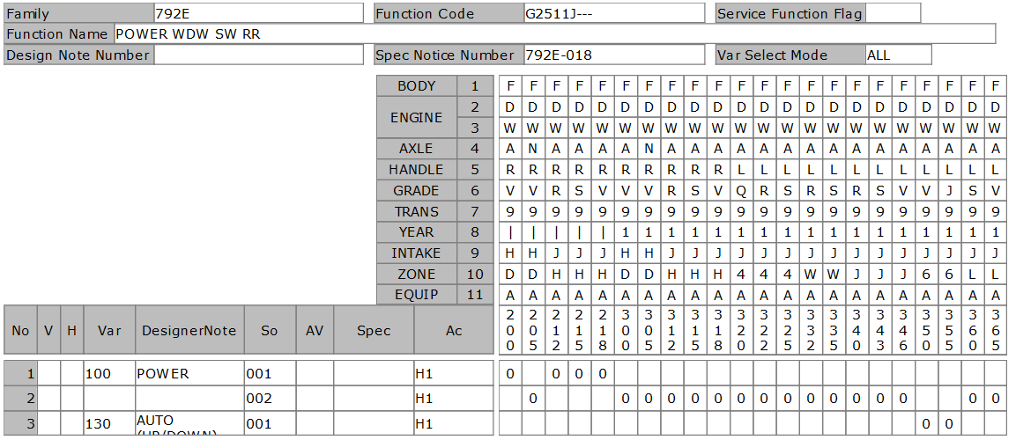
DATE |  |  |  | 4/2/20
User-ID |  |  |  | KNT04421
Name |  |  |  | ICHIKAWA MASASHI
Sect
Design Note |  |  |  | KNT04421_792E_G2511J_792E-021_20200402110042
Family Code |  |  |  | 792E
Function Code |  |  |  | G2511J---
Function Name |  |  |  | POWER WDW SW RR
Spec Notice No |  |  |  | 7.92E-19

P-TYPE | Spec Notice No | Issued data |  |  |  |  |  |  |  |  |  |  |  |  |  |  |  |  |  |  |  |  |  |  |  |  |  |  |  |  |  |  |  |  |  |  |  | BODY |  |  |  |  |  |  | F | F | F | F | F
 |  |  |  |  |  |  |  |  |  |  |  |  |  |  |  |  |  |  |  |  |  |  |  |  |  |  |  |  |  |  |  |  |  |  |  |  |  | ENGINE1 |  |  |  |  |  |  | D | D | D | D | D
 |  |  |  |  |  |  |  |  |  |  |  |  |  |  |  |  |  |  |  |  |  |  |  |  |  |  |  |  |  |  |  |  |  |  |  |  |  |  |  |  |  |  |  |  | W | W | W | W | W
 |  |  |  |  |  |  |  |  |  |  |  |  |  |  |  |  |  |  |  |  |  |  |  |  |  |  |  |  |  |  |  |  |  |  |  |  |  | AXLE |  |  |  |  |  |  | A | N | A | A | A
 |  |  |  |  |  |  |  |  |  |  |  |  |  |  |  |  |  |  |  |  |  |  |  |  |  |  |  |  |  |  |  |  |  |  |  |  |  | HANDLE |  |  |  |  |  |  | R | R | R | R | R
 |  |  |  |  |  |  |  |  |  |  |  |  |  |  |  |  |  |  |  |  |  |  |  |  |  |  |  |  |  |  |  |  |  |  |  |  |  | GRADE |  |  |  |  |  |  | V | V | R | S | V
 |  |  |  |  |  |  |  |  |  |  |  |  |  |  |  |  |  |  |  |  |  |  |  |  |  |  |  |  |  |  |  |  |  |  |  |  |  | TRANS |  |  |  |  |  |  | 9 | 9 | 9 | 9 | 9
 |  |  |  |  |  |  |  |  |  |  |  |  |  |  |  |  |  |  |  |  |  |  |  |  |  |  |  |  |  |  |  |  |  |  |  |  |  | YEAR |  |  |  |  |  |  | 1 | 1 | 1 | 1 | 1
 |  |  |  |  |  |  |  |  |  |  |  |  |  |  |  |  |  |  |  |  |  |  |  |  |  |  |  |  |  |  |  |  |  |  |  |  |  | INTAKE |  |  |  |  |  |  | H | H | J | J | J
 |  |  |  |  |  |  |  |  |  |  |  |  |  |  |  |  |  |  |  |  |  |  |  |  |  |  |  |  |  |  |  |  |  |  |  |  |  | ZONE |  |  |  |  |  |  | D | D | H | H | H
 |  |  |  |  |  |  |  |  |  |  |  |  |  |  |  |  |  |  |  |  |  |  |  |  |  |  |  |  |  |  |  |  |  |  |  |  |  | EQUIP |  |  |  |  |  |  | A | A | A | A | A
 |  |  | Category |  | Cond | Obj Class |  | Object | ObjectNm | Criteria |  | Limit |  | Comb reason |  | New name |  | CriteriaNm |  |  |  |  |  |  |  |  | Remarks |  |  |  |  |  |  |  | Spec code | SPEC NOTICE# |  | Applied Model No. |  |  |  |  |  |  | 300 | 305 | 312 | 315 | 318
 |  |  |  |  |  | COCKPIT |  | 307 | REAR WINDOW OPENING SYSTE | RDPW1 |  | x |  | RR-WDW_TYPE |  | POWER |  | REAR DOOR POWER WINDOW 1 |  |  |  |  |  |  |  |  | POWER |  |  |  |  |  |  |  |  | 7.92E-16 |  |  |  |  |  |  |  |  | 0 | 0 | 0 | 0 | 0
 |  |  |  |  |  |  |  |  |  | RDPW2 |  | x |  | RR-WDW_TYPE |  | AUTO_UP-DOWN |  | REAR DOOR POWER WINDOW 2 |  |  |  |  |  |  |  |  | POWER + ONE TOUCH UP/DOWN (W/ ANTI-PINCH FUNCTION) |  |  |  |  |  |  |  |  | 7.92E-16

Simulation result |  |  |  |  |  | VAR | Var. No. | Designer Note |  |  | REAR WINDOW OPENING SYSTE |  |  |  |  |  |  |  |  |  |  |  |  |  |  |  |  |  |  |  |  |  | Eng. Memo |  | Spec code | SPEC NOTICE# |  | Applied Model No. |  |  |  |  |  |  | 300 | 305 | 312 | 315 | 318
 |  |  |  |  |  | A00 | 100 | POWER |  |  | POWER |  |  |  |  |  |  |  |  |  |  |  |  |  |  |  |  |  |  |  |  |  |  |  |  | 7.92E-19 |  |  |  |  |  |  |  |  | 0 | 0 | 0 | 0 | 0

B-TYPE ASSY |  |  |  |  |  | Var. No. | Design Loc | Designer Note |  |  | SOL |  | SI | Status | Part No. |  | Part Name | Part Spec. | PC | SU | M/B | UNIT | case# | GR | NmSp#1 | NmSp#2 |  | NmSp#3 | NmSp#4 | SpSelDuDT | TechFileSuDt | Drawing / Shape No |  | DWG chg
 |  |  |  |  |  | 100 | NSEA | POWER |  |  | 1 |  | 10 | PR | 254114CE0A |  | SW UNIT-POWER WDW,ASST |  | 2 | O | B | PIECE |  |  |  |  |  |  |  |  |  | 254114CE0AGX |  | 0
 |  |  |  |  |  |  | NML | POWER |  |  | 2 |  | 10 | IPL | 254114CE0A |  | SW UNIT-POWER WDW,ASST |  | 2 | O | B | PIECE |  |  |  |  |  |  |  |  |  | 254114CE0AGX |  | 0
 |  |  |  |  |  | 130 | NML | AUTO(UP/DOWN) |  |  | 1 |  | 10 | IPL | 25411HV02B |  | SW UNIT-POWER WDW |  | 2 | O | B | PIECE |  |  |  |  |  |  |  |  |  | 25411HV01BB1 |  | -2
 |  |  |  |  |  |  |  |  |  |  |  |  |  |  |  |  |  |  |  |  |  |  |  |  |  |  |  |  |  |  |  |  |  |  |  |  |  |  |  |  |  |  |  |  | 3 | 3 | 3 | 3 | 3
 |  |  |  |  |  |  |  |  |  |  |  |  |  |  |  |  |  |  |  |  |  |  |  |  |  |  |  |  |  |  |  |  |  |  |  |  |  |  |  |  |  |  |  |  | 0 | 0 | 1 | 1 | 1
 |  |  |  |  |  |  |  |  |  |  |  |  |  |  |  |  |  |  |  |  |  |  |  |  |  |  |  |  |  |  |  |  |  |  |  |  |  |  |  |  |  |  |  |  | 0 | 5 | 2 | 5 | 8
 |  |  |  |  |  |  |  |  |  |  |  |  |  |  |  |  |  |  |  |  |  |  |  |  |  |  |  |  |  |  |  |  |  |  |  |  |  | V | Var | So | Ac | Designer Note/SpecCode | Criteria | D/N #
 |  |  |  |  |  |  |  |  |  |  |  |  |  |  |  |  |  |  |  |  |  |  |  |  |  |  |  |  |  |  |  |  |  |  |  |  | CHG |  | '100 | '001 | H1 | POWER |  | 'TYD935 | N | N | N | N | N
 |  |  |  |  |  |  |  |  |  |  |  |  |  |  |  |  |  |  |  |  |  |  |  |  |  |  |  |  |  |  |  |  |  |  |  |  | CHG |  | '100 | '002 | H1 | POWER |  | 'TYD935 | X | X | X | X | X

G25123
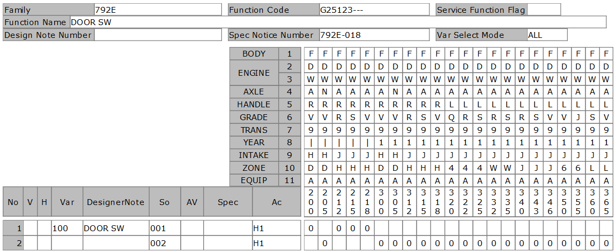
DATE |  |  |  | 4/2/20
User-ID |  |  |  | KNT04421
Name |  |  |  | ICHIKAWA MASASHI
Sect
Design Note |  |  |  | KNT04421_792E_G25123_792E-021_20200402154442
Family Code |  |  |  | 792E
Function Code |  |  |  | G25123---
Function Name |  |  |  | DOOR SW
Spec Notice No |  |  |  | 7.92E-19

P-TYPE | Spec Notice No | Issued data |  |  |  |  |  |  |  |  |  |  |  |  |  |  |  |  |  |  |  |  |  |  |  |  |  |  |  |  |  |  |  |  |  |  |  | BODY |  |  |  |  |  |  | F | F | F | F | F
 |  |  |  |  |  |  |  |  |  |  |  |  |  |  |  |  |  |  |  |  |  |  |  |  |  |  |  |  |  |  |  |  |  |  |  |  |  | ENGINE1 |  |  |  |  |  |  | D | D | D | D | D
 |  |  |  |  |  |  |  |  |  |  |  |  |  |  |  |  |  |  |  |  |  |  |  |  |  |  |  |  |  |  |  |  |  |  |  |  |  |  |  |  |  |  |  |  | W | W | W | W | W
 |  |  |  |  |  |  |  |  |  |  |  |  |  |  |  |  |  |  |  |  |  |  |  |  |  |  |  |  |  |  |  |  |  |  |  |  |  | AXLE |  |  |  |  |  |  | A | N | A | A | A
 |  |  |  |  |  |  |  |  |  |  |  |  |  |  |  |  |  |  |  |  |  |  |  |  |  |  |  |  |  |  |  |  |  |  |  |  |  | HANDLE |  |  |  |  |  |  | R | R | R | R | R
 |  |  |  |  |  |  |  |  |  |  |  |  |  |  |  |  |  |  |  |  |  |  |  |  |  |  |  |  |  |  |  |  |  |  |  |  |  | GRADE |  |  |  |  |  |  | V | V | R | S | V
 |  |  |  |  |  |  |  |  |  |  |  |  |  |  |  |  |  |  |  |  |  |  |  |  |  |  |  |  |  |  |  |  |  |  |  |  |  | TRANS |  |  |  |  |  |  | 9 | 9 | 9 | 9 | 9
 |  |  |  |  |  |  |  |  |  |  |  |  |  |  |  |  |  |  |  |  |  |  |  |  |  |  |  |  |  |  |  |  |  |  |  |  |  | YEAR |  |  |  |  |  |  | 1 | 1 | 1 | 1 | 1
 |  |  |  |  |  |  |  |  |  |  |  |  |  |  |  |  |  |  |  |  |  |  |  |  |  |  |  |  |  |  |  |  |  |  |  |  |  | INTAKE |  |  |  |  |  |  | H | H | J | J | J
 |  |  |  |  |  |  |  |  |  |  |  |  |  |  |  |  |  |  |  |  |  |  |  |  |  |  |  |  |  |  |  |  |  |  |  |  |  | ZONE |  |  |  |  |  |  | D | D | H | H | H
 |  |  |  |  |  |  |  |  |  |  |  |  |  |  |  |  |  |  |  |  |  |  |  |  |  |  |  |  |  |  |  |  |  |  |  |  |  | EQUIP |  |  |  |  |  |  | A | A | A | A | A
 |  |  | Category |  | Cond | Obj Class |  | Object | ObjectNm | Criteria |  | Limit |  | Comb reason |  | New name |  | CriteriaNm |  |  |  |  |  |  |  |  | Remarks |  |  |  |  |  |  |  | Spec code | SPEC NOTICE# |  | Applied Model No. |  |  |  |  |  |  | 300 | 305 | 312 | 315 | 318
 |  |  |  |  |  | TYPE OF VEHICLE |  | 8 | TYPE OF VEHICLE | FMQ |  | x |  | DOOR TYPE |  | DOOR-SW*4 |  | 5 DOORS H/B |  |  |  |  |  |  |  |  |  |  |  |  |  |  |  |  |  |  |  |  |  |  |  |  |  |  | 0 | 0 | 0 | 0 | 0

Simulation result |  |  |  |  |  | VAR | Var. No. | Designer Note |  |  | TYPE OF VEHICLE |  |  |  |  |  |  |  |  |  |  |  |  |  |  |  |  |  |  |  |  |  | Eng. Memo |  | Spec code | SPEC NOTICE# |  | Applied Model No. |  |  |  |  |  |  | 300 | 305 | 312 | 315 | 318
 |  |  |  |  |  | A00 | 100 | DOOR SW |  |  | DOOR-SW*4 |  |  |  |  |  |  |  |  |  |  |  |  |  |  |  |  |  |  |  |  |  |  |  |  | 7.92E-19 |  |  |  |  |  |  |  |  | 0 | 0 | 0 | 0 | 0

B-TYPE ASSY |  |  |  |  |  | Var. No. | Design Loc | Designer Note |  |  | SOL |  | SI | Status | Part No. |  | Part Name | Part Spec. | PC | SU | M/B | UNIT | case# | GR | NmSp#1 | NmSp#2 |  | NmSp#3 | NmSp#4 | SpSelDuDT | TechFileSuDt | Drawing / Shape No |  | DWG chg
 |  |  |  |  |  | 100 | NSEA | DOOR SW |  |  | 1 |  | 10 | PR | 253601HA0B |  | SW ASSY-DOOR |  | 4 | O | B | PIECE |  |  |  |  |  |  |  |  |  | 253601HA0BG1 |  | 0
 |  |  |  |  |  |  |  |  |  |  |  |  | 20 | PR | 253651VA0A |  | SCR-MACH,SPL |  | 4 | O | B | PIECE |  |  |  |  |  |  |  |  |  | 253651VA0ATY |  | -1
 |  |  |  |  |  |  | NML | DOOR SW |  |  | 2 |  | 10 | IPL | 253601HA0B |  | SW ASSY-DOOR |  | 4 | O | B | PIECE |  |  |  |  |  |  |  |  |  | 253601HA0BG1 |  | 0
 |  |  |  |  |  |  |  |  |  |  |  |  | 20 | IPL | 253651VA0A |  | SCR-MACH,SPL |  | 4 | O | B | PIECE |  |  |  |  |  |  |  |  |  | 253651VA0ATY |  | -1
 |  |  |  |  |  |  |  |  |  |  |  |  |  |  |  |  |  |  |  |  |  |  |  |  |  |  |  |  |  |  |  |  |  |  |  |  |  |  |  |  |  |  |  |  | 3 | 3 | 3 | 3 | 3
 |  |  |  |  |  |  |  |  |  |  |  |  |  |  |  |  |  |  |  |  |  |  |  |  |  |  |  |  |  |  |  |  |  |  |  |  |  |  |  |  |  |  |  |  | 0 | 0 | 1 | 1 | 1
 |  |  |  |  |  |  |  |  |  |  |  |  |  |  |  |  |  |  |  |  |  |  |  |  |  |  |  |  |  |  |  |  |  |  |  |  |  |  |  |  |  |  |  |  | 0 | 5 | 2 | 5 | 8
 |  |  |  |  |  |  |  |  |  |  |  |  |  |  |  |  |  |  |  |  |  |  |  |  |  |  |  |  |  |  |  |  |  |  |  |  |  | V | Var | So | Ac | Designer Note/SpecCode | Criteria | D/N #
 |  |  |  |  |  |  |  |  |  |  |  |  |  |  |  |  |  |  |  |  |  |  |  |  |  |  |  |  |  |  |  |  |  |  |  |  | CHG |  | '100 | '001 | H1 | DOOR SW |  | 'TYD935 | N | N | N | N | N
 |  |  |  |  |  |  |  |  |  |  |  |  |  |  |  |  |  |  |  |  |  |  |  |  |  |  |  |  |  |  |  |  |  |  |  |  | CHG |  | '100 | '002 | H1 | DOOR SW |  | 'TYD935 | X | X | X | X | X

G25125
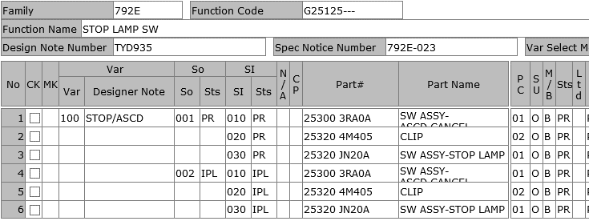
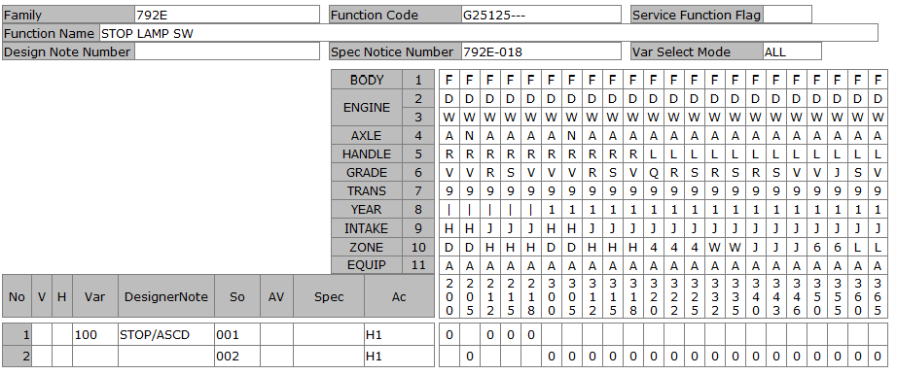
DATE |  |  |  | 4/2/20
User-ID |  |  |  | KNT04421
Name |  |  |  | ICHIKAWA MASASHI
Sect
Design Note |  |  |  | KNT04421_792E_G25125_792E-021_20200402160553
Family Code |  |  |  | 792E
Function Code |  |  |  | G25125---
Function Name |  |  |  | STOP LAMP SW
Spec Notice No |  |  |  | 7.92E-19

P-TYPE | Spec Notice No | Issued data |  |  |  |  |  |  |  |  |  |  |  |  |  |  |  |  |  |  |  |  |  |  |  |  |  |  |  |  |  |  |  |  |  |  |  | BODY |  |  |  |  |  |  | F | F | F | F | F
 |  |  |  |  |  |  |  |  |  |  |  |  |  |  |  |  |  |  |  |  |  |  |  |  |  |  |  |  |  |  |  |  |  |  |  |  |  | ENGINE1 |  |  |  |  |  |  | D | D | D | D | D
 |  |  |  |  |  |  |  |  |  |  |  |  |  |  |  |  |  |  |  |  |  |  |  |  |  |  |  |  |  |  |  |  |  |  |  |  |  |  |  |  |  |  |  |  | W | W | W | W | W
 |  |  |  |  |  |  |  |  |  |  |  |  |  |  |  |  |  |  |  |  |  |  |  |  |  |  |  |  |  |  |  |  |  |  |  |  |  | AXLE |  |  |  |  |  |  | A | N | A | A | A
 |  |  |  |  |  |  |  |  |  |  |  |  |  |  |  |  |  |  |  |  |  |  |  |  |  |  |  |  |  |  |  |  |  |  |  |  |  | HANDLE |  |  |  |  |  |  | R | R | R | R | R
 |  |  |  |  |  |  |  |  |  |  |  |  |  |  |  |  |  |  |  |  |  |  |  |  |  |  |  |  |  |  |  |  |  |  |  |  |  | GRADE |  |  |  |  |  |  | V | V | R | S | V
 |  |  |  |  |  |  |  |  |  |  |  |  |  |  |  |  |  |  |  |  |  |  |  |  |  |  |  |  |  |  |  |  |  |  |  |  |  | TRANS |  |  |  |  |  |  | 9 | 9 | 9 | 9 | 9
 |  |  |  |  |  |  |  |  |  |  |  |  |  |  |  |  |  |  |  |  |  |  |  |  |  |  |  |  |  |  |  |  |  |  |  |  |  | YEAR |  |  |  |  |  |  | 1 | 1 | 1 | 1 | 1
 |  |  |  |  |  |  |  |  |  |  |  |  |  |  |  |  |  |  |  |  |  |  |  |  |  |  |  |  |  |  |  |  |  |  |  |  |  | INTAKE |  |  |  |  |  |  | H | H | J | J | J
 |  |  |  |  |  |  |  |  |  |  |  |  |  |  |  |  |  |  |  |  |  |  |  |  |  |  |  |  |  |  |  |  |  |  |  |  |  | ZONE |  |  |  |  |  |  | D | D | H | H | H
 |  |  |  |  |  |  |  |  |  |  |  |  |  |  |  |  |  |  |  |  |  |  |  |  |  |  |  |  |  |  |  |  |  |  |  |  |  | EQUIP |  |  |  |  |  |  | A | A | A | A | A
 |  |  | Category |  | Cond | Obj Class |  | Object | ObjectNm | Criteria |  | Limit |  | Comb reason |  | New name |  | CriteriaNm |  |  |  |  |  |  |  |  | Remarks |  |  |  |  |  |  |  | Spec code | SPEC NOTICE# |  | Applied Model No. |  |  |  |  |  |  | 300 | 305 | 312 | 315 | 318
 |  |  |  |  |  | VISIBILITY |  | A78 | REAR LAMP | RLMP2 |  | x |  | RR-LAMP_TYPE |  | LED |  | REAR LAMP2 |  |  |  |  |  |  |  |  | LED SIGNATURE (SHAPE A) |  |  |  |  |  |  |  |  | 7.92E-19 |  |  |  |  |  |  |  |  | 0 | 0 | 0 | 0
 |  |  |  |  |  |  |  |  |  | RLMP3 |  | x |  | RR-LAMP_TYPE |  | LED |  | REAR LAMP3 |  |  |  |  |  |  |  |  | LED SIGNATURE (SHAPE B) |  |  |  |  |  |  |  |  | 7.92E-19 |  |  |  |  |  |  |  |  |  |  |  |  | 0
 |  |  |  |  |  |  |  |  |  | RLMP3 |  | x |  | RR-LAMP_TYPE |  | LED |  | REAR LAMP3 |  |  |  |  |  |  |  |  | LED SIGNATURE (SHAPE B) |  |  |  |  |  |  |  | CLASL | 7.92E-16 |  |  |  |  |  |  |  |  | *
 |  |  |  |  |  |  |  |  |  | RLMP3 |  | x |  | RR-LAMP_TYPE |  | LED |  | REAR LAMP3 |  |  |  |  |  |  |  |  | LED SIGNATURE (SHAPE B) |  |  |  |  |  |  |  | CLASM | 7.92E-16 |  |  |  |  |  |  |  |  | *
 |  |  |  |  |  |  |  |  |  | RLMP3 |  | x |  | RR-LAMP_TYPE |  | LED |  | REAR LAMP3 |  |  |  |  |  |  |  |  | LED SIGNATURE (SHAPE B) |  |  |  |  |  |  |  | MODLA | 7.92E-16 |  |  |  |  |  |  |  |  | * | *
 |  |  |  |  |  | COCKPIT |  | 40 | CRUISE CONTROL/SPEED LIMI | ACC01 |  | x |  | ASCD |  | W_ASCD |  | CRUISE CONTROL |  |  |  |  |  |  |  |  | W/ ASCD |  |  |  |  |  |  |  |  | 7.92E-16 |  |  |  |  |  |  |  |  |  |  | 0 | 0
 |  |  |  |  |  |  |  |  |  | ACC01 |  | x |  | ASCD |  | W_ASCD |  | CRUISE CONTROL |  |  |  |  |  |  |  |  | W/ ASCD |  |  |  |  |  |  |  | CLASL | 7.92E-16 |  |  |  |  |  |  |  |  | *
 |  |  |  |  |  |  |  |  |  | ACC01 |  | x |  | ASCD |  | W_ASCD |  | CRUISE CONTROL |  |  |  |  |  |  |  |  | W/ ASCD |  |  |  |  |  |  |  | CLAST | 7.92E-16
 |  |  |  |  |  |  |  |  |  | ACC02 |  | x |  | ASCD |  | W_ASCD |  | INTELLIGENT CRUISE CONTROL |  |  |  |  |  |  |  |  | W/ ICC |  |  |  |  |  |  |  |  | 7.92E-16 |  |  |  |  |  |  |  |  |  |  |  |  | 0
 |  |  |  |  |  |  |  |  |  | ACC02 |  | x |  | ASCD |  | W_ASCD |  | INTELLIGENT CRUISE CONTROL |  |  |  |  |  |  |  |  | W/ ICC |  |  |  |  |  |  |  | CLASM | 7.92E-16 |  |  |  |  |  |  |  |  | *
 |  |  |  |  |  |  |  |  |  | ACC02 |  | x |  | ASCD |  | W_ASCD |  | INTELLIGENT CRUISE CONTROL |  |  |  |  |  |  |  |  | W/ ICC |  |  |  |  |  |  |  | CLASN | 7.92E-16
 |  |  |  |  |  |  |  |  |  | ACC02 |  | x |  | ASCD |  | W_ASCD |  | INTELLIGENT CRUISE CONTROL |  |  |  |  |  |  |  |  | W/ ICC |  |  |  |  |  |  |  | CLASR | 7.92E-16
 |  |  |  |  |  |  |  |  |  | ACC02 |  | x |  | ASCD |  | W_ASCD |  | INTELLIGENT CRUISE CONTROL |  |  |  |  |  |  |  |  | W/ ICC |  |  |  |  |  |  |  | CLASS | 7.92E-16
 |  |  |  |  |  |  |  |  |  | ACC03 |  | x |  | ASCD |  | W_ASCD |  | ICC + ADJUSTABLE SPEED LIMITER |  |  |  |  |  |  |  |  | W/ AD1 |  |  |  |  |  |  |  |  | 7.92E-16 |  |  |  |  |  |  |  |  | 0 | 0

Simulation result |  |  |  |  |  | VAR | Var. No. | Designer Note |  |  | REAR LAMP |  |  |  |  |  | CRUISE CONTROL/SPEED LIMI |  |  |  |  |  |  |  |  |  |  |  |  |  |  |  | Eng. Memo |  | Spec code | SPEC NOTICE# |  | Applied Model No. |  |  |  |  |  |  | 300 | 305 | 312 | 315 | 318
 |  |  |  |  |  | A00 | 100 | STOP/ASCD |  |  | LED |  |  |  |  |  | W_ASCD |  |  |  |  |  |  |  |  |  |  |  |  |  |  |  |  |  |  | 7.92E-19 |  |  |  |  |  |  |  |  | 0 | 0 | 0 | 0 | 0

B-TYPE ASSY |  |  |  |  |  | Var. No. | Design Loc | Designer Note |  |  | SOL |  | SI | Status | Part No. |  | Part Name | Part Spec. | PC | SU | M/B | UNIT | case# | GR | NmSp#1 | NmSp#2 |  | NmSp#3 | NmSp#4 | SpSelDuDT | TechFileSuDt | Drawing / Shape No |  | DWG chg
 |  |  |  |  |  | 100 | NSEA | STOP/ASCD |  |  | 1 |  | 10 | PR | 253003RA0A |  | SW ASSY-ASCD CANCEL |  | 1 | O | B | PIECE |  |  |  |  |  |  |  |  |  | 253003RA0AGX |  | -2
 |  |  |  |  |  |  |  |  |  |  |  |  | 20 | PR | 253204M405 |  | CLIP |  | 2 | O | B | PIECE |  |  |  |  |  |  |  |  |  | 253204M405GX |  | -2
 |  |  |  |  |  |  |  |  |  |  |  |  | 30 | PR | 25320JN20A |  | SW ASSY-STOP LAMP |  | 1 | O | B | PIECE |  |  |  |  |  |  |  |  |  | 25320JN20AQJ |  | 0
 |  |  |  |  |  |  | NML | STOP/ASCD |  |  | 2 |  | 10 | IPL | 253003RA0A |  | SW ASSY-ASCD CANCEL |  | 1 | O | B | PIECE |  |  |  |  |  |  |  |  |  | 253003RA0AGX |  | -2 |  |  |  |  |  |  |  |  |  |  | 3 | 3 | 3 | 3 | 3
 |  |  |  |  |  |  |  |  |  |  |  |  | 20 | IPL | 253204M405 |  | CLIP |  | 2 | O | B | PIECE |  |  |  |  |  |  |  |  |  | 253204M405GX |  | -2 |  |  |  |  |  |  |  |  |  |  | 0 | 0 | 1 | 1 | 1
 |  |  |  |  |  |  |  |  |  |  |  |  | 30 | IPL | 25320JN20A |  | SW ASSY-STOP LAMP |  | 1 | O | B | PIECE |  |  |  |  |  |  |  |  |  | 25320JN20AQJ |  | 0 |  |  |  |  |  |  |  |  |  |  | 0 | 5 | 2 | 5 | 8
 |  |  |  |  |  |  |  |  |  |  |  |  |  |  |  |  |  |  |  |  |  |  |  |  |  |  |  |  |  |  |  |  |  |  |  |  |  | V | Var | So | Ac | Designer Note/SpecCode | Criteria | D/N #
 |  |  |  |  |  |  |  |  |  |  |  |  |  |  |  |  |  |  |  |  |  |  |  |  |  |  |  |  |  |  |  |  |  |  |  |  | CHG |  | '100 | '001 | H1 | STOP/ASCD |  | 'TYD935 | N | N | N | N | N
 |  |  |  |  |  |  |  |  |  |  |  |  |  |  |  |  |  |  |  |  |  |  |  |  |  |  |  |  |  |  |  |  |  |  |  |  | CHG |  | '100 | '002 | H1 | STOP/ASCD |  | 'TYD935 | X | X | X | X | X

G25127
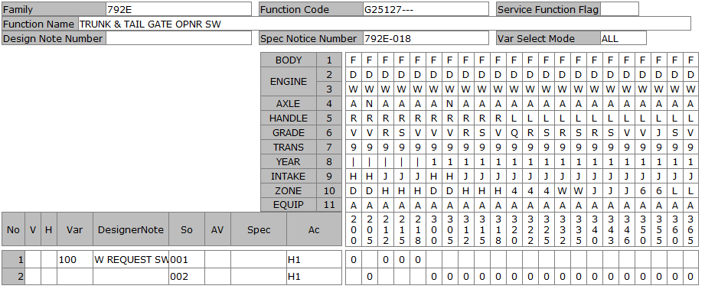
DATE |  |  |  | 4/2/20
User-ID |  |  |  | KNT04421
Name |  |  |  | ICHIKAWA MASASHI
Sect
Design Note |  |  |  | KNT04421_792E_G25127_792E-021_20200402172501
Family Code |  |  |  | 792E
Function Code |  |  |  | G25127---
Function Name |  |  |  | TRUNK & TAIL GATE OPNR SW
Spec Notice No |  |  |  | 7.92E-19

P-TYPE | Spec Notice No | Issued data |  |  |  |  |  |  |  |  |  |  |  |  |  |  |  |  |  |  |  |  |  |  |  |  |  |  |  |  |  |  |  |  |  |  |  | BODY |  |  |  |  |  |  | F | F | F | F | F
 |  |  |  |  |  |  |  |  |  |  |  |  |  |  |  |  |  |  |  |  |  |  |  |  |  |  |  |  |  |  |  |  |  |  |  |  |  | ENGINE1 |  |  |  |  |  |  | D | D | D | D | D
 |  |  |  |  |  |  |  |  |  |  |  |  |  |  |  |  |  |  |  |  |  |  |  |  |  |  |  |  |  |  |  |  |  |  |  |  |  |  |  |  |  |  |  |  | W | W | W | W | W
 |  |  |  |  |  |  |  |  |  |  |  |  |  |  |  |  |  |  |  |  |  |  |  |  |  |  |  |  |  |  |  |  |  |  |  |  |  | AXLE |  |  |  |  |  |  | A | N | A | A | A
 |  |  |  |  |  |  |  |  |  |  |  |  |  |  |  |  |  |  |  |  |  |  |  |  |  |  |  |  |  |  |  |  |  |  |  |  |  | HANDLE |  |  |  |  |  |  | R | R | R | R | R
 |  |  |  |  |  |  |  |  |  |  |  |  |  |  |  |  |  |  |  |  |  |  |  |  |  |  |  |  |  |  |  |  |  |  |  |  |  | GRADE |  |  |  |  |  |  | V | V | R | S | V
 |  |  |  |  |  |  |  |  |  |  |  |  |  |  |  |  |  |  |  |  |  |  |  |  |  |  |  |  |  |  |  |  |  |  |  |  |  | TRANS |  |  |  |  |  |  | 9 | 9 | 9 | 9 | 9
 |  |  |  |  |  |  |  |  |  |  |  |  |  |  |  |  |  |  |  |  |  |  |  |  |  |  |  |  |  |  |  |  |  |  |  |  |  | YEAR |  |  |  |  |  |  | 1 | 1 | 1 | 1 | 1
 |  |  |  |  |  |  |  |  |  |  |  |  |  |  |  |  |  |  |  |  |  |  |  |  |  |  |  |  |  |  |  |  |  |  |  |  |  | INTAKE |  |  |  |  |  |  | H | H | J | J | J
 |  |  |  |  |  |  |  |  |  |  |  |  |  |  |  |  |  |  |  |  |  |  |  |  |  |  |  |  |  |  |  |  |  |  |  |  |  | ZONE |  |  |  |  |  |  | D | D | H | H | H
 |  |  |  |  |  |  |  |  |  |  |  |  |  |  |  |  |  |  |  |  |  |  |  |  |  |  |  |  |  |  |  |  |  |  |  |  |  | EQUIP |  |  |  |  |  |  | A | A | A | A | A
 |  |  | Category |  | Cond | Obj Class |  | Object | ObjectNm | Criteria |  | Limit |  | Comb reason |  | New name |  | CriteriaNm |  |  |  |  |  |  |  |  | Remarks |  |  |  |  |  |  |  | Spec code | SPEC NOTICE# |  | Applied Model No. |  |  |  |  |  |  | 300 | 305 | 312 | 315 | 318
 |  |  |  |  |  | EXTERIOR |  | B74 | TRUNK OUTSIDE OPENER TYPE | TROO1 |  | x |  | I-KEY |  | W_I-KEY |  | WITH TRUNK OUTSIDE OPENER SWITCH |  |  |  |  |  |  |  |  | ELECTRIC BACK DOOR OPENER SW (W/ I-KEY) |  |  |  |  |  |  |  |  | 7.92E-16 |  |  |  |  |  |  |  |  | 0 | 0 | 0 | 0 | 0

Simulation result |  |  |  |  |  | VAR | Var. No. | Designer Note |  |  | TRUNK OUTSIDE OPENER TYPE |  |  |  |  |  |  |  |  |  |  |  |  |  |  |  |  |  |  |  |  |  | Eng. Memo |  | Spec code | SPEC NOTICE# |  | Applied Model No. |  |  |  |  |  |  | 300 | 305 | 312 | 315 | 318
 |  |  |  |  |  | A00 | 100 | W REQUEST SW_HEV |  |  | W_I-KEY |  |  |  |  |  |  |  |  |  |  |  |  |  |  |  |  |  |  |  |  |  |  |  |  | 7.92E-19 |  |  |  |  |  |  |  |  | 0 | 0 | 0 | 0 | 0

B-TYPE ASSY |  |  |  |  |  | Var. No. | Design Loc | Designer Note |  |  | SOL |  | SI | Status | Part No. |  | Part Name | Part Spec. | PC | SU | M/B | UNIT | case# | GR | NmSp#1 | NmSp#2 |  | NmSp#3 | NmSp#4 | SpSelDuDT | TechFileSuDt | Drawing / Shape No |  | DWG chg
 |  |  |  |  |  | 100 | NSEA | W REQUEST SW_HEV |  |  | 1 |  | 10 | PR | 253805RF0A |  | SW ASSY-TRUNK OPENER |  | 1 | O | B | PIECE |  |  |  |  |  |  |  |  |  | 253805RF0AG1 |  | -2
 |  |  |  |  |  |  | NML | W REQUEST SW_HEV |  |  | 2 |  | 10 | IPL | 253805RF0A |  | SW ASSY-TRUNK OPENER |  | 1 | O | B | PIECE |  |  |  |  |  |  |  |  |  | 253805RF0AG1 |  | -2

 |  |  |  |  |  |  |  |  |  |  |  |  |  |  |  |  |  |  |  |  |  |  |  |  |  |  |  |  |  |  |  |  |  |  |  |  |  |  |  |  |  |  |  |  | 3 | 3 | 3 | 3 | 3
 |  |  |  |  |  |  |  |  |  |  |  |  |  |  |  |  |  |  |  |  |  |  |  |  |  |  |  |  |  |  |  |  |  |  |  |  |  |  |  |  |  |  |  |  | 0 | 0 | 1 | 1 | 1
 |  |  |  |  |  |  |  |  |  |  |  |  |  |  |  |  |  |  |  |  |  |  |  |  |  |  |  |  |  |  |  |  |  |  |  |  |  |  |  |  |  |  |  |  | 0 | 5 | 2 | 5 | 8
 |  |  |  |  |  |  |  |  |  |  |  |  |  |  |  |  |  |  |  |  |  |  |  |  |  |  |  |  |  |  |  |  |  |  |  |  |  | V | Var | So | Ac | Designer Note/SpecCode | Criteria | D/N #
 |  |  |  |  |  |  |  |  |  |  |  |  |  |  |  |  |  |  |  |  |  |  |  |  |  |  |  |  |  |  |  |  |  |  |  |  | CHG |  | '100 | '001 | H1 | W REQUEST SW_HEV |  | 'TYD935 | N | N | N | N | N
 |  |  |  |  |  |  |  |  |  |  |  |  |  |  |  |  |  |  |  |  |  |  |  |  |  |  |  |  |  |  |  |  |  |  |  |  | CHG |  | '100 | '002 | H1 | W REQUEST SW_HEV |  | 'TYD935 | X | X | X | X | X

G25129
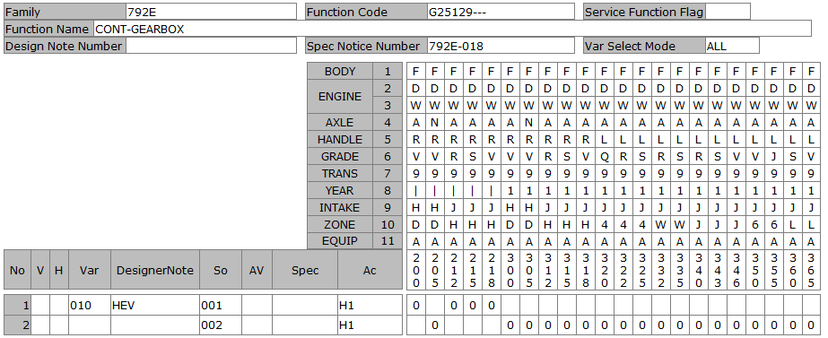
DATE |  |  |  | 4/2/20
User-ID |  |  |  | KNT04421
Name |  |  |  | ICHIKAWA MASASHI
Sect
Design Note |  |  |  | KNT04421_792E_G25129_792E-021_20200402180153
Family Code |  |  |  | 792E
Function Code |  |  |  | G25129---
Function Name |  |  |  | CONT-GEARBOX
Spec Notice No |  |  |  | 7.92E-19

P-TYPE | Spec Notice No | Issued data |  |  |  |  |  |  |  |  |  |  |  |  |  |  |  |  |  |  |  |  |  |  |  |  |  |  |  |  |  |  |  |  |  |  |  | BODY |  |  |  |  |  |  | F | F | F | F | F
 |  |  |  |  |  |  |  |  |  |  |  |  |  |  |  |  |  |  |  |  |  |  |  |  |  |  |  |  |  |  |  |  |  |  |  |  |  | ENGINE1 |  |  |  |  |  |  | D | D | D | D | D
 |  |  |  |  |  |  |  |  |  |  |  |  |  |  |  |  |  |  |  |  |  |  |  |  |  |  |  |  |  |  |  |  |  |  |  |  |  |  |  |  |  |  |  |  | W | W | W | W | W
 |  |  |  |  |  |  |  |  |  |  |  |  |  |  |  |  |  |  |  |  |  |  |  |  |  |  |  |  |  |  |  |  |  |  |  |  |  | AXLE |  |  |  |  |  |  | A | N | A | A | A
 |  |  |  |  |  |  |  |  |  |  |  |  |  |  |  |  |  |  |  |  |  |  |  |  |  |  |  |  |  |  |  |  |  |  |  |  |  | HANDLE |  |  |  |  |  |  | R | R | R | R | R
 |  |  |  |  |  |  |  |  |  |  |  |  |  |  |  |  |  |  |  |  |  |  |  |  |  |  |  |  |  |  |  |  |  |  |  |  |  | GRADE |  |  |  |  |  |  | V | V | R | S | V
 |  |  |  |  |  |  |  |  |  |  |  |  |  |  |  |  |  |  |  |  |  |  |  |  |  |  |  |  |  |  |  |  |  |  |  |  |  | TRANS |  |  |  |  |  |  | 9 | 9 | 9 | 9 | 9
 |  |  |  |  |  |  |  |  |  |  |  |  |  |  |  |  |  |  |  |  |  |  |  |  |  |  |  |  |  |  |  |  |  |  |  |  |  | YEAR |  |  |  |  |  |  | 1 | 1 | 1 | 1 | 1
 |  |  |  |  |  |  |  |  |  |  |  |  |  |  |  |  |  |  |  |  |  |  |  |  |  |  |  |  |  |  |  |  |  |  |  |  |  | INTAKE |  |  |  |  |  |  | H | H | J | J | J
 |  |  |  |  |  |  |  |  |  |  |  |  |  |  |  |  |  |  |  |  |  |  |  |  |  |  |  |  |  |  |  |  |  |  |  |  |  | ZONE |  |  |  |  |  |  | D | D | H | H | H
 |  |  |  |  |  |  |  |  |  |  |  |  |  |  |  |  |  |  |  |  |  |  |  |  |  |  |  |  |  |  |  |  |  |  |  |  |  | EQUIP |  |  |  |  |  |  | A | A | A | A | A
 |  |  | Category |  | Cond | Obj Class |  | Object | ObjectNm | Criteria |  | Limit |  | Comb reason |  | New name |  | CriteriaNm |  |  |  |  |  |  |  |  | Remarks |  |  |  |  |  |  |  | Spec code | SPEC NOTICE# |  | Applied Model No. |  |  |  |  |  |  | 300 | 305 | 312 | 315 | 318
 |  |  |  |  |  | MECHANISM |  | D64 | STOP AND START | STSTA |  | x |  | EV-MODE |  | W_EV-SW |  | WITH STOP AND START |  |  |  |  |  |  |  |  | W/ IDLING STOP (AS E-POWER) + W/ EV FEEL MODE & EV FEEL MODE SW |  |  |  |  |  |  |  |  | 7.92E-16 |  |  |  |  |  |  |  |  | 0 | 0 | 0 | 0 | 0
 |  |  |  |  |  | GEARBOX TYPE/NUMBER OF GE |  | 427 | GEARBOX TYPE/NUMBER OF GE | CVTX |  | x |  | TRNAS |  | CVT |  | CVT GEARBOX
 |  |  |  |  |  |  |  |  |  | EMATM |  | x |  | TRNAS |  | HEV |  | ATM(FOR EV) |  |  |  |  |  |  |  |  |  |  |  |  |  |  |  |  |  |  |  |  |  |  |  |  |  |  | 0 | 0 | 0 | 0 | 0

Simulation result |  |  |  |  |  | VAR | Var. No. | Designer Note |  |  | STOP AND START |  |  |  |  |  | GEARBOX TYPE/NUMBER OF GE |  |  |  |  |  |  |  |  |  |  |  |  |  |  |  | Eng. Memo |  | Spec code | SPEC NOTICE# |  | Applied Model No. |  |  |  |  |  |  | 300 | 305 | 312 | 315 | 318
 |  |  |  |  |  | A00 | 10 | HEV |  |  | W_EV-SW |  |  |  |  |  | HEV |  |  |  |  |  |  |  |  |  |  |  |  |  |  |  |  |  |  | 7.92E-19 |  |  |  |  |  |  |  |  | 0 | 0 | 0 | 0 | 0

B-TYPE ASSY |  |  |  |  |  | Var. No. | Design Loc | Designer Note |  |  | SOL |  | SI | Status | Part No. |  | Part Name | Part Spec. | PC | SU | M/B | UNIT | case# | GR | NmSp#1 | NmSp#2 |  | NmSp#3 | NmSp#4 | SpSelDuDT | TechFileSuDt | Drawing / Shape No |  | DWG chg
 |  |  |  |  |  | 10 | NSEA | HEV |  |  | 1 |  | 10 | PR | 251415RH0A |  | SW ASSY-ECO MODE |  | 1 | O | B | PIECE |  |  |  |  |  |  |  |  |  | 251415RH0AG1 |  | 0
 |  |  |  |  |  |  |  |  |  |  |  |  | 20 | PR | 251945RH0A |  | SW ASSY-ADJ PEDAL |  | 1 | O | B | PIECE |  |  |  |  |  |  |  |  |  | 251945RH0AG1 |  | -1
 |  |  |  |  |  |  | NML | HEV |  |  | 2 |  | 10 | IPL | 251415RH0A |  | SW ASSY-ECO MODE |  | 1 | O | B | PIECE | 2 | A |  |  |  |  |  |  |  | 251415RH0AG1 |  | 0
 |  |  |  |  |  |  |  |  |  |  |  |  | 20 | IPL | 251945RH0A |  | SW ASSY-ADJ PEDAL |  | 1 | O | B | PIECE | 2 | A |  |  |  |  |  |  |  | 251945RH0AG1 |  | -1
 |  |  |  |  |  |  |  |  |  |  |  |  |  |  |  |  |  |  |  |  |  |  |  |  |  |  |  |  |  |  |  |  |  |  |  |  |  |  |  |  |  |  |  |  | 3 | 3 | 3 | 3 | 3
 |  |  |  |  |  |  |  |  |  |  |  |  |  |  |  |  |  |  |  |  |  |  |  |  |  |  |  |  |  |  |  |  |  |  |  |  |  |  |  |  |  |  |  |  | 0 | 0 | 1 | 1 | 1
 |  |  |  |  |  |  |  |  |  |  |  |  |  |  |  |  |  |  |  |  |  |  |  |  |  |  |  |  |  |  |  |  |  |  |  |  |  |  |  |  |  |  |  |  | 0 | 5 | 2 | 5 | 8
 |  |  |  |  |  |  |  |  |  |  |  |  |  |  |  |  |  |  |  |  |  |  |  |  |  |  |  |  |  |  |  |  |  |  |  |  |  | V | Var | So | Ac | Designer Note/SpecCode | Criteria | D/N #
 |  |  |  |  |  |  |  |  |  |  |  |  |  |  |  |  |  |  |  |  |  |  |  |  |  |  |  |  |  |  |  |  |  |  |  |  | CHG |  | '010 | '001 | H1 | HEV |  | 'TYD935 | N | N | N | N | N
 |  |  |  |  |  |  |  |  |  |  |  |  |  |  |  |  |  |  |  |  |  |  |  |  |  |  |  |  |  |  |  |  |  |  |  |  | CHG |  | '010 | '002 | H1 | HEV |  | 'TYD935 | X | X | X | X | X

G25134
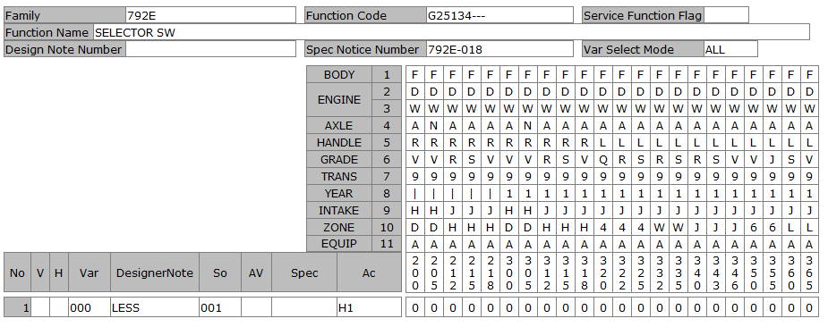
DATE |  |  |  | 6/22/20
User-ID |  |  |  | KNT13657
Name |  |  |  | DO
Sect
Design Note |  |  |  | KNT13657_792E_G25134_792E-023_20200622105008
Family Code |  |  |  | 792E
Function Code |  |  |  | G25134---
Function Name |  |  |  | SELECTOR SW
Spec Notice No |  |  |  | 7.92E-21

P-TYPE | Spec Notice No | Issued data |  |  |  |  |  |  |  |  |  |  |  |  |  |  |  |  |  |  |  |  |  |  |  |  |  |  |  |  |  |  |  |  |  |  | BODY | F | F | F | F | F
 |  |  |  |  |  |  |  |  |  |  |  |  |  |  |  |  |  |  |  |  |  |  |  |  |  |  |  |  |  |  |  |  |  |  |  |  | ENGINE1 | D | D | D | D | D
 |  |  |  |  |  |  |  |  |  |  |  |  |  |  |  |  |  |  |  |  |  |  |  |  |  |  |  |  |  |  |  |  |  |  |  |  |  | W | W | W | W | W
 |  |  |  |  |  |  |  |  |  |  |  |  |  |  |  |  |  |  |  |  |  |  |  |  |  |  |  |  |  |  |  |  |  |  |  |  | AXLE | A | N | A | A | A
 |  |  |  |  |  |  |  |  |  |  |  |  |  |  |  |  |  |  |  |  |  |  |  |  |  |  |  |  |  |  |  |  |  |  |  |  | HANDLE | R | R | R | R | R
 |  |  |  |  |  |  |  |  |  |  |  |  |  |  |  |  |  |  |  |  |  |  |  |  |  |  |  |  |  |  |  |  |  |  |  |  | GRADE | V | V | R | S | V
 |  |  |  |  |  |  |  |  |  |  |  |  |  |  |  |  |  |  |  |  |  |  |  |  |  |  |  |  |  |  |  |  |  |  |  |  | TRANS | 9 | 9 | 9 | 9 | 9
 |  |  |  |  |  |  |  |  |  |  |  |  |  |  |  |  |  |  |  |  |  |  |  |  |  |  |  |  |  |  |  |  |  |  |  |  | YEAR | 1 | 1 | 1 | 1 | 1
 |  |  |  |  |  |  |  |  |  |  |  |  |  |  |  |  |  |  |  |  |  |  |  |  |  |  |  |  |  |  |  |  |  |  |  |  | INTAKE | H | H | J | J | J
 |  |  |  |  |  |  |  |  |  |  |  |  |  |  |  |  |  |  |  |  |  |  |  |  |  |  |  |  |  |  |  |  |  |  |  |  | ZONE | D | D | H | H | H
 |  |  |  |  |  |  |  |  |  |  |  |  |  |  |  |  |  |  |  |  |  |  |  |  |  |  |  |  |  |  |  |  |  |  |  |  | EQUIP | A | A | A | A | A
 |  |  | Category |  | Cond | Obj Class |  | Object | ObjectNm | Criteria |  | Limit |  | Comb reason |  | New name |  | CriteriaNm |  |  |  |  |  |  |  |  | Remarks |  |  |  |  |  |  |  | Spec code | SPEC NOTICE# | Applied Model No. | 300 | 305 | 312 | 315 | 318
 |  |  |  |  |  | TYPE OF VEHICLE |  | 8 | TYPE OF VEHICLE | FMQ |  | x |  | ALL |  | LESS |  | 5 DOORS H/B |  |  |  |  |  |  |  |  |  |  |  |  |  |  |  |  |  |  |  | 0 | 0 | 0 | 0 | 0

Simulation result |  |  |  |  |  | VAR | Var. No. | Designer Note |  |  | TYPE OF VEHICLE |  |  |  |  |  |  |  |  |  |  |  |  |  |  |  |  |  |  |  |  |  | Eng. Memo |  | Spec code | SPEC NOTICE# | Applied Model No. | 300 | 305 | 312 | 315 | 318
 |  |  |  |  |  | A00 | 000 | LESS |  |  | LESS |  |  |  |  |  |  |  |  |  |  |  |  |  |  |  |  |  |  |  |  |  |  |  |  | 7.92E-21 |  | 0 | 0 | 0 | 0 | 0

B-TYPE ASSY |  |  |  |  |  | Var. No. | Design Loc | Designer Note |  |  | SOL |  | SI | Status | Part No. |  | Part Name | Part Spec. | PC | SU | M/B | UNIT | case# | GR | NmSp#1 | NmSp#2 |  | NmSp#3 | NmSp#4 | SpSelDuDT | TechFileSuDt | Drawing / Shape No |  | DWG chg
 |  |  |  |  |  | 0 |  | LESS |  |  | 1

G25138

DATE |  |  |  | 4/3/20
User-ID |  |  |  | KNT04421
Name |  |  |  | ICHIKAWA MASASHI
Sect
Design Note |  |  |  | KNT04421_792E_G25138_792E-021_20200403153404
Family Code |  |  |  | 792E
Function Code |  |  |  | G25138---
Function Name |  |  |  | IGN SW
Spec Notice No |  |  |  | 7.92E-19

P-TYPE | Spec Notice No | Issued data |  |  |  |  |  |  |  |  |  |  |  |  |  |  |  |  |  |  |  |  |  |  |  |  |  |  |  |  |  |  |  |  |  |  |  | BODY |  |  |  |  |  |  | F | F | F | F | F
 |  |  |  |  |  |  |  |  |  |  |  |  |  |  |  |  |  |  |  |  |  |  |  |  |  |  |  |  |  |  |  |  |  |  |  |  |  | ENGINE1 |  |  |  |  |  |  | D | D | D | D | D
 |  |  |  |  |  |  |  |  |  |  |  |  |  |  |  |  |  |  |  |  |  |  |  |  |  |  |  |  |  |  |  |  |  |  |  |  |  |  |  |  |  |  |  |  | W | W | W | W | W
 |  |  |  |  |  |  |  |  |  |  |  |  |  |  |  |  |  |  |  |  |  |  |  |  |  |  |  |  |  |  |  |  |  |  |  |  |  | AXLE |  |  |  |  |  |  | A | N | A | A | A
 |  |  |  |  |  |  |  |  |  |  |  |  |  |  |  |  |  |  |  |  |  |  |  |  |  |  |  |  |  |  |  |  |  |  |  |  |  | HANDLE |  |  |  |  |  |  | R | R | R | R | R
 |  |  |  |  |  |  |  |  |  |  |  |  |  |  |  |  |  |  |  |  |  |  |  |  |  |  |  |  |  |  |  |  |  |  |  |  |  | GRADE |  |  |  |  |  |  | V | V | R | S | V
 |  |  |  |  |  |  |  |  |  |  |  |  |  |  |  |  |  |  |  |  |  |  |  |  |  |  |  |  |  |  |  |  |  |  |  |  |  | TRANS |  |  |  |  |  |  | 9 | 9 | 9 | 9 | 9
OBJ A80に関して
色分けのOBJが無いため、MODEL YEARで対応
 |  |  |  |  |  |  |  |  |  |  |  |  |  |  |  |  |  |  |  |  |  |  |  |  |  |  |  |  |  |  |  |  |  |  |  |  |  | YEAR |  |  |  |  |  |  | 1 | 1 | 1 | 1 | 1
 |  |  |  |  |  |  |  |  |  |  |  |  |  |  |  |  |  |  |  |  |  |  |  |  |  |  |  |  |  |  |  |  |  |  |  |  |  | INTAKE |  |  |  |  |  |  | H | H | J | J | J
 |  |  |  |  |  |  |  |  |  |  |  |  |  |  |  |  |  |  |  |  |  |  |  |  |  |  |  |  |  |  |  |  |  |  |  |  |  | ZONE |  |  |  |  |  |  | D | D | H | H | H
 |  |  |  |  |  |  |  |  |  |  |  |  |  |  |  |  |  |  |  |  |  |  |  |  |  |  |  |  |  |  |  |  |  |  |  |  |  | EQUIP |  |  |  |  |  |  | A | A | A | A | A
 |  |  | Category |  | Cond | Obj Class |  | Object | ObjectNm | Criteria |  | Limit |  | Comb reason |  | New name |  | CriteriaNm |  |  |  |  |  |  |  |  | Remarks |  |  |  |  |  |  |  | Spec code | SPEC NOTICE# |  | Applied Model No. |  |  |  |  |  |  | 300 | 305 | 312 | 315 | 318
 |  |  |  |  |  | GEARBOX TYPE/NUMBER OF GE |  | 427 | GEARBOX TYPE/NUMBER OF GE | CVTX |  | x |  | START-TYPE |  | WO_PUSH-SW |  | CVT GEARBOX
 |  |  |  |  |  |  |  |  |  | EMATM |  | x |  | START-TYPE |  | W_PUSH-SW |  | ATM(FOR EV) |  |  |  |  |  |  |  |  |  |  |  |  |  |  |  |  |  |  |  |  |  |  |  |  |  |  | 0 | 0 | 0 | 0 | 0
 |  |  |  |  |  | COCKPIT |  | A80 | ENGINE START TYPE | EGST4 |  | x |  | - |  | - |  | ENGINE START TYPE 4 |  |  |  |  |  |  |  |  | PUSH POWER STARTER (BLUE ILLUMINATION) |  |  |  |  |  |  |  |  | 7.92E-16 |  |  |  |  |  |  |  |  | 0 | 0 | 0 | 0 | 0
 |  |  |  |  |  | MODEL YEAR |  | 528 | MODEL YEAR | MY00 |  | x |  | ILLUMINATION |  | BLUE |  | STD
 |  |  |  |  |  |  |  |  |  | MY01 |  | x |  | ILLUMINATION |  | WHITE |  | MODEL YEAR 01 |  |  |  |  |  |  |  |  |  |  |  |  |  |  |  |  |  |  |  |  |  |  |  |  |  |  | 0 | 0 | 0 | 0 | 0

Simulation result |  |  |  |  |  | VAR | Var. No. | Designer Note |  |  | GEARBOX TYPE/NUMBER OF GE |  |  |  |  |  | ENGINE START TYPE | MODEL YEAR |  |  |  |  |  |  |  |  |  |  |  |  |  |  | Eng. Memo |  | Spec code | SPEC NOTICE# |  | Applied Model No. |  |  |  |  |  |  | 300 | 305 | 312 | 315 | 318
 |  |  |  |  |  | A00 | 100 | HEV |  |  | W_PUSH-SW |  |  |  |  |  | - | BLUE |  |  |  |  |  |  |  |  |  |  |  |  |  |  |  |  |  | 7.92E-19
 |  |  |  |  |  | A01 | 110 | HEV_WHITE_ILLUMI |  |  | W_PUSH-SW |  |  |  |  |  | - | WHITE |  |  |  |  |  |  |  |  |  |  |  |  |  |  |  |  |  | 7.92E-19 |  |  |  |  |  |  |  |  | 0 | 0 | 0 | 0 | 0

B-TYPE ASSY |  |  |  |  |  | Var. No. | Design Loc | Designer Note |  |  | SOL |  | SI | Status | Part No. |  | Part Name | Part Spec. | PC | SU | M/B | UNIT | case# | GR | NmSp#1 | NmSp#2 |  | NmSp#3 | NmSp#4 | SpSelDuDT | TechFileSuDt | Drawing / Shape No |  | DWG chg
 |  |  |  |  |  | 100 | NSEA | HEV |  |  | 1 |  | 10 | PR | 251505TL0B |  | SW ASSY-IGN |  | 0 | D | B | PIECE |  |  |  |  |  |  |  |  |  | 251505RA0BSR |  | 0
 |  |  |  |  |  |  | NML | HEV |  |  | 2 |  | 10 | IPL | 251505TL0A |  | SW ASSY-STARTER |  | 0 | D | B | PIECE |  |  |  |  |  |  |  |  |  | 251505RA0ASR |  | -8
 |  |  |  |  |  | 110 | NML | HEV_WHITE_ILLUMI |  |  |  |  |  |  | 25150 6LS0A |  | SW ASSY-STARTER |  | 0 | D | B | PIECE |  |  |  |  |  |  |  |  |  | 25150 6XJ0A-SR |  | -1
 |  |  |  |  |  |  |  |  |  |  |  |  |  |  |  |  |  |  |  |  |  |  |  |  |  |  |  |  |  |  |  |  |  |  |  |  |  |  |  |  |  |  |  |  | 3 | 3 | 3 | 3 | 3
 |  |  |  |  |  |  |  |  |  |  |  |  |  |  |  |  |  |  |  |  |  |  |  |  |  |  |  |  |  |  |  |  |  |  |  |  |  |  |  |  |  |  |  |  | 0 | 0 | 1 | 1 | 1
 |  |  |  |  |  |  |  |  |  |  |  |  |  |  |  |  |  |  |  |  |  |  |  |  |  |  |  |  |  |  |  |  |  |  |  |  |  |  |  |  |  |  |  |  | 0 | 5 | 2 | 5 | 8
 |  |  |  |  |  |  |  |  |  |  |  |  |  |  |  |  |  |  |  |  |  |  |  |  |  |  |  |  |  |  |  |  |  |  |  |  |  | V | Var | So | Ac | Designer Note/SpecCode | Criteria | D/N #
 |  |  |  |  |  |  |  |  |  |  |  |  |  |  |  |  |  |  |  |  |  |  |  |  |  |  |  |  |  |  |  |  |  |  |  |  | CHG |  | '100 | '002 | H1 | HEV |  | 'TYD935 | X | X | X | X | X
 |  |  |  |  |  |  |  |  |  |  |  |  |  |  |  |  |  |  |  |  |  |  |  |  |  |  |  |  |  |  |  |  |  |  |  |  | ADD |  | '110 | '001 | H1 | HEV_WHITE_ILLUMI |  | 'TYD935 | N | N | N | N | N

G25139
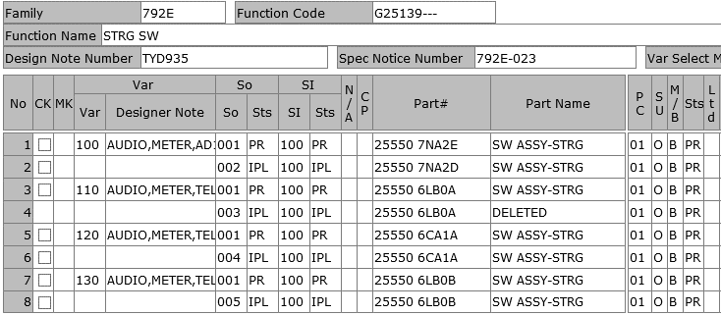
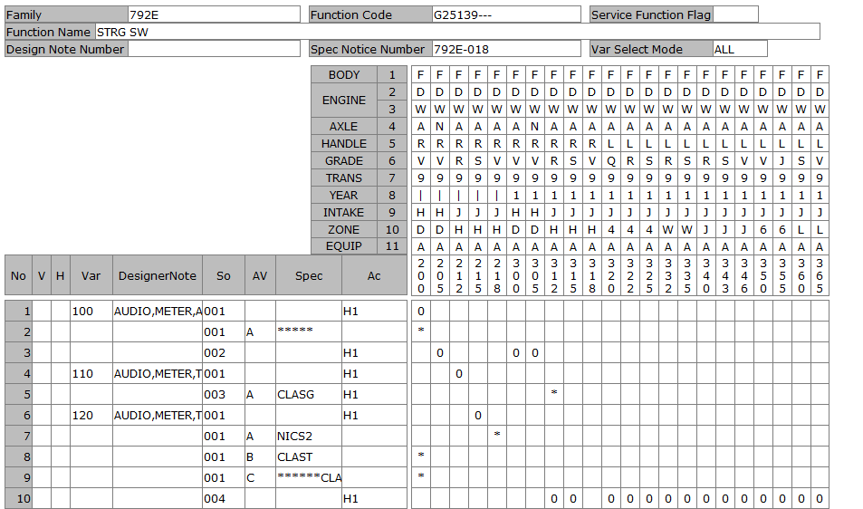
DATE |  |  |  | 44004.462407
User-ID |  |  |  | KNT13657
Name |  |  |  | DO
Sect
Design Note |  |  |  | KNT13657_792E_G25139_792E-023_20200622105931
Family Code |  |  |  | 792E
Function Code |  |  |  | G25139---
Function Name |  |  |  | STRG SW
Spec Notice No |  |  |  | 7.92E-21

P-TYPE | Spec Notice No | Issued data |  |  |  |  |  |  |  |  |  |  |  |  |  |  |  |  |  |  |  |  |  |  |  |  |  |  |  |  |  |  |  |  |  |  |  | BODY |  |  |  |  |  |  | F | F | F | F | F
 |  |  |  |  |  |  |  |  |  |  |  |  |  |  |  |  |  |  |  |  |  |  |  |  |  |  |  |  |  |  |  |  |  |  |  |  |  | ENGINE1 |  |  |  |  |  |  | D | D | D | D | D
 |  |  |  |  |  |  |  |  |  |  |  |  |  |  |  |  |  |  |  |  |  |  |  |  |  |  |  |  |  |  |  |  |  |  |  |  |  |  |  |  |  |  |  |  | W | W | W | W | W
 |  |  |  |  |  |  |  |  |  |  |  |  |  |  |  |  |  |  |  |  |  |  |  |  |  |  |  |  |  |  |  |  |  |  |  |  |  | AXLE |  |  |  |  |  |  | A | N | A | A | A
 |  |  |  |  |  |  |  |  |  |  |  |  |  |  |  |  |  |  |  |  |  |  |  |  |  |  |  |  |  |  |  |  |  |  |  |  |  | HANDLE |  |  |  |  |  |  | R | R | R | R | R
 |  |  |  |  |  |  |  |  |  |  |  |  |  |  |  |  |  |  |  |  |  |  |  |  |  |  |  |  |  |  |  |  |  |  |  |  |  | GRADE |  |  |  |  |  |  | V | V | R | S | V
 |  |  |  |  |  |  |  |  |  |  |  |  |  |  |  |  |  |  |  |  |  |  |  |  |  |  |  |  |  |  |  |  |  |  |  |  |  | TRANS |  |  |  |  |  |  | 9 | 9 | 9 | 9 | 9
 |  |  |  |  |  |  |  |  |  |  |  |  |  |  |  |  |  |  |  |  |  |  |  |  |  |  |  |  |  |  |  |  |  |  |  |  |  | YEAR |  |  |  |  |  |  | 1 | 1 | 1 | 1 | 1
 |  |  |  |  |  |  |  |  |  |  |  |  |  |  |  |  |  |  |  |  |  |  |  |  |  |  |  |  |  |  |  |  |  |  |  |  |  | INTAKE |  |  |  |  |  |  | H | H | J | J | J
 |  |  |  |  |  |  |  |  |  |  |  |  |  |  |  |  |  |  |  |  |  |  |  |  |  |  |  |  |  |  |  |  |  |  |  |  |  | ZONE |  |  |  |  |  |  | D | D | H | H | H
 |  |  |  |  |  |  |  |  |  |  |  |  |  |  |  |  |  |  |  |  |  |  |  |  |  |  |  |  |  |  |  |  |  |  |  |  |  | EQUIP |  |  |  |  |  |  | A | A | A | A | A
 |  |  | Category |  | Cond | Obj Class |  | Object | ObjectNm | Criteria |  | Limit |  | Comb reason |  | New name |  | CriteriaNm |  |  |  |  |  |  |  |  | Remarks |  |  |  |  |  |  |  | Spec code | SPEC NOTICE# |  | Applied Model No. |  |  |  |  |  |  | 300 | 305 | 312 | 315 | 318
 |  |  |  |  |  | COCKPIT |  | A55 | STEERING SWITCH | STSW2 |  | x |  | STRG-SW_SPEC |  | ME+AU+TEL+VR+ICC |  | STEERING SWITCH 2 |  |  |  |  |  |  |  |  | METER + AUDIO + TEL + VR + ICC |  |  |  |  |  |  |  |  | 7.92E-21 |  |  |  |  |  |  |  |  |  |  |  |  | 0
 |  |  |  |  |  |  |  |  |  | STSW2 |  | x |  | STRG-SW_SPEC |  | ME+AU+TEL+VR+ICC |  | STEERING SWITCH 2 |  |  |  |  |  |  |  |  | METER + AUDIO + TEL + VR + ICC |  |  |  |  |  |  |  | CLASM | 7.92E-16 |  |  |  |  |  |  |  |  | *
 |  |  |  |  |  |  |  |  |  | STSW2 |  | x |  | STRG-SW_SPEC |  | ME+AU+TEL+VR+ICC |  | STEERING SWITCH 2 |  |  |  |  |  |  |  |  | METER + AUDIO + TEL + VR + ICC |  |  |  |  |  |  |  | CLASN | 7.92E-16
 |  |  |  |  |  |  |  |  |  | STSW2 |  | x |  | STRG-SW_SPEC |  | ME+AU+TEL+VR+ICC |  | STEERING SWITCH 2 |  |  |  |  |  |  |  |  | METER + AUDIO + TEL + VR + ICC |  |  |  |  |  |  |  | CLASR | 7.92E-21
 |  |  |  |  |  |  |  |  |  | STSW2 |  | x |  | STRG-SW_SPEC |  | ME+AU+TEL+VR+ICC |  | STEERING SWITCH 2 |  |  |  |  |  |  |  |  | METER + AUDIO + TEL + VR + ICC |  |  |  |  |  |  |  | CLASS | 7.92E-16
 |  |  |  |  |  |  |  |  |  | STSW3 |  | x |  | STRG-SW_SPEC |  | ME+AU+TEL+VR+AD1 |  | STEERING SWITCH 3 |  |  |  |  |  |  |  |  | METER + AUDIO + TEL + VR + AD1 |  |  |  |  |  |  |  |  | 7.92E-16 |  |  |  |  |  |  |  |  | 0 | 0
 |  |  |  |  |  |  |  |  |  | STSW5 |  | x |  | STRG-SW_SPEC |  | ME+AU+TEL+VR+ASCD |  | STEERING SWITCH 5 |  |  |  |  |  |  |  |  | METER + AUDIO + TEL + VR + ASCD |  |  |  |  |  |  |  |  | 7.92E-21 |  |  |  |  |  |  |  |  |  |  | 0 | 0
 |  |  |  |  |  |  |  |  |  | STSW5 |  | x |  | STRG-SW_SPEC |  | ME+AU+TEL+VR+ASCD |  | STEERING SWITCH 5 |  |  |  |  |  |  |  |  | METER + AUDIO + TEL + VR + ASCD |  |  |  |  |  |  |  | CLASL | 7.92E-16 |  |  |  |  |  |  |  |  | *
 |  |  |  |  |  |  |  |  |  | STSW5 |  | x |  | STRG-SW_SPEC |  | ME+AU+TEL+VR+ASCD |  | STEERING SWITCH 5 |  |  |  |  |  |  |  |  | METER + AUDIO + TEL + VR + ASCD |  |  |  |  |  |  |  | CLAST | 7.92E-16
 |  |  |  |  |  |  |  | 40 | CRUISE CONTROL/SPEED LIMI | ACC01 |  | x |  | ASCD_SPEC |  | W_ASCD |  | CRUISE CONTROL |  |  |  |  |  |  |  |  | W/ ASCD |  |  |  |  |  |  |  |  | 7.92E-21 |  |  |  |  |  |  |  |  |  |  | 0 | 0
 |  |  |  |  |  |  |  |  |  | ACC01 |  | x |  | ASCD_SPEC |  | W_ASCD |  | CRUISE CONTROL |  |  |  |  |  |  |  |  | W/ ASCD |  |  |  |  |  |  |  | CLASL | 7.92E-16 |  |  |  |  |  |  |  |  | *
 |  |  |  |  |  |  |  |  |  | ACC01 |  | x |  | ASCD_SPEC |  | W_ASCD |  | CRUISE CONTROL |  |  |  |  |  |  |  |  | W/ ASCD |  |  |  |  |  |  |  | CLAST | 7.92E-16
 |  |  |  |  |  |  |  |  |  | ACC02 |  | x |  | ASCD_SPEC |  | W_ICC |  | INTELLIGENT CRUISE CONTROL |  |  |  |  |  |  |  |  | W/ ICC |  |  |  |  |  |  |  |  | 7.92E-21 |  |  |  |  |  |  |  |  |  |  |  |  | 0
 |  |  |  |  |  |  |  |  |  | ACC02 |  | x |  | ASCD_SPEC |  | W_ICC |  | INTELLIGENT CRUISE CONTROL |  |  |  |  |  |  |  |  | W/ ICC |  |  |  |  |  |  |  | CLASM | 7.92E-16 |  |  |  |  |  |  |  |  | *
 |  |  |  |  |  |  |  |  |  | ACC02 |  | x |  | ASCD_SPEC |  | W_ICC |  | INTELLIGENT CRUISE CONTROL |  |  |  |  |  |  |  |  | W/ ICC |  |  |  |  |  |  |  | CLASN | 7.92E-16
 |  |  |  |  |  |  |  |  |  | ACC02 |  | x |  | ASCD_SPEC |  | W_ICC |  | INTELLIGENT CRUISE CONTROL |  |  |  |  |  |  |  |  | W/ ICC |  |  |  |  |  |  |  | CLASR | 7.92E-21
 |  |  |  |  |  |  |  |  |  | ACC02 |  | x |  | ASCD_SPEC |  | W_ICC |  | INTELLIGENT CRUISE CONTROL |  |  |  |  |  |  |  |  | W/ ICC |  |  |  |  |  |  |  | CLASS | 7.92E-16
 |  |  |  |  |  |  |  |  |  | ACC03 |  | x |  | ASCD_SPEC |  | W_TJP |  | ICC + ADJUSTABLE SPEED LIMITER |  |  |  |  |  |  |  |  | W/ AD1 |  |  |  |  |  |  |  |  | 7.92E-16 |  |  |  |  |  |  |  |  | 0 | 0
 |  |  |  |  |  |  |  | 395 | INSTRUMENT PANELS | MTPL8 |  | x |  | METER_TYPE |  | TFT7 |  | INSTRUMENT PANEL 08 |  |  |  |  |  |  |  |  | INST VARIATION B + 7 INCH COLOR TFT DISPLAY METER (HEV) |  |  |  |  |  |  |  |  | 7.92E-16 |  |  |  |  |  |  |  |  | 0 | 0 | 0 | 0 | 0
 |  |  |  |  |  | AUDIO. NAVIGATION |  | 425 | TYPES OF RADIOS | RDO10 |  | x |  | AUDIO_NAVI_TYPE |  | W_TEL+TEL-OFF |  | RADIO 10 |  |  |  |  |  |  |  |  | STD AUDIO + USB*1 + AUX*1 |  |  |  |  |  |  |  |  | 7.92E-16
 |  |  |  |  |  |  |  |  |  | RDO10 |  | x |  | AUDIO_NAVI_TYPE |  | W_TEL+TEL-OFF |  | RADIO 10 |  |  |  |  |  |  |  |  | STD AUDIO + USB*1 + AUX*1 |  |  |  |  |  |  |  | CLASG | 7.92E-16 |  |  |  |  |  |  |  |  |  |  | *
 |  |  |  |  |  |  |  |  |  | RDO12 |  | x |  | AUDIO_NAVI_TYPE |  | W_TEL+VR |  | RADIO 12 |  |  |  |  |  |  |  |  | A-IVI PH2 DA (8 INCH) + USB*1 + AUX*1 + APP(CARPLAY) |  |  |  |  |  |  |  |  | 7.92E-21
 |  |  |  |  |  |  |  |  |  | RDO12 |  | x |  | AUDIO_NAVI_TYPE |  | W_TEL+VR |  | RADIO 12 |  |  |  |  |  |  |  |  | A-IVI PH2 DA (8 INCH) + USB*1 + AUX*1 + APP(CARPLAY) |  |  |  |  |  |  |  | CLASS | 7.92E-16
 |  |  |  |  |  |  |  |  |  | RDO12 |  | x |  | AUDIO_NAVI_TYPE |  | W_TEL+VR |  | RADIO 12 |  |  |  |  |  |  |  |  | A-IVI PH2 DA (8 INCH) + USB*1 + AUX*1 + APP(CARPLAY) |  |  |  |  |  |  |  | CLAST | 7.92E-16
 |  |  |  |  |  |  |  |  |  | RDO22 |  | x |  | AUDIO_NAVI_TYPE |  | W_TEL+VR |  | RADIO 22 |  |  |  |  |  |  |  |  | A-IVI PH2 DA (8 INCH) + USB*1 + AUX*1 + APP(CARPLAY + ANDROIDAUTO) |  |  |  |  |  |  |  |  | 7.92E-21 |  |  |  |  |  |  |  |  |  |  | 0 | 0 | 0
 |  |  |  |  |  |  |  |  |  | RDO22 |  | x |  | AUDIO_NAVI_TYPE |  | W_TEL+VR |  | RADIO 22 |  |  |  |  |  |  |  |  | A-IVI PH2 DA (8 INCH) + USB*1 + AUX*1 + APP(CARPLAY + ANDROIDAUTO) |  |  |  |  |  |  |  | CLASL | 7.92E-21 |  |  |  |  |  |  |  |  | *
 |  |  |  |  |  |  |  |  |  | RDO22 |  | x |  | AUDIO_NAVI_TYPE |  | W_TEL+VR |  | RADIO 22 |  |  |  |  |  |  |  |  | A-IVI PH2 DA (8 INCH) + USB*1 + AUX*1 + APP(CARPLAY + ANDROIDAUTO) |  |  |  |  |  |  |  | CLASM | 7.92E-21 |  |  |  |  |  |  |  |  | *
 |  |  |  |  |  |  |  |  |  | RDO24 |  | x |  | AUDIO_NAVI_TYPE |  | W_TEL+VR |  | RADIO 24 |  |  |  |  |  |  |  |  | A-IVI PH2 DA (8 INCH) + USB* *2(TYPE A + TYPE C) + APP(CARPLAY + ANDROIDAUTO) |  |  |  |  |  |  |  |  | 7.92E-21
 |  |  |  |  |  |  |  |  |  | RDO00 |  | x |  | AUDIO_NAVI_TYPE |  | W_TEL+TEL-OFF_FOR_JPN_D-OP |  | VEHICLE WITHOUT RADIO |  |  |  |  |  |  |  |  | W/O AUDIO + W/O WIDE 2DIN MASK & W/ PRE-WIRE FOR AUDIO |  |  |  |  |  |  |  |  | 7.92E-16 |  |  |  |  |  |  |  |  | 0 | 0

Simulation result |  |  |  |  |  | VAR | Var. No. | Designer Note |  |  | STEERING SWITCH |  |  |  |  |  | CRUISE CONTROL/SPEED LIMI | INSTRUMENT PANELS |  | TYPES OF RADIOS |  |  |  |  |  |  |  |  |  |  |  |  | Eng. Memo |  | Spec code | SPEC NOTICE# |  | Applied Model No. |  |  |  |  |  |  | 300 | 305 | 312 | 315 | 318
 |  |  |  |  |  | A00 | 130 | AUDIO,METER,TEL,VR,ICC |  |  | ME+AU+TEL+VR+ICC |  |  |  |  |  | W_ICC | TFT7 |  | W_TEL+VR |  |  |  |  |  |  |  |  |  |  |  |  |  |  |  | 7.92E-21 |  |  |  |  |  |  |  |  |  |  |  |  | 0
 |  |  |  |  |  |  |  |  |  |  | ME+AU+TEL+VR+ICC |  |  |  |  |  | W_ICC | TFT7 |  | W_TEL+VR |  |  |  |  |  |  |  |  |  |  |  |  |  |  | CLASM | 7.92E-21 |  |  |  |  |  |  |  |  | *
 |  |  |  |  |  | A01 | 100 | AUDIO,METER,AD1 |  |  | ME+AU+TEL+VR+AD1 |  |  |  |  |  | W_TJP | TFT7 |  | W_TEL+TEL-OFF_FOR_JPN_D-OP |  |  |  |  |  |  |  |  |  |  |  |  |  |  |  | 7.92E-21 |  |  |  |  |  |  |  |  | 0 | 0
 |  |  |  |  |  | A02 | 110 | AUDIO,METER,TEL,ASCD |  |  | ME+AU+TEL+VR+ASCD |  |  |  |  |  | W_ASCD | TFT7 |  | W_TEL+TEL-OFF |  |  |  |  |  |  |  |  |  |  |  |  |  |  | CLASG | 7.92E-21 |  |  |  |  |  |  |  |  |  |  | *
 |  |  |  |  |  | A03 | 120 | AUDIO,METER,TEL,VR,ASCD |  |  | ME+AU+TEL+VR+ASCD |  |  |  |  |  | W_ASCD | TFT7 |  | W_TEL+VR |  |  |  |  |  |  |  |  |  |  |  |  |  |  |  | 7.92E-21 |  |  |  |  |  |  |  |  |  |  | 0 | 0
 |  |  |  |  |  |  |  |  |  |  | ME+AU+TEL+VR+ASCD |  |  |  |  |  | W_ASCD | TFT7 |  | W_TEL+VR |  |  |  |  |  |  |  |  |  |  |  |  |  |  | CLASL | 7.92E-21 |  |  |  |  |  |  |  |  | *

B-TYPE ASSY |  |  |  |  |  | Var. No. | Design Loc | Designer Note |  |  | SOL |  | SI | Status | Part No. |  | Part Name | Part Spec. | PC | SU | M/B | UNIT | case# | GR | NmSp#1 | NmSp#2 |  | NmSp#3 | NmSp#4 | SpSelDuDT | TechFileSuDt | Drawing / Shape No |  | DWG chg
 |  |  |  |  |  | 100 | NSEA | AUDIO,METER,AD1 |  |  | 1 |  | 100 | PR | 255507NA2E |  | SW ASSY-STRG |  | 1 | O | B | PIECE |  |  |  |  |  |  |  |  |  | 255507MA0AG1 |  | -3
 |  |  |  |  |  |  | NML | AUDIO,METER,AD1 |  |  | 2 |  | 100 | IPL | 255507NA2E |  | SW ASSY-STRG |  | 1 | O | B | PIECE |  |  |  |  |  |  |  |  |  | 255507MA0AG1 |  | -3
 |  |  |  |  |  | 110 | NSEA | AUDIO,METER,TEL,ASCD |  |  | 1 |  | 100 | PR | 255506LB0A |  | SW ASSY-STRG |  | 1 | O | B | PIECE |  |  |  |  |  |  |  |  |  | 255506LB0AG1 |  | -1
 |  |  |  |  |  |  | NML | AUDIO,METER,TEL,ASCD |  |  | 3 |  | 100 | IPL | 255506LB0A |  | SW ASSY-STRG |  | 1 | O | B | PIECE |  |  |  |  |  |  |  |  |  | 255506LB0AG1 |  | -1
 |  |  |  |  |  | 120 | NSEA | AUDIO,METER,TEL,VR,ASCD |  |  | 1 |  | 100 | PR | 255506CA1A |  | SW ASSY-STRG |  | 1 | O | B | PIECE |  |  |  |  |  |  |  |  |  | 255506CA1AG1 |  | -3
 |  |  |  |  |  |  | NML | AUDIO,METER,TEL,VR,ASCD |  |  | 4 |  | 100 | IPL | 255506CA1A |  | SW ASSY-STRG |  | 1 | O | B | PIECE |  |  |  |  |  |  |  |  |  | 255506CA1AG1 |  | -3 |  |  |  |  |  |  |  |  |  |  | 3 | 3 | 3 | 3 | 3
 |  |  |  |  |  | 130 | NSEA | AUDIO,METER,TEL,VR,ICC |  |  | 1 |  | 100 | PR | 255506LB0B |  | SW ASSY-STRG |  | 1 | O | B | PIECE |  |  |  |  |  |  |  |  |  | 255506LB0BG1 |  | -1 |  |  |  |  |  |  |  |  |  |  | 0 | 0 | 1 | 1 | 1
 |  |  |  |  |  |  | NML | AUDIO,METER,TEL,VR,ICC |  |  | 5 |  | 100 | IPL | 255506LB0B |  | SW ASSY-STRG |  | 1 | O | B | PIECE |  |  |  |  |  |  |  |  |  | 255506LB0BG1 |  | -1 |  |  |  |  |  |  |  |  |  |  | 0 | 5 | 2 | 5 | 8
 |  |  |  |  |  |  |  |  |  |  |  |  |  |  |  |  |  |  |  |  |  |  |  |  |  |  |  |  |  |  |  |  |  |  |  |  |  | V | Var | So | Ac | Designer Note/SpecCode | Criteria | D/N #
 |  |  |  |  |  |  |  |  |  |  |  |  |  |  |  |  |  |  |  |  |  |  |  |  |  |  |  |  |  |  |  |  |  |  |  |  | CHG |  | '100 | '001 | H1 | AUDIO,METER,AD1 |  | 'TYD935 | N | N | . | . | .
 |  |  |  |  |  |  |  |  |  |  |  |  |  |  |  |  |  |  |  |  |  |  |  |  |  |  |  |  |  |  |  |  |  |  |  |  | CHG |  | '100 | '002 | H1 | AUDIO,METER,AD1 |  | 'TYD935 | X | X | . | . | .
 |  |  |  |  |  |  |  |  |  |  |  |  |  |  |  |  |  |  |  |  |  |  |  |  |  |  |  |  |  |  |  |  |  |  |  |  |  |  | '110 | '001 | H1 | AUDIO,METER,TEL,ASCD |  | '045873 | . | . | . | . | .
 |  |  |  |  |  |  |  |  |  |  |  |  |  |  |  |  |  |  |  |  |  |  |  |  |  |  |  |  |  |  |  |  |  |  |  |  | ADD |  | 'A | '001 | H1 | CLASG |  | 'TYD935 | . | . | N | . | .
 |  |  |  |  |  |  |  |  |  |  |  |  |  |  |  |  |  |  |  |  |  |  |  |  |  |  |  |  |  |  |  |  |  |  |  |  |  |  | '110 | '003 | H1 | AUDIO,METER,TEL,ASCD |  | 'NO APP | . | . | . | . | .
 |  |  |  |  |  |  |  |  |  |  |  |  |  |  |  |  |  |  |  |  |  |  |  |  |  |  |  |  |  |  |  |  |  |  |  |  | DEL |  | 'A | '003 | H1 | CLASG |  | 'TYD935 | . | . | X | . | .
 |  |  |  |  |  |  |  |  |  |  |  |  |  |  |  |  |  |  |  |  |  |  |  |  |  |  |  |  |  |  |  |  |  |  |  |  | CHG |  | '120 | '001 | H1 | AUDIO,METER,TEL,VR,ASCD |  | 'TYD935 | . | . | N | N | .
 |  |  |  |  |  |  |  |  |  |  |  |  |  |  |  |  |  |  |  |  |  |  |  |  |  |  |  |  |  |  |  |  |  |  |  |  | ADD |  | 'D | '001 | H1 | CLASL |  | 'TYD935 | N | . | . | . | .
 |  |  |  |  |  |  |  |  |  |  |  |  |  |  |  |  |  |  |  |  |  |  |  |  |  |  |  |  |  |  |  |  |  |  |  |  | CHG |  | '120 | '004 | H1 | AUDIO,METER,TEL,VR,ASCD |  | 'TYD935 | . | . | X | X | .
 |  |  |  |  |  |  |  |  |  |  |  |  |  |  |  |  |  |  |  |  |  |  |  |  |  |  |  |  |  |  |  |  |  |  |  |  | DEL |  | 'D | '004 | H1 | CLASL |  | 'TYD935 | X | . | . | . | .
 |  |  |  |  |  |  |  |  |  |  |  |  |  |  |  |  |  |  |  |  |  |  |  |  |  |  |  |  |  |  |  |  |  |  |  |  | CHG |  | '130 | '001 | H1 | AUDIO,METER,TEL,VR,ICC |  | 'TYD935 | . | . | . | . | N
 |  |  |  |  |  |  |  |  |  |  |  |  |  |  |  |  |  |  |  |  |  |  |  |  |  |  |  |  |  |  |  |  |  |  |  |  | ADD |  | 'C | '001 | H1 | CLASM |  | 'TYD935 | N | . | . | . | .
 |  |  |  |  |  |  |  |  |  |  |  |  |  |  |  |  |  |  |  |  |  |  |  |  |  |  |  |  |  |  |  |  |  |  |  |  | DEL |  | '130 | '005 | H1 | AUDIO,METER,TEL,VR,ICC |  | 'TYD935 | . | . | . | . | X
 |  |  |  |  |  |  |  |  |  |  |  |  |  |  |  |  |  |  |  |  |  |  |  |  |  |  |  |  |  |  |  |  |  |  |  |  | DEL |  | 'C | '005 | H1 | CLASM |  | 'TYD935 | X | . | . | . | .

G25160
DATE |  |  |  | 6/22/20
User-ID |  |  |  | KNT13657
Name |  |  |  | DO THIMAI
Sect
Design Note |  |  |  | KNT13657_792E_G25160_792E-023_20200622110646
Family Code |  |  |  | 792E
Function Code |  |  |  | G25160---
Function Name |  |  |  | IVC SW
Spec Notice No |  |  |  | 7.92E-21

P-TYPE | Spec Notice No | Issued data |  |  |  |  |  |  |  |  |  |  |  |  |  |  |  |  |  |  |  |  |  |  |  |  |  |  |  |  |  |  |  |  |  |  |  | BODY |  |  |  |  |  |  | F | F | F | F | F
 |  |  |  |  |  |  |  |  |  |  |  |  |  |  |  |  |  |  |  |  |  |  |  |  |  |  |  |  |  |  |  |  |  |  |  |  |  | ENGINE1 |  |  |  |  |  |  | D | D | D | D | D
 |  |  |  |  |  |  |  |  |  |  |  |  |  |  |  |  |  |  |  |  |  |  |  |  |  |  |  |  |  |  |  |  |  |  |  |  |  |  |  |  |  |  |  |  | W | W | W | W | W
 |  |  |  |  |  |  |  |  |  |  |  |  |  |  |  |  |  |  |  |  |  |  |  |  |  |  |  |  |  |  |  |  |  |  |  |  |  | AXLE |  |  |  |  |  |  | A | N | A | A | A
 |  |  |  |  |  |  |  |  |  |  |  |  |  |  |  |  |  |  |  |  |  |  |  |  |  |  |  |  |  |  |  |  |  |  |  |  |  | HANDLE |  |  |  |  |  |  | R | R | R | R | R
 |  |  |  |  |  |  |  |  |  |  |  |  |  |  |  |  |  |  |  |  |  |  |  |  |  |  |  |  |  |  |  |  |  |  |  |  |  | GRADE |  |  |  |  |  |  | V | V | R | S | V
 |  |  |  |  |  |  |  |  |  |  |  |  |  |  |  |  |  |  |  |  |  |  |  |  |  |  |  |  |  |  |  |  |  |  |  |  |  | TRANS |  |  |  |  |  |  | 9 | 9 | 9 | 9 | 9
 |  |  |  |  |  |  |  |  |  |  |  |  |  |  |  |  |  |  |  |  |  |  |  |  |  |  |  |  |  |  |  |  |  |  |  |  |  | YEAR |  |  |  |  |  |  | 1 | 1 | 1 | 1 | 1
 |  |  |  |  |  |  |  |  |  |  |  |  |  |  |  |  |  |  |  |  |  |  |  |  |  |  |  |  |  |  |  |  |  |  |  |  |  | INTAKE |  |  |  |  |  |  | H | H | J | J | J
 |  |  |  |  |  |  |  |  |  |  |  |  |  |  |  |  |  |  |  |  |  |  |  |  |  |  |  |  |  |  |  |  |  |  |  |  |  | ZONE |  |  |  |  |  |  | D | D | H | H | H
 |  |  |  |  |  |  |  |  |  |  |  |  |  |  |  |  |  |  |  |  |  |  |  |  |  |  |  |  |  |  |  |  |  |  |  |  |  | EQUIP |  |  |  |  |  |  | A | A | A | A | A
 |  |  | Category |  | Cond | Obj Class |  | Object | ObjectNm | Criteria |  | Limit |  | Comb reason |  | New name |  | CriteriaNm |  |  |  |  |  |  |  |  | Remarks |  |  |  |  |  |  |  | Spec code | SPEC NOTICE# |  | Applied Model No. |  |  |  |  |  |  | 300 | 305 | 312 | 315 | 318
 |  |  |  |  |  | AUDIO. NAVIGATION |  | 483 | TELEMATIC SYSTEM HYPOTHES | TLSY1 |  | x |  | TELEMATICS_SYSTEM |  | W_E-CALL |  | WITH TELEMATIC SYSTEM 01 |  |  |  |  |  |  |  |  | W/ TELEMATICS CONTROL UNIT (AACN) |  |  |  |  |  |  |  |  | 7.92E-16 |  |  |  |  |  |  |  |  | 0 | 0
 |  |  |  |  |  |  |  |  |  | TLSY2 |  | x |  | TELEMATICS_SYSTEM |  | WO_E-CALL |  | WITH TELEMATIC SYSTEM 02 |  |  |  |  |  |  |  |  | W/ PRE-WIRING OF DONGLE (DOP) |  |  |  |  |  |  |  |  | 7.92E-16 |  |  |  |  |  |  |  |  |  |  | 0 | 0 | 0
 |  |  |  |  |  |  |  |  |  | TLSY3 |  | x |  | TELEMATICS_SYSTEM |  | W_E-CALL |  | WITH TELEMATIC SYSTEM 03 |  |  |  |  |  |  |  |  | W/ TELEMATICS CONTROL UNIT (AIVC) *SEE TELEMATICS SERVICE LIST BY Z50 |  |  |  |  |  |  |  |  | 7.92E-21
 |  |  |  |  |  |  |  |  |  | TLSY3 |  | x |  | TELEMATICS_SYSTEM |  | W_E-CALL |  | WITH TELEMATIC SYSTEM 03 |  |  |  |  |  |  |  |  | W/ TELEMATICS CONTROL UNIT (AIVC) *SEE TELEMATICS SERVICE LIST BY Z50 |  |  |  |  |  |  |  | TELM2 | 7.92E-21
 |  |  |  |  |  |  |  |  |  | WOTLM |  | x |  | TELEMATICS_SYSTEM |  | WO_E-CALL |  | WITHOUT TELEMATIC SYSTEM |  |  |  |  |  |  |  |  | W/O |  |  |  |  |  |  |  |  | 7.92E-16
 |  |  |  |  |  |  |  |  |  | WOTLM |  | x |  | TELEMATICS_SYSTEM |  | WO_E-CALL |  | WITHOUT TELEMATIC SYSTEM |  |  |  |  |  |  |  |  | W/O |  |  |  |  |  |  |  | CLASL | 7.92E-16 |  |  |  |  |  |  |  |  | *
 |  |  |  |  |  |  |  |  |  | WOTLM |  | x |  | TELEMATICS_SYSTEM |  | WO_E-CALL |  | WITHOUT TELEMATIC SYSTEM |  |  |  |  |  |  |  |  | W/O |  |  |  |  |  |  |  | CLASM | 7.92E-16 |  |  |  |  |  |  |  |  | *
 |  |  |  |  |  |  |  |  |  | WOTLM |  | x |  | TELEMATICS_SYSTEM |  | WO_E-CALL |  | WITHOUT TELEMATIC SYSTEM |  |  |  |  |  |  |  |  | W/O |  |  |  |  |  |  |  | CLASS | 7.92E-16
 |  |  |  |  |  |  |  |  |  | WOTLM |  | x |  | TELEMATICS_SYSTEM |  | WO_E-CALL |  | WITHOUT TELEMATIC SYSTEM |  |  |  |  |  |  |  |  | W/O |  |  |  |  |  |  |  | CLAST | 7.92E-16
 |  |  |  |  |  | EXTERIOR |  | 50 | ROOF OPENING | STROF |  | x |  | ROOF_TYPE |  | WO_SUN-ROOF_SW |  | NORMAL ROOF |  |  |  |  |  |  |  |  | W/O SUNROOF (NORMAL ROOF) |  |  |  |  |  |  |  |  | 7.92E-16 |  |  |  |  |  |  |  |  | 0 | 0 | 0 | 0 | 0

Simulation result |  |  |  |  |  | VAR | Var. No. | Designer Note |  |  | TELEMATIC SYSTEM HYPOTHES |  |  |  |  |  | ROOF OPENING |  |  |  |  |  |  |  |  |  |  |  |  |  |  |  | Eng. Memo |  | Spec code | SPEC NOTICE# |  | Applied Model No. |  |  |  |  |  |  | 300 | 305 | 312 | 315 | 318
 |  |  |  |  |  | A00 | 100 | JPN TELEMA |  |  | W_E-CALL |  |  |  |  |  | WO_SUN-ROOF_SW |  |  |  |  |  |  |  |  |  |  |  |  |  |  |  |  |  |  | 7.92E-21 |  |  |  |  |  |  |  |  | 0 | 0
 |  |  |  |  |  | A01 | 0 | LESS |  |  | WO_E-CALL |  |  |  |  |  | WO_SUN-ROOF_SW |  |  |  |  |  |  |  |  |  |  |  |  |  |  |  |  |  |  | 7.92E-21 |  |  |  |  |  |  |  |  |  |  | 0 | 0 | 0
 |  |  |  |  |  |  |  |  |  |  | WO_E-CALL |  |  |  |  |  | WO_SUN-ROOF_SW |  |  |  |  |  |  |  |  |  |  |  |  |  |  |  |  |  | CLASL | 7.92E-21 |  |  |  |  |  |  |  |  | *
 |  |  |  |  |  |  |  |  |  |  | WO_E-CALL |  |  |  |  |  | WO_SUN-ROOF_SW |  |  |  |  |  |  |  |  |  |  |  |  |  |  |  |  |  | CLASM | 7.92E-21 |  |  |  |  |  |  |  |  | *

B-TYPE ASSY |  |  |  |  |  | Var. No. | Design Loc | Designer Note |  |  | SOL |  | SI | Status | Part No. |  | Part Name | Part Spec. | PC | SU | M/B | UNIT | case# | GR | NmSp#1 | NmSp#2 |  | NmSp#3 | NmSp#4 | SpSelDuDT | TechFileSuDt | Drawing / Shape No |  | DWG chg
 |  |  |  |  |  | 0 |  | LESS |  |  | 1
 |  |  |  |  |  | 100 | NSEA | JPN TELEMA |  |  | 1 |  | 10 | PR | 254506PA0A |  | SW ASSY-SUNROOF |  | 1 | O | B | PIECE |  |  |  |  |  |  |  |  |  | 254506PA0AG1 |  | -2
 |  |  |  |  |  |  | NML | JPN TELEMA |  |  | 2 |  | 10 | IPL | 254506PA0A |  | SW ASSY-SUNROOF |  | 1 | O | B | PIECE |  |  |  |  |  |  |  |  |  | 254506PA0AG1 |  | -2
 |  |  |  |  |  | 110 | NML | E-CALL(G) |  |  | 1 |  | 10 | IPL | 254506LB0A |  | SW ASSY-SUNROOF |  | 1 | O | B | PIECE |  |  |  |  |  |  |  |  |  | 254506LB0AG1 |  | -2
 |  |  |  |  |  |  |  |  |  |  |  |  |  |  |  |  |  |  |  |  |  |  |  |  |  |  |  |  |  |  |  |  |  |  |  |  |  |  |  |  |  |  |  |  | 3 | 3 | 3 | 3 | 3
 |  |  |  |  |  |  |  |  |  |  |  |  |  |  |  |  |  |  |  |  |  |  |  |  |  |  |  |  |  |  |  |  |  |  |  |  |  |  |  |  |  |  |  |  | 0 | 0 | 1 | 1 | 1
 |  |  |  |  |  |  |  |  |  |  |  |  |  |  |  |  |  |  |  |  |  |  |  |  |  |  |  |  |  |  |  |  |  |  |  |  |  |  |  |  |  |  |  |  | 0 | 5 | 2 | 5 | 8
 |  |  |  |  |  |  |  |  |  |  |  |  |  |  |  |  |  |  |  |  |  |  |  |  |  |  |  |  |  |  |  |  |  |  |  |  |  | V | Var | So | Ac | Designer Note/SpecCode | Criteria | D/N #
 |  |  |  |  |  |  |  |  |  |  |  |  |  |  |  |  |  |  |  |  |  |  |  |  |  |  |  |  |  |  |  |  |  |  |  |  | CHG |  | '100 | '001 | H1 | JPN TELEMA |  | 'TYD935 | N | N | . | . | .
 |  |  |  |  |  |  |  |  |  |  |  |  |  |  |  |  |  |  |  |  |  |  |  |  |  |  |  |  |  |  |  |  |  |  |  |  | CHG |  | '100 | '002 | H1 | JPN TELEMA |  | 'TYD935 | X | X | . | . | .

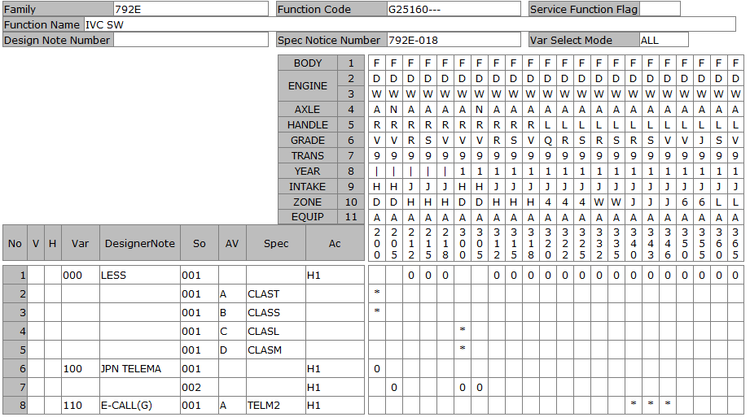
マスターの情報

G25168
DATE |  |  |  | 4/3/20
User-ID |  |  |  | KNT04421
Name |  |  |  | ICHIKAWA MASASHI
Sect
Design Note |  |  |  | KNT04421_792E_G25168_792E-021_20200403171747
Family Code |  |  |  | 792E
Function Code |  |  |  | G25168---
Function Name |  |  |  | PKB SW
Spec Notice No |  |  |  | 7.92E-19

P-TYPE | Spec Notice No | Issued data |  |  |  |  |  |  |  |  |  |  |  |  |  |  |  |  |  |  |  |  |  |  |  |  |  |  |  |  |  |  |  |  |  |  | BODY | F | F | F | F | F
 |  |  |  |  |  |  |  |  |  |  |  |  |  |  |  |  |  |  |  |  |  |  |  |  |  |  |  |  |  |  |  |  |  |  |  |  | ENGINE1 | D | D | D | D | D
 |  |  |  |  |  |  |  |  |  |  |  |  |  |  |  |  |  |  |  |  |  |  |  |  |  |  |  |  |  |  |  |  |  |  |  |  |  | W | W | W | W | W
 |  |  |  |  |  |  |  |  |  |  |  |  |  |  |  |  |  |  |  |  |  |  |  |  |  |  |  |  |  |  |  |  |  |  |  |  | AXLE | A | N | A | A | A
 |  |  |  |  |  |  |  |  |  |  |  |  |  |  |  |  |  |  |  |  |  |  |  |  |  |  |  |  |  |  |  |  |  |  |  |  | HANDLE | R | R | R | R | R
 |  |  |  |  |  |  |  |  |  |  |  |  |  |  |  |  |  |  |  |  |  |  |  |  |  |  |  |  |  |  |  |  |  |  |  |  | GRADE | V | V | R | S | V
 |  |  |  |  |  |  |  |  |  |  |  |  |  |  |  |  |  |  |  |  |  |  |  |  |  |  |  |  |  |  |  |  |  |  |  |  | TRANS | 9 | 9 | 9 | 9 | 9
 |  |  |  |  |  |  |  |  |  |  |  |  |  |  |  |  |  |  |  |  |  |  |  |  |  |  |  |  |  |  |  |  |  |  |  |  | YEAR | 1 | 1 | 1 | 1 | 1
 |  |  |  |  |  |  |  |  |  |  |  |  |  |  |  |  |  |  |  |  |  |  |  |  |  |  |  |  |  |  |  |  |  |  |  |  | INTAKE | H | H | J | J | J
 |  |  |  |  |  |  |  |  |  |  |  |  |  |  |  |  |  |  |  |  |  |  |  |  |  |  |  |  |  |  |  |  |  |  |  |  | ZONE | D | D | H | H | H
 |  |  |  |  |  |  |  |  |  |  |  |  |  |  |  |  |  |  |  |  |  |  |  |  |  |  |  |  |  |  |  |  |  |  |  |  | EQUIP | A | A | A | A | A
 |  |  | Category |  | Cond | Obj Class |  | Object | ObjectNm | Criteria |  | Limit |  | Comb reason |  | New name |  | CriteriaNm |  |  |  |  |  |  |  |  | Remarks |  |  |  |  |  |  |  | Spec code | SPEC NOTICE# | Applied Model No. | 300 | 305 | 312 | 315 | 318
 |  |  |  |  |  | COCKPIT |  | 258 | TYPE OF PARK BRAKE | FPASS |  | x |  | PKB_TYPE |  | E-PKB+AUTO HOLD |  | ELECTRICAL PARKING BRAKE |  |  |  |  |  |  |  |  | E-PKB W/ AUTO HOLD |  |  |  |  |  |  |  |  | 7.92E-16 |  | 0 | 0 | 0 | 0 | 0
 |  |  |  |  |  | MODEL YEAR |  | 528 | MODEL YEAR | MY00 |  | x |  | LAYOUT |  | CONSOLE |  | STD
 |  |  |  |  |  |  |  |  |  | MY01 |  | x |  | LAYOUT |  | CPM |  | MODEL YEAR 01 |  |  |  |  |  |  |  |  |  |  |  |  |  |  |  |  |  |  |  | 0 | 0 | 0 | 0 | 0

Simulation result |  |  |  |  |  | VAR | Var. No. | Designer Note |  |  | TYPE OF PARK BRAKE |  |  |  |  |  | MODEL YEAR |  |  |  |  |  |  |  |  |  |  |  |  |  |  |  | Eng. Memo |  | Spec code | SPEC NOTICE# | Applied Model No. | 300 | 305 | 312 | 315 | 318
 |  |  |  |  |  | A00 | 100 | E-PKB |  |  | E-PKB+AUTO HOLD |  |  |  |  |  | CONSOLE |  |  |  |  |  |  |  |  |  |  |  |  |  |  |  |  |  |  | 7.92E-19
 |  |  |  |  |  | A01 | 0 | LESS |  |  | E-PKB+AUTO HOLD |  |  |  |  |  | CPM |  |  |  |  |  |  |  |  |  |  |  |  |  |  |  |  |  |  | 7.92E-19 |  | 0 | 0 | 0 | 0 | 0

B-TYPE ASSY |  |  |  |  |  | Var. No. | Design Loc | Designer Note |  |  | SOL |  | SI | Status | Part No. |  | Part Name | Part Spec. | PC | SU | M/B | UNIT | case# | GR | NmSp#1 | NmSp#2 |  | NmSp#3 | NmSp#4 | SpSelDuDT | TechFileSuDt | Drawing / Shape No |  | DWG chg
 |  |  |  |  |  | 0 |  | LESS |  |  | 1
 |  |  |  |  |  | 100 | NSEA | E-PKB |  |  | 1 |  | 10 | PR | 251756CA0A |  | SW-ELECTRIC PKB |  | 0 | D | B | PIECE |  |  |  |  |  |  |  |  |  | 251756CA0ASR |  | -3
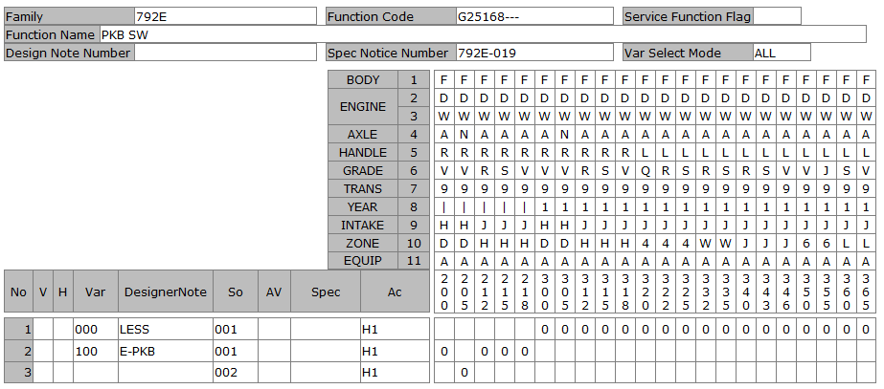
 |  |  |  |  |  |  | NML | E-PKB |  |  | 2 |  | 10 | IPL | 251756CA0A |  | SW-ELECTRIC PKB |  | 0 | D | B | PIECE |  |  |  |  |  |  |  |  |  | 251756CA0ASR |  | -3

G251A0
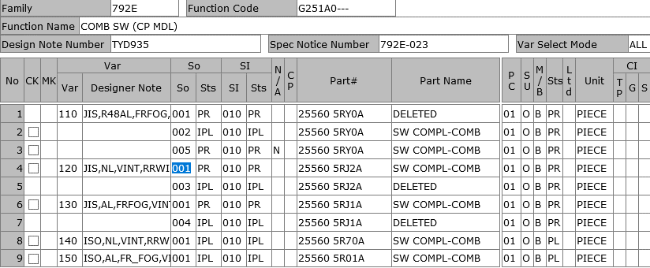
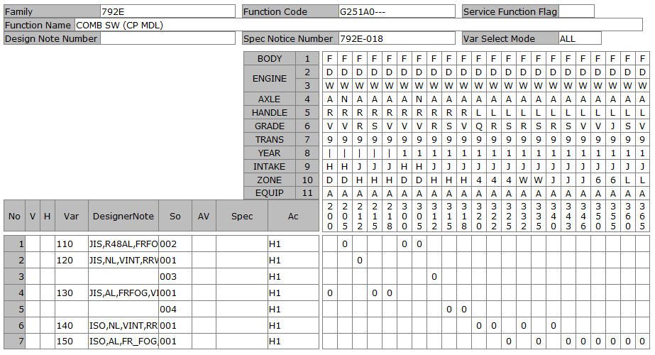
DATE |  |  |  | 6/22/20
User-ID |  |  |  | KNT12265
Name |  |  |  | VU
Sect
Design Note |  |  |  | KNT12265_792E_G251A0_792E-023_20200622151831
Family Code |  |  |  | 792E
Function Code |  |  |  | G251A0---
Function Name |  |  |  | COMB SW (CP MDL)
Spec Notice No |  |  |  | 7.92E-21

[sect1]---------------------------------------------------------------------------------------------------------------------------------------------------------------------------------------------------------------------------------------------------------------------------------------------------------------------------------------------------------------------------------------------------------------------------------------------------------------------------------------------------------------------------------------------------------

Vehicle Spec
issue date
 |  |  |  |  |  |  |  |  |  |  |  |  |  |  |  |  |  |  |  |  |  |  |  |  |  |  |  |  |  |  |  |  |  |  |  |  |  | 車両
 |  |  |  |  |  |  |  |  |  |  |  |  |  |  |  |  |  |  |  |  |  |  |  |  |  |  |  |  |  |  |  |  |  |  |  |  |  | 生産符号
 |  |  |  |  |  |  |  |  |  |  |  |  |  |  |  |  |  |  |  |  |  |  |  |  |  |  |  |  |  |  |  |  |  |  |  |  |  | 工順
 |  |  |  |  |  |  |  |  |  |  |  |  |  |  |  |  |  |  |  |  |  |  |  |  |  |  |  |  |  |  |  |  |  |  |  |  |  | モデル
 |  |  |  |  |  |  |  |  |  |  |  |  |  |  |  |  |  |  |  |  |  |  |  |  |  |  |  |  |  |  |  |  |  |  |  |  |  | 仕向け地
 |  |  |  |  |  |  |  |  |  |  |  |  |  |  |  |  |  |  |  |  |  |  |  |  |  |  |  |  |  |  |  |  |  |  |  |  |  | ボディタイプ
 |  |  |  |  |  |  |  |  |  |  |  |  |  |  |  |  |  |  |  |  |  |  |  |  |  |  |  |  |  |  |  |  |  |  |  |  |  | 気筒数
 |  |  |  |  |  |  |  |  |  |  |  |  |  |  |  |  |  |  |  |  |  |  |  |  |  |  |  |  |  |  |  |  |  |  |  |  |  | シリンダーの配置
 |  |  |  |  |  |  |  |  |  |  |  |  |  |  |  |  |  |  |  |  |  |  |  |  |  |  |  |  |  |  |  |  |  |  |  |  |  | 排気量
 |  |  |  |  |  |  |  |  |  |  |  |  |  |  |  |  |  |  |  |  |  |  |  |  |  |  |  |  |  |  |  |  |  |  |  |  |  | 駆動方式
 |  |  |  |  |  |  |  |  |  |  |  |  |  |  |  |  |  |  |  |  |  |  |  |  |  |  |  |  |  |  |  |  |  |  |  |  |  | グレード
 |  |  |  |  |  |  |  |  |  |  |  |  |  |  |  |  |  |  |  |  |  |  |  |  |  |  |  |  |  |  |  |  |  |  |  |  |  | トランスミッションタイプ
 |  |  |  |  |  |  |  |  |  |  |  |  |  |  |  |  |  |  |  |  |  |  |  |  |  |  |  |  |  |  |  |  |  |  |  |  |  | 変速数
 |  |  |  |  |  |  |  |  |  |  |  |  |  |  |  |  |  |  |  |  |  |  |  |  |  |  |  |  |  |  |  |  |  |  |  |  |  | ハンドル位置
 |  |  |  |  |  |  |  |  |  |  |  |  |  |  |  |  |  |  |  |  |  |  |  |  |  |  |  |  |  |  |  |  |  |  |  |  |  | ドア数
 |  |  |  |  |  |  |  |  |  |  |  |  |  |  |  |  |  |  |  |  |  |  |  |  |  |  |  |  |  |  |  |  |  |  |  |  |  | 乗車定員
 |  |  |  |  |  |  |  |  |  |  |  |  |  |  |  |  |  |  |  |  |  |  |  |  |  |  |  |  |  |  |  |  |  |  |  |  |  | 燃料種類
 |  |  |  |  |  |  |  |  |  |  |  |  |  |  |  |  |  |  |  |  |  |  |  |  |  |  |  |  |  |  |  |  |  |  |  |  |  | トーイングキャパシティ
 |  |  |  |  |  |  |  |  |  |  |  |  |  |  |  |  |  |  |  |  |  |  |  |  |  |  |  |  |  |  |  |  |  |  |  |  |  | App. No.

P-TYPE | Spec Notice No | Issued data |  |  |  |  |  |  |  |  |  |  |  |  |  |  |  |  |  |  |  |  |  |  |  |  |  |  |  |  |  |  |  |  |  |  |  | BODY |  |  |  |  |  |  | F | F | F | F | F
 |  |  |  |  |  |  |  |  |  |  |  |  |  |  |  |  |  |  |  |  |  |  |  |  |  |  |  |  |  |  |  |  |  |  |  |  |  | ENGINE1 |  |  |  |  |  |  | D | D | D | D | D
 |  |  |  |  |  |  |  |  |  |  |  |  |  |  |  |  |  |  |  |  |  |  |  |  |  |  |  |  |  |  |  |  |  |  |  |  |  |  |  |  |  |  |  |  | W | W | W | W | W
 |  |  |  |  |  |  |  |  |  |  |  |  |  |  |  |  |  |  |  |  |  |  |  |  |  |  |  |  |  |  |  |  |  |  |  |  |  | AXLE |  |  |  |  |  |  | A | N | A | A | A
 |  |  |  |  |  |  |  |  |  |  |  |  |  |  |  |  |  |  |  |  |  |  |  |  |  |  |  |  |  |  |  |  |  |  |  |  |  | HANDLE |  |  |  |  |  |  | R | R | R | R | R
 |  |  |  |  |  |  |  |  |  |  |  |  |  |  |  |  |  |  |  |  |  |  |  |  |  |  |  |  |  |  |  |  |  |  |  |  |  | GRADE |  |  |  |  |  |  | V | V | R | S | V
 |  |  |  |  |  |  |  |  |  |  |  |  |  |  |  |  |  |  |  |  |  |  |  |  |  |  |  |  |  |  |  |  |  |  |  |  |  | TRANS |  |  |  |  |  |  | 9 | 9 | 9 | 9 | 9
 |  |  |  |  |  |  |  |  |  |  |  |  |  |  |  |  |  |  |  |  |  |  |  |  |  |  |  |  |  |  |  |  |  |  |  |  |  | YEAR |  |  |  |  |  |  | 1 | 1 | 1 | 1 | 1
 |  |  |  |  |  |  |  |  |  |  |  |  |  |  |  |  |  |  |  |  |  |  |  |  |  |  |  |  |  |  |  |  |  |  |  |  |  | INTAKE |  |  |  |  |  |  | H | H | J | J | J
 |  |  |  |  |  |  |  |  |  |  |  |  |  |  |  |  |  |  |  |  |  |  |  |  |  |  |  |  |  |  |  |  |  |  |  |  |  | ZONE |  |  |  |  |  |  | D | D | H | H | H
 |  |  |  |  |  |  |  |  |  |  |  |  |  |  |  |  |  |  |  |  |  |  |  |  |  |  |  |  |  |  |  |  |  |  |  |  |  | EQUIP |  |  |  |  |  |  | A | A | A | A | A
 |  |  | Category |  | Cond | Obj Class |  | Object | ObjectNm | Criteria |  | Limit |  | Comb reason |  | New name |  | CriteriaNm |  |  |  |  |  |  |  |  | Remarks |  |  |  |  |  |  |  | Spec code | SPEC NOTICE# |  | Applied Model No. |  |  |  |  |  |  | 300 | 305 | 312 | 315 | 318
 |  |  |  |  |  | TECHNICAL ENVELOPES / ZON |  | 800 | TECHNICAL ENVELOPES / ZON | DOMES |  | x |  | LEVER_TYPE |  | JASO |  | JAPAN |  |  |  |  |  |  |  |  |  |  |  |  |  |  |  |  |  |  |  |  |  |  |  |  |  |  | 0 | 0
 |  |  |  |  |  |  |  |  |  | GEXPH |  | x |  | LEVER_TYPE |  | JASO |  | TECH ENV NIS EXPORT HOT |  |  |  |  |  |  |  |  |  |  |  |  |  |  |  |  |  |  |  |  |  |  |  |  |  |  |  |  | 0 | 0 | 0
 |  |  |  |  |  |  |  |  |  | MEXIC |  | x |  | LEVER_TYPE |  | ISO |  | TECH. ENVELOP NIS MEXI
 |  |  |  |  |  |  |  |  |  | MERCS |  | x |  | LEVER_TYPE |  | ISO |  | TECH. ENVELOP NIS MERCOSULE
 |  |  |  |  |  |  |  |  |  | GEXPW |  | x |  | LEVER_TYPE |  | ISO |  | GOM.B
 |  |  |  |  |  |  |  |  |  | TCEV1 |  | x |  | LEVER_TYPE |  | JASO |  | TECHNICAL ENVELOP 01
 |  |  |  |  |  |  |  |  |  | TCEV2 |  | x |  | LEVER_TYPE |  | JASO |  | TECHNICAL ENVELOP 02
 |  |  |  |  |  |  |  |  |  | TCEV3 |  | x |  | LEVER_TYPE |  | ISO |  | TECHNICAL ENVELOP 03
 |  |  |  |  |  |  |  |  |  | BRAZL |  | x |  | LEVER_TYPE |  | ISO |  | TECH ENV NIS BRAZIL
 |  |  |  |  |  | DRIVER SIDE |  | 27 | DRIVER SIDE | RHD |  | x |  | RHD |  | RHD |  | RIGHT-HAND DRIVE |  |  |  |  |  |  |  |  |  |  |  |  |  |  |  |  |  |  |  |  |  |  |  |  |  |  | 0 | 0 | 0 | 0 | 0
 |  |  |  |  |  |  |  |  |  | LHDG |  | x |  | LHD |  | LHD |  | LEFT HAND DRIVE
 |  |  |  |  |  | VISIBILITY |  | A21 | AUTO LIGHT SYSTEM | AULG6 |  | x |  | AUTO_LIGHT |  | AL |  | AUTO LIGHT SYSTEM TYPE6 |  |  |  |  |  |  |  |  | ENHANCED AUTO LIGHT + AUTO HAZARD + FOLLOW ME HOME |  |  |  |  |  |  |  |  | 7.92E-16 |  |  |  |  |  |  |  |  |  |  |  | 0 | 0
 |  |  |  |  |  |  |  |  |  | AULG7 |  | x |  | AUTO_LIGHT |  | AL_W/O OFF |  | AUTO LIGHT SYSTEM TYPE7 |  |  |  |  |  |  |  |  | PERMANENT AUTO LIGHT + AUTO HAZARD + FOLLOW ME HOME |  |  |  |  |  |  |  |  | 7.92E-16 |  |  |  |  |  |  |  |  | 0 | 0
 |  |  |  |  |  |  |  |  |  | AULG0 |  | x |  | AUTO_LIGHT |  | NL |  | NON AUTO LIGHT SYSTEM |  |  |  |  |  |  |  |  | W/O AUTO LIGHT + AUTO HAZARD + FOLLOW ME HOME |  |  |  |  |  |  |  |  | 7.92E-16 |  |  |  |  |  |  |  |  |  |  | 0
 |  |  |  |  |  |  |  | 82 | FRONT FOG LAMP | FGLM2 |  | x |  | FR-FOG |  | W/ FR FOG |  | FOG LIGHTS N 02 |  |  |  |  |  |  |  |  | W/ FR FOG LAMP (LED) |  |  |  |  |  |  |  |  | 7.92E-16 |  |  |  |  |  |  |  |  | 0 | 0 |  | 0 | 0
 |  |  |  |  |  |  |  |  |  | ADLM0 |  | x |  | FR-FOG |  | W/O FR FOG |  | WITHOUT ADDITIONAL HEADLIGHTS |  |  |  |  |  |  |  |  | W/O FR FOG LAMP (W/O PRE-WIRING FOR FR FOG LAMP) |  |  |  |  |  |  |  |  | 7.92E-16 |  |  |  |  |  |  |  |  |  |  | 0
 |  |  |  |  |  |  |  | 353 | FRONT WINDSCREEN WIPER SP | FWWVS |  | x |  | INTERMITTENT |  | VINT |  | FRONT WINDSCREEN WIPERS VARIABLE SPEED |  |  |  |  |  |  |  |  | MANUAL: VARIABLE INTERMITTENT & MIST WIPE |  |  |  |  |  |  |  |  | 7.92E-16 |  |  |  |  |  |  |  |  | 0 | 0 | 0 | 0 | 0
 |  |  |  |  |  |  |  | 69 | REAR SCREEN WIPER | RSWP2 |  | x |  | RR-WIPER |  | Ｗ/RR WIPER |  | WITH REAR SCREEN WIPERS |  |  |  |  |  |  |  |  | W/ REAR WIPER (MOTION W/ REVERSE GEAR) |  |  |  |  |  |  |  |  | 7.92E-16 |  |  |  |  |  |  |  |  | 0 | 0 | 0 | 0 | 0

Simulation result |  |  |  |  |  | VAR | Var. No. | Designer Note |  |  | TECHNICAL ENVELOPES / ZON |  |  |  |  |  | DRIVER SIDE | AUTO LIGHT SYSTEM |  | FRONT FOG LAMP |  |  | FRONT WINDSCREEN WIPER SP |  |  |  |  |  | REAR SCREEN WIPER |  |  |  | Eng. Memo |  | Spec code | SPEC NOTICE# |  | Applied Model No. |  |  |  |  |  |  | 300 | 305 | 312 | 315 | 318
 |  |  |  |  |  | A00 | 130 | JIS,AL,FRFOG,VINT |  |  |  |  |  |  |  |  |  |  |  |  |  |  |  |  |  |  |  |  |  |  |  |  |  |  |  | 7.92E-21 |  |  |  |  |  |  |  |  |  |  |  | 0 | 0
 |  |  |  |  |  | A01 | 110 | JIS,R48AL,FRFOG,VINT,RRWIP,AR |  |  |  |  |  |  |  |  |  |  |  |  |  |  |  |  |  |  |  |  |  |  |  |  |  |  |  | 7.92E-21 |  |  |  |  |  |  |  |  | 0 | 0
 |  |  |  |  |  | A02 | 120 | JIS,NL,VINT,RRWIP,AR |  |  |  |  |  |  |  |  |  |  |  |  |  |  |  |  |  |  |  |  |  |  |  |  |  |  |  | 7.92E-21 |  |  |  |  |  |  |  |  |  |  | 0

B-TYPE ASSY |  |  |  |  |  | Var. No. | Design Loc | Designer Note |  |  | SOL |  | SI | Status | Part No. |  | Part Name | Part Spec. | PC | SU | M/B | UNIT | case# | GR | NmSp#1 | NmSp#2 |  | NmSp#3 | NmSp#4 | SpSelDuDT | TechFileSuDt | Drawing / Shape No |  | DWG chg
 |  |  |  |  |  | 110 | NS | JIS,R48AL,FRFOG,VINT,RRWIP,AR |  |  | 1 |  | 10 | PR | 255605RY0A |  | DELETE |  | 1 | O | B | PIECE |  |  |  |  |  |  |  |  |  | 255605RJ1AG1 |  | -1
 |  |  |  |  |  |  | NML | JIS,R48AL,FRFOG,VINT,RRWIP,AR |  |  | 2 |  | 10 | IPL | 255605RY0A |  | SW COMPL-COMB |  | 1 | O | B | PIECE | 2 | A |  |  |  |  |  |  |  | 255605RJ1AG1 |  | -1
 |  |  |  |  |  | 120 | NSEA | JIS,NL,VINT,RRWIP,AR |  |  | 1 |  | 10 | PR | 255605RJ2A |  | SW COMPL-COMB |  | 1 | O | B | PIECE |  |  |  |  |  |  |  |  |  | 255605RJ1AG1 |  | -1 |  |  |  |  |  |  |  |  |  |  | 3 | 3 | 3 | 3 | 3
 |  |  |  |  |  |  | NML | JIS,NL,VINT,RRWIP,AR |  |  | 3 |  | 10 | IPL | 255605RJ2A |  | SW COMPL-COMB |  | 1 | O | B | PIECE | 2 | A |  |  |  |  |  |  |  | 255605RJ1AG1 |  | -1 |  |  |  |  |  |  |  |  |  |  | 0 | 0 | 1 | 1 | 1
 |  |  |  |  |  | 130 | NSEA | JIS,AL,FRFOG,VINT |  |  | 1 |  | 10 | PR | 255605RJ1A |  | SW COMPL-COMB |  | 1 | O | B | PIECE |  |  |  |  |  |  |  |  |  | 255605RJ1AG1 |  | -1 |  |  |  |  |  |  |  |  |  |  | 0 | 5 | 2 | 5 | 8
 |  |  |  |  |  |  | NML | JIS,AL,FRFOG,VINT |  |  | 4 |  | 10 | IPL | 255605RJ1A |  | SW COMPL-COMB |  | 1 | O | B | PIECE | 2 | A |  |  |  |  |  |  |  | 255605RJ1AG1 |  | -1 |  |  |  | V | Var | So | Ac | Designer Note/SpecCode | Criteria | D/N #
 |  |  |  |  |  | 140 | NML | ISO,NL,VINT,RRWIP |  |  | 1 |  | 10 | IPL | 255605R70A |  | SW COMPL-COMB |  | 1 | O | B | PIECE | 2 | A |  |  |  |  |  |  |  |  |  |  |  |  | CHG |  | '110 | '002 | H1 | JIS,R48AL,FRFOG,VINT,RRWIP,AR |  | 'TYD935 | X | X | . | . | .
 |  |  |  |  |  | 150 | NML | ISO,AL,FR_FOG,VINT,RRWIP |  |  | 1 |  | 10 | IPL | 255605R01A |  | SW COMPL-COMB |  | 1 | O | B | PIECE | 2 | A |  |  |  |  |  |  |  |  |  |  |  |  | ADD |  | '110 | '005 | H1 | JIS,R48AL,FRFOG,VINT,RRWIP,AR |  | 'TYD935 | N | N | . | . | .
 |  |  |  |  |  |  |  |  |  |  |  |  |  |  |  |  |  |  |  |  |  |  |  |  |  |  |  |  |  |  |  |  |  |  |  |  | CHG |  | '120 | '001 | H1 | JIS,NL,VINT,RRWIP,AR |  | 'TYD935 | . | . | N | . | .
 |  |  |  |  |  |  |  |  |  |  |  |  |  |  |  |  |  |  |  |  |  |  |  |  |  |  |  |  |  |  |  |  |  |  |  |  | DEL |  | '120 | '003 | H1 | JIS,NL,VINT,RRWIP,AR |  | 'TYD935 | . | . | X | . | .

G251A2
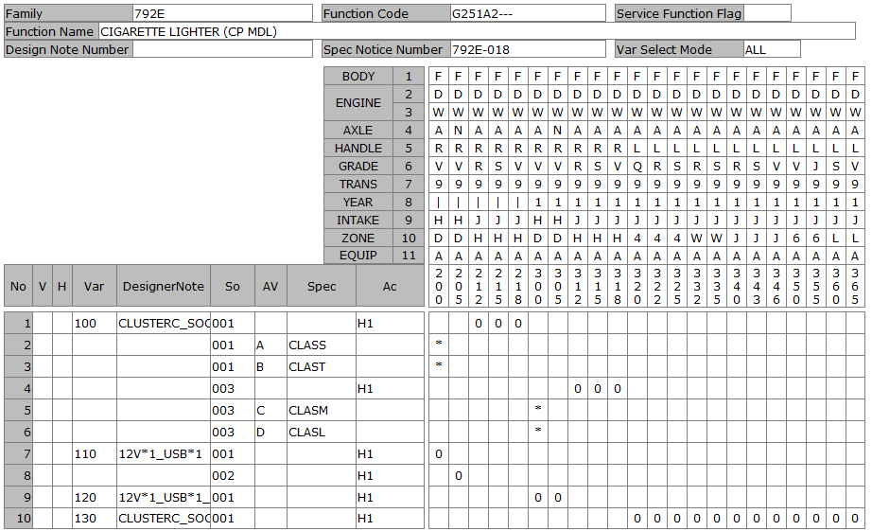
DATE |  |  |  | 4/6/20
User-ID |  |  |  | KNT04421
Name |  |  |  | ICHIKAWA MASASHI
Sect
Design Note |  |  |  | KNT04421_792E_G251A2_792E-021_20200406190821
Family Code |  |  |  | 792E
Function Code |  |  |  | G251A2---
Function Name |  |  |  | CIGARETTE LIGHTER (CP MDL)
Spec Notice No |  |  |  | 7.92E-19

P-TYPE | Spec Notice No | Issued data |  |  |  |  |  |  |  |  |  |  |  |  |  |  |  |  |  |  |  |  |  |  |  |  |  |  |  |  |  |  |  |  |  |  |  | BODY |  |  |  |  |  |  | F | F | F | F | F
 |  |  |  |  |  |  |  |  |  |  |  |  |  |  |  |  |  |  |  |  |  |  |  |  |  |  |  |  |  |  |  |  |  |  |  |  |  | ENGINE1 |  |  |  |  |  |  | D | D | D | D | D
 |  |  |  |  |  |  |  |  |  |  |  |  |  |  |  |  |  |  |  |  |  |  |  |  |  |  |  |  |  |  |  |  |  |  |  |  |  |  |  |  |  |  |  |  | W | W | W | W | W
 |  |  |  |  |  |  |  |  |  |  |  |  |  |  |  |  |  |  |  |  |  |  |  |  |  |  |  |  |  |  |  |  |  |  |  |  |  | AXLE |  |  |  |  |  |  | A | N | A | A | A
 |  |  |  |  |  |  |  |  |  |  |  |  |  |  |  |  |  |  |  |  |  |  |  |  |  |  |  |  |  |  |  |  |  |  |  |  |  | HANDLE |  |  |  |  |  |  | R | R | R | R | R
 |  |  |  |  |  |  |  |  |  |  |  |  |  |  |  |  |  |  |  |  |  |  |  |  |  |  |  |  |  |  |  |  |  |  |  |  |  | GRADE |  |  |  |  |  |  | V | V | R | S | V
 |  |  |  |  |  |  |  |  |  |  |  |  |  |  |  |  |  |  |  |  |  |  |  |  |  |  |  |  |  |  |  |  |  |  |  |  |  | TRANS |  |  |  |  |  |  | 9 | 9 | 9 | 9 | 9
 |  |  |  |  |  |  |  |  |  |  |  |  |  |  |  |  |  |  |  |  |  |  |  |  |  |  |  |  |  |  |  |  |  |  |  |  |  | YEAR |  |  |  |  |  |  | 1 | 1 | 1 | 1 | 1
 |  |  |  |  |  |  |  |  |  |  |  |  |  |  |  |  |  |  |  |  |  |  |  |  |  |  |  |  |  |  |  |  |  |  |  |  |  | INTAKE |  |  |  |  |  |  | H | H | J | J | J
 |  |  |  |  |  |  |  |  |  |  |  |  |  |  |  |  |  |  |  |  |  |  |  |  |  |  |  |  |  |  |  |  |  |  |  |  |  | ZONE |  |  |  |  |  |  | D | D | H | H | H
 |  |  |  |  |  |  |  |  |  |  |  |  |  |  |  |  |  |  |  |  |  |  |  |  |  |  |  |  |  |  |  |  |  |  |  |  |  | EQUIP |  |  |  |  |  |  | A | A | A | A | A
 |  |  | Category |  | Cond | Obj Class |  | Object | ObjectNm | Criteria |  | Limit |  | Comb reason |  | New name |  | CriteriaNm |  |  |  |  |  |  |  |  | Remarks |  |  |  |  |  |  |  | Spec code | SPEC NOTICE# |  | Applied Model No. |  |  |  |  |  |  | 300 | 305 | 312 | 315 | 318
 |  |  |  |  |  | AMENITY |  | 466 | SOCKET ACCESSORY | ADPW6 |  | x |  | FR_12V_USB-CHARGE |  | 12V+USB |  | CIGARETTE LIGHTER |  |  |  |  |  |  |  |  | W/ POWER OUTLET 12V*1 + USB*1 (CLUSTER-C) + USB*1 (BACK SIDE OF CONSOLE) |  |  |  |  |  |  |  |  | 7.92E-16 |  |  |  |  |  |  |  |  | 0 | 0
 |  |  |  |  |  |  |  |  |  | ADPW7 |  | x |  | FR_12V_USB-CHARGE |  | 12V |  | REAR ACC/SOCKE + CIGAR LIGHTER |  |  |  |  |  |  |  |  | W/ POWER OUTLET 12V*1 (CLUSTER-C) + USB*2 (BACK SIDE OF CONSOLE) |  |  |  |  |  |  |  |  | 7.92E-16 |  |  |  |  |  |  |  |  |  |  | 0 | 0 | 0
 |  |  |  |  |  |  |  |  |  | ADPW7 |  | x |  | FR_12V_USB-CHARGE |  | 12V |  | REAR ACC/SOCKE + CIGAR LIGHTER |  |  |  |  |  |  |  |  | W/ POWER OUTLET 12V*1 (CLUSTER-C) + USB*2 (BACK SIDE OF CONSOLE) |  |  |  |  |  |  |  | CLASL | 7.92E-16 |  |  |  |  |  |  |  |  | *
 |  |  |  |  |  |  |  |  |  | ADPW7 |  | x |  | FR_12V_USB-CHARGE |  | 12V |  | REAR ACC/SOCKE + CIGAR LIGHTER |  |  |  |  |  |  |  |  | W/ POWER OUTLET 12V*1 (CLUSTER-C) + USB*2 (BACK SIDE OF CONSOLE) |  |  |  |  |  |  |  | CLASM | 7.92E-16 |  |  |  |  |  |  |  |  | *
 |  |  |  |  |  |  |  |  |  | ADPW7 |  | x |  | FR_12V_USB-CHARGE |  | 12V |  | REAR ACC/SOCKE + CIGAR LIGHTER |  |  |  |  |  |  |  |  | W/ POWER OUTLET 12V*1 (CLUSTER-C) + USB*2 (BACK SIDE OF CONSOLE) |  |  |  |  |  |  |  | CLASS | 7.92E-16
 |  |  |  |  |  |  |  |  |  | ADPW7 |  | x |  | FR_12V_USB-CHARGE |  | 12V |  | REAR ACC/SOCKE + CIGAR LIGHTER |  |  |  |  |  |  |  |  | W/ POWER OUTLET 12V*1 (CLUSTER-C) + USB*2 (BACK SIDE OF CONSOLE) |  |  |  |  |  |  |  | CLAST | 7.92E-16
 |  |  |  |  |  | MODEL YEAR |  | 528 | MODEL YEAR | MY00 |  | x |  | USB_ILLUMI |  | WO_ILLUMI |  | STD
 |  |  |  |  |  |  |  |  |  | MY01 |  | x |  | USB_ILLUMI |  | W_USB_ILLUMI |  | MODEL YEAR 01 |  |  |  |  |  |  |  |  |  |  |  |  |  |  |  |  |  |  |  |  |  |  |  |  |  |  | 0 | 0 | 0 | 0 | 0

Simulation result |  |  |  |  |  | VAR | Var. No. | Designer Note |  |  | SOCKET ACCESSORY |  |  |  |  |  | MODEL YEAR |  |  |  |  |  |  |  |  |  |  |  |  |  |  |  | Eng. Memo |  | Spec code | SPEC NOTICE# |  | Applied Model No. |  |  |  |  |  |  | 300 | 305 | 312 | 315 | 318
 |  |  |  |  |  | A00 | 110 | 12V*1_USB*1 |  |  | 12V+USB |  |  |  |  |  | WO_ILLUMI |  |  |  |  |  |  |  |  |  |  |  |  |  |  |  |  |  |  | 7.92E-19
 |  |  |  |  |  | A01 | 120 | 12V*1_USB*1_ILL |  |  | 12V+USB |  |  |  |  |  | W_USB_ILLUMI |  |  |  |  |  |  |  |  |  |  |  |  |  |  |  |  |  |  | 7.92E-19 |  |  |  |  |  |  |  |  | 0 | 0
 |  |  |  |  |  | A02 | 100 | CLUSTERC_SOCKET |  |  | 12V |  |  |  |  |  | WO_ILLUMI |  |  |  |  |  |  |  |  |  |  |  |  |  |  |  |  |  |  | 7.92E-19
 |  |  |  |  |  |  |  |  |  |  | 12V |  |  |  |  |  | WO_ILLUMI |  |  |  |  |  |  |  |  |  |  |  |  |  |  |  |  |  | CLASS | 7.92E-19
 |  |  |  |  |  |  |  |  |  |  | 12V |  |  |  |  |  | WO_ILLUMI |  |  |  |  |  |  |  |  |  |  |  |  |  |  |  |  |  | CLAST | 7.92E-19
 |  |  |  |  |  | A03 | 100 | CLUSTERC_SOCKET |  |  | 12V |  |  |  |  |  | W_USB_ILLUMI |  |  |  |  |  |  |  |  |  |  |  |  |  |  |  | Cobine with A02 |  |  | 7.92E-19 |  |  |  |  |  |  |  |  |  |  | 0 | 0 | 0
 |  |  |  |  |  |  |  |  |  |  | 12V |  |  |  |  |  | W_USB_ILLUMI |  |  |  |  |  |  |  |  |  |  |  |  |  |  |  |  |  | CLASM | 7.92E-19 |  |  |  |  |  |  |  |  | *
 |  |  |  |  |  |  |  |  |  |  | 12V |  |  |  |  |  | W_USB_ILLUMI |  |  |  |  |  |  |  |  |  |  |  |  |  |  |  |  |  | CLASL | 7.92E-19 |  |  |  |  |  |  |  |  | *

B-TYPE ASSY |  |  |  |  |  | Var. No. | Design Loc | Designer Note |  |  | SOL |  | SI | Status | Part No. |  | Part Name | Part Spec. | PC | SU | M/B | UNIT | case# | GR | NmSp#1 | NmSp#2 |  | NmSp#3 | NmSp#4 | SpSelDuDT | TechFileSuDt | Drawing / Shape No |  | DWG chg
 |  |  |  |  |  | 100 | NSEA | CLUSTERC_SOCKET |  |  | 1 |  | 10 | PR | 253313SH0A |  | POWER SOCKET ASSY |  | 1 | O | B | PIECE |  |  |  |  |  |  |  |  |  | 253313SH0AB1 |  | 0
 |  |  |  |  |  |  | NML | CLUSTERC_SOCKET |  |  | 3 |  | 10 | IPL | 253313SH0A |  | POWER SOCKET ASSY |  | 1 | O | B | PIECE |  |  |  |  |  |  |  |  |  | 253313SH0AB1 |  | 0
 |  |  |  |  |  | 110 | NSEA | 12V*1_USB*1 |  |  | 1 |  | 10 | PR | 253313SH0A |  | POWER SOCKET ASSY |  | 1 | O | B | PIECE |  |  |  |  |  |  |  |  |  | 253313SH0AB1 |  | 0 |  |  |  |  |  |  |  |  |  |  | 3 | 3 | 3 | 3 | 3
 |  |  |  |  |  |  |  |  |  |  |  |  | 30 | PR | 253316RA1A |  | POWER SOCKET ASSY |  | 1 | O | B | PIECE |  |  |  |  |  |  |  |  |  | 253316RA1AG1 |  | 0 |  |  |  |  |  |  |  |  |  |  | 0 | 0 | 1 | 1 | 1
 |  |  |  |  |  |  | NML | 12V*1_USB*1 |  |  | 2 |  | 10 | IPL | 253313SH0A |  | POWER SOCKET ASSY |  | 1 | O | B | PIECE |  |  |  |  |  |  |  |  |  | 253313SH0AB1 |  | 0 |  |  |  |  |  |  |  |  |  |  | 0 | 5 | 2 | 5 | 8
 |  |  |  |  |  |  |  |  |  |  |  |  | 30 | IPL | 253316RA1A |  | POWER SOCKET ASSY |  | 0 | D | B | PIECE |  |  |  |  |  |  |  |  |  | 253316RA1AG1 |  | 0 |  |  |  | V | Var | So | Ac | Designer Note/SpecCode | Criteria | D/N #
 |  |  |  |  |  | 120 | NML | 12V*1_USB*1_ILL |  |  | 1 |  | 10 | IPL | 253313SH0A |  | POWER SOCKET ASSY |  | 1 | O | B | PIECE |  |  |  |  |  |  |  |  |  | 253313SH0AB1 |  | 0 |  |  | CHG |  | '100 | '001 | H1 | CLUSTERC_SOCKET |  | 'TYD935 | . | . | N | N | N
 |  |  |  |  |  |  |  |  |  |  |  |  | 30 | IPL | 253316TA1A |  | POWER SOCKET ASSY |  | 1 | O | B | PIECE |  |  |  |  |  |  |  |  |  | 253316RA1AG1 |  | 0 |  |  | ADD |  | 'C | '001 | H1 | CLASM |  | 'TYD935 | N | . | . | . | .
 |  |  |  |  |  | 130 | NML | CLUSTERC_SOCKET W/_ILL |  |  | 1 |  | 15 | IPL | 253364RA0A |  | CASE-INR,CIGARETTE LIGHTER |  | 1 | O | B | PIECE |  |  |  |  |  |  |  |  |  | 253364RA0AC1 |  | 0 |  |  | ADD |  | 'D | '001 | H1 | CLASL |  | 'TYD935 | N | . | . | . | .
 |  |  |  |  |  |  |  |  |  |  |  |  | 20 | IPL | 253395RL0A |  | RING-CIGARETTE LIGHTER |  | 1 | O | B | PIECE |  |  |  |  |  |  |  |  |  | 253395RL0AD1 |  | -1 |  |  | DEL |  | '100 | '003 | H1 | CLUSTERC_SOCKET |  | 'TYD935 | . | . | X | X | X
 |  |  |  |  |  |  |  |  |  |  |  |  |  |  |  |  |  |  |  |  |  |  |  |  |  |  |  |  |  |  |  |  |  |  |  |  | DEL |  | 'C | '003 | H1 | CLASM |  | 'TYD935 | X | . | . | . | .
 |  |  |  |  |  |  |  |  |  |  |  |  |  |  |  |  |  |  |  |  |  |  |  |  |  |  |  |  |  |  |  |  |  |  |  |  | DEL |  | 'D | '003 | H1 | CLASL |  | 'TYD935 | X | . | . | . | .

G251A3
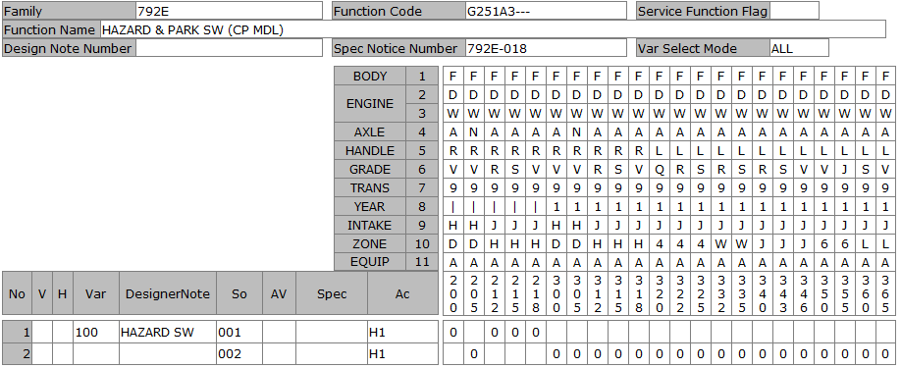
DATE |  |  |  | 4/6/20
User-ID |  |  |  | KNT04421
Name |  |  |  | ICHIKAWA
Sect
Design Note |  |  |  | KNT04421_792E_G251A3_792E-021_20200406192143
Family Code |  |  |  | 792E
Function Code |  |  |  | G251A3---
Function Name |  |  |  | HAZARD & PARK SW (CP MDL)
Spec Notice No |  |  |  | 7.92E-19

P-TYPE | Spec Notice No | Issued data |  |  |  |  |  |  |  |  |  |  |  |  |  |  |  |  |  |  |  |  |  |  |  |  |  |  |  |  |  |  |  |  |  |  |  | BODY |  |  |  |  |  |  | F | F | F | F | F
 |  |  |  |  |  |  |  |  |  |  |  |  |  |  |  |  |  |  |  |  |  |  |  |  |  |  |  |  |  |  |  |  |  |  |  |  |  | ENGINE1 |  |  |  |  |  |  | D | D | D | D | D
 |  |  |  |  |  |  |  |  |  |  |  |  |  |  |  |  |  |  |  |  |  |  |  |  |  |  |  |  |  |  |  |  |  |  |  |  |  |  |  |  |  |  |  |  | W | W | W | W | W
 |  |  |  |  |  |  |  |  |  |  |  |  |  |  |  |  |  |  |  |  |  |  |  |  |  |  |  |  |  |  |  |  |  |  |  |  |  | AXLE |  |  |  |  |  |  | A | N | A | A | A
 |  |  |  |  |  |  |  |  |  |  |  |  |  |  |  |  |  |  |  |  |  |  |  |  |  |  |  |  |  |  |  |  |  |  |  |  |  | HANDLE |  |  |  |  |  |  | R | R | R | R | R
 |  |  |  |  |  |  |  |  |  |  |  |  |  |  |  |  |  |  |  |  |  |  |  |  |  |  |  |  |  |  |  |  |  |  |  |  |  | GRADE |  |  |  |  |  |  | V | V | R | S | V
 |  |  |  |  |  |  |  |  |  |  |  |  |  |  |  |  |  |  |  |  |  |  |  |  |  |  |  |  |  |  |  |  |  |  |  |  |  | TRANS |  |  |  |  |  |  | 9 | 9 | 9 | 9 | 9
 |  |  |  |  |  |  |  |  |  |  |  |  |  |  |  |  |  |  |  |  |  |  |  |  |  |  |  |  |  |  |  |  |  |  |  |  |  | YEAR |  |  |  |  |  |  | 1 | 1 | 1 | 1 | 1
 |  |  |  |  |  |  |  |  |  |  |  |  |  |  |  |  |  |  |  |  |  |  |  |  |  |  |  |  |  |  |  |  |  |  |  |  |  | INTAKE |  |  |  |  |  |  | H | H | J | J | J
 |  |  |  |  |  |  |  |  |  |  |  |  |  |  |  |  |  |  |  |  |  |  |  |  |  |  |  |  |  |  |  |  |  |  |  |  |  | ZONE |  |  |  |  |  |  | D | D | H | H | H
 |  |  |  |  |  |  |  |  |  |  |  |  |  |  |  |  |  |  |  |  |  |  |  |  |  |  |  |  |  |  |  |  |  |  |  |  |  | EQUIP |  |  |  |  |  |  | A | A | A | A | A
 |  |  | Category |  | Cond | Obj Class |  | Object | ObjectNm | Criteria |  | Limit |  | Comb reason |  | New name |  | CriteriaNm |  |  |  |  |  |  |  |  | Remarks |  |  |  |  |  |  |  | Spec code | SPEC NOTICE# |  | Applied Model No. |  |  |  |  |  |  | 300 | 305 | 312 | 315 | 318
 |  |  |  |  |  | TYPE OF VEHICLE |  | 8 | TYPE OF VEHICLE | FMQ |  | x |  | HAZ-SW |  | ALL |  | 5 DOORS H/B |  |  |  |  |  |  |  |  |  |  |  |  |  |  |  |  |  |  |  |  |  |  |  |  |  |  | 0 | 0 | 0 | 0 | 0

Simulation result |  |  |  |  |  | VAR | Var. No. | Designer Note |  |  | TYPE OF VEHICLE |  |  |  |  |  |  |  |  |  |  |  |  |  |  |  |  |  |  |  |  |  | Eng. Memo |  | Spec code | SPEC NOTICE# |  | Applied Model No. |  |  |  |  |  |  | 300 | 305 | 312 | 315 | 318
 |  |  |  |  |  | A00 | 100 | HAZARD SW |  |  | ALL |  |  |  |  |  |  |  |  |  |  |  |  |  |  |  |  |  |  |  |  |  |  |  |  | 7.92E-19 |  |  |  |  |  |  |  |  | 0 | 0 | 0 | 0 | 0

B-TYPE ASSY |  |  |  |  |  | Var. No. | Design Loc | Designer Note |  |  | SOL |  | SI | Status | Part No. |  | Part Name | Part Spec. | PC | SU | M/B | UNIT | case# | GR | NmSp#1 | NmSp#2 |  | NmSp#3 | NmSp#4 | SpSelDuDT | TechFileSuDt | Drawing / Shape No |  | DWG chg
 |  |  |  |  |  | 100 | NSEA | HAZARD SW |  |  | 1 |  | 10 | PR | 252905RA0A |  | SW ASSY-HAZARD |  | 1 | O | B | PIECE |  |  |  |  |  |  |  |  |  | 252905RA0AD1 |  | -2
 |  |  |  |  |  |  | NML | HAZARD SW |  |  | 2 |  | 10 | IPL | 252905RA0A |  | SW ASSY-HAZARD |  | 1 | O | B | PIECE |  |  |  |  |  |  |  |  |  | 252905RA0AD1 |  | -2

 |  |  |  |  |  |  |  |  |  |  |  |  |  |  |  |  |  |  |  |  |  |  |  |  |  |  |  |  |  |  |  |  |  |  |  |  |  |  |  |  |  |  |  |  | 3 | 3 | 3 | 3 | 3
 |  |  |  |  |  |  |  |  |  |  |  |  |  |  |  |  |  |  |  |  |  |  |  |  |  |  |  |  |  |  |  |  |  |  |  |  |  |  |  |  |  |  |  |  | 0 | 0 | 1 | 1 | 1
 |  |  |  |  |  |  |  |  |  |  |  |  |  |  |  |  |  |  |  |  |  |  |  |  |  |  |  |  |  |  |  |  |  |  |  |  |  |  |  |  |  |  |  |  | 0 | 5 | 2 | 5 | 8
 |  |  |  |  |  |  |  |  |  |  |  |  |  |  |  |  |  |  |  |  |  |  |  |  |  |  |  |  |  |  |  |  |  |  |  |  |  | V | Var | So | Ac | Designer Note/SpecCode | Criteria | D/N #
 |  |  |  |  |  |  |  |  |  |  |  |  |  |  |  |  |  |  |  |  |  |  |  |  |  |  |  |  |  |  |  |  |  |  |  |  | CHG |  | '100 | '001 | H1 | HAZARD SW |  | 'TYD935 | N | N | N | N | N
 |  |  |  |  |  |  |  |  |  |  |  |  |  |  |  |  |  |  |  |  |  |  |  |  |  |  |  |  |  |  |  |  |  |  |  |  | CHG |  | '100 | '002 | H1 | HAZARD SW |  | 'TYD935 | X | X | X | X | X

G251F5
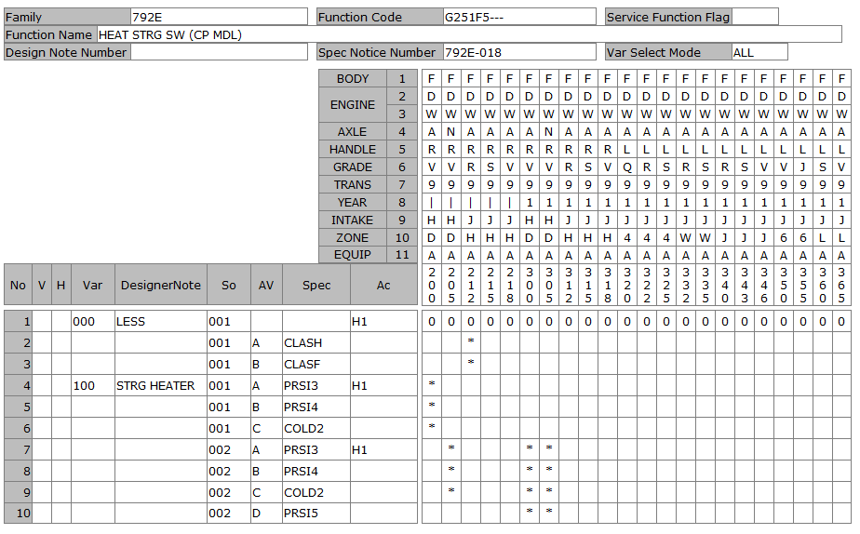
DATE |  |  |  | 4/8/20
User-ID |  |  |  | KNT04421
Name |  |  |  | ICHIKAWA MASASHI
Sect
Design Note |  |  |  | KNT04421_792E_G251F5_792E-021_20200408143148
Family Code |  |  |  | 792E
Function Code |  |  |  | G251F5---
Function Name |  |  |  | HEAT STRG SW (CP MDL)
Spec Notice No |  |  |  | 7.92E-19

P-TYPE | Spec Notice No | Issued data |  |  |  |  |  |  |  |  |  |  |  |  |  |  |  |  |  |  |  |  |  |  |  |  |  |  |  |  |  |  |  |  |  |  |  | BODY |  |  |  |  |  |  | F | F | F | F | F
 |  |  |  |  |  |  |  |  |  |  |  |  |  |  |  |  |  |  |  |  |  |  |  |  |  |  |  |  |  |  |  |  |  |  |  |  |  | ENGINE1 |  |  |  |  |  |  | D | D | D | D | D
 |  |  |  |  |  |  |  |  |  |  |  |  |  |  |  |  |  |  |  |  |  |  |  |  |  |  |  |  |  |  |  |  |  |  |  |  |  |  |  |  |  |  |  |  | W | W | W | W | W
 |  |  |  |  |  |  |  |  |  |  |  |  |  |  |  |  |  |  |  |  |  |  |  |  |  |  |  |  |  |  |  |  |  |  |  |  |  | AXLE |  |  |  |  |  |  | A | N | A | A | A
 |  |  |  |  |  |  |  |  |  |  |  |  |  |  |  |  |  |  |  |  |  |  |  |  |  |  |  |  |  |  |  |  |  |  |  |  |  | HANDLE |  |  |  |  |  |  | R | R | R | R | R
 |  |  |  |  |  |  |  |  |  |  |  |  |  |  |  |  |  |  |  |  |  |  |  |  |  |  |  |  |  |  |  |  |  |  |  |  |  | GRADE |  |  |  |  |  |  | V | V | R | S | V
 |  |  |  |  |  |  |  |  |  |  |  |  |  |  |  |  |  |  |  |  |  |  |  |  |  |  |  |  |  |  |  |  |  |  |  |  |  | TRANS |  |  |  |  |  |  | 9 | 9 | 9 | 9 | 9
 |  |  |  |  |  |  |  |  |  |  |  |  |  |  |  |  |  |  |  |  |  |  |  |  |  |  |  |  |  |  |  |  |  |  |  |  |  | YEAR |  |  |  |  |  |  | 1 | 1 | 1 | 1 | 1
 |  |  |  |  |  |  |  |  |  |  |  |  |  |  |  |  |  |  |  |  |  |  |  |  |  |  |  |  |  |  |  |  |  |  |  |  |  | INTAKE |  |  |  |  |  |  | H | H | J | J | J
 |  |  |  |  |  |  |  |  |  |  |  |  |  |  |  |  |  |  |  |  |  |  |  |  |  |  |  |  |  |  |  |  |  |  |  |  |  | ZONE |  |  |  |  |  |  | D | D | H | H | H
 |  |  |  |  |  |  |  |  |  |  |  |  |  |  |  |  |  |  |  |  |  |  |  |  |  |  |  |  |  |  |  |  |  |  |  |  |  | EQUIP |  |  |  |  |  |  | A | A | A | A | A
 |  |  | Category |  | Cond | Obj Class |  | Object | ObjectNm | Criteria |  | Limit |  | Comb reason |  | New name |  | CriteriaNm |  |  |  |  |  |  |  |  | Remarks |  |  |  |  |  |  |  | Spec code | SPEC NOTICE# |  | Applied Model No. |  |  |  |  |  |  | 300 | 305 | 312 | 315 | 318
 |  |  |  |  |  | COCKPIT |  | 347 | TYPE OF STEERING WHEEL | SRGW3 |  | x |  | STRG-HEATER |  | WO_HEATER |  | STD STEERING WHEEL TYPE_A |  |  |  |  |  |  |  |  | URETHANE STRG (W/ DECORATION) *SEE DESIGN SPEC LIST FOR DETAILS |  |  |  |  |  |  |  |  | 7.92E-16
 |  |  |  |  |  |  |  |  |  | SRGW3 |  | x |  | STRG-HEATER |  | WO_HEATER |  | STD STEERING WHEEL TYPE_A |  |  |  |  |  |  |  |  | URETHANE STRG (W/ DECORATION) *SEE DESIGN SPEC LIST FOR DETAILS |  |  |  |  |  |  |  | CLASF | 7.92E-16
 |  |  |  |  |  |  |  |  |  | SRGW3 |  | x |  | STRG-HEATER |  | WO_HEATER |  | STD STEERING WHEEL TYPE_A |  |  |  |  |  |  |  |  | URETHANE STRG (W/ DECORATION) *SEE DESIGN SPEC LIST FOR DETAILS |  |  |  |  |  |  |  | CLASG | 7.92E-16 |  |  |  |  |  |  |  |  |  |  | *
 |  |  |  |  |  |  |  |  |  | SRGW3 |  | x |  | STRG-HEATER |  | WO_HEATER |  | STD STEERING WHEEL TYPE_A |  |  |  |  |  |  |  |  | URETHANE STRG (W/ DECORATION) *SEE DESIGN SPEC LIST FOR DETAILS |  |  |  |  |  |  |  | CLASH | 7.92E-16 |  |  |  |  |  |  |  |  |  |  | *
 |  |  |  |  |  |  |  |  |  | SRGW4 |  | x |  | STRG-HEATER |  | WO_HEATER |  | STD STEERING WHEEL TYPE_B |  |  |  |  |  |  |  |  | LEATHER STRG (W/ DECORATION) *SEE DESIGN SPEC LIST FOR DETAILS |  |  |  |  |  |  |  |  | 7.92E-16 |  |  |  |  |  |  |  |  | 0 | 0 | 0 | 0 | 0
 |  |  |  |  |  |  |  |  |  | SRGW5 |  | x |  | STRG-HEATER |  | W_HEATER |  | SPORTY STRG WHEEL TYPE_A |  |  |  |  |  |  |  |  | LEATHER STRG WITH STEERING WHEEL HEATER (W/ DECORATION) *SEE DESIGN SPEC LIST FOR DETAILS |  |  |  |  |  |  |  |  | 7.92E-16
 |  |  |  |  |  |  |  |  |  | SRGW5 |  | x |  | STRG-HEATER |  | W_HEATER |  | SPORTY STRG WHEEL TYPE_A |  |  |  |  |  |  |  |  | LEATHER STRG WITH STEERING WHEEL HEATER (W/ DECORATION) *SEE DESIGN SPEC LIST FOR DETAILS |  |  |  |  |  |  |  | COLD2 | 7.92E-16 |  |  |  |  |  |  |  |  | * | *
 |  |  |  |  |  |  |  |  |  | SRGW5 |  | x |  | STRG-HEATER |  | W_HEATER |  | SPORTY STRG WHEEL TYPE_A |  |  |  |  |  |  |  |  | LEATHER STRG WITH STEERING WHEEL HEATER (W/ DECORATION) *SEE DESIGN SPEC LIST FOR DETAILS |  |  |  |  |  |  |  | PRSI3 | 7.92E-16 |  |  |  |  |  |  |  |  | * | *
 |  |  |  |  |  |  |  |  |  | SRGW5 |  | x |  | STRG-HEATER |  | W_HEATER |  | SPORTY STRG WHEEL TYPE_A |  |  |  |  |  |  |  |  | LEATHER STRG WITH STEERING WHEEL HEATER (W/ DECORATION) *SEE DESIGN SPEC LIST FOR DETAILS |  |  |  |  |  |  |  | PRSI4 | 7.92E-16 |  |  |  |  |  |  |  |  | * | *
 |  |  |  |  |  |  |  |  |  | SRGW5 |  | x |  | STRG-HEATER |  | W_HEATER |  | SPORTY STRG WHEEL TYPE_A |  |  |  |  |  |  |  |  | LEATHER STRG WITH STEERING WHEEL HEATER (W/ DECORATION) *SEE DESIGN SPEC LIST FOR DETAILS |  |  |  |  |  |  |  | PRSI5 | 7.92E-16 |  |  |  |  |  |  |  |  | * | *

Simulation result |  |  |  |  |  | VAR | Var. No. | Designer Note |  |  | TYPE OF STEERING WHEEL |  |  |  |  |  |  |  |  |  |  |  |  |  |  |  |  |  |  |  |  |  | Eng. Memo |  | Spec code | SPEC NOTICE# |  | Applied Model No. |  |  |  |  |  |  | 300 | 305 | 312 | 315 | 318
 |  |  |  |  |  | A00 | 0 | LESS |  |  | WO_HEATER |  |  |  |  |  |  |  |  |  |  |  |  |  |  |  |  |  |  |  |  |  |  |  |  | 7.92E-19 |  |  |  |  |  |  |  |  | 0 | 0 | 0 | 0 | 0
 |  |  |  |  |  | A01 | 100 | STRG HEATER |  |  | W_HEATER |  |  |  |  |  |  |  |  |  |  |  |  |  |  |  |  |  |  |  |  |  |  |  | PRSI3 | 7.92E-19 |  |  |  |  |  |  |  |  | * | *
 |  |  |  |  |  |  |  |  |  |  | W_HEATER |  |  |  |  |  |  |  |  |  |  |  |  |  |  |  |  |  |  |  |  |  |  |  | PRSI4 | 7.92E-19 |  |  |  |  |  |  |  |  | * | *
 |  |  |  |  |  |  |  |  |  |  | W_HEATER |  |  |  |  |  |  |  |  |  |  |  |  |  |  |  |  |  |  |  |  |  |  |  | COLD2 | 7.92E-19 |  |  |  |  |  |  |  |  | * | *
 |  |  |  |  |  |  |  |  |  |  | W_HEATER |  |  |  |  |  |  |  |  |  |  |  |  |  |  |  |  |  |  |  |  |  |  |  | PRSI5 | 7.92E-19 |  |  |  |  |  |  |  |  | * | *

B-TYPE ASSY |  |  |  |  |  | Var. No. | Design Loc | Designer Note |  |  | SOL |  | SI | Status | Part No. |  | Part Name | Part Spec. | PC | SU | M/B | UNIT | case# | GR | NmSp#1 | NmSp#2 |  | NmSp#3 | NmSp#4 | SpSelDuDT | TechFileSuDt | Drawing / Shape No |  | DWG chg
 |  |  |  |  |  | 0 |  | LESS |  |  | 1
 |  |  |  |  |  | 100 | NSEA | STRG HEATER |  |  | 1 |  | 10 | PR | 251935SA0A |  | SW ASSY-HEAT STRG |  | 1 | O | B | PIECE |  |  |  |  |  |  |  |  |  | 251345SA0AG1 |  | -4
 |  |  |  |  |  |  | NML | STRG HEATER |  |  | 2 |  | 10 | IPL | 251935SA0A |  | SW ASSY-HEAT STRG |  | 1 | O | B | PIECE |  |  |  |  |  |  |  |  |  | 251345SA0AG1 |  | -4
 |  |  |  |  |  |  |  |  |  |  |  |  |  |  |  |  |  |  |  |  |  |  |  |  |  |  |  |  |  |  |  |  |  |  |  |  |  |  |  |  |  |  |  |  | 3 | 3 | 3 | 3 | 3
 |  |  |  |  |  |  |  |  |  |  |  |  |  |  |  |  |  |  |  |  |  |  |  |  |  |  |  |  |  |  |  |  |  |  |  |  |  |  |  |  |  |  |  |  | 0 | 0 | 1 | 1 | 1
 |  |  |  |  |  |  |  |  |  |  |  |  |  |  |  |  |  |  |  |  |  |  |  |  |  |  |  |  |  |  |  |  |  |  |  |  |  |  |  |  |  |  |  |  | 0 | 5 | 2 | 5 | 8
 |  |  |  |  |  |  |  |  |  |  |  |  |  |  |  |  |  |  |  |  |  |  |  |  |  |  |  |  |  |  |  |  |  |  |  |  |  | V | Var | So | Ac | Designer Note/SpecCode | Criteria | D/N #
 |  |  |  |  |  |  |  |  |  |  |  |  |  |  |  |  |  |  |  |  |  |  |  |  |  |  |  |  |  |  |  |  |  |  |  |  |  |  | '100 | '001 | H1 | STRG HEATER |  | 'NO APP | . | . | . | . | .
 |  |  |  |  |  |  |  |  |  |  |  |  |  |  |  |  |  |  |  |  |  |  |  |  |  |  |  |  |  |  |  |  |  |  |  |  | CHG |  | 'A | '001 | H1 | PRSI3 |  | 'TYD935 | N | N | . | . | .
 |  |  |  |  |  |  |  |  |  |  |  |  |  |  |  |  |  |  |  |  |  |  |  |  |  |  |  |  |  |  |  |  |  |  |  |  | CHG |  | 'B | '001 | H1 | PRSI4 |  | 'TYD935 | N | N | . | . | .
 |  |  |  |  |  |  |  |  |  |  |  |  |  |  |  |  |  |  |  |  |  |  |  |  |  |  |  |  |  |  |  |  |  |  |  |  | CHG |  | 'C | '001 | H1 | COLD2 |  | 'TYD935 | N | N | . | . | .
 |  |  |  |  |  |  |  |  |  |  |  |  |  |  |  |  |  |  |  |  |  |  |  |  |  |  |  |  |  |  |  |  |  |  |  |  | ADD |  | 'D | '001 | H1 | PRSI5 |  | 'TYD935 | N | N | . | . | .
 |  |  |  |  |  |  |  |  |  |  |  |  |  |  |  |  |  |  |  |  |  |  |  |  |  |  |  |  |  |  |  |  |  |  |  |  |  |  | '100 | '002 | H1 | STRG HEATER |  | 'NO APP | . | . | . | . | .
 |  |  |  |  |  |  |  |  |  |  |  |  |  |  |  |  |  |  |  |  |  |  |  |  |  |  |  |  |  |  |  |  |  |  |  |  | CHG |  | 'A | '002 | H1 | PRSI3 |  | 'TYD935 | X | X | . | . | .
 |  |  |  |  |  |  |  |  |  |  |  |  |  |  |  |  |  |  |  |  |  |  |  |  |  |  |  |  |  |  |  |  |  |  |  |  | CHG |  | 'B | '002 | H1 | PRSI4 |  | 'TYD935 | X | X | . | . | .
 |  |  |  |  |  |  |  |  |  |  |  |  |  |  |  |  |  |  |  |  |  |  |  |  |  |  |  |  |  |  |  |  |  |  |  |  | CHG |  | 'C | '002 | H1 | COLD2 |  | 'TYD935 | X | X | . | . | .
 |  |  |  |  |  |  |  |  |  |  |  |  |  |  |  |  |  |  |  |  |  |  |  |  |  |  |  |  |  |  |  |  |  |  |  |  | DEL |  | 'D | '002 | H1 | PRSI5 |  | 'TYD935 | X | X | . | . | .

G251F9
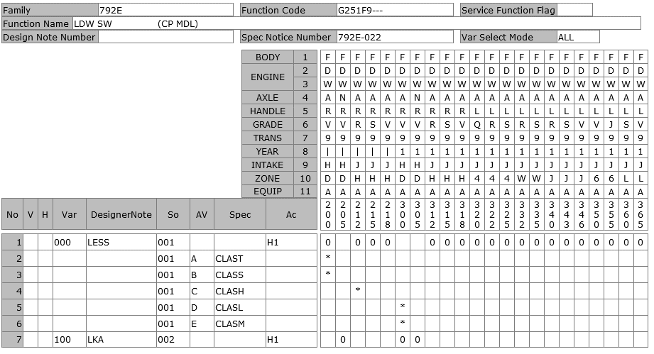
DATE |  |  |  | 6/22/20
User-ID |  |  |  | KNT13657
Name |  |  |  | DO
Sect
Design Note |  |  |  | KNT13657_792E_G251F9_792E-023_20200622103431
Family Code |  |  |  | 792E
Function Code |  |  |  | G251F9---
Function Name |  |  |  | LDW SW (CP MDL)
Spec Notice No |  |  |  | 7.92E-21

P-TYPE | Spec Notice No | Issued data |  |  |  |  |  |  |  |  |  |  |  |  |  |  |  |  |  |  |  |  |  |  |  |  |  |  |  |  |  |  |  |  |  |  |  | BODY |  |  |  |  |  |  | F | F | F | F | F
 |  |  |  |  |  |  |  |  |  |  |  |  |  |  |  |  |  |  |  |  |  |  |  |  |  |  |  |  |  |  |  |  |  |  |  |  |  | ENGINE1 |  |  |  |  |  |  | D | D | D | D | D
 |  |  |  |  |  |  |  |  |  |  |  |  |  |  |  |  |  |  |  |  |  |  |  |  |  |  |  |  |  |  |  |  |  |  |  |  |  |  |  |  |  |  |  |  | W | W | W | W | W
 |  |  |  |  |  |  |  |  |  |  |  |  |  |  |  |  |  |  |  |  |  |  |  |  |  |  |  |  |  |  |  |  |  |  |  |  |  | AXLE |  |  |  |  |  |  | A | N | A | A | A
 |  |  |  |  |  |  |  |  |  |  |  |  |  |  |  |  |  |  |  |  |  |  |  |  |  |  |  |  |  |  |  |  |  |  |  |  |  | HANDLE |  |  |  |  |  |  | R | R | R | R | R
 |  |  |  |  |  |  |  |  |  |  |  |  |  |  |  |  |  |  |  |  |  |  |  |  |  |  |  |  |  |  |  |  |  |  |  |  |  | GRADE |  |  |  |  |  |  | V | V | R | S | V
 |  |  |  |  |  |  |  |  |  |  |  |  |  |  |  |  |  |  |  |  |  |  |  |  |  |  |  |  |  |  |  |  |  |  |  |  |  | TRANS |  |  |  |  |  |  | 9 | 9 | 9 | 9 | 9
 |  |  |  |  |  |  |  |  |  |  |  |  |  |  |  |  |  |  |  |  |  |  |  |  |  |  |  |  |  |  |  |  |  |  |  |  |  | YEAR |  |  |  |  |  |  | 1 | 1 | 1 | 1 | 1
 |  |  |  |  |  |  |  |  |  |  |  |  |  |  |  |  |  |  |  |  |  |  |  |  |  |  |  |  |  |  |  |  |  |  |  |  |  | INTAKE |  |  |  |  |  |  | H | H | J | J | J
 |  |  |  |  |  |  |  |  |  |  |  |  |  |  |  |  |  |  |  |  |  |  |  |  |  |  |  |  |  |  |  |  |  |  |  |  |  | ZONE |  |  |  |  |  |  | D | D | H | H | H
 |  |  |  |  |  |  |  |  |  |  |  |  |  |  |  |  |  |  |  |  |  |  |  |  |  |  |  |  |  |  |  |  |  |  |  |  |  | EQUIP |  |  |  |  |  |  | A | A | A | A | A
 |  |  | Category |  | Cond | Obj Class |  | Object | ObjectNm | Criteria |  | Limit |  | Comb reason |  | New name |  | CriteriaNm |  |  |  |  |  |  |  |  | Remarks |  |  |  |  |  |  |  | Spec code | SPEC NOTICE# |  | Applied Model No. |  |  |  |  |  |  | 300 | 305 | 312 | 315 | 318
 |  |  |  |  |  | SAFETY, SECURITY |  | A20 | DRIVING ASSITANCE | DVAS4 |  | x |  | LKA |  | WO_LKA |  | DRIVING ASSITANCE 4 |  |  |  |  |  |  |  |  | FEB + FCW + DAA |  |  |  |  |  |  |  |  | 7.92E-21 |  |  |  |  |  |  |  |  |  |  | 0 | 0
 |  |  |  |  |  |  |  |  |  | DVAS4 |  | x |  | LKA |  | WO_LKA |  | DRIVING ASSITANCE 4 |  |  |  |  |  |  |  |  | FEB + FCW + DAA |  |  |  |  |  |  |  | CLASL | 7.92E-16 |  |  |  |  |  |  |  |  | *
 |  |  |  |  |  |  |  |  |  | DVAS4 |  | x |  | LKA |  | WO_LKA |  | DRIVING ASSITANCE 4 |  |  |  |  |  |  |  |  | FEB + FCW + DAA |  |  |  |  |  |  |  | CLAST | 7.92E-16
 |  |  |  |  |  |  |  |  |  | DVAS5 |  | x |  | LKA |  | WO_LKA |  | DRIVING ASSITANCE 5 |  |  |  |  |  |  |  |  | FEB + FCW + BSW + CTA + DAA |  |  |  |  |  |  |  |  | 7.92E-16
 |  |  |  |  |  |  |  |  |  | DVAS5 |  | x |  | LKA |  | WO_LKA |  | DRIVING ASSITANCE 5 |  |  |  |  |  |  |  |  | FEB + FCW + BSW + CTA + DAA |  |  |  |  |  |  |  | CLASM | 7.92E-16 |  |  |  |  |  |  |  |  | *
 |  |  |  |  |  |  |  |  |  | DVAS5 |  | x |  | LKA |  | WO_LKA |  | DRIVING ASSITANCE 5 |  |  |  |  |  |  |  |  | FEB + FCW + BSW + CTA + DAA |  |  |  |  |  |  |  | CLASS | 7.92E-16
 |  |  |  |  |  |  |  |  |  | DVAS7 |  | x |  | LKA |  | LKA |  | DRIVING ASSITANCE 7 |  |  |  |  |  |  |  |  | W/ PED/JUNC-FEB+FCW+DAA+HBA+PED-EAPM+LKA+LDW+LDP+AD1 |  |  |  |  |  |  |  |  | 7.92E-16
 |  |  |  |  |  |  |  |  |  | DVAS8 |  | x |  | LKA |  | WO_LKA |  | DRIVING ASSITANCE 8 |  |  |  |  |  |  |  |  | FEB + FCW + BSW + CTA + DAA + HBA + LDW |  |  |  |  |  |  |  |  | 7.92E-16 |  |  |  |  |  |  |  |  |  |  |  |  | 0
 |  |  |  |  |  |  |  |  |  | DVA10 |  | x |  | LKA |  | WO_LKA |  | DRIVING ASSITANCE 10 |  |  |  |  |  |  |  |  | FEB (Ped) + FCW + BSW + RCTA + LDW + HBA |  |  |  |  |  |  |  |  | 7.92E-21
 |  |  |  |  |  |  |  |  |  | DVA10 |  | x |  | LKA |  | WO_LKA |  | DRIVING ASSITANCE 10 |  |  |  |  |  |  |  |  | FEB (Ped) + FCW + BSW + RCTA + LDW + HBA |  |  |  |  |  |  |  | CLASN | 7.92E-21
 |  |  |  |  |  |  |  |  |  | DVA10 |  | x |  | LKA |  | WO_LKA |  | DRIVING ASSITANCE 10 |  |  |  |  |  |  |  |  | FEB (Ped) + FCW + BSW + RCTA + LDW + HBA |  |  |  |  |  |  |  | CLASR | 7.92E-21
 |  |  |  |  |  |  |  |  |  | DVA11 |  | x |  | LKA |  | LKA |  | DRIVING ASSITANCE 11 |  |  |  |  |  |  |  |  | W/ PED/JUNC-FEB+P-FCW+DAA+HBA+PED-EAPM+LKA+LDW+LDP+AD1 |  |  |  |  |  |  |  |  | 7.92E-16 |  |  |  |  |  |  |  |  | 0 | 0
 |  |  |  |  |  |  |  |  |  | DVA12 |  | x |  | LKA |  | WO_LKA |  | DRIVING ASSITANCE 12 |  |  |  |  |  |  |  |  | DAA |  |  |  |  |  |  |  |  | 7.92E-21
 |  |  |  |  |  |  |  |  |  | DVAS0 |  | x |  | LKA |  | WO_LKA |  | WITHOUT DRIVING ASSITANCE |  |  |  |  |  |  |  |  | W/O |  |  |  |  |  |  |  |  | 7.92E-21
 |  |  |  |  |  |  |  |  |  | DVAS0 |  | x |  | LKA |  | WO_LKA |  | WITHOUT DRIVING ASSITANCE |  |  |  |  |  |  |  |  | W/O |  |  |  |  |  |  |  | CLASF | 7.92E-16
 |  |  |  |  |  |  |  |  |  | DVAS0 |  | x |  | LKA |  | WO_LKA |  | WITHOUT DRIVING ASSITANCE |  |  |  |  |  |  |  |  | W/O |  |  |  |  |  |  |  | CLASG | 7.92E-16 |  |  |  |  |  |  |  |  |  |  | *
 |  |  |  |  |  |  |  |  |  | DVAS0 |  | x |  | LKA |  | WO_LKA |  | WITHOUT DRIVING ASSITANCE |  |  |  |  |  |  |  |  | W/O |  |  |  |  |  |  |  | CLASH | 7.92E-21 |  |  |  |  |  |  |  |  |  |  | *
 |  |  |  |  |  | COCKPIT |  | 395 | INSTRUMENT PANELS | MTPL8 |  | x |  | METER_TYPE |  | TFT |  | INSTRUMENT PANEL 08 |  |  |  |  |  |  |  |  | INST VARIATION B + 7 INCH COLOR TFT DISPLAY METER (HEV) |  |  |  |  |  |  |  |  | 7.92E-16 |  |  |  |  |  |  |  |  | 0 | 0 | 0 | 0 | 0

Simulation result |  |  |  |  |  | VAR | Var. No. | Designer Note |  |  | DRIVING ASSITANCE |  |  |  |  |  | INSTRUMENT PANELS |  |  |  |  |  |  |  |  |  |  |  |  |  |  |  | Eng. Memo |  | Spec code | SPEC NOTICE# |  | Applied Model No. |  |  |  |  |  |  | 300 | 305 | 312 | 315 | 318
 |  |  |  |  |  | A00 | 0 | LESS |  |  | WO_LKA |  |  |  |  |  | TFT |  |  |  |  |  |  |  |  |  |  |  |  |  |  |  |  |  |  | 7.92E-21 |  |  |  |  |  |  |  |  |  |  | 0 | 0 | 0
 |  |  |  |  |  |  |  |  |  |  | WO_LKA |  |  |  |  |  | TFT |  |  |  |  |  |  |  |  |  |  |  |  |  |  |  |  |  | CLASL | 7.92E-21 |  |  |  |  |  |  |  |  | *
 |  |  |  |  |  |  |  |  |  |  | WO_LKA |  |  |  |  |  | TFT |  |  |  |  |  |  |  |  |  |  |  |  |  |  |  |  |  | CLASM | 7.92E-21 |  |  |  |  |  |  |  |  | *
 |  |  |  |  |  | A01 | 0 | LESS |  |  | LKA |  |  |  |  |  | TFT |  |  |  |  |  |  |  |  |  |  |  |  |  |  |  |  |  |  | 7.92E-21 |  |  |  |  |  |  |  |  | 0 | 0

B-TYPE ASSY |  |  |  |  |  | Var. No. | Design Loc | Designer Note |  |  | SOL |  | SI | Status | Part No. |  | Part Name | Part Spec. | PC | SU | M/B | UNIT | case# | GR | NmSp#1 | NmSp#2 |  | NmSp#3 | NmSp#4 | SpSelDuDT | TechFileSuDt | Drawing / Shape No |  | DWG chg
 |  |  |  |  |  | 0 |  | LESS |  |  | 1
 |  |  |  |  |  | 100 | NSEA | LKA |  |  | 1 |  | 20 | PR | 251435RH0A |  | DELETE |  | 1 | O | B | PIECE |  |  |  |  |  |  |  |  |  | 251435RH0AG1 |  | 0
 |  |  |  |  |  |  | NML | LKA |  |  | 2 |  | 20 | IPL | 251435SH0A |  | SW ASSY-LANE KEEP ASST |  | 1 | O | B | PIECE |  |  |  |  |  |  |  |  |  | 251345SA0AG1 |  | -4
 |  |  |  |  |  |  |  |  |  |  |  |  |  |  |  |  |  |  |  |  |  |  |  |  |  |  |  |  |  |  |  |  |  |  |  |  |  |  |  |  |  |  |  |  | 3 | 3 | 3 | 3 | 3
 |  |  |  |  |  |  |  |  |  |  |  |  |  |  |  |  |  |  |  |  |  |  |  |  |  |  |  |  |  |  |  |  |  |  |  |  |  |  |  |  |  |  |  |  | 0 | 0 | 1 | 1 | 1
 |  |  |  |  |  |  |  |  |  |  |  |  |  |  |  |  |  |  |  |  |  |  |  |  |  |  |  |  |  |  |  |  |  |  |  |  |  |  |  |  |  |  |  |  | 0 | 5 | 2 | 5 | 8
 |  |  |  |  |  |  |  |  |  |  |  |  |  |  |  |  |  |  |  |  |  |  |  |  |  |  |  |  |  |  |  |  |  |  |  |  |  | V | Var | So | Ac | Designer Note/SpecCode | Criteria | D/N #
 |  |  |  |  |  |  |  |  |  |  |  |  |  |  |  |  |  |  |  |  |  |  |  |  |  |  |  |  |  |  |  |  |  |  |  |  | CHG |  | '000 | '001 | H1 | LESS |  | 'TYD935 | N | N | 0 | 0 | 0
 |  |  |  |  |  |  |  |  |  |  |  |  |  |  |  |  |  |  |  |  |  |  |  |  |  |  |  |  |  |  |  |  |  |  |  |  | CHG |  | '100 | '002 | H1 | LKA |  | 'TYD935 | X | X | . | . | .

G251H2
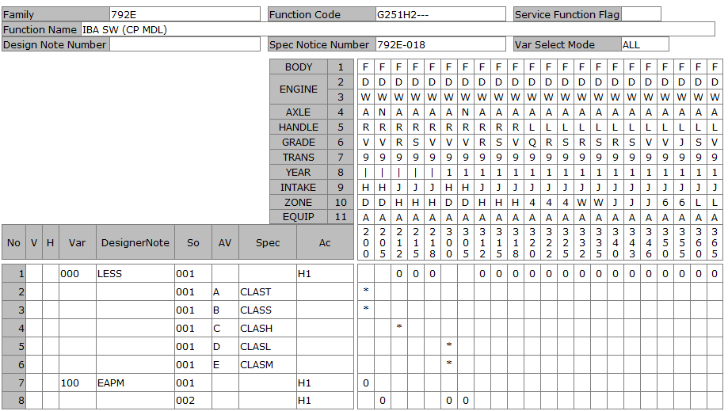
DATE |  |  |  | 6/22/20
User-ID |  |  |  | KNT13657
Name |  |  |  | DO
Sect
Design Note |  |  |  | KNT13657_792E_G251H2_792E-023_20200622104145
Family Code |  |  |  | 792E
Function Code |  |  |  | G251H2---
Function Name |  |  |  | IBA SW (CP MDL)
Spec Notice No |  |  |  | 7.92E-21

P-TYPE | Spec Notice No | Issued data |  |  |  |  |  |  |  |  |  |  |  |  |  |  |  |  |  |  |  |  |  |  |  |  |  |  |  |  |  |  |  |  |  |  |  | BODY |  |  |  |  |  |  | F | F | F | F | F
 |  |  |  |  |  |  |  |  |  |  |  |  |  |  |  |  |  |  |  |  |  |  |  |  |  |  |  |  |  |  |  |  |  |  |  |  |  | ENGINE1 |  |  |  |  |  |  | D | D | D | D | D
 |  |  |  |  |  |  |  |  |  |  |  |  |  |  |  |  |  |  |  |  |  |  |  |  |  |  |  |  |  |  |  |  |  |  |  |  |  |  |  |  |  |  |  |  | W | W | W | W | W
 |  |  |  |  |  |  |  |  |  |  |  |  |  |  |  |  |  |  |  |  |  |  |  |  |  |  |  |  |  |  |  |  |  |  |  |  |  | AXLE |  |  |  |  |  |  | A | N | A | A | A
 |  |  |  |  |  |  |  |  |  |  |  |  |  |  |  |  |  |  |  |  |  |  |  |  |  |  |  |  |  |  |  |  |  |  |  |  |  | HANDLE |  |  |  |  |  |  | R | R | R | R | R
 |  |  |  |  |  |  |  |  |  |  |  |  |  |  |  |  |  |  |  |  |  |  |  |  |  |  |  |  |  |  |  |  |  |  |  |  |  | GRADE |  |  |  |  |  |  | V | V | R | S | V
 |  |  |  |  |  |  |  |  |  |  |  |  |  |  |  |  |  |  |  |  |  |  |  |  |  |  |  |  |  |  |  |  |  |  |  |  |  | TRANS |  |  |  |  |  |  | 9 | 9 | 9 | 9 | 9
 |  |  |  |  |  |  |  |  |  |  |  |  |  |  |  |  |  |  |  |  |  |  |  |  |  |  |  |  |  |  |  |  |  |  |  |  |  | YEAR |  |  |  |  |  |  | 1 | 1 | 1 | 1 | 1
 |  |  |  |  |  |  |  |  |  |  |  |  |  |  |  |  |  |  |  |  |  |  |  |  |  |  |  |  |  |  |  |  |  |  |  |  |  | INTAKE |  |  |  |  |  |  | H | H | J | J | J
 |  |  |  |  |  |  |  |  |  |  |  |  |  |  |  |  |  |  |  |  |  |  |  |  |  |  |  |  |  |  |  |  |  |  |  |  |  | ZONE |  |  |  |  |  |  | D | D | H | H | H
 |  |  |  |  |  |  |  |  |  |  |  |  |  |  |  |  |  |  |  |  |  |  |  |  |  |  |  |  |  |  |  |  |  |  |  |  |  | EQUIP |  |  |  |  |  |  | A | A | A | A | A
 |  |  | Category |  | Cond | Obj Class |  | Object | ObjectNm | Criteria |  | Limit |  | Comb reason |  | New name |  | CriteriaNm |  |  |  |  |  |  |  |  | Remarks |  |  |  |  |  |  |  | Spec code | SPEC NOTICE# |  | Applied Model No. |  |  |  |  |  |  | 300 | 305 | 312 | 315 | 318
 |  |  |  |  |  | SAFETY, SECURITY |  | A20 | DRIVING ASSITANCE | DVAS4 |  | x |  | EAPM |  | WO_EAPM |  | DRIVING ASSITANCE 4 |  |  |  |  |  |  |  |  | FEB + FCW + DAA |  |  |  |  |  |  |  |  | 7.92E-21 |  |  |  |  |  |  |  |  |  |  | 0 | 0
 |  |  |  |  |  |  |  |  |  | DVAS4 |  | x |  | EAPM |  | WO_EAPM |  | DRIVING ASSITANCE 4 |  |  |  |  |  |  |  |  | FEB + FCW + DAA |  |  |  |  |  |  |  | CLASL | 7.92E-16 |  |  |  |  |  |  |  |  | *
 |  |  |  |  |  |  |  |  |  | DVAS4 |  | x |  | EAPM |  | WO_EAPM |  | DRIVING ASSITANCE 4 |  |  |  |  |  |  |  |  | FEB + FCW + DAA |  |  |  |  |  |  |  | CLAST | 7.92E-16
 |  |  |  |  |  |  |  |  |  | DVAS5 |  | x |  | EAPM |  | WO_EAPM |  | DRIVING ASSITANCE 5 |  |  |  |  |  |  |  |  | FEB + FCW + BSW + CTA + DAA |  |  |  |  |  |  |  |  | 7.92E-16
 |  |  |  |  |  |  |  |  |  | DVAS5 |  | x |  | EAPM |  | WO_EAPM |  | DRIVING ASSITANCE 5 |  |  |  |  |  |  |  |  | FEB + FCW + BSW + CTA + DAA |  |  |  |  |  |  |  | CLASM | 7.92E-16 |  |  |  |  |  |  |  |  | *
 |  |  |  |  |  |  |  |  |  | DVAS5 |  | x |  | EAPM |  | WO_EAPM |  | DRIVING ASSITANCE 5 |  |  |  |  |  |  |  |  | FEB + FCW + BSW + CTA + DAA |  |  |  |  |  |  |  | CLASS | 7.92E-16
 |  |  |  |  |  |  |  |  |  | DVAS7 |  | x |  | EAPM |  | W_EAPM |  | DRIVING ASSITANCE 7 |  |  |  |  |  |  |  |  | W/ PED/JUNC-FEB+FCW+DAA+HBA+PED-EAPM+LKA+LDW+LDP+AD1 |  |  |  |  |  |  |  |  | 7.92E-16
 |  |  |  |  |  |  |  |  |  | DVAS8 |  | x |  | EAPM |  | WO_EAPM |  | DRIVING ASSITANCE 8 |  |  |  |  |  |  |  |  | FEB + FCW + BSW + CTA + DAA + HBA + LDW |  |  |  |  |  |  |  |  | 7.92E-16 |  |  |  |  |  |  |  |  |  |  |  |  | 0
 |  |  |  |  |  |  |  |  |  | DVA10 |  | x |  | EAPM |  | WO_EAPM |  | DRIVING ASSITANCE 10 |  |  |  |  |  |  |  |  | FEB (Ped) + FCW + BSW + RCTA + LDW + HBA |  |  |  |  |  |  |  |  | 7.92E-21
 |  |  |  |  |  |  |  |  |  | DVA10 |  | x |  | EAPM |  | WO_EAPM |  | DRIVING ASSITANCE 10 |  |  |  |  |  |  |  |  | FEB (Ped) + FCW + BSW + RCTA + LDW + HBA |  |  |  |  |  |  |  | CLASN | 7.92E-21
 |  |  |  |  |  |  |  |  |  | DVA10 |  | x |  | EAPM |  | WO_EAPM |  | DRIVING ASSITANCE 10 |  |  |  |  |  |  |  |  | FEB (Ped) + FCW + BSW + RCTA + LDW + HBA |  |  |  |  |  |  |  | CLASR | 7.92E-21
 |  |  |  |  |  |  |  |  |  | DVA11 |  | x |  | EAPM |  | W_EAPM |  | DRIVING ASSITANCE 11 |  |  |  |  |  |  |  |  | W/ PED/JUNC-FEB+P-FCW+DAA+HBA+PED-EAPM+LKA+LDW+LDP+AD1 |  |  |  |  |  |  |  |  | 7.92E-16 |  |  |  |  |  |  |  |  | 0 | 0
 |  |  |  |  |  |  |  |  |  | DVA12 |  | x |  | EAPM |  | WO_EAPM |  | DRIVING ASSITANCE 12 |  |  |  |  |  |  |  |  | DAA |  |  |  |  |  |  |  |  | 7.92E-21
 |  |  |  |  |  |  |  |  |  | DVAS0 |  | x |  | EAPM |  | WO_EAPM |  | WITHOUT DRIVING ASSITANCE |  |  |  |  |  |  |  |  | W/O |  |  |  |  |  |  |  |  | 7.92E-21
 |  |  |  |  |  |  |  |  |  | DVAS0 |  | x |  | EAPM |  | WO_EAPM |  | WITHOUT DRIVING ASSITANCE |  |  |  |  |  |  |  |  | W/O |  |  |  |  |  |  |  | CLASF | 7.92E-16
 |  |  |  |  |  |  |  |  |  | DVAS0 |  | x |  | EAPM |  | WO_EAPM |  | WITHOUT DRIVING ASSITANCE |  |  |  |  |  |  |  |  | W/O |  |  |  |  |  |  |  | CLASG | 7.92E-16 |  |  |  |  |  |  |  |  |  |  | *
 |  |  |  |  |  |  |  |  |  | DVAS0 |  | x |  | EAPM |  | WO_EAPM |  | WITHOUT DRIVING ASSITANCE |  |  |  |  |  |  |  |  | W/O |  |  |  |  |  |  |  | CLASH | 7.92E-21 |  |  |  |  |  |  |  |  |  |  | *

Simulation result |  |  |  |  |  | VAR | Var. No. | Designer Note |  |  | DRIVING ASSITANCE |  |  |  |  |  |  |  |  |  |  |  |  |  |  |  |  |  |  |  |  |  | Eng. Memo |  | Spec code | SPEC NOTICE# |  | Applied Model No. |  |  |  |  |  |  | 300 | 305 | 312 | 315 | 318
 |  |  |  |  |  | A00 | 0 | LESS |  |  | WO_EAPM |  |  |  |  |  |  |  |  |  |  |  |  |  |  |  |  |  |  |  |  |  |  |  |  | 7.92E-21 |  |  |  |  |  |  |  |  |  |  | 0 | 0 | 0
 |  |  |  |  |  |  |  |  |  |  | WO_EAPM |  |  |  |  |  |  |  |  |  |  |  |  |  |  |  |  |  |  |  |  |  |  |  | CLASL | 7.92E-21 |  |  |  |  |  |  |  |  | *
 |  |  |  |  |  |  |  |  |  |  | WO_EAPM |  |  |  |  |  |  |  |  |  |  |  |  |  |  |  |  |  |  |  |  |  |  |  | CLASM | 7.92E-21 |  |  |  |  |  |  |  |  | *
 |  |  |  |  |  | A01 | 100 | EAPM |  |  | W_EAPM |  |  |  |  |  |  |  |  |  |  |  |  |  |  |  |  |  |  |  |  |  |  |  |  | 7.92E-21 |  |  |  |  |  |  |  |  | 0 | 0

B-TYPE ASSY |  |  |  |  |  | Var. No. | Design Loc | Designer Note |  |  | SOL |  | SI | Status | Part No. |  | Part Name | Part Spec. | PC | SU | M/B | UNIT | case# | GR | NmSp#1 | NmSp#2 |  | NmSp#3 | NmSp#4 | SpSelDuDT | TechFileSuDt | Drawing / Shape No |  | DWG chg
 |  |  |  |  |  | 0 |  | LESS |  |  | 1 |  |  |  |  |  |  |  |  |  |  |  |  |  |  |  |  |  |  |  |  |  |  |  |  |  |  |  |  |  |  |  |  |  | 3 | 3 | 3 | 3 | 3
 |  |  |  |  |  | 100 | NSEA | EAPM |  |  | 1 |  | 20 | PR | 251746CF0A |  | SW ASSY-DRIVING & PARKING ASST |  | 1 | O | B | PIECE |  |  |  |  |  |  |  |  |  | 251345SA0AG1 |  | -4 |  |  |  |  |  |  |  |  |  |  | 0 | 0 | 1 | 1 | 1
 |  |  |  |  |  |  | NML | EAPM |  |  | 2 |  | 20 | IPL | 251746CF0A |  | SW ASSY-DRIVING & PARKING ASST |  | 1 | O | B | PIECE |  |  |  |  |  |  |  |  |  | 251345SA0AG1 |  | -4 |  |  |  |  |  |  |  |  |  |  | 0 | 5 | 2 | 5 | 8
 |  |  |  |  |  |  |  |  |  |  |  |  |  |  |  |  |  |  |  |  |  |  |  |  |  |  |  |  |  |  |  |  |  |  |  |  |  | V | Var | So | Ac | Designer Note/SpecCode | Criteria | D/N #
 |  |  |  |  |  |  |  |  |  |  |  |  |  |  |  |  |  |  |  |  |  |  |  |  |  |  |  |  |  |  |  |  |  |  |  |  | CHG |  | '100 | '001 | H1 | EAPM |  | 'TYD935 | N | N | . | . | .
 |  |  |  |  |  |  |  |  |  |  |  |  |  |  |  |  |  |  |  |  |  |  |  |  |  |  |  |  |  |  |  |  |  |  |  |  | CHG |  | '100 | '002 | H1 | EAPM |  | 'TYD935 | X | X | . | . | .

