Cover
Excel Basics 4: Create Summary Reports with PivotTables and SUMIFS Function (Intro Excel #4)

Topics: |  |  | Office 2016 Video #16
1 | What Excel can do: 1) Calculations, Data Analysis
 |  | Goal in video: Create Summary Reports with PivotTables and SUMIFS Function
2 | What is Data Analysis?

3 | Proper Data Set

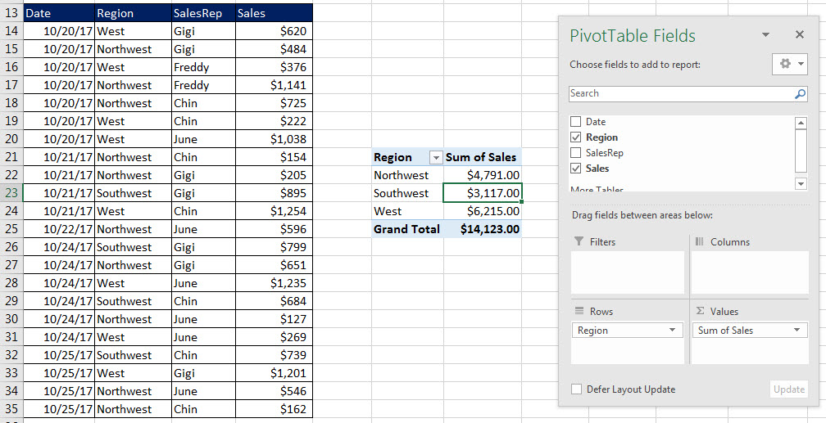
4 | SUMIFS for Regional Report

5 | PivotTable for Regional Report

6 | Format PivotTable with Tabular Layout

7 | Add Number Formatting to Values area


8 | Summary: create PivotTable for Video 04

9 | Compare SUMIFS and PivotTable

Data Analysis
Date | Region | SalesRep | Sales
10/20/17 | West | Gigi | $620
10/20/17 | Northwest | Gigi | $484
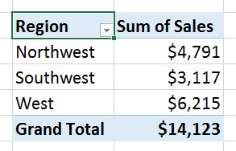
10/20/17 | West | Freddy | $376
Raw Data
10/20/17 | Northwest | Freddy | $1,141
10/20/17 | Northwest | Chin | $725
10/20/17 | West | Chin | $222
10/20/17 | West | June | $1,038
10/21/17 | Northwest | Chin | $154
Into
10/21/17 | Northwest | Gigi | $205
Useful Information
10/21/17 | Southwest | Gigi | $895
10/21/17 | West | Chin | $1,254
10/22/17 | Northwest | June | $596
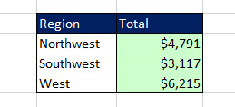
10/24/17 | Southwest | Gigi | $799
10/24/17 | Northwest | Gigi | $651
10/24/17 | West | June | $1,235
10/24/17 | Southwest | Chin | $684
10/24/17 | Northwest | June | $127
10/24/17 | West | June | $269
10/25/17 | Southwest | Chin | $739
10/25/17 | West | Gigi | $1,201
10/25/17 | Northwest | June | $546
10/25/17 | Northwest | Chin | $162

Proper Data Set
“Column Headers” / “Field Names”) in first row
Date | Region | SalesRep | Sales
10/20/17 | West | Gigi | $620
10/20/17 | Northwest | Gigi | $484
Records in each row
10/20/17 | West | Freddy | $376
Records in each row
10/20/17 | Northwest | Freddy | $1,141
10/20/17 | Northwest | Chin | $725
Records in each row
10/20/17 | West | Chin | $222
10/20/17 | West | June | $1,038
10/21/17 | Northwest | Chin | $154
10/21/17 | Northwest | Gigi | $205 | Define:
10/21/17 | Southwest | Gigi | $895 | Proper Data Set
10/21/17 | West | Chin | $1,254 | 1) “Column Headers” (also known as “Field Names”) in first row
10/22/17 | Northwest | June | $596 | Field Names tell the user what data goes into the column: Date? Sales? And so on…
10/24/17 | Southwest | Gigi | $799 | 2) Each row must have a transaction or record (for our example it is one sale in each row)
10/24/17 | Northwest | Gigi | $651 | 3) Must have empty cells or row/column headers all around data set.
10/24/17 | West | June | $1,235
10/24/17 | Southwest | Chin | $684
10/24/17 | Northwest | June | $127
10/24/17 | West | June | $269
10/25/17 | Southwest | Chin | $739
empty cells or row/column headers all around data set
10/25/17 | West | Gigi | $1,201
10/25/17 | Northwest | June | $546
10/25/17 | Northwest | Chin | $162

SUMIFS or PivotTable (EB04)
Excel Basics 4: PivotTables & SUMIFS Function to Create Summary Reports (Intro Excel #4)
What Excel can do:
1) Make Calculations: like calculate % Grade or Net Income.
2) Data Analysis: Converting Raw Data into Useful Information

How to create PivotTable:
1) Click in one cell in Proper Data Set (Field Names in First Row, Records in each row, empty cells or Excel Row/Column Headers all the way around Proper Data Set)
2) Insert Ribbon Tab, Tables group, PivotTable button.
3) From Field List, drag field name to Rows area or Columns area. These are the conditions/criteria for the calculation in the Values area of the PivotTable.
4) From Field List drag the field you would like to make a calculation on to values area.
5) With a cell selected in the PivotTable, click on PivotTable Tools Design Ribbon Tab, go to the Layout group, click drop-down for Report Layout and then click on "Show in Tabular Form".
6) To add Number Formatting to the Values area of the PivotTable, click in one cell in the Values area of the PivotTable, Right-click the cell and click on "Number Format…", then in the Number Formatting dialog box select the Number Formatting that you would like and then click OK.

Date | Region | SalesRep | Sales | Region | Total Sales | Date | Total | SalesRep | Total
10/20/17 | West | Gigi | $620 | Northwest | $4,791 | 10/20/17 | $4,606 | Gigi | $4,855
10/20/17 | Northwest | Gigi | $484 | Southwest | $3,117 | 10/21/17 | $2,508 | Freddy | $1,517
10/20/17 | West | Freddy | $376 | West | $6,215 | 10/22/17 | $596 | Chin | $3,940
10/20/17 | Northwest | Freddy | $1,141 |  |  | 10/24/17 | $3,765 | June | $3,811
10/20/17 | Northwest | Chin | $725 |  |  | 10/25/17 | $2,648
10/20/17 | West | Chin | $222
10/20/17 | West | June | $1,038 | Region | Sum of Sales | Date | Sum of Sales | SalesRep | Sum of Sales
10/21/17 | Northwest | Chin | $154 | Northwest | $4,791 | 2017-10-20 | $4,606 | Gigi | $4,855
10/21/17 | Northwest | Gigi | $205 | Southwest | $3,117 | 2017-10-21 | $2,508 | Freddy | $1,517
10/21/17 | Southwest | Gigi | $895 | West | $6,215 | 2017-10-22 | $596 | Chin | $3,940
10/21/17 | West | Chin | $1,254 | Grand Total | $14,123 | 2017-10-24 | $3,765 | June | $3,811
10/22/17 | Northwest | June | $596 |  |  | 2017-10-25 | $2,648 | Grand Total | $14,123
10/24/17 | Southwest | Gigi | $799 |  |  | Grand Total | $14,123
Total
10/24/17 | Northwest | Gigi | $651
Total Sales
10/24/17 | West | June | $1,235
10/24/17 | Southwest | Chin | $684
10/24/17 | Northwest | June | $127
10/24/17 | West | June | $269
10/25/17 | Southwest | Chin | $739
10/25/17 | West | Gigi | $1,201
10/25/17 | Northwest | June | $546
10/25/17 | Northwest | Chin | $162
10/25/17 | Southwest | Chin | $739
10/25/17 | West | Gigi | $1,201
10/25/17 | Northwest | June | $546
10/25/17 | Northwest | Chin | $162

