Cover
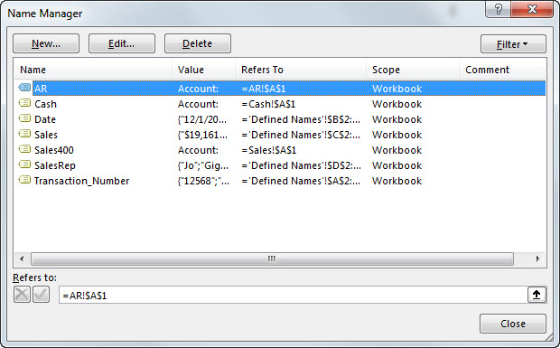
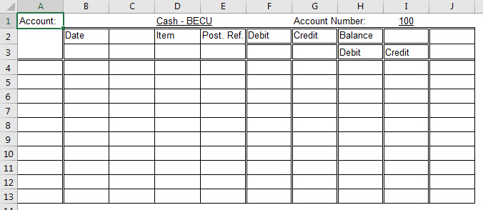

Excel Basics 18: Defined Names in Excel Formulas & Functions & For Jump Go To!

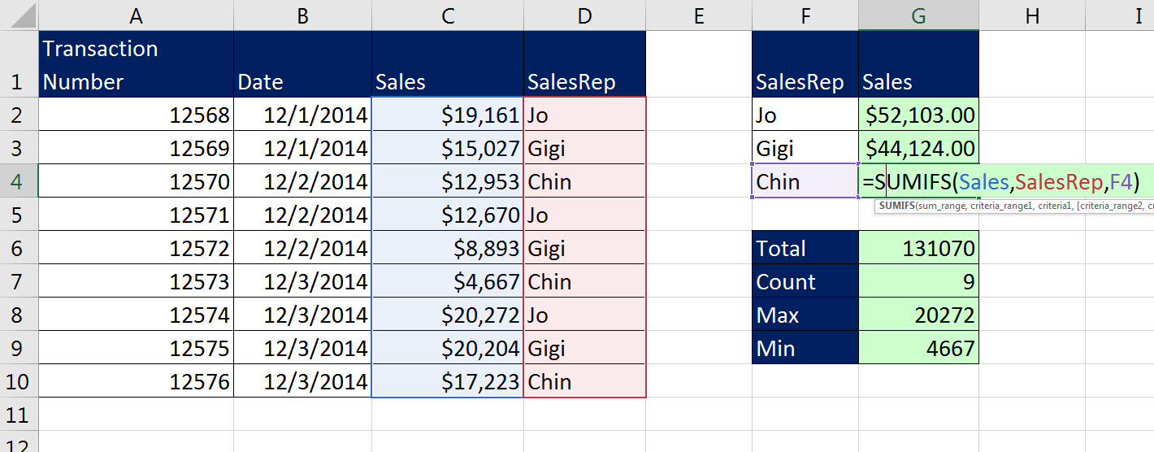
 |  |  | Office 2016 Video #30
 |  | Examples:
 | 1 | Example 1: Create Defined Names for Formulas
 | 2 | Example 2: Create Names From Selection
 | 3 | Example 3: Defined Names to Jump to Ledger Accounts

