Enable_Macros
PLEASE ENABLE MACROS

If you are viewing this sheet means, Macros is not enabled.
To Enable Macros do as follows;

1 | Open Excel Options

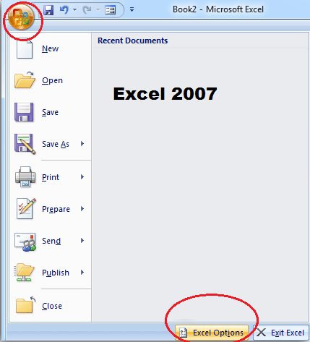
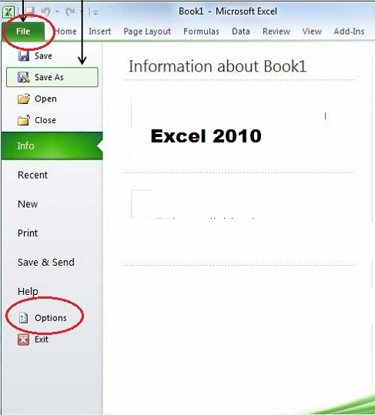
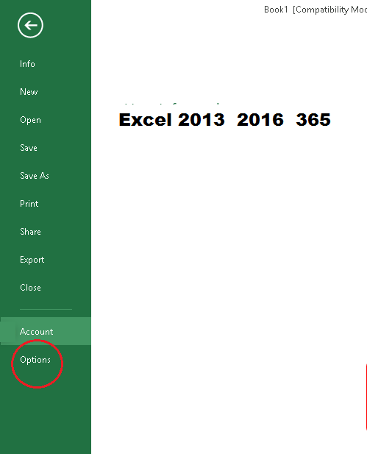

2 | Open Trust Center Settings

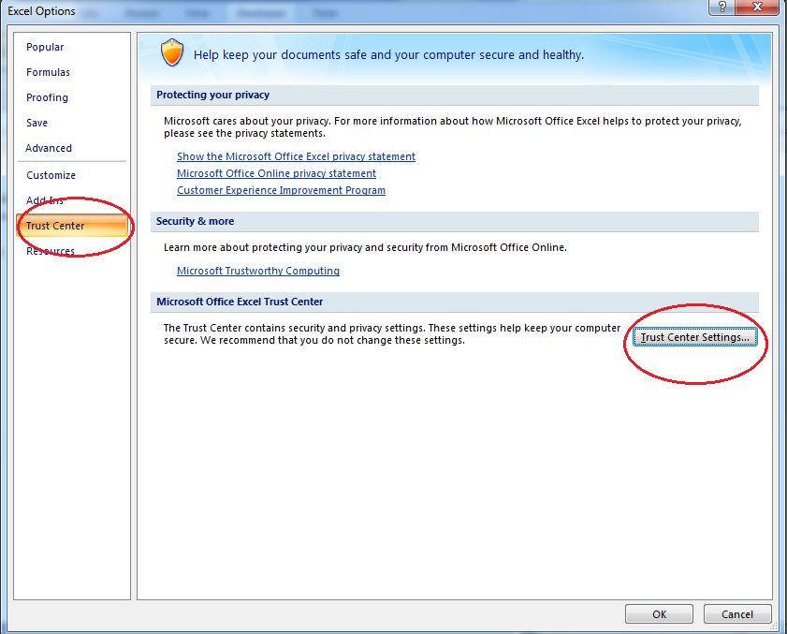

3 | Privacy Options

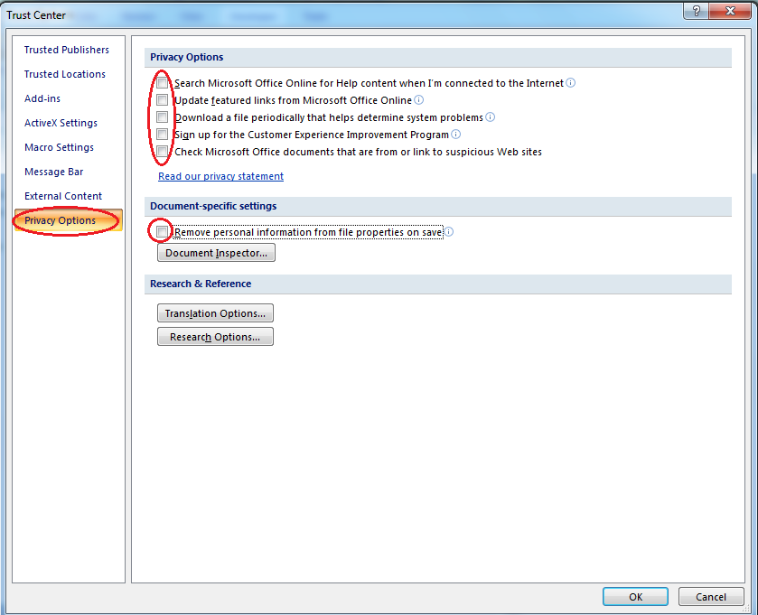

4 | External Content

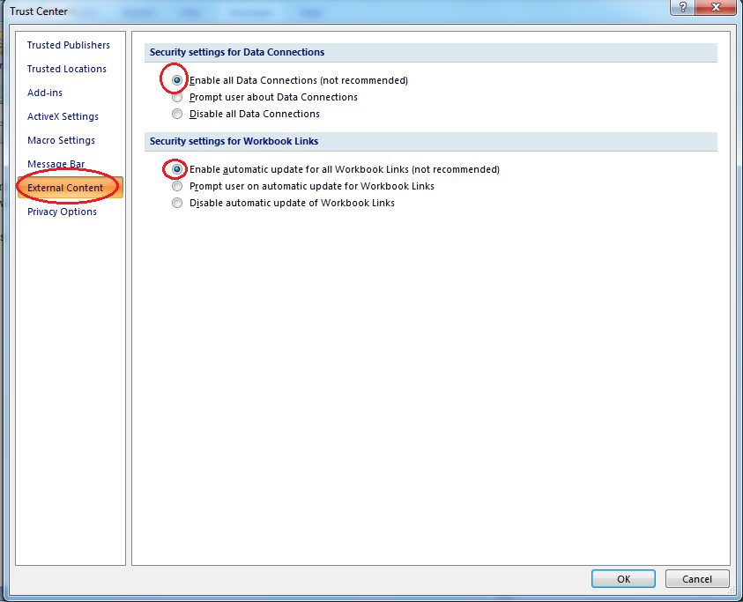

4 | Macro Settings

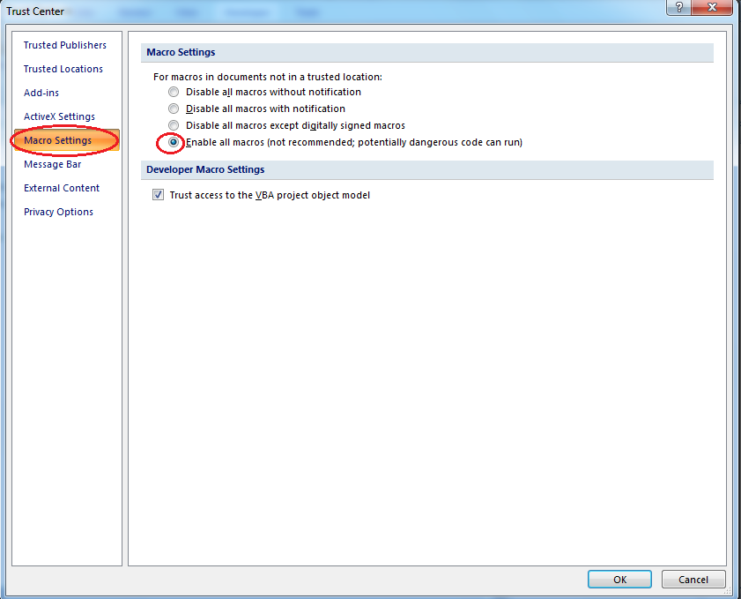

5 | ActiveX Settings

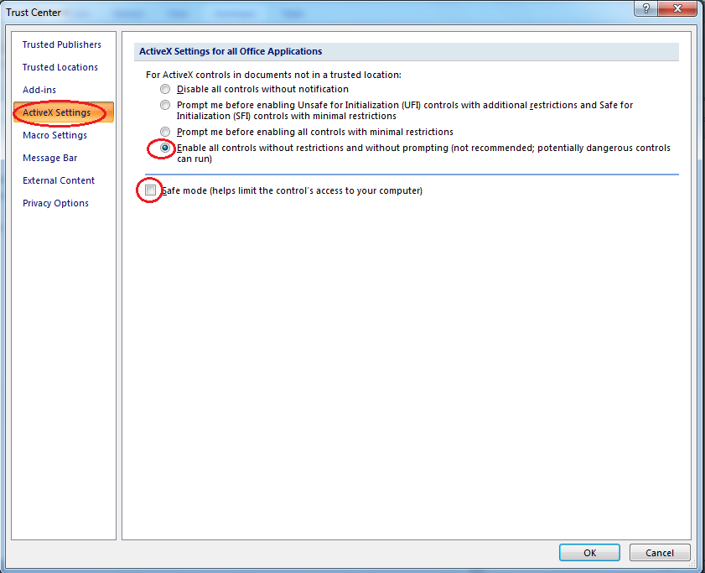

6 | Press 'OK' to Close Trust Center Settings

7 | Press 'OK' to Close Excel Options

8 | Close Excel and Reopen

9 | Macros will be enabled now

