Scatter plot
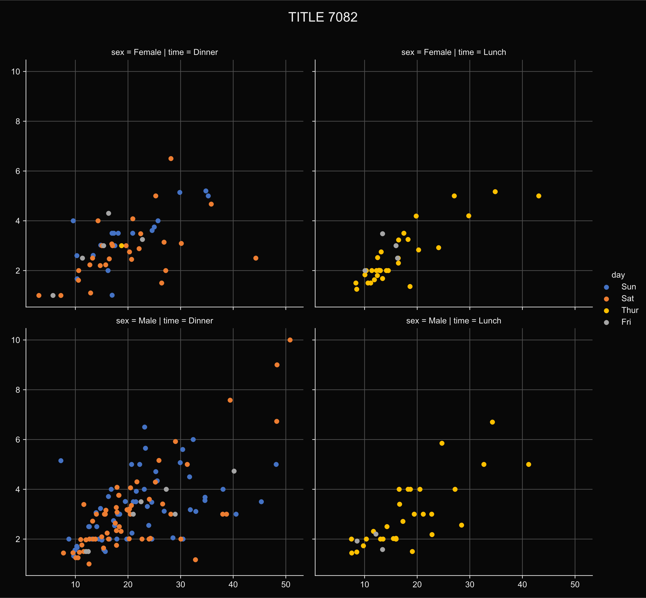
function | aicSeabornPlot
output | E2
input_data | data_tips {2FD0087F}
aicells_tool_name | seaborn.scatterplot
tool_parameters | B21:C23 {7B2147FF}
picture_name | pic1
title | TITLE
title_height_ratio
row | sex
col | time
hue | day
col_wrap
height | 5
aspect
legend_out
despine

x | total_bill
y | tip
linewidth

