Sheet1
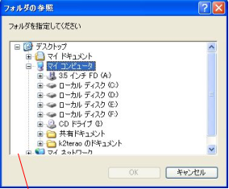
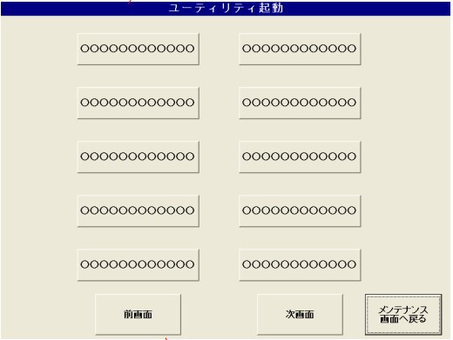

Previous Screen

Next Screen

Return

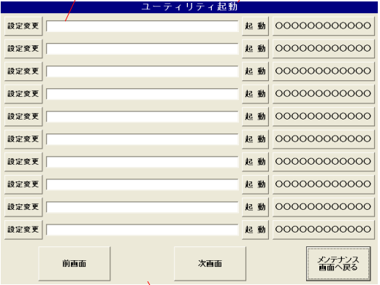

 | Active button | Active utility tool
 |  | Active fail => show alert "Start Error"

 | Previous Screen

 | Next Screen

 | Return

 | Change settings

