Instructions
Step 1 | Download the latest stable version of SolverStudio from www.solverstudio.org and install it.

Step 2 | Copy and paste your student data into the appropriate place in the "Student_Data" sheet.
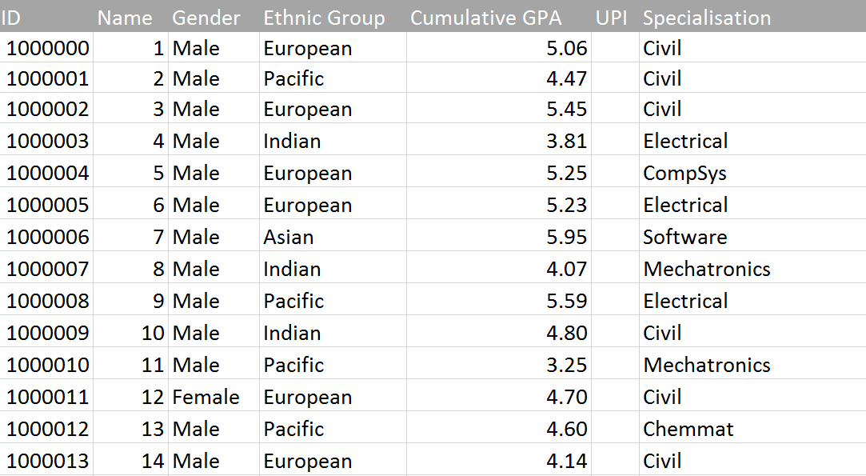

Step 3 | Under "Options" enter the number of groups you wish to make and the time limit in seconds for running the optimisation (default is 60 seconds). You may set "Only chart existing allocation" to "Yes" if you have an existing allocation filled in, which will cause the existing allocation to be charted so you can inspect its quality without running the automatic allocation process. By default this should be set to "No" so that the optimisation model creates the allocation for you.

Step 4 | Check that all the data checks have passed. All checks should say "Yes". If you see a "No"' then you may need to check your data for missing entries, invalid entries etc. You can specify "Not Applicable" (without quotes) for a student's ethnicity or specialisation so that the model ignores this when allocating them into a group. Please be vigilant of invalid data by performing your own checks of the data; for example, some students may have "N/A" recorded against their specialisation, in which case "Not Applicable" (without quotes) should be specified for their specialisation. Another common issue is student's having a GPA of 0 due to having no record with the university (e.g. they may be an exchange student). In this case, we recommend replacing their GPA with the average GPA of the whole class. Using Excel's Filter function is useful for inspecting your data.
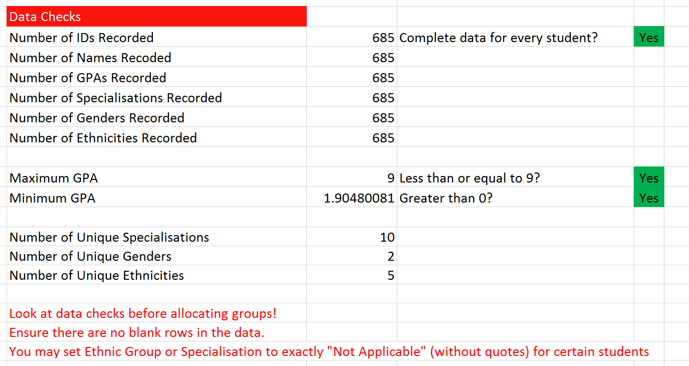

Step 5 | Click "Solve Model" under the "Data" tab in the ribbon at the top of the Excel window. The optimisation will begin to run and will take the time specified in the options plus additional time to report on the solution. You will receive a message indicating that the optimisation is running, and a command line window may appear showing output of the model. Excel may slow down during this process. This is normal. Note: You must be on the "Student_Data" sheet in order to click "Solve Model" and have the optimisation run.

Step 6 | When the optimisation has finished running you will automatically be taken to the Summary_Results sheet containing a table of results. You will also find sheets with charts that you can look at to easily see the quality of the solution provided by the optimisation. In addition, a new Excel workbook will have been created and placed in the same directory as this file. This workbook will contain a list of all the groups and the students in each so that you can easily share the allocation with others.

GPA_Chart
GPA spread per group (lines bottom to top = Min, Q1, Median, Q3, Max)
 | 2.63 | 1.66 | 1.1 | 0.42 | 2.79
 | 2.58 | 2 | 0.56 | 0.43 | 2.94
 | 3.23 | 1.25 | 0.45 | 0.88 | 2.68
 | 3.14 | 1.23 | 0.62 | 0.77 | 2.75
 | 3.28 | 1.19 | 0.49 | 0.8 | 3.14
 | 2.31 | 2.29 | 0.55 | 0.48 | 3.07
 | 3.58 | 0.76 | 0.46 | 0.82 | 2.39
 | 2.98 | 1.37 | 0.46 | 1.23 | 2.25
 | 2.56 | 1.77 | 0.83 | 0.52 | 2.72
 | 3.34 | 1.07 | 0.57 | 0.86 | 2.75
 | 2.74 | 1.66 | 0.97 | 0.42 | 3.12
 | 2.89 | 1.6 | 0.61 | 0.72 | 2.87
 | 3.1 | 1.25 | 0.86 | 0.26 | 3.53
 | 2.83 | 1.52 | 0.53 | 1.24 | 2.07
 | 3.25 | 1.26 | 0.69 | 0.62 | 2.98
 | 3.14 | 1.06 | 1.37 | 0.32 | 2.1
 | 1.9 | 2.82 | 0.43 | 0.64 | 3
 | 3.31 | 1.19 | 0.49 | 0.73 | 3.19
 | 3.25 | 1.2 | 0.75 | 0.55 | 2.75
 | 3.75 | 0.38 | 0.96 | 0.85 | 2.06

Gender_Chart
Number of Males and Females in each group
 | Male | Female
1 | 28 | 6
2 | 28 | 6
3 | 28 | 6
4 | 28 | 6
5 | 28 | 6
6 | 28 | 6
7 | 28 | 6
8 | 28 | 6
9 | 28 | 6
10 | 28 | 6
11 | 28 | 6
12 | 28 | 6
13 | 28 | 6
14 | 28 | 6
15 | 28 | 6
16 | 28 | 7
17 | 28 | 7
18 | 28 | 7
19 | 29 | 6
20 | 29 | 6

Civil_Chart
Civil students in each group
 | Civil
1 | 10
2 | 10
3 | 10
4 | 10
5 | 10
6 | 10
7 | 10
8 | 10
9 | 10
10 | 10
11 | 10
12 | 11
13 | 10
14 | 10
15 | 10
16 | 10
17 | 10
18 | 10
19 | 10
20 | 10

Electrical_Chart
Electrical students in each group
 | Electrical
1 | 5
2 | 6
3 | 5
4 | 6
5 | 5
6 | 6
7 | 6
8 | 6
9 | 5
10 | 5
11 | 5
12 | 5
13 | 5
14 | 6
15 | 6
16 | 6
17 | 6
18 | 5
19 | 6
20 | 6

CompSys_Chart
Compsys students in each group
 | CompSys
1 | 3
2 | 2
3 | 2
4 | 2
5 | 2
6 | 2
7 | 2
8 | 2
9 | 3
10 | 2
11 | 3
12 | 2
13 | 2
14 | 3
15 | 2
16 | 3
17 | 3
18 | 2
19 | 3
20 | 2

Software_Chart
Software students in each group
 | Software
1 | 3
2 | 3
3 | 4
4 | 4
5 | 3
6 | 3
7 | 3
8 | 3
9 | 3
10 | 4
11 | 3
12 | 3
13 | 3
14 | 3
15 | 3
16 | 4
17 | 3
18 | 3
19 | 3
20 | 3

Mechatronics_Chart
Mechatronics students in each group
 | Mechatronics
1 | 4
2 | 4
3 | 5
4 | 4
5 | 5
6 | 4
7 | 4
8 | 4
9 | 4
10 | 4
11 | 4
12 | 4
13 | 4
14 | 4
15 | 4
16 | 4
17 | 4
18 | 4
19 | 4
20 | 4

Chemmat_Chart
Chemmat students in each group
 | Chemmat
1 | 3
2 | 2
3 | 2
4 | 2
5 | 3
6 | 3
7 | 2
8 | 3
9 | 3
10 | 3
11 | 3
12 | 2
13 | 2
14 | 2
15 | 2
16 | 2
17 | 3
18 | 3
19 | 3
20 | 3

Mechanical_Chart
Mechanical students in each group
 | Mechanical
1 | 4
2 | 4
3 | 4
4 | 4
5 | 4
6 | 4
7 | 4
8 | 4
9 | 4
10 | 4
11 | 4
12 | 4
13 | 5
14 | 4
15 | 5
16 | 4
17 | 4
18 | 5
19 | 4
20 | 5

Biomedical_Chart
Biomedical students in each group
 | Biomedical
1 | 1
2 | 1
3 | 1
4 | 1
5 | 1
6 | 1
7 | 1
8 | 1
9 | 1
10 | 1
11 | 1
12 | 1
13 | 1
14 | 1
15 | 1
16 | 1
17 | 1
18 | 1
19 | 1
20 | 1

EngSci_Chart
Engsci students in each group
 | EngSci
1 | 1
2 | 2
3 | 1
4 | 1
5 | 1
6 | 1
7 | 2
8 | 1
9 | 1
10 | 1
11 | 1
12 | 2
13 | 2
14 | 1
15 | 1
16 | 1
17 | 1
18 | 1
19 | 1
20 | 1

European(E)_Chart
European students in each group
 | European
1 | 17
2 | 16
3 | 16
4 | 16
5 | 16
6 | 16
7 | 16
8 | 16
9 | 17
10 | 16
11 | 17
12 | 16
13 | 17
14 | 17
15 | 16
16 | 17
17 | 17
18 | 16
19 | 17
20 | 17

Pacific(E)_Chart
Pacific students in each group
 | Pacific
1 | 3
2 | 3
3 | 3
4 | 4
5 | 4
6 | 3
7 | 4
8 | 3
9 | 3
10 | 3
11 | 3
12 | 4
13 | 3
14 | 3
15 | 3
16 | 3
17 | 3
18 | 3
19 | 3
20 | 3

Indian(E)_Chart
Indian students in each group
 | Indian
1 | 7
2 | 8
3 | 8
4 | 7
5 | 7
6 | 8
7 | 7
8 | 8
9 | 7
10 | 8
11 | 8
12 | 7
13 | 7
14 | 7
15 | 8
16 | 8
17 | 8
18 | 7
19 | 8
20 | 8

Asian(E)_Chart
Asian students in each group
 | Asian
1 | 7
2 | 7
3 | 7
4 | 7
5 | 7
6 | 7
7 | 7
8 | 7
9 | 7
10 | 7
11 | 6
12 | 7
13 | 7
14 | 7
15 | 7
16 | 7
17 | 7
18 | 7
19 | 7
20 | 7

