Instructions
Click here on www.solverstudio.org to download SolverStudio
Step 1 | Download the latest version of SolverStudio from www.solverstudio.org and install it. | About and Support
 |  | This spreadsheet runs an integer programming model using PuLP and SolverStudio. The model optimises the allocation of students to a set number of groups by balancing GPA, specialisation, gender, and ethnicity. The spreadsheet produces graphs indicating the quality of the solution.

 |  | Please contact the authors for technical support, bug reports or general queries.
 |  | Authors | Oscar Dowson | odow003@aucklanduni.ac.nz
 |  |  | Michael Fairley | mfai035@aucklanduni.ac.nz

 |  | Date | 2014-08-07

 |  | What to do if you encounter an error
 |  | If an error message appears like the one in the screenshot below, please screenshot it. Then, while in the "Student_Data" sheet, go to the "Data" tab at the top of the Excel interface and click "Show Model" in the SolverStudio area, a side window will appear showing source code and a "Model Output" window at the bottom. Take a screenshot of the "Model Output" window. Send both screenshots to the authors for help.
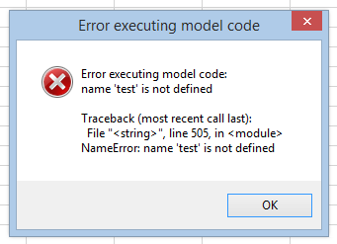
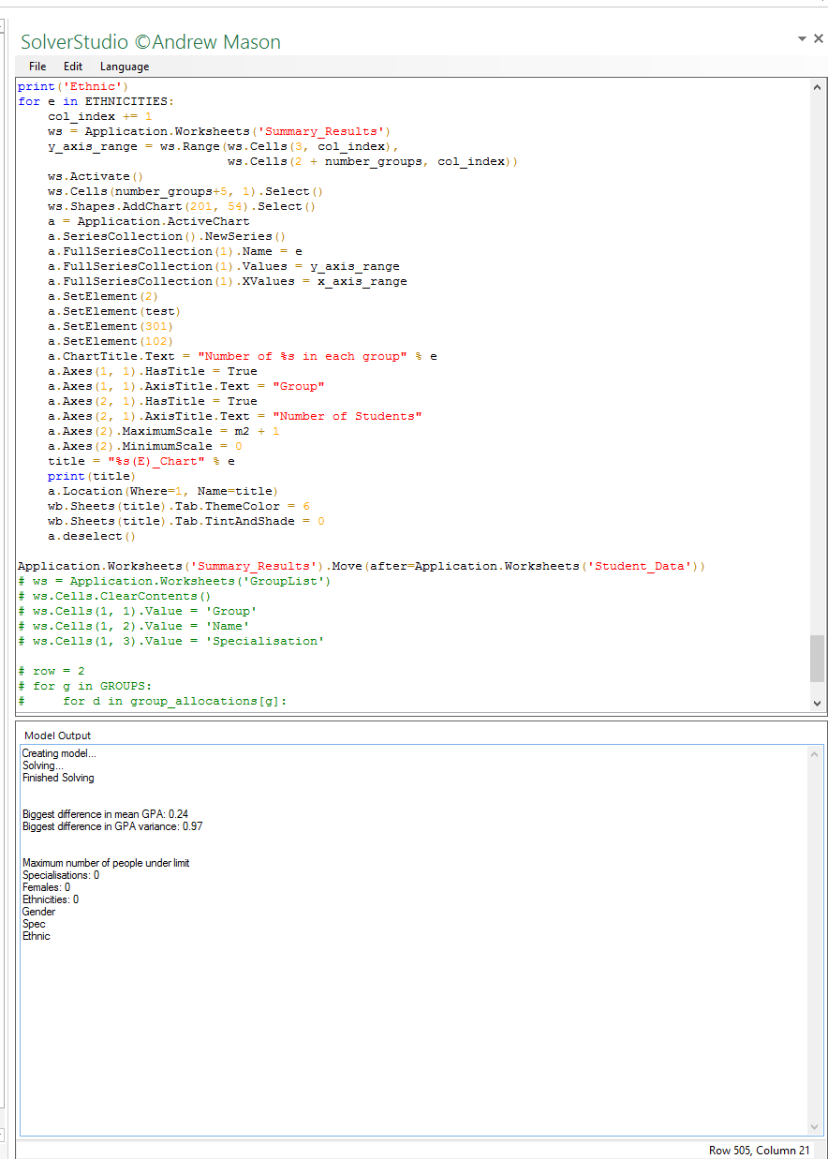

Step 2 | Copy and paste your student data into the appropriate place in the "Student_Data" sheet.
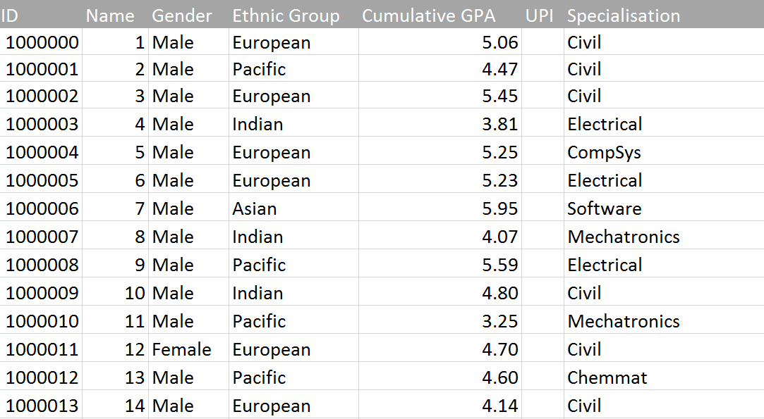

 |  | Take screenshots of the error message and "Model Output" window if you encounter any errors.

Step 3 | Under "Options" enter the number of groups you wish to make and the time limit in seconds for running the optimisation (default is 60 seconds)

Step 4 | Check that all the data checks have passed. All checks should say "Yes". If you see a "No"' then you may need to check your data for missing entries, invalid entries etc. You can specify "Not Applicable" (without quotes) for a student's ethnicity or specialisation if appropriate.
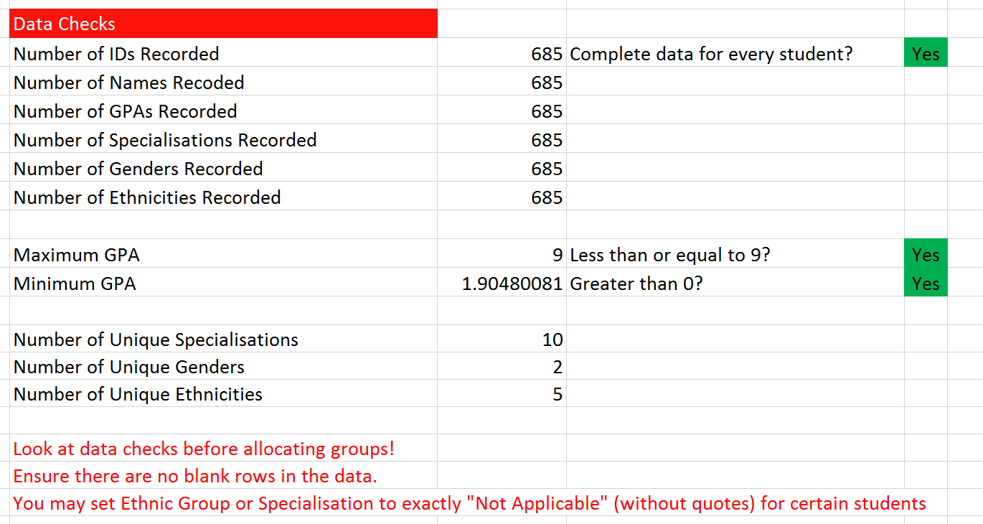

Step 5 | Click "Solve Model" under the "Data" tab in the ribbon at the top of the window. The optimisation will begun to run and will take the time specified in the options plus additional time to report on the solution. You will receive a message indicating that the optimisation is running, and a command line window may appear showing output of the model. Excel may slow down during this process. This is normal. Note: You must be on the "Student_Data" sheet in order to click "Solve Model" and have the optimisation run.

Step 6 | When the optimisation has finished running you will automatically be taken to the Summary_Results sheet containing tables of results. You will also find sheets with charts that you can look at to easily see the quality of the solution provided by the optimisation. In addition, a new Excel workbook will have been created and placed in the same directory as this file. This workbook will contain a list of all the groups and the students in each so that you can easily share the allocation with others.

GPA_Chart
GPA spread per group (lines bottom to top = Min, Q1, Median, Q3, Max)
 | 3.4 | 1.09 | 0.69 | 0.63 | 3.09
 | 3.08 | 0.94 | 1.45 | 0.64 | 0.53
 | 3.25 | 0.9 | 1.28 | 0.52 | 1.77
 | 3.34 | 1.36 | 0.38 | 0.36 | 3.47
 | 2.31 | 2.37 | 0.5 | 0.48 | 2.35
 | 2.74 | 1.82 | 0.73 | 0.31 | 3
 | 1.9 | 2.65 | 0.66 | 0.58 | 1.91
 | 3.35 | 1.11 | 0.47 | 0.51 | 3.36
 | 2.94 | 1.55 | 0.35 | 0.96 | 2.6
 | 3.49 | 0.93 | 0.79 | 0.27 | 3.22
 | 3.14 | 0.88 | 1.52 | 0.58 | 0.48
 | 2.56 | 1.86 | 0.43 | 1.04 | 2.12
 | 2.83 | 1.71 | 0.49 | 0.4 | 3.57
 | 3.6 | 0.83 | 0.28 | 1.34 | 2.85
 | 2.58 | 1.76 | 0.52 | 1.11 | 1.11
 | 3.55 | 0.91 | 0.39 | 0.87 | 2.78
 | 3.23 | 1.24 | 0.7 | 0.42 | 2.7
 | 2.89 | 1.82 | 0.23 | 0.54 | 3.21
 | 3.07 | 1.25 | 0.59 | 0.98 | 2.61
 | 2.63 | 1.46 | 1.28 | 0.5 | 2.13

Gender_Chart
Number of Males and Females in each group
 | Male | Female
1 | 28 | 6
2 | 28 | 6
3 | 27 | 7
4 | 28 | 6
5 | 28 | 6
6 | 28 | 6
7 | 28 | 6
8 | 28 | 6
9 | 28 | 6
10 | 27 | 7
11 | 28 | 6
12 | 28 | 6
13 | 28 | 6
14 | 28 | 6
15 | 28 | 6
16 | 28 | 7
17 | 29 | 6
18 | 29 | 6
19 | 29 | 6
20 | 29 | 6

Civil_Chart
Civil students in each group
 | Civil
1 | 10
2 | 10
3 | 10
4 | 10
5 | 10
6 | 10
7 | 10
8 | 10
9 | 10
10 | 10
11 | 10
12 | 10
13 | 10
14 | 10
15 | 10
16 | 10
17 | 10
18 | 10
19 | 10
20 | 11

Electrical_Chart
Electrical students in each group
 | Electrical
1 | 5
2 | 5
3 | 5
4 | 5
5 | 6
6 | 5
7 | 5
8 | 5
9 | 6
10 | 6
11 | 5
12 | 6
13 | 5
14 | 6
15 | 6
16 | 5
17 | 6
18 | 7
19 | 6
20 | 6

CompSys_Chart
Compsys students in each group
 | CompSys
1 | 2
2 | 4
3 | 2
4 | 3
5 | 2
6 | 3
7 | 3
8 | 2
9 | 2
10 | 2
11 | 2
12 | 2
13 | 2
14 | 2
15 | 3
16 | 3
17 | 2
18 | 2
19 | 2
20 | 2

Software_Chart
Software students in each group
 | Software
1 | 3
2 | 3
3 | 5
4 | 3
5 | 3
6 | 3
7 | 3
8 | 3
9 | 3
10 | 3
11 | 3
12 | 3
13 | 3
14 | 3
15 | 3
16 | 3
17 | 3
18 | 3
19 | 5
20 | 3

Mechatronics_Chart
Mechatronics students in each group
 | Mechatronics
1 | 4
2 | 4
3 | 4
4 | 4
5 | 4
6 | 4
7 | 4
8 | 4
9 | 4
10 | 4
11 | 5
12 | 4
13 | 4
14 | 4
15 | 4
16 | 4
17 | 4
18 | 5
19 | 4
20 | 4

Chemmat_Chart
Chemmat students in each group
 | Chemmat
1 | 3
2 | 2
3 | 2
4 | 3
5 | 2
6 | 3
7 | 2
8 | 4
9 | 2
10 | 3
11 | 2
12 | 3
13 | 4
14 | 3
15 | 2
16 | 3
17 | 2
18 | 2
19 | 2
20 | 2

Mechanical_Chart
Mechanical students in each group
 | Mechanical
1 | 4
2 | 4
3 | 4
4 | 4
5 | 5
6 | 4
7 | 5
8 | 4
9 | 5
10 | 4
11 | 4
12 | 4
13 | 4
14 | 4
15 | 4
16 | 4
17 | 4
18 | 4
19 | 4
20 | 5

Biomedical_Chart
Biomedical students in each group
 | Biomedical
1 | 1
2 | 1
3 | 1
4 | 1
5 | 1
6 | 1
7 | 1
8 | 1
9 | 1
10 | 1
11 | 1
12 | 1
13 | 1
14 | 1
15 | 1
16 | 1
17 | 1
18 | 1
19 | 1
20 | 1

EngSci_Chart
Engsci students in each group
 | EngSci
1 | 2
2 | 1
3 | 1
4 | 1
5 | 1
6 | 1
7 | 1
8 | 1
9 | 1
10 | 1
11 | 2
12 | 1
13 | 1
14 | 1
15 | 1
16 | 1
17 | 3
18 | 1
19 | 1
20 | 1

European(E)_Chart
European students in each group
 | European
1 | 17
2 | 17
3 | 17
4 | 18
5 | 16
6 | 16
7 | 16
8 | 17
9 | 16
10 | 16
11 | 16
12 | 16
13 | 17
14 | 16
15 | 16
16 | 17
17 | 16
18 | 16
19 | 17
20 | 16

Pacific(E)_Chart
Pacific students in each group
 | Pacific
1 | 4
2 | 3
3 | 3
4 | 3
5 | 3
6 | 3
7 | 3
8 | 3
9 | 3
10 | 3
11 | 3
12 | 4
13 | 3
14 | 3
15 | 5
16 | 3
17 | 3
18 | 3
19 | 3
20 | 3

Indian(E)_Chart
Indian students in each group
 | Indian
1 | 7
2 | 8
3 | 8
4 | 7
5 | 7
6 | 7
7 | 8
8 | 7
9 | 8
10 | 8
11 | 7
12 | 7
13 | 8
14 | 7
15 | 7
16 | 8
17 | 8
18 | 8
19 | 8
20 | 8

Asian(E)_Chart
Asian students in each group
 | Asian
1 | 6
2 | 6
3 | 6
4 | 6
5 | 8
6 | 8
7 | 7
8 | 6
9 | 7
10 | 7
11 | 8
12 | 7
13 | 6
14 | 8
15 | 6
16 | 6
17 | 8
18 | 8
19 | 7
20 | 8

