iris
Regression
 | petal-width | petal-width-predicted
3 | 1.1 | 1.0315758406
3.3 | 1 | 1.1347334247
3.3 | 1 | 1.1347334247
3.5 | 1 | 1.2035051474
3.5 | 1 | 1.2035051474
3.6 | 1.3 | 1.2378910087
3.7 | 1 | 1.2722768701
3.8 | 1.1 | 1.3066627314
3.9 | 1.4 | 1.3410485928
3.9 | 1.1 | 1.3410485928
3.9 | 1.2 | 1.3410485928
4 | 1.3 | 1.3754344541
4 | 1 | 1.3754344541
4 | 1.3 | 1.3754344541
4 | 1.3 | 1.3754344541
4 | 1.2 | 1.3754344541
4.1 | 1 | 1.4098203155
4.1 | 1.3 | 1.4098203155
4.1 | 1.3 | 1.4098203155
4.2 | 1.5 | 1.4442061768
4.2 | 1.3 | 1.4442061768
4.2 | 1.2 | 1.4442061768
4.2 | 1.3 | 1.4442061768
4.3 | 1.3 | 1.4785920382
4.3 | 1.3 | 1.4785920382
4.4 | 1.4 | 1.5129778995
4.4 | 1.4 | 1.5129778995
4.4 | 1.3 | 1.5129778995
4.4 | 1.2 | 1.5129778995
4.5 | 1.5 | 1.5473637609
4.5 | 1.3 | 1.5473637609
4.5 | 1.5 | 1.5473637609
4.5 | 1.5 | 1.5473637609
4.5 | 1.5 | 1.5473637609
4.5 | 1.5 | 1.5473637609
4.5 | 1.6 | 1.5473637609
4.5 | 1.7 | 1.5473637609
4.6 | 1.5 | 1.5817496222
4.6 | 1.3 | 1.5817496222
4.6 | 1.4 | 1.5817496222
4.7 | 1.4 | 1.6161354836
4.7 | 1.6 | 1.6161354836
4.7 | 1.4 | 1.6161354836
4.7 | 1.2 | 1.6161354836
4.7 | 1.5 | 1.6161354836
4.8 | 1.8 | 1.650521345
4.8 | 1.4 | 1.650521345
4.8 | 1.8 | 1.650521345
4.8 | 1.8 | 1.650521345
4.9 | 1.5 | 1.6849072063
...
 |  | 0 | 0.34385861353 |  | 6.1947754975 | 6.19
petal-length | petal-width | Intercept | Slope | petal-width-predicted | squared error
3 | 1.1 | 0 | 0.34385861353 | 1.0315758406 | 0.0046818655903
3.3 | 1 | 0 | 0.34385861353 | 1.1347334247 | 0.018153095719
3.3 | 1 | 0 | 0.34385861353 | 1.1347334247 | 0.018153095719
3.5 | 1 | 0 | 0.34385861353 | 1.2035051474 | 0.041414345002
3.5 | 1 | 0 | 0.34385861353 | 1.2035051474 | 0.041414345002
3.6 | 1.3 | 0 | 0.34385861353 | 1.2378910087 | 0.0038575267986
3.7 | 1 | 0 | 0.34385861353 | 1.2722768701 | 0.074134693973
3.8 | 1.1 | 0 | 0.34385861353 | 1.3066627314 | 0.042709484558
3.9 | 1.4 | 0 | 0.34385861353 | 1.3410485928 | 0.003475268414
3.9 | 1.1 | 0 | 0.34385861353 | 1.3410485928 | 0.058104424078
3.9 | 1.2 | 0 | 0.34385861353 | 1.3410485928 | 0.019894705523
4 | 1.3 | 0 | 0.34385861353 | 1.3754344541 | 0.0056903568693
4 | 1 | 0 | 0.34385861353 | 1.3754344541 | 0.14095102934
4 | 1.3 | 0 | 0.34385861353 | 1.3754344541 | 0.0056903568693
4 | 1.3 | 0 | 0.34385861353 | 1.3754344541 | 0.0056903568693
4 | 1.2 | 0 | 0.34385861353 | 1.3754344541 | 0.030777247695
4.1 | 1 | 0 | 0.34385861353 | 1.4098203155 | 0.16795269098
4.1 | 1.3 | 0 | 0.34385861353 | 1.4098203155 | 0.012060501692
4.1 | 1.3 | 0 | 0.34385861353 | 1.4098203155 | 0.012060501692
4.2 | 1.5 | 0 | 0.34385861353 | 1.4442061768 | 0.0031129507037
4.2 | 1.3 | 0 | 0.34385861353 | 1.4442061768 | 0.020795421437
4.2 | 1.2 | 0 | 0.34385861353 | 1.4442061768 | 0.059636656803
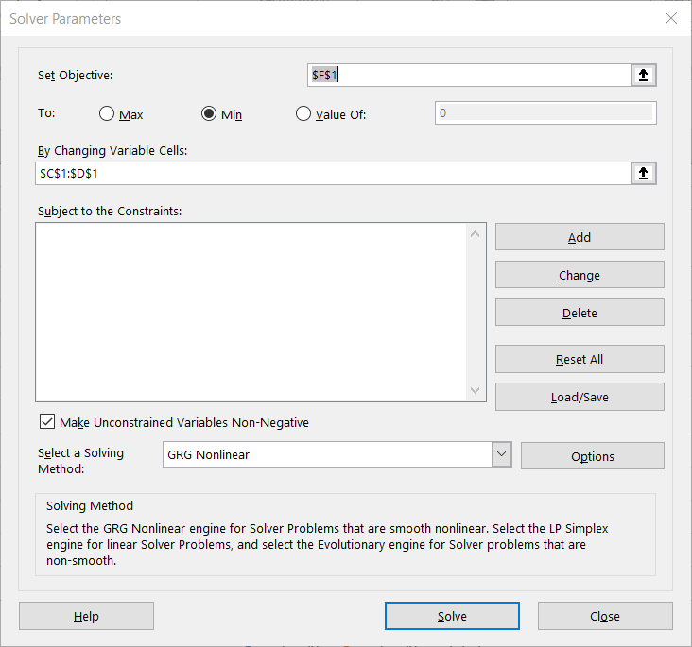
4.2 | 1.3 | 0 | 0.34385861353 | 1.4442061768 | 0.020795421437
4.3 | 1.3 | 0 | 0.34385861353 | 1.4785920382 | 0.031895116103
4.3 | 1.3 | 0 | 0.34385861353 | 1.4785920382 | 0.031895116103
4.4 | 1.4 | 0 | 0.34385861353 | 1.5129778995 | 0.012764005784
4.4 | 1.4 | 0 | 0.34385861353 | 1.5129778995 | 0.012764005784
4.4 | 1.3 | 0 | 0.34385861353 | 1.5129778995 | 0.045359585692
4.4 | 1.2 | 0 | 0.34385861353 | 1.5129778995 | 0.0979551656
4.5 | 1.5 | 0 | 0.34385861353 | 1.5473637609 | 0.0022433258458
4.5 | 1.3 | 0 | 0.34385861353 | 1.5473637609 | 0.061188830203
4.5 | 1.5 | 0 | 0.34385861353 | 1.5473637609 | 0.0022433258458
4.5 | 1.5 | 0 | 0.34385861353 | 1.5473637609 | 0.0022433258458
4.5 | 1.5 | 0 | 0.34385861353 | 1.5473637609 | 0.0022433258458
4.5 | 1.5 | 0 | 0.34385861353 | 1.5473637609 | 0.0022433258458
4.5 | 1.6 | 0 | 0.34385861353 | 1.5473637609 | 0.0027705736674
4.5 | 1.7 | 0 | 0.34385861353 | 1.5473637609 | 0.023297821489
4.6 | 1.5 | 0 | 0.34385861353 | 1.5817496222 | 0.0066830007372
4.6 | 1.3 | 0 | 0.34385861353 | 1.5817496222 | 0.079382849635
4.6 | 1.4 | 0 | 0.34385861353 | 1.5817496222 | 0.033032925186
4.7 | 1.4 | 0 | 0.34385861353 | 1.6161354836 | 0.04671454727
4.7 | 1.6 | 0 | 0.34385861353 | 1.6161354836 | 0.00026035383095
4.7 | 1.4 | 0 | 0.34385861353 | 1.6161354836 | 0.04671454727
4.7 | 1.2 | 0 | 0.34385861353 | 1.6161354836 | 0.17316874071
4.7 | 1.5 | 0 | 0.34385861353 | 1.6161354836 | 0.013487450551
4.8 | 1.8 | 0 | 0.34385861353 | 1.650521345 | 0.022343868315
4.8 | 1.4 | 0 | 0.34385861353 | 1.650521345 | 0.062760944276
4.8 | 1.8 | 0 | 0.34385861353 | 1.650521345 | 0.022343868315
4.8 | 1.8 | 0 | 0.34385861353 | 1.650521345 | 0.022343868315
4.9 | 1.5 | 0 | 0.34385861353 | 1.6849072063 | 0.034190674943
4.9 | 1.5 | 0 | 0.34385861353 | 1.6849072063 | 0.034190674943
4.9 | 2 | 0 | 0.34385861353 | 1.6849072063 | 0.099283468639
4.9 | 1.8 | 0 | 0.34385861353 | 1.6849072063 | 0.013246351161
4.9 | 1.8 | 0 | 0.34385861353 | 1.6849072063 | 0.013246351161
5 | 1.7 | 0 | 0.34385861353 | 1.7192930677 | 0.00037222245964
5 | 2 | 0 | 0.34385861353 | 1.7192930677 | 0.078796381865
5 | 1.5 | 0 | 0.34385861353 | 1.7192930677 | 0.048089449523
5 | 1.9 | 0 | 0.34385861353 | 1.7192930677 | 0.032654995397
5.1 | 1.6 | 0 | 0.34385861353 | 1.753678929 | 0.023617213222
5.1 | 1.9 | 0 | 0.34385861353 | 1.753678929 | 0.021409855815
5.1 | 2 | 0 | 0.34385861353 | 1.753678929 | 0.060674070013
5.1 | 2.4 | 0 | 0.34385861353 | 1.753678929 | 0.4177309268
5.1 | 1.5 | 0 | 0.34385861353 | 1.753678929 | 0.064352999024
5.1 | 2.3 | 0 | 0.34385861353 | 1.753678929 | 0.29846671261
5.1 | 1.9 | 0 | 0.34385861353 | 1.753678929 | 0.021409855815
5.1 | 1.8 | 0 | 0.34385861353 | 1.753678929 | 0.0021456416176
5.2 | 2.3 | 0 | 0.34385861353 | 1.7880647904 | 0.26207765887
5.2 | 2 | 0 | 0.34385861353 | 1.7880647904 | 0.044916533083
5.3 | 1.9 | 0 | 0.34385861353 | 1.8224506517 | 0.0060139014191
5.3 | 2.3 | 0 | 0.34385861353 | 1.8224506517 | 0.22805338005
5.4 | 2.1 | 0 | 0.34385861353 | 1.8568365131 | 0.059128481376
5.4 | 2.3 | 0 | 0.34385861353 | 1.8568365131 | 0.19639387615
5.5 | 2.1 | 0 | 0.34385861353 | 1.8912223744 | 0.043588096941
5.5 | 1.8 | 0 | 0.34385861353 | 1.8912223744 | 0.0083215215954
5.5 | 1.8 | 0 | 0.34385861353 | 1.8912223744 | 0.0083215215954
5.6 | 1.8 | 0 | 0.34385861353 | 1.9256082358 | 0.015777428895
5.6 | 2.1 | 0 | 0.34385861353 | 1.9256082358 | 0.030412487429
5.6 | 2.2 | 0 | 0.34385861353 | 1.9256082358 | 0.075290840274
5.6 | 1.4 | 0 | 0.34385861353 | 1.9256082358 | 0.27626401752
5.6 | 2.4 | 0 | 0.34385861353 | 1.9256082358 | 0.22504754596
5.6 | 2.4 | 0 | 0.34385861353 | 1.9256082358 | 0.22504754596
5.7 | 2.3 | 0 | 0.34385861353 | 1.9599940971 | 0.11560401399
5.7 | 2.1 | 0 | 0.34385861353 | 1.9599940971 | 0.019601652839
5.7 | 2.5 | 0 | 0.34385861353 | 1.9599940971 | 0.29160637513
5.8 | 2.2 | 0 | 0.34385861353 | 1.9943799585 | 0.042279601474
5.8 | 1.8 | 0 | 0.34385861353 | 1.9943799585 | 0.03778356826
5.8 | 1.6 | 0 | 0.34385861353 | 1.9943799585 | 0.15553555165
5.9 | 2.1 | 0 | 0.34385861353 | 2.0287658198 | 0.0050743084236
5.9 | 2.3 | 0 | 0.34385861353 | 2.0287658198 | 0.073567980489
6 | 2.5 | 0 | 0.34385861353 | 2.0631516812 | 0.19083645365
6 | 1.8 | 0 | 0.34385861353 | 2.0631516812 | 0.069248807313
6.1 | 2.5 | 0 | 0.34385861353 | 2.0975375425 | 0.16197602966
6.1 | 1.9 | 0 | 0.34385861353 | 2.0975375425 | 0.039021080714
6.1 | 2.3 | 0 | 0.34385861353 | 2.0975375425 | 0.04099104668
6.3 | 1.8 | 0 | 0.34385861353 | 2.1663092652 | 0.13418247781
6.4 | 2 | 0 | 0.34385861353 | 2.2006951266 | 0.040278533842
6.6 | 2.1 | 0 | 0.34385861353 | 2.2694668493 | 0.028719013014
6.7 | 2.2 | 0 | 0.34385861353 | 2.3038527107 | 0.010785385512
6.7 | 2 | 0 | 0.34385861353 | 2.3038527107 | 0.092326469776
6.9 | 2.3 | 0 | 0.34385861353 | 2.3726244334 | 0.005274308322

