Sheet2
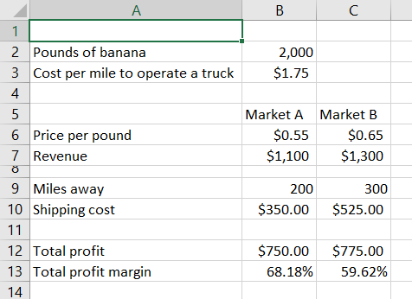
Pounds of bananas | 2000
Cost per mile | $1.75

 | Market A | Market B
Miles away | 200 | 300
Revenue per banana | 0.55 | 0.65

Bananas sold | 0 | 2000 | 2000 | <= | 2000
Booth fee | 50 | 75

Total revenue | 2000
Cost of booth fee | 125
Profit | 1875

