Sheet1
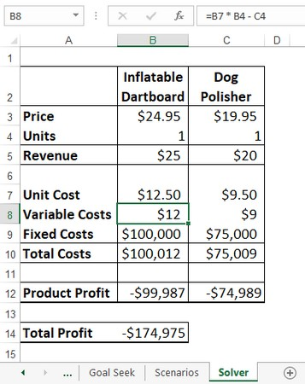
 | Product A | Product B | Product C
Revenue | 5 | 10 | 15
 |  |  |  | Actual | Budget
Storage | 0.25 | 0.4 | 0.75 | 4999.9994705 | 5000
Shrink | 3% | 80% | 1%

Order size | 0 | 12499.998676 | 0 | Total profit
Profit | 0 | 19999.997882 | 0 | 19999.997882

