grades
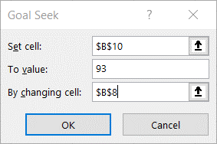
 | Grade | % of final grade
HW 1 | 85% | 5%
Quiz 1 | 92% | 7.50%
Hw 2 | 78% | 5%
Midterm exam | 88% | 30%
Quiz 2 | 95% | 7.50%
Hw 3 | 99% | 5%
Final exam | 99% | 40%

Final grade | 93.00000% | =SUMPRODUCT(B2:B8,C2:C8)/SUM(C2:C8)

