Sheet1
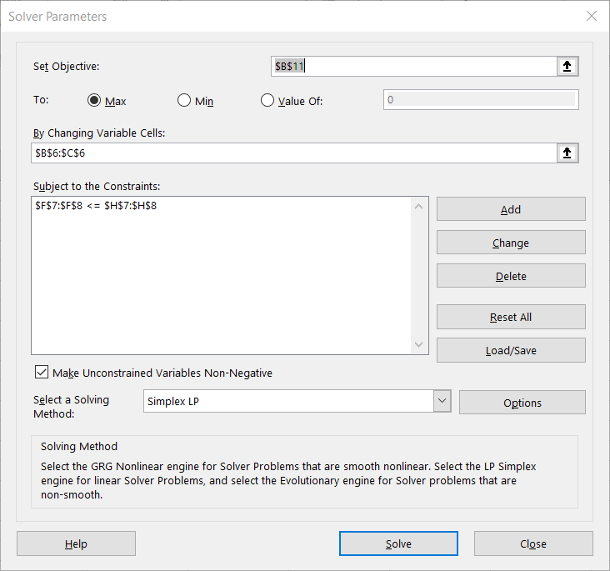
 | Product A | Product B
Sales price | 25 | 30
cotton needed per unit | 4 | 2
acrylic needed per unit | 1 | 3

Units produced | 9 | 7 |  |  |  | Budget
cotton consumed | 36 | 14 | Total units cotton used | 50 | <= | 50
acrylic consumed | 9 | 21 | Total units acrylic used | 30 | <= | 30
Revenue per product | 225 | 210

Total revenue | 435

