sales-price
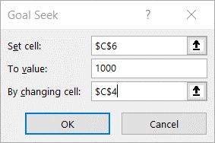
Item | Sales price | Sales quantity
Widget | 25 | 12
Atlatl | 10 | 11
Doo-hickey | 15 | 39.333333333

How many doo-hickeys do you need to sell to raise $1,000? |  | 1000

