iris
Regression
 | petal-width | petal-width-predicted
3 | 1.1 | 0.869
3.3 | 1 | 0.9959
3.3 | 1 | 0.9959
3.5 | 1 | 1.0805
3.5 | 1 | 1.0805
3.6 | 1.3 | 1.1228
3.7 | 1 | 1.1651
3.8 | 1.1 | 1.2074
3.9 | 1.4 | 1.2497
3.9 | 1.1 | 1.2497
3.9 | 1.2 | 1.2497
4 | 1.3 | 1.292
4 | 1 | 1.292
4 | 1.3 | 1.292
4 | 1.3 | 1.292
4 | 1.2 | 1.292
4.1 | 1 | 1.3343
4.1 | 1.3 | 1.3343
4.1 | 1.3 | 1.3343
4.2 | 1.5 | 1.3766
4.2 | 1.3 | 1.3766
4.2 | 1.2 | 1.3766
4.2 | 1.3 | 1.3766
4.3 | 1.3 | 1.4189
4.3 | 1.3 | 1.4189
4.4 | 1.4 | 1.4612
4.4 | 1.4 | 1.4612
4.4 | 1.3 | 1.4612
4.4 | 1.2 | 1.4612
4.5 | 1.5 | 1.5035
4.5 | 1.3 | 1.5035
4.5 | 1.5 | 1.5035
4.5 | 1.5 | 1.5035
4.5 | 1.5 | 1.5035
4.5 | 1.5 | 1.5035
4.5 | 1.6 | 1.5035
4.5 | 1.7 | 1.5035
4.6 | 1.5 | 1.5458
4.6 | 1.3 | 1.5458
4.6 | 1.4 | 1.5458
4.7 | 1.4 | 1.5881
4.7 | 1.6 | 1.5881
4.7 | 1.4 | 1.5881
4.7 | 1.2 | 1.5881
4.7 | 1.5 | 1.5881
4.8 | 1.8 | 1.6304
4.8 | 1.4 | 1.6304
4.8 | 1.8 | 1.6304
4.8 | 1.8 | 1.6304
4.9 | 1.5 | 1.6727
...
 |  | -0.4 | 0.423 |  | 5.75354044 | 6.19
petal-length | petal-width | Intercept | Slope | petal-width-predicted | squared error
3 | 1.1 | -0.4 | 0.423 | 0.869 | 0.053361
3.3 | 1 | -0.4 | 0.423 | 0.9959 | 0.00001681
3.3 | 1 | -0.4 | 0.423 | 0.9959 | 0.00001681
3.5 | 1 | -0.4 | 0.423 | 1.0805 | 0.00648025
3.5 | 1 | -0.4 | 0.423 | 1.0805 | 0.00648025
3.6 | 1.3 | -0.4 | 0.423 | 1.1228 | 0.03139984
3.7 | 1 | -0.4 | 0.423 | 1.1651 | 0.02725801
3.8 | 1.1 | -0.4 | 0.423 | 1.2074 | 0.01153476
3.9 | 1.4 | -0.4 | 0.423 | 1.2497 | 0.02259009
3.9 | 1.1 | -0.4 | 0.423 | 1.2497 | 0.02241009
3.9 | 1.2 | -0.4 | 0.423 | 1.2497 | 0.00247009
4 | 1.3 | -0.4 | 0.423 | 1.292 | 0.000064
4 | 1 | -0.4 | 0.423 | 1.292 | 0.085264
4 | 1.3 | -0.4 | 0.423 | 1.292 | 0.000064
4 | 1.3 | -0.4 | 0.423 | 1.292 | 0.000064
4 | 1.2 | -0.4 | 0.423 | 1.292 | 0.008464
4.1 | 1 | -0.4 | 0.423 | 1.3343 | 0.11175649
4.1 | 1.3 | -0.4 | 0.423 | 1.3343 | 0.00117649
4.1 | 1.3 | -0.4 | 0.423 | 1.3343 | 0.00117649
4.2 | 1.5 | -0.4 | 0.423 | 1.3766 | 0.01522756
4.2 | 1.3 | -0.4 | 0.423 | 1.3766 | 0.00586756
4.2 | 1.2 | -0.4 | 0.423 | 1.3766 | 0.03118756
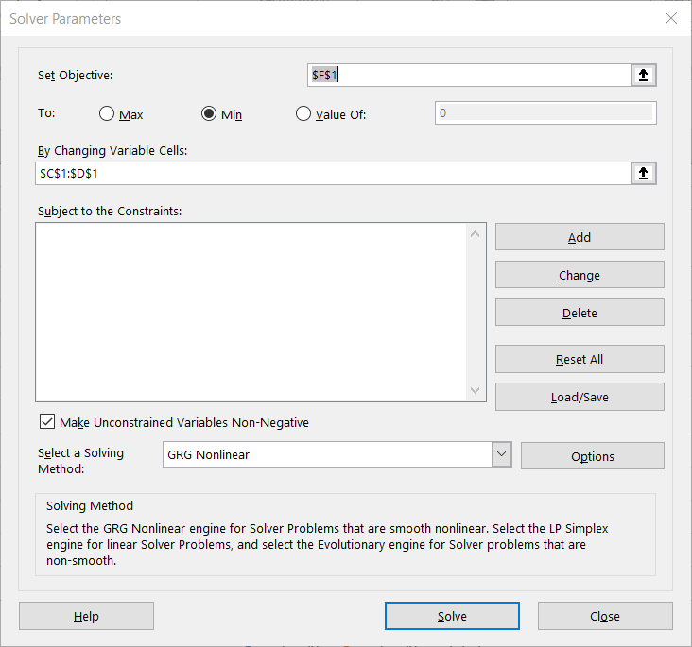
4.2 | 1.3 | -0.4 | 0.423 | 1.3766 | 0.00586756
4.3 | 1.3 | -0.4 | 0.423 | 1.4189 | 0.01413721
4.3 | 1.3 | -0.4 | 0.423 | 1.4189 | 0.01413721
4.4 | 1.4 | -0.4 | 0.423 | 1.4612 | 0.00374544
4.4 | 1.4 | -0.4 | 0.423 | 1.4612 | 0.00374544
4.4 | 1.3 | -0.4 | 0.423 | 1.4612 | 0.02598544
4.4 | 1.2 | -0.4 | 0.423 | 1.4612 | 0.06822544
4.5 | 1.5 | -0.4 | 0.423 | 1.5035 | 0.00001225
4.5 | 1.3 | -0.4 | 0.423 | 1.5035 | 0.04141225
4.5 | 1.5 | -0.4 | 0.423 | 1.5035 | 0.00001225
4.5 | 1.5 | -0.4 | 0.423 | 1.5035 | 0.00001225
4.5 | 1.5 | -0.4 | 0.423 | 1.5035 | 0.00001225
4.5 | 1.5 | -0.4 | 0.423 | 1.5035 | 0.00001225
4.5 | 1.6 | -0.4 | 0.423 | 1.5035 | 0.00931225
4.5 | 1.7 | -0.4 | 0.423 | 1.5035 | 0.03861225
4.6 | 1.5 | -0.4 | 0.423 | 1.5458 | 0.00209764
4.6 | 1.3 | -0.4 | 0.423 | 1.5458 | 0.06041764
4.6 | 1.4 | -0.4 | 0.423 | 1.5458 | 0.02125764
4.7 | 1.4 | -0.4 | 0.423 | 1.5881 | 0.03538161
4.7 | 1.6 | -0.4 | 0.423 | 1.5881 | 0.00014161
4.7 | 1.4 | -0.4 | 0.423 | 1.5881 | 0.03538161
4.7 | 1.2 | -0.4 | 0.423 | 1.5881 | 0.15062161
4.7 | 1.5 | -0.4 | 0.423 | 1.5881 | 0.00776161
4.8 | 1.8 | -0.4 | 0.423 | 1.6304 | 0.02876416
4.8 | 1.4 | -0.4 | 0.423 | 1.6304 | 0.05308416
4.8 | 1.8 | -0.4 | 0.423 | 1.6304 | 0.02876416
4.8 | 1.8 | -0.4 | 0.423 | 1.6304 | 0.02876416
4.9 | 1.5 | -0.4 | 0.423 | 1.6727 | 0.02982529
4.9 | 1.5 | -0.4 | 0.423 | 1.6727 | 0.02982529
4.9 | 2 | -0.4 | 0.423 | 1.6727 | 0.10712529
4.9 | 1.8 | -0.4 | 0.423 | 1.6727 | 0.01620529
4.9 | 1.8 | -0.4 | 0.423 | 1.6727 | 0.01620529
5 | 1.7 | -0.4 | 0.423 | 1.715 | 0.000225
5 | 2 | -0.4 | 0.423 | 1.715 | 0.081225
5 | 1.5 | -0.4 | 0.423 | 1.715 | 0.046225
5 | 1.9 | -0.4 | 0.423 | 1.715 | 0.034225
5.1 | 1.6 | -0.4 | 0.423 | 1.7573 | 0.02474329
5.1 | 1.9 | -0.4 | 0.423 | 1.7573 | 0.02036329
5.1 | 2 | -0.4 | 0.423 | 1.7573 | 0.05890329
5.1 | 2.4 | -0.4 | 0.423 | 1.7573 | 0.41306329
5.1 | 1.5 | -0.4 | 0.423 | 1.7573 | 0.06620329
5.1 | 2.3 | -0.4 | 0.423 | 1.7573 | 0.29452329
5.1 | 1.9 | -0.4 | 0.423 | 1.7573 | 0.02036329
5.1 | 1.8 | -0.4 | 0.423 | 1.7573 | 0.00182329
5.2 | 2.3 | -0.4 | 0.423 | 1.7996 | 0.25040016
5.2 | 2 | -0.4 | 0.423 | 1.7996 | 0.04016016
5.3 | 1.9 | -0.4 | 0.423 | 1.8419 | 0.00337561
5.3 | 2.3 | -0.4 | 0.423 | 1.8419 | 0.20985561
5.4 | 2.1 | -0.4 | 0.423 | 1.8842 | 0.04656964
5.4 | 2.3 | -0.4 | 0.423 | 1.8842 | 0.17288964
5.5 | 2.1 | -0.4 | 0.423 | 1.9265 | 0.03010225
5.5 | 1.8 | -0.4 | 0.423 | 1.9265 | 0.01600225
5.5 | 1.8 | -0.4 | 0.423 | 1.9265 | 0.01600225
5.6 | 1.8 | -0.4 | 0.423 | 1.9688 | 0.02849344
5.6 | 2.1 | -0.4 | 0.423 | 1.9688 | 0.01721344
5.6 | 2.2 | -0.4 | 0.423 | 1.9688 | 0.05345344
5.6 | 1.4 | -0.4 | 0.423 | 1.9688 | 0.32353344
5.6 | 2.4 | -0.4 | 0.423 | 1.9688 | 0.18593344
5.6 | 2.4 | -0.4 | 0.423 | 1.9688 | 0.18593344
5.7 | 2.3 | -0.4 | 0.423 | 2.0111 | 0.08346321
5.7 | 2.1 | -0.4 | 0.423 | 2.0111 | 0.00790321
5.7 | 2.5 | -0.4 | 0.423 | 2.0111 | 0.23902321
5.8 | 2.2 | -0.4 | 0.423 | 2.0534 | 0.02149156
5.8 | 1.8 | -0.4 | 0.423 | 2.0534 | 0.06421156
5.8 | 1.6 | -0.4 | 0.423 | 2.0534 | 0.20557156
5.9 | 2.1 | -0.4 | 0.423 | 2.0957 | 0.00001849
5.9 | 2.3 | -0.4 | 0.423 | 2.0957 | 0.04173849
6 | 2.5 | -0.4 | 0.423 | 2.138 | 0.131044
6 | 1.8 | -0.4 | 0.423 | 2.138 | 0.114244
6.1 | 2.5 | -0.4 | 0.423 | 2.1803 | 0.10220809
6.1 | 1.9 | -0.4 | 0.423 | 2.1803 | 0.07856809
6.1 | 2.3 | -0.4 | 0.423 | 2.1803 | 0.01432809
6.3 | 1.8 | -0.4 | 0.423 | 2.2649 | 0.21613201
6.4 | 2 | -0.4 | 0.423 | 2.3072 | 0.09437184
6.6 | 2.1 | -0.4 | 0.423 | 2.3918 | 0.08514724
6.7 | 2.2 | -0.4 | 0.423 | 2.4341 | 0.05480281
6.7 | 2 | -0.4 | 0.423 | 2.4341 | 0.18844281
6.9 | 2.3 | -0.4 | 0.423 | 2.5187 | 0.04782969

