Sheet1
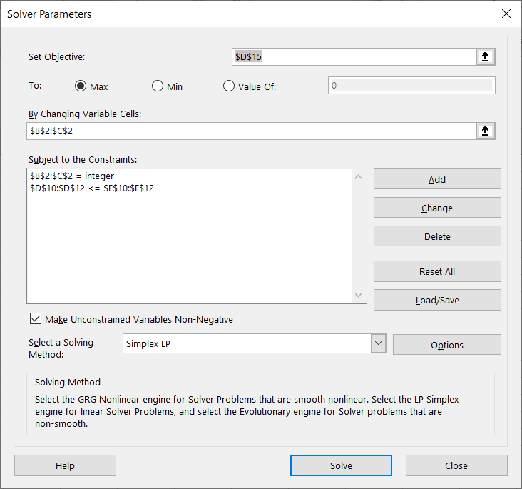
 | Product A | Product B | Grand totals |  | Budgets
Units produced | 22 | 11
Revenue per unit | 35 | 20 | 55
Total revenue | 770 | 220 | 990

Cost of labor per unit | 2 | 4
Cost of parts per unit | 4 | 1
Cost of shipping per unit | 0.5 | 1.25

Total labor costs | 44 | 44 | 88 | <= | 100
Total parts costs | 88 | 11 | 99 | <= | 100
Total shipping costs | 11 | 13.75 | 24.75 | <= | 25

Total costs | 143 | 68.75 | 211.75
Total profit | 627 | 151.25 | 778.25

