QC Passed Pulses
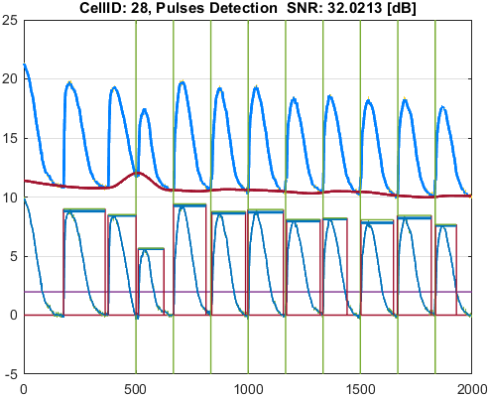
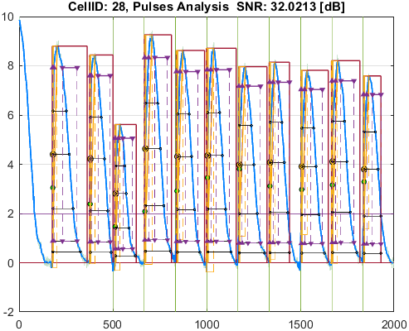
File_Name
calcium_example.csv

Parameter | Value
pulseDetection_signalType | SignalType.Calcium
stimuliPeriod_ms | 1670
stimuliNumber | 9
stimulationStart_ms | 5000
stimulusPulseDuration_ms | 7.5
pulseDetection_thresholdPercentage | 20
pulseDetection_numberOfSecondsAtStartToIgnore | 0
pulseDetection_removeFalsePulses_PeakThresholdPercentage | 25
pulseDetection_removeFalsePulses_DurationThresholdPercentage | 25
pulseDetection_denoise_waveletName | "bior"
pulseDetection_denoise_waveletNumber | 6.8
pulseDetection_denoise_waveletThresholdRule | "Hard"
pulseAnalysis_apDurations | [30 50 75 90 95]
pulseAnalysis_apdIsEndPointApproximatedSymbol | "*"
pulseAnalysis_pulseStartOnStimulusDetectionDelta_ms | 30
pulseAnalysis_pulseStartOnStimulusDetectionSymbol | "^"
pulseAnalysis_pulseStartPointType | PulseStartPointType.ActivationPoint
visualize_showVisualizedCells | false
visualize_saveVisualizedCellsToFiles | true
qc_isQC_Required | true
qc_SNR_Threshold | 10
qc_writeFiguresToQCReportFile | true
qc_checkForSNR | true
qc_checkForNoPulsesDetected | true
qc_checkForPulsesMissingStimuli | false
qc_checkForPulsesSpanMoreThanOneStimulus | false

Well_Date | Well_Description
12/12/24 | Table of function data for [Raw Ci on CYm API F(t)]

Cell_ID | Cell_SNR | Cell_QCStatus | Cell_QCStatus_String
4 | 32.501553693 | 1 | QC_OK
5 | 30.746012396 | 1 | QC_OK
10 | 35.35377237 | 1 | QC_OK
11 | 31.206170424 | 1 | QC_OK
12 | 22.166696462 | 1 | QC_OK
13 | 37.113544212 | 1 | QC_OK
14 | 24.23750408 | 1 | QC_OK
15 | 37.051201284 | 1 | QC_OK
16 | 36.94061411 | 1 | QC_OK
17 | 38.170311067 | 1 | QC_OK
20 | 37.711091308 | 1 | QC_OK
21 | 34.610683088 | 1 | QC_OK
24 | 30.765421667 | 1 | QC_OK
28 | 32.021253568 | 1 | QC_OK

Cell_ID | Pulse_ID | Pulse_Start_ms | PulseStartOnStimulus | Pulse_End_ms | Pulse_Duration_ms | Pulse_Start_On_Stim | APD_30_ms | APD_50_ms | APD_75_ms | APD_90_ms | APD_95_ms | APD_30_EndPointApproximated | APD_50_EndPointApproximated | APD_75_EndPointApproximated | APD_90_EndPointApproximated | APD_95_EndPointApproximated | APD_30_90 | Pulse_ActivationPointTime_ms | Pulse_UpstrokeStartTime_ms | Pulse_UpstrokeEndTime_ms | Pulse_UpstrokeRiseTime_ms | Pulse_UpstrokeValue | Pulse_MaxValue | Pulse_UpstrokeVelocity | Pulse_MaxUpstrokeVelocityTime_ms | Pulse_MaxUpstrokeVelocityValue | Pulse_RiseTime_10_90_ms | RiseStartApproximated | RiseEndApproximated | Pulse_FallTime_90_10_ms | FallStartApproximated | FallEndApproximated
4 | 1 | 1711.71 |  | 3103.1 | 1391.39 | -1 | 658.76409683 | 784.13708857 | 931.51952855 | 1106.9777984 | 1256.6652032 |  |  |  |  |  | 0.59510145353 | 1760.1320597 | 1711.71 | 2022.02 | 310.31 | 8.7673528921 | 8.7673528921 | 0.028095127479 | 1761.76 | 2.0340979085 | 133.89240964 |  |  | 604.87256937
4 | 2 | 3683.68 |  | 4944.94 | 1261.26 | -1 | 625.4981716 | 734.87338585 | 866.61487257 | 989.53199359 | 1064.8628524 |  |  |  |  |  | 0.63211515712 | 3759.1326206 | 3713.71 | 4004 | 290.29 | 8.3609796456 | 8.3609796456 | 0.02893060764 | 3753.75 | 2.0815629194 | 127.45954604 |  |  | 568.01263553
4 | 3 | 5015.01 |  | 6266.26 | 1251.25 | -1 | 555.88854079 | 633.72958206 | 756.20062473 | 877.9340255 | 1029.3776573 |  |  |  |  |  | 0.63317803462 | 5047.2809211 | 5015.01 | 5215.21 | 200.2 | 7.1227197216 | 7.1227197216 | 0.036614876775 | 5045.04 | 1.8422784668 | 110.7550128 |  |  | 450.0562381
4 | 4 | 6656.65 | true | 8018.01 | 1361.36 | 2 | 621.83480159 | 737.96860616 | 875.73816306 | 1035.3431695 | 1241.0244548 |  |  |  |  |  | 0.60060743136 | 6690.9414539 | 6656.65 | 7007 | 350.35 | 7.8286585862 | 7.8286585862 | 0.022996377352 | 6686.68 | 2.3834105396 | 125.41946391 |  |  | 599.03158181
4 | 5 | 8338.33 |  | 9699.69 | 1361.36 | -1 | 592.47893679 | 707.71734977 | 851.67163792 | 1024.9112851 | 1133.98922 |  |  |  |  |  | 0.57807826432 | 8373.4466653 | 8338.33 | 8688.68 | 350.35 | 7.7492248296 | 7.7492248296 | 0.022842244895 | 8368.36 | 2.395993309 | 129.42809329 |  |  | 567.74326981
4 | 6 | 9979.97 | true | 11451.44 | 1471.47 | 4 | 613.77790313 | 705.06692577 | 852.54034893 | 1002.4257768 | 1163.7246046 |  |  |  |  |  | 0.61229261788 | 10022.674731 | 9979.97 | 10390.38 | 410.41 | 7.4824975173 | 7.4824975173 | 0.018454590344 | 10020.01 | 2.0246372003 | 117.67542375 |  |  | 568.86092528
4 | 7 | 11621.61 | true | 12772.76 | 1151.15 | 5 | 574.44913182 | 687.1508718 | 840.87606061 | 1038.2471899 | 1065.7583041 |  |  |  |  | true | 0.55328744193 | 11707.001696 | 11621.61 | 11931.92 | 310.31 | 7.5325883391 | 7.5325883391 | 0.024611726251 | 11711.7 | 1.8969476168 | 117.84986863 |  |  | 633.112309
4 | 8 | 13323.31 | true | 14524.51 | 1201.2 | 6 | 579.45609781 | 701.65317748 | 854.1898663 | 1025.2432559 | 1150.1310122 |  |  |  |  |  | 0.56518889002 | 13354.942137 | 13323.31 | 13553.54 | 230.23 | 7.2283599659 | 7.2283599659 | 0.031510715176 | 13353.34 | 2.3355606317 | 95.466248261 |  |  | 593.40619029
4 | 9 | 15004.99 | true | 16176.16 | 1171.17 | 7 | 573.26531361 | 677.61326689 | 810.01669424 | 960.5144974 | 1072.2452789 |  |  |  |  |  | 0.59683150558 | 15042.041683 | 15004.99 | 15295.28 | 290.29 | 7.3038013171 | 7.3038013171 | 0.025328587302 | 15045.03 | 1.3666436941 | 117.47345673 |  |  | 548.68270151
4 | 10 | 16656.64 | true | 17817.8 | 1161.16 | 8 | 603.28391777 | 707.03339897 | 839.1603288 | 1003.1164731 | 1110.8639498 |  |  |  |  |  | 0.60140964083 | 16689.37541 | 16656.64 | 16916.9 | 260.26 | 6.9040000107 | 6.9442534419 | 0.026879796729 | 16686.67 | 1.8821443181 | 103.09434513 |  |  | 585.64294838
4 | 11 | 18328.31 | true | 19219.2 | 890.89 | 9 | 562.90069789 | 674.66594815 | 817.60140147 | 845.66630992 | 845.66630992 |  |  |  | true | true | 0.66562980136 | 18373.53369 | 18328.31 | 18638.62 | 310.31 | 7.1360443933 | 7.1360443933 | 0.022996781041 | 18368.35 | 1.8151822018 | 124.69488277 |  |  | 438.97209716 |  | true

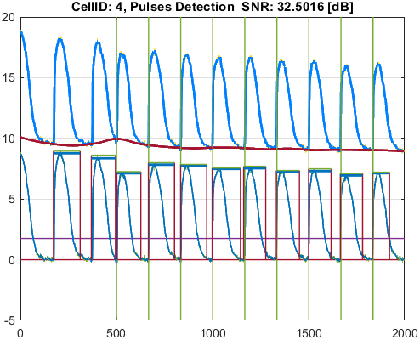
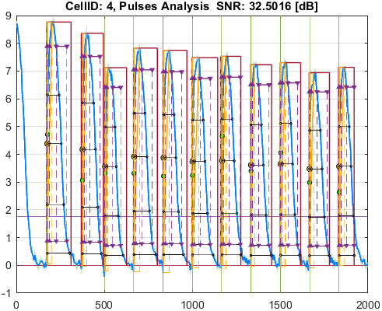

Cell_ID | Pulse_ID | Pulse_Start_ms | PulseStartOnStimulus | Pulse_End_ms | Pulse_Duration_ms | Pulse_Start_On_Stim | APD_30_ms | APD_50_ms | APD_75_ms | APD_90_ms | APD_95_ms | APD_30_EndPointApproximated | APD_50_EndPointApproximated | APD_75_EndPointApproximated | APD_90_EndPointApproximated | APD_95_EndPointApproximated | APD_30_90 | Pulse_ActivationPointTime_ms | Pulse_UpstrokeStartTime_ms | Pulse_UpstrokeEndTime_ms | Pulse_UpstrokeRiseTime_ms | Pulse_UpstrokeValue | Pulse_MaxValue | Pulse_UpstrokeVelocity | Pulse_MaxUpstrokeVelocityTime_ms | Pulse_MaxUpstrokeVelocityValue | Pulse_RiseTime_10_90_ms | RiseStartApproximated | RiseEndApproximated | Pulse_FallTime_90_10_ms | FallStartApproximated | FallEndApproximated
5 | 1 | 1731.73 |  | 3133.13 | 1401.4 | -1 | 630.27519328 | 767.16260858 | 892.29978651 | 1058.0028919 | 1193.0604491 |  |  |  |  |  | 0.59572161672 | 1760.0913533 | 1731.73 | 2002 | 270.27 | 9.6627965305 | 9.6627965305 | 0.035915032289 | 1761.76 | 2.5041503842 | 113.87789379 |  |  | 616.25269434
5 | 2 | 3703.7 |  | 4964.96 | 1261.26 | -1 | 599.99649842 | 732.92032833 | 859.9140932 | 1001.1121541 | 1092.5691355 |  |  |  |  |  | 0.59932995114 | 3756.7568322 | 3703.7 | 3963.96 | 260.26 | 9.2489170369 | 9.3566771058 | 0.035908539039 | 3763.76 | 2.5420256532 | 108.65074352 |  |  | 584.90406622
5 | 3 | 4994.99 |  | 6286.28 | 1291.29 | -1 | 546.86632464 | 627.69296908 | 748.66398924 | 885.98957403 | 971.94109707 |  |  |  |  |  | 0.61723787803 | 5038.7183683 | 4994.99 | 5325.32 | 330.33 | 7.6337489765 | 7.6337489765 | 0.023301061538 | 5035.03 | 1.6038458065 | 85.487251904 |  |  | 484.96222795
5 | 4 | 6656.65 | true | 7547.54 | 890.89 | 2 | 585.16262807 | 719.54795556 | 839.26904395 | 852.86727314 | 852.86727314 |  |  |  | true | true | 0.68611218474 | 6694.6727269 | 6656.65 | 6926.92 | 270.27 | 8.4941783339 | 8.4941783339 | 0.031152962962 | 6696.69 | 3.0044623504 | 124.49148388 |  |  | 422.17408236 |  | true
5 | 5 | 8318.31 | true | 9399.39 | 1081.08 | 3 | 595.63877527 | 702.47190202 | 820.87216982 | 963.61264832 | 1036.4143161 |  |  |  |  | true | 0.61813092253 | 8362.9756839 | 8318.31 | 8608.6 | 290.29 | 8.112157898 | 8.112157898 | 0.028434562659 | 8368.36 | 2.2133226747 | 75.673769664 |  |  | 517.3905746
5 | 6 | 9979.97 | true | 10940.93 | 960.96 | 4 | 567.44772477 | 672.03939011 | 820.30803781 | 910.15161729 | 910.15161729 |  |  |  | true | true | 0.6234650513 | 10030.778383 | 9979.97 | 10260.25 | 280.28 | 8.124499467 | 8.124499467 | 0.030019929483 | 10030.02 | 1.884478195 | 107.20482783 |  |  | 509.47435842 |  | true
5 | 7 | 11661.65 | true | 12922.91 | 1261.26 | 5 | 574.20611657 | 684.19756949 | 817.78372211 | 963.08004271 | 1137.0829548 |  |  |  |  |  | 0.59621847729 | 11697.855388 | 11661.65 | 11931.92 | 270.27 | 7.9593216532 | 7.9593216532 | 0.029436596209 | 11691.68 | 2.3812263187 | 86.865999356 |  |  | 582.59361236
5 | 8 | 13323.31 | true | 14494.48 | 1171.17 | 6 | 560.55220233 | 670.60500052 | 795.87947069 | 969.34538575 | 1082.6625671 |  |  |  |  |  | 0.57827912586 | 13363.75828 | 13323.31 | 13513.5 | 190.19 | 7.9274617127 | 8.0324720917 | 0.041413809547 | 13363.35 | 1.8201870965 | 120.44194455 |  |  | 580.81928964
5 | 9 | 15004.99 | true | 16256.24 | 1251.25 | 7 | 544.22435596 | 681.92364488 | 793.80445129 | 940.58371689 | 1025.6678399 |  |  |  |  |  | 0.5786027827 | 15030.15208 | 15004.99 | 15075.06 | 70.07 | 6.8620161047 | 7.5224490103 | 0.096594269157 | 15035.02 | 2.1222542162 | 90.252325327 |  |  | 537.76299671
5 | 10 | 16666.65 | true | 17877.86 | 1211.21 | 8 | 541.14820385 | 671.7424792 | 803.72616273 | 963.25239017 | 1084.8718211 |  |  |  |  |  | 0.56179274442 | 16696.280757 | 16666.65 | 16976.96 | 310.31 | 7.6392731714 | 7.6392731714 | 0.024279902063 | 16696.68 | 2.4917296922 | 94.244684895 |  |  | 570.30493549
5 | 11 | 18328.31 | true | 19609.59 | 1281.28 | 9 | 545.77156057 | 667.55552187 | 798.54621785 | 973.0999535 | 1142.1596348 |  |  |  |  |  | 0.56085868529 | 18364.732687 | 18328.31 | 18648.63 | 320.32 | 7.2680484972 | 7.2680484972 | 0.022987734594 | 18358.34 | 1.6156894433 | 95.981498351 |  |  | 576.16693861

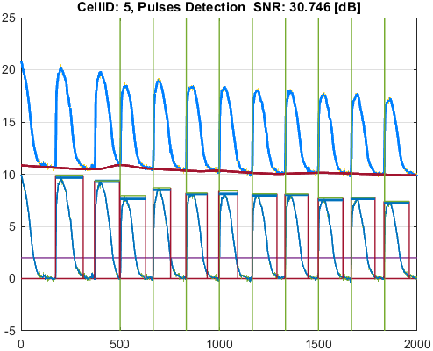
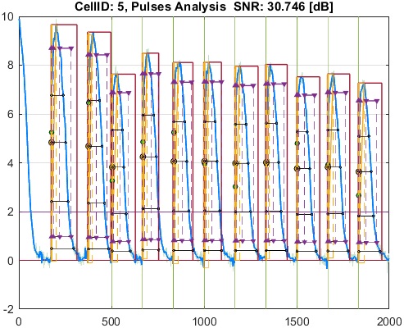

Cell_ID | Pulse_ID | Pulse_Start_ms | PulseStartOnStimulus | Pulse_End_ms | Pulse_Duration_ms | Pulse_Start_On_Stim | APD_30_ms | APD_50_ms | APD_75_ms | APD_90_ms | APD_95_ms | APD_30_EndPointApproximated | APD_50_EndPointApproximated | APD_75_EndPointApproximated | APD_90_EndPointApproximated | APD_95_EndPointApproximated | APD_30_90 | Pulse_ActivationPointTime_ms | Pulse_UpstrokeStartTime_ms | Pulse_UpstrokeEndTime_ms | Pulse_UpstrokeRiseTime_ms | Pulse_UpstrokeValue | Pulse_MaxValue | Pulse_UpstrokeVelocity | Pulse_MaxUpstrokeVelocityTime_ms | Pulse_MaxUpstrokeVelocityValue | Pulse_RiseTime_10_90_ms | RiseStartApproximated | RiseEndApproximated | Pulse_FallTime_90_10_ms | FallStartApproximated | FallEndApproximated
10 | 1 | 1681.68 |  | 3043.04 | 1361.36 | -1 | 735.34283085 | 831.97805917 | 993.66311686 | 1206.4328609 | 1279.4911546 |  |  |  |  | true | 0.60951823735 | 1763.5488454 | 1681.68 | 2102.1 | 420.42 | 7.7909414581 | 7.7909414581 | 0.01876508131 | 1761.76 | 1.5086777962 | 182.43670962 |  |  | 640.86415999
10 | 2 | 3713.71 |  | 4984.98 | 1271.27 | -1 | 680.8183502 | 783.90201333 | 902.92120878 | 1012.0201463 | 1068.8072193 |  |  |  |  |  | 0.67273201301 | 3760.3291015 | 3713.71 | 4064.06 | 350.35 | 7.373238278 | 7.373238278 | 0.020669830233 | 3753.75 | 1.4118037039 | 163.75237641 |  |  | 525.93787904
10 | 3 | 5015.01 |  | 6146.14 | 1131.13 | -1 | 588.05155239 | 656.63223955 | 796.50596969 | 948.28046288 | 1051.743878 |  |  |  |  |  | 0.62012408291 | 5063.5450659 | 5015.01 | 5365.36 | 350.35 | 6.2138246091 | 6.2138246091 | 0.018942840211 | 5055.05 | 1.6036692087 | 165.3176419 |  |  | 485.370619
10 | 4 | 6606.6 | true | 7807.8 | 1201.2 | 2 | 678.37326031 | 783.05386944 | 937.71557597 | 1106.6669299 | 1116.0048668 |  |  |  |  | true | 0.61298774002 | 6691.7951332 | 6636.63 | 6996.99 | 360.36 | 6.924621697 | 6.924621697 | 0.019540029625 | 6686.68 | 1.3272942091 | 166.47511312 |  |  | 609.55572566
10 | 5 | 8358.35 |  | 9779.77 | 1421.42 | -1 | 630.54815233 | 739.4150643 | 884.81685714 | 1052.9212421 | 1243.2653383 |  |  |  |  |  | 0.59885595154 | 8388.3181589 | 8358.35 | 8688.68 | 330.33 | 6.9462757111 | 6.9462757111 | 0.020990055819 | 8378.37 | 1.5719521371 | 185.64929256 |  |  | 579.69865981
10 | 6 | 9979.97 | true | 11331.32 | 1351.35 | 4 | 642.717497 | 763.32611575 | 895.64057097 | 1069.5555648 | 1230.6737535 |  |  |  |  |  | 0.60092015613 | 10022.567118 | 9979.97 | 10330.32 | 350.35 | 6.8507855754 | 6.8507855754 | 0.019898078527 | 10010 | 1.784776244 | 153.0245824 |  |  | 593.47713256
10 | 7 | 11681.67 |  | 12932.92 | 1251.25 | -1 | 626.27336387 | 724.81445321 | 880.02951716 | 1090.3501251 | 1168.8297059 |  |  |  |  |  | 0.57437821985 | 11717.934661 | 11681.67 | 11951.94 | 270.27 | 6.7694340281 | 6.7694340281 | 0.025082875749 | 11711.7 | 1.8182641169 | 173.41791229 |  |  | 588.12467198
10 | 8 | 13323.31 | true | 14274.26 | 950.95 | 6 | 643.65623559 | 747.23697321 | 880.46457775 | 918.40506594 | 918.40506594 |  |  |  | true | true | 0.70084133838 | 13355.854934 | 13323.31 | 13613.6 | 290.29 | 6.5297421551 | 6.5297421551 | 0.021887854548 | 13343.33 | 1.583412773 | 141.99636071 |  |  | 491.56164084 |  | true
10 | 9 | 15004.99 |  | 16096.08 | 1091.09 | -1 | 616.35245242 | 708.16282984 | 857.45875849 | 1015.8105045 | 1044.1570661 |  |  |  |  | true | 0.60675928204 | 15051.922934 | 15004.99 | 15315.3 | 310.31 | 6.5876905986 | 6.5876905986 | 0.021009512266 | 15045.03 | 1.290697423 | 171.47485818 |  |  | 565.35737268
10 | 10 | 16646.63 | true | 18068.05 | 1421.42 | 8 | 643.27443449 | 739.16793059 | 870.65382463 | 1032.6486242 | 1123.2892898 |  |  |  |  |  | 0.6229364175 | 16691.830893 | 16646.63 | 17006.99 | 360.36 | 6.1798409258 | 6.1798409258 | 0.01747506239 | 16676.66 | 1.5847845065 | 172.61743957 |  |  | 594.49119186
10 | 11 | 18358.34 | true | 19699.68 | 1341.34 | 9 | 621.03310637 | 718.40750121 | 862.90810524 | 1063.6071973 | 1182.5554238 |  |  |  |  |  | 0.58389329063 | 18386.442102 | 18358.34 | 18698.68 | 340.34 | 6.1697368192 | 6.1697368192 | 0.018506718973 | 18378.36 | 1.4290414463 | 163.3652888 |  |  | 604.88563763

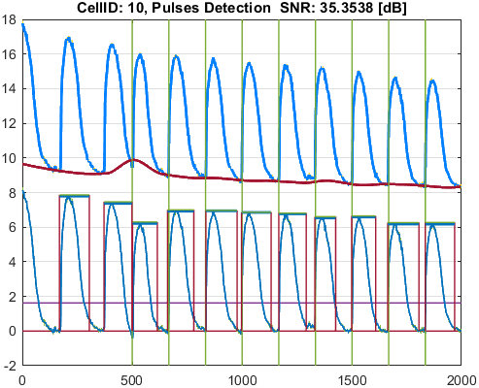
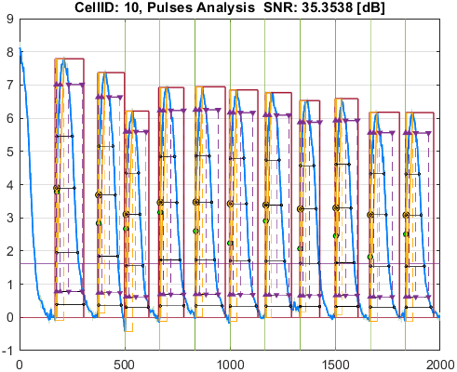

Cell_ID | Pulse_ID | Pulse_Start_ms | PulseStartOnStimulus | Pulse_End_ms | Pulse_Duration_ms | Pulse_Start_On_Stim | APD_30_ms | APD_50_ms | APD_75_ms | APD_90_ms | APD_95_ms | APD_30_EndPointApproximated | APD_50_EndPointApproximated | APD_75_EndPointApproximated | APD_90_EndPointApproximated | APD_95_EndPointApproximated | APD_30_90 | Pulse_ActivationPointTime_ms | Pulse_UpstrokeStartTime_ms | Pulse_UpstrokeEndTime_ms | Pulse_UpstrokeRiseTime_ms | Pulse_UpstrokeValue | Pulse_MaxValue | Pulse_UpstrokeVelocity | Pulse_MaxUpstrokeVelocityTime_ms | Pulse_MaxUpstrokeVelocityValue | Pulse_RiseTime_10_90_ms | RiseStartApproximated | RiseEndApproximated | Pulse_FallTime_90_10_ms | FallStartApproximated | FallEndApproximated
11 | 1 | 1731.73 |  | 2882.88 | 1151.15 | -1 | 730.18234145 | 813.31245873 | 949.96835851 | 1113.2601365 | 1113.2601365 |  |  |  | true | true | 0.65589552481 | 1769.6198635 | 1731.73 | 1981.98 | 250.25 | 8.2706646856 | 8.7297091116 | 0.032130008747 | 1761.76 | 1.6398370212 | 248.33939381 |  |  | 552.57030392 |  | true
11 | 2 | 3713.71 |  | 4944.94 | 1231.23 | -1 | 693.10056082 | 790.38223829 | 893.946774 | 994.20491341 | 1080.2020657 |  |  |  |  |  | 0.69714055068 | 3761.1057596 | 3713.71 | 4004 | 290.29 | 8.1955692504 | 8.1955692504 | 0.027783872704 | 3753.75 | 1.8324991969 | 188.05335246 |  |  | 448.62368209
11 | 3 | 4984.98 | true | 6086.08 | 1101.1 | 1 | 618.76334035 | 698.05841603 | 814.2026483 | 918.78133376 | 985.89218581 |  |  |  |  |  | 0.67346093963 | 5020.8031378 | 4984.98 | 5365.36 | 380.38 | 6.5071737768 | 6.5071737768 | 0.018678660102 | 5005 | 2.0548406053 | 116.29754559 |  |  | 400.21488291
11 | 4 | 6676.67 |  | 7877.87 | 1201.2 | -1 | 673.86422687 | 760.63597625 | 903.82914043 | 1099.5548705 | 1169.3358387 |  |  |  |  | true | 0.61285184118 | 6708.5341613 | 6676.67 | 6936.93 | 260.26 | 7.8625085588 | 7.8625085588 | 0.030169134746 | 6696.69 | 2.29435338 | 168.8802932 |  |  | 550.34357881
11 | 5 | 8318.31 | true | 9409.4 | 1091.09 | 3 | 659.26182958 | 749.39109033 | 872.38635864 | 1032.3457878 | 1052.2463891 |  |  |  |  | true | 0.63860562747 | 8357.1536109 | 8318.31 | 8688.68 | 370.37 | 7.7818495068 | 7.8562469262 | 0.021437477 | 8338.33 | 1.868900752 | 226.33815135 |  |  | 535.58527914
11 | 6 | 9999.99 | true | 11161.15 | 1161.16 | 4 | 637.38151713 | 731.16003399 | 853.16235347 | 1000.7492944 | 1064.1536965 |  |  |  |  |  | 0.63690428829 | 10038.281598 | 9999.99 | 10230.22 | 230.23 | 7.3472792013 | 7.7457397693 | 0.032446565286 | 10030.02 | 1.911265997 | 195.65932932 |  |  | 525.78775456
11 | 7 | 11641.63 | true | 12892.88 | 1251.25 | 5 | 634.35805058 | 726.6599515 | 861.46078551 | 1046.201074 | 1134.9565095 |  |  |  |  |  | 0.60634429305 | 11689.302795 | 11641.63 | 12012 | 370.37 | 7.3558689911 | 7.3558689911 | 0.020208185289 | 11671.66 | 1.7947638287 | 206.21021128 |  |  | 579.89184248
11 | 8 | 13313.3 | true | 14554.54 | 1241.24 | 6 | 637.91707992 | 732.6367703 | 854.44002855 | 1030.4025433 | 1093.7423954 |  |  |  |  |  | 0.61909501684 | 13371.260515 | 13313.3 | 13673.66 | 360.36 | 7.2715127271 | 7.2715127271 | 0.020599286415 | 13373.36 | 1.5940825459 | 173.44590402 |  |  | 542.30728495
11 | 9 | 14984.97 | true | 16186.17 | 1201.2 | 7 | 648.43050664 | 732.04909321 | 859.92475084 | 1006.0226409 | 1103.7172136 |  |  |  |  |  | 0.64454862176 | 15018.187099 | 14984.97 | 15215.2 | 230.23 | 6.7422086787 | 6.8003927788 | 0.02942890957 | 15015 | 1.513899923 | 124.48823838 |  |  | 511.46066394
11 | 10 | 16676.66 | true | 17817.8 | 1141.14 | 8 | 635.89121781 | 703.61159062 | 824.29253089 | 996.30674277 | 1054.4047212 |  |  |  |  |  | 0.63824843345 | 16712.801205 | 16676.66 | 16936.92 | 260.26 | 6.7797196543 | 6.9802143077 | 0.027534982515 | 16696.68 | 1.3595482875 | 204.31519738 |  |  | 517.42405147
11 | 11 | 18328.31 | true | 19549.53 | 1221.22 | 9 | 620.87427656 | 722.27484655 | 870.27586796 | 1017.4763834 | 1147.8286289 |  |  |  |  |  | 0.61021001242 | 18355.325799 | 18328.31 | 18668.65 | 340.34 | 6.6541797717 | 6.8159840237 | 0.019334054944 | 18338.32 | 1.7818691375 | 210.48874161 |  |  | 554.51677983


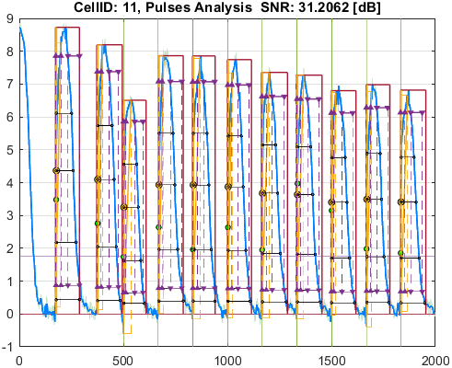

Cell_ID | Pulse_ID | Pulse_Start_ms | PulseStartOnStimulus | Pulse_End_ms | Pulse_Duration_ms | Pulse_Start_On_Stim | APD_30_ms | APD_50_ms | APD_75_ms | APD_90_ms | APD_95_ms | APD_30_EndPointApproximated | APD_50_EndPointApproximated | APD_75_EndPointApproximated | APD_90_EndPointApproximated | APD_95_EndPointApproximated | APD_30_90 | Pulse_ActivationPointTime_ms | Pulse_UpstrokeStartTime_ms | Pulse_UpstrokeEndTime_ms | Pulse_UpstrokeRiseTime_ms | Pulse_UpstrokeValue | Pulse_MaxValue | Pulse_UpstrokeVelocity | Pulse_MaxUpstrokeVelocityTime_ms | Pulse_MaxUpstrokeVelocityValue | Pulse_RiseTime_10_90_ms | RiseStartApproximated | RiseEndApproximated | Pulse_FallTime_90_10_ms | FallStartApproximated | FallEndApproximated
12 | 1 | 1711.71 |  | 3233.23 | 1521.52 | -1 | 788.63527014 | 916.21946773 | 1164.2219199 | 1403.8400508 | 1403.8400508 |  |  |  | true | true | 0.56177003191 | 1829.3899492 | 1711.71 | 2192.19 | 480.48 | 7.5619947858 | 7.5619947858 | 0.016404231101 | 1751.75 | 0.51498728249 | 363.57460288 |  |  | 740.29716021 |  | true
12 | 2 | 3713.71 |  | 5035.03 | 1321.32 | -1 | 716.13650169 | 816.71929783 | 932.16315237 | 1018.712966 | 1056.198657 |  |  |  |  |  | 0.70298163034 | 3818.8006623 | 3713.71 | 4224.22 | 510.51 | 6.4753613566 | 6.4753613566 | 0.012555293092 | 3753.75 | 0.48479946174 | 244.0586704 |  |  | 488.18963665
12 | 3 | 5075.07 |  | 6486.48 | 1411.41 | -1 | 610.83429265 | 695.82377869 | 852.0916141 | 1109.872684 | 1180.3376632 |  |  |  |  |  | 0.55036429083 | 5141.4367024 | 5075.07 | 5575.57 | 500.5 | 5.3619891858 | 5.3619891858 | 0.0081933020168 | 5075.07 | 0.64166557244 | 291.81896112 | true |  | 617.64141998
12 | 4 | 6626.62 |  | 8158.15 | 1531.53 | -1 | 763.47203725 | 888.12143453 | 1103.5916886 | 1324.0197285 | 1391.8268263 |  |  |  |  | true | 0.57663191932 | 6766.3231737 | 6626.62 | 7147.14 | 520.52 | 6.2950451493 | 6.2950451493 | 0.012780813986 | 6716.71 | 0.34473627812 | 274.94796625 |  |  | 735.680325
12 | 5 | 8358.35 |  | 9929.92 | 1571.57 | -1 | 680.45125076 | 801.79056613 | 1002.1023202 | 1193.745414 | 1268.6049554 |  |  |  |  |  | 0.57001370877 | 8456.2810725 | 8358.35 | 8778.77 | 420.42 | 6.7240224771 | 6.7240224771 | 0.016067337235 | 8398.39 | 0.66667850487 | 263.72221308 |  |  | 663.43717498
12 | 6 | 10040.03 |  | 11451.44 | 1411.41 | -1 | 687.09667316 | 793.81754895 | 977.05166058 | 1161.8312026 | 1255.254955 |  |  |  |  |  | 0.59139113463 | 10093.235961 | 10040.03 | 10390.38 | 350.35 | 5.9533854799 | 5.9533854799 | 0.013068378585 | 10060.05 | 0.31421400515 | 261.94685767 | true |  | 611.81849709
12 | 7 | 11651.64 |  | 13133.12 | 1481.48 | -1 | 699.00376577 | 811.2489602 | 1019.6951397 | 1286.0205341 | 1351.8642022 |  |  |  |  | true | 0.54354012803 | 11781.255798 | 11651.64 | 12172.16 | 520.52 | 6.0131437531 | 6.0131437531 | 0.01174244427 | 11741.73 | 0.36168365533 | 253.99108133 |  |  | 720.36104289
12 | 8 | 13283.27 |  | 14934.92 | 1651.65 | -1 | 737.39432948 | 817.15232624 | 1049.7883126 | 1304.3364397 | 1421.8371511 |  |  |  |  |  | 0.56534058776 | 13408.292105 | 13283.27 | 13793.78 | 510.51 | 6.1147856349 | 6.1147856349 | 0.012082529633 | 13363.35 | 0.32042809183 | 263.88130449 |  |  | 731.02969355
12 | 9 | 15055.04 |  | 16126.11 | 1071.07 | -1 | 676.14214242 | 784.66030128 | 935.72979726 | 1015.7160787 | 1015.7160787 |  |  |  | true | true | 0.66568025909 | 15110.393921 | 15055.04 | 15505.49 | 450.45 | 5.499264147 | 5.499264147 | 0.0089868973996 | 15075.06 | 0.23733244549 | 231.36564655 | true |  | 459.60634292 |  | true
12 | 10 | 16636.62 |  | 18178.16 | 1541.54 | -1 | 712.99384142 | 852.06439933 | 1066.568536 | 1357.8954428 | 1412.8765217 |  |  |  |  | true | 0.525072711 | 16765.283478 | 16636.62 | 16996.98 | 360.36 | 5.6830049893 | 5.6830049893 | 0.016446861224 | 16686.67 | 0.50863521916 | 253.50572718 |  |  | 753.50725191
12 | 11 | 18328.31 |  | 19959.94 | 1631.63 | -1 | 676.19767826 | 785.37045145 | 984.48606266 | 1164.1574467 | 1330.3244595 |  |  |  |  |  | 0.58084727301 | 18446.179158 | 18328.31 | 18818.8 | 490.49 | 5.4171166575 | 5.4171166575 | 0.011376503861 | 18398.38 | 0.31986331149 | 251.64045461 |  |  | 604.97822787

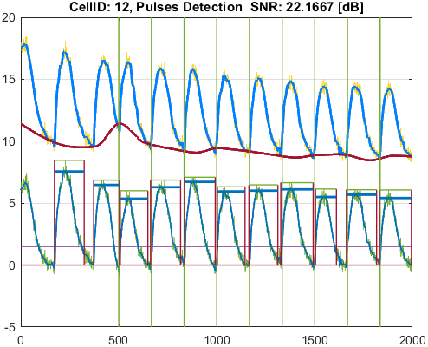
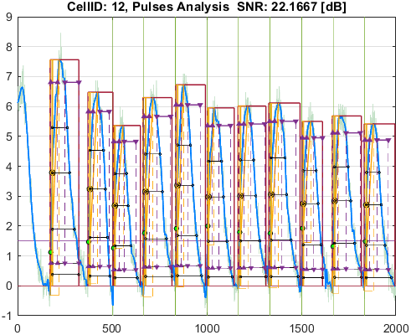

Cell_ID | Pulse_ID | Pulse_Start_ms | PulseStartOnStimulus | Pulse_End_ms | Pulse_Duration_ms | Pulse_Start_On_Stim | APD_30_ms | APD_50_ms | APD_75_ms | APD_90_ms | APD_95_ms | APD_30_EndPointApproximated | APD_50_EndPointApproximated | APD_75_EndPointApproximated | APD_90_EndPointApproximated | APD_95_EndPointApproximated | APD_30_90 | Pulse_ActivationPointTime_ms | Pulse_UpstrokeStartTime_ms | Pulse_UpstrokeEndTime_ms | Pulse_UpstrokeRiseTime_ms | Pulse_UpstrokeValue | Pulse_MaxValue | Pulse_UpstrokeVelocity | Pulse_MaxUpstrokeVelocityTime_ms | Pulse_MaxUpstrokeVelocityValue | Pulse_RiseTime_10_90_ms | RiseStartApproximated | RiseEndApproximated | Pulse_FallTime_90_10_ms | FallStartApproximated | FallEndApproximated
13 | 1 | 1761.76 |  | 3563.56 | 1801.8 | -1 | 831.91333583 | 1002.2588292 | 1205.7358182 | 1469.5375186 | 1596.9502966 |  |  |  |  |  | 0.56610554363 | 1808.5368328 | 1761.76 | 2202.2 | 440.44 | 7.8361861919 | 7.8361861919 | 0.017734640192 | 1791.79 | 1.0571619381 | 179.32640685 |  |  | 857.52860642
13 | 2 | 3753.75 |  | 4994.99 | 1241.24 | -1 | 684.64195753 | 844.26917893 | 969.27369275 | 1062.8730929 | 1090.1508182 |  |  |  |  |  | 0.64414271293 | 3802.9041112 | 3753.75 | 4064.06 | 310.31 | 6.9607710239 | 6.9607710239 | 0.022555263168 | 3783.78 | 1.2389251114 | 120.80082986 |  |  | 603.03551598
13 | 3 | 5085.08 |  | 5905.9 | 820.82 | -1 | 539.39170914 | 648.62151781 | 754.53902993 | 754.53902993 | 754.53902993 |  |  | true | true | true | 0.71486256873 | 5151.3609701 | 5085.08 | 5365.36 | 280.28 | 4.5279746303 | 4.7164542431 | 0.017230835629 | 5145.14 | 0.66619099688 | 228.06529569 |  |  | 310.35391158 |  | true
13 | 4 | 6686.68 |  | 7987.98 | 1301.3 | -1 | 783.34564156 | 927.39743135 | 1121.494892 | 1262.2547492 | 1262.2547492 |  |  |  | true | true | 0.62059235036 | 6725.7252508 | 6686.68 | 7067.06 | 380.38 | 7.9833075321 | 7.9833075321 | 0.021089199863 | 6706.7 | 2.0050234193 | 211.18575665 |  |  | 661.79267804 |  | true
13 | 5 | 8318.31 |  | 9739.73 | 1421.42 | -1 | 723.57676809 | 849.74306661 | 1013.219936 | 1201.2446676 | 1295.2983478 |  |  |  |  |  | 0.60235586273 | 8422.966434 | 8388.38 | 8698.69 | 310.31 | 7.4579934338 | 7.4579934338 | 0.017890571717 | 8418.41 | 1.1018023498 | 257.49824511 |  |  | 658.62426819
13 | 6 | 10020.01 |  | 11331.32 | 1311.31 | -1 | 758.14908428 | 864.80334901 | 1032.7093589 | 1223.6103542 | 1272.3347101 |  |  |  |  | true | 0.61960008892 | 10058.98529 | 10020.01 | 10400.39 | 380.38 | 7.5266790951 | 7.5266790951 | 0.020330577072 | 10050.04 | 1.5436311284 | 214.77330352 |  |  | 654.08895682
13 | 7 | 11631.62 |  | 12942.93 | 1311.31 | -1 | 743.97603821 | 856.29483287 | 1021.2514178 | 1192.145285 | 1192.145285 |  |  |  | true | true | 0.62406490852 | 11750.784715 | 11631.62 | 12172.16 | 540.54 | 7.1623950356 | 7.1623950356 | 0.013851634333 | 11681.67 | 0.81085699994 | 245.77223533 |  |  | 626.09477627 |  | true
13 | 8 | 13343.33 |  | 14454.44 | 1111.11 | -1 | 718.67867611 | 846.75549041 | 1032.2384477 | 1064.4517199 | 1064.4517199 |  |  |  | true | true | 0.67516324383 | 13389.98828 | 13343.33 | 13693.68 | 350.35 | 7.5143357329 | 7.5143357329 | 0.021260654755 | 13383.37 | 1.5209019228 | 223.42616852 |  |  | 574.31165714 |  | true
13 | 9 | 14984.97 |  | 16376.36 | 1391.39 | -1 | 723.08822544 | 849.19525421 | 1016.0554735 | 1183.8125367 | 1280.1880882 |  |  |  |  |  | 0.61081311699 | 15077.254707 | 14984.97 | 15255.24 | 270.27 | 6.3407820162 | 6.7315150634 | 0.024140085352 | 15025.01 | 1.0509313402 | 219.95399156 |  |  | 606.30936181
13 | 10 | 16686.67 |  | 18138.12 | 1451.45 | -1 | 728.37256284 | 856.03724527 | 1011.7794067 | 1212.5046242 | 1329.4256546 |  |  |  |  |  | 0.60071734846 | 16726.874766 | 16686.67 | 17037.02 | 350.35 | 6.9504151117 | 6.9504151117 | 0.019994058467 | 16716.7 | 1.3295772003 | 224.09433904 |  |  | 666.136812
13 | 11 | 18328.31 |  | 19889.87 | 1561.56 | -1 | 698.47384953 | 836.75092229 | 1005.8718428 | 1197.074623 | 1287.7700351 |  |  |  |  |  | 0.58348396675 | 18410.867783 | 18328.31 | 18778.76 | 450.45 | 6.4652127548 | 6.4652127548 | 0.014320199438 | 18348.33 | 0.7605720464 | 240.48792159 |  |  | 680.84342811

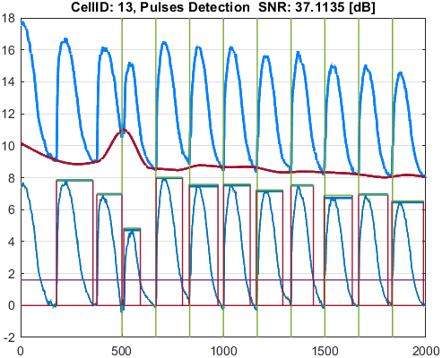
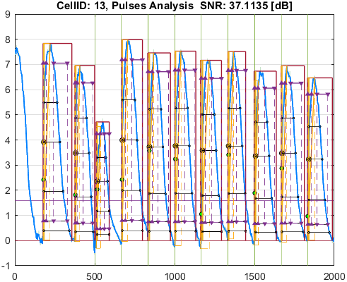

Cell_ID | Pulse_ID | Pulse_Start_ms | PulseStartOnStimulus | Pulse_End_ms | Pulse_Duration_ms | Pulse_Start_On_Stim | APD_30_ms | APD_50_ms | APD_75_ms | APD_90_ms | APD_95_ms | APD_30_EndPointApproximated | APD_50_EndPointApproximated | APD_75_EndPointApproximated | APD_90_EndPointApproximated | APD_95_EndPointApproximated | APD_30_90 | Pulse_ActivationPointTime_ms | Pulse_UpstrokeStartTime_ms | Pulse_UpstrokeEndTime_ms | Pulse_UpstrokeRiseTime_ms | Pulse_UpstrokeValue | Pulse_MaxValue | Pulse_UpstrokeVelocity | Pulse_MaxUpstrokeVelocityTime_ms | Pulse_MaxUpstrokeVelocityValue | Pulse_RiseTime_10_90_ms | RiseStartApproximated | RiseEndApproximated | Pulse_FallTime_90_10_ms | FallStartApproximated | FallEndApproximated
14 | 1 | 1731.73 |  | 3293.29 | 1561.56 | -1 | 656.36293281 | 778.43905531 | 950.35948967 | 1149.0525033 | 1345.132727 |  |  |  |  |  | 0.57122101116 | 1794.9247862 | 1731.73 | 1971.97 | 240.24 | 7.4335675087 | 7.8549964287 | 0.030888788157 | 1761.76 | 1.2659584081 | 197.66122179 |  |  | 691.07738413
14 | 2 | 3733.73 |  | 4934.93 | 1201.2 | -1 | 605.00786083 | 717.91794189 | 844.94319306 | 968.80120549 | 1024.5575262 |  |  |  |  |  | 0.62449123453 | 3789.5999755 | 3733.73 | 4124.12 | 390.39 | 7.4894823456 | 7.4894823456 | 0.018507556379 | 3763.76 | 1.2029491111 | 208.51504827 |  |  | 544.9630229
14 | 3 | 5025.02 |  | 6346.34 | 1321.32 | -1 | 588.77552546 | 645.47126645 | 781.88787777 | 938.64264264 | 1152.9735843 |  |  |  |  |  | 0.62726270756 | 5048.1560086 | 5025.02 | 5365.36 | 340.34 | 5.5208921283 | 5.5208921283 | 0.012134791279 | 5035.03 | 0.60640794313 | 133.95299313 | true |  | 461.18963491
14 | 4 | 6606.6 |  | 8168.16 | 1561.56 | -1 | 613.9723145 | 724.98745042 | 861.66496288 | 1143.299306 | 1254.947223 |  |  |  |  |  | 0.53701800684 | 6742.4426847 | 6606.6 | 7057.05 | 450.45 | 6.8738208004 | 6.8738208004 | 0.015735905629 | 6716.71 | 0.67445711597 | 196.18414701 |  |  | 695.41827098
14 | 5 | 8318.31 |  | 9559.55 | 1241.24 | -1 | 604.72564285 | 711.45015229 | 860.80497874 | 1042.1854972 | 1167.2847673 |  |  |  |  |  | 0.58024760895 | 8376.3322502 | 8318.31 | 8718.71 | 400.4 | 6.5245975546 | 6.5245975546 | 0.016763881543 | 8358.35 | 0.80932078751 | 174.21118919 |  |  | 654.19274407
14 | 6 | 9979.97 |  | 11291.28 | 1311.31 | -1 | 578.72480915 | 682.13279471 | 823.49589774 | 977.10126006 | 1095.8821893 |  |  |  |  |  | 0.59228744533 | 10070.71693 | 9979.97 | 10360.35 | 380.38 | 6.6838873226 | 6.6838873226 | 0.017956984637 | 10040.03 | 0.64460827592 | 197.7308331 |  |  | 577.89509848
14 | 7 | 11641.63 |  | 12812.8 | 1171.17 | -1 | 613.05951594 | 708.20711135 | 866.51639505 | 1043.3171753 | 1101.4472765 |  |  |  |  | true | 0.58760608035 | 11711.352724 | 11641.63 | 12001.99 | 360.36 | 6.1520667359 | 6.1520667359 | 0.017618802279 | 11701.69 | 0.62996288912 | 186.95463395 |  |  | 567.89202541
14 | 8 | 13323.31 |  | 14584.57 | 1261.26 | -1 | 593.70221228 | 688.23526296 | 821.22821646 | 1080.9725342 | 1148.4185956 |  |  |  |  |  | 0.54922969225 | 13403.313434 | 13323.31 | 13723.71 | 400.4 | 6.4516991758 | 6.4516991758 | 0.016182900006 | 13363.35 | 0.64479393953 | 191.6264837 |  |  | 653.72920358
14 | 9 | 14974.96 | true | 16256.24 | 1281.28 | 7 | 584.72843079 | 685.55602321 | 842.63859488 | 1052.4595943 | 1140.8494496 |  |  |  |  |  | 0.55558278338 | 15037.021597 | 14974.96 | 15215.2 | 240.24 | 5.8068375535 | 6.0090629415 | 0.025110941484 | 15035.02 | 0.87250714881 | 175.59713929 |  |  | 639.09191784
14 | 10 | 16646.63 |  | 17807.79 | 1161.16 | -1 | 565.72860887 | 680.15437023 | 839.61757674 | 1013.1235006 | 1068.4688956 |  |  |  |  | true | 0.55840044037 | 16739.321104 | 16646.63 | 17037.02 | 390.39 | 6.3635630261 | 6.3635630261 | 0.016875782031 | 16696.68 | 0.47874694053 | 248.44329592 |  |  | 616.35663641
14 | 11 | 18268.25 | true | 19949.93 | 1681.68 | 9 | 555.31745652 | 703.6869938 | 853.9069282 | 1062.1861562 | 1243.2004088 |  |  |  |  |  | 0.52280615152 | 18372.635822 | 18308.29 | 18648.63 | 340.34 | 5.304926645 | 5.304926645 | 0.015297751986 | 18368.35 | 0.66521904182 | 124.41130873 |  |  | 607.97148603

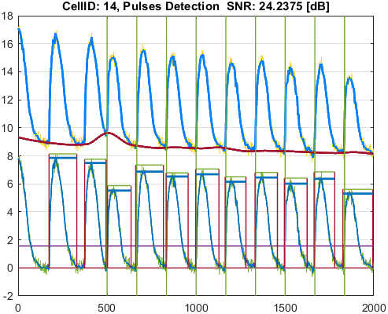
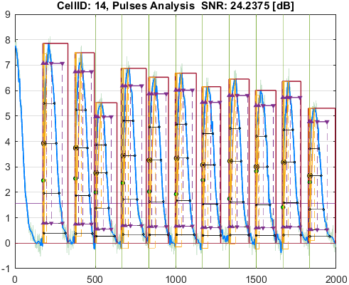

Cell_ID | Pulse_ID | Pulse_Start_ms | PulseStartOnStimulus | Pulse_End_ms | Pulse_Duration_ms | Pulse_Start_On_Stim | APD_30_ms | APD_50_ms | APD_75_ms | APD_90_ms | APD_95_ms | APD_30_EndPointApproximated | APD_50_EndPointApproximated | APD_75_EndPointApproximated | APD_90_EndPointApproximated | APD_95_EndPointApproximated | APD_30_90 | Pulse_ActivationPointTime_ms | Pulse_UpstrokeStartTime_ms | Pulse_UpstrokeEndTime_ms | Pulse_UpstrokeRiseTime_ms | Pulse_UpstrokeValue | Pulse_MaxValue | Pulse_UpstrokeVelocity | Pulse_MaxUpstrokeVelocityTime_ms | Pulse_MaxUpstrokeVelocityValue | Pulse_RiseTime_10_90_ms | RiseStartApproximated | RiseEndApproximated | Pulse_FallTime_90_10_ms | FallStartApproximated | FallEndApproximated
15 | 1 | 1731.73 |  | 3563.56 | 1831.83 | -1 | 776.12318654 | 900.07125448 | 1135.0593262 | 1436.9041107 | 1592.9763818 |  |  |  |  |  | 0.5401356853 | 1788.8525935 | 1731.73 | 2272.27 | 540.54 | 11.86905286 | 11.86905286 | 0.022088277775 | 1761.76 | 1.9157518889 | 276.94409042 |  |  | 812.34608697
15 | 2 | 3713.71 |  | 4924.92 | 1211.21 | -1 | 711.5470662 | 800.87448098 | 921.76983352 | 1020.9540215 | 1069.0077124 |  |  |  |  |  | 0.69694330126 | 3775.036365 | 3713.71 | 4104.1 | 390.39 | 10.429981088 | 10.429981088 | 0.026892968726 | 3753.75 | 2.3033124408 | 211.51299241 |  |  | 459.2734687
15 | 3 | 4984.98 |  | 6126.12 | 1141.14 | -1 | 645.54887252 | 759.64397371 | 915.96894823 | 1076.4377411 | 1076.4377411 |  |  |  | true | true | 0.59970850881 | 5049.6822589 | 4984.98 | 5505.5 | 520.52 | 7.5215180989 | 7.5215180989 | 0.016319913768 | 5015.01 | 1.4867503732 | 221.62770315 |  |  | 520.51472911 |  | true
15 | 4 | 6666.66 |  | 8218.21 | 1551.55 | -1 | 704.0141267 | 804.39365912 | 1021.3927085 | 1265.436227 | 1415.6815473 |  |  |  |  |  | 0.55634105591 | 6734.8539472 | 6666.66 | 7097.09 | 430.43 | 10.380770408 | 10.380770408 | 0.024481473044 | 6696.69 | 2.4808847489 | 240.20577262 |  |  | 705.41422248
15 | 5 | 8318.31 | true | 9739.73 | 1421.42 | 3 | 710.54203001 | 812.70518842 | 999.39304857 | 1227.4189423 | 1352.4597791 |  |  |  |  |  | 0.57889120458 | 8366.616167 | 8318.31 | 8768.76 | 450.45 | 9.4106059808 | 9.4106059808 | 0.021182887329 | 8348.34 | 1.5815710186 | 211.60208102 |  |  | 665.97287672
15 | 6 | 9999.99 |  | 11591.58 | 1591.59 | -1 | 669.76867112 | 786.84950552 | 963.58005304 | 1182.0191011 | 1311.7310965 |  |  |  |  |  | 0.56663100493 | 10058.819324 | 9999.99 | 10410.4 | 410.41 | 9.9566225517 | 9.9566225517 | 0.024832644172 | 10030.02 | 2.366340441 | 242.60864442 |  |  | 637.99743102
15 | 7 | 11661.65 | true | 12942.93 | 1281.28 | 5 | 705.43522648 | 819.5248442 | 1022.4974143 | 1232.2120183 | 1242.6239795 |  |  |  |  | true | 0.57249500574 | 11700.30602 | 11661.65 | 12022.01 | 360.36 | 9.2608006596 | 9.2608006596 | 0.026092821519 | 11681.67 | 1.6441818817 | 223.27337804 |  |  | 652.37844606
15 | 8 | 13323.31 |  | 14894.88 | 1571.57 | -1 | 683.91658438 | 789.16778885 | 986.03001923 | 1184.3112648 | 1296.7793111 |  |  |  |  |  | 0.57748043502 | 13387.251283 | 13323.31 | 13693.68 | 370.37 | 9.6346968564 | 9.6346968564 | 0.026056283598 | 13363.35 | 2.2673575306 | 217.21590744 |  |  | 642.69232494
15 | 9 | 14984.97 | true | 16496.48 | 1511.51 | 7 | 686.3693136 | 782.29262385 | 961.8835285 | 1172.808868 | 1300.6511438 |  |  |  |  |  | 0.58523543974 | 15030.301377 | 14984.97 | 15365.35 | 380.38 | 8.7279352011 | 8.7279352011 | 0.023575116014 | 15015 | 1.4723108686 | 216.24537814 |  |  | 618.6848902
15 | 10 | 16666.65 |  | 18028.01 | 1361.36 | -1 | 662.99426325 | 759.60288802 | 961.89942981 | 1194.9630195 | 1294.8189734 |  |  |  |  | true | 0.55482408447 | 16733.191027 | 16666.65 | 17017 | 350.35 | 9.3639414195 | 9.3639414195 | 0.027471245408 | 16696.68 | 2.172294679 | 251.3724171 |  |  | 665.73844367
15 | 11 | 18318.3 | true | 19919.9 | 1601.6 | 9 | 688.57218433 | 793.45815857 | 982.59433583 | 1217.3949672 | 1326.8808156 |  |  |  |  |  | 0.56561116392 | 18363.585019 | 18318.3 | 18768.75 | 450.45 | 8.2678609233 | 8.2678609233 | 0.018534529453 | 18358.34 | 1.2460637572 | 202.80995419 |  |  | 657.97390301

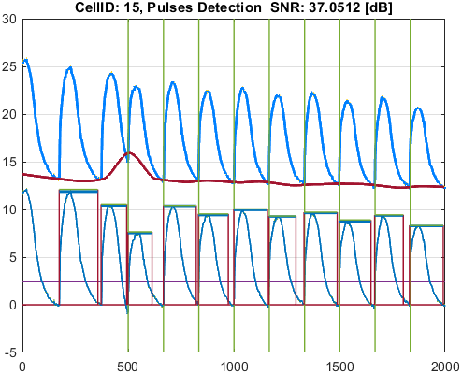
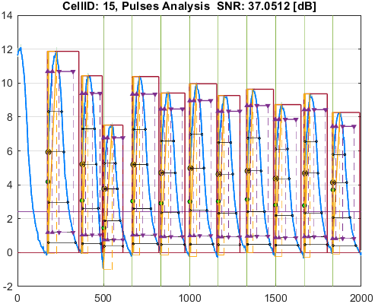

Cell_ID | Pulse_ID | Pulse_Start_ms | PulseStartOnStimulus | Pulse_End_ms | Pulse_Duration_ms | Pulse_Start_On_Stim | APD_30_ms | APD_50_ms | APD_75_ms | APD_90_ms | APD_95_ms | APD_30_EndPointApproximated | APD_50_EndPointApproximated | APD_75_EndPointApproximated | APD_90_EndPointApproximated | APD_95_EndPointApproximated | APD_30_90 | Pulse_ActivationPointTime_ms | Pulse_UpstrokeStartTime_ms | Pulse_UpstrokeEndTime_ms | Pulse_UpstrokeRiseTime_ms | Pulse_UpstrokeValue | Pulse_MaxValue | Pulse_UpstrokeVelocity | Pulse_MaxUpstrokeVelocityTime_ms | Pulse_MaxUpstrokeVelocityValue | Pulse_RiseTime_10_90_ms | RiseStartApproximated | RiseEndApproximated | Pulse_FallTime_90_10_ms | FallStartApproximated | FallEndApproximated
16 | 1 | 1731.73 |  | 3003 | 1271.27 | -1 | 746.46936105 | 828.56282215 | 975.92977209 | 1189.9304251 | 1232.1786567 |  |  |  |  | true | 0.62732185452 | 1770.8213433 | 1731.73 | 2122.12 | 390.39 | 11.380306689 | 11.380306689 | 0.029073409788 | 1761.76 | 2.1310205678 | 216.34088409 |  |  | 617.10979902
16 | 2 | 3713.71 |  | 5015.01 | 1301.3 | -1 | 692.68169642 | 787.91611094 | 899.71648973 | 1003.797821 | 1058.6584531 |  |  |  |  |  | 0.69006096837 | 3763.7527233 | 3713.71 | 4084.08 | 370.37 | 10.802773178 | 10.802773178 | 0.029137290745 | 3753.75 | 2.633411747 | 185.89421219 |  |  | 454.14739001
16 | 3 | 5035.03 |  | 5975.97 | 940.94 | -1 | 589.29427384 | 658.90164203 | 791.05613535 | 913.65927123 | 913.65927123 |  |  |  | true | true | 0.64498253605 | 5062.3107288 | 5035.03 | 5335.33 | 300.3 | 9.0797298436 | 9.0797298436 | 0.028433264338 | 5045.04 | 2.2682184444 | 210.89701492 |  |  | 442.86150675 |  | true
16 | 4 | 6656.65 | true | 7947.94 | 1291.29 | 2 | 702.63738987 | 792.25115751 | 939.93453303 | 1114.8102303 | 1260.1675197 |  |  |  |  | true | 0.63027533363 | 6687.7724803 | 6656.65 | 6976.97 | 320.32 | 9.8162094261 | 9.8162094261 | 0.031086584054 | 6686.68 | 2.3444934719 | 193.24822789 |  |  | 538.73452342
16 | 5 | 8348.34 |  | 9509.5 | 1161.16 | -1 | 659.41526112 | 741.65329299 | 882.61887497 | 1048.28665 | 1125.0115038 |  |  |  |  | true | 0.62904097951 | 8384.4884962 | 8348.34 | 8718.71 | 370.37 | 10.015493825 | 10.015493825 | 0.027026096751 | 8368.36 | 2.6815132082 | 207.23901402 |  |  | 523.1007494
16 | 6 | 9979.97 | true | 11461.45 | 1481.48 | 4 | 662.44205334 | 761.74957227 | 899.5605138 | 1068.7160419 | 1213.1818964 |  |  |  |  |  | 0.61984851667 | 10023.817604 | 9979.97 | 10330.32 | 350.35 | 9.6563003651 | 9.6563003651 | 0.028209099012 | 10010 | 2.1841734983 | 203.57926327 |  |  | 524.37365158
16 | 7 | 11681.67 |  | 12892.88 | 1211.21 | -1 | 642.62525519 | 728.27891916 | 875.05069521 | 1088.4495762 | 1177.955397 |  |  |  |  | true | 0.59040424951 | 11714.924603 | 11681.67 | 12032.02 | 350.35 | 9.9919671775 | 9.9919671775 | 0.028224543059 | 11701.69 | 2.4463522227 | 209.32649942 |  |  | 579.73479618
16 | 8 | 13323.31 | true | 14374.36 | 1051.05 | 6 | 663.17070833 | 750.91161749 | 884.15972241 | 1019.3946064 | 1019.3946064 |  |  |  | true | true | 0.65055347964 | 13354.965394 | 13323.31 | 13643.63 | 320.32 | 9.2385220119 | 9.2385220119 | 0.028945268113 | 13353.34 | 2.0665332279 | 184.58992842 |  |  | 507.39964814 |  | true
16 | 9 | 15004.99 | true | 16176.16 | 1171.17 | 7 | 632.3778646 | 713.96622984 | 854.28632977 | 1006.6827236 | 1115.3711486 |  |  |  |  |  | 0.6281799119 | 15047.564491 | 15004.99 | 15375.36 | 370.37 | 9.4947632638 | 9.4947632638 | 0.02596476539 | 15035.02 | 2.4591150614 | 194.56973182 |  |  | 504.79777559
16 | 10 | 16646.63 | true | 17977.96 | 1331.33 | 8 | 652.01157099 | 744.86279829 | 874.58668256 | 1037.5247524 | 1180.4760631 |  |  |  |  |  | 0.62842989477 | 16689.687403 | 16646.63 | 17006.99 | 360.36 | 9.1110457076 | 9.1110457076 | 0.025800801882 | 16686.67 | 2.2095167361 | 204.76761555 |  |  | 527.16353591
16 | 11 | 18338.32 | true | 19899.88 | 1561.56 | 9 | 639.33637524 | 727.22908463 | 861.76150642 | 1055.7304995 | 1206.3639221 |  |  |  |  |  | 0.60558672461 | 18383.013551 | 18338.32 | 18758.74 | 420.42 | 9.1642002664 | 9.1642002664 | 0.022114025294 | 18368.35 | 2.4482808287 | 191.16865337 |  |  | 547.18490568

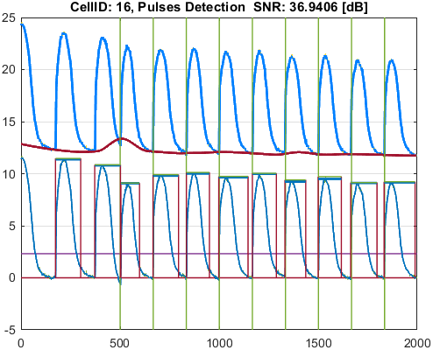
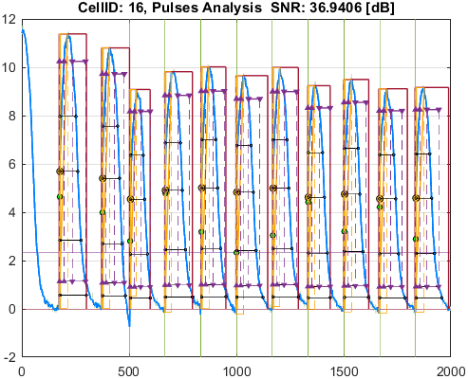

Cell_ID | Pulse_ID | Pulse_Start_ms | PulseStartOnStimulus | Pulse_End_ms | Pulse_Duration_ms | Pulse_Start_On_Stim | APD_30_ms | APD_50_ms | APD_75_ms | APD_90_ms | APD_95_ms | APD_30_EndPointApproximated | APD_50_EndPointApproximated | APD_75_EndPointApproximated | APD_90_EndPointApproximated | APD_95_EndPointApproximated | APD_30_90 | Pulse_ActivationPointTime_ms | Pulse_UpstrokeStartTime_ms | Pulse_UpstrokeEndTime_ms | Pulse_UpstrokeRiseTime_ms | Pulse_UpstrokeValue | Pulse_MaxValue | Pulse_UpstrokeVelocity | Pulse_MaxUpstrokeVelocityTime_ms | Pulse_MaxUpstrokeVelocityValue | Pulse_RiseTime_10_90_ms | RiseStartApproximated | RiseEndApproximated | Pulse_FallTime_90_10_ms | FallStartApproximated | FallEndApproximated
17 | 1 | 1731.73 |  | 3043.04 | 1311.31 | -1 | 662.37569524 | 797.7597635 | 929.4402829 | 1103.7413705 | 1257.3583257 |  |  |  |  |  | 0.60011857209 | 1757.4804899 | 1731.73 | 2002 | 270.27 | 13.406850947 | 13.406850947 | 0.049106417338 | 1761.76 | 3.5237689125 | 123.45072709 |  |  | 643.82998812
17 | 2 | 3713.71 |  | 4964.96 | 1251.25 | -1 | 631.43456336 | 752.60948715 | 871.75263435 | 1009.3271854 | 1081.713931 |  |  |  |  |  | 0.62559948103 | 3753.4021831 | 3713.71 | 4044.04 | 330.33 | 12.92197547 | 12.92197547 | 0.03897011773 | 3753.75 | 4.0613455089 | 144.01432818 |  |  | 563.65416496
17 | 3 | 4994.99 |  | 6146.14 | 1151.15 | -1 | 564.82364687 | 640.51011635 | 776.10352576 | 905.60747208 | 1048.4696458 |  |  |  |  |  | 0.62369587738 | 5041.6331091 | 4994.99 | 5215.21 | 220.22 | 10.788893073 | 10.788893073 | 0.050441786965 | 5045.04 | 2.854006268 | 86.474199564 |  |  | 503.33893696
17 | 4 | 6656.65 | true | 8038.03 | 1381.38 | 2 | 640.38264626 | 740.43420498 | 876.6385807 | 1056.678488 | 1202.7207786 |  |  |  |  |  | 0.60603357932 | 6693.2001126 | 6656.65 | 6986.98 | 330.33 | 11.556292487 | 11.556292487 | 0.035099978342 | 6696.69 | 3.3418098448 | 119.95543179 |  |  | 564.52481496
17 | 5 | 8328.32 | true | 9599.59 | 1271.27 | 3 | 593.89369916 | 718.62404006 | 844.44504085 | 994.63169048 | 1157.0791347 |  |  |  |  |  | 0.59709911201 | 8364.5039802 | 8328.32 | 8578.57 | 250.25 | 11.442159159 | 11.442159159 | 0.045724864761 | 8368.36 | 2.8709441365 | 113.17036815 |  |  | 544.12037816
17 | 6 | 9999.99 | true | 10990.98 | 990.99 | 4 | 623.15096697 | 711.72775448 | 847.06635916 | 964.19715202 | 964.19715202 |  |  |  | true | true | 0.64628998921 | 10026.782848 | 9999.99 | 10190.18 | 190.19 | 11.17451969 | 11.17451969 | 0.059027012135 | 10030.02 | 2.961265663 | 107.38327616 |  |  | 495.3608849 |  | true
17 | 7 | 11661.65 | true | 12772.76 | 1111.11 | 5 | 603.43464266 | 703.03127406 | 835.55211923 | 997.16601813 | 1075.6050103 |  |  |  |  | true | 0.60514962572 | 11697.15499 | 11661.65 | 11931.92 | 270.27 | 11.089018794 | 11.089018794 | 0.041129681184 | 11691.68 | 2.939004722 | 105.96620306 |  |  | 583.08185356
17 | 8 | 13323.31 | true | 14604.59 | 1281.28 | 6 | 608.53905654 | 700.15782222 | 834.36152515 | 979.67795095 | 1092.6970951 |  |  |  |  |  | 0.62116234825 | 13360.470378 | 13323.31 | 13653.64 | 330.33 | 10.887877351 | 10.887877351 | 0.033395400695 | 13363.35 | 3.1856777543 | 113.51452149 |  |  | 542.70264906
17 | 9 | 14954.94 | true | 16066.05 | 1111.11 | 7 | 598.91026528 | 691.74890244 | 823.03827407 | 956.08030046 | 1036.262264 |  |  |  |  | true | 0.62642255571 | 15029.787736 | 14954.94 | 15305.29 | 350.35 | 10.553628691 | 10.553628691 | 0.030317576538 | 15035.02 | 2.853052364 | 97.847811866 |  |  | 529.70547109
17 | 10 | 16646.63 | true | 17947.93 | 1301.3 | 8 | 606.59852832 | 701.04801667 | 819.93264647 | 987.20347853 | 1059.2836417 |  |  |  |  |  | 0.61446149807 | 16693.178077 | 16646.63 | 16976.96 | 330.33 | 10.478246874 | 10.478246874 | 0.031707891391 | 16696.68 | 2.5905124933 | 120.67231477 |  |  | 552.22099991
17 | 11 | 18338.32 | true | 19549.53 | 1211.21 | 9 | 587.15911138 | 687.84083442 | 818.58355265 | 955.98611838 | 1118.9283044 |  |  |  |  |  | 0.61419208929 | 18363.483485 | 18338.32 | 18598.58 | 260.26 | 10.151818514 | 10.151818514 | 0.039011126274 | 18358.34 | 2.6480475677 | 103.09396237 |  |  | 519.24698645

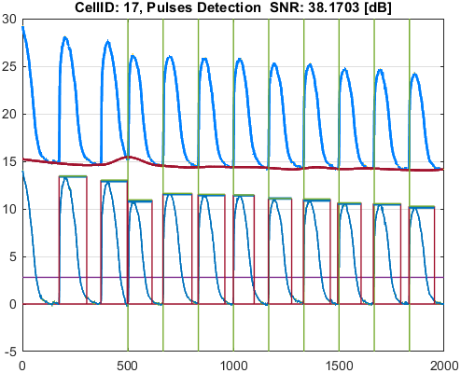
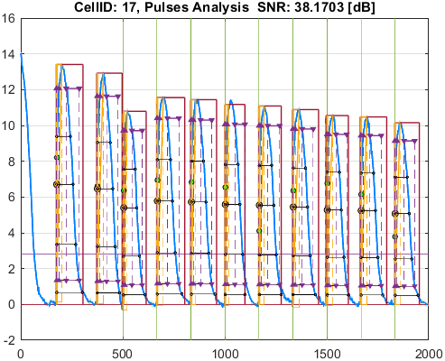

Cell_ID | Pulse_ID | Pulse_Start_ms | PulseStartOnStimulus | Pulse_End_ms | Pulse_Duration_ms | Pulse_Start_On_Stim | APD_30_ms | APD_50_ms | APD_75_ms | APD_90_ms | APD_95_ms | APD_30_EndPointApproximated | APD_50_EndPointApproximated | APD_75_EndPointApproximated | APD_90_EndPointApproximated | APD_95_EndPointApproximated | APD_30_90 | Pulse_ActivationPointTime_ms | Pulse_UpstrokeStartTime_ms | Pulse_UpstrokeEndTime_ms | Pulse_UpstrokeRiseTime_ms | Pulse_UpstrokeValue | Pulse_MaxValue | Pulse_UpstrokeVelocity | Pulse_MaxUpstrokeVelocityTime_ms | Pulse_MaxUpstrokeVelocityValue | Pulse_RiseTime_10_90_ms | RiseStartApproximated | RiseEndApproximated | Pulse_FallTime_90_10_ms | FallStartApproximated | FallEndApproximated
20 | 1 | 1731.73 |  | 3173.17 | 1441.44 | -1 | 739.16742642 | 826.46855004 | 978.11621374 | 1173.5405405 | 1402.3715131 |  |  |  |  |  | 0.62986100683 | 1759.2143268 | 1731.73 | 1881.88 | 150.15 | 11.296693329 | 11.764313928 | 0.074943791039 | 1761.76 | 2.9760320727 | 94.21606924 |  |  | 625.37943146
20 | 2 | 3713.71 |  | 4944.94 | 1231.23 | -1 | 701.24796448 | 791.024629 | 905.5096215 | 1004.9771738 | 1053.0488191 |  |  |  |  |  | 0.69777501697 | 3753.6487126 | 3713.71 | 4034.03 | 320.32 | 10.984611392 | 10.984611392 | 0.033828498622 | 3753.75 | 3.7038698612 | 91.836796411 |  |  | 465.35087357
20 | 3 | 4994.99 | true | 6256.25 | 1261.26 | 1 | 616.35160755 | 686.00674688 | 825.16460892 | 949.56681469 | 1162.4976265 |  |  |  |  |  | 0.64908713955 | 5014.9977082 | 4994.99 | 5205.2 | 210.21 | 8.5411950375 | 8.5411950375 | 0.042428037448 | 5005 | 2.9190350374 | 59.838609441 |  |  | 443.85792466
20 | 4 | 6676.67 |  | 8128.12 | 1451.45 | -1 | 659.24398845 | 755.8190763 | 909.73008326 | 1110.4368904 | 1254.6633768 |  |  |  |  |  | 0.59367983374 | 6702.6138126 | 6676.67 | 7007 | 330.33 | 10.637594064 | 10.637594064 | 0.03239442794 | 6696.69 | 3.6663651569 | 136.78748268 |  |  | 609.36759046
20 | 5 | 8318.31 | true | 9429.42 | 1111.11 | 3 | 657.31645038 | 759.96047894 | 896.64210198 | 1066.9857707 | 1082.7001788 |  |  |  |  | true | 0.61604987472 | 8346.7198212 | 8318.31 | 8448.44 | 130.13 | 9.9854938708 | 9.9854938708 | 0.07520649727 | 8338.33 | 2.9317024358 | 45.674561284 |  |  | 572.63888768
20 | 6 | 9999.99 | true | 11341.33 | 1341.34 | 4 | 633.97215981 | 729.86412241 | 872.89753016 | 1026.507579 | 1175.0617248 |  |  |  |  |  | 0.61760105117 | 10036.160238 | 9999.99 | 10300.29 | 300.3 | 10.009836224 | 10.009836224 | 0.034581822076 | 10030.02 | 3.5102081794 | 81.371486865 |  |  | 567.87238053
20 | 7 | 11651.64 | true | 12932.92 | 1281.28 | 5 | 649.60529305 | 746.85393964 | 900.42773095 | 1134.9552595 | 1223.1360013 |  |  |  |  |  | 0.57236202712 | 11679.49007 | 11651.64 | 11771.76 | 120.12 | 9.6070912118 | 9.6070912118 | 0.078635787796 | 11671.66 | 2.8985376271 | 47.378556216 |  |  | 727.46743323
20 | 8 | 13343.33 | true | 14804.79 | 1461.46 | 6 | 660.6091888 | 742.76490162 | 877.11558168 | 1043.2780319 | 1215.5010015 |  |  |  |  |  | 0.63320530926 | 13367.940844 | 13343.33 | 13673.66 | 330.33 | 9.5646768968 | 9.5646768968 | 0.028805720383 | 13363.35 | 3.1632577085 | 106.13118425 |  |  | 542.74231402
20 | 9 | 14984.97 | true | 16066.05 | 1081.08 | 7 | 633.37564538 | 722.56119215 | 864.88542118 | 1009.8123208 | 1052.6909217 |  |  |  |  | true | 0.62722115025 | 15013.359078 | 14984.97 | 15095.08 | 110.11 | 9.1888679573 | 9.1888679573 | 0.08581315189 | 15004.99 | 2.6152594016 | 43.171231881 |  |  | 614.25377661
20 | 10 | 16676.66 | true | 18018 | 1341.34 | 8 | 644.4000684 | 730.45883219 | 874.08193347 | 1045.7925919 | 1176.8275807 |  |  |  |  |  | 0.61618343194 | 16702.411736 | 16676.66 | 17017 | 340.34 | 9.7689926745 | 9.7689926745 | 0.028167736472 | 16696.68 | 3.0255039385 | 97.090634026 |  |  | 578.51846777
20 | 11 | 18318.3 | true | 19459.44 | 1141.14 | 9 | 608.20271825 | 716.98302576 | 859.39401561 | 1032.7680347 | 1112.9687499 |  |  |  |  | true | 0.58890544424 | 18346.47125 | 18318.3 | 18458.44 | 140.14 | 8.6458853566 | 8.6458853566 | 0.061756368862 | 18338.32 | 2.7453690932 | 40.717898785 |  |  | 631.0416834

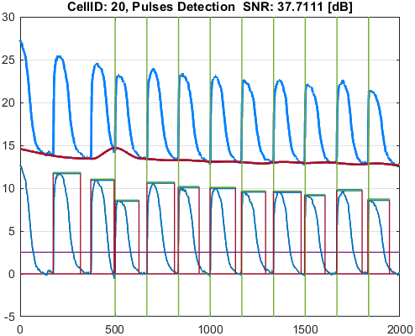
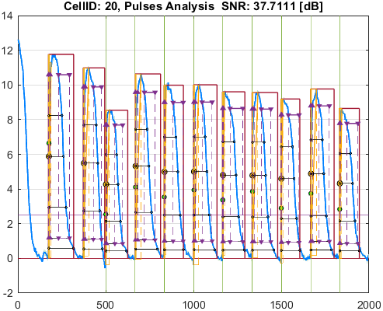

Cell_ID | Pulse_ID | Pulse_Start_ms | PulseStartOnStimulus | Pulse_End_ms | Pulse_Duration_ms | Pulse_Start_On_Stim | APD_30_ms | APD_50_ms | APD_75_ms | APD_90_ms | APD_95_ms | APD_30_EndPointApproximated | APD_50_EndPointApproximated | APD_75_EndPointApproximated | APD_90_EndPointApproximated | APD_95_EndPointApproximated | APD_30_90 | Pulse_ActivationPointTime_ms | Pulse_UpstrokeStartTime_ms | Pulse_UpstrokeEndTime_ms | Pulse_UpstrokeRiseTime_ms | Pulse_UpstrokeValue | Pulse_MaxValue | Pulse_UpstrokeVelocity | Pulse_MaxUpstrokeVelocityTime_ms | Pulse_MaxUpstrokeVelocityValue | Pulse_RiseTime_10_90_ms | RiseStartApproximated | RiseEndApproximated | Pulse_FallTime_90_10_ms | FallStartApproximated | FallEndApproximated
21 | 1 | 1731.73 |  | 2742.74 | 1011.01 | -1 | 663.80217326 | 789.12482216 | 919.29009146 | 984.01335936 | 984.01335936 |  |  |  | true | true | 0.67458654594 | 1758.7266406 | 1731.73 | 2002 | 270.27 | 12.833067303 | 12.833067303 | 0.046606454625 | 1761.76 | 3.2074216106 | 94.490759856 |  |  | 521.7071662 |  | true
21 | 2 | 3713.71 |  | 4884.88 | 1171.17 | -1 | 632.70294995 | 764.69541236 | 870.14719911 | 981.60454458 | 1081.6532465 |  |  |  |  |  | 0.64455992328 | 3752.9935634 | 3713.71 | 4004 | 290.29 | 11.607472791 | 11.607472791 | 0.039973087747 | 3753.75 | 4.0332897357 | 80.205293193 |  |  | 498.93922963
21 | 3 | 4994.99 | true | 6046.04 | 1051.05 | 1 | 587.09226535 | 666.53362586 | 796.3249256 | 907.49941874 | 979.56060983 |  |  |  |  |  | 0.64693404009 | 5012.7632287 | 4994.99 | 5115.11 | 120.12 | 9.6890127872 | 9.6890127872 | 0.083771482963 | 5015.01 | 3.371299703 | 56.134586642 |  |  | 513.17198373
21 | 4 | 6676.67 | true | 8078.07 | 1401.4 | 2 | 619.47794307 | 727.45699062 | 869.90157505 | 1039.4178592 | 1237.356704 |  |  |  |  |  | 0.59598547169 | 6699.5221599 | 6676.67 | 7007 | 330.33 | 11.318236591 | 11.318236591 | 0.034317693555 | 6696.69 | 4.4256938079 | 102.98558537 |  |  | 605.465856
21 | 5 | 8318.31 | true | 9569.56 | 1251.25 | 3 | 588.71394842 | 705.33196875 | 824.37657226 | 970.38118184 | 1095.3793011 |  |  |  |  |  | 0.60668318743 | 8345.2151466 | 8318.31 | 8408.4 | 90.09 | 10.550091485 | 10.550091485 | 0.11934905494 | 8348.34 | 3.3263526102 | 36.737889656 |  |  | 606.75541521
21 | 6 | 9999.99 | true | 11051.04 | 1051.05 | 4 | 599.48519235 | 697.12504776 | 816.75028875 | 967.63649023 | 1015.9723976 |  |  |  |  | true | 0.61953553674 | 10035.067602 | 9999.99 | 10340.33 | 340.34 | 10.505405873 | 10.505405873 | 0.031339044091 | 10030.02 | 3.2498550779 | 101.91428691 |  |  | 531.61950336
21 | 7 | 11661.65 | true | 12902.89 | 1241.24 | 5 | 593.38868744 | 697.63093253 | 836.72757331 | 1004.4289467 | 1148.2168979 |  |  |  |  |  | 0.59077218892 | 11677.945962 | 11661.65 | 11751.74 | 90.09 | 10.041641267 | 10.041641267 | 0.11134563856 | 11681.67 | 3.1241558309 | 37.139412319 |  |  | 647.53291858
21 | 8 | 13343.33 | true | 14454.44 | 1111.11 | 6 | 581.54210812 | 700.05935947 | 814.59006921 | 957.24458672 | 1038.7281502 |  |  |  |  |  | 0.6075167373 | 13365.795101 | 13343.33 | 13553.54 | 210.21 | 10.421401906 | 10.421401906 | 0.048450792846 | 13363.35 | 3.7543681816 | 81.697140452 |  |  | 591.96948813
21 | 9 | 14984.97 | true | 16056.04 | 1071.07 | 7 | 560.59425849 | 687.35079155 | 821.27250693 | 960.4652666 | 1024.0984741 |  |  |  |  |  | 0.5836694756 | 15010.962954 | 14984.97 | 15065.05 | 80.08 | 9.8213333718 | 9.8213333718 | 0.12580649313 | 15015 | 3.2011199132 | 35.262010736 |  |  | 626.0926558
21 | 10 | 16666.65 | true | 17737.72 | 1071.07 | 8 | 607.31069196 | 699.05100593 | 820.02855677 | 986.25376126 | 1037.9818986 |  |  |  |  | true | 0.61577528605 | 16699.738101 | 16666.65 | 16896.88 | 230.23 | 9.7349559515 | 10.023202405 | 0.043450745438 | 16696.68 | 3.5701902031 | 111.2376133 |  |  | 563.84387932
21 | 11 | 18328.31 | true | 19579.56 | 1251.25 | 9 | 553.88781475 | 683.79959572 | 812.17678278 | 955.95275562 | 1141.5526382 |  |  |  |  |  | 0.57940919308 | 18344.818221 | 18328.31 | 18418.4 | 90.09 | 9.4715340044 | 9.4715340044 | 0.10383481306 | 18348.33 | 2.9258272649 | 38.57717288 |  |  | 652.22816861

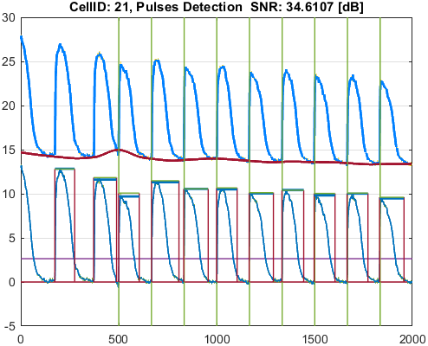
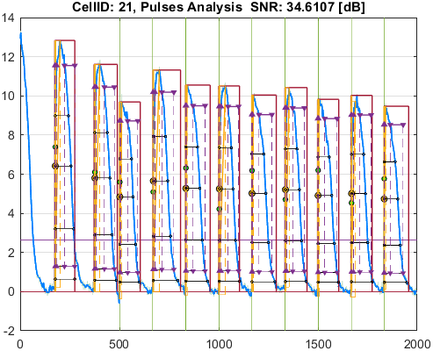

Cell_ID | Pulse_ID | Pulse_Start_ms | PulseStartOnStimulus | Pulse_End_ms | Pulse_Duration_ms | Pulse_Start_On_Stim | APD_30_ms | APD_50_ms | APD_75_ms | APD_90_ms | APD_95_ms | APD_30_EndPointApproximated | APD_50_EndPointApproximated | APD_75_EndPointApproximated | APD_90_EndPointApproximated | APD_95_EndPointApproximated | APD_30_90 | Pulse_ActivationPointTime_ms | Pulse_UpstrokeStartTime_ms | Pulse_UpstrokeEndTime_ms | Pulse_UpstrokeRiseTime_ms | Pulse_UpstrokeValue | Pulse_MaxValue | Pulse_UpstrokeVelocity | Pulse_MaxUpstrokeVelocityTime_ms | Pulse_MaxUpstrokeVelocityValue | Pulse_RiseTime_10_90_ms | RiseStartApproximated | RiseEndApproximated | Pulse_FallTime_90_10_ms | FallStartApproximated | FallEndApproximated
24 | 1 | 1701.7 |  | 3383.38 | 1681.68 | -1 | 776.12914265 | 912.70191416 | 1167.626697 | 1496.9501617 | 1586.724997 |  |  |  |  | true | 0.5184736022 | 1796.655003 | 1701.7 | 2192.19 | 490.49 | 8.0958752318 | 8.0958752318 | 0.016973587092 | 1761.76 | 1.0941066126 | 215.13230846 |  |  | 904.53175004
24 | 2 | 3703.7 |  | 5015.01 | 1311.31 | -1 | 666.86334527 | 786.87753059 | 922.72744244 | 1030.447987 | 1090.7644382 |  |  |  |  |  | 0.64715866658 | 3789.2528184 | 3703.7 | 3963.96 | 260.26 | 7.2615059213 | 7.6993346544 | 0.027963432649 | 3763.76 | 1.0406402414 | 200.66873579 |  |  | 565.20259221
24 | 3 | 5065.06 |  | 6626.62 | 1561.56 | -1 | 624.00573912 | 739.32109869 | 914.49277649 | 1142.0295851 | 1267.3292916 |  |  |  |  |  | 0.5464006776 | 5102.1015186 | 5065.06 | 5425.42 | 360.36 | 5.6854785618 | 5.6854785618 | 0.011939267926 | 5065.06 | 0.83212907393 | 191.98821012 | true |  | 621.43066923
24 | 4 | 6656.65 |  | 8298.29 | 1641.64 | -1 | 736.28253163 | 863.77614869 | 1083.7764845 | 1359.8171601 | 1532.3538742 |  |  |  |  |  | 0.54145700852 | 6725.7796598 | 6656.65 | 7047.04 | 390.39 | 7.080503823 | 7.080503823 | 0.018302794009 | 6686.68 | 0.87029577058 | 208.7472672 |  |  | 812.94755326
24 | 5 | 8358.35 |  | 9899.89 | 1541.54 | -1 | 661.62423745 | 779.64943278 | 975.8173984 | 1212.1146185 | 1311.1077205 |  |  |  |  |  | 0.54584296514 | 8433.7666103 | 8358.35 | 8738.73 | 380.38 | 7.1911218632 | 7.1911218632 | 0.019046538674 | 8388.38 | 0.96230822205 | 208.10423684 |  |  | 729.27149795
24 | 6 | 9989.98 |  | 11611.6 | 1621.62 | -1 | 664.23826128 | 799.41648388 | 979.80428592 | 1229.1684034 | 1359.898933 |  |  |  |  |  | 0.54039646595 | 10058.796738 | 9989.98 | 10350.34 | 360.36 | 6.8808553876 | 6.8808553876 | 0.019547325787 | 10020.01 | 0.92867225913 | 216.22674312 |  |  | 729.25279549
24 | 7 | 11681.67 |  | 12932.92 | 1251.25 | -1 | 675.74013482 | 800.32377996 | 1010.7981716 | 1181.2130204 | 1181.2130204 |  |  |  | true | true | 0.57207304963 | 11751.70698 | 11681.67 | 12022.01 | 340.34 | 6.8268932857 | 6.8268932857 | 0.020578924452 | 11721.71 | 0.75063829428 | 214.09208427 |  |  | 684.18490774 |  | true
24 | 8 | 13313.3 |  | 14754.74 | 1441.44 | -1 | 706.92982575 | 813.35109536 | 1000.7488705 | 1264.2463897 | 1341.401313 |  |  |  |  |  | 0.55917092704 | 13380.502631 | 13313.3 | 13683.67 | 370.37 | 6.4500700286 | 6.4500700286 | 0.017181081305 | 13363.35 | 0.72208055514 | 186.49575778 |  |  | 752.54739149
24 | 9 | 15025.01 |  | 16066.05 | 1041.04 | -1 | 653.99594016 | 765.83017688 | 938.876445 | 975.86351965 | 975.86351965 |  |  |  | true | true | 0.67017152194 | 15090.18648 | 15025.01 | 15375.36 | 350.35 | 6.5305707727 | 6.5305707727 | 0.018649552651 | 15055.04 | 0.90232136241 | 204.59186893 |  |  | 448.81160553 |  | true
24 | 10 | 16646.63 |  | 18268.25 | 1621.62 | -1 | 670.63543336 | 785.36849632 | 1015.1818526 | 1252.5700626 | 1470.2093259 |  |  |  |  |  | 0.53540752201 | 16735.641896 | 16646.63 | 17006.99 | 360.36 | 6.5753314958 | 6.5753314958 | 0.01930492113 | 16686.67 | 0.64156341223 | 264.39349582 |  |  | 772.58181885
24 | 11 | 18358.34 |  | 19379.36 | 1021.02 | -1 | 627.21269351 | 759.9233188 | 954.0129236 | 954.0129236 | 954.0129236 |  |  | true | true | true | 0.65744674731 | 18425.347076 | 18358.34 | 18698.68 | 340.34 | 6.3713327826 | 6.3713327826 | 0.019007265827 | 18388.37 | 0.8132415591 | 203.51688063 |  |  | 484.95279673 |  | true

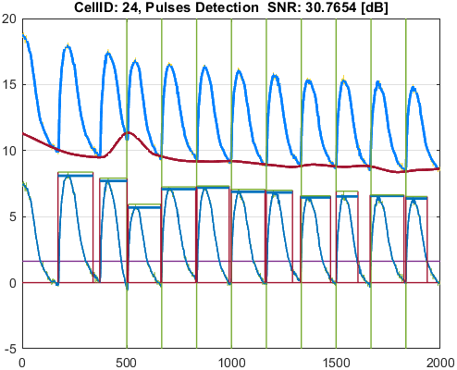
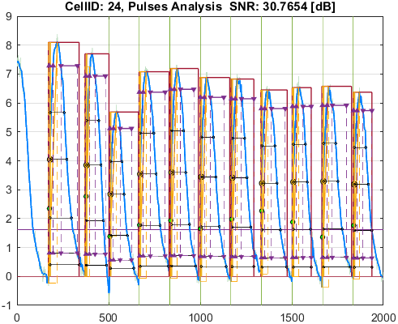

Cell_ID | Pulse_ID | Pulse_Start_ms | PulseStartOnStimulus | Pulse_End_ms | Pulse_Duration_ms | Pulse_Start_On_Stim | APD_30_ms | APD_50_ms | APD_75_ms | APD_90_ms | APD_95_ms | APD_30_EndPointApproximated | APD_50_EndPointApproximated | APD_75_EndPointApproximated | APD_90_EndPointApproximated | APD_95_EndPointApproximated | APD_30_90 | Pulse_ActivationPointTime_ms | Pulse_UpstrokeStartTime_ms | Pulse_UpstrokeEndTime_ms | Pulse_UpstrokeRiseTime_ms | Pulse_UpstrokeValue | Pulse_MaxValue | Pulse_UpstrokeVelocity | Pulse_MaxUpstrokeVelocityTime_ms | Pulse_MaxUpstrokeVelocityValue | Pulse_RiseTime_10_90_ms | RiseStartApproximated | RiseEndApproximated | Pulse_FallTime_90_10_ms | FallStartApproximated | FallEndApproximated
28 | 1 | 1761.76 |  | 3623.62 | 1861.86 | -1 | 712.60638528 | 867.59658811 | 1075.048077 | 1288.7771013 | 1465.6953358 |  |  |  |  |  | 0.55293222124 | 1800.1936649 | 1761.76 | 2022.02 | 260.26 | 8.8022002809 | 8.8022002809 | 0.03454290478 | 1791.79 | 1.6105638503 | 74.788790793 |  |  | 786.52496597
28 | 2 | 3753.75 |  | 5005 | 1251.25 | -1 | 587.94881299 | 750.35779962 | 927.8494973 | 1056.9606732 | 1101.9878477 |  |  |  |  |  | 0.55626366043 | 3797.4822333 | 3753.75 | 4044.04 | 290.29 | 8.4400946308 | 8.4400946308 | 0.029244718496 | 3783.78 | 1.3820455987 | 77.989885496 |  |  | 650.66296753
28 | 3 | 5095.09 |  | 6246.24 | 1151.15 | -1 | 486.98623274 | 564.84153048 | 715.5534987 | 899.68713336 | 1051.2821268 |  |  |  |  |  | 0.54128398049 | 5146.2565427 | 5095.09 | 5375.37 | 280.28 | 5.6170673658 | 5.6170673658 | 0.021177992047 | 5125.12 | 0.88463051866 | 181.24169069 |  |  | 516.49275542
28 | 4 | 6676.67 |  | 8128.12 | 1451.45 | -1 | 662.12003523 | 800.84733755 | 986.54348182 | 1175.1293373 | 1340.8264612 |  |  |  |  |  | 0.56344439223 | 6734.7294069 | 6676.67 | 7087.08 | 410.41 | 9.258310527 | 9.258310527 | 0.022717574801 | 6706.7 | 1.1948275574 | 208.8689532 |  |  | 676.58141003
28 | 5 | 8388.38 |  | 9889.88 | 1501.5 | -1 | 628.76081261 | 749.09461222 | 914.57607327 | 1080.038425 | 1193.8882696 |  |  |  |  |  | 0.58216522493 | 8446.9453586 | 8388.38 | 8728.72 | 340.34 | 8.6243146102 | 8.6243146102 | 0.022616682376 | 8418.41 | 0.93747535539 | 192.96608748 | true |  | 639.71307085
28 | 6 | 9989.98 |  | 11581.57 | 1591.59 | -1 | 631.79446449 | 779.78908507 | 950.08460956 | 1158.675548 | 1244.1732372 |  |  |  |  |  | 0.54527297616 | 10062.820254 | 9989.98 | 10380.37 | 390.39 | 8.710304227 | 8.710304227 | 0.023291773216 | 10050.04 | 1.5712092191 | 196.36415055 |  |  | 702.08720151
28 | 7 | 11721.71 |  | 13223.21 | 1501.5 | -1 | 634.28369482 | 774.11396419 | 949.98962736 | 1123.6456762 | 1343.5611575 |  |  |  |  |  | 0.56448728299 | 11754.621808 | 11721.71 | 12072.06 | 350.35 | 7.9656076841 | 7.9656076841 | 0.019643552018 | 11751.74 | 1.2363908234 | 181.04887854 | true |  | 667.2931694
28 | 8 | 13343.33 |  | 14424.41 | 1081.08 | -1 | 625.59530023 | 757.71373184 | 941.56038078 | 1033.2927654 | 1033.2927654 |  |  |  | true | true | 0.60543857576 | 13391.117235 | 13343.33 | 13633.62 | 290.29 | 8.145900888 | 8.145900888 | 0.027652333767 | 13383.37 | 1.4030397011 | 184.68259366 |  |  | 599.87135265 |  | true
28 | 9 | 15045.03 |  | 16496.48 | 1451.45 | -1 | 636.73784198 | 760.69059305 | 917.13571665 | 1097.2680987 | 1213.623973 |  |  |  |  |  | 0.58029377028 | 15085.106079 | 15045.03 | 15365.35 | 320.32 | 7.8173800804 | 7.8173800804 | 0.020845723917 | 15075.06 | 1.0352536103 | 192.67787334 | true |  | 609.9477024
28 | 10 | 16666.65 |  | 18188.17 | 1521.52 | -1 | 638.8221932 | 761.3319279 | 937.50860189 | 1139.6931275 | 1293.3718187 |  |  |  |  |  | 0.56052122959 | 16727.87637 | 16666.65 | 16996.98 | 330.33 | 8.2081958436 | 8.2081958436 | 0.024996302 | 16716.7 | 1.4096436721 | 190.14756628 |  |  | 695.45370224
28 | 11 | 18378.36 |  | 19309.29 | 930.93 | -1 | 600.93936833 | 742.56724304 | 895.19881863 | 895.19881863 | 895.19881863 |  |  | true | true | true | 0.67129151181 | 18414.091181 | 18378.36 | 18668.65 | 290.29 | 7.5880851593 | 7.5880851593 | 0.021443343174 | 18408.39 | 0.94204081669 | 170.18414544 | true |  | 452.7871994 |  | true

