QC Passed Pulses
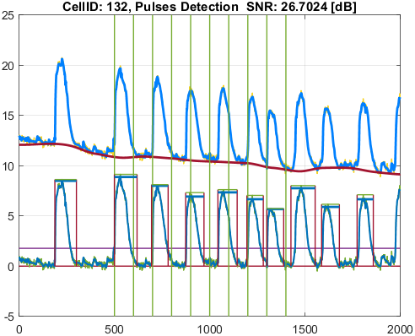
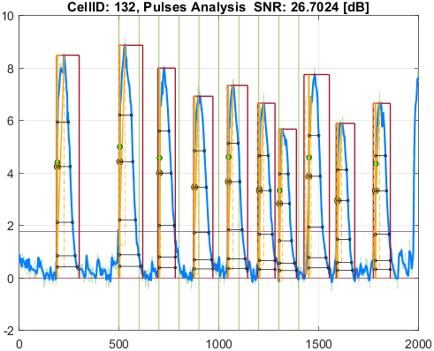
File_Name
cyteseer_3.0.0.1_voltage.csv

Parameter | Value
pulseDetection_signalType | SignalType.Voltage
stimuliPeriod_ms | 1000
stimuliNumber | 10
stimulationStart_ms | 5000
stimulusPulseDuration_ms | 7.5
pulseDetection_thresholdPercentage | 20
pulseDetection_numberOfSecondsAtStartToIgnore | 0
pulseDetection_removeFalsePulses_PeakThresholdPercentage | 25
pulseDetection_removeFalsePulses_DurationThresholdPercentage | 25
pulseDetection_denoise_waveletName | "bior"
pulseDetection_denoise_waveletNumber | 6.8
pulseDetection_denoise_waveletThresholdRule | "Hard"
pulseAnalysis_apDurations | [30 50 75 90 95]
pulseAnalysis_apdIsEndPointApproximatedSymbol | "*"
pulseAnalysis_pulseStartOnStimulusDetectionDelta_ms | 30
pulseAnalysis_pulseStartOnStimulusDetectionSymbol | "^"
pulseAnalysis_pulseStartPointType | PulseStartPointType.ActivationPoint
visualize_showVisualizedCells | false
visualize_saveVisualizedCellsToFiles | true
qc_isQC_Required | true
qc_SNR_Threshold | 10
qc_writeFiguresToQCReportFile | true
qc_checkForSNR | true
qc_checkForNoPulsesDetected | true
qc_checkForPulsesMissingStimuli | false
qc_checkForPulsesSpanMoreThanOneStimulus | false

Well_Date | Well_Description
11/18/24 | Table of function data for [Raw Ci on CYm API F(t)]

Cell_ID | Cell_SNR | Cell_QCStatus | Cell_QCStatus_String
106 | 37.747730773 | 1 | QC_OK
115 | 34.887593276 | 1 | QC_OK
117 | 22.177687565 | 1 | QC_OK
120 | 27.63913048 | 1 | QC_OK
125 | 34.069472741 | 1 | QC_OK
126 | 25.42280494 | 1 | QC_OK
132 | 26.702401402 | 1 | QC_OK

Cell_ID | Pulse_ID | Pulse_Start_ms | PulseStartOnStimulus | Pulse_End_ms | Pulse_Duration_ms | Pulse_Start_On_Stim | APD_30_ms | APD_50_ms | APD_75_ms | APD_90_ms | APD_95_ms | APD_30_EndPointApproximated | APD_50_EndPointApproximated | APD_75_EndPointApproximated | APD_90_EndPointApproximated | APD_95_EndPointApproximated | APD_30_90 | Pulse_ActivationPointTime_ms | Pulse_UpstrokeStartTime_ms | Pulse_UpstrokeEndTime_ms | Pulse_UpstrokeRiseTime_ms | Pulse_UpstrokeValue | Pulse_MaxValue | Pulse_UpstrokeVelocity | Pulse_MaxUpstrokeVelocityTime_ms | Pulse_MaxUpstrokeVelocityValue
106 | 1 | 1821.82 |  | 2882.88 | 1061.06 | -1 | 527.20113099 | 620.59885243 | 715.13389739 | 820.31515853 | 923.85939604 |  |  |  |  |  | 0.64268120064 | 1889.0345686 | 1851.85 | 2142.14 | 290.29 | 25.257879105 | 25.257879105 | 0.074583457145 | 1891.89 | 6.5330386648
106 | 2 | 4984.98 | true | 6086.08 | 1101.1 | 1 | 544.3591516 | 628.2093555 | 719.24015704 | 815.36250542 | 890.17678488 |  |  |  |  |  | 0.66762838367 | 5020.2742281 | 4984.98 | 5215.21 | 230.23 | 24.326988741 | 24.326988741 | 0.096945183331 | 5025.02 | 6.664046885
106 | 3 | 6976.97 | true | 7927.92 | 950.95 | 3 | 504.41365206 | 595.04996964 | 675.69034811 | 767.34506354 | 831.79842961 |  |  |  |  |  | 0.65734918491 | 7017.6587849 | 6976.97 | 7247.24 | 270.27 | 22.040740635 | 22.040740635 | 0.076307121552 | 7017.01 | 5.3273483419
106 | 4 | 8668.66 |  | 9719.71 | 1051.05 | -1 | 478.87880347 | 564.61156973 | 650.89974855 | 738.69011343 | 797.65571096 |  |  |  |  |  | 0.6482810515 | 8767.4800852 | 8668.66 | 9019.01 | 350.35 | 22.185009205 | 22.185009205 | 0.059582161141 | 8768.76 | 5.8006050886
106 | 5 | 10360.35 |  | 11291.28 | 930.93 | -1 | 468.93340497 | 547.95661928 | 628.74612066 | 713.74823775 | 761.89721903 |  |  |  |  |  | 0.65700113874 | 10469.633137 | 10360.35 | 10690.68 | 330.33 | 20.93454121 | 20.93454121 | 0.060038895645 | 10470.46 | 5.4601448184
106 | 6 | 11951.94 | true | 12922.91 | 970.97 | 8 | 433.76061216 | 507.80883851 | 597.51058056 | 683.67801776 | 730.36444763 |  |  |  |  |  | 0.63445159986 | 12017.427539 | 11951.94 | 12212.2 | 260.26 | 21.045481131 | 21.045481131 | 0.074556689953 | 12022.01 | 5.7662901701
106 | 7 | 13002.99 | true | 13823.81 | 820.82 | 9 | 412.22953053 | 470.01663176 | 548.65961534 | 670.7010227 | 706.46744931 |  |  |  |  |  | 0.61462487245 | 13029.532245 | 13002.99 | 13243.23 | 240.24 | 18.717579593 | 18.717579593 | 0.073868055996 | 13033.02 | 6.546936566
106 | 8 | 14434.42 |  | 15315.3 | 880.88 | -1 | 457.65176757 | 523.06829409 | 607.37231183 | 703.10649875 | 777.9728473 |  |  |  |  |  | 0.65089964093 | 14495.660065 | 14434.42 | 14654.64 | 220.22 | 19.719654836 | 19.719654836 | 0.080336044809 | 14504.49 | 4.5164402821
106 | 9 | 15875.86 |  | 16766.75 | 890.89 | -1 | 439.68202455 | 514.89807073 | 601.09192074 | 680.58530729 | 734.16747626 |  |  |  |  |  | 0.6460351404 | 15944.572277 | 15875.86 | 16096.08 | 220.22 | 19.08673006 | 19.08673006 | 0.077179937329 | 15945.93 | 4.5560888521
106 | 10 | 17697.68 |  | 18688.67 | 990.99 | -1 | 428.9356693 | 508.88149135 | 580.3316406 | 658.25976666 | 703.06643307 |  |  |  |  |  | 0.65162066865 | 17844.117718 | 17807.79 | 18038.02 | 230.23 | 19.909151256 | 19.909151256 | 0.074770603825 | 17847.83 | 5.1334845014

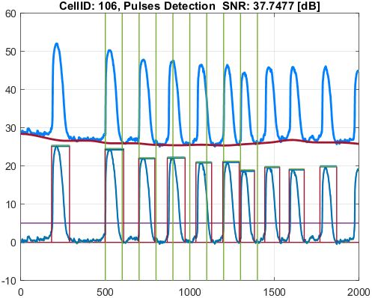
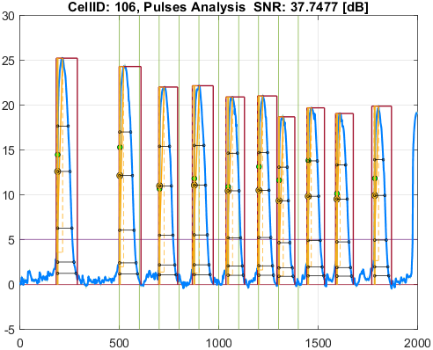

Cell_ID | Pulse_ID | Pulse_Start_ms | PulseStartOnStimulus | Pulse_End_ms | Pulse_Duration_ms | Pulse_Start_On_Stim | APD_30_ms | APD_50_ms | APD_75_ms | APD_90_ms | APD_95_ms | APD_30_EndPointApproximated | APD_50_EndPointApproximated | APD_75_EndPointApproximated | APD_90_EndPointApproximated | APD_95_EndPointApproximated | APD_30_90 | Pulse_ActivationPointTime_ms | Pulse_UpstrokeStartTime_ms | Pulse_UpstrokeEndTime_ms | Pulse_UpstrokeRiseTime_ms | Pulse_UpstrokeValue | Pulse_MaxValue | Pulse_UpstrokeVelocity | Pulse_MaxUpstrokeVelocityTime_ms | Pulse_MaxUpstrokeVelocityValue
115 | 1 | 1761.76 |  | 2842.84 | 1081.08 | -1 | 461.89851301 | 565.03972693 | 702.23326667 | 773.42030971 | 822.15981268 |  |  |  |  |  | 0.59721539144 | 1885.0531394 | 1791.79 | 1961.96 | 170.17 | 18.232086078 | 18.232086078 | 0.093818326503 | 1891.89 | 5.5135248003
115 | 2 | 5005 | true | 5945.94 | 940.94 | 1 | 461.00805753 | 582.6535375 | 672.82737767 | 734.14172416 | 787.21456427 |  |  |  |  |  | 0.62795512413 | 5022.7892125 | 5005 | 5175.17 | 170.17 | 18.039778839 | 18.039778839 | 0.096495591978 | 5025.02 | 6.2410097404
115 | 3 | 6966.96 | true | 7887.88 | 920.92 | 3 | 381.88311371 | 515.04065312 | 629.32724612 | 701.72489788 | 743.69913876 |  |  |  |  |  | 0.54420630487 | 7003.5624932 | 6966.96 | 7037.03 | 70.07 | 17.870229181 | 17.870229181 | 0.22920728022 | 7007 | 6.399896284
115 | 4 | 8738.73 |  | 9509.5 | 770.77 | -1 | 381.27864785 | 530.22629823 | 609.23385922 | 686.86563658 | 719.65316689 |  |  |  |  |  | 0.55509932007 | 8763.5795253 | 8738.73 | 8848.84 | 110.11 | 16.429929944 | 16.429929944 | 0.13401013131 | 8768.76 | 6.253326744
115 | 5 | 10440.43 |  | 11331.32 | 890.89 | -1 | 387.11244867 | 500.1850448 | 610.18510619 | 674.75578334 | 756.60181863 |  |  |  |  |  | 0.57370749273 | 10467.470918 | 10440.43 | 10580.57 | 140.14 | 16.515160825 | 16.515160825 | 0.10135437563 | 10470.46 | 4.2510982657
115 | 6 | 11941.93 | true | 12812.8 | 870.87 | 8 | 383.20160226 | 478.61350953 | 578.65421286 | 643.56087214 | 686.74333556 |  |  |  |  |  | 0.59543955957 | 12012.955515 | 11941.93 | 12072.06 | 130.13 | 15.598341714 | 15.598341714 | 0.10423952823 | 12022.01 | 5.1484902555
115 | 7 | 13002.99 | true | 13803.79 | 800.8 | 9 | 321.12402487 | 415.50563865 | 502.5942876 | 577.38138409 | 642.54831824 |  |  |  |  |  | 0.55617315299 | 13027.605917 | 13002.99 | 13093.08 | 90.09 | 15.21573873 | 15.21573873 | 0.16825746848 | 13033.02 | 7.7675406551
115 | 8 | 14434.42 |  | 15225.21 | 790.79 | -1 | 383.09724701 | 467.06566327 | 560.17422203 | 628.14543065 | 678.22645979 |  |  |  |  |  | 0.60988622748 | 14490.884327 | 14434.42 | 14624.61 | 190.19 | 15.376514455 | 15.376514455 | 0.070171250114 | 14504.49 | 4.1330064744
115 | 9 | 15865.85 |  | 16736.72 | 870.87 | -1 | 374.70408133 | 484.31437728 | 571.42565069 | 656.82835555 | 706.56669721 |  |  |  |  |  | 0.57047488611 | 15938.265238 | 15865.85 | 15995.98 | 130.13 | 14.615163646 | 14.615163646 | 0.098514835714 | 15945.93 | 3.392019752
115 | 10 | 17807.79 |  | 18538.52 | 730.73 | -1 | 342.78528133 | 443.36702356 | 543.92227861 | 617.03154316 | 648.47030696 |  |  |  |  |  | 0.55553931582 | 17841.143163 | 17807.79 | 17907.89 | 100.1 | 15.018639312 | 15.018639312 | 0.12569856888 | 17847.83 | 4.8007696929

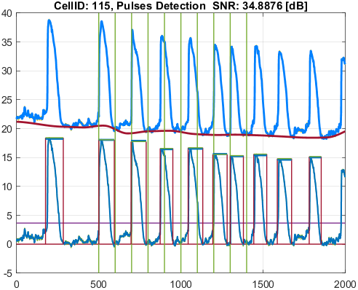
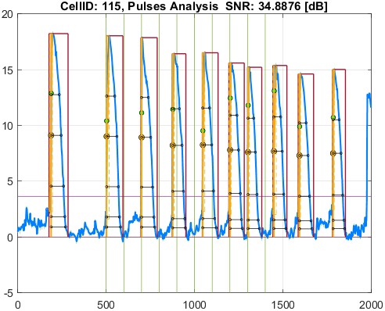

Cell_ID | Pulse_ID | Pulse_Start_ms | PulseStartOnStimulus | Pulse_End_ms | Pulse_Duration_ms | Pulse_Start_On_Stim | APD_30_ms | APD_50_ms | APD_75_ms | APD_90_ms | APD_95_ms | APD_30_EndPointApproximated | APD_50_EndPointApproximated | APD_75_EndPointApproximated | APD_90_EndPointApproximated | APD_95_EndPointApproximated | APD_30_90 | Pulse_ActivationPointTime_ms | Pulse_UpstrokeStartTime_ms | Pulse_UpstrokeEndTime_ms | Pulse_UpstrokeRiseTime_ms | Pulse_UpstrokeValue | Pulse_MaxValue | Pulse_UpstrokeVelocity | Pulse_MaxUpstrokeVelocityTime_ms | Pulse_MaxUpstrokeVelocityValue
117 | 1 | 1791.79 |  | 2982.98 | 1191.19 | -1 | 517.67422273 | 596.13542195 | 723.23533588 | 824.82076537 | 965.21101944 |  |  |  |  |  | 0.62762025941 | 1888.2556932 | 1791.79 | 2072.07 | 280.28 | 17.548127941 | 17.548127941 | 0.059416610904 | 1891.89 | 6.7172860643
117 | 2 | 4994.99 | true | 6006 | 1011.01 | 1 | 514.19688864 | 616.31232534 | 711.32421742 | 829.77293777 | 904.03255716 |  |  |  |  |  | 0.61968384992 | 5018.0291876 | 4994.99 | 5075.07 | 80.08 | 17.507507243 | 17.507507243 | 0.20921357443 | 5025.02 | 5.2319045006
117 | 3 | 6996.99 | true | 7937.93 | 940.94 | 3 | 487.43443642 | 555.98662141 | 659.2501331 | 787.81157121 | 865.01212997 |  |  |  |  |  | 0.61871956979 | 7023.9393888 | 6996.99 | 7067.06 | 70.07 | 14.97676538 | 16.469354207 | 0.2057506643 | 7027.02 | 4.2376402809
117 | 4 | 8738.73 |  | 9689.68 | 950.95 | -1 | 482.10785664 | 555.81659991 | 644.01170665 | 787.45386728 | 863.08954536 |  |  |  |  |  | 0.61223631844 | 8767.0894371 | 8738.73 | 8828.82 | 90.09 | 15.307770259 | 15.558402852 | 0.15961785443 | 8768.76 | 3.5299425981
117 | 5 | 10420.41 |  | 11441.43 | 1021.02 | -1 | 420.07778827 | 506.85902697 | 589.83903799 | 727.8172671 | 782.47394353 |  |  |  |  |  | 0.5771748037 | 10472.731745 | 10420.41 | 10580.57 | 160.16 | 16.107676636 | 16.107676636 | 0.093654250013 | 10480.47 | 2.7813900659
117 | 6 | 11991.98 | true | 12822.81 | 830.83 | 8 | 411.08088525 | 489.76316179 | 586.17545565 | 722.75317864 | 767.06274399 |  |  |  |  |  | 0.56877077458 | 12020.774028 | 11991.98 | 12172.16 | 180.18 | 15.623222341 | 15.623222341 | 0.081623981164 | 12022.01 | 3.4820411879
117 | 7 | 13002.99 | true | 14014 | 1011.01 | 9 | 390.92664837 | 467.29427753 | 549.11590832 | 660.0764768 | 728.55173862 |  |  |  |  |  | 0.59224447789 | 13027.867855 | 13002.99 | 13083.07 | 80.08 | 13.18286797 | 13.18286797 | 0.16674049145 | 13033.02 | 3.9649694853
117 | 8 | 14434.42 |  | 15185.17 | 750.75 | -1 | 417.73812854 | 500.59073703 | 586.42775102 | 687.05533758 | 687.05533758 |  |  |  | true | true | 0.60801234732 | 14498.114662 | 14434.42 | 14554.54 | 120.12 | 13.881453793 | 14.183367152 | 0.11029924966 | 14504.49 | 3.3547885552
117 | 9 | 15925.91 |  | 16546.53 | 620.62 | -1 | 401.3166157 | 488.14590274 | 565.3465891 | 597.37997145 | 597.37997145 |  |  |  | true | true | 0.67179456105 | 15949.150029 | 15925.91 | 16056.04 | 130.13 | 14.120471381 | 14.120471381 | 0.092504605314 | 15955.94 | 3.3219796652
117 | 10 | 17807.79 |  | 18768.75 | 960.96 | -1 | 475.73990721 | 501.02200916 | 577.61656917 | 711.65290887 | 859.88146625 |  |  |  |  |  | 0.66849991236 | 17846.032949 | 17807.79 | 17987.97 | 180.18 | 13.449341368 | 13.449341368 | 0.072180188981 | 17847.83 | 2.3210836638

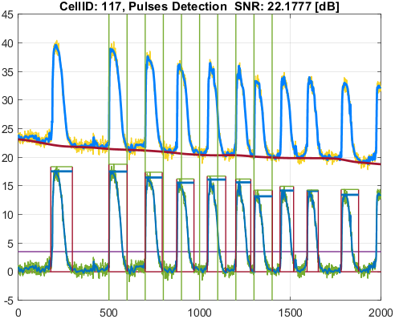
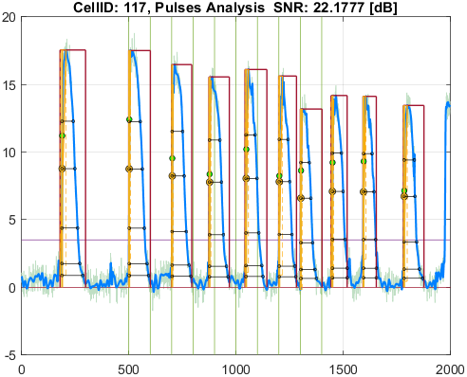

Cell_ID | Pulse_ID | Pulse_Start_ms | PulseStartOnStimulus | Pulse_End_ms | Pulse_Duration_ms | Pulse_Start_On_Stim | APD_30_ms | APD_50_ms | APD_75_ms | APD_90_ms | APD_95_ms | APD_30_EndPointApproximated | APD_50_EndPointApproximated | APD_75_EndPointApproximated | APD_90_EndPointApproximated | APD_95_EndPointApproximated | APD_30_90 | Pulse_ActivationPointTime_ms | Pulse_UpstrokeStartTime_ms | Pulse_UpstrokeEndTime_ms | Pulse_UpstrokeRiseTime_ms | Pulse_UpstrokeValue | Pulse_MaxValue | Pulse_UpstrokeVelocity | Pulse_MaxUpstrokeVelocityTime_ms | Pulse_MaxUpstrokeVelocityValue
120 | 1 | 1851.85 |  | 2852.85 | 1001 | -1 | 537.92486927 | 612.67148042 | 716.3334491 | 825.71344378 | 882.35068996 |  |  |  |  |  | 0.65146676891 | 1884.1730062 | 1851.85 | 2092.09 | 240.24 | 10.937655229 | 10.937655229 | 0.036935327141 | 1891.89 | 1.9103830209
120 | 2 | 4964.96 | true | 5815.81 | 850.85 | 1 | 554.52222489 | 631.0640151 | 704.93324073 | 779.3616534 | 800.64318314 |  |  |  |  | true | 0.71150822275 | 5015.1668169 | 4964.96 | 5105.1 | 140.14 | 10.522458187 | 10.522458187 | 0.065075406779 | 5025.02 | 2.6806823358
120 | 3 | 6966.96 | true | 7937.93 | 970.97 | 3 | 440.84643108 | 526.46537761 | 639.5596273 | 740.83603442 | 808.68577675 |  |  |  |  |  | 0.59506612881 | 7018.8736093 | 6966.96 | 7077.07 | 110.11 | 10.359751912 | 10.359751912 | 0.087405725811 | 7027.02 | 2.8525035661
120 | 4 | 8738.73 |  | 9539.53 | 800.8 | -1 | 454.80683102 | 564.26750478 | 644.97809364 | 770.87063533 | 770.87063533 |  |  |  | true | true | 0.58999112195 | 8768.6593647 | 8738.73 | 8798.79 | 60.06 | 9.7769627633 | 10.511866986 | 0.14824826338 | 8778.77 | 2.4824272093
120 | 5 | 10450.44 |  | 11071.06 | 620.62 | -1 | 273.50505385 | 446.4411502 | 558.25830018 | 595.18886087 | 595.18886087 |  |  |  | true | true | 0.45952649963 | 10475.871139 | 10450.44 | 10580.57 | 130.13 | 11.302106147 | 11.302106147 | 0.075032034447 | 10480.47 | 2.1848472326
120 | 6 | 11971.96 | true | 12792.78 | 820.82 | 8 | 413.14055764 | 507.29875229 | 634.93307889 | 733.66440157 | 776.49784367 |  |  |  |  | true | 0.56311926373 | 12016.282156 | 11971.96 | 12072.06 | 100.1 | 8.5663796454 | 8.8568001806 | 0.072979276181 | 12022.01 | 2.2098527901
120 | 7 | 13002.99 |  | 13723.71 | 720.72 | -1 | 255.29272879 | 385.72203882 | 520.15160535 | 606.30260097 | 653.79141887 |  |  |  |  |  | 0.42106487483 | 13031.738595 | 13002.99 | 13073.06 | 70.07 | 10.982135132 | 10.982135132 | 0.15767470858 | 13033.02 | 3.1557503626
120 | 8 | 14434.42 |  | 15175.16 | 740.74 | -1 | 380.96406951 | 466.7020494 | 568.23211414 | 645.83058454 | 676.01941761 |  |  |  |  | true | 0.58988236021 | 14499.140582 | 14464.45 | 14654.64 | 190.19 | 8.7574968756 | 8.7574968756 | 0.039812566939 | 14504.49 | 3.1099857258
120 | 9 | 15815.8 |  | 16696.68 | 880.88 | -1 | 375.95831877 | 452.65796189 | 598.12739254 | 668.22622086 | 713.17153443 |  |  |  |  |  | 0.56262132049 | 15941.817799 | 15815.8 | 15985.97 | 170.17 | 9.7185524411 | 9.7185524411 | 0.052729359278 | 15955.94 | 2.2208252354
120 | 10 | 17797.78 |  | 18588.57 | 790.79 | -1 | 431.08632097 | 487.71484643 | 570.91953667 | 700.73227136 | 748.4218845 |  |  |  |  | true | 0.6151940457 | 17840.148116 | 17797.78 | 17927.91 | 130.13 | 7.809415777 | 8.1253561612 | 0.04634156933 | 17847.83 | 1.8189768391
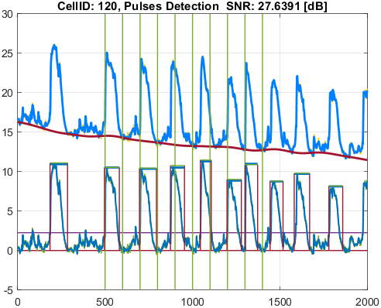
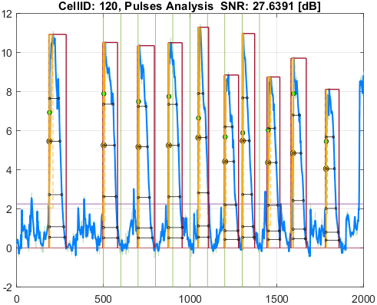

Cell_ID | Pulse_ID | Pulse_Start_ms | PulseStartOnStimulus | Pulse_End_ms | Pulse_Duration_ms | Pulse_Start_On_Stim | APD_30_ms | APD_50_ms | APD_75_ms | APD_90_ms | APD_95_ms | APD_30_EndPointApproximated | APD_50_EndPointApproximated | APD_75_EndPointApproximated | APD_90_EndPointApproximated | APD_95_EndPointApproximated | APD_30_90 | Pulse_ActivationPointTime_ms | Pulse_UpstrokeStartTime_ms | Pulse_UpstrokeEndTime_ms | Pulse_UpstrokeRiseTime_ms | Pulse_UpstrokeValue | Pulse_MaxValue | Pulse_UpstrokeVelocity | Pulse_MaxUpstrokeVelocityTime_ms | Pulse_MaxUpstrokeVelocityValue
125 | 1 | 1631.63 |  | 2962.96 | 1331.33 | -1 | 455.44646779 | 566.25651654 | 697.0989235 | 829.39100624 | 918.39796742 |  |  |  |  |  | 0.54913359846 | 1899.2573086 | 1711.71 | 2062.06 | 350.35 | 16.122190142 | 16.122190142 | 0.043547620319 | 1901.9 | 2.7005642245
125 | 2 | 4994.99 | true | 6046.04 | 1051.05 | 1 | 490.457056 | 613.99223182 | 710.62923723 | 828.99485832 | 898.47672677 |  |  |  |  |  | 0.59162858621 | 5022.727172 | 4994.99 | 5285.28 | 290.29 | 15.066933933 | 15.066933933 | 0.045645837749 | 5025.02 | 4.3732938526
125 | 3 | 6936.93 | true | 7977.97 | 1041.04 | 3 | 466.31928503 | 555.82457752 | 693.38060999 | 786.45987857 | 834.36949214 |  |  |  |  |  | 0.59293461464 | 7019.9404198 | 6976.97 | 7127.12 | 150.15 | 12.624087646 | 13.432070277 | 0.075912081446 | 7027.02 | 3.2958466481
125 | 4 | 8738.73 |  | 9689.68 | 950.95 | -1 | 430.70829559 | 541.2253943 | 649.05107939 | 789.23016809 | 847.35922992 |  |  |  |  |  | 0.54573217421 | 8777.3472064 | 8738.73 | 8908.9 | 170.17 | 13.338270391 | 13.338270391 | 0.069830647164 | 8778.77 | 3.0540613834
125 | 5 | 10440.43 |  | 11231.22 | 790.79 | -1 | 374.39518064 | 482.23014453 | 592.84081611 | 694.69502483 | 734.51156955 |  |  |  |  |  | 0.53893459325 | 10482.143678 | 10440.43 | 10570.56 | 130.13 | 13.593302964 | 13.593302964 | 0.093198643581 | 10480.47 | 2.1487228424
125 | 6 | 11881.87 | true | 12862.85 | 980.98 | 8 | 438.86097299 | 507.45739463 | 668.64946053 | 749.27533824 | 798.67475095 |  |  |  |  |  | 0.58571388993 | 12018.735824 | 11881.87 | 12172.16 | 290.29 | 10.607333306 | 10.873530772 | 0.034391816593 | 12032.02 | 2.0961641583
125 | 7 | 13002.99 |  | 13783.77 | 780.78 | -1 | 317.8594307 | 415.44258924 | 531.57609333 | 623.92213241 | 672.86951747 |  |  |  |  |  | 0.50945368691 | 13037.849565 | 13002.99 | 13163.15 | 160.16 | 12.799150814 | 12.799150814 | 0.078483292614 | 13033.02 | 3.7833869981
125 | 8 | 14464.45 |  | 15285.27 | 820.82 | -1 | 374.60766395 | 471.98349355 | 578.74743108 | 702.03058639 | 757.40386056 |  |  |  |  |  | 0.53360590153 | 14506.032292 | 14464.45 | 14594.58 | 130.13 | 11.894574299 | 11.894574299 | 0.079729769648 | 14504.49 | 2.0008942869
125 | 9 | 15885.87 |  | 16896.88 | 1011.01 | -1 | 391.34348244 | 514.17650957 | 599.43467153 | 690.4909324 | 774.94118192 |  |  |  |  |  | 0.56676121884 | 15951.678043 | 15885.87 | 16126.11 | 240.24 | 11.311075639 | 11.311075639 | 0.043805367129 | 15955.94 | 2.1394962313
125 | 10 | 17797.78 |  | 18438.42 | 640.64 | -1 | 448.59932195 | 512.84252173 | 590.18926014 | 590.18926014 | 590.18926014 |  |  | true | true | true | 0.76009401093 | 17848.23074 | 17797.78 | 18038.02 | 240.24 | 10.762454782 | 10.762454782 | 0.039568136824 | 17857.84 | 2.2565580165

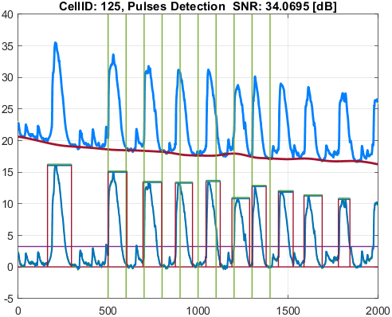
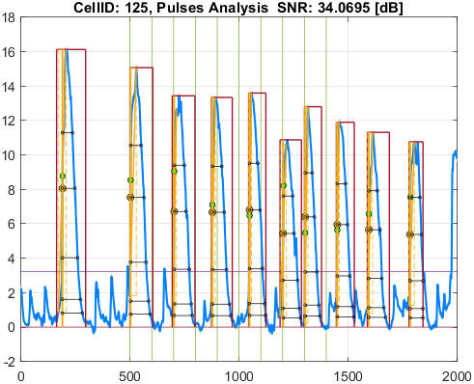

Cell_ID | Pulse_ID | Pulse_Start_ms | PulseStartOnStimulus | Pulse_End_ms | Pulse_Duration_ms | Pulse_Start_On_Stim | APD_30_ms | APD_50_ms | APD_75_ms | APD_90_ms | APD_95_ms | APD_30_EndPointApproximated | APD_50_EndPointApproximated | APD_75_EndPointApproximated | APD_90_EndPointApproximated | APD_95_EndPointApproximated | APD_30_90 | Pulse_ActivationPointTime_ms | Pulse_UpstrokeStartTime_ms | Pulse_UpstrokeEndTime_ms | Pulse_UpstrokeRiseTime_ms | Pulse_UpstrokeValue | Pulse_MaxValue | Pulse_UpstrokeVelocity | Pulse_MaxUpstrokeVelocityTime_ms | Pulse_MaxUpstrokeVelocityValue
126 | 1 | 1801.8 |  | 2842.84 | 1041.04 | -1 | 505.17452332 | 619.44418801 | 755.84695794 | 902.61364613 | 950.13495739 |  |  |  |  | true | 0.55967968742 | 1892.7050426 | 1801.8 | 2162.16 | 360.36 | 7.6456812869 | 7.6456812869 | 0.018633277612 | 1891.89 | 1.2056336685
126 | 2 | 5005 |  | 5915.91 | 910.91 | -1 | 510.20912102 | 621.50104578 | 719.40124724 | 830.06132112 | 883.68207807 |  |  |  |  | true | 0.61466437242 | 5032.2279219 | 5005 | 5255.25 | 250.25 | 6.8209740225 | 6.8209740225 | 0.02728069288 | 5025.02 | 1.4382150328
126 | 3 | 6976.97 | true | 7937.93 | 960.96 | 3 | 524.42012663 | 592.8041824 | 694.70722216 | 823.67591515 | 888.3957866 |  |  |  |  |  | 0.63668260414 | 7011.4794213 | 6976.97 | 7067.06 | 90.09 | 5.9670262048 | 5.9670262048 | 0.058788652056 | 7017.01 | 1.4997743978
126 | 4 | 8738.73 |  | 9729.72 | 990.99 | -1 | 475.49645638 | 599.92493322 | 718.70152508 | 840.81861872 | 921.9927381 |  |  |  |  |  | 0.56551608848 | 8768.9722605 | 8738.73 | 9039.03 | 300.3 | 6.2117466756 | 6.2117466756 | 0.018146940285 | 8768.76 | 1.2914085758
126 | 5 | 10430.42 |  | 11411.4 | 980.98 | -1 | 427.23562369 | 556.43263933 | 648.5755539 | 817.34629975 | 861.09483631 |  |  |  |  |  | 0.52271065988 | 10474.309009 | 10430.42 | 10500.49 | 70.07 | 5.3193356472 | 6.0614781518 | 0.062821484544 | 10480.47 | 1.3171518797
126 | 6 | 12001.99 | true | 12832.82 | 830.83 | 8 | 451.12203761 | 534.43776361 | 616.64931791 | 736.41151739 | 770.39603627 |  |  |  |  |  | 0.61259503275 | 12019.906816 | 12001.99 | 12082.07 | 80.08 | 5.1639316486 | 5.1639316486 | 0.04842732864 | 12032.02 | 1.2389939084
126 | 7 | 13002.99 |  | 13773.76 | 770.77 | -1 | 399.89874169 | 486.37890961 | 565.74393305 | 647.97310946 | 710.24402472 |  |  |  |  |  | 0.61715329827 | 13032.256044 | 13002.99 | 13053.04 | 50.05 | 4.7993526536 | 4.7993526536 | 0.098642159601 | 13033.02 | 2.3768701713
126 | 8 | 14474.46 |  | 15255.24 | 780.78 | -1 | 466.01845857 | 522.1447634 | 621.7676507 | 728.61754604 | 758.9356109 |  |  |  |  | true | 0.63959269318 | 14496.304389 | 14474.46 | 14554.54 | 80.08 | 4.8727293948 | 5.0767620824 | 0.053521773544 | 14494.48 | 1.0651801128
126 | 9 | 15895.88 |  | 16776.76 | 880.88 | -1 | 490.97130566 | 540.23684518 | 632.35941598 | 719.00415289 | 785.40949085 |  |  |  |  |  | 0.68284905405 | 15946.040684 | 15895.88 | 16176.16 | 280.28 | 5.2414879415 | 5.2414879415 | 0.01659563069 | 15945.93 | 1.051118928
126 | 10 | 17827.81 |  | 18728.71 | 900.9 | -1 | 482.70249362 | 538.05648736 | 635.90276402 | 731.36951493 | 781.34420782 |  |  |  |  |  | 0.65999810461 | 17844.847197 | 17827.81 | 17967.95 | 140.14 | 4.8566786891 | 5.0126959714 | 0.024537234285 | 17857.84 | 1.2023977088
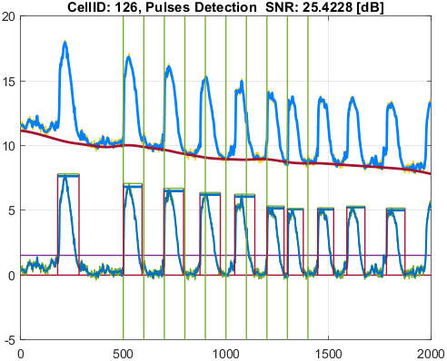
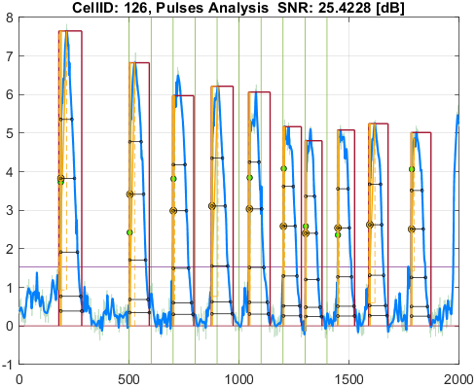

Cell_ID | Pulse_ID | Pulse_Start_ms | PulseStartOnStimulus | Pulse_End_ms | Pulse_Duration_ms | Pulse_Start_On_Stim | APD_30_ms | APD_50_ms | APD_75_ms | APD_90_ms | APD_95_ms | APD_30_EndPointApproximated | APD_50_EndPointApproximated | APD_75_EndPointApproximated | APD_90_EndPointApproximated | APD_95_EndPointApproximated | APD_30_90 | Pulse_ActivationPointTime_ms | Pulse_UpstrokeStartTime_ms | Pulse_UpstrokeEndTime_ms | Pulse_UpstrokeRiseTime_ms | Pulse_UpstrokeValue | Pulse_MaxValue | Pulse_UpstrokeVelocity | Pulse_MaxUpstrokeVelocityTime_ms | Pulse_MaxUpstrokeVelocityValue
132 | 1 | 1871.87 |  | 3003 | 1131.13 | -1 | 554.76793001 | 647.8405186 | 764.77069396 | 898.01320527 | 990.38905187 |  |  |  |  |  | 0.61777257478 | 1901.0872685 | 1871.87 | 2252.25 | 380.38 | 8.4931696163 | 8.4931696163 | 0.021352647983 | 1901.9 | 2.0035192367
132 | 2 | 4994.99 |  | 6186.18 | 1191.19 | -1 | 591.98641313 | 658.90306212 | 797.65926426 | 955.20575436 | 1064.2086616 |  |  |  |  |  | 0.61974753652 | 5030.6758245 | 4994.99 | 5315.31 | 320.32 | 8.8723580179 | 8.8723580179 | 0.023789404912 | 5035.03 | 1.305128523
132 | 3 | 6946.94 | true | 7817.81 | 870.87 | 3 | 477.42323508 | 585.93864397 | 746.63887318 | 793.97613808 | 793.97613808 |  |  |  | true | true | 0.60130678012 | 7023.8338619 | 6996.99 | 7067.06 | 70.07 | 6.7706669022 | 8.0019857351 | 0.089918733907 | 7027.02 | 1.8233899559
132 | 4 | 8738.73 |  | 9699.69 | 960.96 | -1 | 496.66649462 | 594.54940075 | 720.05044137 | 859.3888643 | 920.77994147 |  |  |  |  | true | 0.57792987 | 8778.9100585 | 8738.73 | 8968.96 | 230.23 | 6.9001796569 | 6.9270475272 | 0.029319464414 | 8778.77 | 1.4800311384
132 | 5 | 10430.42 |  | 11441.43 | 1011.01 | -1 | 493.91596172 | 576.04768872 | 691.76469511 | 843.87311405 | 905.68050852 |  |  |  |  |  | 0.58529647822 | 10476.010161 | 10430.42 | 10710.7 | 280.28 | 7.343273682 | 7.343273682 | 0.025095527139 | 10480.47 | 2.1121501846
132 | 6 | 11951.94 |  | 12812.8 | 860.86 | -1 | 444.54832719 | 543.45735874 | 654.87306783 | 781.5801917 | 781.5801917 |  |  |  | true | true | 0.56878146594 | 12031.219808 | 11951.94 | 12242.23 | 290.29 | 6.6628319244 | 6.6628319244 | 0.021211894395 | 12032.02 | 0.84037247143
132 | 7 | 13002.99 |  | 13883.87 | 880.88 | -1 | 431.11765682 | 506.23400877 | 606.52315888 | 758.96222624 | 845.01679712 |  |  |  |  | true | 0.56803572288 | 13038.853203 | 13002.99 | 13173.16 | 170.17 | 5.6747824714 | 5.6747824714 | 0.034098451382 | 13043.03 | 1.1968159126
132 | 8 | 14264.25 |  | 15535.52 | 1271.27 | -1 | 495.59147664 | 574.96953615 | 681.07668264 | 855.98354525 | 971.41213626 |  |  |  |  |  | 0.57897313492 | 14508.613308 | 14344.33 | 14624.61 | 280.28 | 6.8964665122 | 7.7560837749 | 0.024058717819 | 14514.5 | 1.2130222385
132 | 9 | 15875.86 |  | 16806.79 | 930.93 | -1 | 452.64749457 | 518.21514707 | 611.54057876 | 704.89131009 | 751.67793438 |  |  |  |  |  | 0.64215218444 | 15945.605091 | 15875.86 | 16156.14 | 280.28 | 5.8952145685 | 5.8952145685 | 0.018899081044 | 15945.93 | 1.0448103377
132 | 10 | 17737.72 |  | 18588.57 | 850.85 | -1 | 496.7208528 | 555.67191714 | 680.57216585 | 740.03299696 | 740.03299696 |  |  |  | true | true | 0.67121446589 | 17848.537003 | 17737.72 | 18048.03 | 310.31 | 6.6577448892 | 6.6577448892 | 0.020227628513 | 17857.84 | 1.1055127816

