QC Passed Pulses
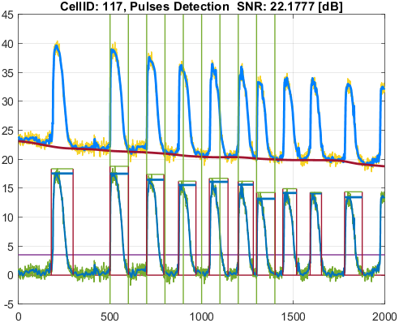
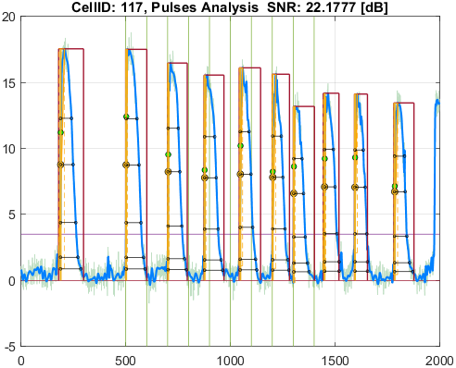
File_Name
cyteseer_3.0.1.0_voltage.csv

Parameter | Value
pulseDetection_signalType | SignalType.Voltage
stimuliPeriod_ms | 1000
stimuliNumber | 10
stimulationStart_ms | 5000
stimulusPulseDuration_ms | 7.5
pulseDetection_thresholdPercentage | 20
pulseDetection_numberOfSecondsAtStartToIgnore | 0
pulseDetection_removeFalsePulses_PeakThresholdPercentage | 25
pulseDetection_removeFalsePulses_DurationThresholdPercentage | 25
pulseDetection_denoise_waveletName | "bior"
pulseDetection_denoise_waveletNumber | 6.8
pulseDetection_denoise_waveletThresholdRule | "Hard"
pulseAnalysis_apDurations | [30 50 75 90 95]
pulseAnalysis_apdIsEndPointApproximatedSymbol | "*"
pulseAnalysis_pulseStartOnStimulusDetectionDelta_ms | 30
pulseAnalysis_pulseStartOnStimulusDetectionSymbol | "^"
pulseAnalysis_pulseStartPointType | PulseStartPointType.ActivationPoint
visualize_showVisualizedCells | false
visualize_saveVisualizedCellsToFiles | true
qc_isQC_Required | true
qc_SNR_Threshold | 10
qc_writeFiguresToQCReportFile | true
qc_checkForSNR | true
qc_checkForNoPulsesDetected | true
qc_checkForPulsesMissingStimuli | false
qc_checkForPulsesSpanMoreThanOneStimulus | false

Well_Date | Well_Description
11/21/24 | Table of function data for [Raw Ci on CYm API F(t)]

Cell_ID | Cell_SNR | Cell_QCStatus | Cell_QCStatus_String
106 | 37.747730773 | 1 | QC_OK
115 | 34.887593276 | 1 | QC_OK
117 | 22.177687565 | 1 | QC_OK

Cell_ID | Pulse_ID | Pulse_Start_ms | PulseStartOnStimulus | Pulse_End_ms | Pulse_Duration_ms | Pulse_Start_On_Stim | APD_30_ms | APD_50_ms | APD_75_ms | APD_90_ms | APD_95_ms | APD_30_EndPointApproximated | APD_50_EndPointApproximated | APD_75_EndPointApproximated | APD_90_EndPointApproximated | APD_95_EndPointApproximated | APD_30_90 | Pulse_ActivationPointTime_ms | Pulse_UpstrokeStartTime_ms | Pulse_UpstrokeEndTime_ms | Pulse_UpstrokeRiseTime_ms | Pulse_UpstrokeValue | Pulse_MaxValue | Pulse_UpstrokeVelocity | Pulse_MaxUpstrokeVelocityTime_ms | Pulse_MaxUpstrokeVelocityValue
106 | 1 | 1821.82 |  | 2882.88 | 1061.06 | -1 | 527.20113099 | 620.59885243 | 715.13389739 | 820.31515853 | 923.85939604 |  |  |  |  |  | 0.64268120064 | 1889.0345686 | 1851.85 | 2142.14 | 290.29 | 25.257879105 | 25.257879105 | 0.074583457145 | 1891.89 | 6.5330386648
106 | 2 | 4984.98 | true | 6086.08 | 1101.1 | 1 | 544.3591516 | 628.2093555 | 719.24015704 | 815.36250542 | 890.17678488 |  |  |  |  |  | 0.66762838367 | 5020.2742281 | 4984.98 | 5215.21 | 230.23 | 24.326988741 | 24.326988741 | 0.096945183331 | 5025.02 | 6.664046885
106 | 3 | 6976.97 | true | 7927.92 | 950.95 | 3 | 504.41365206 | 595.04996964 | 675.69034811 | 767.34506354 | 831.79842961 |  |  |  |  |  | 0.65734918491 | 7017.6587849 | 6976.97 | 7247.24 | 270.27 | 22.040740635 | 22.040740635 | 0.076307121552 | 7017.01 | 5.3273483419
106 | 4 | 8668.66 |  | 9719.71 | 1051.05 | -1 | 478.87880347 | 564.61156973 | 650.89974855 | 738.69011343 | 797.65571096 |  |  |  |  |  | 0.6482810515 | 8767.4800852 | 8668.66 | 9019.01 | 350.35 | 22.185009205 | 22.185009205 | 0.059582161141 | 8768.76 | 5.8006050886
106 | 5 | 10360.35 |  | 11291.28 | 930.93 | -1 | 468.93340497 | 547.95661928 | 628.74612066 | 713.74823775 | 761.89721903 |  |  |  |  |  | 0.65700113874 | 10469.633137 | 10360.35 | 10690.68 | 330.33 | 20.93454121 | 20.93454121 | 0.060038895645 | 10470.46 | 5.4601448184
106 | 6 | 11951.94 | true | 12922.91 | 970.97 | 8 | 433.76061216 | 507.80883851 | 597.51058056 | 683.67801776 | 730.36444763 |  |  |  |  |  | 0.63445159986 | 12017.427539 | 11951.94 | 12212.2 | 260.26 | 21.045481131 | 21.045481131 | 0.074556689953 | 12022.01 | 5.7662901701
106 | 7 | 13002.99 | true | 13823.81 | 820.82 | 9 | 412.22953053 | 470.01663176 | 548.65961534 | 670.7010227 | 706.46744931 |  |  |  |  |  | 0.61462487245 | 13029.532245 | 13002.99 | 13243.23 | 240.24 | 18.717579593 | 18.717579593 | 0.073868055996 | 13033.02 | 6.546936566
106 | 8 | 14434.42 |  | 15315.3 | 880.88 | -1 | 457.65176757 | 523.06829409 | 607.37231183 | 703.10649875 | 777.9728473 |  |  |  |  |  | 0.65089964093 | 14495.660065 | 14434.42 | 14654.64 | 220.22 | 19.719654836 | 19.719654836 | 0.080336044809 | 14504.49 | 4.5164402821
106 | 9 | 15875.86 |  | 16766.75 | 890.89 | -1 | 439.68202455 | 514.89807073 | 601.09192074 | 680.58530729 | 734.16747626 |  |  |  |  |  | 0.6460351404 | 15944.572277 | 15875.86 | 16096.08 | 220.22 | 19.08673006 | 19.08673006 | 0.077179937329 | 15945.93 | 4.5560888521
106 | 10 | 17697.68 |  | 18688.67 | 990.99 | -1 | 428.9356693 | 508.88149135 | 580.3316406 | 658.25976666 | 703.06643307 |  |  |  |  |  | 0.65162066865 | 17844.117718 | 17807.79 | 18038.02 | 230.23 | 19.909151256 | 19.909151256 | 0.074770603825 | 17847.83 | 5.1334845014
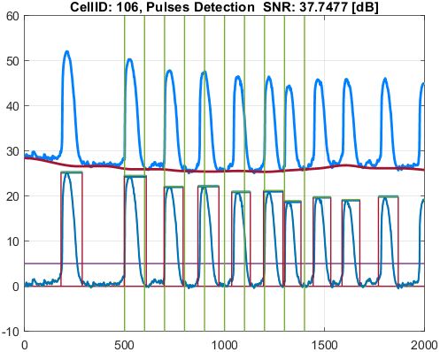
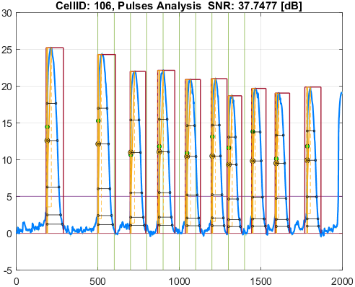

Cell_ID | Pulse_ID | Pulse_Start_ms | PulseStartOnStimulus | Pulse_End_ms | Pulse_Duration_ms | Pulse_Start_On_Stim | APD_30_ms | APD_50_ms | APD_75_ms | APD_90_ms | APD_95_ms | APD_30_EndPointApproximated | APD_50_EndPointApproximated | APD_75_EndPointApproximated | APD_90_EndPointApproximated | APD_95_EndPointApproximated | APD_30_90 | Pulse_ActivationPointTime_ms | Pulse_UpstrokeStartTime_ms | Pulse_UpstrokeEndTime_ms | Pulse_UpstrokeRiseTime_ms | Pulse_UpstrokeValue | Pulse_MaxValue | Pulse_UpstrokeVelocity | Pulse_MaxUpstrokeVelocityTime_ms | Pulse_MaxUpstrokeVelocityValue
115 | 1 | 1761.76 |  | 2842.84 | 1081.08 | -1 | 461.89851301 | 565.03972693 | 702.23326667 | 773.42030971 | 822.15981268 |  |  |  |  |  | 0.59721539144 | 1885.0531394 | 1791.79 | 1961.96 | 170.17 | 18.232086078 | 18.232086078 | 0.093818326503 | 1891.89 | 5.5135248003
115 | 2 | 5005 | true | 5945.94 | 940.94 | 1 | 461.00805753 | 582.6535375 | 672.82737767 | 734.14172416 | 787.21456427 |  |  |  |  |  | 0.62795512413 | 5022.7892125 | 5005 | 5175.17 | 170.17 | 18.039778839 | 18.039778839 | 0.096495591978 | 5025.02 | 6.2410097404
115 | 3 | 6966.96 | true | 7887.88 | 920.92 | 3 | 381.88311371 | 515.04065312 | 629.32724612 | 701.72489788 | 743.69913876 |  |  |  |  |  | 0.54420630487 | 7003.5624932 | 6966.96 | 7037.03 | 70.07 | 17.870229181 | 17.870229181 | 0.22920728022 | 7007 | 6.399896284
115 | 4 | 8738.73 |  | 9509.5 | 770.77 | -1 | 381.27864785 | 530.22629823 | 609.23385922 | 686.86563658 | 719.65316689 |  |  |  |  |  | 0.55509932007 | 8763.5795253 | 8738.73 | 8848.84 | 110.11 | 16.429929944 | 16.429929944 | 0.13401013131 | 8768.76 | 6.253326744
115 | 5 | 10440.43 |  | 11331.32 | 890.89 | -1 | 387.11244867 | 500.1850448 | 610.18510619 | 674.75578334 | 756.60181863 |  |  |  |  |  | 0.57370749273 | 10467.470918 | 10440.43 | 10580.57 | 140.14 | 16.515160825 | 16.515160825 | 0.10135437563 | 10470.46 | 4.2510982657
115 | 6 | 11941.93 | true | 12812.8 | 870.87 | 8 | 383.20160226 | 478.61350953 | 578.65421286 | 643.56087214 | 686.74333556 |  |  |  |  |  | 0.59543955957 | 12012.955515 | 11941.93 | 12072.06 | 130.13 | 15.598341714 | 15.598341714 | 0.10423952823 | 12022.01 | 5.1484902555
115 | 7 | 13002.99 | true | 13803.79 | 800.8 | 9 | 321.12402487 | 415.50563865 | 502.5942876 | 577.38138409 | 642.54831824 |  |  |  |  |  | 0.55617315299 | 13027.605917 | 13002.99 | 13093.08 | 90.09 | 15.21573873 | 15.21573873 | 0.16825746848 | 13033.02 | 7.7675406551
115 | 8 | 14434.42 |  | 15225.21 | 790.79 | -1 | 383.09724701 | 467.06566327 | 560.17422203 | 628.14543065 | 678.22645979 |  |  |  |  |  | 0.60988622748 | 14490.884327 | 14434.42 | 14624.61 | 190.19 | 15.376514455 | 15.376514455 | 0.070171250114 | 14504.49 | 4.1330064744
115 | 9 | 15865.85 |  | 16736.72 | 870.87 | -1 | 374.70408133 | 484.31437728 | 571.42565069 | 656.82835555 | 706.56669721 |  |  |  |  |  | 0.57047488611 | 15938.265238 | 15865.85 | 15995.98 | 130.13 | 14.615163646 | 14.615163646 | 0.098514835714 | 15945.93 | 3.392019752
115 | 10 | 17807.79 |  | 18538.52 | 730.73 | -1 | 342.78528133 | 443.36702356 | 543.92227861 | 617.03154316 | 648.47030696 |  |  |  |  |  | 0.55553931582 | 17841.143163 | 17807.79 | 17907.89 | 100.1 | 15.018639312 | 15.018639312 | 0.12569856888 | 17847.83 | 4.8007696929

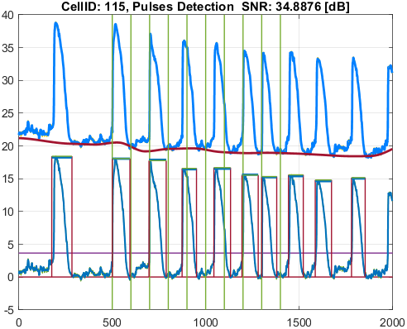
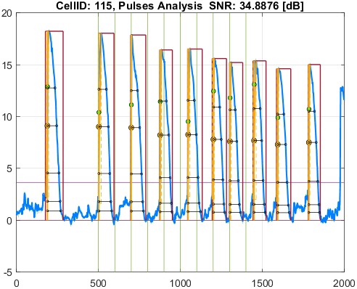

Cell_ID | Pulse_ID | Pulse_Start_ms | PulseStartOnStimulus | Pulse_End_ms | Pulse_Duration_ms | Pulse_Start_On_Stim | APD_30_ms | APD_50_ms | APD_75_ms | APD_90_ms | APD_95_ms | APD_30_EndPointApproximated | APD_50_EndPointApproximated | APD_75_EndPointApproximated | APD_90_EndPointApproximated | APD_95_EndPointApproximated | APD_30_90 | Pulse_ActivationPointTime_ms | Pulse_UpstrokeStartTime_ms | Pulse_UpstrokeEndTime_ms | Pulse_UpstrokeRiseTime_ms | Pulse_UpstrokeValue | Pulse_MaxValue | Pulse_UpstrokeVelocity | Pulse_MaxUpstrokeVelocityTime_ms | Pulse_MaxUpstrokeVelocityValue
117 | 1 | 1791.79 |  | 2982.98 | 1191.19 | -1 | 517.67422273 | 596.13542195 | 723.23533588 | 824.82076537 | 965.21101944 |  |  |  |  |  | 0.62762025941 | 1888.2556932 | 1791.79 | 2072.07 | 280.28 | 17.548127941 | 17.548127941 | 0.059416610904 | 1891.89 | 6.7172860643
117 | 2 | 4994.99 | true | 6006 | 1011.01 | 1 | 514.19688864 | 616.31232534 | 711.32421742 | 829.77293777 | 904.03255716 |  |  |  |  |  | 0.61968384992 | 5018.0291876 | 4994.99 | 5075.07 | 80.08 | 17.507507243 | 17.507507243 | 0.20921357443 | 5025.02 | 5.2319045006
117 | 3 | 6996.99 | true | 7937.93 | 940.94 | 3 | 487.43443642 | 555.98662141 | 659.2501331 | 787.81157121 | 865.01212997 |  |  |  |  |  | 0.61871956979 | 7023.9393888 | 6996.99 | 7067.06 | 70.07 | 14.97676538 | 16.469354207 | 0.2057506643 | 7027.02 | 4.2376402809
117 | 4 | 8738.73 |  | 9689.68 | 950.95 | -1 | 482.10785664 | 555.81659991 | 644.01170665 | 787.45386728 | 863.08954536 |  |  |  |  |  | 0.61223631844 | 8767.0894371 | 8738.73 | 8828.82 | 90.09 | 15.307770259 | 15.558402852 | 0.15961785443 | 8768.76 | 3.5299425981
117 | 5 | 10420.41 |  | 11441.43 | 1021.02 | -1 | 420.07778827 | 506.85902697 | 589.83903799 | 727.8172671 | 782.47394353 |  |  |  |  |  | 0.5771748037 | 10472.731745 | 10420.41 | 10580.57 | 160.16 | 16.107676636 | 16.107676636 | 0.093654250013 | 10480.47 | 2.7813900659
117 | 6 | 11991.98 | true | 12822.81 | 830.83 | 8 | 411.08088525 | 489.76316179 | 586.17545565 | 722.75317864 | 767.06274399 |  |  |  |  |  | 0.56877077458 | 12020.774028 | 11991.98 | 12172.16 | 180.18 | 15.623222341 | 15.623222341 | 0.081623981164 | 12022.01 | 3.4820411879
117 | 7 | 13002.99 | true | 14014 | 1011.01 | 9 | 390.92664837 | 467.29427753 | 549.11590832 | 660.0764768 | 728.55173862 |  |  |  |  |  | 0.59224447789 | 13027.867855 | 13002.99 | 13083.07 | 80.08 | 13.18286797 | 13.18286797 | 0.16674049145 | 13033.02 | 3.9649694853
117 | 8 | 14434.42 |  | 15185.17 | 750.75 | -1 | 417.73812854 | 500.59073703 | 586.42775102 | 687.05533758 | 687.05533758 |  |  |  | true | true | 0.60801234732 | 14498.114662 | 14434.42 | 14554.54 | 120.12 | 13.881453793 | 14.183367152 | 0.11029924966 | 14504.49 | 3.3547885552
117 | 9 | 15925.91 |  | 16546.53 | 620.62 | -1 | 401.3166157 | 488.14590274 | 565.3465891 | 597.37997145 | 597.37997145 |  |  |  | true | true | 0.67179456105 | 15949.150029 | 15925.91 | 16056.04 | 130.13 | 14.120471381 | 14.120471381 | 0.092504605314 | 15955.94 | 3.3219796652
117 | 10 | 17807.79 |  | 18768.75 | 960.96 | -1 | 475.73990721 | 501.02200916 | 577.61656917 | 711.65290887 | 859.88146625 |  |  |  |  |  | 0.66849991236 | 17846.032949 | 17807.79 | 17987.97 | 180.18 | 13.449341368 | 13.449341368 | 0.072180188981 | 17847.83 | 2.3210836638

