QC Passed Pulses
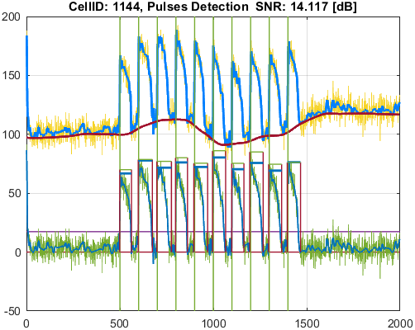
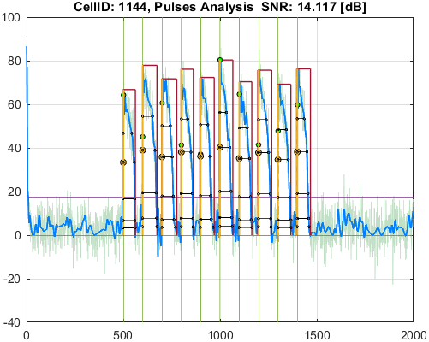
File_Name
voltage_example.csv

Parameter | Value
pulseDetection_signalType | SignalType.Voltage
stimuliPeriod_ms | 1000
stimuliNumber | 10
stimulationStart_ms | 5000
stimulusPulseDuration_ms | 7.5
pulseDetection_thresholdPercentage | 20
pulseDetection_numberOfSecondsAtStartToIgnore | 0
pulseDetection_removeFalsePulses_PeakThresholdPercentage | 25
pulseDetection_removeFalsePulses_DurationThresholdPercentage | 25
pulseDetection_denoise_waveletName | "bior"
pulseDetection_denoise_waveletNumber | 6.8
pulseDetection_denoise_waveletThresholdRule | "Hard"
pulseAnalysis_apDurations | [30 50 75 90 95]
pulseAnalysis_apdIsEndPointApproximatedSymbol | "*"
pulseAnalysis_pulseStartOnStimulusDetectionDelta_ms | 30
pulseAnalysis_pulseStartOnStimulusDetectionSymbol | "^"
pulseAnalysis_pulseStartPointType | PulseStartPointType.ActivationPoint
visualize_showVisualizedCells | false
visualize_saveVisualizedCellsToFiles | true
qc_isQC_Required | true
qc_SNR_Threshold | 10
qc_writeFiguresToQCReportFile | true
qc_checkForSNR | true
qc_checkForNoPulsesDetected | true
qc_checkForPulsesMissingStimuli | false
qc_checkForPulsesSpanMoreThanOneStimulus | false

Well_Date | Well_Description
12/16/19 | Table of function data for [Raw Ci on CYm API F(t)]

Cell_ID | Cell_SNR | Cell_QCStatus | Cell_QCStatus_String
374 | 25.750512285 | 1 | QC_OK
568 | 13.360114655 | 1 | QC_OK
600 | 11.89287891 | 1 | QC_OK
618 | 12.456386786 | 1 | QC_OK
622 | 22.693021431 | 1 | QC_OK
639 | 20.940972254 | 1 | QC_OK
653 | 24.943502777 | 1 | QC_OK
655 | 22.728291489 | 1 | QC_OK
688 | 22.190048798 | 1 | QC_OK
701 | 19.784365584 | 1 | QC_OK
957 | 15.91337221 | 1 | QC_OK
970 | 15.610205297 | 1 | QC_OK
976 | 23.594817552 | 1 | QC_OK
979 | 10.006088737 | 1 | QC_OK
1006 | 10.029751069 | 1 | QC_OK
1022 | 13.388431811 | 1 | QC_OK
1144 | 14.116965122 | 1 | QC_OK

Cell_ID | Pulse_ID | Pulse_Start_ms | PulseStartOnStimulus | Pulse_End_ms | Pulse_Duration_ms | Pulse_Start_On_Stim | APD_30_ms | APD_50_ms | APD_75_ms | APD_90_ms | APD_95_ms | APD_30_EndPointApproximated | APD_50_EndPointApproximated | APD_75_EndPointApproximated | APD_90_EndPointApproximated | APD_95_EndPointApproximated | APD_30_90 | Pulse_ActivationPointTime_ms | Pulse_UpstrokeStartTime_ms | Pulse_UpstrokeEndTime_ms | Pulse_UpstrokeRiseTime_ms | Pulse_UpstrokeValue | Pulse_MaxValue | Pulse_UpstrokeVelocity | Pulse_MaxUpstrokeVelocityTime_ms | Pulse_MaxUpstrokeVelocityValue
374 | 1 | 4974.97497 | true | 5395.39539 | 420.42042 | 1 | 109.4282706 | 259.37607185 | 350.12837098 | 374.12183091 | 405.80872135 |  |  |  |  | true | 0.2924936787 | 4989.5866687 | 4974.97497 | 4994.99499 | 20.02002 | 89.987432538 | 89.987432538 | 4.4268343025 | 4994.99499 | 83.27677313
374 | 2 | 5975.97597 | true | 6536.53653 | 560.56056 | 2 | 263.78918713 | 393.25358837 | 479.03900489 | 504.7766976 | 518.65745499 |  |  |  |  |  | 0.52258590459 | 5990.3337232 | 5975.97597 | 5995.99599 | 20.02002 | 91.610827505 | 91.610827505 | 4.4409857124 | 5995.99599 | 80.976871766
374 | 3 | 6976.97697 | true | 7567.56756 | 590.59059 | 3 | 288.40729368 | 400.19299009 | 474.25655018 | 497.70865364 | 523.5413326 |  |  |  |  |  | 0.57947012085 | 6990.2204734 | 6976.97697 | 6996.99699 | 20.02002 | 94.253067466 | 94.253067466 | 4.7987851305 | 6996.99699 | 69.613505662
374 | 4 | 7967.96796 | true | 8508.5085 | 540.54054 | 4 | 281.48816197 | 397.63924982 | 466.27473848 | 490.15991747 | 511.06910022 |  |  |  |  |  | 0.57427821398 | 7991.6698177 | 7967.96796 | 7997.99799 | 30.03003 | 91.743695476 | 91.743695476 | 3.099924811 | 7997.99799 | 72.56086522
374 | 5 | 8978.97897 | true | 9479.47947 | 500.5005 | 5 | 275.00470367 | 387.4294291 | 461.88487204 | 477.9915597 | 490.27960452 |  |  |  |  | true | 0.57533380681 | 8989.1998655 | 8978.97897 | 8998.99899 | 20.02002 | 91.681725503 | 91.681725503 | 4.5137795269 | 8998.99899 | 46.827397026
374 | 6 | 9979.97997 | true | 10520.52051 | 540.54054 | 6 | 245.36373789 | 379.56521616 | 483.92791148 | 509.29104131 | 516.73782558 |  |  |  |  |  | 0.48177509123 | 9990.427548 | 9979.97997 | 9999.99999 | 20.02002 | 90.555538915 | 90.555538915 | 4.437974781 | 9999.99999 | 47.347471427
374 | 7 | 10960.96095 | true | 11501.50149 | 540.54054 | 7 | 278.50050755 | 397.9277259 | 463.14513289 | 484.82532662 | 492.57543705 |  |  |  |  |  | 0.57443473404 | 10988.029281 | 10960.96095 | 11001.00099 | 40.04004 | 89.531865304 | 89.531865304 | 2.2592211415 | 10990.99098 | 55.726928508
374 | 8 | 11971.97196 | true | 12522.52251 | 550.55055 | 8 | 283.22855645 | 411.28498244 | 497.4460962 | 517.82685911 | 533.07331097 |  |  |  |  | true | 0.54695609443 | 11989.449199 | 11971.97196 | 12002.00199 | 30.03003 | 90.937210169 | 90.937210169 | 3.1009321493 | 11991.99198 | 58.38569402
374 | 9 | 12982.98297 | true | 13573.57356 | 590.59059 | 9 | 300.67822132 | 394.23142882 | 467.46613457 | 494.72168884 | 509.23720019 |  |  |  |  |  | 0.60777246704 | 12988.363382 | 12982.98297 | 13003.00299 | 20.02002 | 87.160133065 | 87.160133065 | 4.3392454773 | 12992.99298 | 80.542246936
374 | 10 | 13983.98397 | true | 14514.5145 | 530.53053 | 10 | 297.79339599 | 412.69611677 | 473.12282297 | 497.26603398 | 511.70205515 |  |  |  |  |  | 0.59886132502 | 13989.253552 | 13983.98397 | 14004.00399 | 20.02002 | 85.965964368 | 85.965964368 | 4.3702868495 | 13993.99398 | 84.550916552
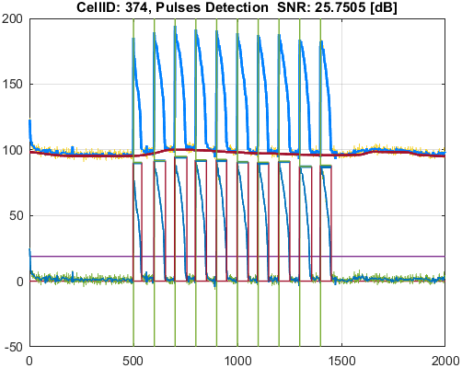
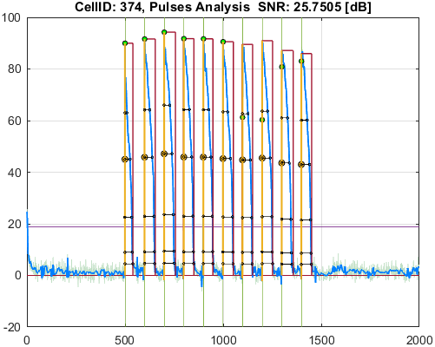

Cell_ID | Pulse_ID | Pulse_Start_ms | PulseStartOnStimulus | Pulse_End_ms | Pulse_Duration_ms | Pulse_Start_On_Stim | APD_30_ms | APD_50_ms | APD_75_ms | APD_90_ms | APD_95_ms | APD_30_EndPointApproximated | APD_50_EndPointApproximated | APD_75_EndPointApproximated | APD_90_EndPointApproximated | APD_95_EndPointApproximated | APD_30_90 | Pulse_ActivationPointTime_ms | Pulse_UpstrokeStartTime_ms | Pulse_UpstrokeEndTime_ms | Pulse_UpstrokeRiseTime_ms | Pulse_UpstrokeValue | Pulse_MaxValue | Pulse_UpstrokeVelocity | Pulse_MaxUpstrokeVelocityTime_ms | Pulse_MaxUpstrokeVelocityValue
568 | 1 | 4954.95495 | true | 5955.95595 | 1001.001 | 1 | 386.00541392 | 779.57645919 | 950.552734 | 972.26587291 | 972.96143719 |  |  |  |  | true | 0.39701631486 | 4982.9945128 | 4954.95495 | 5015.01501 | 60.06006 | 76.091381785 | 76.091381785 | 1.2034184126 | 4984.98498 | 18.335952219
568 | 2 | 5965.96596 | true | 6766.76676 | 800.8008 | 2 | 315.51999745 | 432.6080572 | 563.39402855 | 692.47450757 | 719.42169438 |  |  |  |  |  | 0.45564131821 | 5985.090976 | 5965.96596 | 6016.01601 | 50.05005 | 65.499883439 | 65.499883439 | 1.1436195972 | 5995.99599 | 15.601749173
568 | 3 | 6946.94694 | true | 7887.88788 | 940.94094 | 3 | 390.09304719 | 640.70765342 | 771.28311628 | 901.42380806 | 901.42380806 |  |  |  | true | true | 0.4327521014 | 6986.4640719 | 6946.94694 | 7017.01701 | 70.07007 | 75.962529085 | 77.999632201 | 1.0814710478 | 6986.98698 | 17.948908687
568 | 4 | 7957.95795 | true | 8738.73873 | 780.78078 | 4 | 234.64884083 | 384.99134329 | 619.66353484 | 693.20128081 | 713.25776371 |  |  |  |  |  | 0.33850029902 | 7983.7400236 | 7957.95795 | 8018.01801 | 60.06006 | 70.235449364 | 70.235449364 | 0.98806654033 | 7987.98798 | 14.861071151
568 | 5 | 8948.94894 | true | 9709.7097 | 760.76076 | 5 | 353.19834873 | 515.43767939 | 657.45499777 | 721.19379822 | 721.19379822 |  |  |  | true | true | 0.48974124514 | 8988.5159018 | 8948.94894 | 9019.01901 | 70.07007 | 83.072576206 | 83.072576206 | 1.2419034455 | 8988.98898 | 22.242724641
568 | 6 | 9959.95995 | true | 10780.78077 | 820.82082 | 6 | 335.55681486 | 446.11850847 | 620.66341769 | 675.68361695 | 708.1349127 |  |  |  |  |  | 0.4966182492 | 9987.138047 | 9959.95995 | 10030.03002 | 70.07007 | 76.599816307 | 76.599816307 | 0.91824475766 | 9999.99999 | 16.146446431
568 | 7 | 10980.98097 | true | 11701.70169 | 720.72072 | 7 | 279.967046 | 420.00340059 | 654.44634424 | 715.64710733 | 715.64710733 |  |  |  | true | true | 0.39120824095 | 10986.054583 | 10980.98097 | 11001.00099 | 20.02002 | 79.21732111 | 81.22082341 | 3.9045652102 | 10990.99098 | 78.055162921
568 | 8 | 11981.98197 | true | 12862.86285 | 880.88088 | 8 | 272.92090524 | 430.68166401 | 631.54692112 | 708.19458999 | 738.12178916 |  |  |  |  |  | 0.38537558617 | 11986.533811 | 11981.98197 | 11991.99198 | 10.01001 | 80.008083644 | 83.101163061 | 7.0458607426 | 11991.99198 | 70.529136492
568 | 9 | 12962.96295 | true | 13893.89388 | 930.93093 | 9 | 222.840813 | 420.38476232 | 657.84027477 | 863.97438261 | 882.33477621 |  |  |  |  |  | 0.25792525506 | 12987.332091 | 12962.96295 | 12992.99298 | 30.03003 | 89.005758082 | 89.005758082 | 3.2546770663 | 12992.99298 | 78.693333654
568 | 10 | 13963.96395 | true | 14804.80479 | 840.84084 | 10 | 283.86195125 | 517.36219483 | 699.78021366 | 739.90898655 | 757.89249374 |  |  |  |  |  | 0.38364441629 | 13984.446019 | 13963.96395 | 14004.00399 | 40.04004 | 76.3569424 | 84.324954597 | 1.8505629348 | 13983.98397 | 33.637971892

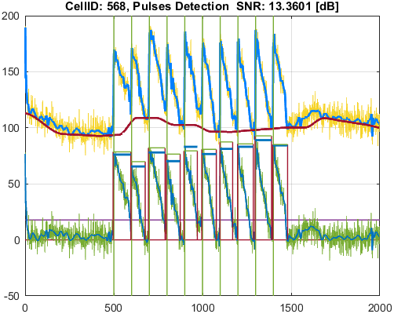
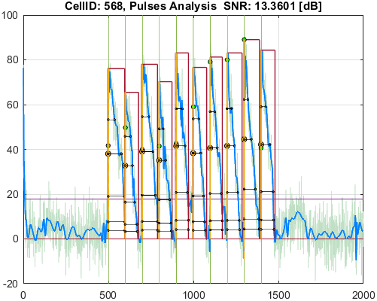

Cell_ID | Pulse_ID | Pulse_Start_ms | PulseStartOnStimulus | Pulse_End_ms | Pulse_Duration_ms | Pulse_Start_On_Stim | APD_30_ms | APD_50_ms | APD_75_ms | APD_90_ms | APD_95_ms | APD_30_EndPointApproximated | APD_50_EndPointApproximated | APD_75_EndPointApproximated | APD_90_EndPointApproximated | APD_95_EndPointApproximated | APD_30_90 | Pulse_ActivationPointTime_ms | Pulse_UpstrokeStartTime_ms | Pulse_UpstrokeEndTime_ms | Pulse_UpstrokeRiseTime_ms | Pulse_UpstrokeValue | Pulse_MaxValue | Pulse_UpstrokeVelocity | Pulse_MaxUpstrokeVelocityTime_ms | Pulse_MaxUpstrokeVelocityValue
600 | 1 | 4944.94494 | true | 5845.84584 | 900.9009 | 1 | 526.72183955 | 606.48057118 | 680.9454376 | 829.05261992 | 839.71290225 |  |  |  |  |  | 0.63532980524 | 4983.5411668 | 4944.94494 | 5015.01501 | 70.07007 | 52.319823816 | 52.319823816 | 0.75132869234 | 4984.98498 | 13.371018102
600 | 2 | 5945.94594 | true | 6836.83683 | 890.89089 | 2 | 387.89736543 | 647.11852745 | 721.16285035 | 764.10848476 | 782.55363506 |  |  |  |  |  | 0.50764698098 | 5985.6265097 | 5945.94594 | 6016.01601 | 70.07007 | 62.241875542 | 65.073368521 | 0.92414928766 | 5985.98598 | 16.703525261
600 | 3 | 6946.94694 | true | 7777.77777 | 830.83083 | 3 | 465.62467723 | 582.39036691 | 690.24453026 | 743.39106975 | 762.26401779 |  |  |  |  |  | 0.62635226085 | 6983.0078627 | 6946.94694 | 7017.01701 | 70.07007 | 62.104426285 | 62.104426285 | 0.81191296236 | 6986.98698 | 14.608314206
600 | 4 | 7957.95795 | true | 8678.67867 | 720.72072 | 4 | 312.29026477 | 595.59413997 | 633.21881445 | 662.52038309 | 689.4237536 |  |  |  |  | true | 0.47136702921 | 7989.2549164 | 7957.95795 | 8028.02802 | 70.07007 | 58.632825379 | 58.632825379 | 0.84812920667 | 7997.99799 | 14.293511699
600 | 5 | 8958.95895 | true | 9649.64964 | 690.69069 | 5 | 467.90079 | 520.55642757 | 575.20267055 | 617.45570687 | 657.547274 |  |  |  |  | true | 0.75778842885 | 8992.102366 | 8958.95895 | 9019.01901 | 60.06006 | 55.123379391 | 55.123379391 | 1.0778048951 | 8998.99899 | 16.18147562
600 | 6 | 9959.95995 | true | 10840.84083 | 880.88088 | 6 | 496.26495964 | 572.18875205 | 655.91311789 | 715.16004773 | 741.43541722 |  |  |  |  |  | 0.69392153717 | 9980.2315272 | 9959.95995 | 9999.99999 | 40.04004 | 60.60729681 | 67.86458262 | 1.3672484055 | 9989.98998 | 24.800259463
600 | 7 | 10950.95094 | true | 11761.76175 | 810.81081 | 7 | 440.47588012 | 517.53001005 | 587.09384466 | 663.15492699 | 776.09419684 |  |  |  |  | true | 0.66421263297 | 10985.667553 | 10980.98097 | 10990.99098 | 10.01001 | 60.17529968 | 60.17529968 | 5.6519326242 | 10990.99098 | 56.575902087
600 | 8 | 11961.96195 | true | 12682.68267 | 720.72072 | 8 | 222.98180211 | 442.7444566 | 605.97774732 | 641.33547025 | 654.6677868 |  |  |  |  |  | 0.34768356415 | 11984.996503 | 11961.96195 | 11991.99198 | 30.03003 | 54.687564482 | 71.346130057 | 1.963982448 | 11981.98197 | 28.627934469
600 | 9 | 12962.96295 | true | 13753.75374 | 790.79079 | 9 | 450.00592252 | 546.69439197 | 639.42344509 | 709.0394061 | 749.62017895 |  |  |  |  |  | 0.63466983449 | 12983.587604 | 12962.96295 | 13003.00299 | 40.04004 | 62.55347764 | 62.55347764 | 1.6234849288 | 12992.99298 | 28.618782632
600 | 10 | 13963.96395 | true | 14684.68467 | 720.72072 | 10 | 330.75080176 | 532.0544911 | 593.38275332 | 630.56427147 | 644.83968177 |  |  |  |  |  | 0.52453146607 | 13982.713509 | 13963.96395 | 13993.99398 | 30.03003 | 55.825925711 | 61.421770226 | 1.6375382018 | 13983.98397 | 23.200540481

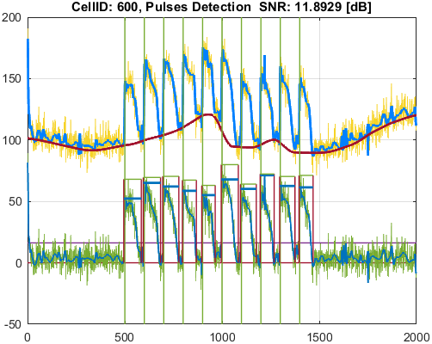
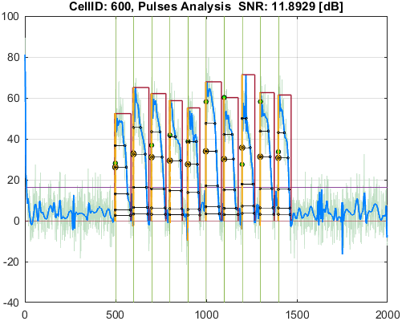

Cell_ID | Pulse_ID | Pulse_Start_ms | PulseStartOnStimulus | Pulse_End_ms | Pulse_Duration_ms | Pulse_Start_On_Stim | APD_30_ms | APD_50_ms | APD_75_ms | APD_90_ms | APD_95_ms | APD_30_EndPointApproximated | APD_50_EndPointApproximated | APD_75_EndPointApproximated | APD_90_EndPointApproximated | APD_95_EndPointApproximated | APD_30_90 | Pulse_ActivationPointTime_ms | Pulse_UpstrokeStartTime_ms | Pulse_UpstrokeEndTime_ms | Pulse_UpstrokeRiseTime_ms | Pulse_UpstrokeValue | Pulse_MaxValue | Pulse_UpstrokeVelocity | Pulse_MaxUpstrokeVelocityTime_ms | Pulse_MaxUpstrokeVelocityValue
618 | 1 | 4944.94494 | true | 5575.57557 | 630.63063 | 1 | 196.87979807 | 331.86591788 | 392.35782168 | 484.65761127 | 514.30085368 |  |  |  |  |  | 0.40622450466 | 4984.7448881 | 4944.94494 | 5015.01501 | 70.07007 | 61.520815791 | 62.236778415 | 0.88020587949 | 4984.98498 | 14.892784865
618 | 2 | 5955.95595 | true | 6516.51651 | 560.56056 | 2 | 309.0238699 | 428.04562181 | 464.95712407 | 488.24970086 | 498.82292063 |  |  |  |  |  | 0.63292178029 | 5986.8726325 | 5955.95595 | 6026.02602 | 70.07007 | 66.002063274 | 66.002063274 | 0.95697457143 | 5995.99599 | 16.17528455
618 | 3 | 6956.95695 | true | 7537.53753 | 580.58058 | 3 | 258.74414657 | 350.43597193 | 480.16047423 | 508.2207738 | 518.61511405 |  |  |  |  |  | 0.50911761169 | 6988.3151872 | 6956.95695 | 7017.01701 | 60.06006 | 75.023129801 | 75.023129801 | 1.3755319833 | 6986.98698 | 20.939984236
618 | 4 | 7887.88788 | true | 8578.57857 | 690.69069 | 4 | 229.92944691 | 406.61366253 | 480.6180505 | 530.26345048 | 557.12157817 |  |  |  |  |  | 0.43361360602 | 7984.9914541 | 7887.88788 | 8028.02802 | 140.14014 | 71.454247614 | 71.454247614 | 0.53699966404 | 7987.98798 | 14.627659034
618 | 5 | 8948.94894 | true | 9619.61961 | 670.67067 | 5 | 296.59155142 | 458.53338436 | 541.42771398 | 580.29316217 | 594.7412993 |  |  |  |  |  | 0.51110640407 | 8988.1838128 | 8948.94894 | 9019.01901 | 70.07007 | 71.245478698 | 71.245478698 | 1.0224102611 | 8988.98898 | 17.425555375
618 | 6 | 9949.94994 | true | 10590.59058 | 640.64064 | 6 | 194.55075592 | 389.3526 | 496.25557911 | 556.32081708 | 598.55328115 |  |  |  |  |  | 0.34970964585 | 9986.3345581 | 9979.97997 | 9989.98998 | 10.01001 | 64.264340178 | 79.875702669 | 6.6549059309 | 9989.98998 | 66.615674918
618 | 7 | 10980.98097 | true | 11601.60159 | 620.62062 | 7 | 262.92596144 | 450.04328448 | 509.83234907 | 543.54253293 | 561.11479514 |  |  |  |  |  | 0.48372656325 | 10985.313044 | 10980.98097 | 10990.99098 | 10.01001 | 74.000764081 | 74.000764081 | 6.5165199191 | 10990.99098 | 65.230429556
618 | 8 | 11961.96195 | true | 12652.65264 | 690.69069 | 8 | 254.29042629 | 445.501819 | 548.70874688 | 601.24521862 | 626.0848599 |  |  |  |  |  | 0.42293962333 | 11985.979324 | 11961.96195 | 11991.99198 | 30.03003 | 81.236660035 | 81.236660035 | 2.9183818705 | 11991.99198 | 67.622346222
618 | 9 | 12962.96295 | true | 13723.72371 | 760.76076 | 9 | 253.15217233 | 509.65493537 | 629.88104073 | 677.65145011 | 697.61093397 |  |  |  |  |  | 0.37357283348 | 12986.695416 | 12962.96295 | 13033.03302 | 70.07007 | 69.632585014 | 69.632585014 | 1.1160684047 | 12992.99298 | 29.45267529
618 | 10 | 13953.95394 | true | 14634.63462 | 680.68068 | 10 | 169.33922051 | 355.64870106 | 539.13373465 | 575.64988144 | 591.50265511 |  |  |  |  |  | 0.29417051227 | 13985.249462 | 13973.97396 | 14004.00399 | 30.03003 | 74.364237437 | 74.364237437 | 2.6997291065 | 13983.98397 | 39.338685766

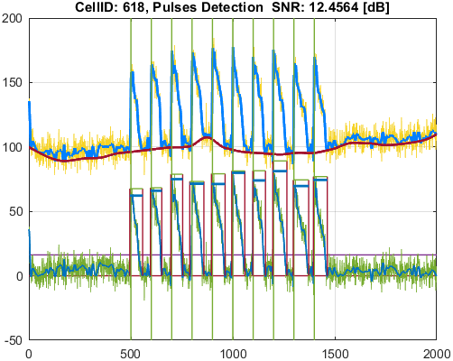
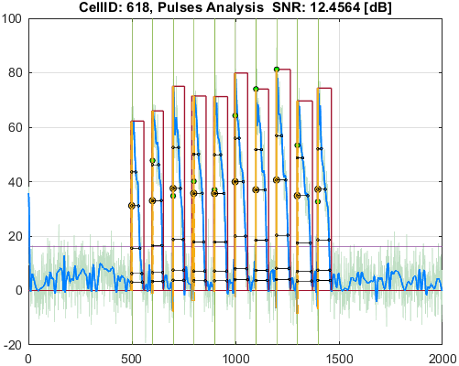

Cell_ID | Pulse_ID | Pulse_Start_ms | PulseStartOnStimulus | Pulse_End_ms | Pulse_Duration_ms | Pulse_Start_On_Stim | APD_30_ms | APD_50_ms | APD_75_ms | APD_90_ms | APD_95_ms | APD_30_EndPointApproximated | APD_50_EndPointApproximated | APD_75_EndPointApproximated | APD_90_EndPointApproximated | APD_95_EndPointApproximated | APD_30_90 | Pulse_ActivationPointTime_ms | Pulse_UpstrokeStartTime_ms | Pulse_UpstrokeEndTime_ms | Pulse_UpstrokeRiseTime_ms | Pulse_UpstrokeValue | Pulse_MaxValue | Pulse_UpstrokeVelocity | Pulse_MaxUpstrokeVelocityTime_ms | Pulse_MaxUpstrokeVelocityValue
622 | 1 | 4954.95495 | true | 5785.78578 | 830.83083 | 1 | 34.434458824 | 543.88691297 | 725.05519118 | 754.24685223 | 765.03052034 |  |  |  |  |  | 0.045654096828 | 4986.3400736 | 4954.95495 | 4994.99499 | 40.04004 | 81.798606818 | 81.798606818 | 2.0510275494 | 4994.99499 | 47.302875721
622 | 2 | 5955.95595 | true | 6616.61661 | 660.66066 | 2 | 130.56727494 | 325.65452012 | 567.94433432 | 599.31946464 | 609.89828912 |  |  |  |  |  | 0.21785922642 | 5984.4596099 | 5955.95595 | 5995.99599 | 40.04004 | 83.546473417 | 83.546473417 | 2.1590027728 | 5985.98598 | 45.168349812
622 | 3 | 6976.97697 | true | 7647.64764 | 670.67067 | 3 | 162.66112957 | 370.36231346 | 570.45078757 | 595.09584553 | 616.06803542 |  |  |  |  |  | 0.27333601938 | 6984.4196904 | 6976.97697 | 6996.99699 | 20.02002 | 81.57326868 | 81.57326868 | 4.0493542665 | 6986.98698 | 54.176213431
622 | 4 | 7957.95795 | true | 8648.64864 | 690.69069 | 4 | 232.77276021 | 489.31366044 | 615.67893771 | 631.71525682 | 646.16197013 |  |  |  |  |  | 0.36847734434 | 7983.2109033 | 7957.95795 | 7997.99799 | 40.04004 | 74.853869946 | 74.853869946 | 1.9467275331 | 7987.98798 | 65.181267781
622 | 5 | 8968.96896 | true | 9719.71971 | 750.75075 | 5 | 205.15708044 | 454.38831937 | 599.36768244 | 620.30886475 | 631.95315524 |  |  |  |  |  | 0.33073375555 | 8984.3284695 | 8968.96896 | 8998.99899 | 30.03003 | 77.282675438 | 77.282675438 | 2.643273022 | 8988.98898 | 66.536546192
622 | 6 | 9969.96996 | true | 10750.75074 | 780.78078 | 6 | 124.86426665 | 427.33758988 | 712.02463729 | 735.21169503 | 744.94397453 |  |  |  |  |  | 0.16983444019 | 9984.9865745 | 9969.96996 | 9989.98998 | 20.02002 | 90.130355545 | 90.130355545 | 4.5151028032 | 9989.98998 | 90.159168541
622 | 7 | 10980.98097 | true | 11811.8118 | 830.83083 | 7 | 123.9724864 | 350.90517812 | 720.85143577 | 744.68070064 | 762.53215635 |  |  |  |  |  | 0.16647737251 | 10985.910533 | 10980.98097 | 10990.99098 | 10.01001 | 83.074999689 | 83.074999689 | 8.1759529913 | 10990.99098 | 81.841371202
622 | 8 | 11971.97196 | true | 12742.74273 | 770.77077 | 8 | 56.007040017 | 292.84112929 | 633.78234986 | 661.35936964 | 676.92886188 |  |  |  |  |  | 0.084684730553 | 11986.350746 | 11971.97196 | 11991.99198 | 20.02002 | 96.499312405 | 96.499312405 | 4.7817987177 | 11991.99198 | 85.615933307
622 | 9 | 12972.97296 | true | 13663.66365 | 690.69069 | 9 | 156.19429813 | 419.85762721 | 616.22104855 | 647.27805069 | 663.66841197 |  |  |  |  |  | 0.24130943103 | 12986.812906 | 12972.97296 | 12992.99298 | 20.02002 | 81.01362738 | 81.01362738 | 4.0158986032 | 12992.99298 | 65.609828307
622 | 10 | 13963.96395 | true | 14594.59458 | 630.63063 | 10 | 135.29043649 | 328.3447826 | 559.99110072 | 581.51609711 | 592.54871933 |  |  |  |  |  | 0.23265123213 | 13985.848317 | 13963.96395 | 13993.99398 | 30.03003 | 86.270745418 | 86.270745418 | 2.8972421234 | 13993.99398 | 53.008027516

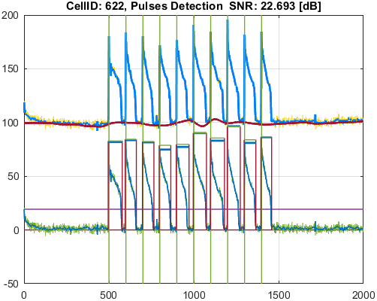
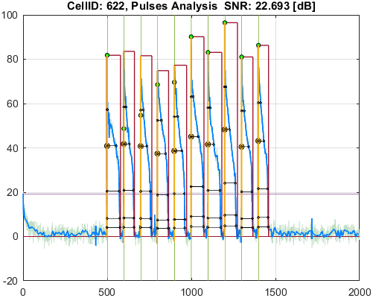

Cell_ID | Pulse_ID | Pulse_Start_ms | PulseStartOnStimulus | Pulse_End_ms | Pulse_Duration_ms | Pulse_Start_On_Stim | APD_30_ms | APD_50_ms | APD_75_ms | APD_90_ms | APD_95_ms | APD_30_EndPointApproximated | APD_50_EndPointApproximated | APD_75_EndPointApproximated | APD_90_EndPointApproximated | APD_95_EndPointApproximated | APD_30_90 | Pulse_ActivationPointTime_ms | Pulse_UpstrokeStartTime_ms | Pulse_UpstrokeEndTime_ms | Pulse_UpstrokeRiseTime_ms | Pulse_UpstrokeValue | Pulse_MaxValue | Pulse_UpstrokeVelocity | Pulse_MaxUpstrokeVelocityTime_ms | Pulse_MaxUpstrokeVelocityValue
639 | 1 | 4954.95495 | true | 5775.77577 | 820.82082 | 1 | 110.60987093 | 507.56209579 | 711.34250215 | 746.08474492 | 758.19607229 |  |  |  |  |  | 0.14825376297 | 4987.6568285 | 4954.95495 | 4994.99499 | 40.04004 | 79.897186471 | 79.897186471 | 2.0402145792 | 4994.99499 | 54.494006116
639 | 2 | 5955.95595 | true | 6666.66666 | 710.71071 | 2 | 172.70035484 | 366.28115735 | 558.74112671 | 609.41089228 | 641.88100767 |  |  |  |  |  | 0.28338901885 | 5982.8800441 | 5955.95595 | 6006.006 | 50.05005 | 80.996823759 | 80.996823759 | 1.7015138499 | 5985.98598 | 54.375481734
639 | 3 | 6976.97697 | true | 7627.62762 | 650.65065 | 3 | 138.99191325 | 336.10116308 | 547.42393343 | 589.86934697 | 605.70841616 |  |  |  |  |  | 0.23563169364 | 6985.0198777 | 6976.97697 | 6996.99699 | 20.02002 | 86.977179172 | 86.977179172 | 4.2962669181 | 6986.98698 | 52.922807425
639 | 4 | 7977.97797 | true | 8688.68868 | 710.71071 | 4 | 226.08774791 | 452.09069275 | 587.64493538 | 635.57095189 | 653.72229538 |  |  |  |  |  | 0.35572385308 | 7983.079859 | 7977.97797 | 7997.99799 | 20.02002 | 74.181988912 | 75.00473355 | 3.5938230886 | 7987.98798 | 69.198079612
639 | 5 | 8978.97897 | true | 9749.74974 | 770.77077 | 5 | 224.8205005 | 464.78942645 | 582.8546532 | 623.46172311 | 647.77191342 |  |  |  |  |  | 0.36060032583 | 8984.5093698 | 8978.97897 | 8998.99899 | 20.02002 | 75.322440591 | 75.322440591 | 3.779342082 | 8988.98898 | 68.782229667
639 | 6 | 9979.97997 | true | 10750.75074 | 770.77077 | 6 | 152.09347873 | 368.83508458 | 658.35186693 | 727.3330697 | 736.97063926 |  |  |  |  |  | 0.20911118313 | 9984.8155154 | 9979.97997 | 9989.98998 | 10.01001 | 85.29555936 | 85.29555936 | 8.2419694758 | 9989.98998 | 82.502196872
639 | 7 | 10960.96095 | true | 11781.78177 | 820.82082 | 7 | 155.4607958 | 372.5229054 | 675.71585124 | 739.09149054 | 756.01730205 |  |  |  |  |  | 0.21034039465 | 10986.004497 | 10960.96095 | 11001.00099 | 40.04004 | 84.135294983 | 84.135294983 | 2.2189376511 | 10990.99098 | 80.081847062
639 | 8 | 11971.97196 | true | 12732.73272 | 760.76076 | 8 | 129.56290028 | 373.34148232 | 600.39800283 | 658.18730614 | 686.25762411 |  |  |  |  |  | 0.19684806904 | 11986.364178 | 11971.97196 | 11991.99198 | 20.02002 | 90.850293976 | 90.850293976 | 4.4381024972 | 11991.99198 | 80.796399335
639 | 9 | 12962.96295 | true | 13703.70369 | 740.74074 | 9 | 190.61568932 | 399.49631828 | 596.94330316 | 633.86210333 | 673.54025046 |  |  |  |  |  | 0.30072106901 | 12986.496936 | 12962.96295 | 13003.00299 | 40.04004 | 81.137329112 | 81.137329112 | 2.1178619752 | 12992.99298 | 62.376511436
639 | 10 | 13963.96395 | true | 14644.64463 | 680.68068 | 10 | 110.49602512 | 333.32278185 | 536.93977218 | 584.34095237 | 622.06399464 |  |  |  |  |  | 0.18909512447 | 13985.871002 | 13963.96395 | 13993.99398 | 30.03003 | 87.856949524 | 87.856949524 | 3.0428629189 | 13993.99398 | 54.133406129

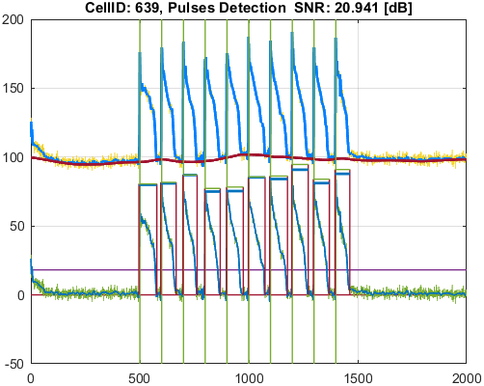
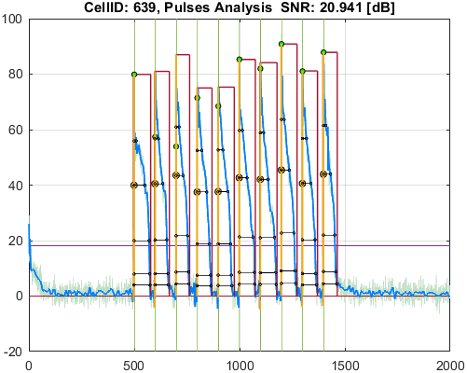

Cell_ID | Pulse_ID | Pulse_Start_ms | PulseStartOnStimulus | Pulse_End_ms | Pulse_Duration_ms | Pulse_Start_On_Stim | APD_30_ms | APD_50_ms | APD_75_ms | APD_90_ms | APD_95_ms | APD_30_EndPointApproximated | APD_50_EndPointApproximated | APD_75_EndPointApproximated | APD_90_EndPointApproximated | APD_95_EndPointApproximated | APD_30_90 | Pulse_ActivationPointTime_ms | Pulse_UpstrokeStartTime_ms | Pulse_UpstrokeEndTime_ms | Pulse_UpstrokeRiseTime_ms | Pulse_UpstrokeValue | Pulse_MaxValue | Pulse_UpstrokeVelocity | Pulse_MaxUpstrokeVelocityTime_ms | Pulse_MaxUpstrokeVelocityValue
653 | 1 | 4954.95495 | true | 5485.48548 | 530.53053 | 1 | 140.4989974 | 319.88924497 | 397.92586375 | 416.18056535 | 428.16389467 |  |  |  |  |  | 0.33759144251 | 4987.1216938 | 4974.97497 | 4994.99499 | 20.02002 | 79.920810857 | 79.920810857 | 3.9121437635 | 4994.99499 | 50.805158189
653 | 2 | 5955.95595 | true | 6516.51651 | 560.56056 | 2 | 253.84318784 | 404.61824814 | 472.97828313 | 494.09758725 | 503.23363443 |  |  |  |  |  | 0.51375111798 | 5982.7776897 | 5955.95595 | 5995.99599 | 40.04004 | 83.197956845 | 83.197956845 | 2.087670078 | 5985.98598 | 49.628128031
653 | 3 | 6976.97697 | true | 7557.55755 | 580.58058 | 3 | 275.39744798 | 405.25883269 | 487.52716246 | 515.43104698 | 529.29057544 |  |  |  |  |  | 0.53430512111 | 6987.417699 | 6976.97697 | 6996.99699 | 20.02002 | 86.287434385 | 86.287434385 | 4.2642340284 | 6996.99699 | 45.083612175
653 | 4 | 7957.95795 | true | 8538.53853 | 580.58058 | 4 | 296.28224459 | 432.66594651 | 494.55031623 | 507.82658058 | 524.37126971 |  |  |  |  |  | 0.58343193507 | 7983.0593533 | 7957.95795 | 7997.99799 | 40.04004 | 80.788771625 | 80.788771625 | 2.1149659329 | 7987.98798 | 70.266360602
653 | 5 | 8978.97897 | true | 9579.57957 | 600.6006 | 5 | 249.32560974 | 411.94813635 | 536.87397266 | 561.90219167 | 573.05133892 |  |  |  |  |  | 0.44371709781 | 8986.3323043 | 8978.97897 | 8998.99899 | 20.02002 | 87.573996747 | 87.573996747 | 4.2389061032 | 8988.98898 | 55.916271241
653 | 6 | 9969.96996 | true | 10550.55054 | 580.58058 | 6 | 207.19347965 | 368.62845075 | 512.2266683 | 534.61307928 | 544.07623543 |  |  |  |  |  | 0.38755782019 | 9984.9875295 | 9969.96996 | 9989.98998 | 20.02002 | 88.808924936 | 88.808924936 | 4.6566020493 | 9989.98998 | 88.854274334
653 | 7 | 10980.98097 | true | 11551.55154 | 570.57057 | 7 | 296.28439391 | 428.7604603 | 520.25040886 | 540.74139348 | 553.52009202 |  |  |  |  |  | 0.5479225328 | 10986.471345 | 10980.98097 | 11001.00099 | 20.02002 | 80.707121184 | 80.707121184 | 4.0863886785 | 10990.99098 | 75.582307465
653 | 8 | 11951.95194 | true | 12592.59258 | 640.64064 | 8 | 187.08335787 | 387.43950795 | 549.27648621 | 573.97931708 | 583.56470969 |  |  |  |  |  | 0.32594093951 | 11986.50879 | 11971.97196 | 11991.99198 | 20.02002 | 99.95204075 | 99.95204075 | 4.8820003552 | 11991.99198 | 91.235291293
653 | 9 | 12952.95294 | true | 13663.66365 | 710.71071 | 9 | 244.78659731 | 442.6060724 | 617.31274854 | 644.99554361 | 654.41109717 |  |  |  |  |  | 0.37951672648 | 12987.285385 | 12972.97296 | 12992.99298 | 20.02002 | 84.594493498 | 84.594493498 | 4.1150914565 | 12992.99298 | 74.18113732
653 | 10 | 13973.97396 | true | 14584.58457 | 610.61061 | 10 | 250.18668636 | 418.59242853 | 530.09871599 | 557.09765697 | 573.35606264 |  |  |  |  |  | 0.44908946077 | 13986.35455 | 13973.97396 | 14004.00399 | 30.03003 | 84.547880956 | 84.547880956 | 2.8211095272 | 13993.99398 | 52.878134527
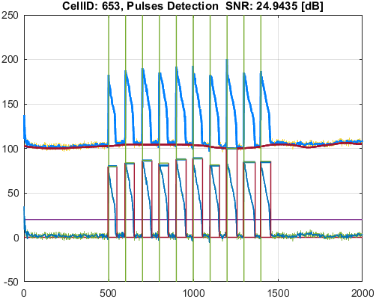
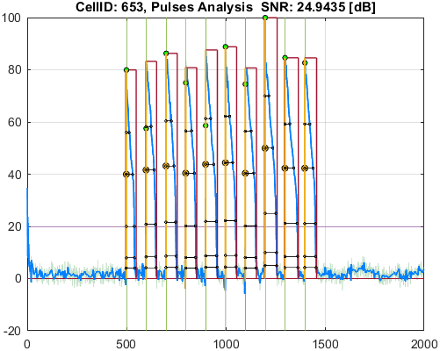

Cell_ID | Pulse_ID | Pulse_Start_ms | PulseStartOnStimulus | Pulse_End_ms | Pulse_Duration_ms | Pulse_Start_On_Stim | APD_30_ms | APD_50_ms | APD_75_ms | APD_90_ms | APD_95_ms | APD_30_EndPointApproximated | APD_50_EndPointApproximated | APD_75_EndPointApproximated | APD_90_EndPointApproximated | APD_95_EndPointApproximated | APD_30_90 | Pulse_ActivationPointTime_ms | Pulse_UpstrokeStartTime_ms | Pulse_UpstrokeEndTime_ms | Pulse_UpstrokeRiseTime_ms | Pulse_UpstrokeValue | Pulse_MaxValue | Pulse_UpstrokeVelocity | Pulse_MaxUpstrokeVelocityTime_ms | Pulse_MaxUpstrokeVelocityValue
655 | 1 | 4974.97497 | true | 5785.78578 | 810.81081 | 1 | 112.31057375 | 535.9077156 | 729.89289113 | 759.64398245 | 770.94906646 |  |  |  |  |  | 0.14784632848 | 4983.5671605 | 4974.97497 | 4994.99499 | 20.02002 | 75.712074271 | 75.712074271 | 3.7308651904 | 4984.98498 | 42.914354928
655 | 2 | 5975.97597 | true | 6616.61661 | 640.64064 | 2 | 130.29945474 | 331.13388193 | 563.91992989 | 594.76378892 | 604.10072559 |  |  |  |  |  | 0.21907765262 | 5987.2197596 | 5975.97597 | 5995.99599 | 20.02002 | 87.163431273 | 87.163431273 | 4.2700536844 | 5995.99599 | 49.7085183
655 | 3 | 6956.95695 | true | 7587.58758 | 630.63063 | 3 | 198.2320586 | 399.24241322 | 563.44076738 | 590.74988292 | 596.71932167 |  |  |  |  |  | 0.3355600472 | 6982.5575548 | 6956.95695 | 7007.007 | 50.05005 | 73.135421201 | 73.135421201 | 1.538302061 | 6986.98698 | 57.915952178
655 | 4 | 7977.97797 | true | 8648.64864 | 670.67067 | 4 | 189.90826366 | 465.28558272 | 605.65959765 | 633.55388783 | 649.54842215 |  |  |  |  |  | 0.29975076676 | 7984.9413663 | 7977.97797 | 7997.99799 | 20.02002 | 80.484389477 | 80.484389477 | 3.898786514 | 7987.98798 | 54.354853747
655 | 5 | 8978.97897 | true | 9689.68968 | 710.71071 | 5 | 184.8856876 | 399.14446472 | 595.658618 | 618.84828824 | 630.37796619 |  |  |  |  |  | 0.29875769412 | 8983.9752534 | 8978.97897 | 8998.99899 | 20.02002 | 78.478370556 | 78.478370556 | 3.8791571984 | 8988.98898 | 76.977377276
655 | 6 | 9969.96996 | true | 10750.75074 | 780.78078 | 6 | 199.80462448 | 494.93614128 | 716.52127475 | 734.59647722 | 742.16419334 |  |  |  |  |  | 0.27199235319 | 9985.0254051 | 9969.96996 | 9999.99999 | 30.03003 | 76.054423986 | 76.054423986 | 2.6285057227 | 9989.98998 | 67.248805382
655 | 7 | 10980.98097 | true | 11791.79178 | 810.81081 | 7 | 48.932221301 | 270.89758475 | 711.33587092 | 755.28368646 | 770.20499252 |  |  |  |  |  | 0.064786546007 | 10986.004229 | 10980.98097 | 10990.99098 | 10.01001 | 94.136532183 | 94.136532183 | 9.4386644159 | 10990.99098 | 94.48112519
655 | 8 | 11961.96195 | true | 12742.74273 | 780.78078 | 8 | 121.04849743 | 354.00367912 | 633.69571877 | 663.1935705 | 683.88107054 |  |  |  |  |  | 0.18252362932 | 11986.764721 | 11961.96195 | 11991.99198 | 30.03003 | 86.155561411 | 86.155561411 | 3.0486776544 | 11991.99198 | 82.4923793
655 | 9 | 12962.96295 | true | 13653.65364 | 690.69069 | 9 | 69.567495871 | 323.42382712 | 614.03614589 | 635.44501427 | 654.83724345 |  |  |  |  |  | 0.10947838807 | 12985.646794 | 12962.96295 | 12992.99298 | 30.03003 | 94.247780301 | 94.247780301 | 3.1788491705 | 12992.99298 | 64.211632822
655 | 10 | 13963.96395 | true | 14694.69468 | 730.73073 | 10 | 130.58120278 | 334.5679271 | 560.41707968 | 583.51120924 | 597.90866185 |  |  |  |  |  | 0.22378525162 | 13987.404632 | 13963.96395 | 13993.99398 | 30.03003 | 79.193977462 | 79.193977462 | 2.7807814991 | 13993.99398 | 60.152578295
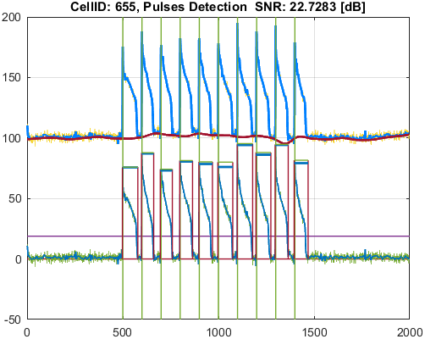
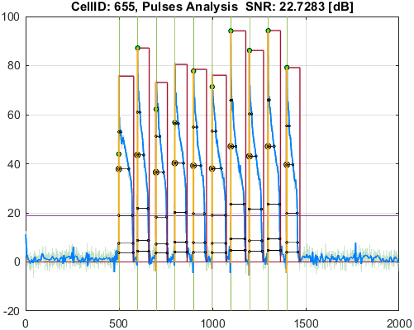

Cell_ID | Pulse_ID | Pulse_Start_ms | PulseStartOnStimulus | Pulse_End_ms | Pulse_Duration_ms | Pulse_Start_On_Stim | APD_30_ms | APD_50_ms | APD_75_ms | APD_90_ms | APD_95_ms | APD_30_EndPointApproximated | APD_50_EndPointApproximated | APD_75_EndPointApproximated | APD_90_EndPointApproximated | APD_95_EndPointApproximated | APD_30_90 | Pulse_ActivationPointTime_ms | Pulse_UpstrokeStartTime_ms | Pulse_UpstrokeEndTime_ms | Pulse_UpstrokeRiseTime_ms | Pulse_UpstrokeValue | Pulse_MaxValue | Pulse_UpstrokeVelocity | Pulse_MaxUpstrokeVelocityTime_ms | Pulse_MaxUpstrokeVelocityValue
688 | 1 | 4964.96496 | true | 5485.48548 | 520.52052 | 1 | 140.90101713 | 304.8841495 | 395.41506855 | 416.36521828 | 430.94147152 |  |  |  |  |  | 0.33840727071 | 4987.3201741 | 4964.96496 | 4994.99499 | 30.03003 | 80.549127986 | 80.549127986 | 2.880895611 | 4994.99499 | 52.528789741
688 | 2 | 5955.95595 | true | 6496.49649 | 540.54054 | 2 | 264.69109238 | 395.25002242 | 468.72158801 | 487.22212551 | 494.5818257 |  |  |  |  |  | 0.54326574784 | 5986.2476564 | 5955.95595 | 6016.01601 | 60.06006 | 86.2446151 | 86.2446151 | 1.4918930462 | 5995.99599 | 43.560084214
688 | 3 | 6956.95695 | true | 7547.54754 | 590.59059 | 3 | 271.20733693 | 408.01490612 | 492.20820038 | 519.74263218 | 531.181905 |  |  |  |  |  | 0.52181083508 | 6985.2334186 | 6956.95695 | 6996.99699 | 40.04004 | 88.763167444 | 88.763167444 | 2.2627512342 | 6986.98698 | 50.577381752
688 | 4 | 7977.97797 | true | 8568.56856 | 590.59059 | 4 | 265.81066413 | 404.61631546 | 484.71868293 | 509.70457005 | 533.66313699 |  |  |  |  |  | 0.52149947195 | 7984.6399505 | 7977.97797 | 8008.008 | 30.03003 | 87.673588687 | 87.673588687 | 2.7966225439 | 7987.98798 | 60.321476938
688 | 5 | 8978.97897 | true | 9579.57957 | 600.6006 | 5 | 279.91609044 | 455.35963814 | 541.41149766 | 566.84746028 | 575.31457357 |  |  |  |  |  | 0.49381202185 | 8984.8360044 | 8978.97897 | 9009.009 | 30.03003 | 85.348194409 | 85.348194409 | 2.7047779381 | 8988.98898 | 65.884971173
688 | 6 | 9979.97997 | true | 10540.54053 | 560.56056 | 6 | 269.95739291 | 416.03270941 | 517.05626791 | 533.34185852 | 540.30239304 |  |  |  |  |  | 0.50616202084 | 9985.5443952 | 9979.97997 | 9999.99999 | 20.02002 | 84.125016853 | 84.125016853 | 4.2551941305 | 9989.98998 | 77.581656642
688 | 7 | 10980.98097 | true | 11551.55154 | 570.57057 | 7 | 272.00076785 | 426.78129067 | 517.2297529 | 537.50200847 | 546.84900495 |  |  |  |  |  | 0.50604604925 | 10986.085467 | 10980.98097 | 11001.00099 | 20.02002 | 83.813027184 | 83.813027184 | 4.043595687 | 10990.99098 | 76.570591588
688 | 8 | 11981.98197 | true | 12712.7127 | 730.73073 | 8 | 232.04527308 | 408.77635516 | 548.53654671 | 578.02216278 | 593.43260529 |  |  |  |  |  | 0.40144701712 | 11986.892 | 11981.98197 | 11991.99198 | 10.01001 | 96.662596094 | 96.662596094 | 9.4767623634 | 11991.99198 | 94.862486025
688 | 9 | 12972.97296 | true | 13663.66365 | 690.69069 | 9 | 233.98285397 | 445.35409824 | 610.34213197 | 640.59350592 | 652.43009827 |  |  |  |  |  | 0.36525948485 | 12987.594237 | 12972.97296 | 13003.00299 | 30.03003 | 88.893325945 | 88.893325945 | 3.0146018822 | 12992.99298 | 80.092367892
688 | 10 | 13963.96395 | true | 14584.58457 | 620.62062 | 10 | 242.24507195 | 441.1516297 | 542.09140111 | 570.48740772 | 583.91229304 |  |  |  |  |  | 0.42462825414 | 13987.035814 | 13963.96395 | 13993.99398 | 30.03003 | 87.97093568 | 87.97093568 | 3.000361674 | 13993.99398 | 63.277446457
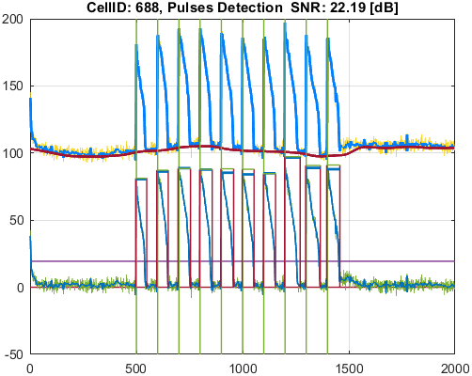
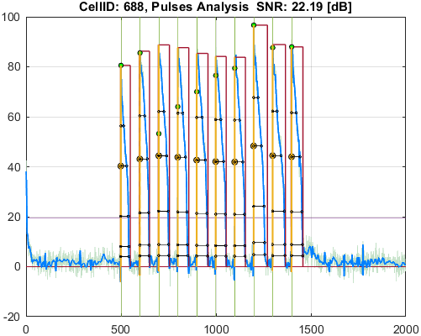

Cell_ID | Pulse_ID | Pulse_Start_ms | PulseStartOnStimulus | Pulse_End_ms | Pulse_Duration_ms | Pulse_Start_On_Stim | APD_30_ms | APD_50_ms | APD_75_ms | APD_90_ms | APD_95_ms | APD_30_EndPointApproximated | APD_50_EndPointApproximated | APD_75_EndPointApproximated | APD_90_EndPointApproximated | APD_95_EndPointApproximated | APD_30_90 | Pulse_ActivationPointTime_ms | Pulse_UpstrokeStartTime_ms | Pulse_UpstrokeEndTime_ms | Pulse_UpstrokeRiseTime_ms | Pulse_UpstrokeValue | Pulse_MaxValue | Pulse_UpstrokeVelocity | Pulse_MaxUpstrokeVelocityTime_ms | Pulse_MaxUpstrokeVelocityValue
701 | 1 | 4974.97497 | true | 5435.43543 | 460.46046 | 1 | 135.71657048 | 284.40746409 | 399.10243425 | 420.68240779 | 441.37215283 |  |  |  |  |  | 0.32261052036 | 4986.2386362 | 4974.97497 | 4994.99499 | 20.02002 | 85.163985853 | 85.163985853 | 4.2685194567 | 4994.99499 | 48.678500874
701 | 2 | 5955.95595 | true | 6496.49649 | 540.54054 | 2 | 237.52695478 | 401.23504752 | 457.18358104 | 482.05497724 | 492.74774044 |  |  |  |  |  | 0.49273830993 | 5987.7764061 | 5955.95595 | 5995.99599 | 40.04004 | 86.588843339 | 86.588843339 | 2.2672175618 | 5995.99599 | 52.72500395
701 | 3 | 6976.97697 | true | 7507.5075 | 530.53053 | 3 | 263.91499557 | 417.79262225 | 493.19559817 | 511.3200104 | 517.80408881 |  |  |  |  |  | 0.5161444696 | 6986.4971224 | 6976.97697 | 6996.99699 | 20.02002 | 81.723389886 | 89.061706032 | 4.0825043067 | 6986.98698 | 46.831041054
701 | 4 | 7967.96796 | true | 8538.53853 | 570.57057 | 4 | 176.79950255 | 390.77494104 | 480.57944208 | 505.3090825 | 517.71477258 |  |  |  |  |  | 0.34988388032 | 7990.0629671 | 7967.96796 | 7997.99799 | 30.03003 | 84.324000989 | 91.246910584 | 2.9203918226 | 7997.99799 | 48.820634074
701 | 5 | 8978.97897 | true | 9579.57957 | 600.6006 | 5 | 260.06004352 | 465.40042208 | 547.53995349 | 567.44735319 | 574.10375734 |  |  |  |  |  | 0.45829809949 | 8983.5427108 | 8978.97897 | 8998.99899 | 20.02002 | 83.612938186 | 83.612938186 | 3.6777521838 | 8988.98898 | 69.7981291
701 | 6 | 9959.95995 | true | 10540.54053 | 580.58058 | 6 | 200.50517712 | 369.34162001 | 514.0103813 | 533.27050562 | 541.81107471 |  |  |  |  |  | 0.37599149963 | 9987.0713048 | 9959.95995 | 9999.99999 | 40.04004 | 92.254971471 | 92.254971471 | 2.3269110076 | 9989.98998 | 56.745822345
701 | 7 | 10980.98097 | true | 11551.55154 | 570.57057 | 7 | 187.95920794 | 366.07981781 | 516.12092303 | 538.33289234 | 550.58679897 |  |  |  |  |  | 0.34915051748 | 10986.095926 | 10980.98097 | 11001.00099 | 20.02002 | 92.363273415 | 92.363273415 | 4.6499120516 | 10990.99098 | 91.802646361
701 | 8 | 11981.98197 | true | 12602.60259 | 620.62062 | 8 | 262.68278753 | 441.27189433 | 559.74698821 | 580.62808509 | 590.84017354 |  |  |  |  |  | 0.45241143905 | 11987.3477 | 11981.98197 | 12022.02201 | 40.04004 | 85.078408882 | 85.078408882 | 2.0614116242 | 11991.99198 | 74.621421118
701 | 9 | 12962.96295 | true | 13663.66365 | 700.7007 | 9 | 220.19672093 | 402.77137563 | 610.93588459 | 639.98239201 | 651.50201774 |  |  |  |  |  | 0.34406684259 | 12987.481738 | 12962.96295 | 12992.99298 | 30.03003 | 82.946172881 | 84.439417275 | 2.8418404867 | 12992.99298 | 73.971040771
701 | 10 | 13983.98397 | true | 14604.60459 | 620.62062 | 10 | 226.76141196 | 396.15134481 | 526.62012261 | 560.56802539 | 609.35907703 |  |  |  |  |  | 0.4045207748 | 13988.602359 | 13983.98397 | 13993.99398 | 10.01001 | 79.501682742 | 83.837093106 | 6.9706565116 | 13993.99398 | 69.776341388

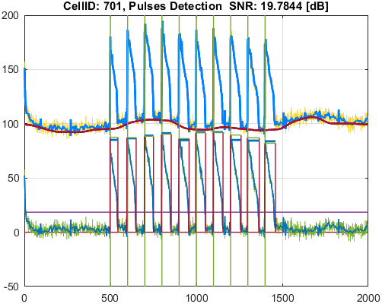
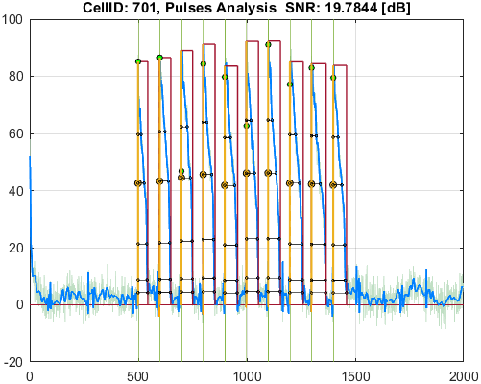

Cell_ID | Pulse_ID | Pulse_Start_ms | PulseStartOnStimulus | Pulse_End_ms | Pulse_Duration_ms | Pulse_Start_On_Stim | APD_30_ms | APD_50_ms | APD_75_ms | APD_90_ms | APD_95_ms | APD_30_EndPointApproximated | APD_50_EndPointApproximated | APD_75_EndPointApproximated | APD_90_EndPointApproximated | APD_95_EndPointApproximated | APD_30_90 | Pulse_ActivationPointTime_ms | Pulse_UpstrokeStartTime_ms | Pulse_UpstrokeEndTime_ms | Pulse_UpstrokeRiseTime_ms | Pulse_UpstrokeValue | Pulse_MaxValue | Pulse_UpstrokeVelocity | Pulse_MaxUpstrokeVelocityTime_ms | Pulse_MaxUpstrokeVelocityValue
957 | 1 | 4974.97497 | true | 5315.31531 | 340.34034 | 1 | 95.913184311 | 176.78626407 | 241.26563173 | 269.57984359 | 280.7271705 |  |  |  |  |  | 0.35578766956 | 4989.5071473 | 4974.97497 | 5005.005 | 30.03003 | 64.511352281 | 64.511352281 | 1.9211420244 | 4994.99499 | 55.354151664
957 | 2 | 5975.97597 | true | 6216.21621 | 240.24024 | 2 | 27.820204457 | 60.707739218 | 161.24915963 | 197.28404742 | 216.58116309 |  |  |  |  |  | 0.14101598594 | 5990.725848 | 5975.97597 | 5995.99599 | 20.02002 | 97.343475215 | 97.343475215 | 4.6786713838 | 5995.99599 | 92.446196328
957 | 3 | 6976.97697 | true | 7307.3073 | 330.33033 | 3 | 58.82140619 | 184.29488022 | 249.77993664 | 276.50201026 | 288.09021841 |  |  |  |  |  | 0.2127340996 | 6992.1099006 | 6976.97697 | 7007.007 | 30.03003 | 74.319457541 | 74.319457541 | 2.6321334997 | 6996.99699 | 71.316158884
957 | 4 | 7957.95795 | true | 8368.36836 | 410.41041 | 4 | 30.352123868 | 122.13233082 | 267.11899109 | 294.32809366 | 318.56226328 |  |  |  |  |  | 0.10312343443 | 7992.0236676 | 7957.95795 | 7997.99799 | 40.04004 | 94.190942899 | 94.190942899 | 2.3367445179 | 7997.99799 | 78.908721131
957 | 5 | 8958.95895 | true | 9339.33933 | 380.38038 | 5 | 40.699445582 | 176.43217177 | 293.43943612 | 316.58078346 | 323.83048891 |  |  |  |  |  | 0.12855943162 | 8992.9752494 | 8958.95895 | 8998.99899 | 40.04004 | 89.470470767 | 89.470470767 | 2.2361873229 | 8998.99899 | 74.339216277
957 | 6 | 9979.97997 | true | 10460.46045 | 480.48048 | 6 | 97.81151513 | 236.74065502 | 317.95702988 | 340.23216597 | 357.46273289 |  |  |  |  |  | 0.28748462054 | 9987.4880822 | 9979.97997 | 9999.99999 | 20.02002 | 87.297420479 | 87.297420479 | 4.1505184124 | 9989.98998 | 52.58876569
957 | 7 | 10970.97096 | true | 11401.40139 | 430.43043 | 7 | 76.92045764 | 224.84573968 | 313.13527246 | 341.17040106 | 368.56829319 |  |  |  |  |  | 0.22546052472 | 10993.857386 | 10970.97096 | 11001.00099 | 30.03003 | 89.160629657 | 89.160629657 | 3.063700836 | 11001.00099 | 62.468383902
957 | 8 | 11961.96195 | true | 12452.45244 | 490.49049 | 8 | 140.57650793 | 269.05492059 | 315.29338266 | 345.3448076 | 365.46733189 |  |  |  |  |  | 0.40706130465 | 11986.80334 | 11961.96195 | 12002.00199 | 40.04004 | 72.27309112 | 74.549689146 | 1.9524668421 | 11991.99198 | 61.328284936
957 | 9 | 12982.98297 | true | 13393.39338 | 410.41041 | 9 | 120.88805156 | 227.75198292 | 289.94925414 | 338.34570638 | 362.17369714 |  |  |  |  |  | 0.35729151954 | 12991.579506 | 12982.98297 | 13013.013 | 30.03003 | 83.43407506 | 83.43407506 | 2.9943139791 | 12992.99298 | 56.12790273
957 | 10 | 13983.98397 | true | 14404.40439 | 420.42042 | 10 | 84.463860559 | 214.87113521 | 292.53076931 | 333.66777336 | 361.00918866 |  |  |  |  |  | 0.25313760364 | 13989.037326 | 13983.98397 | 13993.99398 | 10.01001 | 84.217851295 | 84.217851295 | 8.4954332619 | 13993.99398 | 85.039371906

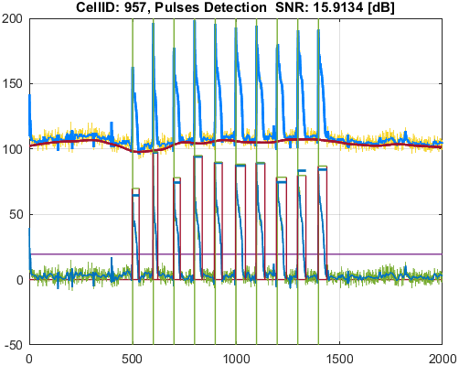
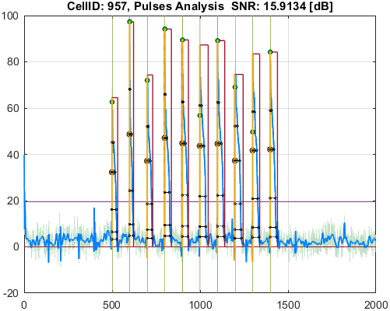

Cell_ID | Pulse_ID | Pulse_Start_ms | PulseStartOnStimulus | Pulse_End_ms | Pulse_Duration_ms | Pulse_Start_On_Stim | APD_30_ms | APD_50_ms | APD_75_ms | APD_90_ms | APD_95_ms | APD_30_EndPointApproximated | APD_50_EndPointApproximated | APD_75_EndPointApproximated | APD_90_EndPointApproximated | APD_95_EndPointApproximated | APD_30_90 | Pulse_ActivationPointTime_ms | Pulse_UpstrokeStartTime_ms | Pulse_UpstrokeEndTime_ms | Pulse_UpstrokeRiseTime_ms | Pulse_UpstrokeValue | Pulse_MaxValue | Pulse_UpstrokeVelocity | Pulse_MaxUpstrokeVelocityTime_ms | Pulse_MaxUpstrokeVelocityValue
970 | 1 | 4984.98498 | true | 5325.32532 | 340.34034 | 1 | 13.027092522 | 21.715683906 | 235.63618436 | 270.24095195 | 319.66364576 |  |  |  |  |  | 0.048205471557 | 4989.7986162 | 4984.98498 | 4994.99499 | 10.01001 | 83.764025171 | 83.764025171 | 8.0598536402 | 4994.99499 | 80.679215537
970 | 2 | 5975.97597 | true | 6216.21621 | 240.24024 | 2 | 61.812378896 | 139.07351843 | 173.41446175 | 196.56271947 | 206.9585134 |  |  |  |  |  | 0.31446644137 | 5990.6797366 | 5975.97597 | 6006.006 | 30.03003 | 57.094961334 | 57.094961334 | 1.8668399466 | 5995.99599 | 50.461885035
970 | 3 | 6966.96696 | true | 7317.31731 | 350.35035 | 3 | 12.880812347 | 41.040243242 | 239.38689111 | 276.20320382 | 292.46270124 |  |  |  |  |  | 0.046635274931 | 6990.9902424 | 6966.96696 | 6996.99699 | 30.03003 | 93.544457038 | 93.544457038 | 3.1622415203 | 6996.99699 | 77.944089852
970 | 4 | 7947.94794 | true | 8348.34834 | 400.4004 | 4 | 42.35878027 | 119.09424177 | 277.6828936 | 313.82903345 | 328.633446 |  |  |  |  |  | 0.13497406472 | 7992.3038134 | 7947.94794 | 7997.99799 | 50.05005 | 86.055094251 | 86.055094251 | 1.751542099 | 7997.99799 | 75.639764414
970 | 5 | 8968.96896 | true | 9349.34934 | 380.38038 | 5 | 33.966865891 | 139.56782036 | 288.42273694 | 323.94568692 | 339.26247391 |  |  |  |  |  | 0.10485358275 | 8991.8107306 | 8968.96896 | 8998.99899 | 30.03003 | 87.187031852 | 87.187031852 | 2.9347785179 | 8998.99899 | 60.706146379
970 | 6 | 9949.94994 | true | 10360.36035 | 410.41041 | 6 | 153.01243586 | 245.58531696 | 317.4561084 | 335.96640751 | 360.3031227 |  |  |  |  |  | 0.45543968813 | 9993.6462557 | 9949.94994 | 9999.99999 | 50.05005 | 67.016241601 | 67.016241601 | 1.3762594383 | 9999.99999 | 52.790470759
970 | 7 | 10960.96095 | true | 11351.35134 | 390.39039 | 7 | 130.27831325 | 229.00068374 | 319.24855981 | 341.05145134 | 364.19445069 |  |  |  |  | true | 0.38199020336 | 10987.156889 | 10960.96095 | 11021.02101 | 60.06006 | 69.49249005 | 69.49249005 | 1.1486254923 | 10990.99098 | 50.779431169
970 | 8 | 11961.96195 | true | 12352.35234 | 390.39039 | 8 | 69.782431289 | 210.92317994 | 308.28074816 | 328.39002563 | 337.03697398 |  |  |  |  |  | 0.21249863224 | 11994.025777 | 11961.96195 | 12002.00199 | 40.04004 | 80.159106126 | 80.159106126 | 2.0712398104 | 12002.00199 | 50.299150683
970 | 9 | 12982.98297 | true | 13343.34333 | 360.36036 | 9 | 143.50113684 | 266.1343787 | 300.47556126 | 323.79134937 | 334.45598455 |  |  |  |  |  | 0.44319015045 | 12988.425597 | 12982.98297 | 13003.00299 | 20.02002 | 65.118232183 | 68.295077521 | 3.2569588773 | 12992.99298 | 62.962167088
970 | 10 | 13983.98397 | true | 14334.33432 | 350.35035 | 10 | 116.23666581 | 238.07270644 | 299.96222521 | 325.80276503 | 332.25943823 |  |  |  |  |  | 0.35677004093 | 13989.219727 | 13983.98397 | 14014.014 | 30.03003 | 70.624453725 | 70.624453725 | 2.0179416404 | 13993.99398 | 48.344362075
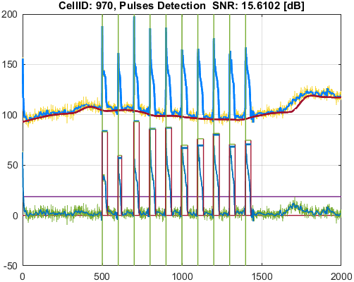
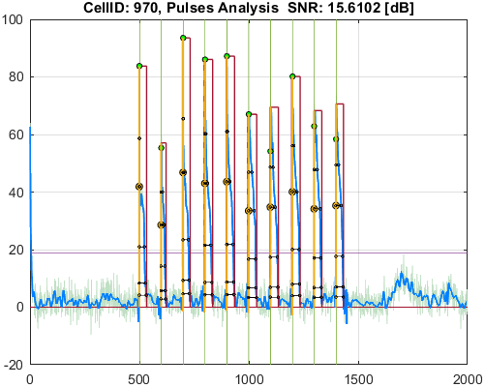

Cell_ID | Pulse_ID | Pulse_Start_ms | PulseStartOnStimulus | Pulse_End_ms | Pulse_Duration_ms | Pulse_Start_On_Stim | APD_30_ms | APD_50_ms | APD_75_ms | APD_90_ms | APD_95_ms | APD_30_EndPointApproximated | APD_50_EndPointApproximated | APD_75_EndPointApproximated | APD_90_EndPointApproximated | APD_95_EndPointApproximated | APD_30_90 | Pulse_ActivationPointTime_ms | Pulse_UpstrokeStartTime_ms | Pulse_UpstrokeEndTime_ms | Pulse_UpstrokeRiseTime_ms | Pulse_UpstrokeValue | Pulse_MaxValue | Pulse_UpstrokeVelocity | Pulse_MaxUpstrokeVelocityTime_ms | Pulse_MaxUpstrokeVelocityValue
976 | 1 | 4974.97497 | true | 5625.62562 | 650.65065 | 1 | 215.59513659 | 254.80365363 | 594.37207191 | 635.3383711 | 635.3383711 |  |  |  | true | true | 0.33933907725 | 4990.2872489 | 4974.97497 | 5005.005 | 30.03003 | 78.040629229 | 78.040629229 | 2.6764497115 | 4994.99499 | 73.357901531
976 | 2 | 5975.97597 | true | 6216.21621 | 240.24024 | 2 | 24.200105305 | 115.42213947 | 184.87061823 | 225.2880684 | 225.2880684 |  |  |  | true | true | 0.10741849525 | 5990.9281416 | 5975.97597 | 5995.99599 | 20.02002 | 80.818869759 | 80.818869759 | 4.0210040973 | 5995.99599 | 79.816682574
976 | 3 | 6986.98698 | true | 7297.29729 | 310.31031 | 3 | 32.546098122 | 171.30540089 | 276.20759851 | 305.21780617 | 305.21780617 |  |  |  | true | true | 0.10663237028 | 6992.0794838 | 6986.98698 | 6996.99699 | 10.01001 | 81.821004166 | 81.821004166 | 8.3193595901 | 6996.99699 | 83.276872691
976 | 4 | 7957.95795 | true | 8668.66866 | 710.71071 | 4 | 37.726722215 | 168.42442109 | 287.3932768 | 389.0197474 | 582.93067801 |  |  |  |  |  | 0.096978938645 | 7992.2317729 | 7957.95795 | 7997.99799 | 40.04004 | 82.492285079 | 82.492285079 | 2.0509991656 | 7997.99799 | 71.602281195
976 | 5 | 8978.97897 | true | 9779.77977 | 800.8008 | 5 | 67.977423671 | 213.38068567 | 306.26736971 | 411.52382912 | 601.01303517 |  |  |  |  |  | 0.1651846597 | 8992.4881292 | 8978.97897 | 8998.99899 | 20.02002 | 81.187401228 | 81.187401228 | 4.0759662494 | 8998.99899 | 62.410080912
976 | 6 | 9959.95995 | true | 10580.58057 | 620.62062 | 6 | 167.50135957 | 300.51833122 | 406.51340922 | 588.23145674 | 588.23145674 |  |  |  | true | true | 0.28475416887 | 9992.3491133 | 9959.95995 | 9999.99999 | 40.04004 | 96.598766976 | 96.598766976 | 2.503684287 | 9999.99999 | 63.192406322
976 | 7 | 10960.96095 | true | 11361.36135 | 400.4004 | 7 | 86.796287053 | 236.45481054 | 326.6089542 | 368.68657462 | 368.68657462 |  |  |  | true | true | 0.23542025402 | 10992.674775 | 10960.96095 | 11001.00099 | 40.04004 | 79.966721413 | 79.966721413 | 2.0605841575 | 11001.00099 | 48.069123684
976 | 8 | 11981.98197 | true | 12352.35234 | 370.37037 | 8 | 96.644322953 | 236.03605112 | 320.60539137 | 362.81747947 | 362.81747947 |  |  |  | true | true | 0.26637173902 | 11989.534861 | 11981.98197 | 12002.00199 | 20.02002 | 78.826384455 | 78.826384455 | 3.9850437806 | 11991.99198 | 53.49987747
976 | 9 | 12982.98297 | true | 13343.34333 | 360.36036 | 9 | 116.28524624 | 256.184998 | 310.30336686 | 352.98224336 | 352.98224336 |  |  |  | true | true | 0.32943653237 | 12990.361087 | 12982.98297 | 13003.00299 | 20.02002 | 77.105717143 | 77.105717143 | 3.832187458 | 12992.99298 | 51.782614201
976 | 10 | 13973.97396 | true | 14354.35434 | 380.38038 | 10 | 122.52211986 | 244.82760152 | 301.26666122 | 364.9081783 | 364.9081783 |  |  |  | true | true | 0.33576150699 | 13989.446162 | 13973.97396 | 14004.00399 | 30.03003 | 73.154050031 | 73.154050031 | 2.4888152202 | 13993.99398 | 68.40723969

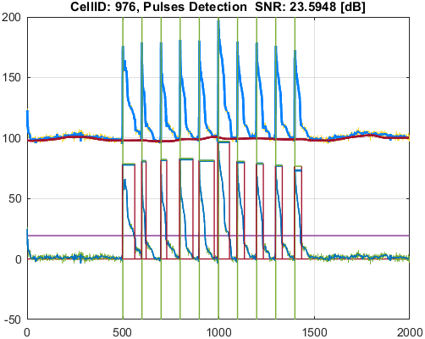
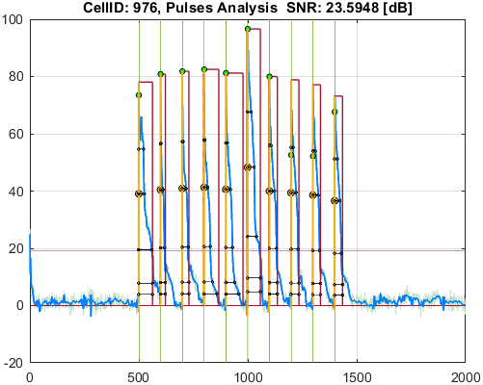

Cell_ID | Pulse_ID | Pulse_Start_ms | PulseStartOnStimulus | Pulse_End_ms | Pulse_Duration_ms | Pulse_Start_On_Stim | APD_30_ms | APD_50_ms | APD_75_ms | APD_90_ms | APD_95_ms | APD_30_EndPointApproximated | APD_50_EndPointApproximated | APD_75_EndPointApproximated | APD_90_EndPointApproximated | APD_95_EndPointApproximated | APD_30_90 | Pulse_ActivationPointTime_ms | Pulse_UpstrokeStartTime_ms | Pulse_UpstrokeEndTime_ms | Pulse_UpstrokeRiseTime_ms | Pulse_UpstrokeValue | Pulse_MaxValue | Pulse_UpstrokeVelocity | Pulse_MaxUpstrokeVelocityTime_ms | Pulse_MaxUpstrokeVelocityValue
979 | 1 | 4984.98498 | true | 5765.76576 | 780.78078 | 1 | 109.3869147 | 387.81811338 | 564.36523325 | 775.344268 | 775.344268 |  |  |  | true | true | 0.1410817352 | 4990.421492 | 4984.98498 | 4994.99499 | 10.01001 | 39.954769218 | 40.669104944 | 4.2899803955 | 4994.99499 | 42.942746659
979 | 2 | 5955.95595 | true | 6196.19619 | 240.24024 | 2 | 123.24365775 | 208.88223528 | 208.88223528 | 208.88223528 | 208.88223528 |  | true | true | true | true | 0.59001502732 | 5987.3139547 | 5955.95595 | 6036.03603 | 80.08008 | 34.773375965 | 34.773375965 | 0.40271693532 | 5995.99599 | 7.4126851101
979 | 3 | 6206.2062 |  | 6596.59659 | 390.39039 | -1 | 266.66048321 | 300.79825179 | 330.93649715 | 352.09157447 | 362.75247369 |  |  |  |  |  | 0.75736115983 | 6206.2062 | 6206.2062 | 6256.25625 | 50.05005 | 20.773322999 | 20.773322999 | 0.016273379341 | 6226.22622 | 0.22458741579
979 | 4 | 6956.95695 | true | 7687.68768 | 730.73073 | 3 | 110.80850574 | 343.80886001 | 508.45966121 | 698.7751065 | 698.7751065 |  |  |  | true | true | 0.15857534808 | 6988.9125735 | 6956.95695 | 7007.007 | 50.05005 | 41.748979858 | 41.748979858 | 0.95529944514 | 6996.99699 | 15.104864392
979 | 5 | 7957.95795 | true | 8518.51851 | 560.56056 | 4 | 262.96047198 | 300.86444953 | 348.47196167 | 530.94237738 | 530.94237738 |  |  |  | true | true | 0.49527120679 | 7987.5761326 | 7957.95795 | 8008.008 | 50.05005 | 34.161742009 | 34.161742009 | 0.68255160602 | 7987.98798 | 10.010184182
979 | 6 | 8948.94894 | true | 9769.76976 | 820.82082 | 5 | 16.159370081 | 254.1172123 | 474.49783847 | 719.62369258 | 764.20959646 |  |  |  |  |  | 0.022455305804 | 8992.2933517 | 8948.94894 | 8998.99899 | 50.05005 | 53.266011093 | 53.266011093 | 1.1144872462 | 8998.99899 | 39.757087932
979 | 7 | 9949.94994 | true | 10580.58057 | 630.63063 | 6 | 122.25088661 | 341.41473727 | 411.62315139 | 587.19226951 | 587.19226951 |  |  |  | true | true | 0.20819566769 | 9993.3883005 | 9949.94994 | 9999.99999 | 50.05005 | 49.154098252 | 49.154098252 | 0.95477005454 | 9999.99999 | 37.209325561
979 | 8 | 10970.97096 | true | 11541.54153 | 570.57057 | 7 | 276.93848827 | 439.25001948 | 494.84438364 | 523.27452742 | 541.05608982 |  |  |  |  |  | 0.52924129451 | 10995.581499 | 10970.97096 | 11021.02101 | 50.05005 | 38.828943322 | 38.828943322 | 0.9386102661 | 11001.00099 | 13.183833325
979 | 9 | 11961.96195 | true | 12252.25224 | 290.29029 | 8 | 70.626027741 | 243.41656179 | 260.44839284 | 260.44839284 | 260.44839284 |  |  | true | true | true | 0.27117091018 | 11991.803847 | 11961.96195 | 12022.02201 | 60.06006 | 41.555168356 | 41.555168356 | 0.68903824686 | 11991.99198 | 11.157483681
979 | 10 | 12292.29228 |  | 12722.72271 | 430.43043 | -1 | 172.29393177 | 210.72342768 | 261.78247291 | 317.47092837 | 362.06366545 |  |  |  |  |  | 0.54270774542 | 12292.29228 | 12292.29228 | 12342.34233 | 50.05005 | 22.194481065 | 22.194481065 | 0.1266747192 | 12312.3123 | 3.6386113848
979 | 11 | 12962.96295 | true | 13633.63362 | 670.67067 | 9 | 211.43623718 | 529.60511252 | 588.10347615 | 639.60256183 | 639.60256183 |  |  |  | true | true | 0.33057440635 | 12994.031058 | 12962.96295 | 13023.02301 | 60.06006 | 37.769858189 | 38.706279182 | 0.67329353264 | 12992.99298 | 10.270350334
979 | 12 | 13963.96395 | true | 14404.40439 | 440.44044 | 10 | 195.30939011 | 308.31943019 | 410.4406064 | 410.4406064 | 410.4406064 |  |  | true | true | true | 0.4758529908 | 13993.963784 | 13963.96395 | 14024.02401 | 60.06006 | 37.734627523 | 37.734627523 | 0.62340846688 | 13993.99398 | 9.6734335444
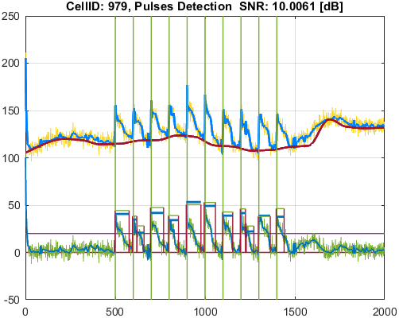
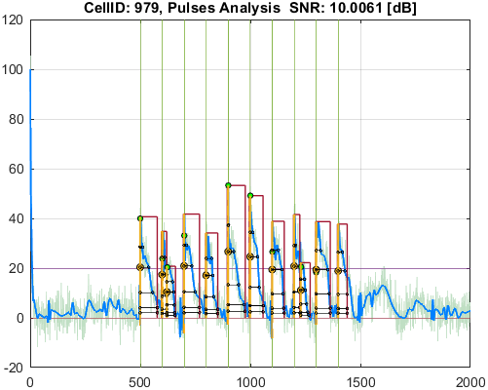

Cell_ID | Pulse_ID | Pulse_Start_ms | PulseStartOnStimulus | Pulse_End_ms | Pulse_Duration_ms | Pulse_Start_On_Stim | APD_30_ms | APD_50_ms | APD_75_ms | APD_90_ms | APD_95_ms | APD_30_EndPointApproximated | APD_50_EndPointApproximated | APD_75_EndPointApproximated | APD_90_EndPointApproximated | APD_95_EndPointApproximated | APD_30_90 | Pulse_ActivationPointTime_ms | Pulse_UpstrokeStartTime_ms | Pulse_UpstrokeEndTime_ms | Pulse_UpstrokeRiseTime_ms | Pulse_UpstrokeValue | Pulse_MaxValue | Pulse_UpstrokeVelocity | Pulse_MaxUpstrokeVelocityTime_ms | Pulse_MaxUpstrokeVelocityValue
1006 | 1 | 4954.95495 | true | 5475.47547 | 520.52052 | 1 | 192.73171763 | 399.61831339 | 440.61282381 | 489.60770065 | 489.60770065 |  |  |  | true | true | 0.39364519261 | 4985.8677694 | 4954.95495 | 5015.01501 | 60.06006 | 52.260337522 | 52.260337522 | 0.93469882369 | 4984.98498 | 14.322920592
1006 | 2 | 5955.95595 | true | 6676.67667 | 720.72072 | 2 | 89.121371723 | 350.04880366 | 534.71215899 | 601.64652022 | 625.3513669 |  |  |  |  |  | 0.14812912354 | 5985.8715531 | 5955.95595 | 6016.01601 | 60.06006 | 64.648181038 | 64.648181038 | 1.0639519335 | 5985.98598 | 16.825468463
1006 | 3 | 6976.97697 | true | 7477.47747 | 500.5005 | 3 | 100.66894602 | 330.26174998 | 427.3699998 | 483.10877902 | 483.10877902 |  |  |  | true | true | 0.2083773891 | 6994.368691 | 6976.97697 | 7017.01701 | 40.04004 | 70.00476988 | 70.00476988 | 1.5267825366 | 6996.99699 | 28.298438061
1006 | 4 | 7977.97797 | true | 8418.41841 | 440.44044 | 4 | 67.881772177 | 194.24448894 | 340.08016794 | 379.45911698 | 394.03067226 |  |  |  |  |  | 0.17889087161 | 7994.7898086 | 7977.97797 | 8008.008 | 30.03003 | 75.892500645 | 75.892500645 | 2.2561600846 | 7997.99799 | 33.139498032
1006 | 5 | 8948.94894 | true | 9459.45945 | 510.51051 | 5 | 41.716319613 | 219.27638801 | 410.20934875 | 451.42182436 | 467.51018639 |  |  |  |  | true | 0.092410949941 | 8991.9492636 | 8948.94894 | 8998.99899 | 50.05005 | 83.934636307 | 83.934636307 | 1.644133836 | 8998.99899 | 59.590011193
1006 | 6 | 9959.95995 | true | 10530.53052 | 570.57057 | 6 | 192.44037052 | 339.99938284 | 412.56014432 | 460.52667628 | 481.58892412 |  |  |  |  |  | 0.41787019174 | 9991.367151 | 9959.95995 | 10020.02001 | 60.06006 | 66.422518579 | 66.422518579 | 1.1670952252 | 9989.98998 | 18.461809746
1006 | 7 | 10960.96095 | true | 11661.66165 | 700.7007 | 7 | 194.58152625 | 390.96398323 | 515.18177034 | 592.00395658 | 647.52373096 |  |  |  |  |  | 0.32868281383 | 10991.110121 | 10960.96095 | 11021.02101 | 60.06006 | 66.014437032 | 66.014437032 | 1.1767810732 | 10990.99098 | 18.451024164
1006 | 8 | 11961.96195 | true | 12532.53252 | 570.57057 | 8 | 169.94632311 | 411.2329253 | 513.06295749 | 527.13714292 | 532.00520905 |  |  |  |  |  | 0.32239489361 | 11990.132136 | 11961.96195 | 12022.02201 | 60.06006 | 66.374891487 | 66.374891487 | 1.070641618 | 11991.99198 | 17.900070321
1006 | 9 | 12962.96295 | true | 13623.62361 | 660.66066 | 9 | 138.34542762 | 492.16040977 | 577.91893371 | 613.95896239 | 629.99300537 |  |  |  |  | true | 0.22533334653 | 12993.630605 | 12962.96295 | 13023.02301 | 60.06006 | 67.003321553 | 67.003321553 | 1.2286236657 | 12992.99298 | 19.253890528
1006 | 10 | 13963.96395 | true | 14694.69468 | 730.73073 | 10 | 93.404037467 | 507.96631827 | 589.0200724 | 647.71849929 | 699.3313097 |  |  |  |  | true | 0.14420467776 | 13995.36337 | 13963.96395 | 14024.02401 | 60.06006 | 67.640708152 | 67.640708152 | 1.2127991658 | 13993.99398 | 18.82822011

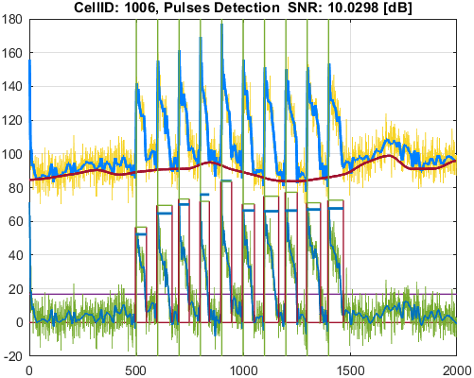
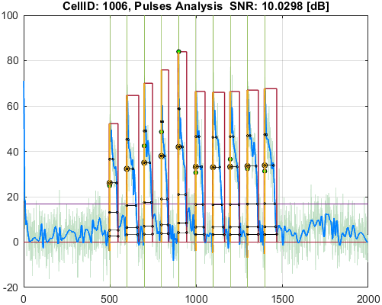

Cell_ID | Pulse_ID | Pulse_Start_ms | PulseStartOnStimulus | Pulse_End_ms | Pulse_Duration_ms | Pulse_Start_On_Stim | APD_30_ms | APD_50_ms | APD_75_ms | APD_90_ms | APD_95_ms | APD_30_EndPointApproximated | APD_50_EndPointApproximated | APD_75_EndPointApproximated | APD_90_EndPointApproximated | APD_95_EndPointApproximated | APD_30_90 | Pulse_ActivationPointTime_ms | Pulse_UpstrokeStartTime_ms | Pulse_UpstrokeEndTime_ms | Pulse_UpstrokeRiseTime_ms | Pulse_UpstrokeValue | Pulse_MaxValue | Pulse_UpstrokeVelocity | Pulse_MaxUpstrokeVelocityTime_ms | Pulse_MaxUpstrokeVelocityValue
1022 | 1 | 4984.98498 | true | 5505.5055 | 520.52052 | 1 | 127.43495974 | 365.0358921 | 423.33497344 | 464.31891957 | 511.86383718 |  |  |  |  | true | 0.2744556691 | 4993.6416628 | 4984.98498 | 5005.005 | 20.02002 | 69.306209323 | 69.306209323 | 3.061224147 | 4994.99499 | 30.796234335
1022 | 2 | 5975.97597 | true | 6586.58658 | 610.61061 | 2 | 58.688047002 | 265.87656623 | 492.02907123 | 540.38412153 | 561.12911509 |  |  |  |  |  | 0.10860431435 | 5991.2511867 | 5975.97597 | 5995.99599 | 20.02002 | 67.893273127 | 75.542106578 | 3.1988614687 | 5995.99599 | 63.548202385
1022 | 3 | 6986.98698 | true | 7477.47747 | 490.49049 | 3 | 34.804221007 | 245.72618318 | 415.11877582 | 455.8456338 | 485.82350673 |  |  |  |  | true | 0.076350892553 | 6991.6539633 | 6986.98698 | 6996.99699 | 10.01001 | 89.181458327 | 89.181458327 | 8.3455935075 | 6996.99699 | 83.539474466
1022 | 4 | 7977.97797 | true | 8378.37837 | 400.4004 | 4 | 104.40021075 | 270.44723074 | 348.73845024 | 364.53179556 | 371.25466614 |  |  |  |  |  | 0.28639534883 | 7992.5414987 | 7977.97797 | 8008.008 | 30.03003 | 71.113907249 | 71.113907249 | 2.2511897048 | 7997.99799 | 61.603525751
1022 | 5 | 8988.98898 | true | 9469.46946 | 480.48048 | 5 | 121.95102762 | 273.59514858 | 414.61358851 | 451.30329765 | 475.60362278 |  |  |  |  | true | 0.27021966879 | 8993.8658372 | 8988.98898 | 8998.99899 | 10.01001 | 79.038625678 | 79.038625678 | 7.6988382307 | 8998.99899 | 77.065447678
1022 | 6 | 9979.97997 | true | 10470.47046 | 490.49049 | 6 | 79.758036036 | 262.13587927 | 370.6211977 | 407.58717627 | 429.29647194 |  |  |  |  |  | 0.19568337936 | 9994.0475122 | 9979.97997 | 9999.99999 | 20.02002 | 81.710576338 | 81.710576338 | 3.5054164045 | 9999.99999 | 68.704471729
1022 | 7 | 10970.97096 | true | 11631.63162 | 660.66066 | 7 | 28.938218766 | 255.20487654 | 500.90278354 | 553.22339689 | 597.85307538 |  |  |  |  |  | 0.052308378367 | 10994.370636 | 10970.97096 | 11001.00099 | 30.03003 | 93.386142113 | 93.386142113 | 3.3359754141 | 11001.00099 | 70.493685286
1022 | 8 | 11981.98197 | true | 12622.62261 | 640.64064 | 8 | 97.43158187 | 300.5281293 | 497.110674 | 549.95823131 | 573.27212059 |  |  |  |  |  | 0.17716178488 | 11992.311937 | 11981.98197 | 12002.00199 | 20.02002 | 78.024591716 | 78.024591716 | 4.1029012435 | 11991.99198 | 41.83971664
1022 | 9 | 12952.95294 | true | 13643.64363 | 690.69069 | 9 | 110.36717648 | 376.74146919 | 567.81058867 | 607.5507883 | 635.12305214 |  |  |  |  |  | 0.18165917747 | 12995.176944 | 12952.95294 | 13003.00299 | 50.05005 | 81.964235621 | 81.964235621 | 1.7234130362 | 13003.00299 | 52.418729791
1022 | 10 | 13963.96395 | true | 14664.66465 | 700.7007 | 10 | 183.38422289 | 382.31696984 | 589.8117438 | 628.33974103 | 642.41742724 |  |  |  |  |  | 0.29185520334 | 13989.269723 | 13963.96395 | 14014.014 | 50.05005 | 72.374451554 | 72.646070046 | 1.4767168883 | 13993.99398 | 50.749810407

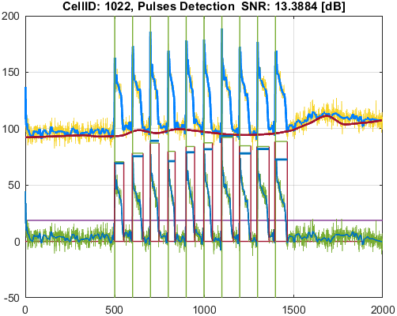
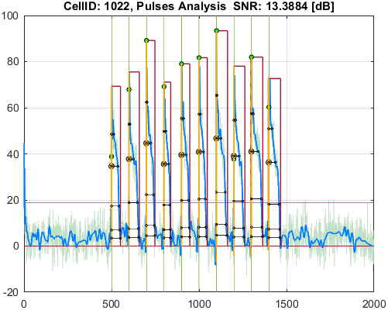

Cell_ID | Pulse_ID | Pulse_Start_ms | PulseStartOnStimulus | Pulse_End_ms | Pulse_Duration_ms | Pulse_Start_On_Stim | APD_30_ms | APD_50_ms | APD_75_ms | APD_90_ms | APD_95_ms | APD_30_EndPointApproximated | APD_50_EndPointApproximated | APD_75_EndPointApproximated | APD_90_EndPointApproximated | APD_95_EndPointApproximated | APD_30_90 | Pulse_ActivationPointTime_ms | Pulse_UpstrokeStartTime_ms | Pulse_UpstrokeEndTime_ms | Pulse_UpstrokeRiseTime_ms | Pulse_UpstrokeValue | Pulse_MaxValue | Pulse_UpstrokeVelocity | Pulse_MaxUpstrokeVelocityTime_ms | Pulse_MaxUpstrokeVelocityValue
1144 | 1 | 4984.98498 | true | 5615.61561 | 630.63063 | 1 | 432.11192432 | 570.67556383 | 591.32627152 | 602.6400977 | 607.48483858 |  |  |  |  |  | 0.71703148524 | 4994.5103033 | 4984.98498 | 5015.01501 | 30.03003 | 66.744328037 | 66.744328037 | 2.0147026774 | 5005.005 | 29.484267966
1144 | 2 | 5975.97597 | true | 6736.73673 | 760.76076 | 2 | 511.62623106 | 638.95963042 | 697.31945495 | 724.92102039 | 742.81640481 |  |  |  |  | true | 0.70576823773 | 5993.9203252 | 5975.97597 | 6016.01601 | 40.04004 | 77.846221955 | 77.846221955 | 1.7111946895 | 5995.99599 | 29.94637883
1144 | 3 | 6976.97697 | true | 7757.75775 | 780.78078 | 3 | 425.59503044 | 521.87605687 | 577.76029657 | 617.66962848 | 695.93804577 |  |  |  |  |  | 0.6890334425 | 6998.2818183 | 6976.97697 | 7017.01701 | 40.04004 | 65.682302293 | 71.690834744 | 1.5370518848 | 7007.007 | 28.454679645
1144 | 4 | 7977.97797 | true | 8618.61861 | 640.64064 | 4 | 326.3422424 | 494.26282006 | 581.4944919 | 597.00374928 | 602.56592912 |  |  |  |  |  | 0.54663348899 | 7996.9974777 | 7977.97797 | 8018.01801 | 40.04004 | 76.104407638 | 76.104407638 | 1.8775864602 | 7997.99799 | 32.126771805
1144 | 5 | 8958.95895 | true | 9699.69969 | 740.74074 | 5 | 376.17414329 | 477.9023232 | 519.72938454 | 560.86981313 | 649.86282866 |  |  |  |  |  | 0.67069778849 | 8988.4449912 | 8958.95895 | 9019.01901 | 60.06006 | 72.313241824 | 72.313241824 | 1.2071970659 | 8988.98898 | 18.078762261
1144 | 6 | 9959.95995 | true | 10660.66065 | 700.7007 | 6 | 334.16776142 | 509.57119216 | 568.3666691 | 610.53399145 | 629.40766111 |  |  |  |  |  | 0.54733686592 | 9992.9550055 | 9959.95995 | 9999.99999 | 40.04004 | 80.334120617 | 80.334120617 | 2.030903552 | 9999.99999 | 57.072187248
1144 | 7 | 10990.99098 | true | 11641.64163 | 650.65065 | 7 | 414.31425134 | 523.93177234 | 580.79221213 | 614.84980445 | 645.45839972 |  |  |  |  | true | 0.67384627652 | 10996.18323 | 10990.99098 | 11001.00099 | 10.01001 | 64.652080064 | 70.351623421 | 6.1182520616 | 11001.00099 | 61.24376432
1144 | 8 | 11951.95194 | true | 12672.67266 | 720.72072 | 8 | 396.13072202 | 523.47034985 | 598.5656019 | 628.97407675 | 640.02549764 |  |  |  |  |  | 0.62980452877 | 11989.831028 | 11951.95194 | 12032.03202 | 80.08008 | 75.670305068 | 75.670305068 | 0.86495738338 | 11991.99198 | 16.458733599
1144 | 9 | 12962.96295 | true | 13663.66365 | 700.7007 | 9 | 420.23325713 | 531.52535648 | 589.61011656 | 668.5387467 | 668.5387467 |  |  |  | true | true | 0.62858474427 | 12995.124903 | 12962.96295 | 13033.03302 | 70.07007 | 65.957418731 | 69.172230261 | 0.9807344487 | 13003.00299 | 16.790994383
1144 | 10 | 13963.96395 | true | 14674.67466 | 710.71071 | 10 | 362.69353186 | 502.0368234 | 553.6235557 | 588.37031042 | 609.35646472 |  |  |  |  |  | 0.61643751467 | 13993.059564 | 13963.96395 | 14014.014 | 50.05005 | 72.775920128 | 76.298324426 | 1.3246688517 | 14004.00399 | 20.034387017

QC Failed Pulses
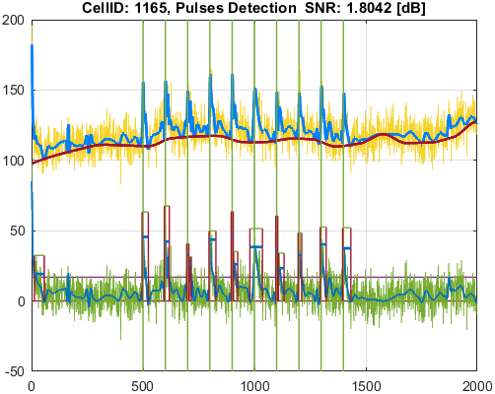
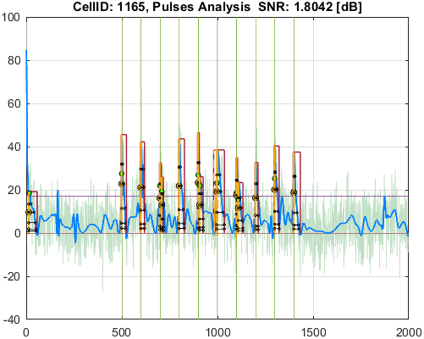
File_Name
voltage_example.csv

Parameter | Value
pulseDetection_signalType | SignalType.Voltage
stimuliPeriod_ms | 1000
stimuliNumber | 10
stimulationStart_ms | 5000
stimulusPulseDuration_ms | 7.5
pulseDetection_thresholdPercentage | 20
pulseDetection_numberOfSecondsAtStartToIgnore | 0
pulseDetection_removeFalsePulses_PeakThresholdPercentage | 25
pulseDetection_removeFalsePulses_DurationThresholdPercentage | 25
pulseDetection_denoise_waveletName | "bior"
pulseDetection_denoise_waveletNumber | 6.8
pulseDetection_denoise_waveletThresholdRule | "Hard"
pulseAnalysis_apDurations | [30 50 75 90 95]
pulseAnalysis_apdIsEndPointApproximatedSymbol | "*"
pulseAnalysis_pulseStartOnStimulusDetectionDelta_ms | 30
pulseAnalysis_pulseStartOnStimulusDetectionSymbol | "^"
pulseAnalysis_pulseStartPointType | PulseStartPointType.ActivationPoint
visualize_showVisualizedCells | false
visualize_saveVisualizedCellsToFiles | true
qc_isQC_Required | true
qc_SNR_Threshold | 10
qc_writeFiguresToQCReportFile | true
qc_checkForSNR | true
qc_checkForNoPulsesDetected | true
qc_checkForPulsesMissingStimuli | false
qc_checkForPulsesSpanMoreThanOneStimulus | false

Well_Date | Well_Description
12/16/19 | Table of function data for [Raw Ci on CYm API F(t)]

Cell_ID | Cell_SNR | Cell_QCStatus | Cell_QCStatus_String
27 | 5.5407320057 | 18 | QC_Failed_CheckForSNR, QC_Failed_CheckForNoPulsesDetected
36 | 3.7798664968 | 2 | QC_Failed_CheckForSNR
246 | 0.77567832863 | 2 | QC_Failed_CheckForSNR
269 | 2.5316419428 | 2 | QC_Failed_CheckForSNR
287 | 1.1423925315 | 2 | QC_Failed_CheckForSNR
326 | -0.37110793242 | 2 | QC_Failed_CheckForSNR
352 | 5.9595857628 | 2 | QC_Failed_CheckForSNR
365 | 5.5554637198 | 2 | QC_Failed_CheckForSNR
467 | 5.7491202361 | 2 | QC_Failed_CheckForSNR
519 | 1.8880065731 | 2 | QC_Failed_CheckForSNR
525 | 7.7098255781 | 2 | QC_Failed_CheckForSNR
615 | 7.7691119616 | 2 | QC_Failed_CheckForSNR
631 | 1.2061036736 | 2 | QC_Failed_CheckForSNR
641 | 3.7602241575 | 2 | QC_Failed_CheckForSNR
678 | 7.9890170589 | 2 | QC_Failed_CheckForSNR
1014 | 8.4621670043 | 2 | QC_Failed_CheckForSNR
1019 | 4.5081586524 | 2 | QC_Failed_CheckForSNR
1045 | 9.3719070688 | 2 | QC_Failed_CheckForSNR
1050 | 5.9805792951 | 2 | QC_Failed_CheckForSNR
1069 | 3.4008413634 | 2 | QC_Failed_CheckForSNR
1150 | 5.421002109 | 2 | QC_Failed_CheckForSNR
1157 | 6.5653148718 | 2 | QC_Failed_CheckForSNR
1165 | 1.8041924004 | 2 | QC_Failed_CheckForSNR

Cell_ID | Pulse_ID | Pulse_Start_ms | PulseStartOnStimulus | Pulse_End_ms | Pulse_Duration_ms | Pulse_Start_On_Stim | APD_30_ms | APD_50_ms | APD_75_ms | APD_90_ms | APD_95_ms | APD_30_EndPointApproximated | APD_50_EndPointApproximated | APD_75_EndPointApproximated | APD_90_EndPointApproximated | APD_95_EndPointApproximated | APD_30_90 | Pulse_ActivationPointTime_ms | Pulse_UpstrokeStartTime_ms | Pulse_UpstrokeEndTime_ms | Pulse_UpstrokeRiseTime_ms | Pulse_UpstrokeValue | Pulse_MaxValue | Pulse_UpstrokeVelocity | Pulse_MaxUpstrokeVelocityTime_ms | Pulse_MaxUpstrokeVelocityValue
27
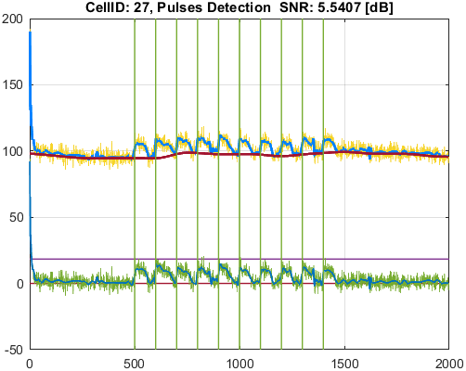
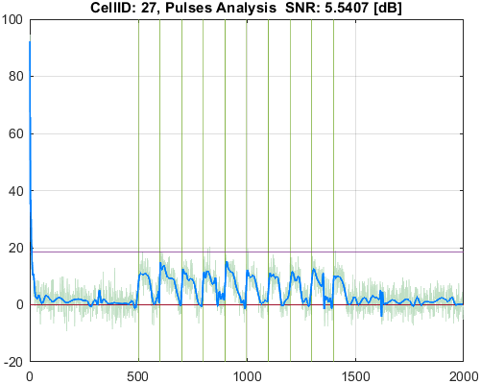

Cell_ID | Pulse_ID | Pulse_Start_ms | PulseStartOnStimulus | Pulse_End_ms | Pulse_Duration_ms | Pulse_Start_On_Stim | APD_30_ms | APD_50_ms | APD_75_ms | APD_90_ms | APD_95_ms | APD_30_EndPointApproximated | APD_50_EndPointApproximated | APD_75_EndPointApproximated | APD_90_EndPointApproximated | APD_95_EndPointApproximated | APD_30_90 | Pulse_ActivationPointTime_ms | Pulse_UpstrokeStartTime_ms | Pulse_UpstrokeEndTime_ms | Pulse_UpstrokeRiseTime_ms | Pulse_UpstrokeValue | Pulse_MaxValue | Pulse_UpstrokeVelocity | Pulse_MaxUpstrokeVelocityTime_ms | Pulse_MaxUpstrokeVelocityValue
36 | 1 | 230.23023 |  | 2312.31231 | 2082.08208 | -1 | 814.6267344 | 965.73897774 | 1453.2613078 | 1960.1139178 | 1978.2038686 |  |  |  |  |  | 0.41560172957 | 282.7871872 | 230.23023 | 740.74074 | 510.51051 | 25.06849508 | 25.06849508 | 0.027706168738 | 350.35035 | 0.87311330663
36 | 2 | 4944.94494 | true | 5205.2052 | 260.26026 | 1 | 192.84885958 | 203.96140887 | 203.96140887 | 203.96140887 | 203.96140887 |  | true | true | true | true | 0.94551641239 | 5001.2437911 | 4944.94494 | 5065.06506 | 120.12012 | 28.467232451 | 28.467232451 | 0.21795199036 | 5005.005 | 3.5518950911
36 | 3 | 5255.25525 |  | 5525.52552 | 270.27027 | -1 | 235.5915342 | 270.27027 | 270.27027 | 270.27027 | 270.27027 |  | true | true | true | true | 0.87168867743 | 5255.25525 | 5255.25525 | 5375.37537 | 120.12012 | 25.390548109 | 25.390548109 | 0.035491644021 | 5275.27527 | 0.51843349381
36 | 4 | 5565.56556 |  | 5715.71571 | 150.15015 | -1 | 70.63515064 | 85.713279986 | 105.70781204 | 121.75115621 | 133.5418209 |  |  |  |  |  | 0.5801599988 | 5565.56556 | 5565.56556 | 5595.59559 | 30.03003 | 24.079919887 | 24.079919887 | 0.11756718184 | 5565.56556 | 1.6287496646
36 | 5 | 5915.91591 | true | 6486.48648 | 570.57057 | 2 | 369.49745395 | 426.13590081 | 473.76620555 | 502.52271152 | 502.52271152 |  |  |  | true | true | 0.73528508359 | 5983.9637685 | 5915.91591 | 6186.18618 | 270.27027 | 30.659819127 | 30.659819127 | 0.11867811876 | 5975.97597 | 3.3996972813
36 | 6 | 6946.94694 | true | 7677.67767 | 730.73073 | 3 | 285.34818669 | 388.7507656 | 529.34217086 | 674.41576771 | 674.41576771 |  |  |  | true | true | 0.4231042635 | 7003.2619023 | 6946.94694 | 7057.05705 | 110.11011 | 36.103931445 | 36.103931445 | 0.32052082257 | 7007.007 | 4.9677645401
36 | 7 | 7817.81781 | true | 8598.59859 | 780.78078 | 4 | 386.91556501 | 491.29443587 | 620.62450164 | 620.62450164 | 620.62450164 |  |  | true | true | true | 0.62342940698 | 7977.9740884 | 7817.81781 | 8128.12812 | 310.31031 | 31.802467943 | 31.802467943 | 0.082561216353 | 8008.008 | 1.5416186933
36 | 8 | 8878.87887 | true | 9819.81981 | 940.94094 | 5 | 417.33091875 | 516.81079831 | 724.57011761 | 791.6092597 | 830.29904468 |  |  |  |  | true | 0.52719307364 | 8989.5207653 | 8878.87887 | 9099.09909 | 220.22022 | 28.397969273 | 28.397969273 | 0.15745176714 | 8978.97897 | 2.4504327329
36 | 9 | 9969.96996 |  | 10640.64063 | 670.67067 | -1 | 27.273411749 | 107.11979634 | 358.89507509 | 436.58968498 | 467.16168725 |  |  |  |  | true | 0.062469207789 | 10173.478943 | 9969.96996 | 10020.02001 | 50.05005 | 36.152737353 | 54.353778787 | 0.80886838029 | 9999.99999 | 11.27693622
36 | 10 | 10820.82081 |  | 11541.54153 | 720.72072 | -1 | 529.30018533 | 545.82972431 | 565.61624303 | 579.76950631 | 585.5560004 |  |  |  |  |  | 0.91294933516 | 10937.087347 | 10820.82081 | 11271.27126 | 450.45045 | 24.55944379 | 24.55944379 | 0.045961693981 | 10880.88087 | 1.0114696336
36 | 11 | 11871.87186 | true | 12312.3123 | 440.44044 | 8 | 219.21325663 | 304.7305572 | 304.7305572 | 304.7305572 | 304.7305572 |  | true | true | true | true | 0.71936749186 | 12007.581743 | 11871.87186 | 12112.1121 | 240.24024 | 32.825205009 | 32.825205009 | 0.14499810074 | 12012.012 | 2.3550062411
36 | 12 | 12852.85284 | true | 13133.13312 | 280.28028 | 9 | 125.0253354 | 156.90585842 | 156.90585842 | 156.90585842 | 156.90585842 |  | true | true | true | true | 0.79681750992 | 12976.227262 | 12852.85284 | 13053.05304 | 200.2002 | 27.357342443 | 27.357342443 | 0.13686007919 | 12992.99298 | 2.3323088524
36 | 13 | 13173.17316 |  | 13293.29328 | 120.12012 | -1 | 79.418521214 | 100.32010369 | 120.12012 | 120.12012 | 120.12012 |  |  | true | true | true | 0.66115918977 | 13173.17316 | 13173.17316 | 13213.2132 | 40.04004 | 27.105632503 | 27.105632503 | 0.15329962342 | 13173.17316 | 2.2576998003
36 | 14 | 13813.8138 | true | 14574.57456 | 760.76076 | 10 | 340.31869545 | 466.56290982 | 526.47160781 | 545.67566386 | 552.6560065 |  |  |  |  |  | 0.62366478477 | 13995.696163 | 13813.8138 | 14184.18417 | 370.37037 | 28.803708402 | 28.803708402 | 0.07280187514 | 14024.02401 | 1.0559906392

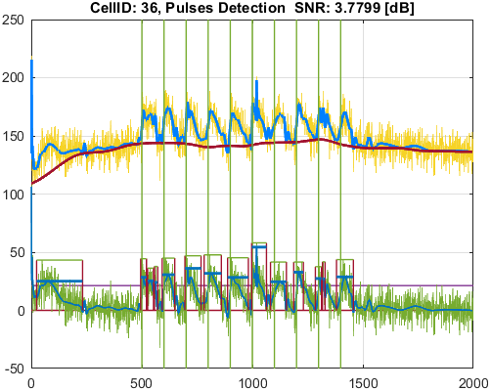
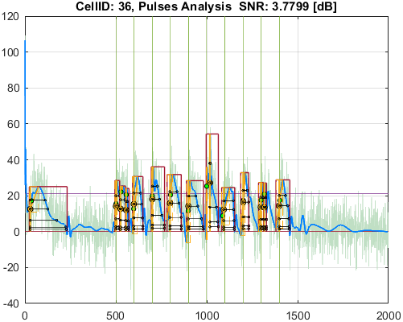

Cell_ID | Pulse_ID | Pulse_Start_ms | PulseStartOnStimulus | Pulse_End_ms | Pulse_Duration_ms | Pulse_Start_On_Stim | APD_30_ms | APD_50_ms | APD_75_ms | APD_90_ms | APD_95_ms | APD_30_EndPointApproximated | APD_50_EndPointApproximated | APD_75_EndPointApproximated | APD_90_EndPointApproximated | APD_95_EndPointApproximated | APD_30_90 | Pulse_ActivationPointTime_ms | Pulse_UpstrokeStartTime_ms | Pulse_UpstrokeEndTime_ms | Pulse_UpstrokeRiseTime_ms | Pulse_UpstrokeValue | Pulse_MaxValue | Pulse_UpstrokeVelocity | Pulse_MaxUpstrokeVelocityTime_ms | Pulse_MaxUpstrokeVelocityValue
246 | 1 | 4734.73473 | true | 5825.82582 | 1091.09109 | 1 | 423.87128354 | 510.32332207 | 623.19391742 | 704.9446417 | 739.10628294 |  |  |  |  |  | 0.60128307736 | 5015.9376398 | 4734.73473 | 5235.23523 | 500.5005 | 32.932694376 | 32.932694376 | 0.066010423603 | 5025.02502 | 1.0949123404
246 | 2 | 5995.99599 |  | 6806.8068 | 810.81081 | -1 | 502.28263988 | 558.86718845 | 627.91665086 | 675.70373722 | 695.03711688 |  |  |  |  |  | 0.743347435 | 6047.9328108 | 5995.99599 | 6366.36636 | 370.37037 | 25.366890909 | 25.366890909 | 0.045353493518 | 6036.03603 | 0.79443983292
246 | 3 | 6946.94694 | true | 7777.77777 | 830.83083 | 3 | 627.00741286 | 656.87909192 | 692.22833993 | 715.969419 | 724.93000722 |  |  |  |  |  | 0.87574608108 | 7011.1796525 | 6946.94694 | 7257.25725 | 310.31031 | 27.52170869 | 27.52170869 | 0.064027242779 | 6976.97697 | 0.95483387704
246 | 4 | 7887.88788 |  | 8858.85885 | 970.97097 | -1 | 543.97573804 | 640.71022085 | 792.9535854 | 835.37201548 | 855.61923906 |  |  |  |  |  | 0.6511778321 | 7964.1759691 | 7887.88788 | 8298.29829 | 410.41041 | 34.224764246 | 34.224764246 | 0.064968573212 | 7907.9079 | 1.3942810361
246 | 5 | 8958.95895 | true | 9739.73973 | 780.78078 | 5 | 420.74797313 | 525.09237913 | 647.51746732 | 751.92891453 | 751.92891453 |  |  |  | true | true | 0.55955817764 | 8987.8108155 | 8958.95895 | 9009.009 | 50.05005 | 42.931398588 | 42.931398588 | 0.9277143858 | 8988.98898 | 13.34915631
246 | 6 | 9819.81981 |  | 10690.69068 | 870.87087 | -1 | 515.94921206 | 572.13651859 | 643.05470851 | 692.86373148 | 713.64663546 |  |  |  |  |  | 0.74466188461 | 9912.220882 | 9819.81981 | 10280.28027 | 460.46046 | 22.982330771 | 22.982330771 | 0.031806493161 | 9979.97997 | 0.42618271424
246 | 7 | 10920.92091 |  | 11811.8118 | 890.89089 | -1 | 585.24359316 | 629.97792534 | 681.30308656 | 718.73462531 | 735.30158274 |  |  |  |  |  | 0.81426937363 | 11030.786942 | 10920.92091 | 11311.3113 | 390.39039 | 31.410620773 | 31.410620773 | 0.059864525728 | 11041.04103 | 0.7518089197
246 | 8 | 11931.93192 | true | 12862.86285 | 930.93093 | 8 | 475.63318988 | 572.53748499 | 711.92632644 | 776.27259668 | 796.10884242 |  |  |  |  |  | 0.61271413149 | 11992.702719 | 11931.93192 | 12122.12211 | 190.19019 | 42.386864735 | 42.386864735 | 0.1794570365 | 12022.02201 | 2.3766819067
246 | 9 | 12942.94293 | true | 13813.8138 | 870.87087 | 9 | 477.26056645 | 597.59294949 | 834.40916049 | 834.40916049 | 834.40916049 |  |  | true | true | true | 0.5719742652 | 12979.40464 | 12942.94293 | 13083.08307 | 140.14014 | 33.294104002 | 33.294104002 | 0.18413443999 | 12982.98297 | 2.5864310136
246 | 10 | 13833.83382 |  | 14924.92491 | 1091.09109 | -1 | 422.44544037 | 509.46813413 | 652.08537476 | 766.66103165 | 816.35941837 |  |  |  |  |  | 0.5510198418 | 13962.879507 | 13833.83382 | 14194.19418 | 360.36036 | 34.243375175 | 34.243375175 | 0.071317890269 | 14024.02401 | 0.98920319893

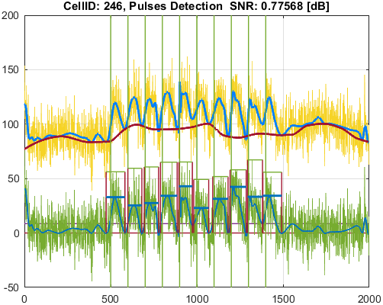
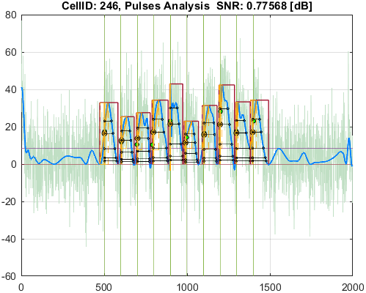

Cell_ID | Pulse_ID | Pulse_Start_ms | PulseStartOnStimulus | Pulse_End_ms | Pulse_Duration_ms | Pulse_Start_On_Stim | APD_30_ms | APD_50_ms | APD_75_ms | APD_90_ms | APD_95_ms | APD_30_EndPointApproximated | APD_50_EndPointApproximated | APD_75_EndPointApproximated | APD_90_EndPointApproximated | APD_95_EndPointApproximated | APD_30_90 | Pulse_ActivationPointTime_ms | Pulse_UpstrokeStartTime_ms | Pulse_UpstrokeEndTime_ms | Pulse_UpstrokeRiseTime_ms | Pulse_UpstrokeValue | Pulse_MaxValue | Pulse_UpstrokeVelocity | Pulse_MaxUpstrokeVelocityTime_ms | Pulse_MaxUpstrokeVelocityValue
269 | 1 | 5055.05505 |  | 5635.63563 | 580.58058 | -1 | 255.27363494 | 315.02917656 | 396.27816542 | 456.19015448 | 486.31723079 |  |  |  |  |  | 0.55957725618 | 5068.972748 | 5055.05505 | 5155.15515 | 100.1001 | 31.034876889 | 31.034876889 | 0.22110003839 | 5075.07507 | 5.4504241753
269 | 2 | 5925.92592 |  | 6506.5065 | 580.58058 | -1 | 363.94737349 | 421.09694219 | 499.56072135 | 538.67074966 | 538.67074966 |  |  |  | true | true | 0.6756397553 | 5967.8357503 | 5925.92592 | 6036.03603 | 110.11011 | 38.253989061 | 39.443736434 | 0.30982582948 | 5975.97597 | 4.5847668757
269 | 3 | 6946.94694 | true | 7677.67767 | 730.73073 | 3 | 294.01202763 | 381.68490711 | 483.19334574 | 554.45880439 | 585.58797604 |  |  |  |  |  | 0.53026848037 | 7001.1152023 | 6946.94694 | 7057.05705 | 110.11011 | 48.744493537 | 48.744493537 | 0.40412116155 | 7007.007 | 6.0281475885
269 | 4 | 7827.82782 | true | 8588.58858 | 760.76076 | 4 | 209.46475524 | 448.67618169 | 510.73675791 | 552.92918518 | 576.28199484 |  |  |  |  |  | 0.3788274536 | 7992.7610767 | 7827.82782 | 8098.09809 | 270.27027 | 55.740118269 | 55.740118269 | 0.20493077164 | 8008.008 | 3.6497179691
269 | 5 | 8868.86886 | true | 9679.67967 | 810.81081 | 5 | 263.9611471 | 391.60609187 | 570.86854279 | 667.58155702 | 687.5516497 |  |  |  |  |  | 0.39539910042 | 8972.9008661 | 8868.86886 | 9079.07907 | 210.21021 | 46.975587177 | 46.975587177 | 0.22945306287 | 8968.96896 | 3.4424471016
269 | 6 | 9729.72972 |  | 9899.89989 | 170.17017 | -1 | 81.997733759 | 100.47131877 | 123.77801967 | 141.39809121 | 150.07757948 |  |  |  |  |  | 0.57990693548 | 9729.72972 | 9729.72972 | 9769.76976 | 40.04004 | 17.464043279 | 17.464043279 | 0.18564851367 | 9729.72972 | 2.5567103121
269 | 7 | 9939.93993 | true | 10410.4104 | 470.47047 | 6 | 351.70051046 | 386.74404718 | 421.49704011 | 440.39208638 | 440.39208638 |  |  |  | true | true | 0.79860769832 | 9970.0183136 | 9939.93993 | 10040.04003 | 100.1001 | 47.935512347 | 47.935512347 | 0.40627236955 | 9979.97997 | 6.0165489483
269 | 8 | 10430.43042 |  | 10800.80079 | 370.37037 | -1 | 120.78490301 | 189.53821673 | 253.38081203 | 286.75114185 | 298.94202719 |  |  |  |  |  | 0.42121855988 | 10437.7088 | 10430.43042 | 10500.50049 | 70.07007 | 22.307363346 | 22.307363346 | 0.179054992 | 10460.46045 | 2.4049564563
269 | 9 | 10910.9109 |  | 11701.70169 | 790.79079 | -1 | 263.82331599 | 318.02153029 | 556.21107236 | 689.06085708 | 731.79558992 |  |  |  |  | true | 0.38287375242 | 10969.9061 | 10910.9109 | 11131.13112 | 220.22022 | 41.308874243 | 41.308874243 | 0.1406512096 | 10980.98097 | 1.8275564484
269 | 10 | 11871.87186 | true | 12462.46245 | 590.59059 | 8 | 264.49184349 | 316.81587541 | 384.37898146 | 454.5524915 | 454.5524915 |  |  |  | true | true | 0.58187304753 | 12007.909958 | 11871.87186 | 12132.13212 | 260.26026 | 43.80423523 | 43.80423523 | 0.16791264625 | 12012.012 | 2.8130337051
269 | 11 | 12892.89288 | true | 13693.69368 | 800.8008 | 9 | 292.10124766 | 333.68490029 | 408.18736902 | 551.50000035 | 591.56040306 |  |  |  |  |  | 0.52964868083 | 13001.029328 | 12892.89288 | 13193.19318 | 300.3003 | 40.151766734 | 40.151766734 | 0.12725490069 | 12962.96295 | 2.2789009917
269 | 12 | 13893.89388 |  | 14804.80479 | 910.91091 | -1 | 368.61512226 | 437.08557796 | 533.01333614 | 690.37210048 | 834.97529763 |  |  |  |  | true | 0.5339368755 | 13969.829492 | 13893.89388 | 14184.18417 | 290.29029 | 41.38218124 | 41.38218124 | 0.10465631793 | 14024.02401 | 1.3276358855
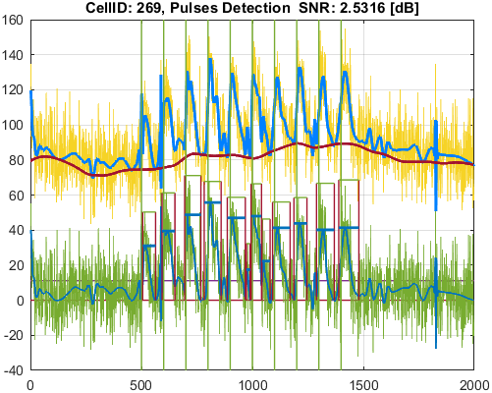
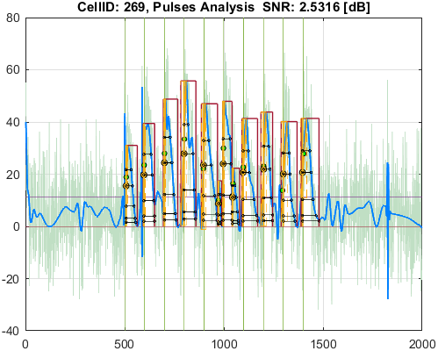

Cell_ID | Pulse_ID | Pulse_Start_ms | PulseStartOnStimulus | Pulse_End_ms | Pulse_Duration_ms | Pulse_Start_On_Stim | APD_30_ms | APD_50_ms | APD_75_ms | APD_90_ms | APD_95_ms | APD_30_EndPointApproximated | APD_50_EndPointApproximated | APD_75_EndPointApproximated | APD_90_EndPointApproximated | APD_95_EndPointApproximated | APD_30_90 | Pulse_ActivationPointTime_ms | Pulse_UpstrokeStartTime_ms | Pulse_UpstrokeEndTime_ms | Pulse_UpstrokeRiseTime_ms | Pulse_UpstrokeValue | Pulse_MaxValue | Pulse_UpstrokeVelocity | Pulse_MaxUpstrokeVelocityTime_ms | Pulse_MaxUpstrokeVelocityValue
287 | 1 | 1101.1011 |  | 2922.92292 | 1821.82182 | -1 | 789.17036569 | 930.92822781 | 1186.3851858 | 1303.7895718 | 1346.7665009 |  |  |  |  |  | 0.60528967463 | 1447.0549949 | 1101.1011 | 1961.96196 | 860.86086 | 12.783070428 | 12.783070428 | 0.009950696991 | 1611.61161 | 0.16155069876
287 | 2 | 4824.82482 |  | 5385.38538 | 560.56056 | -1 | 354.30439247 | 371.97970197 | 397.74545726 | 423.3696474 | 423.3696474 |  |  |  | true | true | 0.83686772221 | 4962.0157326 | 4824.82482 | 5085.08508 | 260.26026 | 32.010908631 | 32.010908631 | 0.12488503095 | 4964.96496 | 2.1043046481
287 | 3 | 5445.44544 |  | 5765.76576 | 320.32032 | -1 | 289.09415947 | 320.32032 | 320.32032 | 320.32032 | 320.32032 |  | true | true | true | true | 0.90251583 | 5445.44544 | 5445.44544 | 5645.64564 | 200.2002 | 12.839743851 | 12.839743851 | 0.014206726233 | 5445.44544 | 0.81141188617
287 | 4 | 5915.91591 | true | 6496.49649 | 580.58058 | 2 | 330.84373148 | 378.36122849 | 432.40330115 | 467.45346537 | 481.84459904 |  |  |  |  |  | 0.70775757586 | 5976.5778782 | 5915.91591 | 6036.03603 | 120.12012 | 30.447975345 | 30.582952176 | 0.29530672178 | 5975.97597 | 4.8500053979
287 | 5 | 6956.95695 | true | 7677.67767 | 720.72072 | 3 | 113.56725088 | 377.72784336 | 515.53125001 | 656.20594569 | 692.69207594 |  |  |  |  | true | 0.1730664765 | 6984.9855941 | 6956.95695 | 7007.007 | 50.05005 | 50.537279252 | 50.537279252 | 0.99735685258 | 6986.98698 | 14.071659049
287 | 6 | 7887.88788 | true | 8698.69869 | 810.81081 | 4 | 260.34859459 | 370.9061656 | 491.36584715 | 584.484423 | 643.16252712 |  |  |  |  |  | 0.44543290521 | 8007.9687788 | 7887.88788 | 8118.11811 | 230.23023 | 35.108964531 | 35.108964531 | 0.1559386405 | 8008.008 | 2.4599721404
287 | 7 | 8958.95895 | true | 9759.75975 | 800.8008 | 5 | 274.15635872 | 337.15422094 | 479.37435134 | 738.59575133 | 769.07461685 |  |  |  |  | true | 0.37118594065 | 8990.6851331 | 8958.95895 | 9009.009 | 50.05005 | 37.973959733 | 37.973959733 | 0.88981284998 | 8988.98898 | 12.657504546
287 | 8 | 9919.91991 | true | 10350.35034 | 430.43043 | 6 | 288.24415844 | 318.77283029 | 359.35678051 | 375.50790997 | 375.50790997 |  |  |  | true | true | 0.76761141585 | 9974.84243 | 9919.91991 | 10030.03002 | 110.11011 | 37.126483919 | 37.126483919 | 0.38133438272 | 9969.96996 | 5.9761142965
287 | 9 | 10660.66065 | true | 11461.46145 | 800.8008 | 7 | 236.56948059 | 296.95393078 | 422.62555588 | 437.49920598 | 437.49920598 |  |  |  | true | true | 0.54073122271 | 11023.962244 | 10660.66065 | 11141.14113 | 480.48048 | 33.038067981 | 33.038067981 | 0.069844166337 | 11041.04103 | 1.8880517033
287 | 10 | 11881.88187 | true | 12602.60259 | 720.72072 | 8 | 245.37497332 | 335.3689279 | 457.55463172 | 513.31688049 | 534.32036565 |  |  |  |  |  | 0.47801851574 | 11984.297612 | 11881.88187 | 12112.1121 | 230.23023 | 32.97559843 | 32.97559843 | 0.11447503637 | 12012.012 | 1.815013466
287 | 11 | 12812.8128 |  | 12962.96295 | 150.15015 | -1 | 101.22356971 | 118.16901658 | 138.87875392 | 138.87875392 | 138.87875392 |  |  | true | true | true | 0.72886288832 | 12824.084196 | 12812.8128 | 12892.89288 | 80.08008 | 23.45691496 | 23.45691496 | 0.17312607144 | 12852.85284 | 2.2202489971
287 | 12 | 12972.97296 | true | 13383.38337 | 410.41041 | 9 | 132.69619225 | 201.69764985 | 302.68100003 | 376.34147004 | 376.34147004 |  |  |  | true | true | 0.3525951903 | 13007.0419 | 12972.97296 | 13063.06305 | 90.09009 | 45.963492299 | 45.963492299 | 0.41584753547 | 13013.013 | 5.5924573686
287 | 13 | 13763.76375 | true | 14584.58457 | 820.82082 | 10 | 322.41756214 | 375.80732114 | 443.73816138 | 490.85195344 | 511.68578465 |  |  |  |  |  | 0.65685296735 | 13982.032664 | 13763.76375 | 14174.17416 | 410.41041 | 34.269774572 | 34.269774572 | 0.080819021851 | 14014.014 | 1.2291681571
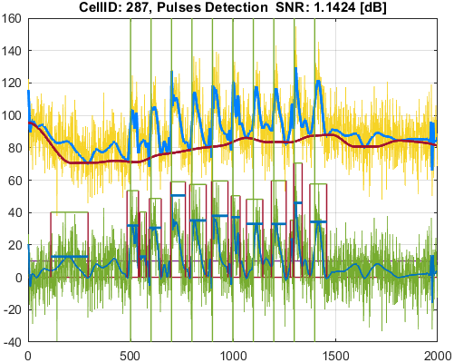
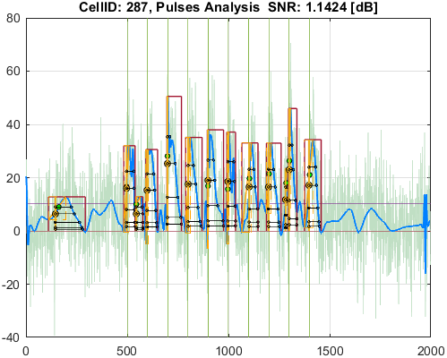

Cell_ID | Pulse_ID | Pulse_Start_ms | PulseStartOnStimulus | Pulse_End_ms | Pulse_Duration_ms | Pulse_Start_On_Stim | APD_30_ms | APD_50_ms | APD_75_ms | APD_90_ms | APD_95_ms | APD_30_EndPointApproximated | APD_50_EndPointApproximated | APD_75_EndPointApproximated | APD_90_EndPointApproximated | APD_95_EndPointApproximated | APD_30_90 | Pulse_ActivationPointTime_ms | Pulse_UpstrokeStartTime_ms | Pulse_UpstrokeEndTime_ms | Pulse_UpstrokeRiseTime_ms | Pulse_UpstrokeValue | Pulse_MaxValue | Pulse_UpstrokeVelocity | Pulse_MaxUpstrokeVelocityTime_ms | Pulse_MaxUpstrokeVelocityValue
326 | 1 | 260.26026 |  | 1391.39139 | 1131.13113 | -1 | 270.70215119 | 570.04680641 | 856.22065318 | 975.19291869 | 1020.0188963 |  |  |  |  |  | 0.27758830689 | 260.26026 | 260.26026 | 410.41041 | 150.15015 | 20.431280887 | 20.431280887 | 0.060887432952 | 340.34034 | 0.86114729496
326 | 2 | 4234.23423 | true | 5665.66566 | 1431.43143 | 1 | 363.5677356 | 423.16827207 | 500.93054789 | 562.39101897 | 598.1260545 |  |  |  |  |  | 0.64646789038 | 4977.2016385 | 4234.23423 | 5195.19519 | 960.96096 | 24.136592675 | 24.136592675 | 0.024715779608 | 5015.01501 | 0.72859339304
326 | 3 | 6066.06606 |  | 6786.78678 | 720.72072 | -1 | 416.01634359 | 483.03911466 | 562.16908262 | 612.19164765 | 630.99747687 |  |  |  |  |  | 0.67955246561 | 6066.06606 | 6066.06606 | 6226.22622 | 160.16016 | 19.560132833 | 19.560132833 | 0.030355950545 | 6066.06606 | 0.52944541053
326 | 4 | 7007.007 | true | 7687.68768 | 680.68068 | 3 | 468.49445132 | 554.81572224 | 680.68068 | 680.68068 | 680.68068 |  |  | true | true | true | 0.68827346668 | 7007.007 | 7007.007 | 7207.2072 | 200.2002 | 25.926262403 | 25.926262403 | 0.056236168312 | 7007.007 | 0.95785268992
326 | 5 | 7897.89789 | true | 8708.7087 | 810.81081 | 4 | 269.72449161 | 387.42067082 | 504.22581374 | 582.25417505 | 611.14811139 |  |  |  |  |  | 0.4632418335 | 8004.0302356 | 7897.89789 | 8118.11811 | 220.22022 | 30.792040106 | 30.792040106 | 0.13179162913 | 8008.008 | 2.0384798223
326 | 6 | 8958.95895 |  | 9709.7097 | 750.75075 | -1 | 515.27236776 | 583.54049814 | 679.36545126 | 746.87921863 | 746.87921863 |  |  |  | true | true | 0.68990052863 | 8962.8304814 | 8958.95895 | 9299.29929 | 340.34034 | 28.792595689 | 28.792595689 | 0.043228601405 | 8978.97897 | 0.81949036341
326 | 7 | 9929.92992 |  | 10700.70069 | 770.77077 | -1 | 474.53542617 | 537.24747892 | 614.65588627 | 667.54545035 | 688.60320611 |  |  |  |  |  | 0.71086609297 | 9929.92992 | 9929.92992 | 10200.20019 | 270.27027 | 21.251742254 | 21.251742254 | 0.024680183102 | 9939.93993 | 0.55555840824
326 | 8 | 10880.88087 |  | 11901.90189 | 1021.02102 | -1 | 445.39347364 | 666.71582093 | 865.12481112 | 865.12481112 | 865.12481112 |  |  | true | true | true | 0.51483146469 | 11036.777079 | 10880.88087 | 11151.15114 | 270.27027 | 26.522216228 | 26.522216228 | 0.09632157127 | 11051.05104 | 1.7118925501
326 | 9 | 11981.98197 | true | 12852.85284 | 870.87087 | 8 | 231.5737256 | 476.13309608 | 658.39619279 | 781.24398416 | 807.48412493 |  |  |  |  |  | 0.29641665126 | 11984.688157 | 11981.98197 | 12102.10209 | 120.12012 | 28.588791038 | 28.588791038 | 0.12243988356 | 12012.012 | 1.6017003272
326 | 10 | 12962.96295 | true | 13833.83382 | 870.87087 | 9 | 400.12100988 | 516.25484058 | 640.31719802 | 728.85893583 | 761.73995851 |  |  |  |  |  | 0.54896906687 | 12970.735906 | 12962.96295 | 13073.07306 | 110.11011 | 31.00768412 | 31.00768412 | 0.15619863111 | 12982.98297 | 2.184078444
326 | 11 | 14104.10409 |  | 16006.00599 | 1901.9019 | -1 | 311.92847753 | 424.20289024 | 764.64910075 | 1292.0750874 | 1692.8901462 |  |  |  |  |  | 0.24141667972 | 14104.10409 | 14104.10409 | 14214.2142 | 110.11011 | 18.446854822 | 18.446854822 | 0.035870888038 | 14104.10409 | 0.66187993335
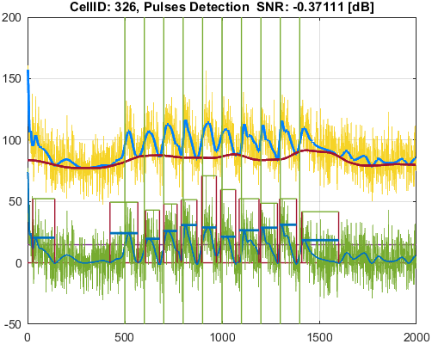
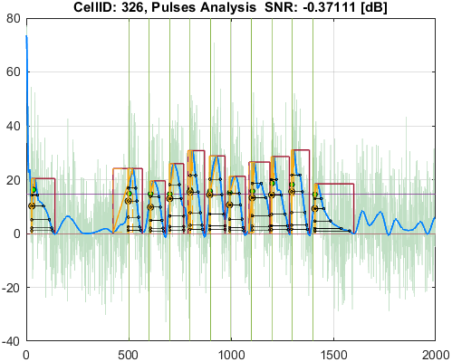

Cell_ID | Pulse_ID | Pulse_Start_ms | PulseStartOnStimulus | Pulse_End_ms | Pulse_Duration_ms | Pulse_Start_On_Stim | APD_30_ms | APD_50_ms | APD_75_ms | APD_90_ms | APD_95_ms | APD_30_EndPointApproximated | APD_50_EndPointApproximated | APD_75_EndPointApproximated | APD_90_EndPointApproximated | APD_95_EndPointApproximated | APD_30_90 | Pulse_ActivationPointTime_ms | Pulse_UpstrokeStartTime_ms | Pulse_UpstrokeEndTime_ms | Pulse_UpstrokeRiseTime_ms | Pulse_UpstrokeValue | Pulse_MaxValue | Pulse_UpstrokeVelocity | Pulse_MaxUpstrokeVelocityTime_ms | Pulse_MaxUpstrokeVelocityValue
352 | 1 | 4954.95495 | true | 5875.87587 | 920.92092 | 1 | 333.67624215 | 598.0273592 | 707.7502651 | 756.99819612 | 783.88195157 |  |  |  |  |  | 0.44078868861 | 5006.2712122 | 4954.95495 | 5065.06506 | 110.11011 | 43.927065916 | 43.927065916 | 0.38820892646 | 5015.01501 | 5.8384942443
352 | 2 | 5955.95595 | true | 6806.8068 | 850.85085 | 2 | 421.22478059 | 571.9141207 | 681.38334112 | 732.40430439 | 752.36190746 |  |  |  |  |  | 0.57512603089 | 5989.3269719 | 5955.95595 | 6016.01601 | 60.06006 | 36.321379977 | 36.321379977 | 0.67913381017 | 5995.99599 | 11.043187551
352 | 3 | 6956.95695 | true | 7667.66766 | 710.71071 | 3 | 235.3534726 | 523.1105612 | 614.50544776 | 672.56439855 | 672.56439855 |  |  |  | true | true | 0.34993447929 | 6995.1032615 | 6956.95695 | 7057.05705 | 100.1001 | 44.037246979 | 44.037246979 | 0.3634911706 | 7007.007 | 4.9282711507
352 | 4 | 7877.87787 |  | 8808.8088 | 930.93093 | -1 | 470.40649459 | 539.15379037 | 645.01848382 | 783.28516137 | 804.12902876 |  |  |  |  |  | 0.60055586111 | 7963.1470656 | 7877.87787 | 8128.12812 | 250.25025 | 38.403503326 | 38.403503326 | 0.1349380443 | 7977.97797 | 3.6583196426
352 | 5 | 8948.94894 | true | 9769.76976 | 820.82082 | 5 | 366.85490516 | 436.08233279 | 514.50419555 | 633.47976591 | 696.6228266 |  |  |  |  |  | 0.5791106913 | 9006.7281779 | 8948.94894 | 9059.05905 | 110.11011 | 44.276375127 | 44.276375127 | 0.40934469487 | 9009.009 | 6.2114030484
352 | 6 | 9899.89989 | true | 10670.67066 | 770.77077 | 6 | 484.17140582 | 543.73538065 | 603.4825208 | 647.11091846 | 674.04299888 |  |  |  |  |  | 0.74820466168 | 9983.6031523 | 9899.89989 | 10200.20019 | 300.3003 | 34.501534349 | 34.501534349 | 0.1148901095 | 9979.97997 | 3.2359850219
352 | 7 | 10940.94093 | true | 11671.67166 | 730.73073 | 7 | 250.22127636 | 485.98267056 | 547.87670223 | 588.94586164 | 607.22280603 |  |  |  |  |  | 0.42486295033 | 11003.1028 | 10940.94093 | 11081.08107 | 140.14014 | 40.205789848 | 40.205789848 | 0.24197824611 | 11011.011 | 4.1599125968
352 | 8 | 11971.97196 | true | 12802.80279 | 830.83083 | 8 | 411.53926983 | 495.74569091 | 596.8331885 | 686.31125739 | 729.32327673 |  |  |  |  |  | 0.59963939888 | 11998.843752 | 11971.97196 | 12022.02201 | 50.05005 | 27.214768196 | 30.213698182 | 0.63302447193 | 12002.00199 | 8.9223909703
352 | 9 | 12952.95294 | true | 13553.55354 | 600.6006 | 9 | 278.92083584 | 469.19697303 | 496.30817704 | 514.36541776 | 522.33346349 |  |  |  |  |  | 0.54226203048 | 13010.627689 | 12952.95294 | 13073.07306 | 120.12012 | 33.527698849 | 33.527698849 | 0.26179816189 | 13013.013 | 4.0590696075
352 | 10 | 13913.9139 |  | 14814.8148 | 900.9009 | -1 | 389.19271112 | 458.58411878 | 557.81578402 | 674.95678693 | 729.63188364 |  |  |  |  |  | 0.57661870902 | 13967.886027 | 13913.9139 | 14044.04403 | 130.13013 | 34.896215378 | 34.896215378 | 0.22402302246 | 13973.97396 | 3.6141024657

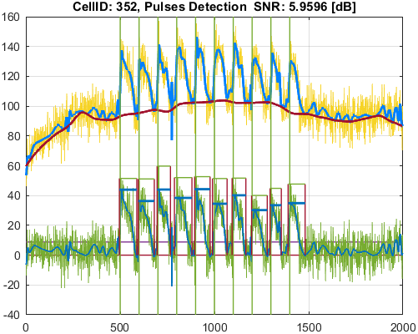
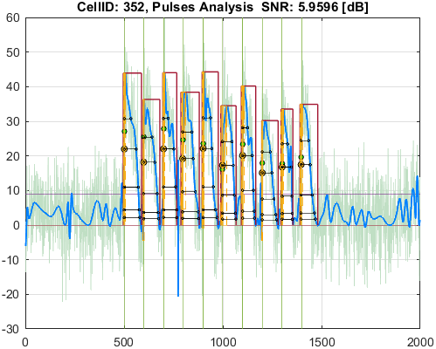

Cell_ID | Pulse_ID | Pulse_Start_ms | PulseStartOnStimulus | Pulse_End_ms | Pulse_Duration_ms | Pulse_Start_On_Stim | APD_30_ms | APD_50_ms | APD_75_ms | APD_90_ms | APD_95_ms | APD_30_EndPointApproximated | APD_50_EndPointApproximated | APD_75_EndPointApproximated | APD_90_EndPointApproximated | APD_95_EndPointApproximated | APD_30_90 | Pulse_ActivationPointTime_ms | Pulse_UpstrokeStartTime_ms | Pulse_UpstrokeEndTime_ms | Pulse_UpstrokeRiseTime_ms | Pulse_UpstrokeValue | Pulse_MaxValue | Pulse_UpstrokeVelocity | Pulse_MaxUpstrokeVelocityTime_ms | Pulse_MaxUpstrokeVelocityValue
365 | 1 | 4894.89489 | true | 5665.66566 | 770.77077 | 1 | 224.24352165 | 302.18240869 | 411.11952104 | 542.3077112 | 582.67704264 |  |  |  |  |  | 0.41349867799 | 4990.3798525 | 4894.89489 | 5065.06506 | 170.17017 | 31.611131118 | 31.611131118 | 0.17202168473 | 5005.005 | 3.0046434333
365 | 2 | 5915.91591 | true | 6546.54654 | 630.63063 | 2 | 462.78239464 | 485.23716502 | 521.68766496 | 573.53760351 | 573.53760351 |  |  |  | true | true | 0.80689111195 | 5973.0089365 | 5915.91591 | 6036.03603 | 120.12012 | 27.318353807 | 28.838258903 | 0.22272439368 | 5975.97597 | 3.6821016474
365 | 3 | 6986.98698 | true | 7617.61761 | 630.63063 | 3 | 265.35779782 | 384.98080295 | 536.66769569 | 626.51454243 | 626.51454243 |  |  |  | true | true | 0.42354611082 | 6991.1030676 | 6986.98698 | 6996.99699 | 10.01001 | 47.503934996 | 47.503934996 | 4.0299083947 | 6996.99699 | 40.33942333
365 | 4 | 7907.9079 | true | 8598.59859 | 690.69069 | 4 | 352.43982643 | 442.0953443 | 513.57203875 | 560.38677441 | 581.43455896 |  |  |  |  |  | 0.62892245593 | 7976.2823338 | 7907.9079 | 8158.15815 | 250.25025 | 31.322380108 | 31.322380108 | 0.12617246042 | 7977.97797 | 3.5888262838
365 | 5 | 8938.93893 | true | 9549.54954 | 610.61061 | 5 | 354.89069664 | 411.11392718 | 465.41123006 | 503.44956917 | 524.29548391 |  |  |  |  |  | 0.70491806603 | 9007.4416632 | 8938.93893 | 9069.06906 | 130.13013 | 29.382067909 | 29.382067909 | 0.22539346787 | 9009.009 | 3.709039603
365 | 6 | 9899.89989 |  | 10760.76075 | 860.86086 | -1 | 178.41662795 | 365.16111888 | 506.23313532 | 626.98113175 | 687.52399001 |  |  |  |  |  | 0.28456458881 | 9969.1010635 | 9899.89989 | 10030.03002 | 130.13013 | 37.118429539 | 37.118429539 | 0.28816254519 | 9969.96996 | 4.8677154228
365 | 7 | 11001.00099 | true | 11631.63162 | 630.63063 | 7 | 241.86822105 | 322.70816305 | 499.257891 | 587.16094658 | 630.63063 |  |  |  |  | true | 0.41192831788 | 11001.00099 | 11001.00099 | 11061.06105 | 60.06006 | 29.180400281 | 29.180400281 | 0.22789993608 | 11011.011 | 3.0880844317
365 | 8 | 11961.96195 | true | 12842.84283 | 880.88088 | 8 | 240.04568488 | 427.2663891 | 561.45176294 | 706.37702259 | 762.21335884 |  |  |  |  |  | 0.3398265759 | 11990.268379 | 11961.96195 | 12022.02201 | 60.06006 | 37.819313759 | 37.819313759 | 0.56441329248 | 11991.99198 | 8.9739631491
365 | 9 | 12982.98297 | true | 13653.65364 | 670.67067 | 9 | 358.95991785 | 440.77625401 | 522.154473 | 670.67067 | 670.67067 |  |  |  | true | true | 0.53522531089 | 12982.98297 | 12982.98297 | 13093.09308 | 110.11011 | 32.033718551 | 32.033718551 | 0.12718717368 | 12982.98297 | 2.1454051933
365 | 10 | 13913.9139 | true | 14734.73472 | 820.82082 | 10 | 287.79603707 | 389.93010514 | 474.73812391 | 546.30969021 | 607.278697 |  |  |  |  |  | 0.52680016889 | 13976.660215 | 13913.9139 | 14034.03402 | 120.12012 | 34.505334712 | 34.505334712 | 0.29825343515 | 13973.97396 | 4.7575079936



Cell_ID | Pulse_ID | Pulse_Start_ms | PulseStartOnStimulus | Pulse_End_ms | Pulse_Duration_ms | Pulse_Start_On_Stim | APD_30_ms | APD_50_ms | APD_75_ms | APD_90_ms | APD_95_ms | APD_30_EndPointApproximated | APD_50_EndPointApproximated | APD_75_EndPointApproximated | APD_90_EndPointApproximated | APD_95_EndPointApproximated | APD_30_90 | Pulse_ActivationPointTime_ms | Pulse_UpstrokeStartTime_ms | Pulse_UpstrokeEndTime_ms | Pulse_UpstrokeRiseTime_ms | Pulse_UpstrokeValue | Pulse_MaxValue | Pulse_UpstrokeVelocity | Pulse_MaxUpstrokeVelocityTime_ms | Pulse_MaxUpstrokeVelocityValue
467 | 1 | 120.12012 |  | 250.25025 | 130.13013 | -1 | 130.13013 | 130.13013 | 130.13013 | 130.13013 | 130.13013 | true | true | true | true | true | 1 | 120.12012 | 120.12012 | 160.16016 | 40.04004 | 23.640787382 | 23.640787382 | 0.12737396795 | 150.15015 | 1.697052591
467 | 2 | 350.35035 |  | 4234.23423 | 3883.88388 | -1 | 1195.4764347 | 1882.2900308 | 2484.6131898 | 2941.2521506 | 3573.4029991 |  |  |  |  |  | 0.40645152931 | 350.35035 | 350.35035 | 770.77077 | 420.42042 | 40.161922871 | 42.955757728 | 0.044293359361 | 370.37037 | 0.77244269876
467 | 3 | 5125.12512 |  | 5835.83583 | 710.71071 | -1 | 453.22720341 | 539.50288177 | 625.90162467 | 710.71071 | 710.71071 |  |  |  | true | true | 0.63770982627 | 5125.12512 | 5125.12512 | 5325.32532 | 200.2002 | 26.413190482 | 26.413190482 | 0.026307209596 | 5165.16516 | 0.50984973779
467 | 4 | 6776.77677 | true | 7127.12712 | 350.35035 | 3 | 130.4827036 | 130.4827036 | 130.4827036 | 130.4827036 | 130.4827036 | true | true | true | true | true | 1 | 6996.6444164 | 6776.77677 | 7057.05705 | 280.28028 | 27.052216222 | 27.052216222 | 0.11123558187 | 7007.007 | 3.1216495189
467 | 5 | 7147.14714 |  | 7767.76776 | 620.62062 | -1 | 305.7101663 | 421.22272808 | 620.62062 | 620.62062 | 620.62062 |  |  | true | true | true | 0.49258783297 | 7147.14714 | 7147.14714 | 7227.22722 | 80.08008 | 26.914293541 | 26.914293541 | 0.066346603575 | 7167.16716 | 0.91563784937
467 | 6 | 8248.24824 |  | 8798.79879 | 550.55055 | -1 | 234.41246672 | 291.66788679 | 374.13878379 | 443.38035922 | 474.35278222 |  |  |  |  |  | 0.52869384456 | 8248.24824 | 8248.24824 | 8298.29829 | 50.05005 | 21.933820091 | 21.933820091 | 0.0053847137815 | 8248.24824 | 0.081026411416
467 | 7 | 8958.95895 | true | 9219.21921 | 260.26026 | 5 | 205.87830954 | 205.87830954 | 205.87830954 | 205.87830954 | 205.87830954 | true | true | true | true | true | 1 | 9013.3409005 | 8958.95895 | 9069.06906 | 110.11011 | 24.67461971 | 24.67461971 | 0.24088210829 | 9009.009 | 3.5940905823
467 | 8 | 10950.95094 | true | 11721.72171 | 770.77077 | 7 | 435.21889078 | 510.93502955 | 647.41013423 | 709.62722356 | 709.62722356 |  |  |  | true | true | 0.61330636189 | 11012.094486 | 10950.95094 | 11061.06105 | 110.11011 | 30.278829191 | 32.268120953 | 0.27798570338 | 11021.02101 | 4.0881427417
467 | 9 | 12202.20219 |  | 12322.32231 | 120.12012 | -1 | 106.13467896 | 120.12012 | 120.12012 | 120.12012 | 120.12012 |  | true | true | true | true | 0.88357120321 | 12202.20219 | 12202.20219 | 12242.24223 | 40.04004 | 22.957041259 | 22.957041259 | 0.032138959435 | 12202.20219 | 0.47218022664
467 | 10 | 12342.34233 |  | 12422.42241 | 80.08008 | -1 | 49.005771955 | 58.017246575 | 80.08008 | 80.08008 | 80.08008 |  |  | true | true | true | 0.6119595779 | 12342.34233 | 12342.34233 | 12372.37236 | 30.03003 | 32.245761922 | 32.245761922 | 0.49967763524 | 12352.35234 | 6.356951189
467 | 11 | 12852.85284 | true | 13843.84383 | 990.99099 | 9 | 530.61481181 | 622.52023348 | 753.98292442 | 857.94703541 | 857.94703541 |  |  |  | true | true | 0.61847035995 | 12985.896795 | 12852.85284 | 13303.30329 | 450.45045 | 25.463598923 | 25.463598923 | 0.059395499003 | 12982.98297 | 1.599423185



Cell_ID | Pulse_ID | Pulse_Start_ms | PulseStartOnStimulus | Pulse_End_ms | Pulse_Duration_ms | Pulse_Start_On_Stim | APD_30_ms | APD_50_ms | APD_75_ms | APD_90_ms | APD_95_ms | APD_30_EndPointApproximated | APD_50_EndPointApproximated | APD_75_EndPointApproximated | APD_90_EndPointApproximated | APD_95_EndPointApproximated | APD_30_90 | Pulse_ActivationPointTime_ms | Pulse_UpstrokeStartTime_ms | Pulse_UpstrokeEndTime_ms | Pulse_UpstrokeRiseTime_ms | Pulse_UpstrokeValue | Pulse_MaxValue | Pulse_UpstrokeVelocity | Pulse_MaxUpstrokeVelocityTime_ms | Pulse_MaxUpstrokeVelocityValue
519 | 1 | 6946.94694 | true | 7137.13713 | 190.19019 | 3 | 86.964885525 | 106.64015177 | 133.64124722 | 133.64124722 | 133.64124722 |  |  | true | true | true | 0.65073386648 | 7003.4958828 | 6946.94694 | 7047.04704 | 100.1001 | 18.521781429 | 18.521781429 | 0.19240304084 | 7007.007 | 2.8078152599
519 | 2 | 7757.75775 |  | 8648.64864 | 890.89089 | -1 | 450.15300728 | 536.97129711 | 645.30556152 | 737.27312315 | 737.27312315 |  |  |  | true | true | 0.61056478683 | 7911.3755168 | 7757.75775 | 8128.12812 | 370.37037 | 17.182721345 | 17.182721345 | 0.039297465668 | 7927.92792 | 0.56424421876
519 | 3 | 8848.84884 | true | 9829.82982 | 980.98098 | 5 | 479.85124495 | 620.00098419 | 813.17167408 | 857.20076251 | 857.20076251 |  |  |  | true | true | 0.55978863521 | 8972.6290575 | 8848.84884 | 9109.1091 | 260.26026 | 21.093024825 | 21.093024825 | 0.08103415736 | 8978.97897 | 1.3522509114
519 | 4 | 9979.97997 | true | 10180.18017 | 200.2002 | 6 | 105.70351502 | 126.23969617 | 153.98099525 | 153.98099525 | 153.98099525 |  |  | true | true | true | 0.68647117679 | 10026.199175 | 9979.97997 | 10090.09008 | 110.11011 | 27.332471828 | 27.332471828 | 0.1718977168 | 10050.05004 | 2.7543488883
519 | 5 | 10450.45044 |  | 10510.5105 | 60.06006 | -1 | 29.534792632 | 31.671357868 | 34.342064414 | 35.944488341 | 36.513049831 |  |  |  |  |  | 0.82167792603 | 10464.160535 | 10450.45044 | 10490.49048 | 40.04004 | 18.151292392 | 18.151292392 | 0.24381349246 | 10480.48047 | 6.6788597604
519 | 6 | 10910.9109 |  | 11211.2112 | 300.3003 | -1 | 110.08844842 | 125.04691963 | 145.86106788 | 160.39527621 | 160.39527621 |  |  |  | true | true | 0.68635717346 | 11050.815924 | 10910.9109 | 11121.12111 | 210.21021 | 23.916533858 | 23.916533858 | 0.10651346018 | 11071.07106 | 2.0964698
519 | 7 | 11281.28127 |  | 11631.63162 | 350.35035 | -1 | 65.026073642 | 91.06134158 | 176.36489995 | 233.13561064 | 256.14903539 |  |  |  |  |  | 0.27891952441 | 11281.28127 | 11281.28127 | 11301.30129 | 20.02002 | 16.623246851 | 16.623246851 | 0.066898181365 | 11281.28127 | 1.8674245287
519 | 8 | 12042.04203 |  | 12832.83282 | 790.79079 | -1 | 196.46600599 | 384.90972913 | 511.00391013 | 769.51983874 | 790.79079 |  |  |  |  | true | 0.2553098648 | 12042.04203 | 12042.04203 | 12112.1121 | 70.07007 | 19.684643721 | 19.684643721 | 0.05531981861 | 12042.04203 | 1.0139740424
519 | 9 | 13013.013 | true | 13323.32331 | 310.31031 | 9 | 279.81074883 | 310.31031 | 310.31031 | 310.31031 | 310.31031 |  | true | true | true | true | 0.9017127044 | 13013.013 | 13013.013 | 13073.07306 | 60.06006 | 19.014199252 | 19.014199252 | 0.058257298355 | 13013.013 | 1.0165442748
519 | 10 | 13353.35334 |  | 13413.4134 | 60.06006 | -1 | 36.670947182 | 46.876470766 | 60.06006 | 60.06006 | 60.06006 |  |  | true | true | true | 0.6105712712 | 13353.35334 | 13353.35334 | 13373.37336 | 20.02002 | 17.194312051 | 17.194312051 | 0.083853900716 | 13353.35334 | 1.7136183402
519 | 11 | 13423.42341 |  | 13553.55354 | 130.13013 | -1 | 57.524265838 | 72.754496491 | 102.83588634 | 125.54582297 | 125.54582297 |  |  |  | true | true | 0.45819338689 | 13428.007717 | 13423.42341 | 13453.45344 | 30.03003 | 28.998876329 | 28.998876329 | 0.58502895941 | 13433.43342 | 6.7012769623
519 | 12 | 13913.9139 | true | 14634.63462 | 720.72072 | 10 | 385.69802142 | 486.81151671 | 654.89976481 | 654.89976481 | 654.89976481 |  |  | true | true | true | 0.58894206739 | 13979.734855 | 13913.9139 | 14034.03402 | 120.12012 | 25.690675743 | 25.690675743 | 0.24391595669 | 13973.97396 | 3.9088750976



Cell_ID | Pulse_ID | Pulse_Start_ms | PulseStartOnStimulus | Pulse_End_ms | Pulse_Duration_ms | Pulse_Start_On_Stim | APD_30_ms | APD_50_ms | APD_75_ms | APD_90_ms | APD_95_ms | APD_30_EndPointApproximated | APD_50_EndPointApproximated | APD_75_EndPointApproximated | APD_90_EndPointApproximated | APD_95_EndPointApproximated | APD_30_90 | Pulse_ActivationPointTime_ms | Pulse_UpstrokeStartTime_ms | Pulse_UpstrokeEndTime_ms | Pulse_UpstrokeRiseTime_ms | Pulse_UpstrokeValue | Pulse_MaxValue | Pulse_UpstrokeVelocity | Pulse_MaxUpstrokeVelocityTime_ms | Pulse_MaxUpstrokeVelocityValue
525 | 1 | 4944.94494 | true | 5915.91591 | 970.97097 | 1 | 520.82706921 | 787.35460125 | 933.51354228 | 933.51354228 | 933.51354228 |  |  | true | true | true | 0.55792127871 | 4982.4023677 | 4944.94494 | 5015.01501 | 70.07007 | 39.382730358 | 40.664193597 | 0.5262375473 | 4984.98498 | 9.0305229642
525 | 2 | 5925.92592 |  | 6736.73673 | 810.81081 | -1 | 405.99669324 | 503.5996635 | 613.0579803 | 688.63345545 | 722.29283489 |  |  |  |  |  | 0.58956864502 | 5925.92592 | 5925.92592 | 6026.02602 | 100.1001 | 31.054272367 | 31.054272367 | 0.15317864351 | 5975.97597 | 2.1256185557
525 | 3 | 6926.92692 | true | 7687.68768 | 760.76076 | 3 | 249.06693966 | 487.45751607 | 686.38965751 | 686.38965751 | 686.38965751 |  |  | true | true | true | 0.36286522814 | 7001.2980225 | 6926.92692 | 7057.05705 | 130.13013 | 29.115743613 | 29.115743613 | 0.21402249951 | 7007.007 | 3.6111053233
525 | 4 | 7967.96796 | true | 8098.09809 | 130.13013 | 4 | 75.071130712 | 106.11061502 | 106.11061502 | 106.11061502 | 106.11061502 |  | true | true | true | true | 0.70747993213 | 7991.987475 | 7967.96796 | 8018.01801 | 50.05005 | 27.663945353 | 27.663945353 | 0.62490380723 | 7997.99799 | 8.8332406241
525 | 5 | 8958.95895 | true | 9769.76976 | 810.81081 | 5 | 422.16952463 | 668.06316904 | 778.71628613 | 778.71628613 | 778.71628613 |  |  | true | true | true | 0.5421352194 | 8991.0534739 | 8958.95895 | 9019.01901 | 60.06006 | 33.388846195 | 33.388846195 | 0.68048366926 | 8988.98898 | 11.387494059
525 | 6 | 9959.95995 | true | 10810.8108 | 850.85085 | 6 | 200.56601514 | 436.17773208 | 681.81126485 | 736.53822242 | 755.10531545 |  |  |  |  |  | 0.27230903846 | 9993.0206843 | 9959.95995 | 10020.02001 | 60.06006 | 51.883858981 | 55.102809718 | 0.96399727195 | 9989.98998 | 15.523474229
525 | 7 | 10960.96095 | true | 11771.77176 | 810.81081 | 7 | 450.21984716 | 585.75512128 | 717.29218347 | 785.61540413 | 785.61540413 |  |  |  | true | true | 0.57307919981 | 10986.156356 | 10960.96095 | 11021.02101 | 60.06006 | 38.917227951 | 38.917227951 | 0.56106662251 | 10990.99098 | 9.1932160027
525 | 8 | 11951.95194 | true | 12772.77276 | 820.82082 | 8 | 251.27552606 | 430.95283304 | 697.47398851 | 781.90267898 | 781.90267898 |  |  |  | true | true | 0.32136419636 | 11990.870081 | 11951.95194 | 12022.02201 | 70.07007 | 44.971663018 | 44.971663018 | 0.65213654642 | 11991.99198 | 10.976196261
525 | 9 | 12952.95294 | true | 13813.8138 | 860.86086 | 9 | 240.94501421 | 530.28126769 | 733.52673018 | 766.02452573 | 779.44881618 |  |  |  |  |  | 0.31453955601 | 12992.385213 | 12952.95294 | 13023.02301 | 70.07007 | 29.19966581 | 30.180467376 | 0.41610202894 | 12992.99298 | 7.4468445791
525 | 10 | 13893.89388 | true | 14804.80479 | 910.91091 | 10 | 267.20770856 | 611.0429346 | 692.06454356 | 799.6335704 | 815.04406619 |  |  |  |  | true | 0.33416269458 | 13989.760724 | 13893.89388 | 14024.02401 | 130.13013 | 45.787117973 | 45.787117973 | 0.36791193988 | 13993.99398 | 9.5901610365



Cell_ID | Pulse_ID | Pulse_Start_ms | PulseStartOnStimulus | Pulse_End_ms | Pulse_Duration_ms | Pulse_Start_On_Stim | APD_30_ms | APD_50_ms | APD_75_ms | APD_90_ms | APD_95_ms | APD_30_EndPointApproximated | APD_50_EndPointApproximated | APD_75_EndPointApproximated | APD_90_EndPointApproximated | APD_95_EndPointApproximated | APD_30_90 | Pulse_ActivationPointTime_ms | Pulse_UpstrokeStartTime_ms | Pulse_UpstrokeEndTime_ms | Pulse_UpstrokeRiseTime_ms | Pulse_UpstrokeValue | Pulse_MaxValue | Pulse_UpstrokeVelocity | Pulse_MaxUpstrokeVelocityTime_ms | Pulse_MaxUpstrokeVelocityValue
615 | 1 | 4954.95495 | true | 5605.6056 | 650.65065 | 1 | 298.42955038 | 573.37432646 | 619.58904117 | 619.58904117 | 619.58904117 |  |  | true | true | true | 0.48165724464 | 4986.0165588 | 4954.95495 | 5005.005 | 50.05005 | 50.559485827 | 50.559485827 | 1.1954305282 | 4984.98498 | 16.884045787
615 | 2 | 5945.94594 | true | 6686.68668 | 740.74074 | 2 | 314.40621915 | 533.43561155 | 666.14990875 | 677.77193919 | 681.19315571 |  |  |  |  |  | 0.46388202428 | 5984.5882517 | 5945.94594 | 6016.01601 | 70.07007 | 62.702877949 | 62.702877949 | 0.88150042089 | 5985.98598 | 15.052092157
615 | 3 | 6956.95695 | true | 7657.65765 | 700.7007 | 3 | 286.29775725 | 499.53827401 | 580.25032806 | 671.53203517 | 671.53203517 |  |  |  | true | true | 0.42633521896 | 6986.1256148 | 6956.95695 | 7017.01701 | 60.06006 | 60.188276271 | 61.23825643 | 0.94458407009 | 6996.99699 | 14.197678855
615 | 4 | 7947.94794 | true | 8778.77877 | 830.83083 | 4 | 209.65967083 | 459.52679252 | 614.60191433 | 682.95814929 | 712.86298853 |  |  |  |  |  | 0.30698758195 | 7984.9051393 | 7977.97797 | 8028.02802 | 50.05005 | 60.094993595 | 60.094993595 | 1.4620115442 | 7987.98798 | 62.318996146
615 | 5 | 8958.95895 | true | 9759.75975 | 800.8008 | 5 | 175.27071671 | 471.20406739 | 608.37589894 | 683.51320727 | 715.01931924 |  |  |  |  |  | 0.25642623265 | 8986.4057414 | 8958.95895 | 9009.009 | 50.05005 | 66.701846698 | 66.701846698 | 1.2696312637 | 8988.98898 | 17.825996229
615 | 6 | 9949.94994 | true | 10810.8108 | 860.86086 | 6 | 235.46641841 | 660.02251402 | 733.47494507 | 772.12641076 | 787.17429108 |  |  |  |  |  | 0.30495837874 | 9987.2280957 | 9979.97997 | 10030.03002 | 50.05005 | 60.162458073 | 60.162458073 | 1.6597407012 | 9989.98998 | 73.180184758
615 | 7 | 10960.96095 | true | 11771.77176 | 810.81081 | 7 | 134.80877668 | 372.72703247 | 671.62793768 | 721.51781752 | 736.34771286 |  |  |  |  |  | 0.18684053728 | 10990.598051 | 10960.96095 | 11011.011 | 50.05005 | 66.34030559 | 66.34030559 | 1.426993856 | 10990.99098 | 19.83663475
615 | 8 | 11951.95194 | true | 12842.84283 | 890.89089 | 8 | 303.86888493 | 538.53956909 | 688.19193254 | 769.38696288 | 794.66719889 |  |  |  |  |  | 0.39494935525 | 11988.29468 | 11951.95194 | 12012.012 | 60.06006 | 72.785781183 | 72.785781183 | 1.1975658761 | 11991.99198 | 18.932787634
615 | 9 | 12952.95294 | true | 13773.77376 | 820.82082 | 9 | 64.47836309 | 384.59001607 | 582.4469674 | 692.4638054 | 726.43100382 |  |  |  |  |  | 0.09311441636 | 12985.984868 | 12952.95294 | 13013.013 | 60.06006 | 75.322782402 | 75.322782402 | 1.0400962323 | 12992.99298 | 16.752024097
615 | 10 | 13913.9139 | true | 14684.68467 | 770.77077 | 10 | 147.75992394 | 455.79261915 | 569.66731561 | 625.91691234 | 647.81672559 |  |  |  |  |  | 0.23606955016 | 13974.390828 | 13913.9139 | 14034.03402 | 120.12012 | 57.989339272 | 57.989339272 | 0.49444597403 | 13973.97396 | 8.0993233774




Cell_ID | Pulse_ID | Pulse_Start_ms | PulseStartOnStimulus | Pulse_End_ms | Pulse_Duration_ms | Pulse_Start_On_Stim | APD_30_ms | APD_50_ms | APD_75_ms | APD_90_ms | APD_95_ms | APD_30_EndPointApproximated | APD_50_EndPointApproximated | APD_75_EndPointApproximated | APD_90_EndPointApproximated | APD_95_EndPointApproximated | APD_30_90 | Pulse_ActivationPointTime_ms | Pulse_UpstrokeStartTime_ms | Pulse_UpstrokeEndTime_ms | Pulse_UpstrokeRiseTime_ms | Pulse_UpstrokeValue | Pulse_MaxValue | Pulse_UpstrokeVelocity | Pulse_MaxUpstrokeVelocityTime_ms | Pulse_MaxUpstrokeVelocityValue
631 | 1 | 4824.82482 |  | 5855.85585 | 1031.03103 | -1 | 459.69135294 | 748.19405354 | 806.60924251 | 843.31367988 | 858.51116722 |  |  |  |  |  | 0.5451012641 | 4959.4448918 | 4824.82482 | 5075.07507 | 250.25025 | 29.712446415 | 29.712446415 | 0.11888132869 | 4964.96496 | 1.9483168981
631 | 2 | 5965.96596 | true | 6696.69669 | 730.73073 | 2 | 411.28007482 | 494.60181415 | 572.84762517 | 628.44520197 | 659.1492889 |  |  |  |  |  | 0.65444063147 | 5997.4704881 | 5965.96596 | 6196.19619 | 230.23023 | 26.183750152 | 26.183750152 | 0.073155136463 | 5985.98598 | 1.2042401902
631 | 3 | 6946.94694 | true | 7787.78778 | 840.84084 | 3 | 311.40524977 | 393.44212032 | 516.74457339 | 635.1126554 | 679.08531687 |  |  |  |  |  | 0.49031498132 | 7006.2159117 | 6946.94694 | 7057.05705 | 110.11011 | 47.192078129 | 47.192078129 | 0.45031581652 | 7007.007 | 6.6933452959
631 | 4 | 8078.07807 |  | 8398.39839 | 320.32032 | -1 | 247.62134317 | 266.97426964 | 290.10832054 | 309.19034474 | 320.32032 |  |  |  |  | true | 0.80087023217 | 8078.07807 | 8078.07807 | 8228.22822 | 150.15015 | 14.101460364 | 14.101460364 | 0.03352585342 | 8098.09809 | 0.44521841585
631 | 5 | 8428.42842 |  | 8828.82882 | 400.4004 | -1 | 95.390810006 | 119.22613524 | 248.8906443 | 291.39415065 | 311.7319188 |  |  |  |  |  | 0.32736007155 | 8444.7199894 | 8428.42842 | 8498.49849 | 70.07007 | 29.35681836 | 29.35681836 | 0.30360554019 | 8448.44844 | 4.2126848966
631 | 6 | 8928.92892 | true | 9839.83983 | 910.91091 | 5 | 496.24086319 | 637.24416884 | 772.94194893 | 831.79770075 | 867.26809104 |  |  |  |  | true | 0.59658840454 | 8972.571739 | 8928.92892 | 9109.1091 | 180.18018 | 35.771636441 | 35.771636441 | 0.15082554155 | 8978.97897 | 2.2405662254
631 | 7 | 9899.89989 |  | 10800.80079 | 900.9009 | -1 | 429.58170835 | 516.01075064 | 721.23377496 | 782.92979272 | 804.62580969 |  |  |  |  |  | 0.54868484039 | 9929.9893348 | 9899.89989 | 10050.05004 | 150.15015 | 27.423982281 | 27.423982281 | 0.1254862289 | 9939.93993 | 1.7831211793
631 | 8 | 10950.95094 | true | 11761.76175 | 810.81081 | 7 | 269.06694279 | 457.65385663 | 642.34793582 | 718.31787177 | 734.48768092 |  |  |  |  |  | 0.37457921259 | 10995.998885 | 10950.95094 | 11061.06105 | 110.11011 | 46.466624577 | 46.466624577 | 0.3423352167 | 11011.011 | 4.9813945891
631 | 9 | 11931.93192 | true | 12862.86285 | 930.93093 | 8 | 452.92064054 | 557.36936038 | 712.97788161 | 776.42721465 | 800.62055206 |  |  |  |  |  | 0.58333947084 | 12013.057507 | 11931.93192 | 12122.12211 | 190.19019 | 40.23849979 | 40.23849979 | 0.23219224128 | 12002.00199 | 3.7589752409
631 | 10 | 12922.92291 | true | 13773.77376 | 850.85085 | 9 | 599.43457874 | 658.89532661 | 741.24674243 | 801.30137902 | 801.30137902 |  |  |  | true | true | 0.74807630991 | 12972.472381 | 12922.92291 | 13083.08307 | 160.16016 | 40.001888686 | 40.001888686 | 0.20576000144 | 12982.98297 | 2.8159534386
631 | 11 | 13933.93392 | true | 14824.82481 | 890.89089 | 10 | 157.96674196 | 405.35382254 | 516.79723271 | 665.71108849 | 739.4614931 |  |  |  |  |  | 0.237290237 | 13985.257658 | 13933.93392 | 14034.03402 | 100.1001 | 44.549499384 | 44.549499384 | 0.68832725324 | 13973.97396 | 11.98581863
631 | 12 | 18328.32831 |  | 19329.32931 | 1001.001 | -1 | 420.33588559 | 548.31813312 | 739.83610926 | 813.73833662 | 813.73833662 |  |  |  | true | true | 0.51654919853 | 18515.590973 | 18328.32831 | 18708.70869 | 380.38038 | 12.943849677 | 12.943849677 | 0.035261667425 | 18508.50849 | 0.51861588624



Cell_ID | Pulse_ID | Pulse_Start_ms | PulseStartOnStimulus | Pulse_End_ms | Pulse_Duration_ms | Pulse_Start_On_Stim | APD_30_ms | APD_50_ms | APD_75_ms | APD_90_ms | APD_95_ms | APD_30_EndPointApproximated | APD_50_EndPointApproximated | APD_75_EndPointApproximated | APD_90_EndPointApproximated | APD_95_EndPointApproximated | APD_30_90 | Pulse_ActivationPointTime_ms | Pulse_UpstrokeStartTime_ms | Pulse_UpstrokeEndTime_ms | Pulse_UpstrokeRiseTime_ms | Pulse_UpstrokeValue | Pulse_MaxValue | Pulse_UpstrokeVelocity | Pulse_MaxUpstrokeVelocityTime_ms | Pulse_MaxUpstrokeVelocityValue
641 | 1 | 4824.82482 |  | 5525.52552 | 700.7007 | -1 | 299.27355478 | 417.77960783 | 478.10646981 | 514.99444159 | 530.55804844 |  |  |  |  |  | 0.58111997065 | 4960.1367087 | 4824.82482 | 5075.07507 | 250.25025 | 21.134683324 | 21.134683324 | 0.085688761184 | 4964.96496 | 1.3975876219
641 | 2 | 5905.9059 |  | 6736.73673 | 830.83083 | -1 | 397.67570464 | 497.11594923 | 678.86891235 | 767.9864642 | 767.9864642 |  |  |  | true | true | 0.51781603345 | 5968.7502658 | 5905.9059 | 6026.02602 | 120.12012 | 29.092579405 | 29.092579405 | 0.25549632902 | 5975.97597 | 3.9864435738
641 | 3 | 6876.87687 |  | 7617.61761 | 740.74074 | -1 | 460.02883598 | 540.3646746 | 597.88312203 | 634.44788966 | 649.34018321 |  |  |  |  |  | 0.72508529617 | 6924.8352952 | 6876.87687 | 7147.14714 | 270.27027 | 36.331025955 | 36.331025955 | 0.08564990335 | 6956.95695 | 1.1065430364
641 | 4 | 7877.87787 |  | 8658.65865 | 780.78078 | -1 | 313.61016065 | 407.82116343 | 525.92445645 | 648.96962515 | 693.97123496 |  |  |  |  | true | 0.48324320353 | 7964.687415 | 7877.87787 | 8108.1081 | 230.23023 | 36.552676817 | 36.552676817 | 0.10699022297 | 7997.99799 | 1.6914649096
641 | 5 | 8848.84884 | true | 9749.74974 | 900.9009 | 5 | 404.04218206 | 489.46070332 | 602.72419791 | 729.15998259 | 772.51120464 |  |  |  |  | true | 0.55412007201 | 8977.2385354 | 8848.84884 | 9099.09909 | 250.25025 | 26.59250315 | 26.59250315 | 0.11441070385 | 8968.96896 | 1.877831023
641 | 6 | 9919.91991 |  | 10670.67066 | 750.75075 | -1 | 179.34961873 | 378.6400849 | 500.08291242 | 576.83261108 | 608.09064042 |  |  |  |  |  | 0.31092142726 | 9969.6627898 | 9919.91991 | 10030.03002 | 110.11011 | 29.257688874 | 29.257688874 | 0.25431999513 | 9969.96996 | 3.9089225139
641 | 7 | 11001.00099 | true | 11681.68167 | 680.68068 | 7 | 411.19606812 | 478.57871896 | 574.80732696 | 659.63066193 | 659.63066193 |  |  |  | true | true | 0.62337318723 | 11022.051008 | 11001.00099 | 11281.28127 | 280.28028 | 29.747450125 | 29.747450125 | 0.058798339824 | 11041.04103 | 0.77469531343
641 | 8 | 11871.87186 | true | 12582.58257 | 710.71071 | 8 | 439.22819001 | 483.31714066 | 527.68433429 | 557.51869516 | 569.9090903 |  |  |  |  |  | 0.7878268367 | 11984.488893 | 11871.87186 | 12102.10209 | 230.23023 | 28.758048828 | 28.758048828 | 0.10438827973 | 12012.012 | 1.67816633
641 | 9 | 12872.87286 | true | 14574.57456 | 1701.7017 | 9 | 1521.250105 | 1545.6992306 | 1577.1312388 | 1591.6757662 | 1591.6757662 |  |  |  | true | true | 0.95575376421 | 12982.898794 | 12872.87286 | 13083.08307 | 210.21021 | 32.637936111 | 32.637936111 | 0.17184849125 | 12972.97296 | 2.5807530745
641 | 10 | 16186.18617 |  | 17097.09708 | 910.91091 | -1 | 260.20555656 | 291.639155 | 334.33569338 | 396.42733512 | 396.42733512 |  |  |  | true | true | 0.65637642388 | 16700.669745 | 16186.18617 | 16886.88687 | 700.7007 | 16.178266336 | 16.178266336 | 0.020981123707 | 16806.80679 | 0.62543318458
641 | 11 | 17687.68767 |  | 18508.50849 | 820.82082 | -1 | 448.93176425 | 448.93176425 | 448.93176425 | 448.93176425 | 448.93176425 | true | true | true | true | true | 1 | 18059.576726 | 17687.68767 | 18368.36835 | 680.68068 | 15.858292724 | 15.858292724 | 0.023653984868 | 18088.08807 | 0.3636267099



Cell_ID | Pulse_ID | Pulse_Start_ms | PulseStartOnStimulus | Pulse_End_ms | Pulse_Duration_ms | Pulse_Start_On_Stim | APD_30_ms | APD_50_ms | APD_75_ms | APD_90_ms | APD_95_ms | APD_30_EndPointApproximated | APD_50_EndPointApproximated | APD_75_EndPointApproximated | APD_90_EndPointApproximated | APD_95_EndPointApproximated | APD_30_90 | Pulse_ActivationPointTime_ms | Pulse_UpstrokeStartTime_ms | Pulse_UpstrokeEndTime_ms | Pulse_UpstrokeRiseTime_ms | Pulse_UpstrokeValue | Pulse_MaxValue | Pulse_UpstrokeVelocity | Pulse_MaxUpstrokeVelocityTime_ms | Pulse_MaxUpstrokeVelocityValue
678 | 1 | 4804.8048 | true | 5765.76576 | 960.96096 | 1 | 405.79258849 | 474.69162397 | 725.91073456 | 771.23020569 | 771.23020569 |  |  |  | true | true | 0.52616272741 | 4994.5355543 | 4804.8048 | 5085.08508 | 280.28028 | 51.435432798 | 51.435432798 | 0.19336935777 | 5005.005 | 4.8671442423
678 | 2 | 5905.9059 |  | 6706.7067 | 800.8008 | -1 | 355.92310515 | 464.88381403 | 565.51304694 | 626.98238884 | 651.50595757 |  |  |  |  |  | 0.56767639967 | 5962.8349408 | 5905.9059 | 6026.02602 | 120.12012 | 45.067397972 | 45.067397972 | 0.33614558137 | 5965.96596 | 5.4506453841
678 | 3 | 6946.94694 | true | 7887.88788 | 940.94094 | 3 | 330.83578592 | 501.11148493 | 870.63370131 | 903.67368559 | 903.67368559 |  |  |  | true | true | 0.36610094019 | 6984.2141944 | 6946.94694 | 7017.01701 | 70.07007 | 59.296102668 | 59.296102668 | 0.82116109469 | 6986.98698 | 15.277564237
678 | 4 | 7957.95795 | true | 8798.79879 | 840.84084 | 4 | 343.47434112 | 434.6383987 | 533.8745272 | 615.67709005 | 665.80968369 |  |  |  |  |  | 0.55788065964 | 7988.6068414 | 7957.95795 | 8018.01801 | 60.06006 | 56.401371188 | 56.401371188 | 0.9138279984 | 7997.99799 | 14.078510908
678 | 5 | 8958.95895 | true | 9799.79979 | 840.84084 | 5 | 300.16717577 | 438.96648401 | 582.83512362 | 725.99856284 | 751.78870478 |  |  |  |  |  | 0.4134542286 | 8992.3732373 | 8958.95895 | 9019.01901 | 60.06006 | 55.60056922 | 61.285802146 | 0.9784777823 | 8998.99899 | 14.938974633
678 | 6 | 9959.95995 | true | 10770.77076 | 810.81081 | 6 | 360.97801301 | 462.66638132 | 616.37961464 | 699.70916595 | 723.69989837 |  |  |  |  |  | 0.51589721928 | 9989.3089363 | 9959.95995 | 10020.02001 | 60.06006 | 55.766881962 | 55.766881962 | 0.86775266279 | 9999.99999 | 13.538251401
678 | 7 | 10960.96095 | true | 11761.76175 | 800.8008 | 7 | 298.55082753 | 419.40825631 | 535.49332001 | 607.64252522 | 646.01778811 |  |  |  |  |  | 0.49132642161 | 10980.68652 | 10960.96095 | 10990.99098 | 30.03003 | 65.480445873 | 65.480445873 | 2.2558360915 | 10980.98097 | 33.42822318
678 | 8 | 11931.93192 | true | 12732.73272 | 800.8008 | 8 | 404.06006394 | 483.2171592 | 635.446142 | 705.95386186 | 727.1711211 |  |  |  |  |  | 0.57236044134 | 11979.870893 | 11931.93192 | 12032.03202 | 100.1001 | 60.100415983 | 60.100415983 | 0.76802195721 | 11971.97196 | 12.172683692
678 | 9 | 12962.96295 | true | 13753.75374 | 790.79079 | 9 | 243.0819943 | 429.77177587 | 588.0753317 | 644.51249598 | 678.9497239 |  |  |  |  |  | 0.37715637138 | 12981.195686 | 12962.96295 | 12992.99298 | 30.03003 | 63.679582163 | 63.679582163 | 1.9515696022 | 12982.98297 | 29.256135702
678 | 10 | 13963.96395 | true | 14964.96495 | 1001.001 | 10 | 183.6616001 | 337.79094148 | 506.81320456 | 876.32053897 | 925.98045024 |  |  |  |  |  | 0.20958267202 | 13991.762361 | 13963.96395 | 14014.014 | 50.05005 | 73.335513122 | 73.335513122 | 1.4754497999 | 13993.99398 | 20.538060527




Cell_ID | Pulse_ID | Pulse_Start_ms | PulseStartOnStimulus | Pulse_End_ms | Pulse_Duration_ms | Pulse_Start_On_Stim | APD_30_ms | APD_50_ms | APD_75_ms | APD_90_ms | APD_95_ms | APD_30_EndPointApproximated | APD_50_EndPointApproximated | APD_75_EndPointApproximated | APD_90_EndPointApproximated | APD_95_EndPointApproximated | APD_30_90 | Pulse_ActivationPointTime_ms | Pulse_UpstrokeStartTime_ms | Pulse_UpstrokeEndTime_ms | Pulse_UpstrokeRiseTime_ms | Pulse_UpstrokeValue | Pulse_MaxValue | Pulse_UpstrokeVelocity | Pulse_MaxUpstrokeVelocityTime_ms | Pulse_MaxUpstrokeVelocityValue
1014 | 1 | 4954.95495 | true | 5795.79579 | 840.84084 | 1 | 360.26206412 | 452.5694582 | 758.96918238 | 810.98604532 | 810.98604532 |  |  |  | true | true | 0.44422720489 | 4984.8097447 | 4954.95495 | 5015.01501 | 60.06006 | 51.378663304 | 53.141657784 | 0.87206152917 | 4984.98498 | 14.304388126
1014 | 2 | 5965.96596 | true | 6706.7067 | 740.74074 | 2 | 98.041758226 | 392.28605664 | 523.49318233 | 600.8207375 | 632.93989733 |  |  |  |  |  | 0.16317971752 | 5985.2324017 | 5965.96596 | 6016.01601 | 50.05005 | 57.195518209 | 57.195518209 | 1.0272418419 | 5995.99599 | 14.453127721
1014 | 3 | 6956.95695 | true | 7597.59759 | 640.64064 | 3 | 331.42990113 | 391.27409424 | 521.46883846 | 611.18148427 | 611.18148427 |  |  |  | true | true | 0.54227739167 | 6986.4161057 | 6956.95695 | 7017.01701 | 60.06006 | 59.286015132 | 59.286015132 | 1.0474184858 | 6986.98698 | 16.710572491
1014 | 4 | 7957.95795 | true | 8498.49849 | 540.54054 | 4 | 136.61176764 | 294.81950608 | 354.59447694 | 411.57248462 | 448.08811907 |  |  |  |  |  | 0.33192638659 | 7987.1892371 | 7957.95795 | 8018.01801 | 60.06006 | 53.121702614 | 53.121702614 | 0.82198889065 | 7997.99799 | 12.689040873
1014 | 5 | 8948.94894 | true | 9469.46946 | 520.52052 | 5 | 48.147261441 | 243.33670673 | 421.32547711 | 476.75162828 | 476.75162828 |  |  |  | true | true | 0.10099024017 | 8992.7178317 | 8948.94894 | 8998.99899 | 50.05005 | 79.381440603 | 79.381440603 | 1.6963619423 | 8998.99899 | 63.253382473
1014 | 6 | 9519.51951 |  | 9769.76976 | 250.25025 | -1 | 141.73680719 | 171.15022031 | 250.25025 | 250.25025 | 250.25025 |  |  | true | true | true | 0.5663802821 | 9519.51951 | 9519.51951 | 9599.59959 | 80.08008 | 22.195470958 | 22.195470958 | 0.083621560942 | 9539.53953 | 1.0506762978
1014 | 7 | 9959.95995 | true | 10440.44043 | 480.48048 | 6 | 237.81486362 | 350.92670656 | 393.9874146 | 426.82565528 | 453.33701186 |  |  |  |  | true | 0.55717096824 | 9987.1034181 | 9959.95995 | 10020.02001 | 60.06006 | 54.382366944 | 54.382366944 | 0.80674116515 | 9989.98998 | 12.113354635
1014 | 8 | 10880.88087 | true | 11651.65164 | 770.77077 | 7 | 128.72995002 | 466.76581608 | 575.26077337 | 664.63070351 | 664.63070351 |  |  |  | true | true | 0.19368643269 | 10987.020936 | 10880.88087 | 11021.02101 | 140.14014 | 63.04125394 | 63.04125394 | 0.47313694702 | 10990.99098 | 14.402058429
1014 | 9 | 11911.9119 |  | 12592.59258 | 680.68068 | -1 | 290.75707037 | 424.79894558 | 519.68909113 | 575.7996181 | 604.76886443 |  |  |  |  |  | 0.50496224943 | 11966.851169 | 11911.9119 | 12032.03202 | 120.12012 | 45.612618906 | 45.612618906 | 0.33520007471 | 11981.98197 | 5.1576038029
1014 | 10 | 12962.96295 | true | 13763.76375 | 800.8008 | 9 | 137.84669671 | 459.66240805 | 643.11921489 | 770.89516525 | 770.89516525 |  |  |  | true | true | 0.17881380364 | 12992.868585 | 12962.96295 | 13023.02301 | 60.06006 | 65.814698852 | 65.814698852 | 1.1838592598 | 12992.99298 | 18.62181035
1014 | 11 | 13963.96395 | true | 14844.84483 | 880.88088 | 10 | 200.94730432 | 376.5076979 | 591.81097712 | 692.99983086 | 738.68076487 |  |  |  |  |  | 0.28996732087 | 13991.860949 | 13963.96395 | 14024.02401 | 60.06006 | 55.995850618 | 55.995850618 | 0.82681521873 | 13993.99398 | 13.051796594



Cell_ID | Pulse_ID | Pulse_Start_ms | PulseStartOnStimulus | Pulse_End_ms | Pulse_Duration_ms | Pulse_Start_On_Stim | APD_30_ms | APD_50_ms | APD_75_ms | APD_90_ms | APD_95_ms | APD_30_EndPointApproximated | APD_50_EndPointApproximated | APD_75_EndPointApproximated | APD_90_EndPointApproximated | APD_95_EndPointApproximated | APD_30_90 | Pulse_ActivationPointTime_ms | Pulse_UpstrokeStartTime_ms | Pulse_UpstrokeEndTime_ms | Pulse_UpstrokeRiseTime_ms | Pulse_UpstrokeValue | Pulse_MaxValue | Pulse_UpstrokeVelocity | Pulse_MaxUpstrokeVelocityTime_ms | Pulse_MaxUpstrokeVelocityValue
1019 | 1 | 4954.95495 | true | 5255.25525 | 300.3003 | 1 | 129.57044013 | 248.22538088 | 248.22538088 | 248.22538088 | 248.22538088 |  | true | true | true | true | 0.52198707346 | 5007.0298691 | 4954.95495 | 5065.06506 | 110.11011 | 21.760331495 | 21.760331495 | 0.20905770332 | 5005.005 | 3.2090102925
1019 | 2 | 5915.91591 |  | 6766.76676 | 850.85085 | -1 | 293.78559876 | 453.52066564 | 571.44369705 | 660.23780622 | 697.6873138 |  |  |  |  |  | 0.44496936709 | 5965.373325 | 5915.91591 | 6026.02602 | 110.11011 | 31.462824464 | 31.462824464 | 0.27416592949 | 5965.96596 | 4.1390346214
1019 | 3 | 6956.95695 | true | 7667.66766 | 710.71071 | 3 | 322.06573844 | 425.39916173 | 561.77175534 | 682.88503021 | 682.88503021 |  |  |  | true | true | 0.47162512604 | 6984.7826298 | 6956.95695 | 7007.007 | 50.05005 | 31.441741953 | 31.441741953 | 0.61337875596 | 6986.98698 | 8.5850072173
1019 | 4 | 7957.95795 | true | 8578.57857 | 620.62062 | 4 | 247.8854739 | 395.19933216 | 479.09832523 | 524.12834682 | 542.13040928 |  |  |  |  |  | 0.47294803916 | 7989.5465972 | 7957.95795 | 8018.01801 | 60.06006 | 28.388811798 | 28.388811798 | 0.49162241462 | 7997.99799 | 8.0598480452
1019 | 5 | 8958.95895 | true | 9049.04904 | 90.09009 | 5 | 45.425417151 | 56.684355508 | 62.535675027 | 62.535675027 | 62.535675027 |  |  | true | true | true | 0.72639204953 | 8986.513365 | 8958.95895 | 9009.009 | 50.05005 | 35.269181147 | 35.269181147 | 0.71213088129 | 8988.98898 | 10.128712095
1019 | 6 | 9069.06906 |  | 9769.76976 | 700.7007 | -1 | 202.0561798 | 332.4852227 | 457.59231367 | 619.86194166 | 652.1181144 |  |  |  |  |  | 0.3259696494 | 9069.06906 | 9069.06906 | 9119.11911 | 50.05005 | 25.711210451 | 25.711210451 | 0.15873858536 | 9079.07907 | 3.4253942771
1019 | 7 | 9909.9099 | true | 10420.42041 | 510.51051 | 6 | 302.0742113 | 447.68789504 | 447.68789504 | 447.68789504 | 447.68789504 |  | true | true | true | true | 0.67474286137 | 9972.732515 | 9909.9099 | 10030.03002 | 120.12012 | 24.104862611 | 24.104862611 | 0.21031425647 | 9969.96996 | 3.4088796131
1019 | 8 | 10960.96095 | true | 11671.67166 | 710.71071 | 7 | 269.53769516 | 476.61646933 | 689.94570789 | 689.94570789 | 689.94570789 |  |  | true | true | true | 0.39066507999 | 10981.725952 | 10960.96095 | 11011.011 | 50.05005 | 33.999916482 | 35.042650773 | 0.465579063 | 10990.99098 | 6.6963991972
1019 | 9 | 11961.96195 | true | 12052.05204 | 90.09009 | 8 | 46.738469443 | 56.508345954 | 65.928654967 | 65.928654967 | 65.928654967 |  |  | true | true | true | 0.70892496543 | 11986.123385 | 11961.96195 | 12012.012 | 50.05005 | 44.283892474 | 44.283892474 | 0.75216539011 | 11991.99198 | 11.005072227
1019 | 10 | 12062.06205 |  | 12512.5125 | 450.45045 | -1 | 251.40702667 | 356.33320401 | 387.85851408 | 406.05704232 | 412.79431595 |  |  |  |  |  | 0.6191421413 | 12062.06205 | 12062.06205 | 12102.10209 | 40.04004 | 31.246746406 | 31.246746406 | 0.35328579598 | 12082.08207 | 5.1991999357
1019 | 11 | 12962.96295 | true | 13053.05304 | 90.09009 | 9 | 51.23846393 | 64.974268779 | 64.974268779 | 64.974268779 | 64.974268779 |  | true | true | true | true | 0.78859623806 | 12988.078771 | 12962.96295 | 13013.013 | 50.05005 | 31.890411857 | 31.890411857 | 0.56629423828 | 12992.99298 | 7.9888549045
1019 | 12 | 13063.06305 |  | 13563.56355 | 500.5005 | -1 | 301.75005019 | 366.96916065 | 445.62428265 | 500.5005 | 500.5005 |  |  |  | true | true | 0.60289660088 | 13063.06305 | 13063.06305 | 13133.13312 | 70.07007 | 27.24932029 | 27.24932029 | 0.14589026829 | 13083.08307 | 2.9301852713
1019 | 13 | 13913.9139 | true | 14724.72471 | 810.81081 | 10 | 312.9473455 | 396.34471503 | 477.69875006 | 549.67488715 | 616.85818555 |  |  |  |  |  | 0.56933171373 | 13976.767191 | 13913.9139 | 14044.04403 | 130.13013 | 26.132403667 | 26.132403667 | 0.20925643746 | 13983.98397 | 3.5328356059




Cell_ID | Pulse_ID | Pulse_Start_ms | PulseStartOnStimulus | Pulse_End_ms | Pulse_Duration_ms | Pulse_Start_On_Stim | APD_30_ms | APD_50_ms | APD_75_ms | APD_90_ms | APD_95_ms | APD_30_EndPointApproximated | APD_50_EndPointApproximated | APD_75_EndPointApproximated | APD_90_EndPointApproximated | APD_95_EndPointApproximated | APD_30_90 | Pulse_ActivationPointTime_ms | Pulse_UpstrokeStartTime_ms | Pulse_UpstrokeEndTime_ms | Pulse_UpstrokeRiseTime_ms | Pulse_UpstrokeValue | Pulse_MaxValue | Pulse_UpstrokeVelocity | Pulse_MaxUpstrokeVelocityTime_ms | Pulse_MaxUpstrokeVelocityValue
1045 | 1 | 4984.98498 | true | 5045.04504 | 60.06006 | 1 | 35.187673404 | 49.974999638 | 49.974999638 | 49.974999638 | 49.974999638 |  | true | true | true | true | 0.70410552593 | 4995.0700404 | 4984.98498 | 5005.005 | 20.02002 | 35.612568173 | 35.612568173 | 1.8013250253 | 4994.99499 | 18.121767272
1045 | 2 | 5055.05505 |  | 5225.22522 | 170.17017 | -1 | 127.23510206 | 170.17017 | 170.17017 | 170.17017 | 170.17017 |  | true | true | true | true | 0.74769333578 | 5055.05505 | 5055.05505 | 5095.09509 | 40.04004 | 27.178162711 | 27.178162711 | 0.16544854246 | 5075.07507 | 2.3669705026
1045 | 3 | 5955.95595 | true | 6116.11611 | 160.16016 | 2 | 100.35407289 | 130.18308764 | 130.18308764 | 130.18308764 | 130.18308764 |  | true | true | true | true | 0.77086874113 | 5985.9330224 | 5955.95595 | 6016.01601 | 60.06006 | 30.583029192 | 30.583029192 | 0.51063840294 | 5985.98598 | 7.917614022
1045 | 4 | 6956.95695 | true | 7207.2072 | 250.25025 | 3 | 202.84094633 | 219.20025981 | 219.20025981 | 219.20025981 | 219.20025981 |  | true | true | true | true | 0.9253681839 | 6988.0069402 | 6956.95695 | 7017.01701 | 60.06006 | 27.422321675 | 27.422321675 | 0.492420669 | 6996.99699 | 7.5639225605
1045 | 5 | 7957.95795 | true | 8098.09809 | 140.14014 | 4 | 92.426194501 | 108.03082672 | 108.03082672 | 108.03082672 | 108.03082672 |  | true | true | true | true | 0.85555389427 | 7990.0672633 | 7957.95795 | 8018.01801 | 60.06006 | 29.212231482 | 29.212231482 | 0.53804660723 | 7987.98798 | 8.4650364705
1045 | 6 | 8118.11811 |  | 8808.8088 | 690.69069 | -1 | 147.83766599 | 232.89128761 | 460.46710981 | 622.38004447 | 642.63927228 |  |  |  |  |  | 0.23753599959 | 8118.11811 | 8118.11811 | 8168.16816 | 50.05005 | 22.680881594 | 22.680881594 | 0.034466967005 | 8128.12812 | 0.59685047727
1045 | 7 | 8978.97897 | true | 9049.04904 | 70.07007 | 5 | 46.313913141 | 51.211666682 | 51.211666682 | 51.211666682 | 51.211666682 |  | true | true | true | true | 0.90436254356 | 8997.8373733 | 8978.97897 | 9019.01901 | 40.04004 | 31.608396173 | 31.608396173 | 0.71040463597 | 8998.99899 | 14.240945271
1045 | 8 | 9059.05905 |  | 9769.76976 | 710.71071 | -1 | 178.74410796 | 324.19349462 | 457.78319865 | 652.69589647 | 679.86460015 |  |  |  |  |  | 0.2738551122 | 9059.05905 | 9059.05905 | 9089.08908 | 30.03003 | 24.002471719 | 24.002471719 | 0.093117770638 | 9069.06906 | 1.1887012898
1045 | 9 | 9959.95995 | true | 10100.10009 | 140.14014 | 6 | 109.19973841 | 109.19973841 | 109.19973841 | 109.19973841 | 109.19973841 | true | true | true | true | true | 1 | 9990.9003516 | 9959.95995 | 10020.02001 | 60.06006 | 28.455297266 | 28.455297266 | 0.49011977971 | 9989.98998 | 7.6175134415
1045 | 10 | 10110.1101 |  | 10440.44043 | 330.33033 | -1 | 259.70933931 | 293.50687984 | 330.33033 | 330.33033 | 330.33033 |  |  | true | true | true | 0.78621100069 | 10110.1101 | 10110.1101 | 10180.18017 | 70.07007 | 22.152325876 | 22.152325876 | 0.015460846156 | 10130.13012 | 0.25386618419
1045 | 11 | 10960.96095 | true | 11321.32131 | 360.36036 | 7 | 242.29766958 | 330.15637124 | 330.15637124 | 330.15637124 | 330.15637124 |  | true | true | true | true | 0.73388760808 | 10991.164939 | 10960.96095 | 11021.02101 | 60.06006 | 32.544478263 | 32.544478263 | 0.56638077309 | 10990.99098 | 8.8796664092
1045 | 12 | 11951.95194 | true | 12722.72271 | 770.77077 | 8 | 59.073057073 | 404.31940793 | 561.93852791 | 683.27565922 | 711.18475266 |  |  |  |  |  | 0.086455673162 | 11995.259424 | 11951.95194 | 12002.00199 | 50.05005 | 39.693127719 | 39.693127719 | 0.79877808281 | 12002.00199 | 29.464198096
1045 | 13 | 12962.96295 | true | 13283.28327 | 320.32032 | 9 | 194.21044648 | 282.8807108 | 292.13370455 | 292.13370455 | 292.13370455 |  |  | true | true | true | 0.66479986201 | 12991.149565 | 12962.96295 | 13023.02301 | 60.06006 | 33.889948139 | 33.889948139 | 0.56586912867 | 12992.99298 | 8.9996488189
1045 | 14 | 13313.3133 |  | 13383.38337 | 70.07007 | -1 | 52.194099799 | 70.07007 | 70.07007 | 70.07007 | 70.07007 |  | true | true | true | true | 0.74488436787 | 13313.3133 | 13313.3133 | 13333.33332 | 20.02002 | 24.722785789 | 24.722785789 | 0.18264175718 | 13313.3133 | 2.6704836238
1045 | 15 | 13963.96395 | true | 14114.1141 | 150.15015 | 10 | 98.040031626 | 118.96953522 | 118.96953522 | 118.96953522 | 118.96953522 |  | true | true | true | true | 0.82407678105 | 13995.144565 | 13963.96395 | 14024.02401 | 60.06006 | 30.8123809 | 30.8123809 | 0.52560525854 | 14004.00399 | 8.4720355544
1045 | 16 | 14124.12411 |  | 15275.27526 | 1151.15115 | -1 | 388.13992199 | 449.14691374 | 529.29366621 | 806.54500371 | 989.72458383 |  |  |  |  |  | 0.48123777372 | 14124.12411 | 14124.12411 | 14174.17416 | 50.05005 | 21.61290023 | 21.61290023 | 0.0081441405924 | 14134.13412 | 0.17947815959



Cell_ID | Pulse_ID | Pulse_Start_ms | PulseStartOnStimulus | Pulse_End_ms | Pulse_Duration_ms | Pulse_Start_On_Stim | APD_30_ms | APD_50_ms | APD_75_ms | APD_90_ms | APD_95_ms | APD_30_EndPointApproximated | APD_50_EndPointApproximated | APD_75_EndPointApproximated | APD_90_EndPointApproximated | APD_95_EndPointApproximated | APD_30_90 | Pulse_ActivationPointTime_ms | Pulse_UpstrokeStartTime_ms | Pulse_UpstrokeEndTime_ms | Pulse_UpstrokeRiseTime_ms | Pulse_UpstrokeValue | Pulse_MaxValue | Pulse_UpstrokeVelocity | Pulse_MaxUpstrokeVelocityTime_ms | Pulse_MaxUpstrokeVelocityValue
1050 | 1 | 5965.96596 | true | 6056.05605 | 90.09009 | 2 | 67.334877058 | 67.334877058 | 67.334877058 | 67.334877058 | 67.334877058 | true | true | true | true | true | 1 | 5988.7211729 | 5965.96596 | 6016.01601 | 50.05005 | 19.782834008 | 19.782834008 | 0.40429562923 | 5995.99599 | 5.8291782856
1050 | 2 | 6076.07607 |  | 6566.56656 | 490.49049 | -1 | 257.18074283 | 326.19932392 | 422.89160331 | 490.49049 | 490.49049 |  |  |  | true | true | 0.5243338007 | 6076.07607 | 6076.07607 | 6176.17617 | 100.1001 | 22.301583022 | 22.301583022 | 0.046733791674 | 6116.11611 | 0.63554194116
1050 | 3 | 7007.007 | true | 7617.61761 | 610.61061 | 3 | 298.98249626 | 392.71668715 | 481.43840719 | 535.66978763 | 561.41757712 |  |  |  |  |  | 0.55814702109 | 7013.158734 | 7007.007 | 7067.06706 | 60.06006 | 22.216420662 | 22.216420662 | 0.27266647198 | 7017.01701 | 8.5722622536
1050 | 4 | 7957.95795 | true | 8088.08808 | 130.13013 | 4 | 74.530181169 | 98.993718571 | 98.993718571 | 98.993718571 | 98.993718571 |  | true | true | true | true | 0.752877882 | 7989.0943614 | 7957.95795 | 8018.01801 | 60.06006 | 25.049670734 | 25.049670734 | 0.42743355851 | 7997.99799 | 7.0470228481
1050 | 5 | 8118.11811 |  | 8598.59859 | 480.48048 | -1 | 294.84460655 | 339.92624022 | 390.46937917 | 425.67350274 | 441.24864231 |  |  |  |  |  | 0.69265435751 | 8118.11811 | 8118.11811 | 8178.17817 | 60.06006 | 20.343017387 | 20.343017387 | 0.053950488436 | 8128.12812 | 0.77389234976
1050 | 6 | 8908.9089 | true | 9369.36936 | 460.46046 | 5 | 192.6513482 | 296.61026797 | 368.15039751 | 368.15039751 | 368.15039751 |  |  | true | true | true | 0.52329523343 | 9001.2189625 | 8908.9089 | 9069.06906 | 160.16016 | 23.978478291 | 23.978478291 | 0.13869917388 | 9009.009 | 2.6698906724
1050 | 7 | 9919.91991 | true | 10710.7107 | 790.79079 | 6 | 269.7878303 | 381.18054788 | 540.68497612 | 699.07856542 | 733.34831259 |  |  |  |  | true | 0.38591918511 | 9977.3623874 | 9919.91991 | 10030.03002 | 110.11011 | 21.510291053 | 21.510291053 | 0.22789912184 | 9979.97997 | 3.3512338919
1050 | 8 | 10940.94093 | true | 11681.68167 | 740.74074 | 7 | 223.80787267 | 327.4531155 | 529.46829913 | 679.73040223 | 679.73040223 |  |  |  | true | true | 0.32925976525 | 11001.951268 | 10940.94093 | 11061.06105 | 120.12012 | 27.923002399 | 27.923002399 | 0.2055195861 | 11011.011 | 3.3573392934
1050 | 9 | 11961.96195 | true | 12092.09208 | 130.13013 | 8 | 96.255916817 | 101.40630441 | 101.40630441 | 101.40630441 | 101.40630441 |  | true | true | true | true | 0.9492103807 | 11990.685776 | 11961.96195 | 12022.02201 | 60.06006 | 22.947255806 | 22.947255806 | 0.35434432113 | 11991.99198 | 5.6870136204
1050 | 10 | 12132.13212 |  | 12582.58257 | 450.45045 | -1 | 194.49792508 | 271.30843952 | 337.52752376 | 376.98686162 | 391.6355861 |  |  |  |  |  | 0.51592759559 | 12132.13212 | 12132.13212 | 12172.17216 | 40.04004 | 18.903748245 | 18.903748245 | 0.039638711087 | 12132.13212 | 0.58877488174
1050 | 11 | 12952.95294 | true | 13053.05304 | 100.1001 | 9 | 64.796692269 | 67.498204987 | 67.498204987 | 67.498204987 | 67.498204987 |  | true | true | true | true | 0.95997652503 | 12985.554835 | 12952.95294 | 13013.013 | 60.06006 | 24.261801911 | 24.261801911 | 0.33155460164 | 12992.99298 | 5.3216620762
1050 | 12 | 13063.06305 |  | 13593.59358 | 530.53053 | -1 | 251.47469626 | 354.7203945 | 446.35912072 | 530.53053 | 530.53053 |  |  |  | true | true | 0.4740060789 | 13063.06305 | 13063.06305 | 13103.10309 | 40.04004 | 21.696142559 | 21.696142559 | 0.12491028363 | 13083.08307 | 1.6274276245
1050 | 13 | 13963.96395 | true | 14054.05404 | 90.09009 | 10 | 48.880104108 | 63.388457441 | 63.388457441 | 63.388457441 | 63.388457441 |  | true | true | true | true | 0.77111994962 | 13990.665583 | 13963.96395 | 14014.014 | 50.05005 | 30.359867647 | 30.359867647 | 0.57621476689 | 13993.99398 | 8.1836760404
1050 | 14 | 14064.06405 |  | 14254.25424 | 190.19019 | -1 | 136.50269233 | 187.9081017 | 190.19019 | 190.19019 | 190.19019 |  |  | true | true | true | 0.71771678826 | 14064.06405 | 14064.06405 | 14104.10409 | 40.04004 | 23.348453575 | 23.348453575 | 0.19236782391 | 14084.08407 | 2.8598053525




Cell_ID | Pulse_ID | Pulse_Start_ms | PulseStartOnStimulus | Pulse_End_ms | Pulse_Duration_ms | Pulse_Start_On_Stim | APD_30_ms | APD_50_ms | APD_75_ms | APD_90_ms | APD_95_ms | APD_30_EndPointApproximated | APD_50_EndPointApproximated | APD_75_EndPointApproximated | APD_90_EndPointApproximated | APD_95_EndPointApproximated | APD_30_90 | Pulse_ActivationPointTime_ms | Pulse_UpstrokeStartTime_ms | Pulse_UpstrokeEndTime_ms | Pulse_UpstrokeRiseTime_ms | Pulse_UpstrokeValue | Pulse_MaxValue | Pulse_UpstrokeVelocity | Pulse_MaxUpstrokeVelocityTime_ms | Pulse_MaxUpstrokeVelocityValue
1069 | 1 | 5865.86586 |  | 6566.56656 | 700.7007 | -1 | 268.350985 | 438.23384415 | 556.58413377 | 582.06476187 | 592.93856157 |  |  |  |  |  | 0.46103286539 | 5960.0325487 | 5865.86586 | 6026.02602 | 160.16016 | 21.834599481 | 21.834599481 | 0.1303320744 | 5965.96596 | 2.4888247323
1069 | 2 | 6936.93693 | true | 7137.13713 | 200.2002 | 3 | 118.27527673 | 149.71518209 | 149.71518209 | 149.71518209 | 149.71518209 |  | true | true | true | true | 0.79000188946 | 6987.4219479 | 6936.93693 | 7047.04704 | 110.11011 | 24.309655625 | 24.309655625 | 0.16043457247 | 7007.007 | 2.5051454068
1069 | 3 | 7187.18718 |  | 7597.59759 | 410.41041 | -1 | 166.69673514 | 234.67092395 | 364.44432053 | 410.41041 | 410.41041 |  |  |  | true | true | 0.40617082578 | 7187.18718 | 7187.18718 | 7217.21721 | 30.03003 | 16.904326127 | 16.904326127 | 0.032332598192 | 7187.18718 | 0.53692490085
1069 | 4 | 7907.9079 |  | 8578.57857 | 670.67067 | -1 | 298.762203 | 375.71934979 | 472.57147096 | 543.30712663 | 571.77718266 |  |  |  |  |  | 0.5498956085 | 7969.1910916 | 7907.9079 | 8028.02802 | 120.12012 | 19.092019189 | 19.092019189 | 0.15917082797 | 7977.97797 | 2.5359791647
1069 | 5 | 8938.93893 | true | 9139.13913 | 200.2002 | 5 | 109.01296922 | 139.04352031 | 139.04352031 | 139.04352031 | 139.04352031 |  | true | true | true | true | 0.78402049216 | 9000.0956097 | 8938.93893 | 9059.05905 | 120.12012 | 23.410259094 | 23.410259094 | 0.17819118266 | 9009.009 | 2.9615123613
1069 | 6 | 9179.17917 |  | 9679.67967 | 500.5005 | -1 | 136.03071051 | 237.55495958 | 362.01837007 | 446.25248918 | 456.22003028 |  |  |  |  |  | 0.30482902351 | 9179.17917 | 9179.17917 | 9209.2092 | 30.03003 | 17.859620635 | 17.859620635 | 0.054516079456 | 9179.17917 | 0.76079521346
1069 | 7 | 9889.88988 | true | 10660.66065 | 770.77077 | 6 | 329.06993738 | 418.89369506 | 543.23235882 | 607.55253214 | 634.05251036 |  |  |  |  |  | 0.5416320729 | 9971.3373211 | 9889.88988 | 10050.05004 | 160.16016 | 19.791398851 | 19.791398851 | 0.12547264166 | 9979.97997 | 2.3529228047
1069 | 8 | 10950.95094 | true | 11151.15114 | 200.2002 | 7 | 121.17580467 | 144.49603087 | 144.49603087 | 144.49603087 | 144.49603087 |  | true | true | true | true | 0.83860991851 | 11006.655109 | 10950.95094 | 11061.06105 | 110.11011 | 19.624521094 | 19.624521094 | 0.17013673872 | 11011.011 | 2.5781437027
1069 | 9 | 11911.9119 |  | 12312.3123 | 400.4004 | -1 | 279.72928727 | 343.26462499 | 343.26462499 | 343.26462499 | 343.26462499 |  | true | true | true | true | 0.81490857755 | 11969.047675 | 11911.9119 | 12032.03202 | 120.12012 | 21.888941172 | 21.888941172 | 0.16881738087 | 11981.98197 | 2.5979109215
1069 | 10 | 12372.37236 |  | 12502.50249 | 130.13013 | -1 | 63.397908744 | 78.384448705 | 97.557037178 | 113.11283844 | 130.13013 |  |  |  |  | true | 0.56048375782 | 12372.37236 | 12372.37236 | 12392.39238 | 20.02002 | 16.522271746 | 16.522271746 | 0.027845978967 | 12372.37236 | 0.42284117326
1069 | 11 | 13903.90389 | true | 14534.53452 | 630.63063 | 10 | 256.379602 | 388.27195978 | 481.13194903 | 559.93891463 | 559.93891463 |  |  |  | true | true | 0.45787066286 | 13974.595605 | 13903.90389 | 14034.03402 | 130.13013 | 18.766770065 | 18.766770065 | 0.1499359361 | 13973.97396 | 2.4708191693




Cell_ID | Pulse_ID | Pulse_Start_ms | PulseStartOnStimulus | Pulse_End_ms | Pulse_Duration_ms | Pulse_Start_On_Stim | APD_30_ms | APD_50_ms | APD_75_ms | APD_90_ms | APD_95_ms | APD_30_EndPointApproximated | APD_50_EndPointApproximated | APD_75_EndPointApproximated | APD_90_EndPointApproximated | APD_95_EndPointApproximated | APD_30_90 | Pulse_ActivationPointTime_ms | Pulse_UpstrokeStartTime_ms | Pulse_UpstrokeEndTime_ms | Pulse_UpstrokeRiseTime_ms | Pulse_UpstrokeValue | Pulse_MaxValue | Pulse_UpstrokeVelocity | Pulse_MaxUpstrokeVelocityTime_ms | Pulse_MaxUpstrokeVelocityValue
1150 | 1 | 5045.04504 |  | 5765.76576 | 720.72072 | -1 | 388.65819637 | 506.86430769 | 677.58564449 | 696.48199267 | 696.48199267 |  |  |  | true | true | 0.55803050253 | 5069.2837673 | 5045.04504 | 5255.25525 | 210.21021 | 40.909181828 | 40.909181828 | 0.1329710186 | 5075.07507 | 5.6551114611
1150 | 2 | 5955.95595 | true | 6526.52652 | 570.57057 | 2 | 493.07585078 | 508.79965622 | 520.07818855 | 527.16133497 | 530.37299531 |  |  |  |  |  | 0.93534145633 | 5988.0457928 | 5955.95595 | 6016.01601 | 60.06006 | 45.772092378 | 45.772092378 | 0.85071196107 | 5985.98598 | 12.75121358
1150 | 3 | 6926.92692 | true | 7777.77777 | 850.85085 | 3 | 616.11533637 | 666.96869236 | 709.96011914 | 735.33712873 | 745.13561413 |  |  |  |  |  | 0.83786784633 | 7002.2184028 | 6926.92692 | 7067.06706 | 140.14014 | 47.363044249 | 47.363044249 | 0.32124267998 | 7007.007 | 5.5781920545
1150 | 4 | 7917.91791 | true | 8498.49849 | 580.58058 | 4 | 394.55927433 | 431.73631768 | 467.96425634 | 493.34078002 | 493.34078002 |  |  |  | true | true | 0.7997702406 | 8005.15771 | 7917.91791 | 8118.11811 | 200.2002 | 46.1865386 | 46.1865386 | 0.23277093182 | 7997.99799 | 3.6122954883
1150 | 5 | 8958.95895 | true | 9749.74974 | 790.79079 | 5 | 316.76082108 | 444.96811178 | 561.10818405 | 645.23692972 | 683.80948972 |  |  |  |  |  | 0.4909217165 | 8990.6656099 | 8958.95895 | 9019.01901 | 60.06006 | 54.029875429 | 54.029875429 | 0.99349147453 | 8998.99899 | 15.318756091
1150 | 6 | 9959.95995 | true | 10690.69068 | 730.73073 | 6 | 377.99233783 | 455.62748251 | 543.11591794 | 603.94264477 | 628.94166883 |  |  |  |  |  | 0.62587456128 | 9992.1969934 | 9959.95995 | 10020.02001 | 60.06006 | 44.872846321 | 44.872846321 | 0.81005670809 | 9999.99999 | 13.154530034
1150 | 7 | 10960.96095 |  | 11541.54153 | 580.58058 | -1 | 381.05236452 | 418.13431849 | 455.88150073 | 479.46174955 | 479.46174955 |  |  |  | true | true | 0.79475029005 | 11062.07978 | 10960.96095 | 11011.011 | 50.05005 | 37.649657589 | 47.442215336 | 0.68958635734 | 10990.99098 | 9.8070854259
1150 | 8 | 11961.96195 | true | 12662.66265 | 700.7007 | 8 | 413.85392198 | 574.03907425 | 621.30489359 | 649.28230632 | 669.71805663 |  |  |  |  | true | 0.63740212532 | 11992.944593 | 11961.96195 | 12022.02201 | 60.06006 | 48.094620571 | 48.094620571 | 0.803224026 | 12002.00199 | 13.078921821
1150 | 9 | 12962.96295 | true | 13563.56355 | 600.6006 | 9 | 218.26153835 | 475.90782869 | 510.46844835 | 534.32978075 | 552.0327536 |  |  |  |  |  | 0.40847721054 | 12997.417752 | 12962.96295 | 13023.02301 | 60.06006 | 43.523248226 | 44.879208397 | 0.90234621497 | 13003.00299 | 14.414602236
1150 | 10 | 13923.92391 | true | 15125.12511 | 1201.2012 | 10 | 358.904007 | 424.11881934 | 517.84283095 | 903.14869807 | 1015.6576888 |  |  |  |  |  | 0.3973919331 | 13988.075053 | 13923.92391 | 14184.18417 | 260.26026 | 40.622098216 | 40.622098216 | 0.16310922742 | 13983.98397 | 4.8073980368
1150 | 11 | 15305.30529 |  | 16116.1161 | 810.81081 | -1 | 631.02624036 | 742.58064634 | 742.58064634 | 742.58064634 | 742.58064634 |  | true | true | true | true | 0.84977469244 | 15373.535454 | 15305.30529 | 15755.75574 | 450.45045 | 15.348371835 | 15.348371835 | 0.031336063158 | 15365.36535 | 1.1082542101




Cell_ID | Pulse_ID | Pulse_Start_ms | PulseStartOnStimulus | Pulse_End_ms | Pulse_Duration_ms | Pulse_Start_On_Stim | APD_30_ms | APD_50_ms | APD_75_ms | APD_90_ms | APD_95_ms | APD_30_EndPointApproximated | APD_50_EndPointApproximated | APD_75_EndPointApproximated | APD_90_EndPointApproximated | APD_95_EndPointApproximated | APD_30_90 | Pulse_ActivationPointTime_ms | Pulse_UpstrokeStartTime_ms | Pulse_UpstrokeEndTime_ms | Pulse_UpstrokeRiseTime_ms | Pulse_UpstrokeValue | Pulse_MaxValue | Pulse_UpstrokeVelocity | Pulse_MaxUpstrokeVelocityTime_ms | Pulse_MaxUpstrokeVelocityValue
1157 | 1 | 4974.97497 | true | 5265.26526 | 290.29029 | 1 | 39.717653571 | 113.32992673 | 211.92225892 | 271.81406832 | 271.81406832 |  |  |  | true | true | 0.14612066924 | 4993.4511917 | 4974.97497 | 5005.005 | 30.03003 | 50.949095403 | 50.949095403 | 1.5447703439 | 4994.99499 | 22.880483897
1157 | 2 | 5975.97597 | true | 6336.33633 | 360.36036 | 2 | 54.849223669 | 122.31814124 | 164.74135049 | 294.98523994 | 340.71225806 |  |  |  |  | true | 0.18593887505 | 5995.6240719 | 5975.97597 | 6016.01601 | 40.04004 | 48.417137769 | 48.417137769 | 1.3461719692 | 5995.99599 | 23.228878113
1157 | 3 | 6976.97697 | true | 7247.24724 | 270.27027 | 3 | 26.191951139 | 95.102468175 | 184.03289319 | 253.67703423 | 253.67703423 |  |  |  | true | true | 0.10324920117 | 6993.5702058 | 6976.97697 | 7007.007 | 30.03003 | 64.913364038 | 64.913364038 | 1.863023482 | 6996.99699 | 28.485718812
1157 | 4 | 7957.95795 | true | 8248.24824 | 290.29029 | 4 | 82.767466851 | 119.64821658 | 167.14488982 | 234.10416802 | 261.43210242 |  |  |  |  | true | 0.35354973622 | 7986.8161376 | 7957.95795 | 8018.01801 | 60.06006 | 44.482744605 | 44.482744605 | 0.68502026208 | 7987.98798 | 11.008737211
1157 | 5 | 8988.98898 | true | 9339.33933 | 350.35035 | 5 | 25.938595393 | 66.762524984 | 146.87017551 | 293.85024065 | 345.1219801 |  |  |  |  | true | 0.088271479159 | 8994.2173499 | 8988.98898 | 8998.99899 | 10.01001 | 61.725071155 | 61.725071155 | 6.4543827954 | 8998.99899 | 64.608436326
1157 | 6 | 9959.95995 | true | 10640.64063 | 680.68068 | 6 | 112.04833884 | 143.04262246 | 260.72721271 | 454.76711351 | 552.43658491 |  |  |  |  |  | 0.24638619528 | 9988.8643809 | 9959.95995 | 10010.01 | 50.05005 | 46.496069178 | 46.496069178 | 0.95786723632 | 9989.98998 | 13.497291859
1157 | 7 | 10960.96095 | true | 11361.36135 | 400.4004 | 7 | 26.563926255 | 76.843586865 | 264.66219411 | 367.87478017 | 367.87478017 |  |  |  | true | true | 0.072209152915 | 10993.48657 | 10960.96095 | 11001.00099 | 40.04004 | 72.777438884 | 72.777438884 | 1.7693931202 | 11001.00099 | 48.473659623
1157 | 8 | 11971.97196 | true | 12202.20219 | 230.23023 | 8 | 80.227398742 | 116.32485839 | 158.0439941 | 210.90091618 | 210.90091618 |  |  |  | true | true | 0.38040327275 | 11991.301274 | 11971.97196 | 12022.02201 | 50.05005 | 54.569064069 | 54.569064069 | 1.0760210616 | 11991.99198 | 17.438957689
1157 | 9 | 12962.96295 | true | 13303.30329 | 340.34034 | 9 | 60.711541718 | 102.48843007 | 158.91498756 | 285.19925806 | 309.89012031 |  |  |  |  | true | 0.21287412222 | 12993.41317 | 12962.96295 | 13013.013 | 50.05005 | 55.316033748 | 55.316033748 | 1.1661525385 | 13003.00299 | 18.392622774
1157 | 10 | 13953.95394 | true | 14334.33432 | 380.38038 | 10 | 79.238058711 | 112.33495366 | 182.38919192 | 246.1655131 | 278.44636096 |  |  |  |  |  | 0.32188935693 | 13989.037884 | 13953.95394 | 14024.02401 | 70.07007 | 40.394568985 | 40.394568985 | 0.50414872699 | 13993.99398 | 8.8493106583




Cell_ID | Pulse_ID | Pulse_Start_ms | PulseStartOnStimulus | Pulse_End_ms | Pulse_Duration_ms | Pulse_Start_On_Stim | APD_30_ms | APD_50_ms | APD_75_ms | APD_90_ms | APD_95_ms | APD_30_EndPointApproximated | APD_50_EndPointApproximated | APD_75_EndPointApproximated | APD_90_EndPointApproximated | APD_95_EndPointApproximated | APD_30_90 | Pulse_ActivationPointTime_ms | Pulse_UpstrokeStartTime_ms | Pulse_UpstrokeEndTime_ms | Pulse_UpstrokeRiseTime_ms | Pulse_UpstrokeValue | Pulse_MaxValue | Pulse_UpstrokeVelocity | Pulse_MaxUpstrokeVelocityTime_ms | Pulse_MaxUpstrokeVelocityValue
1165 | 1 | 120.12012 |  | 560.56056 | 440.44044 | -1 | 120.52394348 | 292.30372718 | 346.97970847 | 379.52210673 | 392.33557783 |  |  |  |  |  | 0.31756764978 | 120.12012 | 120.12012 | 160.16016 | 40.04004 | 19.200896373 | 19.200896373 | 0.074318401351 | 150.15015 | 1.0876430188
1165 | 2 | 4954.95495 | true | 5235.23523 | 280.28028 | 1 | 46.566396596 | 116.430169 | 169.09250443 | 195.52046787 | 205.42974323 |  |  |  |  |  | 0.23816635211 | 4981.1671492 | 4954.95495 | 5005.005 | 50.05005 | 45.550981642 | 45.550981642 | 0.86176873803 | 4984.98498 | 12.306734855
1165 | 3 | 5955.95595 | true | 6176.17617 | 220.22022 | 2 | 146.96523999 | 162.25922922 | 185.05973403 | 190.19395437 | 190.19395437 |  |  |  | true | true | 0.7727124686 | 5985.9822156 | 5955.95595 | 6016.01601 | 60.06006 | 42.22997486 | 42.22997486 | 0.68805318037 | 5985.98598 | 11.566474511
1165 | 4 | 6956.95695 | true | 7057.05705 | 100.1001 | 3 | 47.401344153 | 56.726337816 | 77.548259521 | 77.548259521 | 77.548259521 |  |  | true | true | true | 0.61124961987 | 6979.5087905 | 6956.95695 | 7007.007 | 50.05005 | 32.447134986 | 32.447134986 | 0.50225633489 | 6986.98698 | 7.5553514588
1165 | 5 | 7077.07707 |  | 7167.16716 | 90.09009 | -1 | 63.254855421 | 71.168970745 | 81.74571168 | 90.09009 | 90.09009 |  |  |  | true | true | 0.70212889587 | 7077.07707 | 7077.07707 | 7117.11711 | 40.04004 | 25.933772731 | 25.933772731 | 0.24998968386 | 7087.08708 | 3.3572039967
1165 | 6 | 7957.95795 | true | 8268.26826 | 310.31031 | 4 | 67.880770082 | 113.22464948 | 213.91638611 | 249.36735129 | 280.09632509 |  |  |  |  | true | 0.27221193846 | 7988.1719349 | 7957.95795 | 8018.01801 | 60.06006 | 43.61789044 | 43.61789044 | 0.73386886641 | 7987.98798 | 11.945280142
1165 | 7 | 8958.95895 | true | 9049.04904 | 90.09009 | 5 | 43.590321982 | 52.604242151 | 62.724852993 | 62.724852993 | 62.724852993 |  |  | true | true | true | 0.69494498436 | 8986.324187 | 8958.95895 | 9009.009 | 50.05005 | 46.503676261 | 46.503676261 | 0.92710853795 | 8988.98898 | 13.416884969
1165 | 8 | 9059.05905 |  | 9249.24924 | 190.19019 | -1 | 104.95857152 | 135.14123561 | 190.19019 | 190.19019 | 190.19019 |  |  | true | true | true | 0.55186112132 | 9059.05905 | 9059.05905 | 9099.09909 | 40.04004 | 26.047113928 | 26.047113928 | 0.28006913875 | 9079.07907 | 3.8485042849
1165 | 9 | 9799.79979 |  | 10360.36035 | 560.56056 | -1 | 156.96182377 | 213.78942518 | 328.40060035 | 399.34402674 | 399.34402674 |  |  |  | true | true | 0.39304913372 | 9961.0163233 | 9799.79979 | 10030.03002 | 230.23023 | 38.442983097 | 38.442983097 | 0.17109699675 | 9969.96996 | 4.3533106119
1165 | 10 | 10960.96095 | true | 11051.05104 | 90.09009 | 7 | 39.025698514 | 46.76251129 | 58.363357189 | 61.196352096 | 61.196352096 |  |  |  | true | true | 0.63771282401 | 10989.854688 | 10960.96095 | 11011.011 | 50.05005 | 34.906194656 | 34.906194656 | 0.7432086709 | 10990.99098 | 11.085052031
1165 | 11 | 11081.08107 |  | 11331.33132 | 250.25025 | -1 | 114.05007614 | 146.3153854 | 203.24336274 | 250.25025 | 250.25025 |  |  |  | true | true | 0.45574410471 | 11081.08107 | 11081.08107 | 11131.13112 | 50.05005 | 23.341908807 | 23.341908807 | 0.15636780735 | 11081.08107 | 4.60969594
1165 | 12 | 11961.96195 | true | 12122.12211 | 160.16016 | 8 | 64.913685678 | 103.46178234 | 129.95830265 | 129.95830265 | 129.95830265 |  |  | true | true | true | 0.49949625652 | 11992.163807 | 11961.96195 | 12022.02201 | 60.06006 | 32.676745456 | 32.676745456 | 0.54963402177 | 11991.99198 | 9.0484087666
1165 | 13 | 12952.95294 | true | 13223.22321 | 270.27027 | 9 | 50.950117019 | 136.60387924 | 183.40871815 | 215.71604384 | 235.19072394 |  |  |  |  | true | 0.23619067043 | 12988.032486 | 12952.95294 | 13013.013 | 60.06006 | 40.265754676 | 40.265754676 | 0.62756669511 | 12992.99298 | 10.241784655
1165 | 14 | 13963.96395 | true | 14334.33432 | 370.37037 | 10 | 65.597065571 | 99.563143422 | 180.30798852 | 242.08317143 | 268.5286701 |  |  |  |  |  | 0.27096912678 | 13993.413084 | 13963.96395 | 14024.02401 | 60.06006 | 37.48805807 | 37.48805807 | 0.59459790985 | 13993.99398 | 9.9507595264

