QC Passed Pulses
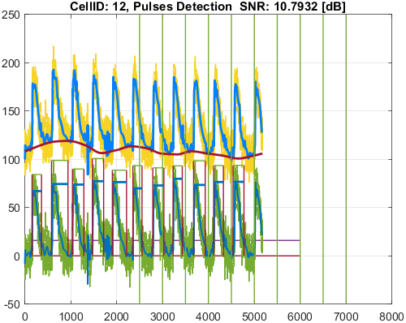
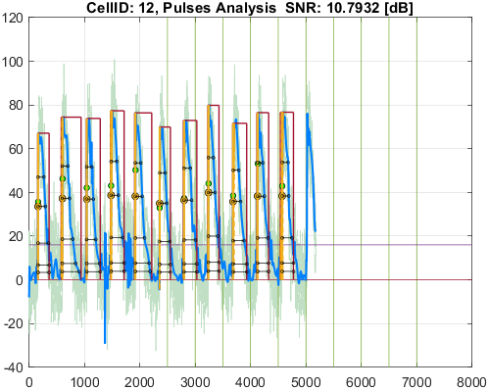
File_Name
generic.csv

Well_Date | Well_Description
12/23/24 | generic

Cell_ID | Cell_SNR | Cell_QCStatus | Cell_QCStatus_String
7 | 10.110823603 | 1 | QC_OK
8 | 11.632748357 | 1 | QC_OK
9 | 11.044417142 | 1 | QC_OK
12 | 10.793212709 | 1 | QC_OK

Cell_ID | Pulse_ID | Pulse_Start_ms | PulseStartOnStimulus | Pulse_End_ms | Pulse_Duration_ms | Pulse_Start_On_Stim | APD_30_ms | APD_50_ms | APD_75_ms | APD_90_ms | APD_95_ms | APD_30_EndPointApproximated | APD_50_EndPointApproximated | APD_75_EndPointApproximated | APD_90_EndPointApproximated | APD_95_EndPointApproximated | APD_30_90 | Pulse_ActivationPointTime_ms | Pulse_UpstrokeStartTime_ms | Pulse_UpstrokeEndTime_ms | Pulse_UpstrokeRiseTime_ms | Pulse_UpstrokeValue | Pulse_MaxValue | Pulse_UpstrokeVelocity | Pulse_MaxUpstrokeVelocityTime_ms | Pulse_MaxUpstrokeVelocityValue
7 | 1 | 298 |  | 798 | 500 | -1 | 188.04507868 | 244.45938678 | 311.00286134 | 436.63007522 | 468.81501098 |  |  |  |  |  | 0.43067367401 | 313.14149955 | 298 | 350 | 52 | 77.31330521 | 77.31330521 | 1.40615521 | 314 | 7.7507115537
7 | 2 | 1148 |  | 1490 | 342 | -1 | 209.7106881 | 250.08648154 | 290.68605009 | 299.87325031 | 299.87325031 |  |  |  | true | true | 0.69933109367 | 1190.1267497 | 1148 | 1206 | 58 | 62.19873959 | 63.680850195 | 1.1092366814 | 1192 | 6.0859924105
7 | 3 | 2016 |  | 2460 | 444 | -1 | 192.22236667 | 233.0534506 | 335.97002637 | 390.24432391 | 390.24432391 |  |  |  | true | true | 0.49256928262 | 2069.7556761 | 2016 | 2106 | 90 | 69.178362035 | 69.178362035 | 0.76171407335 | 2078 | 2.8049275809
7 | 4 | 2938 |  | 3410 | 472 | -1 | 188.30037262 | 240.6214413 | 318.25477783 | 396.71125468 | 426.04219342 |  |  |  |  |  | 0.47465346746 | 2950.8230111 | 2938 | 2966 | 28 | 73.60628041 | 73.60628041 | 2.2835492112 | 2952 | 8.0140966123
7 | 5 | 3790 |  | 4248 | 458 | -1 | 188.02698021 | 240.51875299 | 346.69473148 | 396.32964376 | 418.48666437 |  |  |  |  | true | 0.47442068282 | 3829.5133356 | 3790 | 3842 | 52 | 69.388615024 | 69.388615024 | 1.2979748259 | 3832 | 7.3939735174
7 | 6 | 4674 |  | 5288 | 614 | -1 | 193.66817195 | 247.89832527 | 312.94960732 | 477.6831972 | 518.52169821 |  |  |  |  |  | 0.4054322469 | 4709.5834226 | 4674 | 4730 | 56 | 66.195018528 | 66.195018528 | 1.1591835726 | 4712 | 5.8735003671
7 | 7 | 5582 |  | 6200 | 618 | -1 | 172.38319906 | 230.96665016 | 313.86919189 | 452.83362974 | 525.47187769 |  |  |  |  |  | 0.38067667183 | 5588.2503799 | 5582 | 5594 | 12 | 62.946290629 | 69.707684241 | 5.1023175805 | 5590 | 15.581501913
7 | 8 | 6456 |  | 7118 | 662 | -1 | 202.05279819 | 227.67866126 | 347.76828196 | 520.15940198 | 565.79637915 |  |  |  |  |  | 0.38844399894 | 6470.0536275 | 6456 | 6486 | 30 | 75.855674627 | 75.855674627 | 2.1231127991 | 6472 | 7.7744691527
7 | 9 | 7336 |  | 7778 | 442 | -1 | 219.38113633 | 249.08919908 | 323.50727107 | 426.76245289 | 426.76245289 |  |  |  | true | true | 0.51405913253 | 7351.2375471 | 7336 | 7366 | 30 | 59.562736201 | 61.765327128 | 1.8016873673 | 7352 | 6.5206038264
7 | 10 | 8220 |  | 8730 | 510 | -1 | 208.92656762 | 261.83447057 | 361.23307819 | 488.02537907 | 491.09241451 |  |  |  |  | true | 0.42810594813 | 8238.9075855 | 8220 | 8258 | 38 | 64.644986871 | 66.65226763 | 1.4461040262 | 8244 | 4.214329327
7 | 11 | 9116 |  | 9500 | 384 | -1 | 205.15013336 | 247.60939673 | 346.10925809 | 371.63633773 | 371.63633773 |  |  |  | true | true | 0.55201849909 | 9128.3636623 | 9116 | 9142 | 26 | 66.098254536 | 66.098254536 | 2.4963269877 | 9130 | 8.2054625997

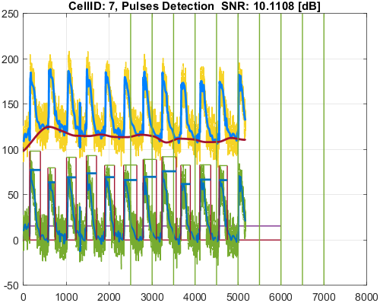
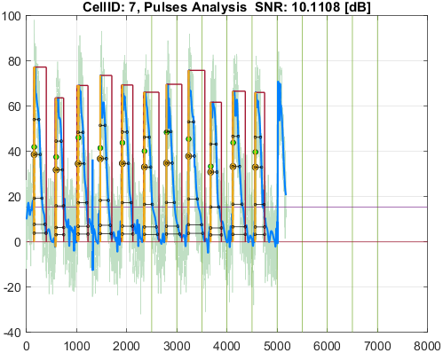

Cell_ID | Pulse_ID | Pulse_Start_ms | PulseStartOnStimulus | Pulse_End_ms | Pulse_Duration_ms | Pulse_Start_On_Stim | APD_30_ms | APD_50_ms | APD_75_ms | APD_90_ms | APD_95_ms | APD_30_EndPointApproximated | APD_50_EndPointApproximated | APD_75_EndPointApproximated | APD_90_EndPointApproximated | APD_95_EndPointApproximated | APD_30_90 | Pulse_ActivationPointTime_ms | Pulse_UpstrokeStartTime_ms | Pulse_UpstrokeEndTime_ms | Pulse_UpstrokeRiseTime_ms | Pulse_UpstrokeValue | Pulse_MaxValue | Pulse_UpstrokeVelocity | Pulse_MaxUpstrokeVelocityTime_ms | Pulse_MaxUpstrokeVelocityValue
8 | 1 | 232 |  | 814 | 582 | -1 | 176.84577771 | 228.61635478 | 311.35857185 | 500.60668731 | 549.12135011 |  |  |  |  |  | 0.35326291516 | 249.14270107 | 232 | 306 | 74 | 91.147940266 | 91.147940266 | 1.1149085913 | 250 | 7.5992931307
8 | 2 | 1108 |  | 1724 | 616 | -1 | 167.12104155 | 223.69350532 | 285.1219977 | 402.93376009 | 439.02950327 |  |  |  |  |  | 0.41476058376 | 1126.1610948 | 1108 | 1138 | 30 | 91.589963595 | 91.589963595 | 2.8404445937 | 1128 | 10.6786303
8 | 3 | 1988 |  | 2368 | 380 | -1 | 146.99959308 | 226.09242826 | 288.02164239 | 343.74119343 | 360.56847322 |  |  |  |  | true | 0.42764613578 | 2007.4315268 | 1988 | 2022 | 34 | 76.465593321 | 82.320808206 | 2.048185933 | 2008 | 8.0235930245
8 | 4 | 2864 |  | 3428 | 564 | -1 | 138.57388427 | 234.53284197 | 312.73589936 | 483.9150488 | 543.83067541 |  |  |  |  | true | 0.28635993986 | 2884.1693246 | 2864 | 2904 | 40 | 87.844632983 | 87.844632983 | 2.1007832447 | 2888 | 7.2639179955
8 | 5 | 3740 |  | 4118 | 378 | -1 | 183.07053369 | 232.21570872 | 298.9431213 | 356.23081571 | 356.23081571 |  |  |  | true | true | 0.51390987421 | 3761.7691843 | 3740 | 3778 | 38 | 88.221033648 | 88.221033648 | 2.1675513119 | 3766 | 6.9753191223
8 | 6 | 4622 |  | 4956 | 334 | -1 | 193.42863379 | 225.86262567 | 297.96935333 | 315.75892247 | 315.75892247 |  |  |  | true | true | 0.6125832717 | 4640.2410775 | 4622 | 4666 | 44 | 77.876675488 | 77.876675488 | 1.7873465873 | 4638 | 5.6843911138
8 | 7 | 5516 |  | 5912 | 396 | -1 | 193.04965204 | 235.86452115 | 316.6378216 | 388.56866476 | 388.56866476 |  |  |  | true | true | 0.49682249123 | 5523.4313352 | 5516 | 5532 | 16 | 86.332601786 | 87.589986453 | 4.5969731583 | 5526 | 17.348391937
8 | 8 | 6392 |  | 6766 | 374 | -1 | 161.17572936 | 224.4064655 | 301.60184785 | 364.12083097 | 364.12083097 |  |  |  | true | true | 0.44264352834 | 6401.879169 | 6392 | 6424 | 32 | 85.8662011 | 85.8662011 | 2.8232757678 | 6398 | 12.335252618
8 | 9 | 7284 |  | 7758 | 474 | -1 | 160.08088654 | 226.80286596 | 297.58625471 | 417.73717694 | 441.15284717 |  |  |  |  |  | 0.3832095762 | 7291.9476518 | 7284 | 7298 | 14 | 79.833079205 | 87.23969479 | 5.3276910432 | 7292 | 17.866377615
8 | 10 | 8156 |  | 8718 | 562 | -1 | 174.05833118 | 234.61040473 | 294.14052501 | 458.04961198 | 505.18653169 |  |  |  |  |  | 0.37999886176 | 8177.8588689 | 8156 | 8194 | 38 | 89.266288892 | 89.266288892 | 2.1365700464 | 8182 | 7.1799878173
8 | 11 | 9048 |  | 9408 | 360 | -1 | 170.09342418 | 236.92572618 | 331.50228781 | 343.87026149 | 343.87026149 |  |  |  | true | true | 0.49464418191 | 9064.1297385 | 9048 | 9130 | 82 | 82.456276508 | 82.456276508 | 0.89702395435 | 9064 | 7.4764667117
8 | 12 | 9948 |  | 10320 | 372 | -1 | 188.22458011 | 238.0502478 | 292.42118299 | 360.5495166 | 360.5495166 |  |  |  | true | true | 0.52204918172 | 9959.4504834 | 9948 | 9974 | 26 | 80.325853388 | 80.325853388 | 2.8802865909 | 9960 | 9.6014427557

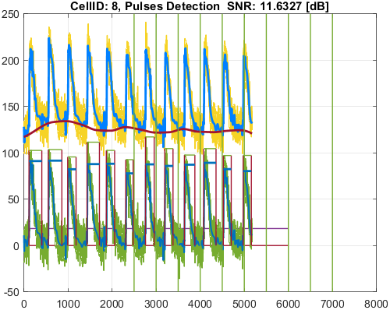
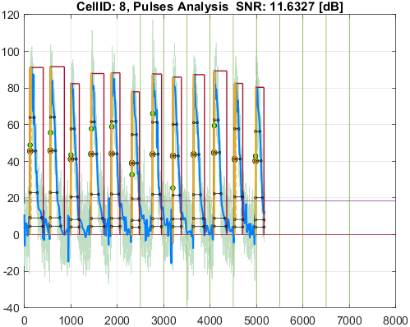

Cell_ID | Pulse_ID | Pulse_Start_ms | PulseStartOnStimulus | Pulse_End_ms | Pulse_Duration_ms | Pulse_Start_On_Stim | APD_30_ms | APD_50_ms | APD_75_ms | APD_90_ms | APD_95_ms | APD_30_EndPointApproximated | APD_50_EndPointApproximated | APD_75_EndPointApproximated | APD_90_EndPointApproximated | APD_95_EndPointApproximated | APD_30_90 | Pulse_ActivationPointTime_ms | Pulse_UpstrokeStartTime_ms | Pulse_UpstrokeEndTime_ms | Pulse_UpstrokeRiseTime_ms | Pulse_UpstrokeValue | Pulse_MaxValue | Pulse_UpstrokeVelocity | Pulse_MaxUpstrokeVelocityTime_ms | Pulse_MaxUpstrokeVelocityValue
9 | 1 | 168 |  | 644 | 476 | -1 | 162.29406507 | 239.25334613 | 274.69944441 | 411.6837936 | 452.44245994 |  |  |  |  | true | 0.39422019422 | 191.55754006 | 168 | 210 | 42 | 90.512246706 | 90.512246706 | 2.0786620764 | 196 | 6.5723653434
9 | 2 | 1052 |  | 1436 | 384 | -1 | 172.1905561 | 217.03617556 | 289.1385204 | 350.65492231 | 369.21857284 |  |  |  |  | true | 0.49105415365 | 1066.7814272 | 1052 | 1106 | 54 | 89.516222424 | 89.516222424 | 1.6682077487 | 1066 | 8.7430374353
9 | 3 | 1926 |  | 2448 | 522 | -1 | 151.40462946 | 220.68737197 | 276.8680348 | 377.17419603 | 464.91247194 |  |  |  |  |  | 0.40141831295 | 1945.9693827 | 1926 | 1978 | 52 | 92.470807656 | 92.470807656 | 1.762009386 | 1946 | 8.3046927889
9 | 4 | 2812 |  | 3362 | 550 | -1 | 158.41231429 | 200.11108855 | 294.42665901 | 411.69987955 | 461.59864445 |  |  |  |  |  | 0.3847761978 | 2830.3351359 | 2812 | 2854 | 42 | 92.182864248 | 92.182864248 | 2.2263310118 | 2830 | 7.3754364341
9 | 5 | 3700 |  | 4142 | 442 | -1 | 168.86752661 | 227.97514369 | 267.40739562 | 365.04933519 | 433.74891418 |  |  |  |  | true | 0.46258823213 | 3708.2510858 | 3700 | 3714 | 14 | 78.036449195 | 86.929999999 | 5.4099094865 | 3708 | 18.169960885
9 | 6 | 4572 |  | 4970 | 398 | -1 | 168.6560451 | 230.94944244 | 309.05807689 | 384.31083725 | 384.31083725 |  |  |  | true | true | 0.4388532114 | 4585.6891628 | 4572 | 4626 | 54 | 86.000465631 | 86.000465631 | 1.6872939585 | 4586 | 10.977494864
9 | 7 | 5446 |  | 5906 | 460 | -1 | 168.21752314 | 215.00166718 | 271.43651825 | 364.71263239 | 415.09569143 |  |  |  |  |  | 0.46123305914 | 5465.2566112 | 5446 | 5502 | 56 | 91.656237864 | 91.656237864 | 1.649433485 | 5466 | 9.3288784316
9 | 8 | 6330 |  | 6690 | 360 | -1 | 163.59028585 | 218.7316862 | 282.00933546 | 344.20573923 | 344.20573923 |  |  |  | true | true | 0.47526890812 | 6345.7942608 | 6330 | 6382 | 52 | 87.398155866 | 87.398155866 | 1.6411599117 | 6346 | 8.3677618247
9 | 9 | 7200 |  | 7568 | 368 | -1 | 133.35311413 | 205.39400133 | 275.96629119 | 321.20003378 | 330.77340123 |  |  |  |  | true | 0.41517154452 | 7237.2265988 | 7200 | 7254 | 54 | 90.357113488 | 90.357113488 | 1.6767159918 | 7240 | 8.4016899002
9 | 10 | 8106 |  | 8500 | 394 | -1 | 165.37487238 | 209.92452204 | 308.11904417 | 363.01771362 | 378.63097365 |  |  |  |  | true | 0.45555593068 | 8121.3690264 | 8106 | 8160 | 54 | 88.713559179 | 88.713559179 | 1.5726523566 | 8122 | 8.498619724
9 | 11 | 8988 | true | 9436 | 448 | 5 | 164.78290398 | 221.75239879 | 295.37974302 | 376.24874225 | 398.9950607 |  |  |  |  |  | 0.43796267064 | 9011.0771971 | 8988 | 9028 | 40 | 85.346435181 | 85.346435181 | 2.1441457608 | 9014 | 7.3290843432
9 | 12 | 9864 |  | 10316 | 452 | -1 | 149.52555128 | 200.34979747 | 270.34680977 | 351.23533743 | 409.5032822 |  |  |  |  | true | 0.42571329063 | 9906.4967178 | 9864 | 9924 | 60 | 88.569664581 | 88.569664581 | 1.5340621196 | 9912 | 7.10592764

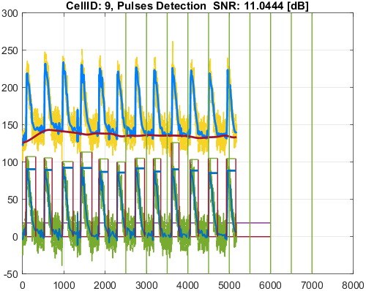
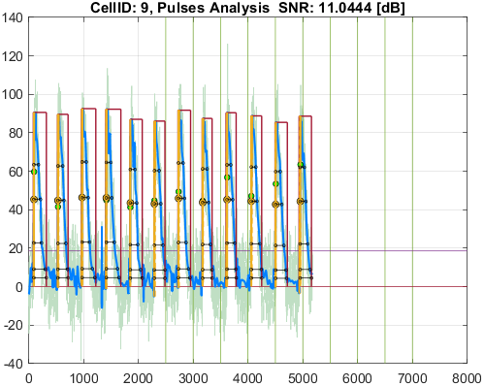

Cell_ID | Pulse_ID | Pulse_Start_ms | PulseStartOnStimulus | Pulse_End_ms | Pulse_Duration_ms | Pulse_Start_On_Stim | APD_30_ms | APD_50_ms | APD_75_ms | APD_90_ms | APD_95_ms | APD_30_EndPointApproximated | APD_50_EndPointApproximated | APD_75_EndPointApproximated | APD_90_EndPointApproximated | APD_95_EndPointApproximated | APD_30_90 | Pulse_ActivationPointTime_ms | Pulse_UpstrokeStartTime_ms | Pulse_UpstrokeEndTime_ms | Pulse_UpstrokeRiseTime_ms | Pulse_UpstrokeValue | Pulse_MaxValue | Pulse_UpstrokeVelocity | Pulse_MaxUpstrokeVelocityTime_ms | Pulse_MaxUpstrokeVelocityValue
12 | 1 | 314 |  | 726 | 412 | -1 | 206.63133146 | 265.28406643 | 375.73040707 | 398.55208689 | 398.55208689 |  |  |  | true | true | 0.51845502321 | 327.44791311 | 314 | 342 | 28 | 67.040123062 | 67.040123062 | 2.1934778293 | 328 | 7.4922923057
12 | 2 | 1162 |  | 1880 | 718 | -1 | 198.95382862 | 261.57977076 | 374.79184912 | 480.38263764 | 597.91040366 |  |  |  |  |  | 0.41415699285 | 1205.3949116 | 1162 | 1220 | 58 | 72.664365037 | 74.37680488 | 1.2306247226 | 1208 | 6.9940146069
12 | 3 | 2078 |  | 2572 | 494 | -1 | 179.92127876 | 237.23636754 | 326.36883472 | 465.47978924 | 486.7720364 |  |  |  |  | true | 0.38652865906 | 2085.2279636 | 2078 | 2090 | 12 | 53.784880304 | 73.79275847 | 4.3023074032 | 2086 | 13.38323101
12 | 4 | 2942 |  | 3434 | 492 | -1 | 209.45204442 | 260.10589574 | 413.5547642 | 469.71466508 | 469.71466508 |  |  |  | true | true | 0.44591335972 | 2964.2853349 | 2942 | 3010 | 68 | 77.299307146 | 77.299307146 | 1.095098807 | 2966 | 5.0871679025
12 | 5 | 3814 |  | 4432 | 618 | -1 | 194.03764893 | 249.14030704 | 333.66272406 | 495.31951847 | 530.21963324 |  |  |  |  |  | 0.39174238384 | 3839.67757 | 3814 | 3858 | 44 | 76.344920964 | 76.344920964 | 1.7250993277 | 3844 | 5.6098210466
12 | 6 | 4710 |  | 5106 | 396 | -1 | 195.35431923 | 255.97698686 | 362.59417793 | 387.657104 | 387.657104 |  |  |  | true | true | 0.50393586811 | 4718.342896 | 4710 | 4740 | 30 | 69.872659591 | 69.872659591 | 2.4742974835 | 4718 | 14.307123406
12 | 7 | 5576 |  | 6060 | 484 | -1 | 218.7611357 | 267.03015797 | 409.12064775 | 458.40307273 | 458.40307273 |  |  |  | true | true | 0.47722440951 | 5601.5969273 | 5576 | 5626 | 50 | 67.389812486 | 72.874549915 | 1.3316195625 | 5602 | 4.3915589544
12 | 8 | 6460 |  | 6860 | 400 | -1 | 178.34776627 | 239.76884121 | 338.22163231 | 381.47136674 | 381.47136674 |  |  |  | true | true | 0.46752595823 | 6478.5286333 | 6460 | 6498 | 38 | 79.788567391 | 79.788567391 | 1.9482409569 | 6480 | 5.5984994785
12 | 9 | 7356 |  | 7860 | 504 | -1 | 204.31636674 | 270.9472722 | 400.20012188 | 490.72373884 | 490.72373884 |  |  |  | true | true | 0.41635720991 | 7369.2762612 | 7356 | 7418 | 62 | 71.573844622 | 71.573844622 | 1.108876806 | 7370 | 7.4000584841
12 | 10 | 8230 |  | 8654 | 424 | -1 | 187.80980916 | 245.61741574 | 374.65614307 | 400.01152444 | 400.01152444 |  |  |  | true | true | 0.46951099577 | 8253.9884756 | 8230 | 8274 | 44 | 76.438447402 | 76.438447402 | 1.538789735 | 8260 | 5.1208834527
12 | 11 | 9076 |  | 9550 | 474 | -1 | 215.52093269 | 237.23157184 | 350.41149228 | 407.35765904 | 407.35765904 |  |  |  | true | true | 0.52907053029 | 9142.642341 | 9076 | 9182 | 106 | 76.6367926 | 76.6367926 | 0.72188299924 | 9144 | 6.6879594483

QC Failed Pulses
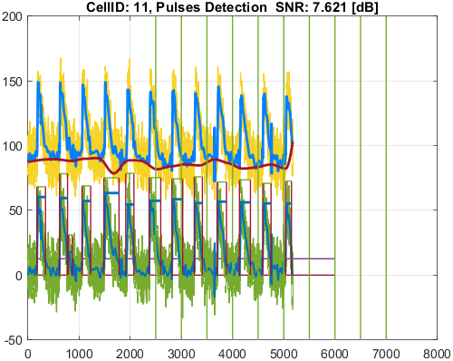
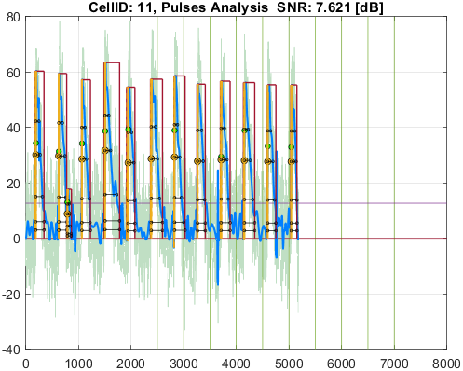
File_Name
generic.csv

Well_Date | Well_Description
12/23/24 | generic

Cell_ID | Cell_SNR | Cell_QCStatus | Cell_QCStatus_String
1 | 1.4630473025 | 2 | QC_Failed_CheckForSNR
2 | 6.3067798355 | 2 | QC_Failed_CheckForSNR
3 | 7.8368062957 | 2 | QC_Failed_CheckForSNR
4 | 5.4707519183 | 2 | QC_Failed_CheckForSNR
5 | -3.3321678958 | 2 | QC_Failed_CheckForSNR
6 | 4.004623996 | 2 | QC_Failed_CheckForSNR
10 | -6.4204031813 | 2 | QC_Failed_CheckForSNR
11 | 7.6209769999 | 2 | QC_Failed_CheckForSNR

Cell_ID | Pulse_ID | Pulse_Start_ms | PulseStartOnStimulus | Pulse_End_ms | Pulse_Duration_ms | Pulse_Start_On_Stim | APD_30_ms | APD_50_ms | APD_75_ms | APD_90_ms | APD_95_ms | APD_30_EndPointApproximated | APD_50_EndPointApproximated | APD_75_EndPointApproximated | APD_90_EndPointApproximated | APD_95_EndPointApproximated | APD_30_90 | Pulse_ActivationPointTime_ms | Pulse_UpstrokeStartTime_ms | Pulse_UpstrokeEndTime_ms | Pulse_UpstrokeRiseTime_ms | Pulse_UpstrokeValue | Pulse_MaxValue | Pulse_UpstrokeVelocity | Pulse_MaxUpstrokeVelocityTime_ms | Pulse_MaxUpstrokeVelocityValue
1 | 1 | 48 |  | 206 | 158 | -1 | 132.32470283 | 158 | 158 | 158 | 158 |  | true | true | true | true | 0.83749811917 | 48 | 48 | 140 | 92 | 13.355068096 | 13.355068096 | 0.060867684272 | 96 | 0.18676936182
1 | 2 | 216 |  | 774 | 558 | -1 | 194.60403282 | 243.69310257 | 312.16383788 | 377.41982217 | 411.33075193 |  |  |  |  |  | 0.51561688439 | 258.80011613 | 216 | 342 | 126 | 29.396563546 | 29.396563546 | 0.17188181995 | 282 | 0.45295001025
1 | 3 | 1078 |  | 1408 | 330 | -1 | 264.54640154 | 267.48330638 | 271.0956477 | 273.8180941 | 275.18873324 |  |  |  |  |  | 0.96613922613 | 1131.3610678 | 1078 | 1188 | 110 | 22.128575577 | 22.128575577 | 0.18157364373 | 1136 | 0.62692208461
1 | 4 | 1914 |  | 2448 | 534 | -1 | 244.79277159 | 298.22351365 | 377.52415029 | 441.95093316 | 441.95093316 |  |  |  | true | true | 0.55389128798 | 2006.0490668 | 1914 | 2112 | 198 | 24.429181656 | 24.429181656 | 0.12581176431 | 1998 | 0.40726259452
1 | 5 | 2814 |  | 3530 | 716 | -1 | 210.22256383 | 255.89545537 | 320.41585819 | 507.18014066 | 543.48918556 |  |  |  |  |  | 0.41449289311 | 2901.9350341 | 2814 | 2996 | 182 | 25.34758745 | 25.34758745 | 0.14499508004 | 2894 | 0.45163024081
1 | 6 | 3740 |  | 4232 | 492 | -1 | 226.72921584 | 276.76183138 | 339.16831325 | 387.8412419 | 410.39498869 |  |  |  |  |  | 0.58459284714 | 3764.0121483 | 3740 | 3878 | 138 | 21.605188068 | 21.605188068 | 0.10065855683 | 3780 | 0.2710575869
1 | 7 | 4594 |  | 5038 | 444 | -1 | 208.26705065 | 245.01028449 | 295.25110258 | 328.86625377 | 343.18160817 |  |  |  |  |  | 0.63328799552 | 4650.1286914 | 4594 | 4714 | 120 | 24.708892647 | 24.708892647 | 0.17684581215 | 4658 | 0.63229333897
1 | 8 | 5512 |  | 5904 | 392 | -1 | 183.80790576 | 224.61456349 | 310.6817933 | 368.24195021 | 368.24195021 |  |  |  | true | true | 0.49914982704 | 5535.7580498 | 5512 | 5560 | 48 | 28.571925397 | 28.571925397 | 0.58906268868 | 5538 | 1.8647402183
1 | 9 | 6346 |  | 6770 | 424 | -1 | 165.82967454 | 212.91347875 | 269.07960176 | 353.16439047 | 353.16439047 |  |  |  | true | true | 0.46955378008 | 6416.8356095 | 6346 | 6488 | 142 | 25.841212117 | 25.841212117 | 0.16513580968 | 6428 | 0.48269675349
1 | 10 | 7234 |  | 8008 | 774 | -1 | 9.4929599434 | 159.14675695 | 229.3567601 | 491.84267645 | 611.94893832 |  |  |  |  |  | 0.019300805721 | 7330.4285946 | 7234 | 7314 | 80 | 19.86143951 | 38.940743405 | 0.27474092903 | 7300 | 0.94025093883
1 | 11 | 8168 |  | 8692 | 524 | -1 | 128.01481025 | 197.69501676 | 269.88212161 | 403.25477831 | 497.38280199 |  |  |  |  | true | 0.3174539203 | 8194.617198 | 8168 | 8222 | 54 | 28.110089928 | 28.110089928 | 0.58132068278 | 8194 | 1.9831642095
1 | 12 | 9034 |  | 9554 | 520 | -1 | 221.67527993 | 258.1899812 | 352.14023571 | 477.74097813 | 477.74097813 |  |  |  | true | true | 0.46400725514 | 9076.2590219 | 9034 | 9210 | 176 | 24.355822762 | 24.355822762 | 0.1296338775 | 9072 | 0.71337433378
1 | 13 | 9914 |  | 10222 | 308 | -1 | 179.80999706 | 224.66106545 | 260.60257197 | 260.60257197 | 260.60257197 |  |  | true | true | true | 0.68997782983 | 9961.397428 | 9914 | 10020 | 106 | 23.45254896 | 23.45254896 | 0.184400703 | 9968 | 0.6220336447

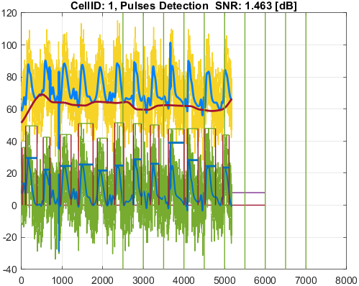
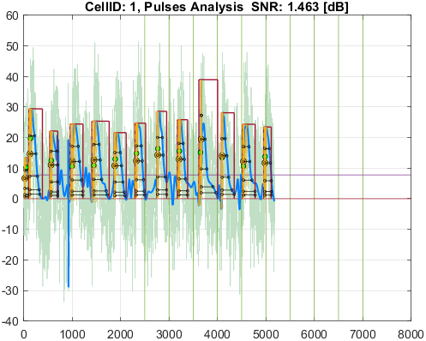

Cell_ID | Pulse_ID | Pulse_Start_ms | PulseStartOnStimulus | Pulse_End_ms | Pulse_Duration_ms | Pulse_Start_On_Stim | APD_30_ms | APD_50_ms | APD_75_ms | APD_90_ms | APD_95_ms | APD_30_EndPointApproximated | APD_50_EndPointApproximated | APD_75_EndPointApproximated | APD_90_EndPointApproximated | APD_95_EndPointApproximated | APD_30_90 | Pulse_ActivationPointTime_ms | Pulse_UpstrokeStartTime_ms | Pulse_UpstrokeEndTime_ms | Pulse_UpstrokeRiseTime_ms | Pulse_UpstrokeValue | Pulse_MaxValue | Pulse_UpstrokeVelocity | Pulse_MaxUpstrokeVelocityTime_ms | Pulse_MaxUpstrokeVelocityValue
2 | 1 | 234 |  | 970 | 736 | -1 | 214.36054601 | 254.02729909 | 366.92114151 | 610.01720273 | 663.71321801 |  |  |  |  |  | 0.35140082124 | 265.27444954 | 234 | 358 | 124 | 39.519502175 | 39.519502175 | 0.33908116429 | 258 | 1.9566395797
2 | 2 | 1090 |  | 1742 | 652 | -1 | 206.16548259 | 280.99883636 | 449.18772684 | 504.08428699 | 531.93667408 |  |  |  |  |  | 0.4089900993 | 1135.4800567 | 1090 | 1180 | 90 | 43.840221634 | 43.840221634 | 0.48282942392 | 1136 | 1.4899659158
2 | 3 | 1990 |  | 2590 | 600 | -1 | 247.73381229 | 279.66016593 | 476.12830216 | 572.59673267 | 572.59673267 |  |  |  | true | true | 0.43264971342 | 2017.4032673 | 1990 | 2042 | 52 | 39.932734334 | 46.009822596 | 0.7173835817 | 2018 | 2.4211145237
2 | 4 | 2802 |  | 3536 | 734 | -1 | 214.94462599 | 262.39785087 | 331.93993457 | 597.63079348 | 630.05339415 |  |  |  |  | true | 0.35966122954 | 2905.9466059 | 2802 | 2932 | 130 | 43.37861115 | 44.247839159 | 0.34626650548 | 2912 | 2.2501565148
2 | 5 | 3740 |  | 4368 | 628 | -1 | 250.46566891 | 287.96458999 | 357.52394772 | 527.1284677 | 594.23300566 |  |  |  |  | true | 0.47515109552 | 3773.7669943 | 3740 | 3808 | 68 | 36.14962904 | 36.14962904 | 0.47394036453 | 3776 | 1.8762771567
2 | 6 | 4604 |  | 5066 | 462 | -1 | 187.27592771 | 229.87977754 | 318.7707845 | 389.57091032 | 409.9728409 |  |  |  |  | true | 0.48072359293 | 4656.0271591 | 4604 | 4702 | 98 | 40.480749738 | 40.480749738 | 0.42884908192 | 4658 | 1.3987657317
2 | 7 | 5508 |  | 6218 | 710 | -1 | 205.21284747 | 261.92754371 | 436.25478997 | 554.44106406 | 596.2576893 |  |  |  |  |  | 0.3701256288 | 5538.2750133 | 5508 | 5614 | 106 | 43.895720187 | 43.895720187 | 0.41831689548 | 5538 | 2.4847460411
2 | 8 | 6382 |  | 6826 | 444 | -1 | 203.39466334 | 253.69592344 | 361.96101586 | 405.30869286 | 405.30869286 |  |  |  | true | true | 0.50182655079 | 6420.6913071 | 6382 | 6452 | 70 | 46.753339082 | 46.753339082 | 0.62010150815 | 6424 | 1.9785524896
2 | 9 | 7236 |  | 8000 | 764 | -1 | 210.39368589 | 263.16538697 | 353.38948533 | 552.49564739 | 599.5194865 |  |  |  |  |  | 0.3808060514 | 7310.1495962 | 7236 | 7344 | 108 | 44.975771025 | 44.975771025 | 0.46510361122 | 7320 | 1.6515381668
2 | 10 | 8170 |  | 8684 | 514 | -1 | 217.22427392 | 270.30219912 | 353.63092654 | 493.76941279 | 493.76941279 |  |  |  | true | true | 0.43993059978 | 8190.2305872 | 8170 | 8218 | 48 | 41.999749425 | 41.999749425 | 0.75906533435 | 8192 | 2.43438503
2 | 11 | 9022 |  | 9432 | 410 | -1 | 220.49768045 | 279.72290093 | 332.2104247 | 358.93998293 | 358.93998293 |  |  |  | true | true | 0.6143023651 | 9073.0600171 | 9022 | 9130 | 108 | 40.978662303 | 40.978662303 | 0.3738063974 | 9072 | 1.2650325859
2 | 12 | 9960 | true | 10300 | 340 | 6 | 191.92464732 | 227.93515223 | 320.37657791 | 327.15810027 | 327.15810027 |  |  |  | true | true | 0.58664189322 | 9972.8418997 | 9960 | 9986 | 26 | 41.626897436 | 41.626897436 | 1.2764383833 | 9976 | 4.4490167938

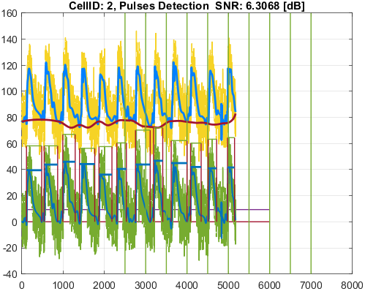
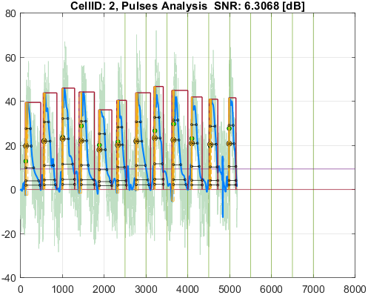

Cell_ID | Pulse_ID | Pulse_Start_ms | PulseStartOnStimulus | Pulse_End_ms | Pulse_Duration_ms | Pulse_Start_On_Stim | APD_30_ms | APD_50_ms | APD_75_ms | APD_90_ms | APD_95_ms | APD_30_EndPointApproximated | APD_50_EndPointApproximated | APD_75_EndPointApproximated | APD_90_EndPointApproximated | APD_95_EndPointApproximated | APD_30_90 | Pulse_ActivationPointTime_ms | Pulse_UpstrokeStartTime_ms | Pulse_UpstrokeEndTime_ms | Pulse_UpstrokeRiseTime_ms | Pulse_UpstrokeValue | Pulse_MaxValue | Pulse_UpstrokeVelocity | Pulse_MaxUpstrokeVelocityTime_ms | Pulse_MaxUpstrokeVelocityValue
3 | 1 | 186 |  | 780 | 594 | -1 | 240.84799919 | 299.75604288 | 460.77286722 | 508.46314276 | 517.63408153 |  |  |  |  |  | 0.47367838283 | 241.66793881 | 186 | 308 | 122 | 45.164216172 | 45.164216172 | 0.37091766795 | 242 | 1.3567272028
3 | 2 | 1100 |  | 1560 | 460 | -1 | 235.6504812 | 314.18690422 | 422.83752837 | 439.34750039 | 447.19720832 |  |  |  |  | true | 0.53636467943 | 1112.8027917 | 1100 | 1122 | 22 | 42.848673201 | 51.864892339 | 1.7976875828 | 1114 | 5.3653508244
3 | 3 | 1980 |  | 2584 | 604 | -1 | 211.25674713 | 294.09894687 | 417.73261125 | 505.69624256 | 535.40407298 |  |  |  |  |  | 0.41775423534 | 1992.8416531 | 1980 | 2004 | 24 | 42.635644651 | 49.869657032 | 1.6216322005 | 1992 | 5.0677976197
3 | 4 | 2830 |  | 3590 | 760 | -1 | 256.31707521 | 331.86917129 | 420.78409634 | 600.02629069 | 643.74734719 |  |  |  |  |  | 0.42717640742 | 2872.1674839 | 2830 | 3012 | 182 | 45.76509287 | 45.76509287 | 0.26822808569 | 2860 | 1.5667980099
3 | 5 | 3716 |  | 4146 | 430 | -1 | 224.21269709 | 281.96014067 | 373.89820428 | 396.99586025 | 396.99586025 |  |  |  | true | true | 0.56477338819 | 3749.0041397 | 3716 | 3786 | 70 | 44.029044042 | 47.954364233 | 0.6344998173 | 3744 | 2.3026139034
3 | 6 | 4618 |  | 4960 | 342 | -1 | 250.45059541 | 311.97554503 | 321.43826251 | 326.13380092 | 328.90703143 |  |  |  |  |  | 0.76793817355 | 4630.1272104 | 4618 | 4642 | 24 | 41.767071979 | 44.304622764 | 1.3859697888 | 4632 | 4.4295321629
3 | 7 | 5482 |  | 6222 | 740 | -1 | 227.1737242 | 332.24649353 | 419.09750422 | 642.13020196 | 672.89001843 |  |  |  |  |  | 0.35378140369 | 5509.9665458 | 5482 | 5590 | 108 | 48.328843675 | 48.328843675 | 0.48741974525 | 5506 | 2.8147417067
3 | 8 | 6340 |  | 7008 | 668 | -1 | 285.7094619 | 369.82305495 | 491.31826959 | 567.84864645 | 584.52915583 |  |  |  |  |  | 0.50314368747 | 6388.4668885 | 6340 | 6446 | 106 | 43.160436862 | 43.529004961 | 0.42375997396 | 6386 | 1.4299488132
3 | 9 | 7226 |  | 7852 | 626 | -1 | 237.94075025 | 297.20535417 | 420.99889024 | 494.73304584 | 526.12651975 |  |  |  |  |  | 0.48094776011 | 7282.050148 | 7226 | 7340 | 114 | 44.399710353 | 44.399710353 | 0.40193712867 | 7282 | 1.4008265122
3 | 10 | 8126 |  | 8732 | 606 | -1 | 280.211553 | 303.57700943 | 421.35721949 | 569.69649331 | 569.69649331 |  |  |  | true | true | 0.49186111603 | 8162.3035067 | 8126 | 8186 | 60 | 42.318651546 | 55.182863291 | 0.60839021738 | 8162 | 2.2335365984
3 | 11 | 9030 |  | 9432 | 402 | -1 | 251.29159186 | 278.51677575 | 360.42161089 | 377.26402541 | 377.26402541 |  |  |  | true | true | 0.66608946237 | 9054.7359746 | 9030 | 9078 | 48 | 43.833072365 | 47.3190271 | 0.82671434631 | 9058 | 2.6584897555
3 | 12 | 9922 |  | 10286 | 364 | -1 | 204.75188049 | 242.77953824 | 331.25824767 | 337.46974777 | 337.46974777 |  |  |  | true | true | 0.60672662318 | 9948.5302522 | 9922 | 9972 | 50 | 47.474674018 | 47.636571056 | 0.85006546637 | 9952 | 2.8161234306

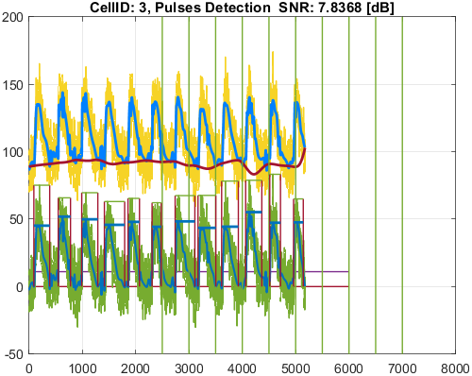
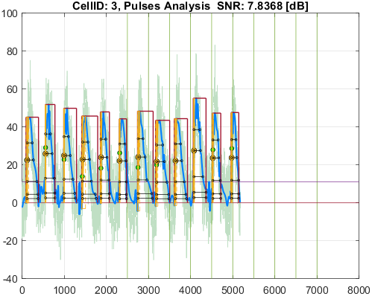

Cell_ID | Pulse_ID | Pulse_Start_ms | PulseStartOnStimulus | Pulse_End_ms | Pulse_Duration_ms | Pulse_Start_On_Stim | APD_30_ms | APD_50_ms | APD_75_ms | APD_90_ms | APD_95_ms | APD_30_EndPointApproximated | APD_50_EndPointApproximated | APD_75_EndPointApproximated | APD_90_EndPointApproximated | APD_95_EndPointApproximated | APD_30_90 | Pulse_ActivationPointTime_ms | Pulse_UpstrokeStartTime_ms | Pulse_UpstrokeEndTime_ms | Pulse_UpstrokeRiseTime_ms | Pulse_UpstrokeValue | Pulse_MaxValue | Pulse_UpstrokeVelocity | Pulse_MaxUpstrokeVelocityTime_ms | Pulse_MaxUpstrokeVelocityValue
4 | 1 | 158 |  | 676 | 518 | -1 | 192.42401259 | 240.52265775 | 343.31621942 | 506.14713711 | 506.14713711 |  |  |  | true | true | 0.38017406102 | 169.85286289 | 158 | 224 | 66 | 44.367396411 | 44.367396411 | 0.62326435246 | 170 | 4.6885166835
4 | 2 | 994 |  | 1468 | 474 | -1 | 109.05230444 | 221.38497296 | 316.81575949 | 420.7338043 | 420.7338043 |  |  |  | true | true | 0.25919548971 | 1047.2661957 | 994 | 1102 | 108 | 51.488287757 | 51.488287757 | 0.47471038448 | 1046 | 1.5323836231
4 | 3 | 1894 |  | 2452 | 558 | -1 | 180.34325374 | 233.94133086 | 323.25498357 | 446.53896317 | 517.82059589 |  |  |  |  |  | 0.40386902066 | 1919.4887807 | 1894 | 1946 | 52 | 42.970559164 | 42.970559164 | 0.80539787673 | 1920 | 2.7066425541
4 | 4 | 2752 |  | 3390 | 638 | -1 | 174.67515237 | 232.07967337 | 354.13738056 | 502.12286492 | 585.35388677 |  |  |  |  | true | 0.34787332857 | 2804.6461132 | 2752 | 2818 | 66 | 45.421403093 | 45.421403093 | 0.71817736506 | 2808 | 4.6700672899
4 | 5 | 3652 |  | 3992 | 340 | -1 | 154.17557174 | 220.73234205 | 285.57917703 | 312.09078657 | 312.09078657 |  |  |  | true | true | 0.4940087256 | 3679.9092134 | 3652 | 3718 | 66 | 49.344398093 | 49.344398093 | 0.69965997365 | 3680 | 2.6304997859
4 | 6 | 4544 |  | 4910 | 366 | -1 | 151.10253242 | 226.49312093 | 314.50297965 | 347.04887147 | 347.04887147 |  |  |  | true | true | 0.43539266321 | 4562.9511285 | 4544 | 4578 | 34 | 45.061442599 | 45.061442599 | 1.2962611093 | 4564 | 3.8397042531
4 | 7 | 5418 |  | 5892 | 474 | -1 | 171.22470152 | 205.160054 | 285.53116087 | 373.71994305 | 418.97246677 |  |  |  |  |  | 0.45816313715 | 5440.6708179 | 5418 | 5468 | 50 | 35.42235977 | 35.42235977 | 0.68619371466 | 5440 | 2.2733215322
4 | 8 | 6266 |  | 6978 | 712 | -1 | 197.51201667 | 241.42736128 | 384.17159292 | 495.65639671 | 550.50481723 |  |  |  |  |  | 0.39848576146 | 6320.152774 | 6266 | 6354 | 88 | 39.81748574 | 39.81748574 | 0.46801540933 | 6326 | 1.5230549767
4 | 9 | 7198 |  | 7644 | 446 | -1 | 200.71316246 | 269.22953882 | 354.22424244 | 432.77530792 | 432.77530792 |  |  |  | true | true | 0.46378145607 | 7211.2246921 | 7198 | 7222 | 24 | 31.810521159 | 39.924936083 | 1.3712251585 | 7210 | 4.5321104418
4 | 10 | 8070 |  | 8710 | 640 | -1 | 192.65286636 | 239.9698888 | 344.4655106 | 484.73557547 | 563.93569198 |  |  |  |  |  | 0.39743909072 | 8095.8101961 | 8070 | 8122 | 52 | 42.291990878 | 42.291990878 | 0.80392223524 | 8098 | 2.667411582
4 | 11 | 8868 | true | 9384 | 516 | 5 | 188.78492731 | 198.67647676 | 262.63523418 | 317.19651658 | 342.14142207 |  |  |  |  |  | 0.59516708867 | 8984.5649346 | 8950 | 9014 | 64 | 43.228788742 | 43.228788742 | 0.52413371577 | 8992 | 1.9997271285
4 | 12 | 9804 |  | 10180 | 376 | -1 | 217.25226906 | 234.97748837 | 291.43362633 | 297.67725927 | 297.67725927 |  |  |  | true | true | 0.72982487677 | 9882.3227407 | 9804 | 9916 | 112 | 44.711307296 | 44.711307296 | 0.40095963522 | 9888 | 2.0714797537

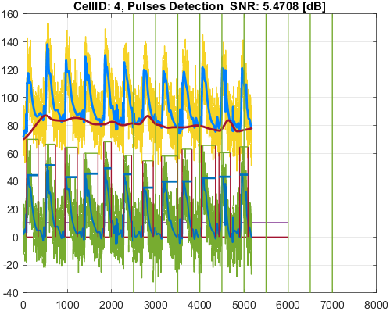
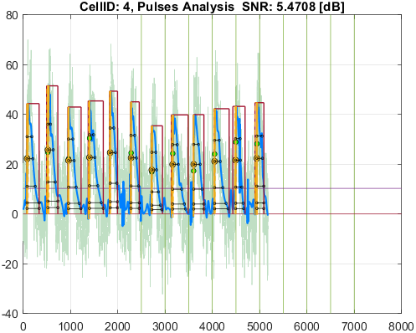

Cell_ID | Pulse_ID | Pulse_Start_ms | PulseStartOnStimulus | Pulse_End_ms | Pulse_Duration_ms | Pulse_Start_On_Stim | APD_30_ms | APD_50_ms | APD_75_ms | APD_90_ms | APD_95_ms | APD_30_EndPointApproximated | APD_50_EndPointApproximated | APD_75_EndPointApproximated | APD_90_EndPointApproximated | APD_95_EndPointApproximated | APD_30_90 | Pulse_ActivationPointTime_ms | Pulse_UpstrokeStartTime_ms | Pulse_UpstrokeEndTime_ms | Pulse_UpstrokeRiseTime_ms | Pulse_UpstrokeValue | Pulse_MaxValue | Pulse_UpstrokeVelocity | Pulse_MaxUpstrokeVelocityTime_ms | Pulse_MaxUpstrokeVelocityValue
5 | 1 | 130 |  | 292 | 162 | -1 | 70.694627068 | 85.246952217 | 120.41823432 | 120.41823432 | 120.41823432 |  |  | true | true | true | 0.58707576528 | 171.58176568 | 130 | 210 | 80 | 11.530568798 | 11.530568798 | 0.1401203555 | 176 | 0.41533696429
5 | 2 | 812 |  | 1382 | 570 | -1 | 206.77736123 | 273.95868592 | 424.04686052 | 424.04686052 | 424.04686052 |  |  | true | true | true | 0.48762856298 | 957.95313948 | 812 | 1058 | 246 | 11.668667002 | 11.668667002 | 0.047989553352 | 968 | 0.16497894583
5 | 3 | 1778 |  | 2316 | 538 | -1 | 249.2543522 | 376.28764407 | 417.88748581 | 425.51701393 | 427.99919483 |  |  |  |  |  | 0.58576823966 | 1870.9905685 | 1778 | 1960 | 182 | 10.973079054 | 10.973079054 | 0.060540001794 | 1874 | 0.18929646456
5 | 4 | 2512 |  | 2896 | 384 | -1 | 107.17340283 | 118.61908563 | 133.96682399 | 150.05354856 | 150.05354856 |  |  |  | true | true | 0.71423437738 | 2745.9464514 | 2512 | 2824 | 312 | 11.677455935 | 11.677455935 | 0.032670697918 | 2782 | 0.2109658964
5 | 5 | 2920 |  | 3364 | 444 | -1 | 87.965420006 | 144.13259516 | 276.32585154 | 350.5174997 | 376.70934528 |  |  |  |  |  | 0.25095871128 | 2927.6919899 | 2920 | 2968 | 48 | 11.800991022 | 11.800991022 | 0.15569699734 | 2928 | 0.41804672391
5 | 6 | 3538 |  | 3744 | 206 | -1 | 40.718136944 | 43.607410852 | 47.439163791 | 51.611346105 | 51.611346105 |  |  |  | true | true | 0.78893770491 | 3692.3886539 | 3538 | 3726 | 188 | 21.012042761 | 21.012042761 | 0.10844257218 | 3716 | 1.2875464983
5 | 7 | 3746 |  | 4150 | 404 | -1 | 22.695416503 | 75.244622057 | 248.53993725 | 310.67798013 | 335.41560782 |  |  |  |  |  | 0.073051255495 | 3752.0241389 | 3746 | 3762 | 16 | 20.8549477 | 20.8549477 | 1.1129093192 | 3754 | 2.9400440403
5 | 8 | 4300 |  | 5256 | 956 | -1 | 322.41955499 | 417.49730182 | 643.13614982 | 693.98432053 | 704.85721545 |  |  |  |  |  | 0.46459198783 | 4507.6766025 | 4442 | 4652 | 210 | 22.808447739 | 22.808447739 | 0.067163403591 | 4336 | 0.49441622577
5 | 9 | 5302 |  | 5388 | 86 | -1 | 53.1334748 | 64.166574905 | 85.502188009 | 86 | 86 |  |  |  | true | true | 0.61783110233 | 5302 | 5302 | 5330 | 28 | 8.2929070492 | 8.2929070492 | 0.13525382254 | 5302 | 0.41479436092
5 | 10 | 5406 |  | 5528 | 122 | -1 | 69.938348113 | 84.778258234 | 109.33916291 | 109.33916291 | 109.33916291 |  |  | true | true | true | 0.63964590775 | 5418.6608371 | 5406 | 5458 | 52 | 14.19497383 | 14.19497383 | 0.19224053831 | 5424 | 0.49868106048
5 | 11 | 5534 |  | 5778 | 244 | -1 | 170.99699795 | 206.61808125 | 244 | 244 | 244 |  |  | true | true | true | 0.70080736867 | 5534 | 5534 | 5628 | 94 | 8.8004082282 | 8.8004082282 | 0.045465920752 | 5572 | 0.16232533581
5 | 12 | 5824 |  | 6154 | 330 | -1 | 145.5776946 | 175.83888299 | 217.77956986 | 260.14117622 | 282.41700899 |  |  |  |  |  | 0.55961034971 | 5824 | 5824 | 5904 | 80 | 7.1037163453 | 7.1037163453 | 0.031789980013 | 5840 | 0.083196364002
5 | 13 | 6288 |  | 6916 | 628 | -1 | 197.06175895 | 305.30947084 | 409.42385445 | 501.61694977 | 534.00444923 |  |  |  |  |  | 0.39285307053 | 6314.751301 | 6288 | 6356 | 68 | 10.648819401 | 10.648819401 | 0.16452949511 | 6300 | 0.62067436277
5 | 14 | 7140 |  | 7566 | 426 | -1 | 327.96823509 | 349.65801222 | 376.01421763 | 394.23208676 | 401.474143 |  |  |  |  |  | 0.83191664531 | 7140 | 7140 | 7224 | 84 | 5.5447917856 | 5.5447917856 | 0.01201557451 | 7140 | 0.047583924685
5 | 15 | 7838 |  | 8014 | 176 | -1 | 70.254140225 | 79.045539177 | 89.532543278 | 96.405827367 | 99.024655421 |  |  |  |  |  | 0.72873333639 | 7898.2376163 | 7838 | 7946 | 108 | 7.7865198746 | 7.7865198746 | 0.053630917893 | 7922 | 0.20128951307
5 | 16 | 8044 |  | 8590 | 546 | -1 | 358.75573389 | 457.02208333 | 536.29271142 | 536.29271142 | 536.29271142 |  |  | true | true | true | 0.6689550804 | 8053.7072886 | 8044 | 8098 | 54 | 14.433900528 | 14.433900528 | 0.1834138019 | 8050 | 0.55545656898
5 | 17 | 8618 |  | 8784 | 166 | -1 | 134.8491049 | 166 | 166 | 166 | 166 |  | true | true | true | true | 0.81234400542 | 8618 | 8618 | 8626 | 8 | 6.7683269193 | 6.7683269193 | 0.38247086569 | 8622 | 1.0366458638
5 | 18 | 8908 |  | 9510 | 602 | -1 | 167.12818705 | 220.72992387 | 288.23873303 | 422.54512087 | 465.9242119 |  |  |  |  |  | 0.39552743316 | 8951.6755595 | 8908 | 8994 | 86 | 13.733447477 | 13.733447477 | 0.1911477085 | 8946 | 0.58601734086
5 | 19 | 9702 |  | 9812 | 110 | -1 | 61.456645433 | 71.540001177 | 84.217389196 | 93.092915567 | 96.577705226 |  |  |  |  |  | 0.66016457921 | 9702 | 9702 | 9738 | 36 | 6.2407493763 | 6.2407493763 | 0.049669272992 | 9702 | 0.14183926195
5 | 20 | 9870 |  | 10012 | 142 | -1 | 89.17550533 | 102.25740262 | 120.68784511 | 138.08565077 | 138.08565077 |  |  |  | true | true | 0.64579849412 | 9873.9143492 | 9870 | 9932 | 62 | 9.5988423289 | 9.5988423289 | 0.084598529634 | 9876 | 0.22894734605

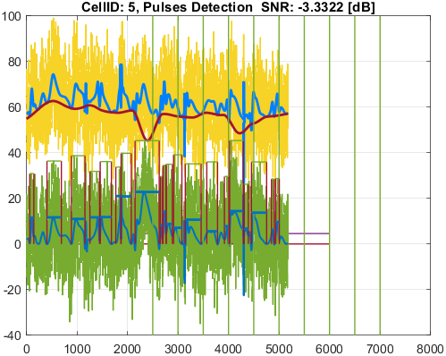
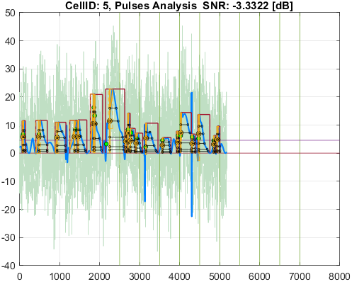

Cell_ID | Pulse_ID | Pulse_Start_ms | PulseStartOnStimulus | Pulse_End_ms | Pulse_Duration_ms | Pulse_Start_On_Stim | APD_30_ms | APD_50_ms | APD_75_ms | APD_90_ms | APD_95_ms | APD_30_EndPointApproximated | APD_50_EndPointApproximated | APD_75_EndPointApproximated | APD_90_EndPointApproximated | APD_95_EndPointApproximated | APD_30_90 | Pulse_ActivationPointTime_ms | Pulse_UpstrokeStartTime_ms | Pulse_UpstrokeEndTime_ms | Pulse_UpstrokeRiseTime_ms | Pulse_UpstrokeValue | Pulse_MaxValue | Pulse_UpstrokeVelocity | Pulse_MaxUpstrokeVelocityTime_ms | Pulse_MaxUpstrokeVelocityValue
6 | 1 | 292 |  | 1070 | 778 | -1 | 167.54157268 | 199.42056426 | 300.85164138 | 496.13601756 | 616.15457401 |  |  |  |  |  | 0.33769282364 | 325.72419325 | 292 | 396 | 104 | 35.768491923 | 35.768491923 | 0.34728562243 | 322 | 1.7051316672
6 | 2 | 1144 |  | 1604 | 460 | -1 | 124.59474713 | 229.35850627 | 284.28225439 | 338.80176599 | 378.05801477 |  |  |  |  |  | 0.36775117379 | 1200.7478809 | 1144 | 1250 | 106 | 37.510377855 | 37.510377855 | 0.37516453241 | 1200 | 1.2629344694
6 | 3 | 2054 |  | 2446 | 392 | -1 | 107.99712032 | 209.81482693 | 295.51691714 | 350.65041198 | 365.98285926 |  |  |  |  | true | 0.30799085537 | 2080.0171407 | 2054 | 2108 | 54 | 35.930163409 | 35.930163409 | 0.65689245697 | 2082 | 2.2408599973
6 | 4 | 2878 |  | 3600 | 722 | -1 | 200.42868589 | 225.13970418 | 262.59755474 | 515.84917802 | 587.79851409 |  |  |  |  |  | 0.38854125282 | 2961.3403003 | 2878 | 2998 | 120 | 37.805425522 | 37.805425522 | 0.29562059689 | 2974 | 1.3697799178
6 | 5 | 3814 |  | 4254 | 440 | -1 | 182.17319951 | 219.74204877 | 265.33457547 | 382.81826101 | 406.23463553 |  |  |  |  |  | 0.47587384946 | 3839.1519083 | 3814 | 3866 | 52 | 38.44027344 | 38.44027344 | 0.69706971991 | 3840 | 2.3410105784
6 | 6 | 4652 |  | 5442 | 790 | -1 | 171.84397015 | 224.98402737 | 332.1316936 | 547.77887913 | 608.72075387 |  |  |  |  |  | 0.31371047094 | 4716.1921625 | 4652 | 4764 | 112 | 37.233386956 | 37.233386956 | 0.33090329419 | 4720 | 1.179889206
6 | 7 | 5576 |  | 5918 | 342 | -1 | 134.36148933 | 240.45650411 | 284.93790737 | 317.5674969 | 317.5674969 |  |  |  | true | true | 0.42309584777 | 5600.4325031 | 5576 | 5626 | 50 | 38.722038822 | 38.722038822 | 0.77510145219 | 5600 | 2.482699099
6 | 8 | 6440 |  | 7082 | 642 | -1 | 132.73723663 | 209.5305982 | 283.31338762 | 483.99183683 | 552.0213987 |  |  |  |  |  | 0.27425511452 | 6478.6932502 | 6440 | 6518 | 78 | 39.539409448 | 39.539409448 | 0.51019749673 | 6476 | 1.4918989186
6 | 9 | 7302 |  | 7666 | 364 | -1 | 200.66912609 | 241.78735329 | 292.94540776 | 302.58641126 | 306.492852 |  |  |  |  |  | 0.66317956993 | 7351.8638326 | 7302 | 7472 | 170 | 32.882259003 | 32.882259003 | 0.20475346497 | 7346 | 1.0585478856
6 | 10 | 8170 |  | 8542 | 372 | -1 | 187.4777568 | 235.85060648 | 270.60088865 | 297.22730371 | 297.22730371 |  |  |  | true | true | 0.63075550078 | 8244.7726963 | 8170 | 8330 | 160 | 34.454841459 | 34.454841459 | 0.20558904891 | 8240 | 0.78963629155
6 | 11 | 9078 |  | 9496 | 418 | -1 | 168.84532241 | 205.38029066 | 274.0997017 | 362.27567 | 362.27567 |  |  |  | true | true | 0.46606862231 | 9133.72433 | 9078 | 9182 | 104 | 37.120778165 | 37.120778165 | 0.35748119921 | 9136 | 1.1916498172
6 | 12 | 9982 |  | 10282 | 300 | -1 | 138.11361376 | 188.89129675 | 237.47927459 | 250.43868336 | 250.43868336 |  |  |  | true | true | 0.55148674279 | 10031.561317 | 9982 | 10066 | 84 | 39.725745529 | 39.725745529 | 0.47272839645 | 10038 | 1.5444979081
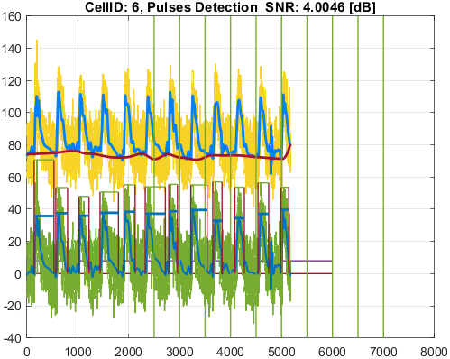
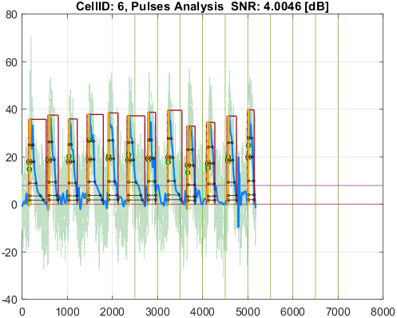

Cell_ID | Pulse_ID | Pulse_Start_ms | PulseStartOnStimulus | Pulse_End_ms | Pulse_Duration_ms | Pulse_Start_On_Stim | APD_30_ms | APD_50_ms | APD_75_ms | APD_90_ms | APD_95_ms | APD_30_EndPointApproximated | APD_50_EndPointApproximated | APD_75_EndPointApproximated | APD_90_EndPointApproximated | APD_95_EndPointApproximated | APD_30_90 | Pulse_ActivationPointTime_ms | Pulse_UpstrokeStartTime_ms | Pulse_UpstrokeEndTime_ms | Pulse_UpstrokeRiseTime_ms | Pulse_UpstrokeValue | Pulse_MaxValue | Pulse_UpstrokeVelocity | Pulse_MaxUpstrokeVelocityTime_ms | Pulse_MaxUpstrokeVelocityValue
10 | 1 | 172 |  | 1820 | 1648 | -1 | 1224.6260061 | 1315.2548043 | 1441.573339 | 1537.1767444 | 1588.6837116 |  |  |  |  | true | 0.79667221779 | 231.31628845 | 172 | 656 | 484 | 13.018810352 | 13.018810352 | 0.019226638497 | 172 | 0.099751726743
10 | 2 | 3574 |  | 4888 | 1314 | -1 | 388.36722207 | 456.31378434 | 748.39866552 | 900.36662512 | 957.18426768 |  |  |  |  |  | 0.43134342304 | 3865.8517836 | 3574 | 4104 | 530 | 7.5501925969 | 7.5501925969 | 0.014469215115 | 3894 | 0.042891508125
10 | 3 | 5350 |  | 5966 | 616 | -1 | 350.43167806 | 447.77233203 | 447.77233203 | 447.77233203 | 447.77233203 |  | true | true | true | true | 0.78261128032 | 5518.227668 | 5350 | 5680 | 330 | 5.1401307726 | 5.1401307726 | 0.015851163441 | 5514 | 0.047421874083
10 | 4 | 6390 |  | 6714 | 324 | -1 | 132.86667788 | 158.36510292 | 194.29098836 | 240.46013895 | 240.46013895 |  |  |  | true | true | 0.55255178037 | 6473.5398611 | 6390 | 6548 | 158 | 7.9855929734 | 7.9855929734 | 0.050972757188 | 6478 | 0.1521894359
10 | 5 | 7382 |  | 7962 | 580 | -1 | 347.90744787 | 388.94368119 | 439.96742703 | 475.94686978 | 490.57824164 |  |  |  |  |  | 0.73097959029 | 7426.6198131 | 7382 | 7670 | 288 | 7.3400194257 | 7.3400194257 | 0.014871585209 | 7402 | 0.048712093744
10 | 6 | 8146 |  | 8900 | 754 | -1 | 406.82296292 | 479.85391705 | 573.11252157 | 639.40864254 | 669.50465114 |  |  |  |  |  | 0.63624877089 | 8146 | 8146 | 8326 | 180 | 5.9425150359 | 5.9425150359 | 0.012590857588 | 8148 | 0.053478800879
10 | 7 | 9076 |  | 9854 | 778 | -1 | 328.4754931 | 402.01120401 | 528.73200739 | 629.95392423 | 693.85438017 |  |  |  |  |  | 0.5214278068 | 9091.9184079 | 9076 | 9256 | 180 | 8.5989182404 | 8.5989182404 | 0.027226522635 | 9088 | 0.075700603929

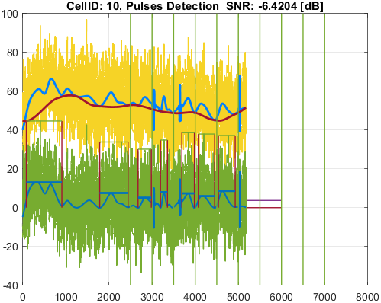
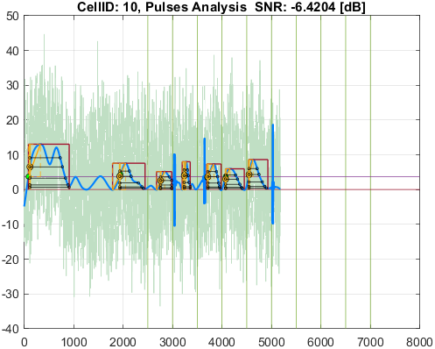

Cell_ID | Pulse_ID | Pulse_Start_ms | PulseStartOnStimulus | Pulse_End_ms | Pulse_Duration_ms | Pulse_Start_On_Stim | APD_30_ms | APD_50_ms | APD_75_ms | APD_90_ms | APD_95_ms | APD_30_EndPointApproximated | APD_50_EndPointApproximated | APD_75_EndPointApproximated | APD_90_EndPointApproximated | APD_95_EndPointApproximated | APD_30_90 | Pulse_ActivationPointTime_ms | Pulse_UpstrokeStartTime_ms | Pulse_UpstrokeEndTime_ms | Pulse_UpstrokeRiseTime_ms | Pulse_UpstrokeValue | Pulse_MaxValue | Pulse_UpstrokeVelocity | Pulse_MaxUpstrokeVelocityTime_ms | Pulse_MaxUpstrokeVelocityValue
11 | 1 | 356 |  | 694 | 338 | -1 | 119.39851968 | 173.39349103 | 252.35835806 | 312.26215077 | 312.26215077 |  |  |  | true | true | 0.38236628865 | 381.73784923 | 356 | 406 | 50 | 60.317632725 | 60.317632725 | 1.1346217127 | 384 | 3.724729769
11 | 2 | 1244 |  | 1556 | 312 | -1 | 140.00458416 | 229.65858464 | 271.80719288 | 300.44007799 | 300.44007799 |  |  |  | true | true | 0.46599836179 | 1255.559922 | 1244 | 1270 | 26 | 59.4694721 | 59.4694721 | 2.096878806 | 1256 | 7.1164524499
11 | 3 | 1584 |  | 1738 | 154 | -1 | 62.658442424 | 77.13081511 | 98.773266214 | 135.30759188 | 141.91214104 |  |  |  |  |  | 0.46308149863 | 1584 | 1584 | 1616 | 32 | 17.733800838 | 17.733800838 | 0.16070853452 | 1586 | 0.43953736381
11 | 4 | 2120 |  | 2458 | 338 | -1 | 113.13232079 | 175.98695909 | 288.83762086 | 308.6119797 | 323.82574073 |  |  |  |  | true | 0.36658434614 | 2134.1742593 | 2120 | 2148 | 28 | 57.216700231 | 57.216700231 | 1.7667414791 | 2136 | 6.1412674026
11 | 5 | 2974 |  | 3566 | 592 | -1 | 141.27749352 | 207.91578434 | 440.20467305 | 552.215056 | 552.215056 |  |  |  | true | true | 0.25583781533 | 3013.784944 | 3002 | 3028 | 26 | 63.399907679 | 63.399907679 | 1.9557383745 | 3016 | 6.3686532202
11 | 6 | 3830 |  | 4148 | 318 | -1 | 131.26356339 | 216.21647065 | 244.10381405 | 257.47350466 | 257.47350466 |  |  |  | true | true | 0.50981386827 | 3890.5264953 | 3830 | 3906 | 76 | 54.545366159 | 54.545366159 | 0.72914318213 | 3896 | 4.5602364911
11 | 7 | 4740 |  | 5196 | 456 | -1 | 162.55721115 | 246.47916726 | 320.59187684 | 428.12787003 | 428.12787003 |  |  |  | true | true | 0.37969313031 | 4767.87213 | 4740 | 4798 | 58 | 57.428071837 | 57.428071837 | 0.96536887181 | 4768 | 3.4060323009
11 | 8 | 5632 |  | 6054 | 422 | -1 | 111.93005827 | 196.26826527 | 263.38598972 | 348.64322922 | 401.49257277 |  |  |  |  | true | 0.32104469235 | 5652.5074272 | 5632 | 5666 | 34 | 57.727263973 | 58.59752054 | 1.794951606 | 5656 | 5.5383216252
11 | 9 | 6504 |  | 6822 | 318 | -1 | 154.90959194 | 213.66683262 | 267.56328626 | 294.21413609 | 294.21413609 |  |  |  | true | true | 0.52651988106 | 6527.7858639 | 6504 | 6556 | 52 | 55.624309168 | 55.624309168 | 1.0025208947 | 6528 | 3.3655100475
11 | 10 | 7394 |  | 7764 | 370 | -1 | 123.8886372 | 222.33898347 | 269.67877688 | 340.62733744 | 340.62733744 |  |  |  | true | true | 0.36370726474 | 7423.3726626 | 7394 | 7450 | 56 | 56.7254476 | 56.7254476 | 1.0108263505 | 7424 | 3.4771445764
11 | 11 | 8270 |  | 8700 | 430 | -1 | 141.56366255 | 215.66796144 | 313.16617704 | 393.14552138 | 393.14552138 |  |  |  | true | true | 0.36007955033 | 8306.8544786 | 8270 | 8322 | 52 | 53.429302428 | 56.214312408 | 1.0325703337 | 8312 | 4.2803991517
11 | 12 | 9182 |  | 9504 | 322 | -1 | 113.549189 | 194.56765249 | 257.04701657 | 311.83243277 | 311.83243277 |  |  |  | true | true | 0.36413527609 | 9192.1675672 | 9182 | 9208 | 26 | 52.694352868 | 55.416065155 | 1.7942251953 | 9194 | 6.0007065232
11 | 13 | 10072 |  | 10302 | 230 | -1 | 139.64499975 | 181.5817635 | 211.9170721 | 215.979342 | 215.979342 |  |  |  | true | true | 0.64656646539 | 10086.020658 | 10072 | 10104 | 32 | 55.365200778 | 55.365200778 | 1.3918018073 | 10088 | 5.2865991045

