ATEMP
ID | Type | Assigned To | Description | Status | Priority | Risk | Author
1.Introduction:
ATEMP_REQ_1 | Heading/Info | NA | The Cluster provides the opportunity of visualization of outside temperature. It can be displayed in ° C and ° F. Changing the units is done by pressing the button twice. | New |  |  | Semiha Karaibrahimova
ATEMP_REQ_2 | Heading/Info | NA | The temperature is measured by means of a temperature sensor. The sensor is connected to the Arduino Nano. The value will be transmitted on the I²C protocol to Raspberry Pi3. Raspberry Pi3 is connected with a display on which the outside temperature is visualized. | New |  |  | Semiha Karaibrahimova
2.System description:
ATEMP_REQ_3 | Heading/Info | NA | 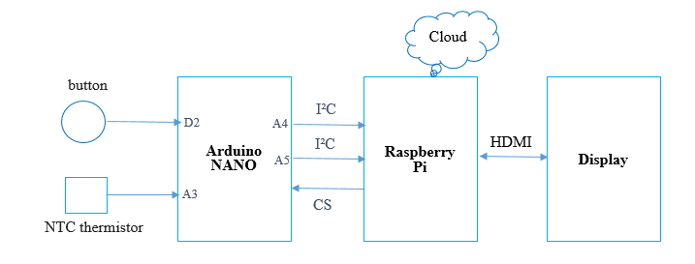 System architecture: | New |  |  | Bozhidara Atanasova
ATEMP_REQ_4 | Heading/Info | NA | 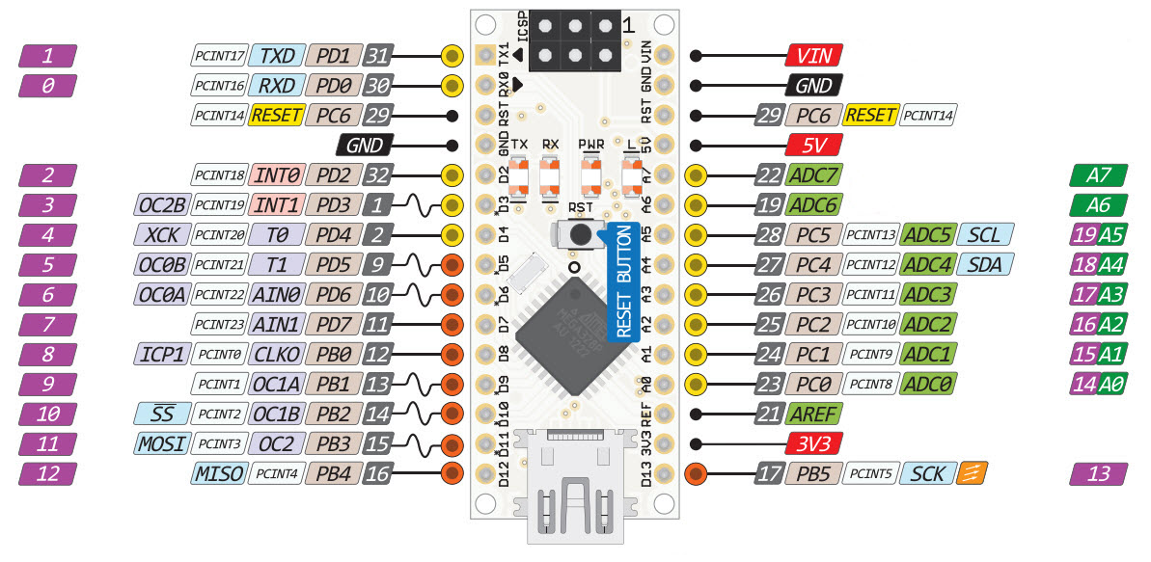 Arduino Nano | New |  |  | Semiha Karaibrahimova
ATEMP_REQ_5 | Heading/Info | NA | 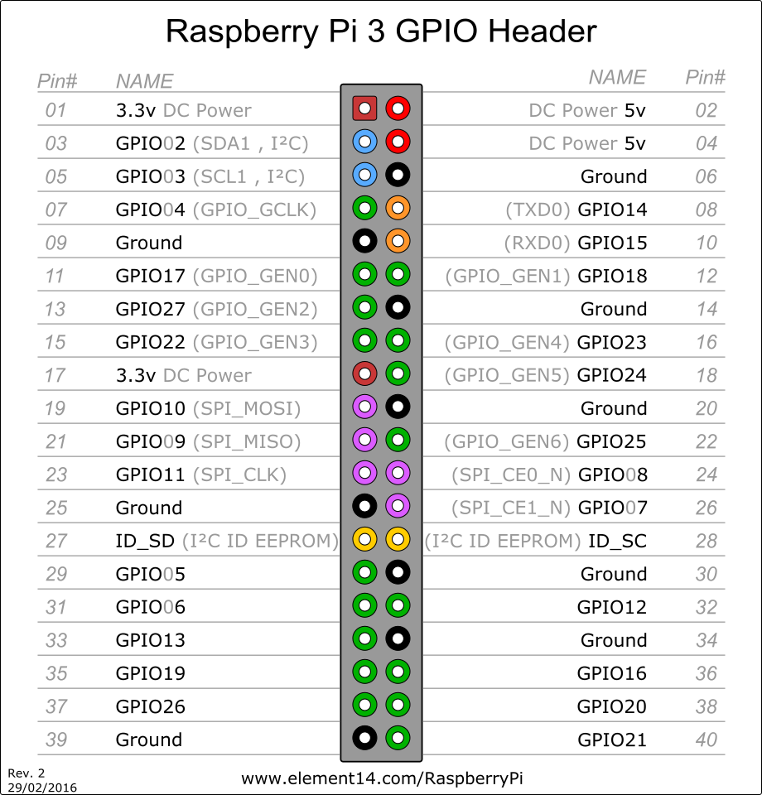 Raspberry Pi | New |  |  | Semiha Karaibrahimova
ATEMP_REQ_6 | Entry | Hardware | To read outside temperature, the following NTC thermistor or derivative on it should be used: K164Nk010 .For more information: Note: Sensor's input resistance should be between 419.38kΩ and 1.07kΩ | New | High | High | Semiha Karaibrahimova
ATEMP_REQ_7 | Entry | Hardware | 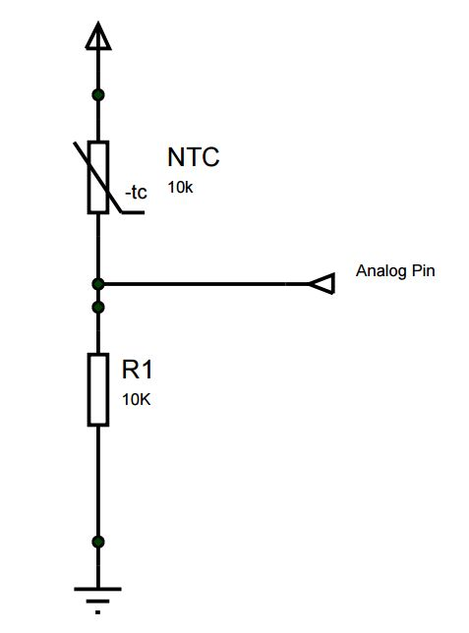 Connecting the sensor to Arduino Nano should be done as follows: | New | High | High | Semiha Karaibrahimova
ATEMP_REQ_8 | Entry | Hardware | 5V DC voltage is applied to the sensor . | New | Medium | Medium | Semiha Karaibrahimova
ATEMP_REQ_9 | Entry | Hardware | R1 value should be 1K. | New | Medium | Medium | Semiha Karaibrahimova
ATEMP_REQ_10 | Entry | Hardware | The sensor output must be connected to the Arduino Nano analogue input A3. | New | High | High | Semiha Karaibrahimova
ATEMP_REQ_11 | Entry | Hardware | The button, which changes the temperature units when pressed twice must be connected to Arduino Nano at digital input D2. | New | High | High | Semiha Karaibrahimova
ATEMP_REQ_12 | Entry | Hardware | The button, used for the change of the temperature units shall be connected to the Arduino's D2 digital input the following way: | New | High | High | Semiha Karaibrahimova
ATEMP_REQ_13 | Entry | Hardware | The input voltage, applied to the button shall be 5V DC. | New | High | High | Semiha Karaibrahimova
3. Inputs: payLoad - signal in the form of a package sent from the Arduino to the Raspberry, containing the raw speed value, temperature value and button press. Button - parameter, the value of the decoded state of the button is saved. isAlive - signal sent to the Raspberry to ensure that the Raspberry is functioning.
4. Outputs: physValue- the real temperature calculated from the Raspberry in ° C. TEMP - the value of the temperature visualized by the HMI
5.Behaviour
5.1.Expected behaviour:
ATEMP_REQ_14 | Heading/Info | NA | The Arduino controller shall read the analogue temperature sensor input, convert it to the temperature value and send that value to the Raspberry. The Raspberry is responsible for displaying the temperature on the screen. | New |  |  | Semiha Karaibrahimova
ATEMP_REQ_15 | Entry | Hardware | The temperature value will be read in the form of a voltage on the analogue input A3 of the Arduino. | New | High | High | Semiha Karaibrahimova
ATEMP_REQ_16 | Entry | Hardware | The raw temperature value raw is calculated using the table R/T characteristics from the datasheet of the NTC thermistor. The raw value is found by interpolating between the given values in the R/T characteristics table | New | High | High | Semiha Karaibrahimova
ATEMP_REQ_17 | Entry | Hardware | The data about the speed , the temperature and the state of the button is collected in a 3-byte package payLoad, where the values are presented in binary format. To code the temperature value the following conversions are done: payLoad[1] |= (raw&0x03F) << 2 ,which is the first part of raw temperature payLoad[2] = (raw&0xC0) >>6, which is the second part of raw temperature payLoad[2] = (btn&0x03)<<2, the state of the button Note: The rest of the payload is used for the raw speed value | New | High | High | Semiha Karaibrahimova
ATEMP_REQ_18 | Entry | Hardware | The package, containing the raw temperature value is sent to the Raspberry in the current format every 100ms. | New | High | High | Semiha Karaibrahimova
ATEMP_REQ_19 | Entry | Back-end | The Raspberry receives the payLoad package and it shall decode the binary codes to calculate the rawTemp value. | New | High | High | Semiha Karaibrahimova
ATEMP_REQ_20 | Entry | Back-end | The rawTemp value is a positive double digit. In order to convert it to the real temperature the following formula is used: physTemp = (rawTemp * 0.5) - 40 Where: physTemp - the real temperature value in ͦC rawTemp - a positive value of the temperature sent by the Arduino. | New | Medium | Medium | Semiha Karaibrahimova
ATEMP_REQ_21 | Entry | Back-end | The communication between the Arduino to the Raspberry shall be accomplished using the I²C communication protocol. | New | High | High | Semiha Karaibrahimova
ATEMP_REQ_22 | Entry | Back-end | A ButtonPress signal will be detected from the Arduino on change of the logical state of the D2 input from 1b to 0b. | New | High | High | Semiha Karaibrahimova
ATEMP_REQ_23 | Entry | Back-end | When the button is pressed twice in the period of 500ms, the Arduino will send notification in the form of ButtonPress = 2 in the payLoad signal to the Raspberry to change the units. | New | High | High | Semiha Karaibrahimova
ATEMP_REQ_24 | Entry | Back-end | The back-end save the physTemp value in °C as signal TEMP and the signal ButtonPress for units change , which will be sent to the HMI in the form of a String. | New | High | High | Semiha Karaibrahimova
ATEMP_REQ_25 | Entry | Back-end | The temperature value will be sent to the HMI only when there is a new temperature value or a units change signal is received from the Arduino button. | New | Medium | Medium | Semiha Karaibrahimova
ATEMP_REQ_26 | Heading/Info | NA | The HMI receives the temperature value in Celsius as a string, converts it in Fahrenheit and visualises it in the display. Depending on whether the temperature rises or falls, the color of the displayed temperature will change. | New |  |  | Semiha Karaibrahimova
ATEMP_REQ_27 | Entry | HMI | If the value of ButtonPress is 2d, the HMI shall convert the units of TemperatureValue from °C to °F if TemperatureUnits is 0b. The HMI shall set TemperatureUnits to 1b. | New | High | Medium | Semiha Karaibrahimova
ATEMP_REQ_28 | Entry | HMI | If the value of ButtonPress is 2d, the HMI shall convert the units of TemperatureValue from °F to °C if TemperatureUnits is 1b. The HMI shall set TemperatureUnits to 0b. | New | High | Medium | Semiha Karaibrahimova
ATEMP_REQ_29 | Entry | HMI | To convert valid temperature from ˚C to ˚F the following formula shall be used: T(°F) = T(°C) × 9/5 + 32 | New | High | High | Semiha Karaibrahimova
ATEMP_REQ_30 | Entry | HMI | The result shall be clamped in the following ranges: -40˚C to +85˚C for Metric Units -40˚F to +185˚F for US Units If the result is in these ranges, the ValidityFlag value shall be set to 1d. Otherwise it shall be set to 0d. | New | High | High | Semiha Karaibrahimova
ATEMP_REQ_31 | Entry | HMI | The HMI shall visualise the value of the temperature in ˚C or ˚F on the Cluster display. | New | High | High | Semiha Karaibrahimova
ATEMP_REQ_32 | Entry | HMI | The HMI shall display the received units as "˚C" or as "˚F", depending on the current units, only when the ValidityFlag is 1d. | New | High | High | Semiha Karaibrahimova
ATEMP_REQ_33 | Entry | HMI | If the received data's ValidityFlag is 0d, the HMI should hide the units. | New | Medium | Medium | Semiha Karaibrahimova
ATEMP_REQ_34 | Entry | HMI | The resolution of the displayed temperature value has to be 0.5˚C or 1˚F. | New | High | Medium | Semiha Karaibrahimova
ATEMP_REQ_35 | Entry | HMI | If the received data's ValidityFlag is 0d, the HMI should display the temperature value as -.- | New | Medium | Medium | Semiha Karaibrahimova
ATEMP_REQ_36 | Entry | HMI | Temperature under 3˚C (37.4 ˚F) has to be shown in blue color whereas temperature over 5˚C (41 ˚F) shall be shown in red color. | New | Medium | Medium | Semiha Karaibrahimova
ATEMP_REQ_37 | Entry | HMI | If the result is between 3˚C (37.4 ˚F) and 5˚C (41 ˚F), the color will remain the one, set when one of the limits was reached. | New | Medium | Medium | Semiha Karaibrahimova
5.2.Exceptional behaviour:
ATEMP_REQ_38 | Entry | Hardware | In order to be sure that the Raspberry is functioning, the Arduino should send signal isAlive in the following format. bit0-bit31: aliveCounter Note: Since the aliveCounter is increased on every 100ms, the value of this counter will become big and it will require a bigger data to hold it. Due to that, a 32bit number shall be used | New | Medium | Medium | Semiha Karaibrahimova
ATEMP_REQ_39 | Entry | Back-end | The Raspberry must answer with the same isAliveCounter value right away.If the Raspberry does not answer in 100ms or the received value does not correspond to the sent signal it means that the Raspberry is in error state. Arduino shall send the value again. | New | Medium | Medium | Semiha Karaibrahimova
ATEMP_REQ_40 | Entry | Hardware | The isAliveCounter should be incremented in the Arduino after every successful process. | New | Medium | Medium | Semiha Karaibrahimova
ATEMP_REQ_41 | Entry | Back-end | If The Raspberry does not respond for 100ms the value TimeOutDTC is set to 1b and Arduino shall send the new values. | New | Medium | Medium | Semiha Karaibrahimova
ATEMP_REQ_42 | Entry | Back-end | If ValidityFlag is 0b a TempApplicationDTC message with a replacement values shall be sent to the HMI. | New | Medium | Medium | Semiha Karaibrahimova

