SM
ID | Type | Assigned to: | Description | Status | Priority | Risk | Author
1. Introduction
SM_REQ_1 | Heading/Info |  | The product shall read and appropriately visualize the instantaneous speed of a vehicle on the display in km/h or mph. | New |  |  | Bozhidara Atanasova
SM_REQ_2 | Heading/Info |  | The units can be changed from km/h to mph and from mph to km/h by clicking a unit-changing button once. | New |  |  | Bozhidara Atanasova
SM_REQ_3 | Heading/Info |  | The speed shall be displayed on the screen by a circular scale and an arrow. The 0 position must be on the left and the maximum one - 260km/h or 160mph - on the right. The resolution of the scale must be 2km/h or 1mph. The scale must be linear. | New |  |  | Bozhidara Atanasova
2. System description
SM_REQ_4 | Heading/Info |  | The dimensions of the tyres are 205/55 R16. | New |  |  | Bozhidara Atanasova
SM_REQ_5 | Heading/Info |  | 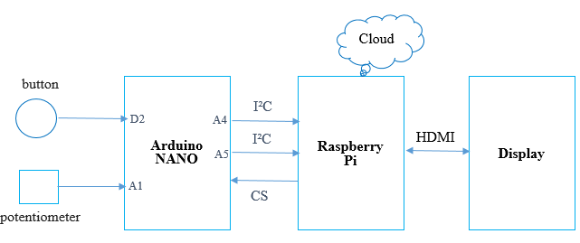 System architecture: | New |  |  | Bozhidara Atanasova
SM_REQ_6 | Heading/Info |  | 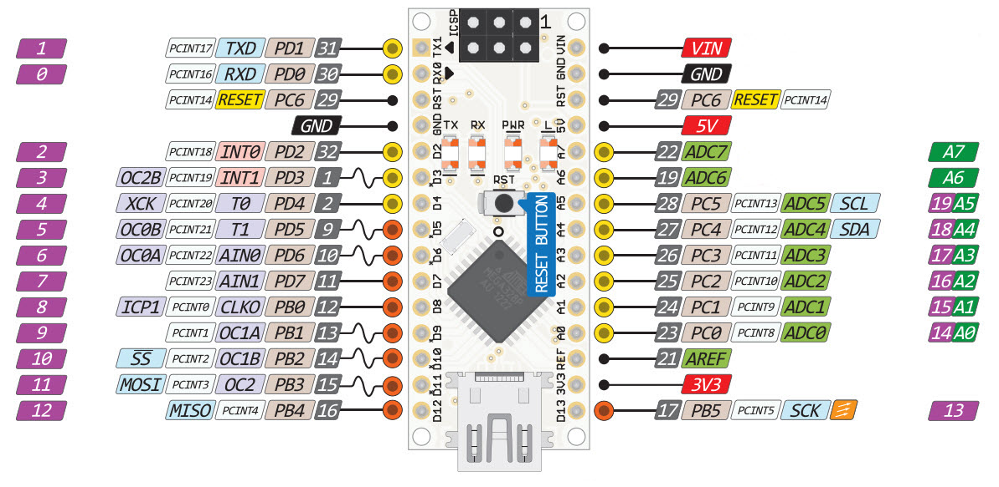 Arduino Nano | New |  |  | Bozhidara Atanasova
SM_REQ_7 | Heading/Info |  | 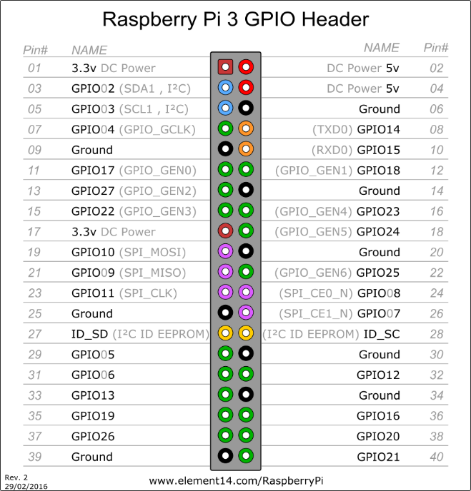 Raspberry Pi | New |  |  | Bozhidara Atanasova
SM_REQ_8 | Entry | Hardware | The tyres movement shall be simulated with potentiometer which is connected to the Arduino port A1. | New | High | High | Bozhidara Atanasova
SM_REQ_9 | Entry | Hardware | The Arduino port A4 is connected to Raspberry port 02 and the Arduino port A5 is connected to the Raspberry port 03. | New | Medium | Medium | Bozhidara Atanasova
SM_REQ_10 | Entry | Hardware | The button shall be connected to the Arduino on port D2. | New | Medium | Medium | Bozhidara Atanasova
SM_REQ_11 | Entry | Hardware | The input voltage, applied to the button shall be 5V DC. | New | High | High | Bozhidara Atanasova
3. Inputs: ButtonPressed - a signal, which is set by the Arduino and describes the button state. Button - parameter, where the back-end saves the decoded value of ButtonPressed. aliveCounterSM - a signal, set by the Arduino, to check if the Raspberry is responding.
4. Outputs: SPEED - the value of the speed. UNITS - parameter, which is set by the HMI and contains information about the current unit. SpeedMph - the value of the speed, converted to mph by the HMI. SpeedValidity - parameter, set by the HMI and containing information about the validity of the speed values in km/h. SpeedMphValidity - parameter, set by the HMI and containing information about the validity of the speed values in mph.
5. Behaviour
5.1. Expected behaviuor
SM_REQ_12 | Entry | Hardware | Arduino shall get the value of the speed directly from the potentiometer. | New | High | High | Bozhidara Atanasova
SM_REQ_13 | Entry | Hardware | The values of the speed and ButtonPressed, which contains data about the button state, shall be collected in a 3-byte package payLoad, where the values are presented binary. payLoad[0] = (speed&0xFF) payLoad[1] = (speed&0x0300) >> 8 payLoad[2]|=(btn&0x03)<<2 | New | High | Medium | Bozhidara Atanasova
SM_REQ_14 | Entry | Hardware | The Arduino shall send the package payLoad to the Raspberry every 100ms. | New | High | Medium | Bozhidara Atanasova
SM_REQ_15 | Entry | Back-end | The back-end shall decode the data, received from the package payLoad. | New | High | Medium | Bozhidara Atanasova
SM_REQ_16 | Entry | Back-end | The back-end shall save the values of the speed and the button state in SPEED and Button. | New | Medium | Medium | Bozhidara Atanasova
SM_REQ_17 | Entry | Back-end | The back-end shall send to the HMI signal SPEED, which is the speed value in km/h, and signal Button, which is the button state, every 100ms as strings. | New | High | High | Bozhidara Atanasova
SM_REQ_18 | Entry | Hardware | The default value of signal ButtonPressed is 0d. If the button is pressed once the hardware shall set signal ButtonPressed to 1d. | New | High | High | Bozhidara Atanasova
SM_REQ_19 | Entry | HMI | The HMI shall save information about the current unit in UNITS, which equals 0b if the unit is km/h and 1b if the unit is mph. The default value of UNITS is 0b. | New | High | Medium | Bozhidara Atanasova
SM_REQ_20 | Entry | HMI | If signal Button is 1d, the HMI shall convert the units of SPEED from km/h to mph if UNITS is 0b, using the formula: V[mph] = V[km/h] *0.621371. The HMI shall save the converted value in SpeedMph. The HMI shall set UNITS to 1b. | New | High | Medium | Bozhidara Atanasova
SM_REQ_21 | Entry | HMI | If signal Button is 1d, the HMI shall start displaying the value, received from signal SPEED, and the units in km/h if UNITS is 1b. The HMI shall set UNITS to 0b. | New | High | Medium | Bozhidara Atanasova
SM_REQ_22 | Entry | HMI | If signal UNITS is 0b, the HMI shall check if the received values of signal SPEED are in the range 0-260 and save the result in SpeedValidity. The HMI shall set SpeedValidity to 1b if the values are valid and to 0b if not. | New | High | Medium | Bozhidara Atanasova
SM_REQ_23 | Entry | HMI | If signal UNITS is 1b, the HMI shall check if the values of SpeedMph are in the range 0-160 and save the result in SpeedMphValidity. The HMI shall set SpeedMphValidity to 1b if the values are valid and to 0b if not. | New | High | Medium | Bozhidara Atanasova
SM_REQ_24 | Entry | HMI | The HMI shall display the speed, received from signal SPEED, and the units in km/h if signal UNITS is 0b and SpeedValidity is 1b. | New | Medium | Medium | Bozhidara Atanasova
SM_REQ_25 | Entry | HMI | The HMI shall display the value of SpeedMph and the units in mph if signal UNITS is 1b and SpeedMphValidity is 1b. | New | Medium | Medium | Bozhidara Atanasova
SM_REQ_26 | Heading/Info |  | The arrow of the scale on the screen shall move lightly without trembling. | New |  |  | Bozhidara Atanasova
SM_REQ_27 | Entry | HMI | The HMI shall filter the values from signal SPEED using PT1 filter. | New | Medium | Low | Bozhidara Atanasova
5.2. Exceptional behaviour
SM_REQ_28 | Entry | Hardware | In order to be sure that the Raspberry is functioning, the Arduino shall send signal aliveCounterSM in the following format: bit0-bit3: aliveCounter | New | Medium | Medium | Bozhidara Atanasova
SM_REQ_29 | Entry | Hardware | The aliveCounterSM should be incremented in the Arduino after every successful process. | New | Medium | Medium | Bozhidara Atanasova
SM_REQ_30 | Entry | Back-end | The Raspberry must answer with the same aliveCounterSM value right away. | new | Medium | Medium | Bozhidara Atanasova
SM_REQ_31 | Entry | Hardware | If the Raspberry does not answer in 10ms or the received value does not correspond to the sent signal it means that the Raspberry is in error state. The value shall be sent again from the Arduino. | New | Medium | Medium | Bozhidara Atanasova
SM_REQ_32 | Entry | Hardware | If the Raspberry doesn't respond for 100ms the value of TimeOutDTC is set to 1b and the Arduino shall sent the new values. | New | Medium | Medium | Bozhidara Atanasova
SM_REQ_33 | Entry | HMI | If SpeedValidity or SpeedMphValidity is 0b the HMI shall send an error message to the back-end. | New | Medium | Medium | Bozhidara Atanasova
SM_REQ_34 | Entry | Back-end | If SpeedValidity or SpeedMphValidity is 0b an SmApplicationDTC message with a replacement value should be sent to the HMI. | New | Medium | Medium | Bozhidara Atanasova

