Q2 - Gender Count
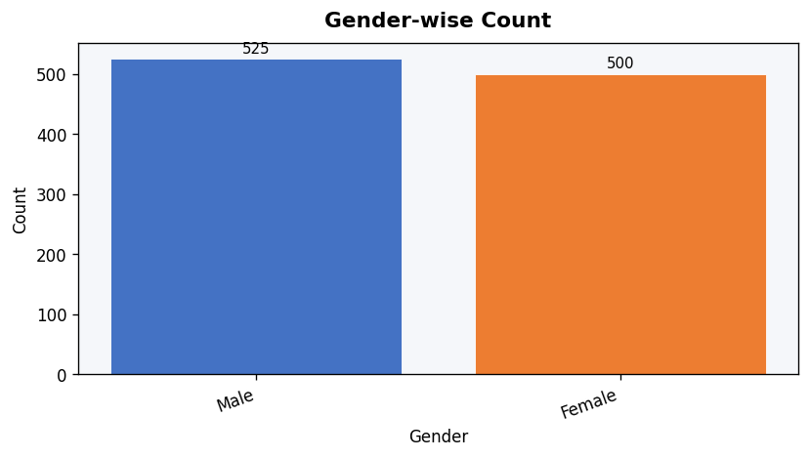
Q2. Gender-wise Count
Category | Count
Male | 525
Female | 500

Q3 - Education Count
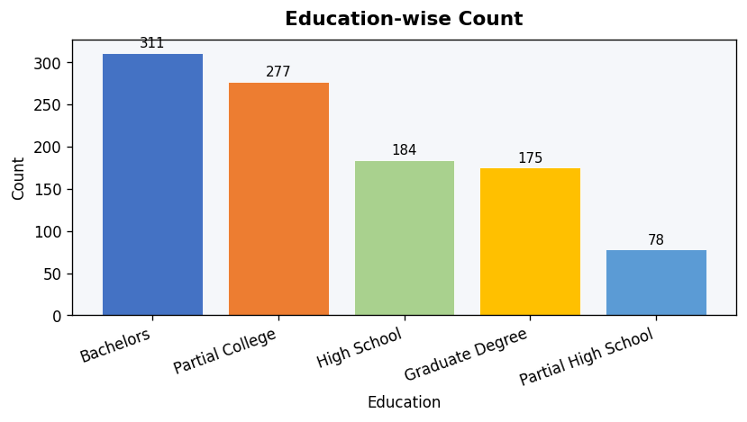
Q3. Education-wise Count
Category | Count
Bachelors | 311
Partial College | 277
High School | 184
Graduate Degree | 175
Partial High School | 78

Q4 - Occupation Count
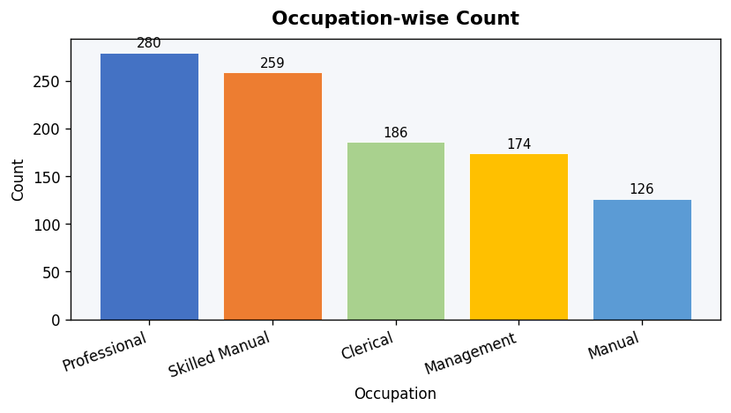
Q4. Occupation-wise Count
Category | Count
Professional | 280
Skilled Manual | 259
Clerical | 186
Management | 174
Manual | 126

Q5 - Marital Status Count
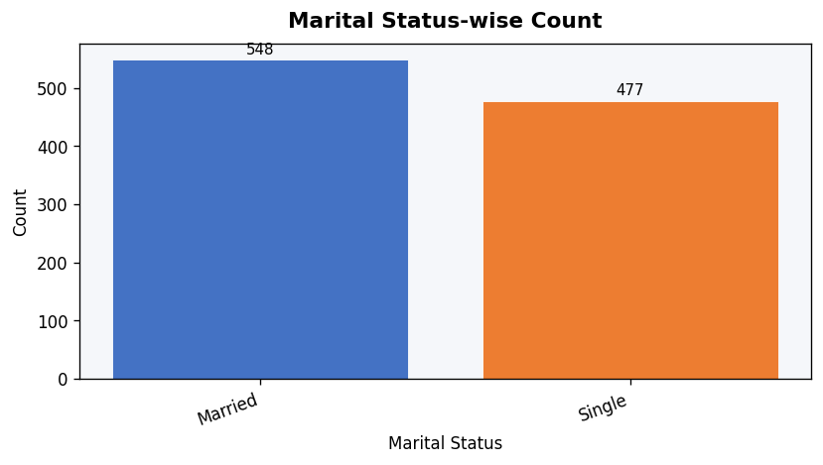
Q5. Marital Status-wise Count
Category | Count
Married | 548
Single | 477

Q6 - Region Count
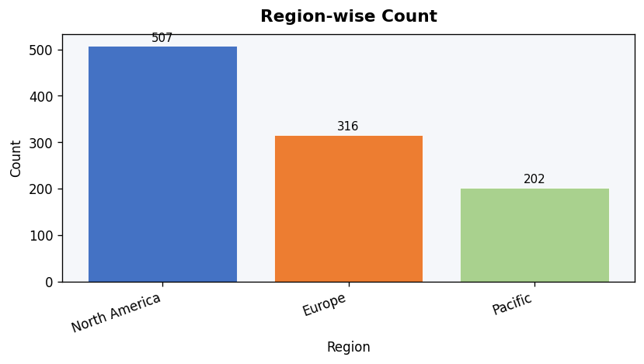
Q6. Region-wise Count
Category | Count
North America | 507
Europe | 316
Pacific | 202

Q7 - Purchased Bike
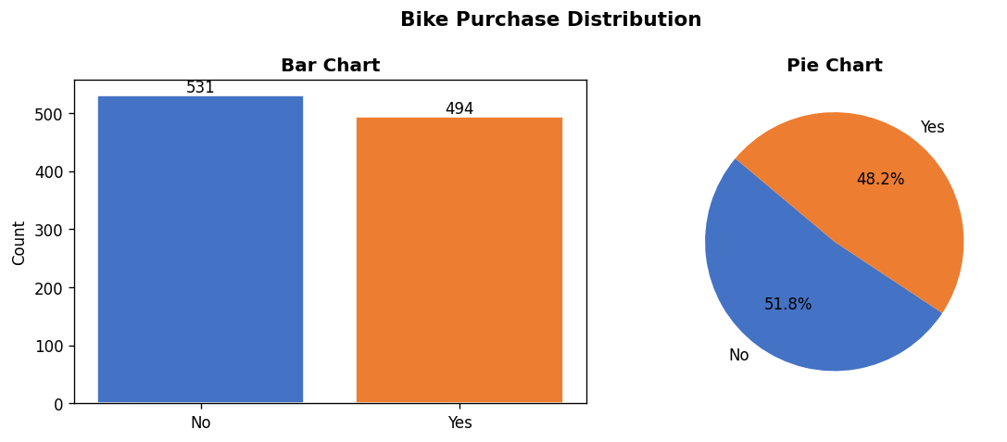
Q7. Purchased Bike – Yes vs No
Purchased Bike | Count
No | 531
Yes | 494

Q8 - Correlation
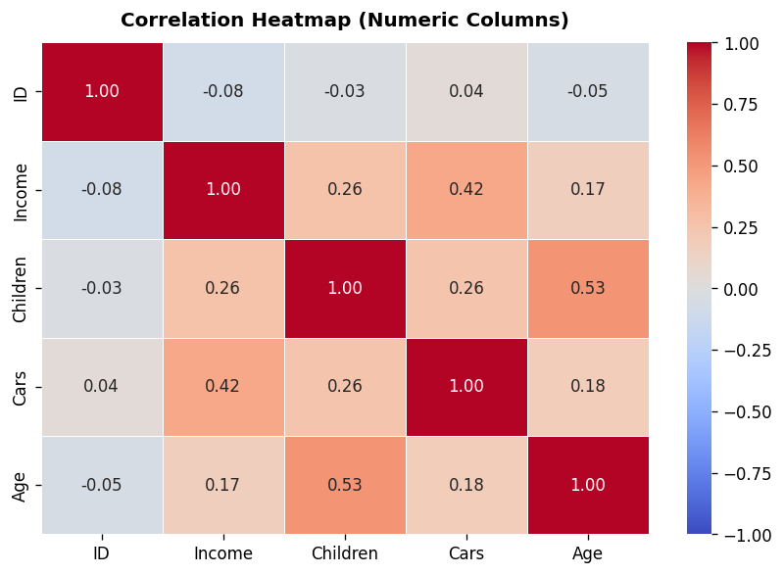
Q8. Correlation Between Numeric Columns
 | ID | Income | Children | Cars | Age
ID | 1 | -0.079 | -0.029 | 0.036 | -0.053
Income | -0.079 | 1 | 0.261 | 0.422 | 0.169
Children | -0.029 | 0.261 | 1 | 0.257 | 0.531
Cars | 0.036 | 0.422 | 0.257 | 1 | 0.181
Age | -0.053 | 0.169 | 0.531 | 0.181 | 1

Q11 - Outliers Check
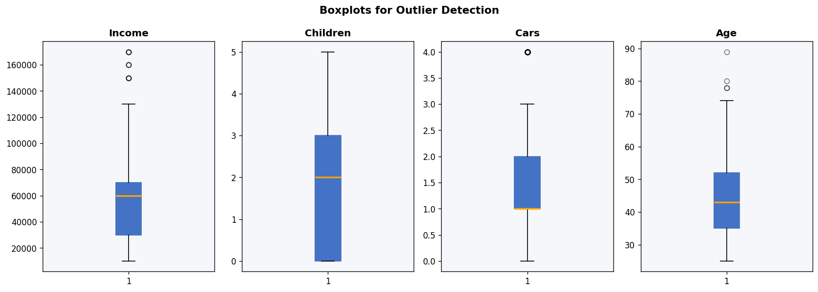
Q11. Outlier Check – Income, Children, Cars, Age (IQR Method)
Column | Q1 | Q3 | IQR | Lower Bound | Upper Bound | Outlier Count
Income | 30000 | 70000 | 40000 | -30000 | 130000 | 11
Children | 0 | 3 | 3 | -4.5 | 7.5 | 0
Cars | 1 | 2 | 1 | -0.5 | 3.5 | 61
Age | 35 | 52 | 17 | 9.5 | 77.5 | 4

Q13 - Marital vs Bike
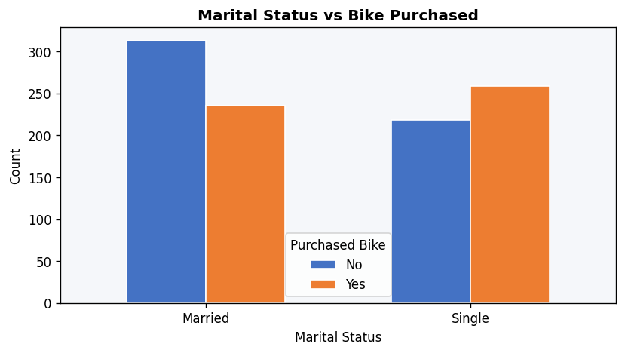
Q13. Marital Status vs Bike Purchased
Marital Status | No | Yes
Married | 313 | 235
Single | 218 | 259

Q14 - Gender+Marital vs Bike
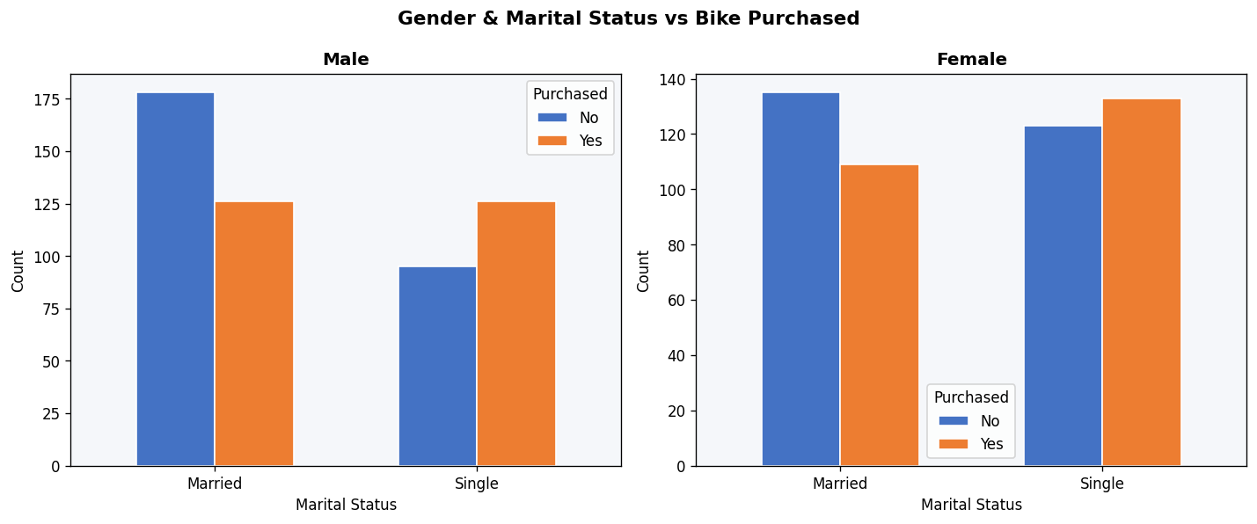
Q14. Gender & Marital Status vs Bike Purchased
Gender | Marital Status | Purchased Bike | Count
Female | Married | No | 135
Female | Married | Yes | 109
Female | Single | No | 123
Female | Single | Yes | 133
Male | Married | No | 178
Male | Married | Yes | 126
Male | Single | No | 95
Male | Single | Yes | 126

Q15 - Marital+Edu vs Bike
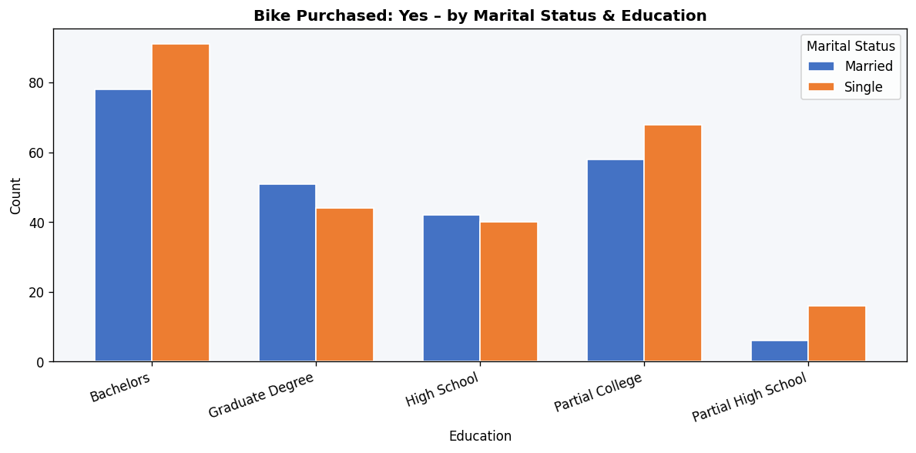
Q15. Marital Status & Education vs Bike Purchased
Marital Status | Education | Purchased Bike | Count
Married | Bachelors | No | 89
Married | Bachelors | Yes | 78
Married | Graduate Degree | No | 55
Married | Graduate Degree | Yes | 51
Married | High School | No | 56
Married | High School | Yes | 42
Married | Partial College | No | 89
Married | Partial College | Yes | 58
Married | Partial High School | No | 24
Married | Partial High School | Yes | 6
Single | Bachelors | No | 53
Single | Bachelors | Yes | 91
Single | Graduate Degree | No | 25
Single | Graduate Degree | Yes | 44
Single | High School | No | 46
Single | High School | Yes | 40
Single | Partial College | No | 62
Single | Partial College | Yes | 68
Single | Partial High School | No | 32
Single | Partial High School | Yes | 16

Q16 - Marital+Region vs Bike
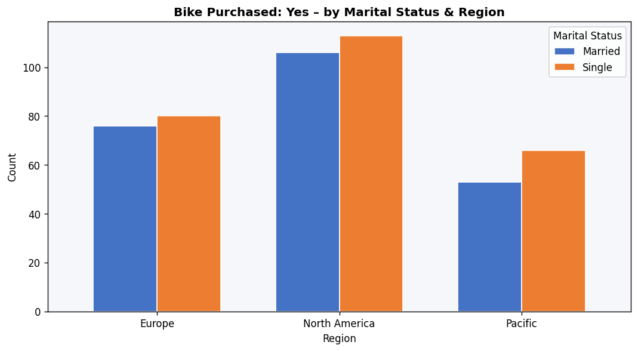
Q16. Bike Purchase Count by Marital Status & Region
Marital Status | Region | Purchased Bike | Count
Married | Europe | No | 78
Married | Europe | Yes | 76
Married | North America | No | 190
Married | North America | Yes | 106
Married | Pacific | No | 45
Married | Pacific | Yes | 53
Single | Europe | No | 82
Single | Europe | Yes | 80
Single | North America | No | 98
Single | North America | Yes | 113
Single | Pacific | No | 38
Single | Pacific | Yes | 66

Q17 - Commute vs Bike
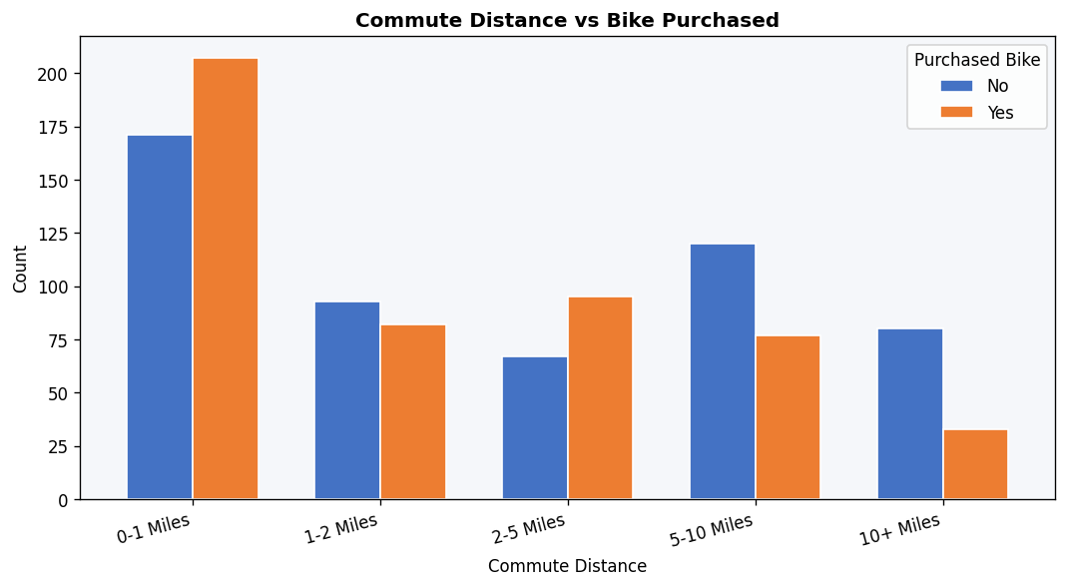
Q17. Commute Distance vs Bike Purchased
Commute Distance | No | Yes
0-1 Miles | 171 | 207
1-2 Miles | 93 | 82
2-5 Miles | 67 | 95
5-10 Miles | 120 | 77
10+ Miles | 80 | 33

Q18 - Children+Cars vs Bike
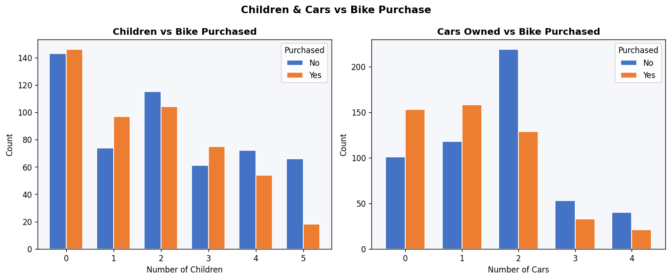
Q18. Relationship: Children & Cars vs Bike Purchased
Children | No | Yes
0 | 143 | 146
1 | 74 | 97
2 | 115 | 104
3 | 61 | 75
4 | 72 | 54
5 | 66 | 18

Cars | No | Yes
0 | 101 | 153
1 | 118 | 158
2 | 219 | 129
3 | 53 | 33
4 | 40 | 21

Q19 - Income+Cars vs Bike
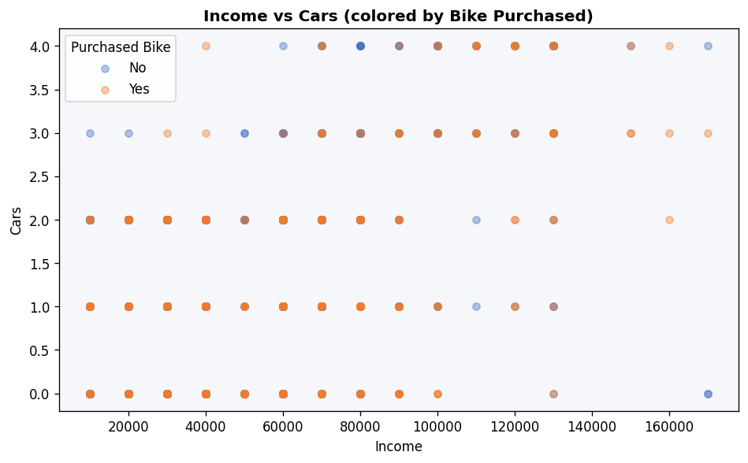

Q19. Income, Cars & Bike Purchased Relationship
Purchased Bike | Avg Income | Avg Cars
No | 55028.25 | 1.65
Yes | 57510.12 | 1.21

Q20 - Age Group vs Bike
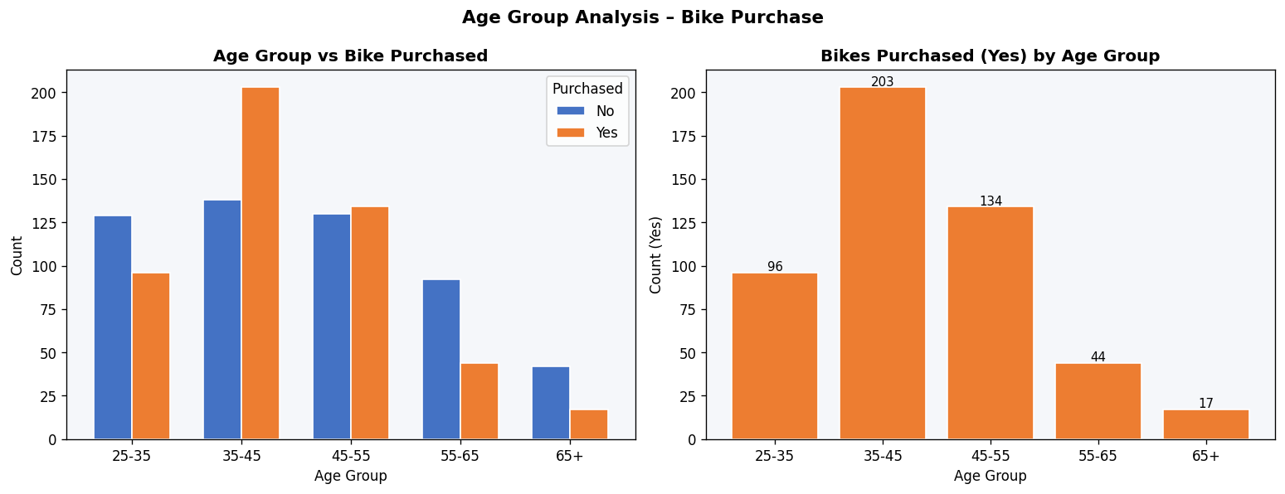
Q20. Age Group vs Bike Purchased
Age Group | No | Yes
25-35 | 129 | 96
35-45 | 138 | 203
45-55 | 130 | 134
55-65 | 92 | 44
65+ | 42 | 17

